Median income
Median Income by Black and White householders, ACS table 19013 (B, H), 2019 5 year estimate
Median Income by Black and White householders, ACS table 19013 (B, H), 2019 5 - year estimate
County | Black Householder Median Income | Black Householder Median Income MOE | White, Non-Hispanic Householder Median Income | White, Non-Hispanic Householder Median Income MOE
King | $49,846 | $2,006 | $101,265 | $816
Kitsap | $47,074 | $8,640 | $77,807 | $1,241
Pierce | $54,683 | $2,765 | $76,183 | $1,030
Snohomish | $71,050 | $4,023 | $88,341 | $1,222

I'd go with 5-year estimate because of the wide error bars on the 1-year estimate
Code to retrieve data is here: https://github.com/psrc/heritage-month

Notes:
Median Incomes for Black Householders are less than half that of White, non-Hispanic Householders in King County.
All counties show large disparities between Black and White household median incomes, on the range of $15,000 to $30,000.

Poverty
2019 5-year ACS Poverty by Black (table B17020B) and White, Non Hispanic Population table B17020H)
Share of Householders in Poverty 2019 ACS
 | Share of Persons in Poverty
County | Black | White, Non-Hispanic
King | 24% | 6%
Kitsap | 20% | 8%
Pierce | 16% | 8%
Snohomish | 12% | 6%
Region | 21% | 7%

Notes: | About 3 times as many Black persons live in poverty as Whites.
Underlying Data
County | Total Black Householders | Black Households in Poverty | MOE total Black Householders | MOE Black Householders in Poverty | Total White, non-Hispanic Householders | White, non-Hispanic Households in Poverty | MOE total White, non-Hispanic Householders | MOE White, non-Hispanic Householders in Poverty
King | 139,201 | 33,534 | 2,230 | 2,473 | 1,292,995 | 81,042 | 1,267 | 2,514
Kitsap | 6,628 | 1,309 | 496 | 483 | 197,936 | 15,614 | 614 | 1,313
Pierce | 57,363 | 9,322 | 1,736 | 1,058 | 575,541 | 47,704 | 890 | 2,193
Snohomish | 23,341 | 2,784 | 960 | 655 | 548,383 | 34,866 | 866 | 1,994
Region | 226,533 | 46,949 | 3,026 | 2,810 | 2,614,855 | 179,226 | 1,877 | 4,102

Education
Educational Attainment by Race
Educational Attainment for Black and White, non-Hispanic People ages 18+, Regional, ACS table C15002, 2019 5 - year estimate
For Regional Population 18 and Older
Educational Attainment | Black | White
Bachelor's degree or higher | 26% | 44%
High school graduate (includes equivalency) | 26% | 20%
Less than high school diploma | 10% | 4%
Some college or associate's degree | 39% | 32%
Notes :26% of Black adults have a bachelor's degree or higher in the region, vs. 44% of White, non-Hispanic Adults.
10% of Black adults have not graduated high school, vs 4% of Whites.

label | White Adults (total) | MOE | Black Adults (total) | MOE
Estimate!!Total: | 1986034 | 643.40267329 | 150067 | 1497.4762102
Estimate!!Total:!!Female: | 998515 | 358.36294451 | 70031 | 927.74457692
Estimate!!Total:!!Female:!!Bachelor's degree or higher | 436959 | 2937.7830076 | 17256 | 968.26287753
Estimate!!Total:!!Female:!!High school graduate (includes equivalency) | 189505 | 2568.7555353 | 17068 | 1046.6350844
Estimate!!Total:!!Female:!!Less than high school diploma | 37781 | 1357.7227257 | 8658 | 658.71541655
Estimate!!Total:!!Female:!!Some college or associate's degree | 334270 | 3207.7962841 | 27049 | 1134.1895785
Estimate!!Total:!!Male: | 987519 | 395.02025265 | 80036 | 984.92436258
Estimate!!Total:!!Male:!!Bachelor's degree or higher | 436515 | 3329.6273065 | 21129 | 1043.2583573
Estimate!!Total:!!Male:!!High school graduate (includes equivalency) | 197956 | 3021.8097227 | 21365 | 1277.5010763
Estimate!!Total:!!Male:!!Less than high school diploma | 44267 | 1435.1870958 | 6700 | 699.04291714
Estimate!!Total:!!Male:!!Some college or associate's degree | 308781 | 3219.5437565 | 30842 | 1241.2070738

UnitsinStructure
Share of Householders by Units in Structure
2019 Share of Householders by Units in Structure, ACS 5 year data, Table 25032
Units in Strucure | Black Householders | White, Non-Hispanic Householders
1 attached | 6% | 5%
1 detached | 35% | 64%
2 to 9 | 21% | 9%
10 to 19 | 14% | 5%
20 or More | 23% | 13%
RV, Van, Boat or Mobile Home | 1% | 4%

Notes:Only 35% of Black householders live in single family detached homes, about half that of white non-Hispanic householders (64%)
Black householders are much more likely to live in a structure with 20+ Units.

Underlying Data
estimate.x | moe.x | label | estimate.y | moe.y
85895 | 1488.5422399 | Estimate!!Total: | 1137115 | 3292.055437
5020 | 560.60770598 | Estimate!!Total:!!1, attached | 51216 | 1326.7919958
30132 | 1117.9351502 | Estimate!!Total:!!1, detached | 730074 | 3127.185156
11811 | 956.00784516 | Estimate!!Total:!!10 to 19 | 59682 | 1787.7533387
2840 | 441.56200018 | Estimate!!Total:!!2 | 19933 | 993.19434151
8581 | 802.68923003 | Estimate!!Total:!!20 to 49 | 57732 | 1517.3707523
6151 | 645.51142515 | Estimate!!Total:!!3 or 4 | 35610 | 1303.0011512
9471 | 868.06393774 | Estimate!!Total:!!5 to 9 | 50053 | 1648.5530019
11384 | 914.32379385 | Estimate!!Total:!!50 or more | 89089 | 1761.520366
15 | 36.400549446 | Estimate!!Total:!!Boat, RV, van, etc. | 1886 | 312.86738405
490 | 147.80054127 | Estimate!!Total:!!Mobile home | 41840 | 1218.6069916

Pop by County 2010 2020
2020 Black Population Share
 | 2010 and 2020 Black and Total Population by County
 | 2010 |  |  | 2020
County | Black* Population | Total Population | Population Share | Black Population | Total Population | Black Population Share
King | 147950 | 1931249 | 8% | 194857 | 2269675 | 9%
Kitsap | 10086 | 251133 | 4% | 13432 | 275611 | 5%
Pierce | 74797 | 795225 | 9% | 97967 | 921130 | 11%
Snohomish | 26069 | 713335 | 4% | 43299 | 827957 | 5%
Region | 258902 | 3690942 | 7% | 349555 | 4294373 | 8%
2010 Census:Tables P001, P006 |  |  |  | 2020 Census Redistricting Table P001
For the purposes of this summary, people were classified as Black if they were Black or African American alone or in combination with one or more other races
 | 2010 and 2020 Black and Total Population Increase by County
 | 2010 to 2020 Change
Percent Increase in Population 2010 to 2020
County | 2010 to 2020 Black Population Increase | Black Population Percent Increase | Total Population Increase | Total Population Percent Increase
King | 46907 | 32% | 338426 | 18%
Kitsap | 3346 | 33% | 24478 | 10%
Pierce | 23170 | 31% | 125905 | 16%
Snohomish | 17230 | 66% | 114622 | 16%
Region | 90653 | 35% | 603431 | 16%

Note: Code for this work is on Github at: https://github.com/psrc/heritage-month

 |  |  |  |  | v

Median Age
 | Median Age by Race
County | Black | White, non-Hispanic
King | 32.6 | 41.8
Kitsap | 29.4 | 43.1
Pierce | 33.7 | 40.7
Snohomish | 34.8 | 42
Median Age by Race

Occupation
 | Share of Workers
Occupation Type | Black | White, non-Hispanic
Management, business, science, and arts occupations | 31% | 49%
Natural resources, construction, and maintenance occupations | 5% | 8%
Production, transportation, and material moving occupations | 19% | 10%
Sales and office occupations | 19% | 20%
Share of Workers by Occupation and Race
Service occupations | 26% | 13%

 | Black | White
Management, business, science, and arts occupations | 35309 | 699773
Natural resources, construction, and maintenance occupations | 6055 | 108601
Production, transportation, and material moving occupations | 21272 | 139238
Sales and office occupations | 21806 | 286120
Service occupations | 30176 | 181179
Total | 114618 | 1414911

estimate.x | moe.x | label | estimate.y | moe.y
114618 | 1994.7847002 | Estimate!!Total: | 1414911 | 4379.8888114
51775 | 1322.3301403 | Estimate!!Total:!!Female: | 651371 | 3197.795647
17383 | 1009.3923915 | Estimate!!Total:!!Female:!!Management, business, science, and arts occupations | 334307 | 3168.9331012
469 | 177.19480805 | Estimate!!Total:!!Female:!!Natural resources, construction, and maintenance occupations | 5784 | 546.91407003
4386 | 588.71215377 | Estimate!!Total:!!Female:!!Production, transportation, and material moving occupations | 30606 | 1222.0331419
12194 | 838.86888129 | Estimate!!Total:!!Female:!!Sales and office occupations | 174300 | 2800.4174689
17343 | 1046.4521011 | Estimate!!Total:!!Female:!!Service occupations | 106374 | 2273.4165918
62843 | 1354.0011078 | Estimate!!Total:!!Male: | 763540 | 3054.0243941
17926 | 1008.3987307 | Estimate!!Total:!!Male:!!Management, business, science, and arts occupations | 365466 | 3552.9734027
5586 | 605.79947177 | Estimate!!Total:!!Male:!!Natural resources, construction, and maintenance occupations | 102817 | 2287.4269387
16886 | 1101.884749 | Estimate!!Total:!!Male:!!Production, transportation, and material moving occupations | 108632 | 2217.4927283
9612 | 770.78855726 | Estimate!!Total:!!Male:!!Sales and office occupations | 111820 | 2286.1360414
12833 | 977.38119483 | Estimate!!Total:!!Male:!!Service occupations | 74805 | 2069.4777119

TransporttoWork
Transportation Mode to Work by Black and White Workers
Share of Workers by Mode of Transportation to Work, 2019 ACS 5-year, Table B08105
 | Share of Workers by Mode of Transportation to Work
Transportation Mode to Work | Black Workers | White, non-Hispanic Workers
Car, truck, or van - carpooled | 10% | 8%
Car, truck, or van - drove alone | 67% | 69%
Public transportation (excluding taxicab) | 14% | 9%
Taxicab, motorcycle, bicycle, or other means | 1% | 2%
Walked | 5% | 4%

Underlying Data

label | estimate.x | moe.x | estimate.y | moe.y | moe
Total: | 115520 | 2097.4505954 | 1508149 | 5040.378458 | 5040.378458
Car, truck, or van - carpooled | 11330 | 924.25645792 | 125851 | 2866.7830403 | 6153.7337446
Car, truck, or van - drove alone | 77101 | 1993.647662 | 1047108 | 6153.7337446 | 2866.7830403
Public transportation (excluding taxicab) | 16403 | 1189.5688295 | 132724 | 2411.16279 | 2411.16279
Taxicab, motorcycle, bicycle, or other means | 1533 | 359.00139275 | 37356 | 1373.7041166 | 1938.0882333
Walked | 5219 | 667.6907967 | 58884 | 1938.0882333 | 1373.7041166

Map
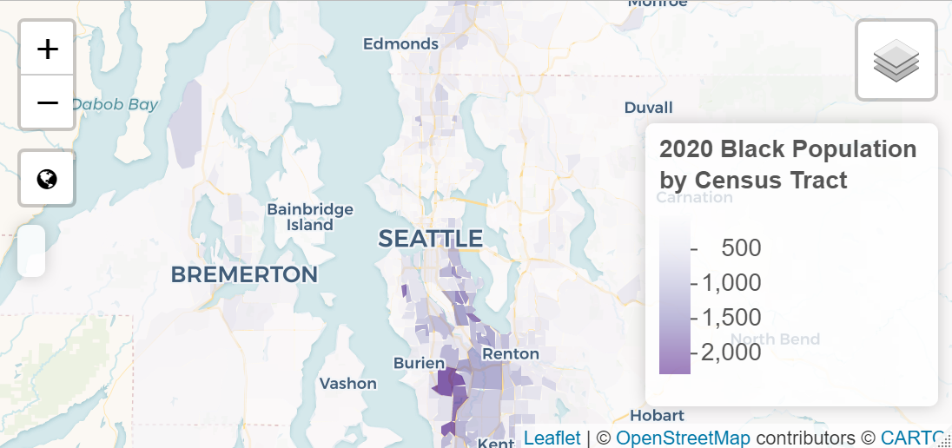
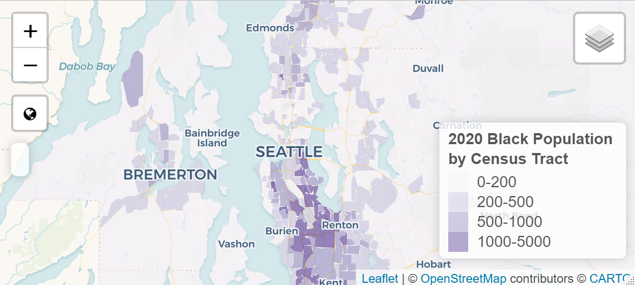
This is actually an interactive web map, I just took a screenshot to put it in this notebook.

