WorkingOutsideHome
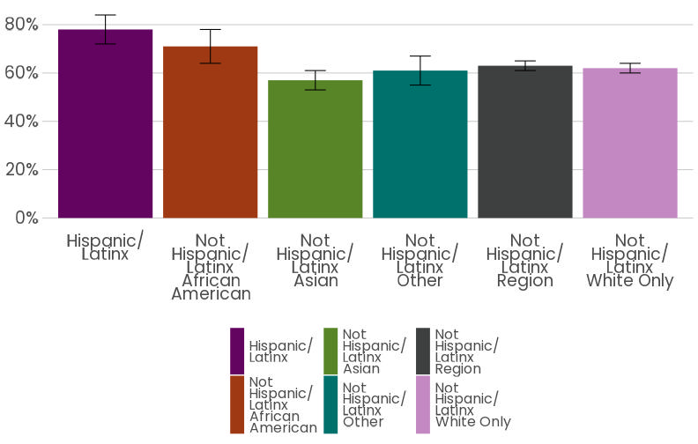
Worker Race | Works outside the home | moe
African American, not Hispanic/Latinx | 71% | 7%
Asian, not Hispanic/Latinx | 57% | 4%
Hispanic/Latinx | 78% | 6%
Other, not Hispanic/Latinx | 61% | 6%
White, not Hispanic/Latinx | 62% | 2%
Region | 63% | 2%

Percent of Workers Always Working Outside the Home in 2021 by Race and Ethnicity
Source: 2021 Household Travel Survey

HealthInsurance
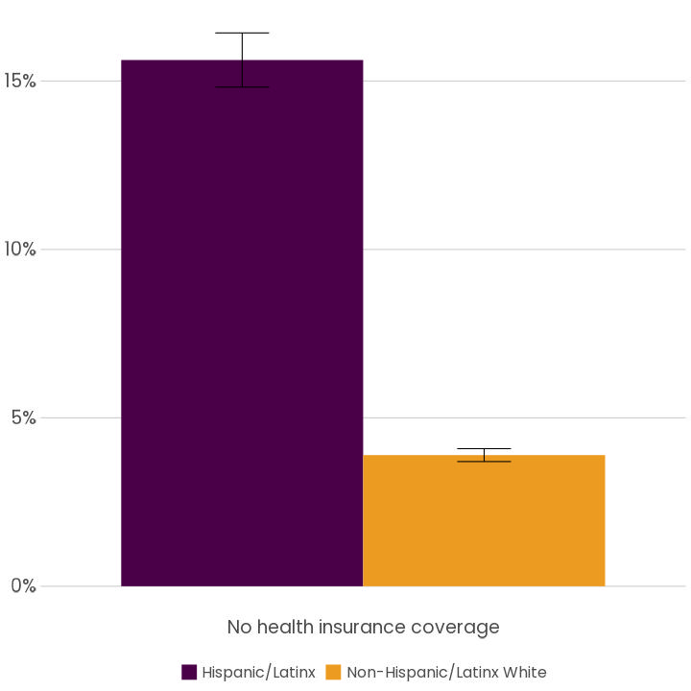
 | DATA_YEAR | COUNTY | PRACE | share | share_moe
1 | 2020 | Region | Hispanic/Latinx | 16% | 1%
2 | 2020 | Region | Non-Hispanic/Latinx White | 4% | 0%

 |  | 2016-2020 PUMS, Health Insurance Coverage by Race and Ethnicity

MeansofTransport
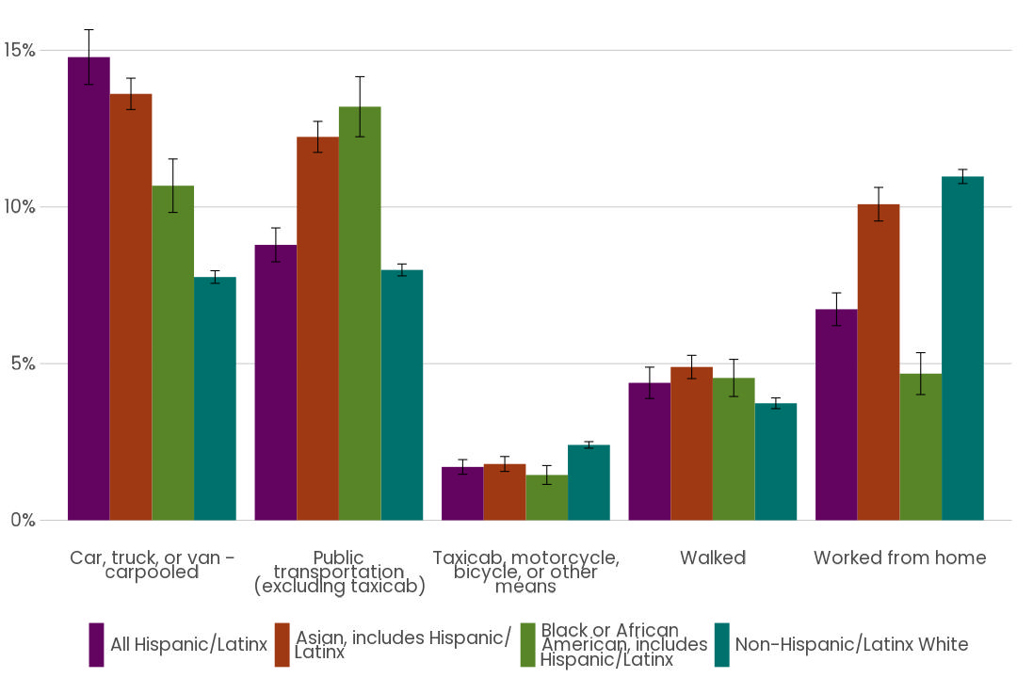
Means of Transportation to Work | Share | Race and Ethnicity | Region_share_moe
Car, truck, or van - carpooled | 15% | All Hispanic/Latinx | 1%
Public transportation (excluding taxicab) | 9% | All Hispanic/Latinx | 1% | Sum of Share | Column Labels
Walked | 4% | All Hispanic/Latinx | 1% | Row Labels | All Hispanic/Latinx | Asian, includes Hispanic/ Latinx | Black or African American, includes Hispanic/Latinx | Non-Hispanic/Latinx White | Grand Total
Taxicab, motorcycle, bicycle, or other means | 2% | All Hispanic/Latinx | 0% | Car, truck, or van - carpooled | 0.1478297584 | 0.13609438742 | 0.10678207079 | 0.077632647353 | 0.46833886396
Worked from home | 7% | All Hispanic/Latinx | 1% | Public transportation (excluding taxicab) | 0.087894661908 | 0.12236783788 | 0.13199970068 | 0.079903075138 | 0.42216527561
Car, truck, or van - carpooled | 8% | Non-Hispanic/Latinx White | 0% | Taxicab, motorcycle, bicycle, or other means | 0.017021213921 | 0.017961301677 | 0.01445045854 | 0.024047126717 | 0.073480100856
Public transportation (excluding taxicab) | 8% | Non-Hispanic/Latinx White | 0% | Walked | 0.043861414818 | 0.048927724524 | 0.045429980129 | 0.037337192062 | 0.17555631153
Walked | 4% | Non-Hispanic/Latinx White | 0% | Worked from home | 0.067343522169 | 0.1008738018 | 0.046801859104 | 0.10972116978 | 0.32474035285
Taxicab, motorcycle, bicycle, or other means | 2% | Non-Hispanic/Latinx White | 0% | Grand Total | 0.36395057122 | 0.4262250533 | 0.34546406924 | 0.32864121105 | 1.4642809048
Worked from home | 11% | Non-Hispanic/Latinx White | 0%
Car, truck, or van - carpooled | 11% | Black or African American, includes Hispanic/Latinx | 1%
Public transportation (excluding taxicab) | 13% | Black or African American, includes Hispanic/Latinx | 1%
Walked | 5% | Black or African American, includes Hispanic/Latinx | 1% | Mode Share to Work, Excluding Drive Alone | All Hispanic/Latinx | Asian, includes Hispanic/ Latinx | Black or African American, includes Hispanic/Latinx | Non-Hispanic/Latinx White
Taxicab, motorcycle, bicycle, or other means | 1% | Black or African American, includes Hispanic/Latinx | 0% | Car, truck, or van - carpooled | 15% | 14% | 11% | 8%
Worked from home | 5% | Black or African American, includes Hispanic/Latinx | 1% | Public transportation (excluding taxicab) | 9% | 12% | 13% | 8%
Car, truck, or van - carpooled | 14% | Asian, includes Hispanic/ Latinx | 0% | Taxicab, motorcycle, bicycle, or other means | 2% | 2% | 1% | 2%
Public transportation (excluding taxicab) | 12% | Asian, includes Hispanic/ Latinx | 0% | Walked | 4% | 5% | 5% | 4%
Walked | 5% | Asian, includes Hispanic/ Latinx | 0% | Worked from home | 7% | 10% | 5% | 11%
Taxicab, motorcycle, bicycle, or other means | 2% | Asian, includes Hispanic/ Latinx | 0% | Grand Total | 36% | 43% | 35% | 33%
Worked from home | 10% | Asian, includes Hispanic/ Latinx | 1%
 |  |  |  | 2016-2020 Means of Transportation to Work (excluding single occupancy vehicles for ease of visual comparison) by Race and Ethnicity ACS 5-year, tables B08105, Four-County Puget Sound Region, I and B08105H ACS reports race including all ethnicities, and it is difficult to derive non-overlapping categories, such as non-Hispanic Black or African American

JobSector
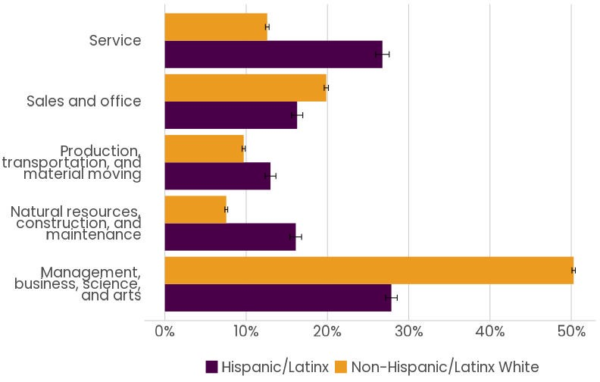
Race and Ethnicity | Job Sector | share | moe_share
Hispanic/Latinx | Management, business, science, and arts | 28% | 1% | Sum of share | Column Labels
Hispanic/Latinx | Service | 27% | 1% | Row Labels | Hispanic/Latinx | Non-Hispanic/Latinx White | Grand Total
Hispanic/Latinx | Sales and office | 16% | 1% | Management, business, science, and arts | 0.27866320854 | 0.50292088037 | 0.78158408891
Hispanic/Latinx | Natural resources, construction, and maintenance | 16% | 1% | Natural resources, construction, and maintenance | 0.16104060662 | 0.07556247618 | 0.2366030828
Hispanic/Latinx | Production, transportation, and material moving | 13% | 1% | Production, transportation, and material moving | 0.12993723891 | 0.096977060922 | 0.22691429983
Non-Hispanic/Latinx White | Management, business, science, and arts | 50% | 0% | Sales and office | 0.16270862619 | 0.19860283195 | 0.36131145814
Non-Hispanic/Latinx White | Service | 13% | 0% | Service | 0.26765031974 | 0.12593675057 | 0.39358707032
Non-Hispanic/Latinx White | Sales and office | 20% | 0% | Grand Total | 1 | 1 | 2
Non-Hispanic/Latinx White | Natural resources, construction, and maintenance | 8% | 0%
Non-Hispanic/Latinx White | Production, transportation, and material moving | 10% | 0%
 |  |  |  | Row Labels | Hispanic/Latinx | Non-Hispanic/Latinx White
 |  |  |  | Management, business, science, and arts | 28% | 50%
Source: 2016-2020 ACS 5 year data, Tables C24010I, C24010H Job Sector by Race and Ethnicity, Four County Puget Sound Region |  |  |  | Natural resources, construction, and maintenance | 16% | 8%
 |  |  |  | Production, transportation, and material moving | 13% | 10%
 |  |  |  | Sales and office | 16% | 20%
 |  |  |  | Service | 27% | 13%

EducationAttained
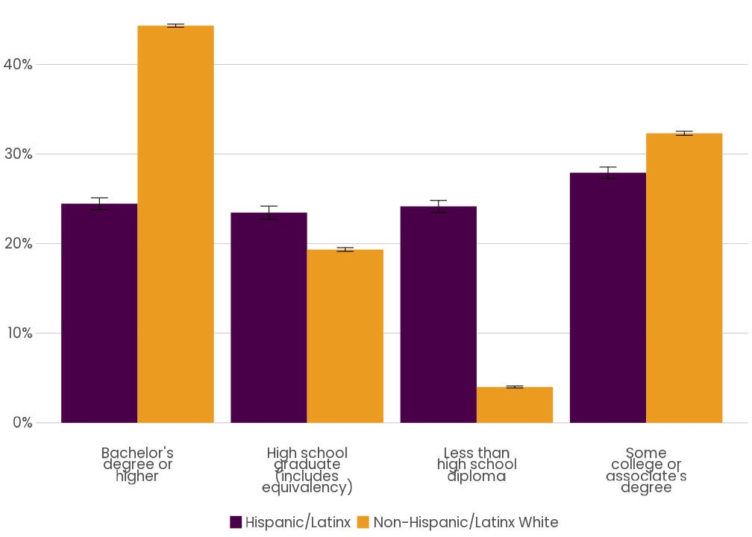
Race and Ethnicity | Highest Education Level Attained | share | moe_share
Hispanic/Latinx | Less than high school diploma | 24% | 1% | Sum of share | Column Labels
Hispanic/Latinx | High school graduate (includes equivalency) | 23% | 1% | Row Labels | Hispanic/Latinx | Non-Hispanic/Latinx White | Grand Total
Hispanic/Latinx | Some college or associate's degree | 28% | 1% | Bachelor's degree or higher | 0.24457764565 | 0.44337408849 | 0.68795173414
Hispanic/Latinx | Bachelor's degree or higher | 24% | 1% | High school graduate (includes equivalency) | 0.23463006614 | 0.19341428755 | 0.42804435369
Non-Hispanic/Latinx White | Less than high school diploma | 4% | 0% | Less than high school diploma | 0.24162239657 | 0.040019174954 | 0.28164157152
Non-Hispanic/Latinx White | High school graduate (includes equivalency) | 19% | 0% | Some college or associate's degree | 0.27916989164 | 0.32319244901 | 0.60236234065
Non-Hispanic/Latinx White | Some college or associate's degree | 32% | 0% | Grand Total | 1 | 1 | 2
Non-Hispanic/Latinx White | Bachelor's degree or higher | 44% | 0%

 |  |  |  | Highest Level of Education Attained | Hispanic/Latinx | Non-Hispanic/Latinx White
 |  |  |  | Bachelor's degree or Higher | 24% | 44%
 |  |  |  | High school graduate (includes equivalency) | 23% | 19%
 |  |  |  | Less than high school diploma | 24% | 4%
 |  |  |  | Some college or associate's degree | 28% | 32%

 | Souce: 2016-2020 ACS 5 year data, Tables C15002I, C15002H, Educational Attainment by Race and Ethnicity, Puget Sound Region

