vmt_model
 | term | estimate | std.error | statistic | p.value | Percent change in VMT for 1 unit increase in Variable
1 | (Intercept) | 0.62543166526 | 0.36139379354 | 1.73 | 0.083601873719
2 | employmentEmployed part time (fewer than 35 hours/week, paid) | -0.22871860352 | 0.066989796905 | -3.41 | 0.00064626489455 | -20% | base = employed full time | vmt_model_small_fit_21<-lm(ln_vmt_day ~ employment + inc100k + vehicle_count_simple + numworkers + numadults + license + telecommute_freq_simple + Kitsap_home + commute_freq+transit_ben + flextime_ben + compressed_ben + rent_own + log(1 + jobs_transit/10000) + log(1 + pharmacy) + +workplace + log(1 + pharmacy)+ survey_year_factor , data = persons_vmt_17_19_21)
3 | employmentSelf-employed | -0.18284249339 | 0.095520854907 | -1.91 | 0.055673725875 | -17%
4 | inc100kUnder 100K | 0.13448477692 | 0.06756037525 | 1.99 | 0.046597272773 | 14% | Base = income over 100K | https://stats.stackexchange.com/questions/64343/how-to-interpret-a-negative-linear-regression-coefficient-for-a-logged-outcome-v
5 | vehicle_count_simple1 vehicle | 1.0850942646 | 0.067400380372 | 16.10 | 1.77E-56 | 196% | base= 0 vehicles | https://library.virginia.edu/data/articles/interpreting-log-transformations-in-a-linear-model
6 | vehicle_count_simple2 vehicles | 1.4781480506 | 0.081403974537 | 18.16 | 9.46E-71 | 338%
7 | vehicle_count_simple3 or more vehicles | 1.3745828795 | 0.10990799531 | 12.51 | 3.31E-35 | 295% |  | model equation:
8 | numworkers | -0.11210911959 | 0.048493587693 | -2.31 | 0.020839613344 | -11% |  | When controlling for as much as feasible, which of the following correlates with VMT reduction?
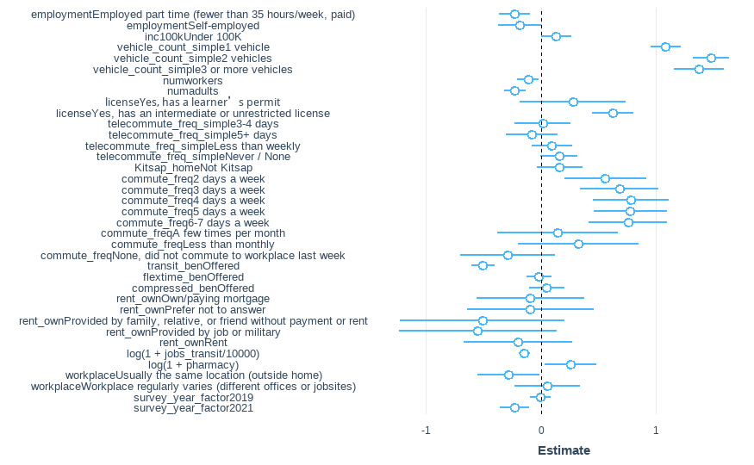
9 | numadults | -0.2253881405 | 0.046571371175 | -4.84 | 1.35E-06 | -20% |  |  | * Telecommute frequency
10 | licenseYes, has a learnerâ€™s permit | 0.27771675882 | 0.23569671682 | 1.18 | 0.23875810893 | 32% | base = no license |  | * Home Deliveries
11 | licenseYes, has an intermediate or unrestricted license | 0.62367618742 | 0.091606530412 | 6.81 | 1.14E-11 | 87% |  |  | * Transit Subsidy through work
12 | telecommute_freq_simple3-4 days | 0.016025100903 | 0.12542262879 | 0.13 | 0.8983386325 | 2% | base = telecommute 1-2 days per week |  | * Flextime or Compressed work week benefit
13 | telecommute_freq_simple5+ days | -0.077154952972 | 0.11420789909 | -0.68 | 0.49935711272 | -7% | not very significant
14 | telecommute_freq_simpleLess than weekly | 0.096132970963 | 0.090331180129 | 1.06 | 0.28729248123 | 10% |  | What is contolled for in the testing so far?
15 | telecommute_freq_simpleNever / None | 0.15752718066 | 0.082760780788 | 1.90 | 0.057062737024 | 17% |  | Employment Status
16 | Kitsap_homeNot Kitsap | 0.16290370919 | 0.10201967228 | 1.60 | 0.11039559959 | 18% | base = home Kitsap | Student Status
17 | commute_freq2 days a week | 0.55991672308 | 0.18153952523 | 3.08 | 0.0020550686019 | 75% |  | Age
18 | commute_freq3 days a week | 0.68213799543 | 0.1736246914 | 3.93 | 8.69E-05 | 98% | these variables should be combined | Household Income
19 | commute_freq4 days a week | 0.78245038034 | 0.1686059861 | 4.64 | 3.59E-06 | 119% |  | Gender
20 | commute_freq5 days a week | 0.77838465206 | 0.16372152316 | 4.75 | 2.06E-06 | 118% |  | Home Accessibility by Auto and Transit (jobs with 30 minutes by auto, 45 minutes by transit)
21 | commute_freq6-7 days a week | 0.75778346147 | 0.17468659508 | 4.34 | 1.48E-05 | 113% |  | Distance to Nearest Grocery Store, Park, Pharmacy, School
22 | commute_freqA few times per month | 0.1483024277 | 0.26672624251 | 0.56 | 0.57823655863 | 16%
23 | commute_freqLess than monthly | 0.3264561417 | 0.26619593559 | 1.23 | 0.22013279806 | 39%
24 | commute_freqNone, did not commute to workplace last week | -0.28936748892 | 0.20964146153 | -1.38 | 0.16757571862 | -25% |  | License
25 | transit_benOffered | -0.50401714382 | 0.051750680077 | -9.74 | 3.69E-22 | -40% |  | Auto Ownership
26 | flextime_benOffered | -0.015999865052 | 0.054170421909 | -0.30 | 0.76773363005 | -2% |  | Home Ownership
27 | compressed_benOffered | 0.052150328109 | 0.07912193191 | 0.66 | 0.50986253467 | 5% |  | Survey Year
28 | rent_ownOwn/paying mortgage | -0.090872027951 | 0.23992902072 | -0.38 | 0.70489787205 | -9% |  | Workplace same location, always at home, varies
29 | rent_ownPrefer not to answer | -0.090049129659 | 0.28145420914 | -0.32 | 0.74902945256 | -9%
30 | rent_ownProvided by family, relative, or friend without payment or rent | -0.50810366552 | 0.36418306984 | -1.40 | 0.16304015752 | -40%
31 | rent_ownProvided by job or military | -0.54868382539 | 0.3504442557 | -1.57 | 0.11750594528 | -42%
32 | rent_ownRent | -0.19955336296 | 0.23982634086 | -0.83 | 0.40541878964 | -18%
33 | log(1 + jobs_transit/10000) | -0.14276262049 | 0.023485139291 | -6.08 | 1.33E-09 | -13%
34 | log(1 + pharmacy) | 0.25975431071 | 0.11353974748 | 2.29 | 0.022204389611 | 30%
35 | workplaceUsually the same location (outside home) | -0.28271041717 | 0.13801118503 | -2.05 | 0.040582919641 | -25%
36 | workplaceWorkplace regularly varies (different offices or jobsites) | 0.058083107747 | 0.14558139736 | 0.40 | 0.68993502213 | 6%
37 | survey_year_factor2019 | -0.0044716212828 | 0.047181435893 | -0.09 | 0.92449848813 | 0%
38 | survey_year_factor2021 | -0.22814072178 | 0.064413733391 | -3.54 | 0.00040213571967 | -20%

