dyk_eart
1.5 * dyk_eart_dwst_i * hera_dyk_conc_vtpj_m2
Proteção de talude de jusante (grama):
 | 0 | m²

dyk_eart_upst_i
dyk_eart_dwst_i
Proteção de talude de montante:
Rip-rap:
 | 0 | m³
Geomembrana:
 | 0 | m³

Filtro Vertical
0.2 * dyk_crst_0000_l * hera_dyk_conc_fvpj_m2
Filtros:
Filtro Vertical:
 | 0 | m³
Filtro Horizontal:
Filtro Horizontal
 | 0 | m³

Rip-rap
0.4 * dyk_crst_0000_l * hera_dyk_conc_rrpj_m2

Grama
Geomembrana

(1+ dyk_eart_dwst_i^2 )^0.5* hera_dyk_conc_vtpj_m2
(1+ dyk_eart_upst_i^2 )^0.5* hera_dyk_conc_vtpj_m2

dam_eart
1.5 * dam_eart_dwst_i * hera_dam_conc_vtpj_m2
Proteção de talude de jusante (grama):
 | 0 | m²

dam_eart_upst_i
dam_eart_dwst_i
Proteção de talude de montante (rip-rap):
Rip-rap:
 | 0 | m³
Geomembrana:
 | 0 | m³

Filtros:
Filtro Vertical:
 | 0 | m³
Filtro Vertical
Filtro Horizontal:
0.2 * dam_crst_0000_l * hera_dam_conc_fvpj_m2
 | 0 | m³

Filtro Horizontal

Rip-rap
0.4 * dam_crst_0000_l * hera_dam_conc_rrpj_m2

Grama
Geomembrana

(1+ dam_eart_dwst_i^2 )^0.5* hera_dam_conc_vtpj_m2
(1+ dyk_eart_upst_i^2 )^0.5* hera_dyk_conc_vtpj_m2

div_tund
div_tund_0000_d
div_tund_shot_th
div_tund_conc_th
Trecho sem revestimento
Trecho de concreto projetado
Trecho de concreto estrutural
Túnel de Desvio
Número de túneis: | 0
Diâmetro: | 0.00 | m
Fator de área (arco-retângulo): | #DIV/0!

 | Dimensões (m) |  | Volumes (m³)
 | Comprimento | Espessura | Escavação | Concreto
Seção sem revestimento: | 0.00 | 0.00 | #DIV/0! | 0
Seção com concreto projetado: | 0.00 | 0.00 | #DIV/0! | #DIV/0!
Seção com concreto estrutural: | 0.00 | 0.00 | #DIV/0! | #DIV/0!
Total: |  |  | #DIV/0!

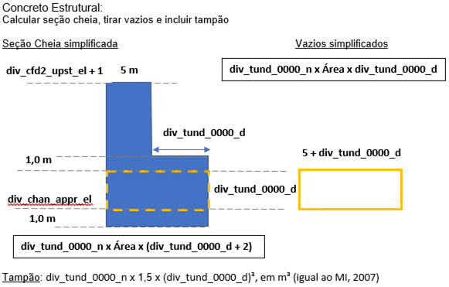
Tomada d'Água do Desvio
Elevação na crista: | 1.00 | m
Elevação da soleira: | 0.00 | m
Largura da crista: | 5.00 | m

Volume da seção cheia: | 0 | m³
Volume de vazios: | 0 | m³
Volume do tampão: | 0 | m³
Volume total de concreto: | 0 | m³

spw_strc
Vertedouro | 0 | m³

v
Pilares: | 0 | m³ | A = (dam_crst_0000_el - spw_ogee_sill_el) x (dam_crst_0000_l + (spw_dims_head_h)/2)

Muros laterais: | 0 | m³ | A = (spw_dims_head_h x spw_geom_000a_i) x (spw_strc_totl_l - spw_edis_totl_l - (dam_crst_0000_l + (spw_dims_head_h)/2))
v
Muros da bacia ou concha: | 0 | m³ | A = (spw_edis_wall_el - spw_edis_sill_el) x spw_edis_totl_l
 |  |  |  | Muro Divisor
Ponte: | 0 | m³

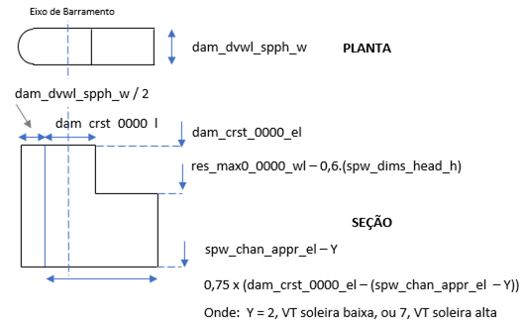
Muro Divisor* | 0 | m³
*Considerando 10% de vazios

Volume de concreto adicional: | 0 | m³

