hsrf2rout
1 | DEFINIÇÃO DO TRAÇADO DO TÚNEL DE ADUÇÃO |  |  |  |  |  |  |  | espessura do solo
 |  |  |  |  |  |  |  | posição do circuito | upper reservoir | lower reservoir
 | Dados Iniciais |  |  |  |  |  |  | l | 2.00 | 5.00

 | NAmax (s) | Nível d'água máximo do reservatório superior (m) | 720.00 |  |  |  |  | r | 3.00 | 6.00
 | NAmin (s) | Nível mínimo do reservatório superior (m) | 680.00
 | NAmax (i) | Nível d'água máximo do reservatório inferior (m) | 620.00
 | NAmin (i) | Nível mínimo do reservatório inferior (m) | 580.00
 | Lad | Extensão inicial entre os dois reservatórios (m) | 2,000 | medida em linha reta antes da definição do traçado
 |  | Extensão até a casa de força (m) | 1,400 | teste para a segunda passada

 | P | Potência Instalada (MW) | 150
 | hp% | Perda de carga máxima no circuito (m) | 5%
 | Hb | Queda bruta (m) | 100.00 | Hb = NAmed (s) - NAmed (i)
 | Qt | Vazão turbinada máxima (m³/s) | 180.36 | Qt = P.1000 / (9,81 . 0,88 . (1-hp%). Hb)
 |  | Vazão para "n" túneis (m³/s) | 180.36

L2
CN3
CN1
Lad
L1
CN1
CN2
L2
CN3
Lad
CN2
 | Critério para inclusão de Chaminé de Equilíbrio |  | Alternativas de Circuito de Adução
 | MI, 2007: |  | Circuito de Adução Curto, Túnel sem Chaminé | Circuito de Adução Longo, Túnel com Chaminé
 | P > = 100 MW, Ltotal > 6 Hb
 | P < 100 MW, Ltotal > 4 Hb

 | Verificação da necessidade de Chaminé
 | Inicial (para definição do traçado)
 | Lad/Hb | 20.0
 | Lad | Extensão inicial entre o eixo e o canal de fuga (m)
 | Hb | Queda bruta
 | => | circuito com chamine

1.1 | EMBOQUE - Cálculo da elevação correspondente à curva de nível 1 - CN1 |  |  |  |  | Comparação com valores calculados nas planilhas:
 |  |  |  |  | ignorar se terreno descer
 | CN1 = NAmin - S + 2.Hta + ete |  | 738.00 | m | arredondar para cima
 |  |  |  |  | cálculos intencionalmente conservadores
 | Namin | Nível d´água mínimo normal do reservatório
 | S | Submergência da tomada d'água | S = c . v1. Hta0,5; c = 0,8; v1 = 1,76 m/s | 4.61 | m | ver B16 em hsrf2intk | 4.42 | m
 | Hta | Altura do túnel de adução | Hta = ( ( Qt/v1 ) / 0,8927 )0,5; v1 = 1,76 m/s | 10.71 | m | ver F41 em hsrf2tunl | 10.75 | m
 |  |  |  | 10.71 | m
 | ete | Espessura de solo | dado de entrada | 1.00 | m

1.2 | CHAMINÉ - Cálculo da elevação correspondente à curva de nível 2 - CN2 |  |  |  | ignorar se terreno descer
 |  |  |  |  | arredondar para cima
 | CN2 = NAxch + Hbl + ete |  | 736.00 | m | Definir ponto de inflexão do traçado com elevação CN2

 | NAxch | Nível d'água máximo na chaminé | Naxch = NAmax - 2/3 . (he+ha) + Ymax | 732.6 | m | ver B24 em hsrf2stnk | 734.95 | m
 | he | Perda de carga na entrada da TA | he = 0,2. v12/2g | 0.03 | m | ver B9 em hsrf2stnk | 0.05 | m
 | ha | Perda de carga no túnel de adução | por simplificação, 1% . ( NAmed (s) - NAmed (i) ) | 1.00 | m | ver B10 em hsrf2stnk | 1.22 | m
 | Ymax | Oscilação máxima na chaminé | vad = v1 | 13.3 | m | ver B23 em hsrf2stnk | 15.80 | m

 | Aad | Área do túnel de adução | Aad = 0,8927 . Hta2 | 102.48 | m²
 | Ach | Área da chaminé de equilíbrio |  | 570.32 | m² | ver B21 em hsrf2stnk | 194.15 | m²

 | Hd | Altura estática mínima | Hd = NAmin (s) - NAmax (i) | 69.78 | m | ver B12-B13 em hsrf2stnk | 124.55 | m
 |  |  | por simplificação, Hd = NAmin (s) - ( NAmax (i) - Hfu ), a avaliar
 | Hbl | Borda livre | arbitrário | 2 | m
 | ete | Espessura de solo | dado de entrada | 0.50 | m

1.3 | DESEMBOQUE - Cálculo da elevação correspondente à curva de nível 3 - CN3

 | CN3 = LC + Hfu/2 + 2.Hfu + ete |  | 581.00 | m | arredondar para cima
 |  | NAmin + Hfu + ete | 594.78

 | LC | Linha de centro da turbina | por simplificação, LC = NAmin (i) - 3Hfu, a avaliar | 550.65 | m | ver D185 em hsrf2pwh | 555.45 | m
 | Hfu | Altura de escavação do túnel de fuga | Hfu = ( 4 / p . Qt/v3 )0,5; v3 = 2,4 m/s | 9.78 | m | concreto projetado
 | ete | Espessura de solo | dado de entrada | 5.00 | m

1.4. | TRECHO BLINDADO E CASA DE FORÇA - Parâmetros para definição da extensão e posicionamento

 |  | Extensão máxima do trecho blindado | 2.Hb | 200.0 | m
 |  | Elevação mínima do terreno para blindagem | (Elte - ete) - (NAmin (i) - Hfu) + Htf/2 > 0,8.Hb, a avaliar | 646.1 | m
 |  | Elevação mínima do terreno para casa de força | NAmin (i) + 3.Hfu + esp | 609.8 | m | comparar com NAmin (i)+ 2*N B51 em hsrf2pwh | 603.43 | m
 |  |  |  |  |  | altura da casa de força? F(N ou Htf)?
 | Htf | Altura de escavação do túnel forçado | Htf = 1,20 + ( 4 / p . Qt/v3 )0,5; v3 = 3,6 m/s | 9.19 | m

hsrf2pwh
DADOS DE ENTRADA | BOMBA | TURBINA | em verde, substituído por PROC | TABELAS AUXILIARES
 |  |  | em azul, substituído por PROCV
Altura de Recalque Nominal (m) - Hp | 105.00 |  |  |  | Frequência (hz) | Rotação síncrona escolhida | nq | Hs TOSHIBA bomba | Hs Water Power bomba | rotação mínima da bomba | rotação máxima da bomba
Altura de Recalque Mínima (m) - Hpm | 63.00
Altura de Recalque Máxima (m) - HpM | 147.00
Queda Nominal (m) - Ht |  | 95.00
Potência Unitária Máxima - P1xt |  | 623.46
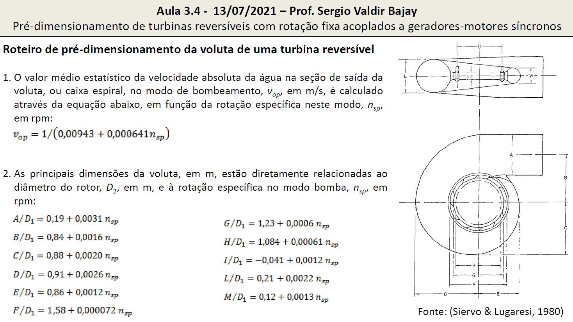
Potência Unitária Mínima - P1nt |  | 5.00
Número Mínimo de Unidades - Ngnt | 2 |  | ver critérios: como manual, padrão como dado de entrada?
Número de Unidades - Ng | 2
Rendimento | 0.88 | 0.86 | referência: Bettarello
Frequência (Hz) | 50 |  |  |  | 50 | 250.00 | 2001.2 | -16.3 | -24.6 | 225.0 | 260.0
 |  |  |  |  | 60 | 240.00 | 1921.1 | -14.9 | -24.6 | 216.0 | 249.6
CÁLCULOS PRELIMINARES
 |  |  |  |  | número de polos | rotação síncrona (rpm)
Potência Nominal (kW) - Pp / Pt | 75,000 | 75,000
Vazão (m³/s) - Qp / Qt | 64.07 | 97.44 | ver critérios para bomba, estava como dado de entrada |  |  |  |  |  |  |  | 230.84 | 204.16
Relação (Pp / Pt) | 1.06 |  | seria dado de entrada? |  | freq | 50 |  | 60 |  |  | 203.53 | 188.49
Velocidade específica estatística (nspe / nste) | 188.49 | 204.16 |  |  | 2 | 3000.00 | 0.00 | 3600.00 | 0.00
Relação (Hp / Ht) | 1.1 |  |  |  | 4 | 1500.00 | 0.00 | 1800.00 | 0.00
Velocidade de rotação preliminar (np) | 250.57 |  |  |  | 6 | 1000.00 | 0.00 | 1200.00 | 0.00
 |  |  |  |  | 8 | 750.00 | 0.00 | 900.00 | 0.00
Velocidade específica (nsp / nst) | 203.53 | 230.84 |  |  | 10 | 600.00 | 0.00 | 720.00 | 0.00
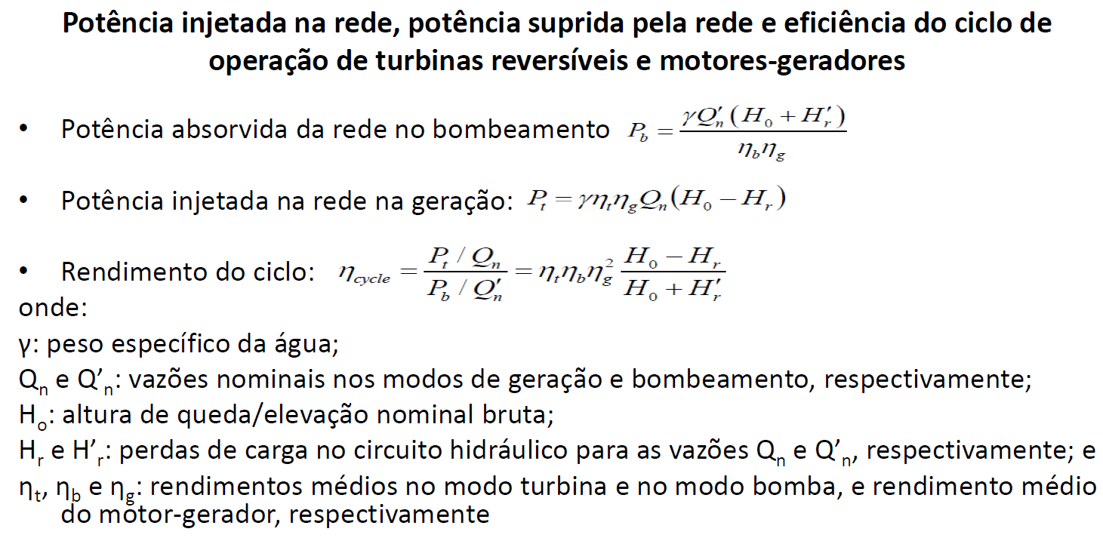
Potência nominal (kW) - Ppc | 74,875 |  |  |  | 12 | 500.00 | 0.00 | 600.00 | 0.00
Relação Ppc / Pt | 1.00 |  |  |  | 14 | 428.57 | 0.00 | 514.29 | 0.00
Variação da capacidade relativa - l | 0.15 |  |  |  | 16 | 375.00 | 0.00 | 450.00 | 0.00
Altura estática máxima (m) - DHp | 42.00 |  |  |  | 18 | 333.33 | 0.00 | 400.00 | 0.00
Capacidade máxima (kW) - Ppm | 79,265 |  |  |  | 20 | 300.00 | 0.00 | 360.00 | 0.00
Vazão (m³/s) - Qp | 67.72 |  |  |  | 22 | 272.73 | 0.00 | 327.27 | 0.00
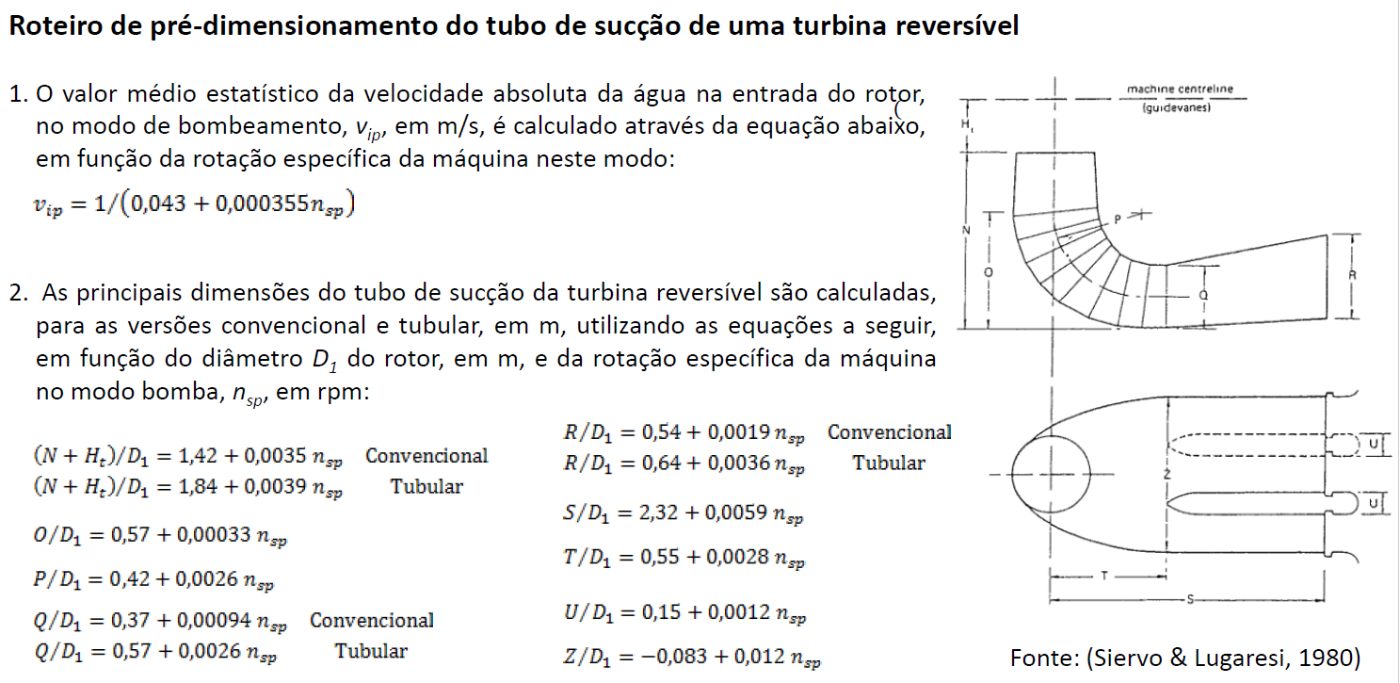
Coeficiente de cavitação teórico - sT | 0.29 |  |  |  | 24 | 250.00 | 250.00 | 300.00 | 0.00
Velocidade de disparo (rpm) - nf | 397.65 |  |  |  | 26 | 230.77 | 230.77 | 276.92 | 0.00
Relação entre quedas (Hpm / Hp) | 1.40 |  |  |  | 28 | 214.29 | 214.29 | 257.14 | 0.00 |  |  | ku | =SE((B5/B3)<1,15;(0,895+(1,07*0,001*B22));(0,915+(1,07*0,001*B22)))
Coeficiente de velocidade de disparo - ku | 1.13 |  |  |  | 30 | 200.00 | 200.00 | 240.00 | 240.00 |  |  |  | B5 | Altura de Recalque Máxima (m) - HpM
Coeficiente de cavitação adotado - s | 0.32 |  |  |  | 32 | 187.50 | 187.50 | 225.00 | 225.00 |  |  |  | B3 | Altura de Recalque Nominal (m) - Hp
Altura de sucção referente à LC do distribuidor (m) - Hs | -24.6 |  |  |  | 36 | 166.67 | 166.67 | 200.00 | 200.00 |  |  |  | B22 | Velocidade específica (nsp)
Linha de centro do distribuidor (m) - LC | 555.4 |  |  |  | 40 | 150.00 | 150.00 | 180.00 | 180.00 |  |  | D1 | =(B31*60*((2*9,81*B3)^0,5))/(3,14*B35)
Rotação síncrona escolhida | 250.00 |  |  |  | 44 | 136.36 | 136.36 | 163.64 | 163.64 |  |  |  | B31 | Coeficiente de velocidade de disparo - ku | HELMAR | AC
Diâmetro centro do rotor (m) - D1 | 3.93 |  |  |  | 48 | 125.00 | 125.00 | 150.00 | 150.00 |  |  |  | B3 | Altura de Recalque Nominal (m) - Hp
 |  |  |  |  | 52 | 115.38 | 115.38 | 138.46 | 138.46 |  |  |  | B35 | Rotação síncrona escolhida | D3 | D2 = D3
Rotor para 50<ns<110
Rotor para 110<ns<350
CARACTERÍSTICAS DA BOMBA-TURBINA |  |  |  |  | 56 | 107.14 | 107.14 | 128.57 | 128.57 |  |  | D3 | =SE(B22<190;B36;(B36/(1,198-(0,00104*B22)))) |  | 3.98 | 3.00
 |  |  |  |  | 60 | 100.00 | 100.00 | 120.00 | 120.00 |  |  |  | B22 | Velocidade específica (nsp)
Diâmetro da Garganta do Rotor (D2) | 3.0 |  |  |  | 64 | 93.75 | 93.75 | 112.50 | 112.50 |  |  |  | B36 | Diâmetro centro do rotor (m) - D1
Diâmetro Máximo do Rotor (D3) | 3.98 |  |  |  | 68 | 88.24 | 88.24 | 105.88 | 105.88 |  |  | H1 | =(B36)*(-0,0438+(0,00121*B22))
Altura Superior do Rotor (H1) | 0.8 |  |  |  | 72 | 83.33 | 83.33 | 100.00 | 100.00 |  |  | O | =(B36*(0,57+(0,00033*B22))) |  | convencional | tubular
Altura Inferior do Rotor (H2) | 0.8 |  |  |  | 76 | 78.95 | 78.95 | 94.74 | 94.74 |  |  | R | =(B36*(0,54+(0,0019*B22))) |  | 3.64 | 5.39
Diâmetro de Saída da Caixa Espiral (A) | 3.2 |  |  |  | 80 | 75.00 | 75.00 | 90.00 | 90.00 |  |  | S | =(B36*(2,32+(0,0059*B22)))
Distância do Centro da Unidade ao Conduto (B) | 4.6 |  |  |  | 84 | 71.43 | 71.43 | 85.71 | 85.71 |  |  | T | =(B36*(0,55+(0,0028*B22)))
Afastamento Lateral da Caixa Espiral (C) | 5.1 |  |  |  | 88 | 68.18 | 68.18 | 81.82 | 81.82 |  |  | Z | =(B36*(-0,083+(0,012*B22))) |  |  | convencional
Afastamento a Jusante da Caixa Espiral (D) | 5.7 |  |  |  | 92 | 65.22 | 65.22 | 78.26 | 78.26 |  |  | (N+H1) | =B41*(1,54+203,5/B22)+0,4*B41 + B36*(-0,0438+(0,00121*B22)) |  | 12.51 | 33.57
Afastamento a Montante da Caixa Espiral (E) | 4.3 |  |  |  | 96 | 62.50 | 62.50 | 75.00 | 75.00 |  |  |  | B41 | Diâmetro Máximo do Rotor (D3)
Diâmetro Máximo do Pré-Distribuidor (F) | 6.3 |  |  |  | 100 | 60.00 | 60.00 | 72.00 | 72.00
Diâmetro Mínimo do Pré-Distribuidor (G) | 5.3 |  |  |  | 104 | 57.69 | 57.69 | 69.23 | 69.23
Diâmetro Palhetas Diretrizes (H) | 4.7 |  |  |  | 108 | 55.56 | 55.56 | 66.67 | 66.67
Altura do Distribuidor (I) | 0.8
Altura do Tubo de Sucção (N) | 11.7 |  |  |  | Queda | Rendimento
Altura a Jusante da Caixa Espiral (L) | 2.6 |  |  |  |  | Turbina | Bomba
Altura a Montante da Caixa Espiral (M) | 1.5 |  |  |  | 0 | 0.87 | 0.85 | para não dar erro
Distância da LC do Rotor ao Fundo do Tubo de Sucção (J) | 8.4 |  |  |  | 50 | 0.88 | 0.86
Altura do cotovelo (O) | 2.5 |  |  |  | 100 | 0.90 | 0.88
Raio do cotovelo (P) | 5.0 |  |  |  | 300 | 0.92 | 0.90
Altura do Pilar Divisor (Q) | 2.2
Altura da Saída do Tubo de Sucção (R) | 3.6
Comprimento do Tubo de Sucção (S) | 13.8
Distância ao Início Pilar Divisor (T) | 4.4
Quantidade de Vãos do Tubo de Sucção (Nvs) | 2 |  |  | manual de inventário
Espessura do Pilar (U) | 1.5 |  |  | 1.7 | = U
Vão de Saída do Tubo de Sucção (V) | 5.4 |  |  | 11.02 | = Z | 10.87 | = 2.V
Largura do Tubo de Sucção (Z) | 9.3
Diametro do Poço (Dpg) | 5.8 |  |  | USBR 71 | psh/hpp
Elevação do deck | 559.1 |  |  | 48 | 0.56
Peso |  |  |  | 380 | 0.74
Peso do rotor da turbina (t) - USBR, 77 | 27
Peso do fornecimento da turbina (t) - USBR, 77 | 281
Custo
kW/rpm | 317
Custo FOB (MI, 2007) - R$ | 8,927,643.09

Tecnologia adotada quanto à velocidade do conjunto | ajustável

DIMENSÕES DA CASA DE FORÇA |  |  | velocidade ajustável 5 a 25% maior

Largura do bloco da unidade (m) - B1cf | 14.65
Largura total da casa de força (m) - Bcf | 31.30
Largura total da área de montagem (m) - Bam | 21.97
Distância entre a face externa de montante e a LC (m) - d1 | 7.55
Distância entre a LC e a face externa de jusante (m) - d2 | 8.55
Comprimento da superestrutura (m) - Lcs | 16.10
Comprimento da casa de força (m) - Lcf | 21.38
Comprimento da área de montagem (m) - Lam | 16.10

QUANTITATIVOS DA CASA DE FORÇA

Infraestrutura (m³) | 4,088
Superestrutura (m³) | 1,300
Paredes em cada uma das extremidades (m³) | Fora da faixa de validade da curva! ERRO!
Área de montagem (m³) | 1,300
Total de concreto estrutural (m³) - Vccf | 6,689
Total de concreto projetado (m³) - Vcp | 309
Total de escavação subterrânea (m³) - Vscf | 14,179

CARACTERÍSTICAS DO MOTOR-GERADOR | MOTOR | GERADOR

Rendimento | 0.98 | 0.98 | referência: Ewaldo
Potência (kVA) | 80,882 | 73,500
Diâmetro do poço do gerador (m) - Dpg | 9.3
Momento de inércia (t.m²) - GD² | 13,491 |  | se velocidade ajustável, acima de 50-100 MVA, 2x
kVA/rpm | 324
Peso
Rotor (t) | 156 |  | se velocidade ajustável, acima de 50-100 MVA, 1.3x
Estator (t) | 101
Fornecimento (t) | 334
Custo
Custo FOB (MI, 2007) - R$ | 16,630,294.82

CARACTERÍSTICAS DOS EQUIPAMENTOS HIDROMECÂNICOS

PONTE ROLANTE |  |  |  |  | Vão | Peso
Dados de Entrada |  |  |  |  | (m) | (t)
Capacidade de carga (t) | 163.67 |  |  |  | 5 | 90.0
Vão (m) | 14.45 |  |  |  | 10 | 98.9
Peso |  |  |  |  | 15 | 110.7
Ponte (t) | 109 |  |  |  | 20 | 121.6
Custo |  |  |  |  | 25 | 132.8
Custo FOB (MI, 2007) - R$ | 1,403,364.84 |  |  |  | 30 | 144.1
 |  |  |  |  | 35 | 154.3
DADOS DE ENTRADA PARA COMPORTAS

Níveis
Montante (m)
Jusante (m) | 620.00 |  | res_type_watc_x: NA máximo do reservatório inferior x Na max max jusante?
Ponte de Serviço Montante (m)
Ponte de Serviço Jusante (m) | 621.00 |  | res_type_watc_x: NA máximo do reservatório inferior x Na max max jusante?
Soleira (m) | 549.37
Vão Livre
Largura (m) - Bcp | 5.43 |  | V, dividir vão?
Altura total (m) - Hcp | 3.64 |  | R

k = Bcp2 x Hcp x Hx / 1000 | 7.6

Custo
Peças fixas (MI, 2007) - R$ | 1,211,320

COMPORTA ENSECADEIRA
Quantidade | 4
Altura máxima do módulo (m) | 2.0 |  | padrão
Quantidade de módulos | 2
Valores intermediários: Comprimentos
Peças Fixas (m)
Percurso (m) | 73.13
Valores intermediários: Alturas
Tabuleiro (m) | 4.14
D'água no centro (m) | 68.56
D'água na soleira (m) | 70.63
Valores intermediários: Larguras
Apoio (m) | 5.83
Peso
Peças Fixas (t) | 12.0
Comporta (t) | 19.6
Módulo (t) | 9.8
Custo
Quantidade de divisões teóricas no vão da comporta | 1
k' = Bcp2 x Hcp x Hx / 1000 | 7.6
Custo FOB (MI, 2007) - R$ | 311,295.12

PÓRTICO ROLANTE |  |  |  |  | Pórtico |  |  | Pernas
Dados de Entrada |  |  |  |  | Vão | Peso |  | Altura | Peso
Capacidade de carga (t) | 10.8 |  |  |  | (m) | (t) |  | (m) | (t)
Vão (m) | 5.0 |  | (fixo) |  | 5 | 13.5 |  | 5 | 2.7
Altura (m) | 5.0 |  | (fixo) |  | 10 | 11.7 |  | 6 | 3.1
Peso |  |  |  |  | 15 | 14.2 |  | 7 | 3.6
Pórtico (t) | 13.5 |  |  |  | 20 | 15.8 |  | 8 | 3.9
Pernas (t) | 2.7 |  |  |  | 25 | 19.4 |  | 9 | 4.6
Custo |  |  |  |  | 30 | 23.5 |  | 10 | 5.0
Custo FOB (MI, 2007) - R$ | 2,731,332.96 |  |  |  | 35 | 25.1 |  | 11 | 5.4
 |  |  |  |  |  |  |  | 12 | 5.8
OUTROS ITENS |  |  |  |  |  |  |  | 13 | 6.2
Custo |  |  |  |  |  |  |  | 14 | 7.0
Benfeitorias na área da usina (MI, 2007) - R$ | 1,007,723.00 |  |  |  |  |  |  | 15 | 7.4
Instalações e acabamentos (MI, 2007) - R$ | 1,549,970.77

