cGAN
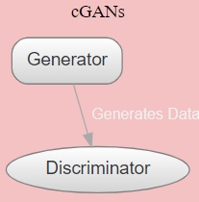
RT-IoT 2022 Dataset Infrastructure
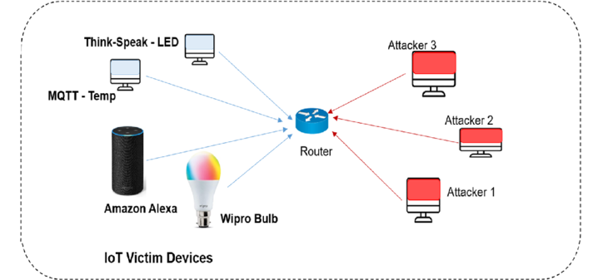
 | Implementation of Generative Adversarial Network (GAN)-based Intrusion Detection System (IDS) tailored for multi-class classification.

B S, Sharmila & Nagapadma, Rohini. (2023).
Classifiers

Attack Logs
Generate New Data
ARP_poisioning (7750)
ARP_poisioning
cGANs will be employed to generate new samples for attack types with fewer samples and to test the performance of our trained model on newly generated datasets

DDOS_Slowloris(534)
DDOS_Slowloris

DOS_SYN_Hping
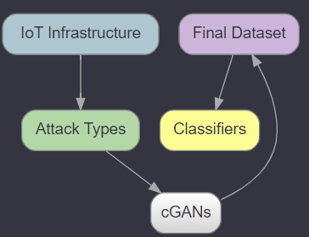
DOS_SYN_Hping(94659)
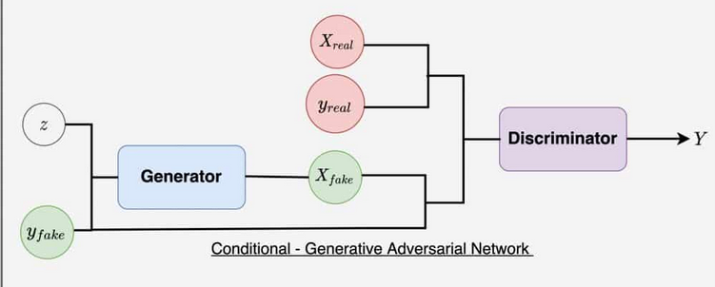
NMAP_TCP_scan
NMAP_OS_DETECTION(2000)
NMAP_UDP_SCAN
NMAP_TCP_scan(1002)
NMAP_OS_DETECTION
NMAP_UDP_SCAN(2590)
NMAP_XMAS_TREE_SCAN
NMAP_XMAS_TREE_SCAN(2010)
MQTT_Publish
MQTT_Publish(4146)
Thing_Speak
Thing_Speak(8108)
Generator |  | Discriminator
Takes in noise |  | Evaluates data | Final Dataset Includes both real and GAN generated data
Takes in class labels
Wipro_bulb
Outputs generated data
Wipro_bulb(253)

