시트1
id | ensemble | url | start | end | artist | time | num | type | validation | val_ensemble | val_num | val_artist | test | test_ensemble | test_num | test_artist
1000 | piano | https://youtu.be/rA_2B7Yj4QE | 7 | 272 | PianiCast - 피아니캐스트 | 265 | 53 | test | 1001 | piano | 43 | narumi | 1000 | piano | 53 | PianiCast - 피아니캐스트 | total data : | 28668 | 2022-11-16
1001 | piano | https://youtu.be/gE7AQTGVnqE | 0 | 218 | narumi | 218 | 43 | validation | 1002 | piano | 45 | The Piano Guys | 1011 | piano | 23 | Patrik Pietschmann | train data : | 17266 | 60.23%
1002 | piano | https://youtu.be/2ZQK5NmVG1g | 0 | 225 | The Piano Guys | 225 | 45 | validation | 1003 | piano | 36 | The Piano Guys | 1012 | piano | 164 | PACIL | validation data : | 5715 | 19.94%
1003 | piano | https://youtu.be/8P9hAN-teOU | 0 | 180 | The Piano Guys | 180 | 36 | validation | 1004 | piano | 35 | The Piano Guys | 1017 | cello | 53 | 2CELLOS | test data : | 5687 | 19.84%
전체 데이터 비율
1004 | piano | https://youtu.be/9fAZIQ-vpdw | 0 | 178 | The Piano Guys | 178 | 35 | validation | 1009 | piano | 45 | QBIC | 1018 | cello | 43 | Prague Cello Quartet
1005 | piano | https://youtu.be/4oPM8zTeois | 0 | 156 | ふぃくしのん / phyxinon | 156 | 31 | train | 1010 | piano | 49 | QBIC | 1019 | cello | 38 | Prague Cello Quartet
1006 | piano | https://youtu.be/eWE_zuP2Cb8 | 0 | 150 | ふぃくしのん / phyxinon | 150 | 30 | train | 1025 | cello | 44 | CelloDeck 첼로댁 | 1020 | cello | 29 | 2CELLOS
1007 | piano | https://youtu.be/DIcBw3sda2c | 0 | 172 | ふぃくしのん / phyxinon | 172 | 34 | train | 1026 | cello | 45 | The Piano Guys | 1021 | cello | 32 | Aparté Music
1008 | piano | https://youtu.be/6fz5z8K-j6k | 0 | 155 | ふぃくしのん / phyxinon | 155 | 31 | train | 1027 | cello | 35 | The Piano Guys | 1022 | cello | 43 | Sheku Kanneh-Mason
1009 | piano | https://youtu.be/yyEEoBJ_9hE | 0 | 225 | QBIC | 225 | 45 | validation | 1028 | cello piano | 55 | Yo-Yo Ma | 1023 | cello | 27 | The Filmmaking & Fandom Station
1010 | piano | https://youtu.be/WH8wGlQvnhU | 0 | 247 | QBIC | 247 | 49 | validation | 1029 | cello piano | 41 | CelloDeck 첼로댁 | 1024 | cello | 33 | Hendyamps Studios
1011 | piano | https://youtu.be/UAm0aWvzFI8 | 0 | 118 | Patrik Pietschmann | 118 | 23 | test | 1030 | cello piano | 46 | CelloDeck 첼로댁 | 1031 | cello piano | 55 | Brooklyn Duo
1012 | piano | https://youtu.be/elwjtSxy75Y | 3 | 825 | PACIL | 822 | 164 | test | 1032 | cello piano | 41 | Yo-Yo Ma | 1036 | violin | 54 | StepanViolin
1013 | cello | https://youtu.be/1prweT95Mo0 | 8 | 153 | Yo-Yo Ma | 145 | 29 | train | 1033 | cello drum | 41 | 2CELLOS | 1038 | piano violin | 42 | Jenny Yun
1014 | cello | https://youtu.be/rrBOkHfvNSY | 0 | 102 | Yo-Yo Ma | 102 | 20 | train | 1034 | violin | 57 | StringspaceLive | 1039 | piano violin | 35 | ItsAMoney
1015 | cello | https://youtu.be/wVo4oRfIHTI | 0 | 197 | Yo-Yo Ma | 197 | 39 | train | 1035 | violin | 41 | Hilary Hahn | 1041 | violin | 33 | Moebius Productions
1016 | cello | https://youtu.be/fA9osfZu0jc | 13 | 63 | Yo-Yo Ma | 50 | 10 | train | 1037 | violin | 30 | Sumina Studer | 1044 | piano violin | 71 | Heifetz International Music Institute
1017 | cello | https://youtu.be/DemA2Q6V5oI | 0 | 265 | 2CELLOS | 265 | 53 | test | 1040 | violin | 40 | JY Park | 1045 | piano violin | 48 | 젬마 바이올린 (바이올리니스트 김유은)
1018 | cello | https://youtu.be/Odh_m7huLO4 | 12 | 228 | Prague Cello Quartet | 216 | 43 | test | 1042 | violin | 66 | Tiffany violin | 1046 | cello piano violin | 63 | LAYERS 레이어스 클래식
1019 | cello | https://youtu.be/qpbX7SbXOtU | 32 | 225 | Prague Cello Quartet | 193 | 38 | test | 1047 | violin | 55 | Crackadackas | 1048 | violin | 58 | Roman Kim
1020 | cello | https://youtu.be/D9LrEXF3USs | 0 | 145 | 2CELLOS | 145 | 29 | test | 1059 | piano violin | 44 | Warner Classics | 1049 | cello viola violin | 50 | Jennifer & Jessica Jeon
1021 | cello | https://youtu.be/poCw2CCrfzA | 0 | 160 | Aparté Music | 160 | 32 | test | 1068 | viola | 38 | Julia Kim | 1050 | cello viola violin | 34 | Jennifer & Jessica Jeon
1022 | cello | https://youtu.be/_gKXfDnsiJg | 0 | 216 | Sheku Kanneh-Mason | 216 | 43 | test | 1082 | piano viola | 30 | 캣올린CatOlin | 1051 | cello viola violin | 31 | Jennifer & Jessica Jeon | train, validation, test data 선정 시 고려사항
1023 | cello | https://youtu.be/-9O64MJQVmU | 0 | 136 | The Filmmaking & Fandom Station | 136 | 27 | test | 1083 | piano viola | 45 | 캣올린CatOlin | 1052 | cello viola violin | 23 | Jennifer & Jessica Jeon | 1. 영상 데이터 갯수 비율을 60 : 20 : 20 으로 한다.
1024 | cello | https://youtu.be/oyzoGp4eCB4 | 0 | 166 | Hendyamps Studios | 166 | 33 | test | 1084 | flute piano | 81 | palacjablonna | 1053 | cello viola violin | 28 | Jennifer & Jessica Jeon | 2. validation, test data는 train data와 artist가 겹치지 않도록 한다. (데이터의 신뢰성을 위해)
1025 | cello | https://youtu.be/jlN-0KkvU80 | 0 | 223 | CelloDeck 첼로댁 | 223 | 44 | validation | 1085 | flute | 40 | Elisabeth Wentland | 1054 | violin | 40 | Hilary Hahn | 3. 영상 길이가 길거나 같은 artist가 많은 것은 train data에 배치한다
1026 | cello | https://youtu.be/WZjFMj7OHTw | 3 | 231 | The Piano Guys | 228 | 45 | validation | 1086 | flute | 35 | Warner Classics | 1055 | violin | 184 | Dresdner Musikfestspiele
1027 | cello | https://youtu.be/gosY-UrpHcA | 0 | 177 | The Piano Guys | 177 | 35 | validation | 1087 | flute | 60 | Jasmine Choi 최나경 | 1080 | viola | 64 | 3foisC
1028 | cello piano | https://youtu.be/EgzB7sbLcgs | 31 | 310 | Yo-Yo Ma | 279 | 55 | validation | 1088 | flute | 64 | The Flute Channel | 1089 | flute | 28 | Carnegie Hall
1029 | cello piano | https://youtu.be/Jpx-2LKjrn4 | 3 | 210 | CelloDeck 첼로댁 | 207 | 41 | validation | 1090 | flute | 106 | Tim Macri | 1095 | flute | 45 | Yuya KANDA Flute
1030 | cello piano | https://youtu.be/2qN61UJGBkI | 22 | 255 | CelloDeck 첼로댁 | 233 | 46 | validation | 1091 | flute | 152 | Boris Bizjak | 1096 | flute | 60 | Yuya KANDA Flute
1031 | cello piano | https://youtu.be/Ptk_1Dc2iPY | 15 | 290 | Brooklyn Duo | 275 | 55 | test | 1092 | flute | 36 | Les Musiciens de Saint-Julien | 1099 | flute | 84 | Yuya KANDA Flute
1032 | cello piano | https://youtu.be/03GpPfOsFkQ | 0 | 206 | Yo-Yo Ma | 206 | 41 | validation | 1093 | flute | 58 | Juree's Studio | 1100 | flute | 158 | Yuya KANDA Flute
1033 | cello drum | https://youtu.be/r6glBvXN6H0 | 29 | 238 | 2CELLOS | 209 | 41 | validation | 1094 | flute | 53 | 웹매거진allthatflute | 1101 | flute | 174 | Yuya KANDA Flute
1034 | violin | https://youtu.be/Jq9-p6Qf_XQ | 0 | 289 | StringspaceLive | 289 | 57 | validation | 1097 | flute piano | 23 | Yuya KANDA Flute | 1102 | clarinet | 48 | Yulia Drukh
1035 | violin | https://youtu.be/iEBX_ouEw1I | 0 | 207 | Hilary Hahn | 207 | 41 | validation | 1098 | flute piano | 66 | Yuya KANDA Flute | 1103 | clarinet | 62 | Corrado Giuffredi
1036 | violin | https://youtu.be/Gcrj3snFjJA | 0 | 273 | StepanViolin | 273 | 54 | test | 1106 | clarinet drum | 16 | Learn Jazz Clarinet | 1104 | clarinet | 8 | Earspasm Music
1037 | violin | https://youtu.be/0jXXWBt5URw | 0 | 150 | Sumina Studer | 150 | 30 | validation | 1113 | clarinet piano | 59 | Klarthe | 1105 | clarinet | 30 | Robin Seletsky
1038 | piano violin | https://youtu.be/_POfj3eTi0g | 10 | 222 | Jenny Yun | 212 | 42 | test | 1114 | clarinet piano | 68 | István Kohán Official | 1107 | clarinet | 5 | Learn Jazz Clarinet
1039 | piano violin | https://youtu.be/_KFsJvgPfHg | 21 | 198 | ItsAMoney | 177 | 35 | test | 1120 | clarinet piano | 44 | István Kohán Official | 1108 | clarinet piano | 68 | KUMHO ART HALL
1040 | violin | https://youtu.be/TRK5JeNBHm0 | 13 | 214 | JY Park | 201 | 40 | validation | 1123 | drum | 120 | BackingTrackStation | 1109 | clarinet | 11 | Xtela .10
1041 | violin | https://youtu.be/ogiHv8SQ6ZU | 27 | 195 | Moebius Productions | 168 | 33 | test | 1124 | drum | 43 | DailyBackingTracks | 1110 | clarinet piano | 30 | BO-HENG LIN
1042 | violin | https://youtu.be/6aO_Zl85u60 | 0 | 331 | Tiffany violin | 331 | 66 | validation | 1125 | drum | 99 | Backing Tracks - Taustanauhat | 1111 | clarinet piano | 87 | JoongAng Music Concours
1043 | piano violin | https://youtu.be/QPJUTtxCyKU | 20 | 725 | TV예술무대 | 705 | 141 | train | 1133 | piano violin | 99 | Heifetz International Music Institute | 1112 | clarinet piano | 89 | JoongAng Music Concours
1044 | piano violin | https://youtu.be/nyCjUPoAFX4 | 21 | 377 | Heifetz International Music Institute | 356 | 71 | test | 1134 | piano violin | 54 | Menuhin Competition | 1115 | clarinet | 42 | István Kohán Official
1045 | piano violin | https://youtu.be/T7k2pmKUXxI | 21 | 265 | 젬마 바이올린 (바이올리니스트 김유은) | 244 | 48 | test | 1136 | cello | 230 | Stealth banning and comment ghosting is despicable | 1116 | clarinet | 40 | István Kohán Official
1046 | cello piano violin | https://youtu.be/SjYecEQFL0U | 0 | 317 | LAYERS 레이어스 클래식 | 317 | 63 | test | 1152 | flute piano | 154 | 웹매거진allthatflute | 1117 | clarinet | 15 | István Kohán Official
1047 | violin | https://youtu.be/PZ307sM0t-0 | 15 | 292 | Crackadackas | 277 | 55 | validation | 1156 | flute piano | 44 | Play With A Pro Music Academy | 1118 | clarinet violin | 24 | István Kohán Official
1048 | violin | https://youtu.be/KsxY3WL1cP8 | 0 | 290 | Roman Kim | 290 | 58 | test | 1157 | cello clarinet viola violin | 76 | Play With A Pro Music Academy | 1119 | clarinet | 16 | István Kohán Official
1049 | cello viola violin | https://youtu.be/f3u5-MkFY5E | 9 | 260 | Jennifer & Jessica Jeon | 251 | 50 | test | 1158 | clarinet | 14 | Play With A Pro Music Academy | 1129 | drum | 55 | 피아노레시피
1050 | cello viola violin | https://youtu.be/jX_NNN0hou8 | 9 | 180 | Jennifer & Jessica Jeon | 171 | 34 | test | 1159 | clarinet | 36 | Play With A Pro Music Academy | 1130 | drum | 98 | Drumeo
1051 | cello viola violin | https://youtu.be/Kt4fmQcdqDM | 9 | 164 | Jennifer & Jessica Jeon | 155 | 31 | test | 1160 | clarinet | 17 | Play With A Pro Music Academy | 1131 | piano viola | 88 | Singapore Raffles Music Festival- SRIMF
1052 | cello viola violin | https://youtu.be/wYLQb_XCRRU | 9 | 125 | Jennifer & Jessica Jeon | 116 | 23 | test | 1163 | piano viola | 59 | A Violist | 1132 | viola | 102 | Wenting Kang
1053 | cello viola violin | https://youtu.be/ssYmlpLc4go | 9 | 150 | Jennifer & Jessica Jeon | 141 | 28 | test | 1168 | cello drum violin | 34 | Clocks and Clouds | 1135 | cello piano | 34 | Vesislava Todorova
1054 | violin | https://youtu.be/PZoaEmxrsZQ | 7 | 207 | Hilary Hahn | 200 | 40 | test | 1169 | cello drum violin | 44 | Clocks and Clouds | 1153 | flute piano | 226 | Altus Flutes
1055 | violin | https://youtu.be/WIAHt8qT4iU | 1 | 923 | Dresdner Musikfestspiele | 922 | 184 | test | 1170 | cello drum violin | 22 | Clocks and Clouds | 1154 | flute piano | 48 | mariannajuliazolnacz
1056 | violin | https://youtu.be/C1h6cnddQ74 | 4 | 1827 | Classical Music Chest | 1823 | 364 | train | 1185 | clarinet drum flute | 36 | 尾崎 勇太 | 1155 | flute piano | 80 | palacjablonna
1057 | piano violin | https://youtu.be/4IJSPFDhK_I | 4 | 947 | Classical Music Chest | 943 | 188 | train | 1186 | clarinet flute piano | 65 | 尾崎 勇太 | 1161 | piano | 24 | Kassia
1058 | piano violin | https://youtu.be/Ico2EmLXjj4 | 1 | 316 | TV예술무대 | 315 | 63 | train | 1252 | flute | 13 | Judy flutes! | 1162 | piano | 42 | Kassia
1059 | piano violin | https://youtu.be/2B9kZ2jguwk | 0 | 222 | Warner Classics | 222 | 44 | validation | 1253 | flute | 17 | Judy flutes! | 1164 | viola | 72 | A Violist
1060 | piano | https://youtu.be/ZcuOIk-kWJw | 0 | 1769 | Classical Music Chest | 1769 | 353 | train | 1254 | flute | 28 | Judy flutes! | 1167 | drum violin | 39 | Mike Hetzel
1061 | violin | https://youtu.be/XOGx-FA2oGE | 2 | 692 | Classical Music Chest | 690 | 138 | train | 1271 | viola | 27 | Settecorde Studio | 1266 | flute | 58 | Baltazar Díaz Dávila
1062 | violin | https://youtu.be/Hep_fNJao7g | 7 | 269 | Classical Music Chest | 262 | 52 | train | 1279 | piano violin | 39 | Settecorde Studio | 1267 | flute | 41 | Baltazar Díaz Dávila
1063 | piano | https://youtu.be/KOpkpOeoWRY | 10 | 1569 | Classical Music Chest | 1559 | 311 | train | 1311 | viola | 46 | Settecorde Studio | 1268 | flute | 60 | Baltazar Díaz Dávila
1064 | violin | https://youtu.be/70MpM-5R_4E | 4 | 814 | Classical Music Chest | 810 | 162 | train | 1317 | viola | 90 | Settecorde Studio | 1269 | piano viola | 14 | Settecorde Studio
1065 | violin | https://youtu.be/SzPjq27wU3A | 3 | 230 | Classical Music Chest | 227 | 45 | train | 1335 | clarinet piano | 8 | 남스클라리넷 Nam's Clarinet | 1277 | cello piano | 40 | Raphaela Gromes
1066 | violin | https://youtu.be/CBEXHdeKjrM | 1 | 255 | Classical Music Chest | 254 | 50 | train | 1336 | clarinet piano | 8 | 남스클라리넷 Nam's Clarinet | 1343 | clarinet piano | 31 | 신수호 SooHo Shin
1067 | piano violin | https://youtu.be/09x-F6Xuh3g | 9 | 545 | Classical Music Chest | 536 | 107 | train | 1337 | clarinet piano | 13 | 남스클라리넷 Nam's Clarinet | 1344 | flute piano violin | 7 | DO-WON HA
1068 | viola | https://youtu.be/rHFcx82rEcY | 9 | 200 | Julia Kim | 191 | 38 | validation | 1338 | clarinet piano | 13 | _clarinet퐁당클라 | 1346 | clarinet | 15 | 남스클라리넷 Nam's Clarinet
1069 | viola | https://youtu.be/1vbO_foZgLQ | 1 | 585 | Lech Antonio Uszynski | 584 | 116 | train | 1339 | clarinet piano | 24 | _clarinet퐁당클라 | 1349 | clarinet drum piano | 14 | 클래식튜브
1070 | viola violin | https://youtu.be/ualAkNSAi3E | 1 | 408 | Lech Antonio Uszynski | 407 | 81 | train | 1340 | clarinet piano | 19 | _clarinet퐁당클라 | 1350 | clarinet drum piano | 5 | 클래식튜브
1071 | viola | https://youtu.be/y5_wRimkUWg | 1 | 447 | Lech Antonio Uszynski | 446 | 89 | train | 1341 | clarinet piano | 20 | _clarinet퐁당클라 | 1351 | clarinet drum | 15 | 클래식튜브
1072 | viola | https://youtu.be/0NSV0TA_GF0 | 1 | 202 | Lech Antonio Uszynski | 201 | 40 | train | 1342 | clarinet piano | 27 | CLASSLOG 클라리넷 연습일기 | 1356 | clarinet piano violin | 68 | goalexey
1073 | piano viola | https://youtu.be/DRFNryt_q7c | 3 | 555 | Lech Antonio Uszynski | 552 | 110 | train | 1345 | flute | 38 | 이기현 | 1357 | clarinet piano violin | 23 | goalexey
1074 | piano viola | https://youtu.be/lSq2ZCodb-g | 5 | 552 | Lech Antonio Uszynski | 547 | 109 | train | 1347 | clarinet | 31 | 클래식튜브 | 1358 | clarinet piano violin | 13 | goalexey
1075 | viola | https://youtu.be/xfPo8rpAWGg | 0 | 108 | Lech Antonio Uszynski | 108 | 21 | train | 1348 | clarinet violin | 22 | 클래식튜브 | 1359 | clarinet piano violin | 11 | goalexey
1076 | viola | https://youtu.be/Q9qejXRMkDE | 0 | 126 | Lech Antonio Uszynski | 126 | 25 | train | 1352 | clarinet | 19 | 클래식튜브 | 1360 | clarinet piano violin | 12 | goalexey
1077 | viola | https://youtu.be/tYMW8Zpakz0 | 1 | 312 | Lech Antonio Uszynski | 311 | 62 | train | 1353 | clarinet | 18 | 클래식튜브 | 1378 | flute | 116 | Aisling Agnew
1078 | piano viola | https://youtu.be/Dr-HQ5B8EzU | 2 | 188 | Lech Antonio Uszynski | 186 | 37 | train | 1372 | clarinet | 26 | Gergely Dóra | 1379 | drum | 41 | Jordan Cannata
1079 | viola | https://youtu.be/1QQFtxAC4jk | 0 | 138 | Lech Antonio Uszynski | 138 | 27 | train | 1373 | clarinet | 49 | Gergely Dóra | 1385 | drum | 33 | Maru Pablo
1080 | viola | https://youtu.be/sR4cND_-tMU | 0 | 320 | 3foisC | 320 | 64 | test | 1374 | clarinet | 31 | Gergely Dóra | 1386 | drum | 22 | Riccardo Preda
1081 | cello viola violin | https://youtu.be/Eb3UbxdLvfk | 10 | 3360 | Camerata Pacifica | 3350 | 670 | train | 1375 | clarinet | 42 | Gergely Dóra | 1387 | drum | 17 | christhorpemusic
1082 | piano viola | https://youtu.be/A5tfQi92UI0 | 15 | 166 | 캣올린CatOlin | 151 | 30 | validation | 1376 | clarinet | 38 | Gergely Dóra | 1392 | clarinet flute piano | 4 | ChamberFest Cleveland
1083 | piano viola | https://youtu.be/vBl1X6B7JQc | 16 | 245 | 캣올린CatOlin | 229 | 45 | validation | 1377 | clarinet | 37 | Gergely Dóra | 1393 | clarinet flute piano | 13 | ChamberFest Cleveland
1084 | flute piano | https://youtu.be/XWQKliyOiT0 | 1 | 406 | palacjablonna | 405 | 81 | validation | 1381 | drum | 20 | Jonas Leppert | 1394 | clarinet flute piano | 18 | ChamberFest Cleveland
1085 | flute | https://youtu.be/be1jJCH32OU | 3 | 207 | Elisabeth Wentland | 204 | 40 | validation | 1383 | drum | 88 | Darran Muller | 1395 | clarinet flute | 14 | Minn-Shenn Huang
1086 | flute | https://youtu.be/RNjroFNi7mA | 1 | 180 | Warner Classics | 179 | 35 | validation | 1384 | drum | 13 | Cornelius Jackson | 1396 | clarinet flute | 26 | Minn-Shenn Huang
1087 | flute | https://youtu.be/kafePIAD--k | 10 | 312 | Jasmine Choi 최나경 | 302 | 60 | validation | 1390 | clarinet violin | 48 | violinperformers | 1397 | clarinet flute | 48 | Minn-Shenn Huang
1088 | flute | https://youtu.be/b8u1tX-wWbE | 0 | 320 | The Flute Channel | 320 | 64 | validation | 1391 | clarinet violin | 47 | violinperformers | 1404 | cello clarinet | 35 | eljardindebelagua
1089 | flute | https://youtu.be/Rg8LfBRRR0o | 30 | 170 | Carnegie Hall | 140 | 28 | test | 1400 | cello clarinet piano | 6 | The Crosby | 1405 | clarinet piano viola | 12 | Nur Ben Shalom
1090 | flute | https://youtu.be/iZ9mDC-h1VI | 2 | 535 | Tim Macri | 533 | 106 | validation | 1401 | cello clarinet | 15 | Georgina Santor. Chelist, composer, conductor | 1407 | clarinet | 15 | Jose Franch-Ballester
1091 | flute | https://youtu.be/RpRJhhHI0E8 | 3 | 766 | Boris Bizjak | 763 | 152 | validation | 1402 | cello clarinet violin | 11 | Venancio Rius | 1415 | cello piano | 50 | Brooklyn Duo
1092 | flute | https://youtu.be/-qbmp2ZiILQ | 0 | 180 | Les Musiciens de Saint-Julien | 180 | 36 | validation | 1406 | clarinet violin | 42 | Jose Franch-Ballester | 1421 | cello piano violin | 22 | Chicago Video Reporter
1093 | flute | https://youtu.be/-7QFRnYka7w | 31 | 321 | Juree's Studio | 290 | 58 | validation | 1413 | cello drum piano | 14 | Brooklyn Duo | 1422 | viola | 40 | FUNDACION GARCIA FAJER
1094 | flute | https://youtu.be/cZLYrWCSGso | 0 | 265 | 웹매거진allthatflute | 265 | 53 | validation | 1414 | cello drum piano | 12 | Brooklyn Duo | 1423 | viola | 43 | FUNDACION GARCIA FAJER
1095 | flute | https://youtu.be/pdo-G_XWxEo | 1 | 226 | Yuya KANDA Flute | 225 | 45 | test | 1416 | cello drum | 29 | jacob szekely | 1424 | viola | 22 | FUNDACION GARCIA FAJER
1096 | flute | https://youtu.be/EUgvj0j40T4 | 0 | 300 | Yuya KANDA Flute | 300 | 60 | test | 1418 | piano viola | 106 | London Symphony Orchestra | 1425 | viola | 55 | FUNDACION GARCIA FAJER
1097 | flute piano | https://youtu.be/JkQimrkHMKY | 0 | 118 | Yuya KANDA Flute | 118 | 23 | validation | 1419 | piano viola | 47 | 캣올린CatOlin | 1426 | viola | 33 | Roland Glassl
1098 | flute piano | https://youtu.be/90B3AKfXpBM | 0 | 333 | Yuya KANDA Flute | 333 | 66 | validation | 1420 | piano viola | 34 | 비올리스트 안톤 Violist Anton | 1427 | drum viola | 20 | Madison Lambert
1099 | flute | https://youtu.be/epLrcDuC0EI | 1 | 421 | Yuya KANDA Flute | 420 | 84 | test | 1435 | viola | 37 | The New York Times | 1452 | cello flute | 41 | 바카라 강승이1
1100 | flute | https://youtu.be/qICXmsElcvk | 0 | 793 | Yuya KANDA Flute | 793 | 158 | test | 1448 | cello flute | 40 | Duo Cardellino | 1453 | cello flute | 16 | KlarissimaFlute
1101 | flute | https://youtu.be/qpklO-1nNc0 | 1 | 875 | Yuya KANDA Flute | 874 | 174 | test | 1449 | cello flute | 38 | Duo Cardellino | 1454 | cello flute | 36 | emilyplayscello
1102 | clarinet | https://youtu.be/8Qv5Gc69JA0 | 15 | 257 | Yulia Drukh | 242 | 48 | test | 1450 | cello flute | 10 | Duo Cardellino | 1457 | clarinet viola | 32 | Marcelo Maldonado
1103 | clarinet | https://youtu.be/Xg-MBWMDe6Q | 20 | 330 | Corrado Giuffredi | 310 | 62 | test | 1451 | cello flute | 32 | Duo Cardellino | 1459 | clarinet viola | 58 | Ian Deterling
1104 | clarinet | https://youtu.be/45XeZOfuc9c | 0 | 44 | Earspasm Music | 44 | 8 | test | 1456 | clarinet viola | 45 | J S | 1468 | viola | 20 | Chris Cho
1105 | clarinet | https://youtu.be/ygfBOiHZJNA | 12 | 162 | Robin Seletsky | 150 | 30 | test | 1458 | clarinet viola | 45 | J S | 1472 | viola | 29 | Nonprofit Organization Muse
1106 | clarinet drum | https://youtu.be/wCYLnS7uYtU | 35 | 115 | Learn Jazz Clarinet | 80 | 16 | validation | 1470 | viola | 51 | stegnelli | 1473 | flute viola | 55 | fiorella camilleri
1107 | clarinet | https://youtu.be/wwEm8EMhfyU | 25 | 52 | Learn Jazz Clarinet | 27 | 5 | test | 1476 | flute viola | 87 | Yi Zhou | 1474 | flute viola violin | 60 | AbsolutelyPahud
1108 | clarinet piano | https://youtu.be/AW0dHdsAKBw | 11 | 353 | KUMHO ART HALL | 342 | 68 | test | 1479 | flute viola | 84 | Miguel Velázquez | 1475 | flute viola | 32 | OldFirstConcerts
1109 | clarinet | https://youtu.be/ulvdFIF6xc8 | 1 | 57 | Xtela .10 | 56 | 11 | test | 1484 | flute viola | 31 | OldFirstConcerts | 1485 | cello flute violin | 19 | Charleston Virtuosi
1110 | clarinet piano | https://youtu.be/rBEnds86kdU | 30 | 182 | BO-HENG LIN | 152 | 30 | test | 1486 | flute viola | 30 | Riviera House of Music | 1487 | flute viola | 38 | Jessica Jiang
1111 | clarinet piano | https://youtu.be/Xek-fzGAd2Y | 15 | 453 | JoongAng Music Concours | 438 | 87 | test | 1494 | flute violin | 166 | Boris Bizjak | 1489 | viola | 37 | Max Baillie
1112 | clarinet piano | https://youtu.be/lx3MoixZu1w | 30 | 478 | JoongAng Music Concours | 448 | 89 | test | 1499 | drum piano | 18 | Nicola Tenini | 1495 | flute violin | 56 | Jiajia Li
1113 | clarinet piano | https://youtu.be/yCwZAMkGPhY | 15 | 311 | Klarthe | 296 | 59 | validation | 1500 | drum piano | 16 | Nicola Tenini | 1496 | flute violin | 45 | Sonic Escape
1114 | clarinet piano | https://youtu.be/LSlxTVyA1Cc | 3 | 343 | István Kohán Official | 340 | 68 | validation | 1506 | cello drum | 7 | Barry O Bummer | 1497 | drum piano | 14 | Nicola Tenini
1115 | clarinet | https://youtu.be/lWdkEY2fqv8 | 2 | 213 | István Kohán Official | 211 | 42 | test | 1509 | drum violin | 18 | Victoria Linnen | 1498 | drum piano | 9 | Nicola Tenini
1116 | clarinet | https://youtu.be/Yr_kTp6OyJk | 0 | 203 | István Kohán Official | 203 | 40 | test | 1512 | cello viola | 36 | yiwen1217 | 1505 | cello drum | 9 | Dusan Drums
1117 | clarinet | https://youtu.be/Ro402coDo78 | 0 | 77 | István Kohán Official | 77 | 15 | test | 1513 | cello viola | 30 | yiwen1217 | 1511 | drum violin | 22 | Nino Cotone Official
1118 | clarinet violin | https://youtu.be/_LEdu8RkNDE | 1 | 125 | István Kohán Official | 124 | 24 | test | 1522 | cello violin | 74 | pattygdc75 | 1514 | cello viola | 82 | 클튜브 [Classical Musicians Life]
1119 | clarinet | https://youtu.be/tHwvGb0z4Fw | 0 | 84 | István Kohán Official | 84 | 16 | test | 1523 | cello violin | 7 | violin and Her | 1525 | cello violin | 48 | Doublestop Music
1120 | clarinet piano | https://youtu.be/J66qZgMfnD4 | 0 | 224 | István Kohán Official | 224 | 44 | validation | 1524 | cello violin | 14 | CZH Productions | 1526 | cello violin | 69 | Duo-B
1121 | drum | https://youtu.be/4SDBJp_B5qQ | 0 | 516 | LumBeat | 516 | 103 | train | 1533 | clarinet flute | 18 | Vermilion Duet | 1534 | clarinet flute | 30 | Musically Speaking
1122 | drum | https://youtu.be/aQoUfeRawX8 | 5 | 505 | LumBeat | 500 | 100 | train | 1535 | clarinet flute | 40 | MoviesbyMaxim | 1536 | clarinet flute | 36 | Kiril Forer
1123 | drum | https://youtu.be/t5IC9a4gUWU | 9 | 609 | BackingTrackStation | 600 | 120 | validation | 1545 | cello clarinet | 9 | Andy Miles Official | 1540 | drum flute | 15 | Matt D. Hurley Music
1124 | drum | https://youtu.be/198aT2O0t_E | 6 | 221 | DailyBackingTracks | 215 | 43 | validation | 1546 | cello clarinet | 21 | Andy Miles Official | 1542 | cello clarinet | 16 | Ensemble Q
1125 | drum | https://youtu.be/6mp_cMNIYVs | 5 | 502 | Backing Tracks - Taustanauhat | 497 | 99 | validation | 1547 | cello clarinet | 29 | Andy Miles Official | 1543 | cello clarinet | 11 | Ensemble Q
1126 | drum | https://youtu.be/KpHumEyRU9s | 4 | 604 | Kay's space | 600 | 120 | train | 1557 | cello drum | 18 | Berliner Philharmoniker | 1544 | cello clarinet | 35 | Andy Miles Official
1127 | drum | https://youtu.be/85ZptB9kgaM | 1 | 601 | Jim Dooley | 600 | 120 | train | 1559 | cello drum | 36 | COOP3RDRUMM3R | 1558 | cello drum | 7 | Prague Cello Quartet
1128 | drum | https://youtu.be/2fqzbwsy4nA | 5 | 505 | Jim Dooley | 500 | 100 | train | 1563 | clarinet drum | 36 | Kai Ning Cheng | 1560 | cello drum | 38 | Project Beats
1129 | drum | https://youtu.be/uz3oaj5kEwM | 2 | 280 | 피아노레시피 | 278 | 55 | test | 1565 | clarinet violin | 30 | Ekattrio | 1561 | clarinet drum | 17 | YY Music Hub
1130 | drum | https://youtu.be/KdmrxZTWSds | 0 | 490 | Drumeo | 490 | 98 | test | 1573 | cello drum violin | 33 | Arco&Stix | 1566 | clarinet violin | 17 | suyeon violin
1131 | piano viola | https://youtu.be/iWk3ufqx3SU | 75 | 515 | Singapore Raffles Music Festival- SRIMF | 440 | 88 | test |  |  | 5715 | : 밸리데이션 데이터 갯수 | 1569 | drum violin | 29 | iMusico
1132 | viola | https://youtu.be/NnhoiDbRB_o | 6 | 516 | Wenting Kang | 510 | 102 | test |  |  |  |  |  |  | 5687 | : 테스트 데이터 갯수
1133 | piano violin | https://youtu.be/kmV2hj-I7Xo | 55 | 554 | Heifetz International Music Institute | 499 | 99 | validation
1134 | piano violin | https://youtu.be/DzYzM9j74bs | 31 | 304 | Menuhin Competition | 273 | 54 | validation
1135 | cello piano | https://youtu.be/7vIwU-zKyoQ | 11 | 184 | Vesislava Todorova | 173 | 34 | test
1136 | cello | https://youtu.be/mGQLXRTl3Z0 | 10 | 1164 | Stealth banning and comment ghosting is despicable | 1154 | 230 | validation
1137 | cello | https://youtu.be/_NvZRo-3wvU | 17 | 1302 | Netherlands Bach Society | 1285 | 257 | train
1138 | violin | https://youtu.be/pnK6R5ej6Hg | 7 | 1755 | Netherlands Bach Society | 1748 | 349 | train
1139 | violin | https://youtu.be/gYT1JUq0k04 | 14 | 1057 | Netherlands Bach Society | 1043 | 208 | train
1140 | violin | https://youtu.be/2SbKo9k9pC0 | 12 | 276 | Netherlands Bach Society | 264 | 52 | train
1141 | violin | https://youtu.be/MRKy3kX8XUM | 15 | 1038 | Netherlands Bach Society | 1023 | 204 | train
1142 | cello | https://youtu.be/cGnZHIY_hoQ | 8 | 1026 | Netherlands Bach Society | 1018 | 203 | train
1143 | cello | https://youtu.be/tFtZ9tQiFxM | 7 | 1225 | Netherlands Bach Society | 1218 | 243 | train
1144 | cello | https://youtu.be/uCV_mqCTNtU | 10 | 1377 | Netherlands Bach Society | 1367 | 273 | train
1145 | cello | https://youtu.be/zEHXTrJb3HQ | 18 | 1437 | Netherlands Bach Society | 1419 | 283 | train
1146 | violin | https://youtu.be/NvwkFBzUMMM | 15 | 389 | Netherlands Bach Society | 374 | 74 | train
1147 | violin | https://youtu.be/ih-XHTaixNE | 15 | 189 | Netherlands Bach Society | 174 | 34 | train
1148 | violin | https://youtu.be/OGJ9skYNa4s | 14 | 204 | Netherlands Bach Society | 190 | 38 | train
1149 | violin | https://youtu.be/Qon7AaH3UOI | 17 | 298 | Netherlands Bach Society | 281 | 56 | train
1150 | violin | https://youtu.be/ua_E9yxForM | 14 | 204 | Netherlands Bach Society | 190 | 38 | train
1151 | violin | https://youtu.be/OWL6jFmyPTg | 14 | 256 | Netherlands Bach Society | 242 | 48 | train
1152 | flute piano | https://youtu.be/5f0go0BmDto | 11 | 783 | 웹매거진allthatflute | 772 | 154 | validation
1153 | flute piano | https://youtu.be/Q-Zt-1HcbHc | 12 | 1145 | Altus Flutes | 1133 | 226 | test
1154 | flute piano | https://youtu.be/_bz2jD9IQ5s | 25 | 268 | mariannajuliazolnacz | 243 | 48 | test
1155 | flute piano | https://youtu.be/XWQKliyOiT0 | 3 | 404 | palacjablonna | 401 | 80 | test
1156 | flute piano | https://youtu.be/CnDGL2zS1ME | 0 | 222 | Play With A Pro Music Academy | 222 | 44 | validation
1157 | cello clarinet viola violin | https://youtu.be/ARBIrS1mIkg | 0 | 380 | Play With A Pro Music Academy | 380 | 76 | validation
1158 | clarinet | https://youtu.be/7cHvWOFmp0s | 0 | 70 | Play With A Pro Music Academy | 70 | 14 | validation
1159 | clarinet | https://youtu.be/Iw_TanqbXts | 0 | 180 | Play With A Pro Music Academy | 180 | 36 | validation
1160 | clarinet | https://youtu.be/TE8v2fww9eM | 0 | 89 | Play With A Pro Music Academy | 89 | 17 | validation
1161 | piano | https://youtu.be/gSY-wD4l5DM | 10 | 133 | Kassia | 123 | 24 | test
1162 | piano | https://youtu.be/qss4IRPee0o | 2 | 216 | Kassia | 214 | 42 | test
1163 | piano viola | https://youtu.be/dQO15T5kOEU | 14 | 310 | A Violist | 296 | 59 | validation
1164 | viola | https://youtu.be/b1hwxVD3vjw | 3 | 363 | A Violist | 360 | 72 | test
1165 | drum piano | https://youtu.be/enF6TJgFZDk | 45 | 180 | Nicola Tenini | 135 | 27 | train
1166 | drum piano | https://youtu.be/bvL7gALcijk | 42 | 246 | Nicola Tenini | 204 | 40 | train
1167 | drum violin | https://youtu.be/E3TywVPLzgk | 6 | 202 | Mike Hetzel | 196 | 39 | test
1168 | cello drum violin | https://youtu.be/WgjiGDO7_EA | 69 | 240 | Clocks and Clouds | 171 | 34 | validation
1169 | cello drum violin | https://youtu.be/Y4DBD8CFC18 | 71 | 295 | Clocks and Clouds | 224 | 44 | validation
1170 | cello drum violin | https://youtu.be/vc5CljzsfIo | 60 | 170 | Clocks and Clouds | 110 | 22 | validation
1171 | clarinet | https://youtu.be/pphnAEHl6Zo | 0 | 268 | 千花音 / chikane | 268 | 53 | train
1172 | clarinet | https://youtu.be/aOafFMc_LGs | 0 | 213 | 千花音 / chikane | 213 | 42 | train
1173 | clarinet | https://youtu.be/sk708vRc0oo | 0 | 480 | 千花音 / chikane | 480 | 96 | train
1174 | clarinet | https://youtu.be/NVb1rz15Xpg | 0 | 185 | 千花音 / chikane | 185 | 37 | train
1175 | clarinet | https://youtu.be/bdPb0mvtCaA | 0 | 210 | 千花音 / chikane | 210 | 42 | train
1176 | clarinet | https://youtu.be/Ln_R2tJVM8Y | 0 | 185 | 千花音 / chikane | 185 | 37 | train
1177 | clarinet | https://youtu.be/NeDlcAZD-1c | 0 | 344 | 千花音 / chikane | 344 | 68 | train
1178 | clarinet | https://youtu.be/10EqE-fif-8 | 0 | 142 | 千花音 / chikane | 142 | 28 | train
1179 | clarinet | https://youtu.be/yUOAfsfSsds | 0 | 55 | 千花音 / chikane | 55 | 11 | train
1180 | clarinet | https://youtu.be/4pzYpz7v4iw | 0 | 315 | 千花音 / chikane | 315 | 63 | train
1181 | clarinet piano | https://youtu.be/P9Hkt8ISLNU | 18 | 120 | 千花音 / chikane | 102 | 20 | train
1182 | clarinet | https://youtu.be/8g6sA3uP32E | 0 | 156 | 千花音 / chikane | 156 | 31 | train
1183 | clarinet flute piano | https://youtu.be/yHPz6U6Mb7w | 186 | 236 | 千花音 / chikane | 50 | 10 | train
1184 | clarinet drum flute | https://youtu.be/wZ7aagCcYX4 | 30 | 195 | 千花音 / chikane | 165 | 33 | train
1185 | clarinet drum flute | https://youtu.be/BSiejdF7NBY | 45 | 225 | 尾崎 勇太 | 180 | 36 | validation
1186 | clarinet flute piano | https://youtu.be/UYIYsq8KcqM | 13 | 339 | 尾崎 勇太 | 326 | 65 | validation
1187 | clarinet flute piano | https://youtu.be/yDnaatHTmUI | 28 | 260 | 千花音 / chikane | 232 | 46 | train
1188 | clarinet | https://youtu.be/-vAXZDWAp8g | 1 | 308 | 千花音 / chikane | 307 | 61 | train
1189 | clarinet | https://youtu.be/qsrc125-xFk | 0 | 140 | 千花音 / chikane | 140 | 28 | train
1190 | clarinet drum | https://youtu.be/QvR1PTIWUp8 | 12 | 197 | 千花音 / chikane | 185 | 37 | train
1191 | clarinet piano | https://youtu.be/DfhRsXVwT_Q | 33 | 328 | 千花音 / chikane | 295 | 59 | train
1192 | clarinet piano violin | https://youtu.be/7FZnNmVhgnI | 93 | 170 | 千花音 / chikane | 77 | 15 | train
1193 | clarinet | https://youtu.be/sWVjyWk1cYg | 1 | 207 | 千花音 / chikane | 206 | 41 | train
1194 | clarinet drum piano | https://youtu.be/HwUpcyXPl60 | 22 | 190 | 千花音 / chikane | 168 | 33 | train
1195 | clarinet piano | https://youtu.be/6YfiTANjiPY | 0 | 240 | 千花音 / chikane | 240 | 48 | train
1196 | clarinet | https://youtu.be/q_vhT_rs-h0 | 0 | 255 | 千花音 / chikane | 255 | 51 | train
1197 | clarinet piano | https://youtu.be/xn3-o0ylB9c | 66 | 254 | 千花音 / chikane | 188 | 37 | train
1198 | clarinet | https://youtu.be/bTOVgAL67t4 | 2 | 123 | 千花音 / chikane | 121 | 24 | train
1199 | clarinet | https://youtu.be/8ydtMZsshDQ | 0 | 73 | 千花音 / chikane | 73 | 14 | train
1200 | clarinet drum | https://youtu.be/VRgRLm-AjAA | 12 | 139 | 千花音 / chikane | 127 | 25 | train
1201 | clarinet | https://youtu.be/HMKOM3L-WMc | 1 | 164 | 千花音 / chikane | 163 | 32 | train
1202 | clarinet drum | https://youtu.be/eHeU_v5DciE | 7 | 130 | 千花音 / chikane | 123 | 24 | train
1203 | clarinet piano | https://youtu.be/lhuIPSewTwc | 17 | 115 | 千花音 / chikane | 98 | 19 | train
1204 | clarinet drum flute | https://youtu.be/iRr-z2MiV24 | 127 | 204 | 千花音 / chikane | 77 | 15 | train
1205 | clarinet drum flute | https://youtu.be/EofuITqaWng | 59 | 119 | 千花音 / chikane | 60 | 12 | train
1206 | clarinet piano | https://youtu.be/ZKjnYhFZ_QA | 2 | 337 | 千花音 / chikane | 335 | 67 | train
1207 | clarinet | https://youtu.be/dEFU8yMUdQg | 0 | 220 | 千花音 / chikane | 220 | 44 | train
1208 | clarinet | https://youtu.be/wXM_JEh3Q3I | 1 | 140 | 千花音 / chikane | 139 | 27 | train
1209 | clarinet piano | https://youtu.be/aK-85XqZceQ | 21 | 186 | 千花音 / chikane | 165 | 33 | train
1210 | clarinet | https://youtu.be/FaTDhh7ZULc | 0 | 65 | 千花音 / chikane | 65 | 13 | train
1211 | clarinet drum piano | https://youtu.be/R0kOc4O31zA | 79 | 200 | 千花音 / chikane | 121 | 24 | train
1212 | clarinet | https://youtu.be/nPZr-3dBb6w | 1 | 228 | 千花音 / chikane | 227 | 45 | train
1213 | clarinet | https://youtu.be/nL68HlKKiIE | 0 | 210 | 千花音 / chikane | 210 | 42 | train
1214 | clarinet | https://youtu.be/CgHhwlqVdlQ | 7 | 70 | 千花音 / chikane | 63 | 12 | train
1215 | clarinet piano | https://youtu.be/Jh2kZ63__r0 | 27 | 280 | 千花音 / chikane | 253 | 50 | train
1216 | clarinet | https://youtu.be/awTl9FeHT6Y | 5 | 245 | 千花音 / chikane | 240 | 48 | train
1217 | clarinet drum piano | https://youtu.be/fHQVqin6G_w | 123 | 163 | 千花音 / chikane | 40 | 8 | train
1218 | clarinet | https://youtu.be/WswqVJTDiG4 | 2 | 58 | 千花音 / chikane | 56 | 11 | train
1219 | clarinet drum piano | https://youtu.be/kPBfaHLyxLc | 32 | 77 | 千花音 / chikane | 45 | 9 | train
1220 | clarinet drum piano | https://youtu.be/4MBEW4qL6KQ | 49 | 234 | 千花音 / chikane | 185 | 37 | train
1221 | clarinet piano | https://youtu.be/aIWyTqXoYs8 | 27 | 321 | 千花音 / chikane | 294 | 58 | train
1222 | clarinet drum | https://youtu.be/BwBFzpDOhyI | 3 | 102 | 千花音 / chikane | 99 | 19 | train
1223 | clarinet drum | https://youtu.be/1Z_kbBxO77Y | 5 | 85 | 千花音 / chikane | 80 | 16 | train
1224 | clarinet drum piano | https://youtu.be/GhqCTpA7TG8 | 97 | 184 | 千花音 / chikane | 87 | 17 | train
1225 | clarinet | https://youtu.be/bn1EQC-kbR0 | 233 | 360 | 千花音 / chikane | 127 | 25 | train
1226 | flute | https://youtu.be/cwwB5qoQa4s | 0 | 38 | 김민영플루트스튜디오Kimminyoungflutestudio | 38 | 7 | train
1227 | piano violin | https://youtu.be/dJwUNDMF1jQ | 24 | 255 | 김민영플루트스튜디오Kimminyoungflutestudio | 231 | 46 | train
1228 | flute piano | https://youtu.be/Jp-obt4QNuk | 27 | 120 | 김민영플루트스튜디오Kimminyoungflutestudio | 93 | 18 | train
1229 | flute piano | https://youtu.be/4j1q5pZFH8M | 25 | 210 | 김민영플루트스튜디오Kimminyoungflutestudio | 185 | 37 | train
1230 | flute piano violin | https://youtu.be/ysbfdPYy8Q0 | 116 | 276 | 김민영플루트스튜디오Kimminyoungflutestudio | 160 | 32 | train
1231 | flute piano violin | https://youtu.be/wEugRr71v7w | 177 | 237 | 김민영플루트스튜디오Kimminyoungflutestudio | 60 | 12 | train
1232 | flute piano violin | https://youtu.be/fkCWvK71-Bo | 94 | 130 | 김민영플루트스튜디오Kimminyoungflutestudio | 36 | 7 | train
1233 | flute | https://youtu.be/L-zG5Bg0eDM | 0 | 192 | 김민영플루트스튜디오Kimminyoungflutestudio | 192 | 38 | train
1234 | flute piano | https://youtu.be/8zIjoxkGOFo | 26 | 276 | 김민영플루트스튜디오Kimminyoungflutestudio | 250 | 50 | train
1235 | flute | https://youtu.be/rK9ywbiMUP8 | 0 | 74 | 김민영플루트스튜디오Kimminyoungflutestudio | 74 | 14 | train
1236 | flute | https://youtu.be/j7RA3zlaa4w | 2 | 249 | 김민영플루트스튜디오Kimminyoungflutestudio | 247 | 49 | train
1237 | flute | https://youtu.be/XbaNQZAdLRo | 2 | 202 | 김민영플루트스튜디오Kimminyoungflutestudio | 200 | 40 | train
1238 | flute | https://youtu.be/UnnEKQ3QEiY | 0 | 516 | 김민영플루트스튜디오Kimminyoungflutestudio | 516 | 103 | train
1239 | flute | https://youtu.be/miYjPKFJVsw | 2 | 47 | 김민영플루트스튜디오Kimminyoungflutestudio | 45 | 9 | train
1240 | flute | https://youtu.be/9deb84hlaXY | 3 | 123 | 김민영플루트스튜디오Kimminyoungflutestudio | 120 | 24 | train
1241 | flute | https://youtu.be/XfF6t1i1Q0U | 6 | 124 | 김민영플루트스튜디오Kimminyoungflutestudio | 118 | 23 | train
1242 | flute piano | https://youtu.be/NlL3SHKRZ4k | 7 | 169 | 김민영플루트스튜디오Kimminyoungflutestudio | 162 | 32 | train
1243 | flute | https://youtu.be/XtPE2ubsnS0 | 0 | 154 | 김민영플루트스튜디오Kimminyoungflutestudio | 154 | 30 | train
1244 | flute | https://youtu.be/KCNArVKtr8U | 7 | 128 | 김민영플루트스튜디오Kimminyoungflutestudio | 121 | 24 | train
1245 | flute | https://youtu.be/G_UlRj5aMws | 5 | 130 | 김민영플루트스튜디오Kimminyoungflutestudio | 125 | 25 | train
1246 | flute piano | https://youtu.be/26n5p_kZZlc | 5 | 150 | 김민영플루트스튜디오Kimminyoungflutestudio | 145 | 29 | train
1247 | flute | https://youtu.be/qJE84bdHEyA | 3 | 247 | 김민영플루트스튜디오Kimminyoungflutestudio | 244 | 48 | train
1248 | flute | https://youtu.be/hefcAZFUi0Y | 3 | 58 | 김민영플루트스튜디오Kimminyoungflutestudio | 55 | 11 | train
1249 | flute | https://youtu.be/tXV_Olorly0 | 0 | 58 | 김민영플루트스튜디오Kimminyoungflutestudio | 58 | 11 | train
1250 | flute | https://youtu.be/OzJ8ixAFIk8 | 2 | 57 | 김민영플루트스튜디오Kimminyoungflutestudio | 55 | 11 | train
1251 | flute | https://youtu.be/Xp7z_5hdmUg | 1 | 112 | 김민영플루트스튜디오Kimminyoungflutestudio | 111 | 22 | train
1252 | flute | https://youtu.be/u8h0SL8dakI | 0 | 68 | Judy flutes! | 68 | 13 | validation
1253 | flute | https://youtu.be/gkSh9XVcB5c | 0 | 88 | Judy flutes! | 88 | 17 | validation
1254 | flute | https://youtu.be/yPMWiM2ARQE | 0 | 142 | Judy flutes! | 142 | 28 | validation
1255 | flute | https://youtu.be/e-5ZoOv9X5I | 5 | 75 | Andrew Douglas Flute | 70 | 14 | train
1256 | flute | https://youtu.be/MqF7x6TxVlI | 4 | 426 | Andrew Douglas Flute | 422 | 84 | train
1257 | flute | https://youtu.be/c4ffHtl1V88 | 4 | 265 | Andrew Douglas Flute | 261 | 52 | train
1258 | flute | https://youtu.be/NO3qcGwoM1w | 4 | 129 | Andrew Douglas Flute | 125 | 25 | train
1259 | flute | https://youtu.be/JTSV4DhrcZw | 4 | 123 | Andrew Douglas Flute | 119 | 23 | train
1260 | flute | https://youtu.be/1ykBFWbes0E | 4 | 159 | Andrew Douglas Flute | 155 | 31 | train
1261 | flute | https://youtu.be/yQtEGfk9bd0 | 4 | 146 | Andrew Douglas Flute | 142 | 28 | train
1262 | flute | https://youtu.be/1iRnl4mH-fk | 4 | 146 | Andrew Douglas Flute | 142 | 28 | train
1263 | flute | https://youtu.be/6sNnQd_l_5k | 6 | 166 | Andrew Douglas Flute | 160 | 32 | train
1264 | drum flute | https://youtu.be/Cq_2Fpa7hss | 6 | 282 | Andrew Douglas Flute | 276 | 55 | train
1265 | drum flute | https://youtu.be/-PBx4lmLyPk | 5 | 171 | Andrew Douglas Flute | 166 | 33 | train
1266 | flute | https://youtu.be/_XV459e8a10 | 0 | 291 | Baltazar Díaz Dávila | 291 | 58 | test
1267 | flute | https://youtu.be/btRuHFJfTzA | 0 | 206 | Baltazar Díaz Dávila | 206 | 41 | test
1268 | flute | https://youtu.be/5ae4HXvWFCI | 0 | 300 | Baltazar Díaz Dávila | 300 | 60 | test
1269 | piano viola | https://youtu.be/6Q_d3qzMMb8 | 0 | 72 | Settecorde Studio | 72 | 14 | test
1270 | cello flute viola | https://youtu.be/Xy8L2n3bVZ8 | 1 | 276 | Settecorde Studio | 275 | 55 | train
1271 | viola | https://youtu.be/Qi-K-XKiCXw | 0 | 138 | Settecorde Studio | 138 | 27 | validation
1272 | cello flute viola | https://youtu.be/Z6vzWtrXZaA | 0 | 93 | Settecorde Studio | 93 | 18 | train
1273 | cello flute viola | https://youtu.be/PPuTEAoovsA | 0 | 156 | Settecorde Studio | 156 | 31 | train
1274 | cello flute viola | https://youtu.be/hirqvVSGNFA | 0 | 185 | Settecorde Studio | 185 | 37 | train
1275 | cello flute viola | https://youtu.be/RHJrJlDLj50 | 3 | 61 | Settecorde Studio | 58 | 11 | train
1276 | cello flute viola | https://youtu.be/z2_OQckj3YE | 0 | 140 | Settecorde Studio | 140 | 28 | train
1277 | cello piano | https://youtu.be/W4nFAKuJlA0 | 2 | 202 | Raphaela Gromes | 200 | 40 | test
1278 | violin | https://youtu.be/nQqLioa3xmM | 43 | 265 | Settecorde Studio | 222 | 44 | train
1279 | piano violin | https://youtu.be/sxqV9CuBPq0 | 1 | 197 | Settecorde Studio | 196 | 39 | validation
1280 | violin | https://youtu.be/iTkFp3JfJy8 | 1 | 137 | Settecorde Studio | 136 | 27 | train
1281 | violin | https://youtu.be/q8ADz4CD968 | 7 | 180 | Settecorde Studio | 173 | 34 | train
1282 | cello violin | https://youtu.be/iKmUjzMhN00 | 1 | 91 | Settecorde Studio | 90 | 18 | train
1283 | cello flute violin | https://youtu.be/UhoEDk37hE4 | 4 | 279 | Settecorde Studio | 275 | 55 | train
1284 | cello violin | https://youtu.be/62XVd7mYEvE | 0 | 75 | Settecorde Studio | 75 | 15 | train
1285 | violin | https://youtu.be/9OtEtbPlqJU | 0 | 55 | Settecorde Studio | 55 | 11 | train
1286 | cello clarinet flute violin | https://youtu.be/HRLEkkwSPeo | 0 | 118 | Settecorde Studio | 118 | 23 | train
1287 | cello clarinet flute viola | https://youtu.be/X7sLlrwv3OU | 67 | 207 | Settecorde Studio | 140 | 28 | train
1288 | cello clarinet flute violin | https://youtu.be/3oOlet_UN8U | 0 | 316 | Settecorde Studio | 316 | 63 | train
1289 | cello clarinet flute violin | https://youtu.be/U7uVUgeFeqs | 0 | 197 | Settecorde Studio | 197 | 39 | train
1290 | cello clarinet flute viola | https://youtu.be/FXOoD3j_Nbc | 0 | 234 | Settecorde Studio | 234 | 46 | train
1291 | cello clarinet flute viola | https://youtu.be/XIj6jB3vbSs | 0 | 140 | Settecorde Studio | 140 | 28 | train
1292 | cello flute viola | https://youtu.be/qDpRk9thNZg | 50 | 110 | Settecorde Studio | 60 | 12 | train
1293 | cello clarinet flute violin | https://youtu.be/y-TIeo-NfyI | 0 | 73 | Settecorde Studio | 73 | 14 | train
1294 | cello clarinet flute violin | https://youtu.be/zfuEV2iDYnw | 0 | 45 | Settecorde Studio | 45 | 9 | train
1295 | cello viola violin | https://youtu.be/lH8iPGRSWD8 | 49 | 167 | Settecorde Studio | 118 | 23 | train
1296 | cello viola violin | https://youtu.be/Uo3ZQYdmUS8 | 5 | 525 | Settecorde Studio | 520 | 104 | train
1297 | cello viola violin | https://youtu.be/QhuytlzwJcs | 4 | 427 | Settecorde Studio | 423 | 84 | train
1298 | cello viola violin | https://youtu.be/i1MYBi99meA | 3 | 214 | Settecorde Studio | 211 | 42 | train
1299 | cello viola violin | https://youtu.be/xFk0ZBUXlKY | 4 | 423 | Settecorde Studio | 419 | 83 | train
1300 | cello viola violin | https://youtu.be/Isto23miRHo | 1 | 321 | Settecorde Studio | 320 | 64 | train
1301 | cello viola violin | https://youtu.be/pB03e6tUBOI | 6 | 409 | Settecorde Studio | 403 | 80 | train
1302 | cello viola violin | https://youtu.be/r6VE4JW2P9Y | 4 | 421 | Settecorde Studio | 417 | 83 | train
1303 | cello viola violin | https://youtu.be/uE2QS5VrWAA | 4 | 325 | Settecorde Studio | 321 | 64 | train
1304 | cello viola violin | https://youtu.be/QnSHNOT6Q3I | 2 | 322 | Settecorde Studio | 320 | 64 | train
1305 | cello viola violin | https://youtu.be/Z9TTZOOF-Bs | 3 | 270 | Settecorde Studio | 267 | 53 | train
1306 | cello viola violin | https://youtu.be/9ote7COyzug | 4 | 325 | Settecorde Studio | 321 | 64 | train
1307 | cello viola violin | https://youtu.be/r1BtjiklNPA | 7 | 422 | Settecorde Studio | 415 | 83 | train
1308 | cello flute viola | https://youtu.be/BQ9bjPFNUJs | 14 | 166 | Settecorde Studio | 152 | 30 | train
1309 | cello flute viola | https://youtu.be/F77Fz8Sg4dk | 47 | 190 | Settecorde Studio | 143 | 28 | train
1310 | cello flute viola | https://youtu.be/rd8a7Pani9o | 133 | 340 | Settecorde Studio | 207 | 41 | train
1311 | viola | https://youtu.be/6w5xxqJxazA | 1 | 235 | Settecorde Studio | 234 | 46 | validation
1312 | cello flute viola | https://youtu.be/YhiKqmuHdL8 | 7 | 67 | Settecorde Studio | 60 | 12 | train
1313 | cello flute viola | https://youtu.be/bFfk_0a7EWU | 15 | 136 | Settecorde Studio | 121 | 24 | train
1314 | cello flute viola | https://youtu.be/Wq5jUI9Kz0Q | 11 | 151 | Settecorde Studio | 140 | 28 | train
1315 | cello flute viola | https://youtu.be/X53r9dRyeMk | 35 | 102 | Settecorde Studio | 67 | 13 | train
1316 | cello flute viola | https://youtu.be/NceEo3Zoj7s | 17 | 112 | Settecorde Studio | 95 | 19 | train
1317 | viola | https://youtu.be/a1j4bHk9oU8 | 3 | 453 | Settecorde Studio | 450 | 90 | validation
1318 | cello flute viola | https://youtu.be/F-nY4xObJ_k | 5 | 215 | Settecorde Studio | 210 | 42 | train
1319 | cello flute viola | https://youtu.be/c6uImllUKIs | 1 | 197 | Settecorde Studio | 196 | 39 | train
1320 | cello | https://youtu.be/YUE2PKD9lbk | 0 | 165 | Settecorde Studio | 165 | 33 | train
1321 | cello viola violin | https://youtu.be/BJWQ341v0Kg | 0 | 520 | Settecorde Studio | 520 | 104 | train
1322 | cello viola violin | https://youtu.be/nq_R1dq5SbY | 2 | 213 | Settecorde Studio | 211 | 42 | train
1323 | cello viola violin | https://youtu.be/C_N8nQ3ilT0 | 12 | 420 | Settecorde Studio | 408 | 81 | train
1324 | cello viola violin | https://youtu.be/2xmFgdzVp7M | 14 | 129 | Settecorde Studio | 115 | 23 | train
1325 | cello viola violin | https://youtu.be/thCxHGyR-s4 | 30 | 144 | Settecorde Studio | 114 | 22 | train
1326 | cello viola violin | https://youtu.be/hCc2Sl01jEc | 17 | 96 | Settecorde Studio | 79 | 15 | train
1327 | cello flute viola | https://youtu.be/3UoE0jqPOxw | 5 | 125 | Settecorde Studio | 120 | 24 | train
1328 | cello flute viola | https://youtu.be/-K06WCPzljY | 28 | 140 | Settecorde Studio | 112 | 22 | train
1329 | cello flute viola | https://youtu.be/6ZESqXfRSC8 | 4 | 305 | Settecorde Studio | 301 | 60 | train
1330 | cello flute viola | https://youtu.be/IAdqQntJYjA | 3 | 300 | Settecorde Studio | 297 | 59 | train
1331 | cello flute viola | https://youtu.be/KVe1p872uBY | 17 | 327 | Settecorde Studio | 310 | 62 | train
1332 | cello flute viola | https://youtu.be/LIU4oWcGYQM | 3 | 500 | Settecorde Studio | 497 | 99 | train
1333 | cello flute viola | https://youtu.be/TG-5yKKLq4k | 3 | 303 | Settecorde Studio | 300 | 60 | train
1334 | cello flute viola | https://youtu.be/zOheyTlmJKQ | 3 | 118 | Settecorde Studio | 115 | 23 | train
1335 | clarinet piano | https://youtu.be/AHsw9LRpepE | 18 | 60 | 남스클라리넷 Nam's Clarinet | 42 | 8 | validation
1336 | clarinet piano | https://youtu.be/AHsw9LRpepE | 85 | 125 | 남스클라리넷 Nam's Clarinet | 40 | 8 | validation
1337 | clarinet piano | https://youtu.be/AHsw9LRpepE | 139 | 204 | 남스클라리넷 Nam's Clarinet | 65 | 13 | validation
1338 | clarinet piano | https://youtu.be/ION2-r-v-KE | 46 | 115 | _clarinet퐁당클라 | 69 | 13 | validation
1339 | clarinet piano | https://youtu.be/ION2-r-v-KE | 148 | 270 | _clarinet퐁당클라 | 122 | 24 | validation
1340 | clarinet piano | https://youtu.be/mrdAn1fdejg | 19 | 115 | _clarinet퐁당클라 | 96 | 19 | validation
1341 | clarinet piano | https://youtu.be/mrdAn1fdejg | 130 | 230 | _clarinet퐁당클라 | 100 | 20 | validation
1342 | clarinet piano | https://youtu.be/unhfRpjzyfc | 0 | 138 | CLASSLOG 클라리넷 연습일기 | 138 | 27 | validation
1343 | clarinet piano | https://youtu.be/8JmeY-ERojQ | 6 | 165 | 신수호 SooHo Shin | 159 | 31 | test
1344 | flute piano violin | https://youtu.be/NlmRBycO_1A | 19 | 57 | DO-WON HA | 38 | 7 | test
1345 | flute | https://youtu.be/DlB5IFkMAkg | 4 | 198 | 이기현 | 194 | 38 | validation
1346 | clarinet | https://youtu.be/QeJSUQcDt9E | 0 | 77 | 남스클라리넷 Nam's Clarinet | 77 | 15 | test
1347 | clarinet | https://youtu.be/8R0h7eq8j6Q | 12 | 167 | 클래식튜브 | 155 | 31 | validation
1348 | clarinet violin | https://youtu.be/MNhJMMbJCxQ | 0 | 110 | 클래식튜브 | 110 | 22 | validation
1349 | clarinet drum piano | https://youtu.be/KrSPo0HfdB8 | 70 | 144 | 클래식튜브 | 74 | 14 | test
1350 | clarinet drum piano | https://youtu.be/KrSPo0HfdB8 | 352 | 377 | 클래식튜브 | 25 | 5 | test
1351 | clarinet drum | https://youtu.be/X6iSSKBrCDk | 5 | 80 | 클래식튜브 | 75 | 15 | test
1352 | clarinet | https://youtu.be/Q5dY-NnnI4E | 18 | 117 | 클래식튜브 | 99 | 19 | validation
1353 | clarinet | https://youtu.be/Q5dY-NnnI4E | 132 | 223 | 클래식튜브 | 91 | 18 | validation
1354 | clarinet | https://youtu.be/qb3ktqyDuKU | 0 | 153 | goalexey | 153 | 30 | train
1355 | clarinet | https://youtu.be/Owhz3zoZRBg | 3 | 194 | goalexey | 191 | 38 | train
1356 | clarinet piano violin | https://youtu.be/thltfzNDMUA | 20 | 360 | goalexey | 340 | 68 | test
1357 | clarinet piano violin | https://youtu.be/thltfzNDMUA | 393 | 510 | goalexey | 117 | 23 | test
1358 | clarinet piano violin | https://youtu.be/thltfzNDMUA | 573 | 640 | goalexey | 67 | 13 | test
1359 | clarinet piano violin | https://youtu.be/thltfzNDMUA | 718 | 773 | goalexey | 55 | 11 | test
1360 | clarinet piano violin | https://youtu.be/thltfzNDMUA | 797 | 860 | goalexey | 63 | 12 | test
1361 | clarinet | https://youtu.be/W3MFvCfp16w | 0 | 104 | goalexey | 104 | 20 | train
1362 | clarinet | https://youtu.be/jQtP1dD6jQ0 | 0 | 108 | goalexey | 108 | 21 | train
1363 | clarinet | https://youtu.be/2D05Dsz0zdE | 0 | 229 | goalexey | 229 | 45 | train
1364 | clarinet | https://youtu.be/Y0pfP_SadI8 | 0 | 160 | goalexey | 160 | 32 | train
1365 | clarinet | https://youtu.be/l3UAxj_szkU | 0 | 129 | goalexey | 129 | 25 | train
1366 | clarinet | https://youtu.be/-vYmNqYfTn8 | 0 | 170 | goalexey | 170 | 34 | train
1367 | clarinet | https://youtu.be/Ze8pMXSEBno | 0 | 147 | goalexey | 147 | 29 | train
1368 | clarinet | https://youtu.be/wBCedbVrxOM | 0 | 132 | goalexey | 132 | 26 | train
1369 | clarinet | https://youtu.be/AePr5OGX3gY | 0 | 154 | goalexey | 154 | 30 | train
1370 | clarinet | https://youtu.be/FTJ6buplNz0 | 0 | 177 | goalexey | 177 | 35 | train
1371 | clarinet | https://youtu.be/2Wjt-uQQWFw | 0 | 267 | goalexey | 267 | 53 | train
1372 | clarinet | https://youtu.be/03GgogNedl8 | 0 | 132 | Gergely Dóra | 132 | 26 | validation
1373 | clarinet | https://youtu.be/QHRjHrDoKOI | 0 | 246 | Gergely Dóra | 246 | 49 | validation
1374 | clarinet | https://youtu.be/kzozvOQG0E0 | 0 | 156 | Gergely Dóra | 156 | 31 | validation
1375 | clarinet | https://youtu.be/26N9jgtEPEM | 0 | 213 | Gergely Dóra | 213 | 42 | validation
1376 | clarinet | https://youtu.be/AqPyxS9nTCc | 6 | 198 | Gergely Dóra | 192 | 38 | validation
1377 | clarinet | https://youtu.be/wbswyWvCO48 | 0 | 186 | Gergely Dóra | 186 | 37 | validation
1378 | flute | https://youtu.be/qP9SlQjWtTE | 0 | 581 | Aisling Agnew | 581 | 116 | test
1379 | drum | https://youtu.be/y15_F0ftT3Q | 5 | 213 | Jordan Cannata | 208 | 41 | test
1380 | drum | https://youtu.be/4LwaSleY1Vc | 0 | 630 | Drumeo | 630 | 126 | train
1381 | drum | https://youtu.be/D2KVsHo8paE | 0 | 100 | Jonas Leppert | 100 | 20 | validation
1382 | drum | https://youtu.be/1XhfTRffVlk | 0 | 466 | Harper Mattraw | 466 | 93 | train
1383 | drum | https://youtu.be/k3G6zt1BVEg | 24 | 467 | Darran Muller | 443 | 88 | validation
1384 | drum | https://youtu.be/AvEtPz73mRg | 0 | 65 | Cornelius Jackson | 65 | 13 | validation
1385 | drum | https://youtu.be/1vfEpKqqGYI | 8 | 173 | Maru Pablo | 165 | 33 | test
1386 | drum | https://youtu.be/n-sBXX9pENs | 0 | 114 | Riccardo Preda | 114 | 22 | test
1387 | drum | https://youtu.be/DaVm97yViR8 | 0 | 88 | christhorpemusic | 88 | 17 | test
1388 | drum | https://youtu.be/Sti19IutRV8 | 0 | 285 | Reuben Gingrich | 285 | 57 | train
1389 | clarinet piano violin | https://youtu.be/zoWipWkTfBU | 20 | 875 | Ludmila Pavlová | 855 | 171 | train
1390 | clarinet violin | https://youtu.be/iSTcQ17fXV4 | 4 | 245 | violinperformers | 241 | 48 | validation
1391 | clarinet violin | https://youtu.be/onJ-MceSf6o | 4 | 240 | violinperformers | 236 | 47 | validation
1392 | clarinet flute piano | https://youtu.be/kO3jgJRhZ84 | 375 | 395 | ChamberFest Cleveland | 20 | 4 | test
1393 | clarinet flute piano | https://youtu.be/kO3jgJRhZ84 | 430 | 495 | ChamberFest Cleveland | 65 | 13 | test
1394 | clarinet flute piano | https://youtu.be/kO3jgJRhZ84 | 566 | 656 | ChamberFest Cleveland | 90 | 18 | test
1395 | clarinet flute | https://youtu.be/R_F1l7DssU0 | 1 | 72 | Minn-Shenn Huang | 71 | 14 | test
1396 | clarinet flute | https://youtu.be/qGLV370i1No | 2 | 132 | Minn-Shenn Huang | 130 | 26 | test
1397 | clarinet flute | https://youtu.be/x5250KbS8HU | 4 | 244 | Minn-Shenn Huang | 240 | 48 | test
1398 | clarinet flute piano | https://youtu.be/h9yxUCLmw0A | 132 | 410 | Andrea Mogavero | 278 | 55 | train
1399 | clarinet flute piano | https://youtu.be/XmshO6NPPD4 | 23 | 66 | Mennan Bërveniku-Brunner | 43 | 8 | train
1400 | cello clarinet piano | https://youtu.be/DA9T-Q4Ejx4 | 120 | 150 | The Crosby | 30 | 6 | validation
1401 | cello clarinet | https://youtu.be/GvsdEjlreLg | 5 | 82 | Georgina Santor. Chelist, composer, conductor | 77 | 15 | validation
1402 | cello clarinet violin | https://youtu.be/r2erfY5Dwu0 | 115 | 170 | Venancio Rius | 55 | 11 | validation
1403 | cello clarinet | https://youtu.be/cGAqBZQO2_k | 0 | 372 | Taras Demchyshyn conductor | 372 | 74 | train
1404 | cello clarinet | https://youtu.be/5RtuQUXGQbs | 3 | 178 | eljardindebelagua | 175 | 35 | test
1405 | clarinet piano viola | https://youtu.be/0NwKhYlNAU0 | 65 | 125 | Nur Ben Shalom | 60 | 12 | test
1406 | clarinet violin | https://youtu.be/lxZWJ6Tn8Qs | 0 | 212 | Jose Franch-Ballester | 212 | 42 | validation
1407 | clarinet | https://youtu.be/6IMIXracUaI | 0 | 75 | Jose Franch-Ballester | 75 | 15 | test
1408 | cello piano | https://youtu.be/NZ-C_-ZtCOU | 16 | 86 | The Piano Guys | 70 | 14 | train
1409 | cello drum piano | https://youtu.be/IkBGhMUGtuA | 80 | 170 | The Piano Guys | 90 | 18 | train
1410 | cello drum piano | https://youtu.be/IkBGhMUGtuA | 186 | 221 | The Piano Guys | 35 | 7 | train
1411 | cello | https://youtu.be/e9GtPX6c_kg | 10 | 195 | The Piano Guys | 185 | 37 | train
1412 | cello piano | https://youtu.be/ts0Ir2hXXaw | 0 | 250 | The Piano Guys | 250 | 50 | train
1413 | cello drum piano | https://youtu.be/SBUMkRnCU3Q | 5 | 75 | Brooklyn Duo | 70 | 14 | validation
1414 | cello drum piano | https://youtu.be/SBUMkRnCU3Q | 170 | 230 | Brooklyn Duo | 60 | 12 | validation
1415 | cello piano | https://youtu.be/8QJ8yCzLxZM | 4 | 254 | Brooklyn Duo | 250 | 50 | test
1416 | cello drum | https://youtu.be/6t1SDx6OhIM | 100 | 246 | jacob szekely | 146 | 29 | validation
1417 | drum violin | https://youtu.be/BTHLjLvNElw | 15 | 190 | El Estepario Siberiano | 175 | 35 | train
1418 | piano viola | https://youtu.be/pCPRe9_kUN0 | 30 | 560 | London Symphony Orchestra | 530 | 106 | validation
1419 | piano viola | https://youtu.be/7eYYhqD4pCc | 11 | 246 | 캣올린CatOlin | 235 | 47 | validation
1420 | piano viola | https://youtu.be/OAs9atVLJJ8 | 37 | 207 | 비올리스트 안톤 Violist Anton | 170 | 34 | validation
1421 | cello piano violin | https://youtu.be/empVfhOMx68 | 86 | 197 | Chicago Video Reporter | 111 | 22 | test
1422 | viola | https://youtu.be/ZKxpRfybe1U | 40 | 240 | FUNDACION GARCIA FAJER | 200 | 40 | test
1423 | viola | https://youtu.be/ZKxpRfybe1U | 255 | 470 | FUNDACION GARCIA FAJER | 215 | 43 | test
1424 | viola | https://youtu.be/ZKxpRfybe1U | 485 | 595 | FUNDACION GARCIA FAJER | 110 | 22 | test
1425 | viola | https://youtu.be/ZKxpRfybe1U | 615 | 890 | FUNDACION GARCIA FAJER | 275 | 55 | test
1426 | viola | https://youtu.be/5B3Yj2vJS3Y | 3 | 168 | Roland Glassl | 165 | 33 | test
1427 | drum viola | https://youtu.be/LdPfkhvSA98 | 6 | 107 | Madison Lambert | 101 | 20 | test
1428 | viola violin | https://youtu.be/XCBIkwACPiE | 5 | 220 | Duo Licht | 215 | 43 | train
1429 | viola violin | https://youtu.be/sIYgg76qx18 | 0 | 75 | Duo Licht | 75 | 15 | train
1430 | viola violin | https://youtu.be/eCuwwnHGpGY | 0 | 59 | Duo Licht | 59 | 11 | train
1431 | viola violin | https://youtu.be/LNnf74qvnyA | 0 | 60 | Duo Licht | 60 | 12 | train
1432 | viola violin | https://youtu.be/BChHVI1mtF0 | 0 | 99 | Duo Licht | 99 | 19 | train
1433 | viola violin | https://youtu.be/e0fiSnjNVvg | 25 | 130 | Duo Licht | 105 | 21 | train
1434 | viola violin | https://youtu.be/zXYawTK8OVE | 0 | 60 | Duo Licht | 60 | 12 | train
1435 | viola | https://youtu.be/Xe11Pp1g39I | 5 | 190 | The New York Times | 185 | 37 | validation
1436 | drum viola | https://youtu.be/8LzmlCFXElQ | 13 | 62 | 콜라콜라 Kola Kola | 49 | 9 | train
1437 | drum viola | https://youtu.be/8LzmlCFXElQ | 75 | 160 | 콜라콜라 Kola Kola | 85 | 17 | train
1438 | drum viola | https://youtu.be/8LzmlCFXElQ | 174 | 204 | 콜라콜라 Kola Kola | 30 | 6 | train
1439 | viola violin | https://youtu.be/nnOoAnLL7vY | 3 | 213 | Hayang Park Violist | 210 | 42 | train
1440 | viola violin | https://youtu.be/zzgVec7-M4g | 55 | 460 | Domas Juskys | 405 | 81 | train
1441 | viola violin | https://youtu.be/0PomzZJhHNU | 0 | 386 | 리처드 용재 오닐 - 주제 | 386 | 77 | train
1442 | viola violin | https://youtu.be/J9_GwCr8_Cg | 2 | 792 | Cristina & Patricia | 790 | 158 | train
1443 | viola violin | https://youtu.be/F5s31r3ggHU | 4 | 209 | Patrick Miller | 205 | 41 | train
1444 | viola violin | https://youtu.be/coFxZiekya0 | 4 | 381 | TV예술무대 | 377 | 75 | train
1445 | cello flute | https://youtu.be/dUlQepCYXgw | 4 | 621 | susancello | 617 | 123 | train
1446 | cello flute | https://youtu.be/kH0RkJV4Lvc | 80 | 265 | Suyeon Ko | 185 | 37 | train
1447 | cello flute | https://youtu.be/vivv1UM1UPY | 16 | 191 | Vincello빈첼로 | 175 | 35 | train
1448 | cello flute | https://youtu.be/g-L13ZJfzUc | 10 | 210 | Duo Cardellino | 200 | 40 | validation
1449 | cello flute | https://youtu.be/X5kuvfoxBt8 | 15 | 205 | Duo Cardellino | 190 | 38 | validation
1450 | cello flute | https://youtu.be/0h0YNCTJxLw | 0 | 53 | Duo Cardellino | 53 | 10 | validation
1451 | cello flute | https://youtu.be/zwU9GYBnGN0 | 13 | 173 | Duo Cardellino | 160 | 32 | validation
1452 | cello flute | https://youtu.be/L3CO9wC28iw | 0 | 208 | 바카라 강승이1 | 208 | 41 | test
1453 | cello flute | https://youtu.be/lQAxLFRsrds | 0 | 83 | KlarissimaFlute | 83 | 16 | test
1454 | cello flute | https://youtu.be/lgYyWFS-Jss | 70 | 250 | emilyplayscello | 180 | 36 | test
1455 | cello flute | https://youtu.be/hahEoEQHScw | 6 | 200 | Lexine Feng | 194 | 38 | train
1456 | clarinet viola | https://youtu.be/VoJ91buE9I4 | 90 | 315 | J S | 225 | 45 | validation
1457 | clarinet viola | https://youtu.be/HsKv2h6__XI | 23 | 183 | Marcelo Maldonado | 160 | 32 | test
1458 | clarinet viola | https://youtu.be/z5GNfhA8UeE | 9 | 234 | J S | 225 | 45 | validation
1459 | clarinet viola | https://youtu.be/DpX4Nvm8vMY | 32 | 324 | Ian Deterling | 292 | 58 | test
1460 | clarinet viola | https://youtu.be/1NwFHr4VHS0 | 30 | 300 | Юрий Ожегов | 270 | 54 | train
1461 | clarinet viola | https://youtu.be/1NwFHr4VHS0 | 245 | 457 | Юрий Ожегов | 212 | 42 | train
1462 | clarinet viola | https://youtu.be/1NwFHr4VHS0 | 530 | 805 | Юрий Ожегов | 275 | 55 | train
1463 | clarinet piano viola | https://youtu.be/CcYJ1IeUKU4 | 22 | 137 | Violina Petrychenko | 115 | 23 | train
1464 | clarinet piano viola | https://youtu.be/CcYJ1IeUKU4 | 147 | 220 | Violina Petrychenko | 73 | 14 | train
1465 | clarinet piano viola | https://youtu.be/CcYJ1IeUKU4 | 233 | 355 | Violina Petrychenko | 122 | 24 | train
1466 | clarinet piano viola | https://youtu.be/CcYJ1IeUKU4 | 374 | 478 | Violina Petrychenko | 104 | 20 | train
1467 | clarinet piano viola | https://youtu.be/CcYJ1IeUKU4 | 491 | 568 | Violina Petrychenko | 77 | 15 | train
1468 | viola | https://youtu.be/Gr4_ZhvOtDI | 7 | 107 | Chris Cho | 100 | 20 | test
1469 | viola | https://youtu.be/RGRJvX-eREs | 5 | 440 | Julian Tello Jr. | 435 | 87 | train
1470 | viola | https://youtu.be/GCEh1swSQEg | 5 | 260 | stegnelli | 255 | 51 | validation
1471 | viola | https://youtu.be/oT9Rr8nyf9s | 33 | 388 | Cameren Anai | 355 | 71 | train
1472 | viola | https://youtu.be/T3qNb_5Gs98 | 6 | 151 | Nonprofit Organization Muse | 145 | 29 | test
1473 | flute viola | https://youtu.be/XKSSuxV65UI | 2 | 278 | fiorella camilleri | 276 | 55 | test
1474 | flute viola violin | https://youtu.be/_9aFrft67Zw | 46 | 346 | AbsolutelyPahud | 300 | 60 | test
1475 | flute viola | https://youtu.be/tHebMO7aCQc | 7 | 167 | OldFirstConcerts | 160 | 32 | test
1476 | flute viola | https://youtu.be/QS6h5mnI-c4 | 5 | 440 | Yi Zhou | 435 | 87 | validation
1477 | flute viola | https://youtu.be/TylzpocEWPo | 23 | 590 | Jordan M Holloway - Composer | 567 | 113 | train
1478 | flute viola | https://youtu.be/4rWyk_sCr94 | 0 | 280 | Jessica Jiang | 280 | 56 | train
1479 | flute viola | https://youtu.be/D0xW-I3d4Fw | 0 | 422 | Miguel Velázquez | 422 | 84 | validation
1480 | flute violin | https://youtu.be/XbOYpwFkn7o | 5 | 90 | Sonic Escape | 85 | 17 | train
1481 | flute violin | https://youtu.be/Ua1zhXvO6Dk | 24 | 262 | Sonic Escape | 238 | 47 | train
1482 | flute violin | https://youtu.be/NBfbCkw0Ixo | 3 | 278 | FluteMasters | 275 | 55 | train
1483 | flute violin | https://youtu.be/NBfbCkw0Ixo | 290 | 535 | FluteMasters | 245 | 49 | train
1484 | flute viola | https://youtu.be/JPOiaspzWPc | 6 | 161 | OldFirstConcerts | 155 | 31 | validation
1485 | cello flute violin | https://youtu.be/Guwl5G6Wr4Y | 31 | 129 | Charleston Virtuosi | 98 | 19 | test
1486 | flute viola | https://youtu.be/pHkEbg9b3uY | 11 | 164 | Riviera House of Music | 153 | 30 | validation
1487 | flute viola | https://youtu.be/NlSsay5ytC4 | 2 | 195 | Jessica Jiang | 193 | 38 | test
1488 | flute | https://youtu.be/XoTz1GrUKn0 | 3 | 588 | Flute Duo: Alyssa Schwartz & Mirim Lee | 585 | 117 | train
1489 | viola | https://youtu.be/aYIgZfaCOgw | 0 | 187 | Max Baillie | 187 | 37 | test
1490 | viola violin | https://youtu.be/XuLG3RZpbzs | 0 | 102 | Southern Strings Music | 102 | 20 | train
1491 | flute viola | https://youtu.be/leaBF2iY3_0 | 32 | 327 | Ian Deterling | 295 | 59 | train
1492 | flute violin | https://youtu.be/TKkeXBY-emA | 2 | 100 | SpectralEnsemble | 98 | 19 | train
1493 | flute viola violin | https://youtu.be/djKJ3PBSaY0 | 35 | 1515 | symphony7526 | 1480 | 296 | train
1494 | flute violin | https://youtu.be/teGj-0p1Q28 | 0 | 834 | Boris Bizjak | 834 | 166 | validation
1495 | flute violin | https://youtu.be/DpqogdvI-G0 | 16 | 296 | Jiajia Li | 280 | 56 | test
1496 | flute violin | https://youtu.be/wlTQp0P1WFE | 6 | 231 | Sonic Escape | 225 | 45 | test
1497 | drum piano | https://youtu.be/enF6TJgFZDk | 45 | 115 | Nicola Tenini | 70 | 14 | test
1498 | drum piano | https://youtu.be/enF6TJgFZDk | 134 | 180 | Nicola Tenini | 46 | 9 | test
1499 | drum piano | https://youtu.be/96Hwv9nJjtk | 29 | 119 | Nicola Tenini | 90 | 18 | validation
1500 | drum piano | https://youtu.be/96Hwv9nJjtk | 140 | 221 | Nicola Tenini | 81 | 16 | validation
1501 | drum piano | https://youtu.be/0G1CCZU0SHg | 21 | 181 | 피아노요정 숑아 | 160 | 32 | train
1502 | drum piano | https://youtu.be/4P1J9ALtoNg | 40 | 190 | 로엘이의 음악생활 Roel’s Music Life | 150 | 30 | train
1503 | drum piano | https://youtu.be/fpCBvNoBt9Q | 9 | 95 | 강병곤drummer | 86 | 17 | train
1504 | drum piano | https://youtu.be/z1YsxJKHOFw | 55 | 265 | 정재훈 | 210 | 42 | train
1505 | cello drum | https://youtu.be/EgToQjYC8Z0 | 13 | 58 | Dusan Drums | 45 | 9 | test
1506 | cello drum | https://youtu.be/S9F8K5XP2Ek | 36 | 74 | Barry O Bummer | 38 | 7 | validation
1507 | cello drum | https://youtu.be/vawrp_gMXJs | 49 | 294 | Melo-M | 245 | 49 | train
1508 | drum violin | https://youtu.be/d74rRqalT7A | 102 | 225 | The Khromatiks | 123 | 24 | train
1509 | drum violin | https://youtu.be/HS93EUJHbtM | 8 | 101 | Victoria Linnen | 93 | 18 | validation
1510 | drum violin | https://youtu.be/Riq5y5kCM0Q | 13 | 200 | Karolina Protsenko Violin | 187 | 37 | train
1511 | drum violin | https://youtu.be/sBFLh6sqAvE | 6 | 116 | Nino Cotone Official | 110 | 22 | test
1512 | cello viola | https://youtu.be/3DyKM2qfTrE | 46 | 226 | yiwen1217 | 180 | 36 | validation
1513 | cello viola | https://youtu.be/3DyKM2qfTrE | 250 | 400 | yiwen1217 | 150 | 30 | validation
1514 | cello viola | https://youtu.be/iiuZTIxt-bQ | 8 | 420 | 클튜브 [Classical Musicians Life] | 412 | 82 | test
1515 | cello viola | https://youtu.be/XZI2q4bm-OU | 5 | 549 | KonTikiChamberFest | 544 | 108 | train
1516 | cello viola | https://youtu.be/Ly7e_WOIwZk | 8 | 540 | chatterabq | 532 | 106 | train
1517 | cello drum viola | https://youtu.be/ye29O9GYFe0 | 226 | 276 | Nathan Chan | 50 | 10 | train
1518 | cello viola | https://youtu.be/UTLtxiJG3uk | 5 | 155 | Nathan Chan | 150 | 30 | train
1519 | drum piano | https://youtu.be/OEtNEOtz9eo | 21 | 177 | Nicola Tenini | 156 | 31 | train
1520 | drum piano | https://youtu.be/bvL7gALcijk | 41 | 244 | Nicola Tenini | 203 | 40 | train
1521 | cello viola | https://youtu.be/sXrjzDWejLk | 1 | 603 | Christopher Ferrer | 602 | 120 | train
1522 | cello violin | https://youtu.be/qNsxXued784 | 15 | 385 | pattygdc75 | 370 | 74 | validation
1523 | cello violin | https://youtu.be/7kyuqGsQT28 | 82 | 117 | violin and Her | 35 | 7 | validation
1524 | cello violin | https://youtu.be/h8bpv0k491A | 6 | 76 | CZH Productions | 70 | 14 | validation
1525 | cello violin | https://youtu.be/6KX7H2zBurA | 4 | 244 | Doublestop Music | 240 | 48 | test
1526 | cello violin | https://youtu.be/2wmxck5D9Vw | 69 | 414 | Duo-B | 345 | 69 | test
1527 | cello violin | https://youtu.be/TGKd7zJ2ONw | 0 | 225 | Cicely Parnas | 225 | 45 | train
1528 | violin | https://youtu.be/hhnVbMnCNYk | 24 | 459 | Ben Scott Violin | 435 | 87 | train
1529 | cello viola | https://youtu.be/PzXhkUwn-3c | 90 | 250 | Mikhail Radunski - Cellist | 160 | 32 | train
1530 | cello violin | https://youtu.be/BY2_aQoQKc0 | 0 | 55 | JHMJams | 55 | 11 | train
1531 | cello violin | https://youtu.be/XHhcDPuqKf8 | 1 | 254 | Violin Keys | 253 | 50 | train
1532 | clarinet flute | https://youtu.be/FIFhSz6v-TQ | 2 | 237 | Vermilion Duet | 235 | 47 | train
1533 | clarinet flute | https://youtu.be/FIFhSz6v-TQ | 265 | 355 | Vermilion Duet | 90 | 18 | validation
1534 | clarinet flute | https://youtu.be/YMWkyoF_lFo | 0 | 150 | Musically Speaking | 150 | 30 | test
1535 | clarinet flute | https://youtu.be/KDuTSqO93nc | 36 | 238 | MoviesbyMaxim | 202 | 40 | validation
1536 | clarinet flute | https://youtu.be/0q7_ckdpoDA | 27 | 207 | Kiril Forer | 180 | 36 | test
1537 | clarinet flute | https://youtu.be/0q7_ckdpoDA | 221 | 358 | Kiril Forer | 137 | 27 | train
...

시트2
...
type | validation | test | val_num | test_num
train | 1341 | 1357 | 20 | 23 | *flute* | 112 | 189 | 15 | 1787 | 396 | 185 | 187 | flute | 6.80% | 19.33% | 5.58% | 24.36% | 33.99% | 9.64% | 17.16%
train | 1342 | 1358 | 27 | 13 | *piano* | 264 | 498 | 42 | 396 | 1750 | 114 | 415 | piano | 46.48% | 27.21% | 6.79% | 33.99% | 26.02% | 14.49% | 27.67%
train | 1345 | 1359 | 38 | 11 | *viola* | 248 | 102 | 20 | 185 | 114 | 1174 | 226 | viola | 6.85% | 16.53% | 32.26% | 9.64% | 14.49% | 15.08% | 7.17%
train | 1347 | 1360 | 31 | 12 | *violin* | 387 | 168 | 61 | 187 | 415 | 226 | 1349 | violin | 13.38% | 18.10% | 14.73% | 17.16% | 27.67% | 7.17% | 14.68%
train | 1348 | 1378 | 22 | 116
train | 1352 | 1379 | 19 | 41 | total data : | 28668 | 2022-11-16 |  |  |  |  |  | total data : | 28668 | 수정후
train | 1353 | 1385 | 18 | 33 | train data : | 17266 | 60.23% |  |  |  |  |  | train data : | 17594 | 61.37%
train | 1372 | 1386 | 26 | 22 | validation data : | 5715 | 19.94% |  |  |  |  |  | validation data : | 5510 | 19.22%
train | 1373 | 1387 | 49 | 17 | test data : | 5687 | 19.84% |  |  |  |  |  | test data : | 5564 | 19.41%
train | 1374 | 1392 | 31 | 4
전체 데이터 비율
전체 데이터 비율
train | 1375 | 1393 | 42 | 13
train | 1376 | 1394 | 38 | 18
test | 1377 | 1395 | 37 | 14
train | 1381 | 1396 | 20 | 26
train | 1383 | 1397 | 88 | 48
train | 1384 | 1403 | 13 | 74
test | 1400 | 1404 | 6 | 35
validation | 1401 | 1407 | 15 | 15
validation | 1402 | 1420 | 11 | 34
validation | 1406 | 1421 | 42 | 22
validation | 1413 | 1440 | 14 | 81
train | 1414 | 1445 | 12 | 123
train | 1418 | 1446 | 106 | 37
train | 1419 | 1447 | 47 | 35
train | 1441 | 1452 | 77 | 41
train | 1442 | 1453 | 158 | 16
validation | 1443 | 1454 | 41 | 36
train | 1444 | 1456 | 75 | 45
train | 1448 | 1457 | 40 | 32
validation | 1449 | 1459 | 38 | 58
validation | 1450 | 1473 | 10 | 55
test | 1451 | 1474 | 32 | 60
train | 1455 | 1475 | 38 | 32
test | 1458 | 1477 | 45 | 113
test | 1476 | 1485 | 87 | 19
test | 1479 | 1487 | 84 | 38
...

시트3
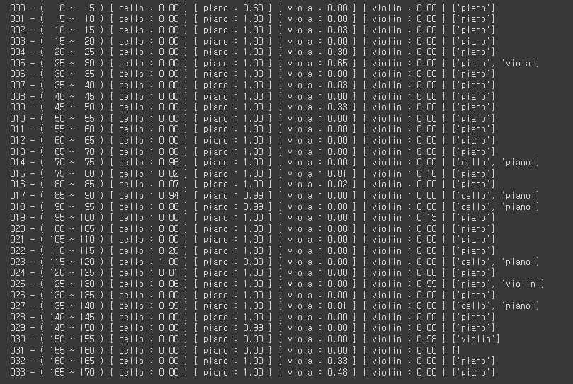
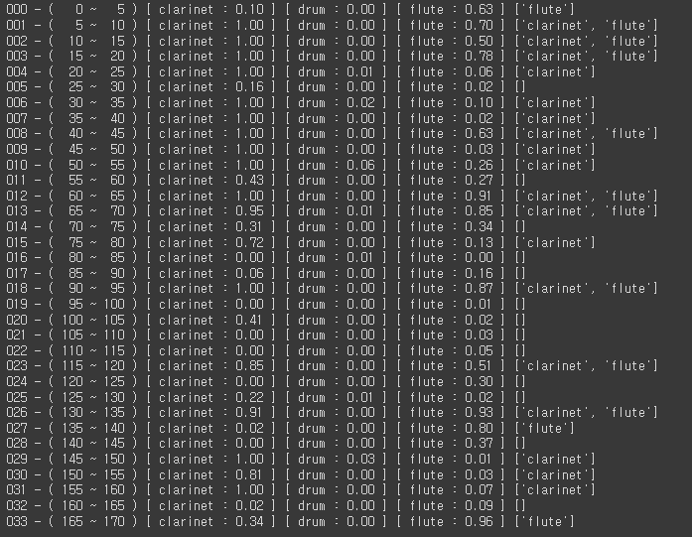
MAESTRA Test Result
Test URL | Ensemble | Result
https://youtu.be/dGeB3vCON2g | clarinet piano

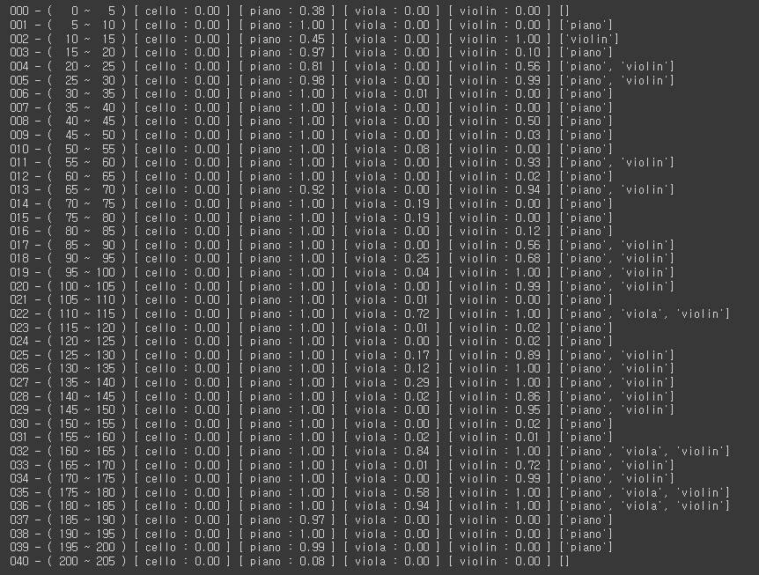
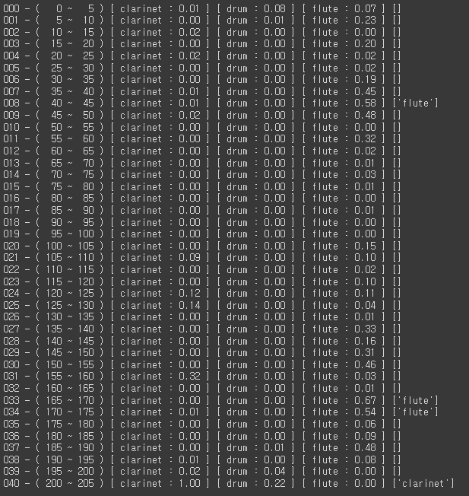
https://youtu.be/ockAL_KCBBQ | piano violin

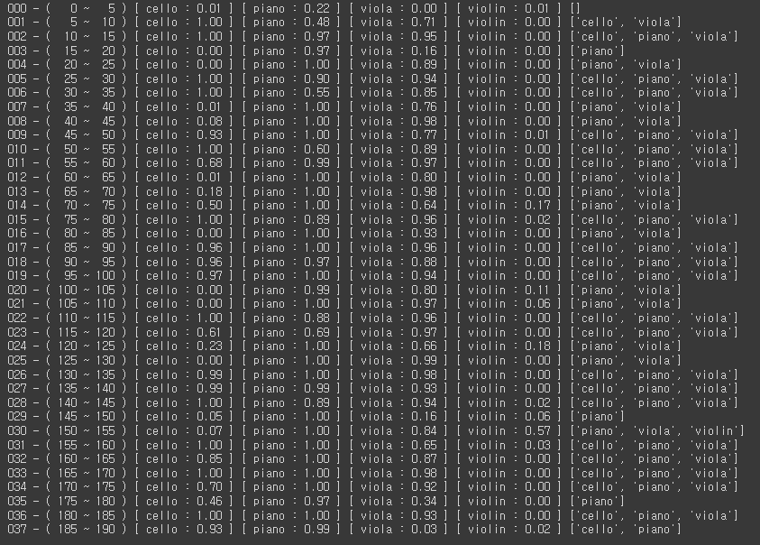
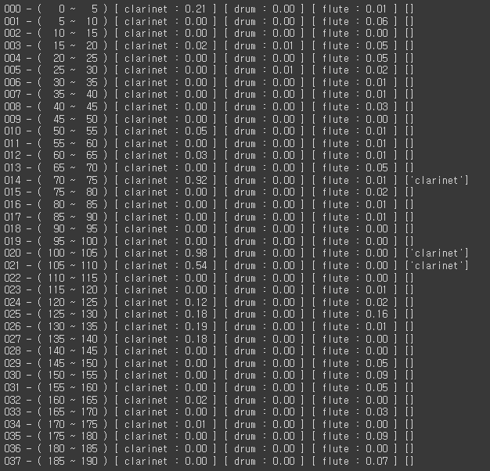
https://youtu.be/LUyurPDm8HE | cello piano violin

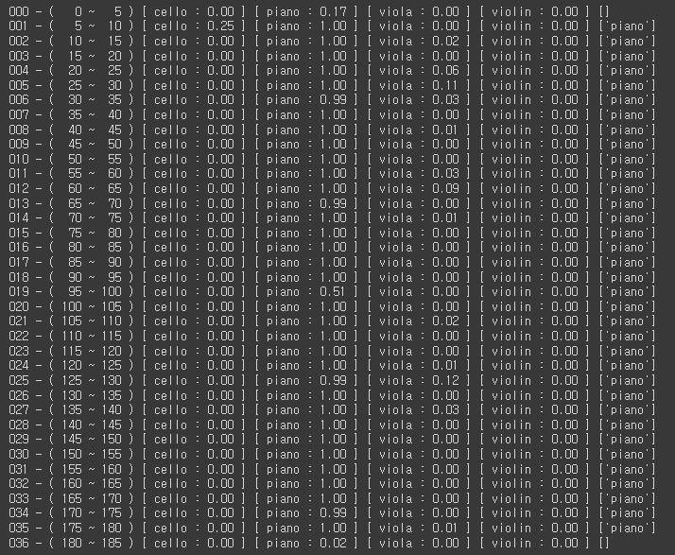
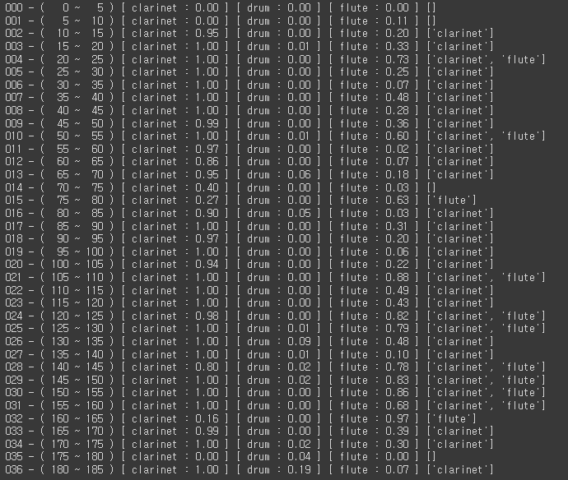
https://youtu.be/_pjVRvgbo-g | clarinet piano

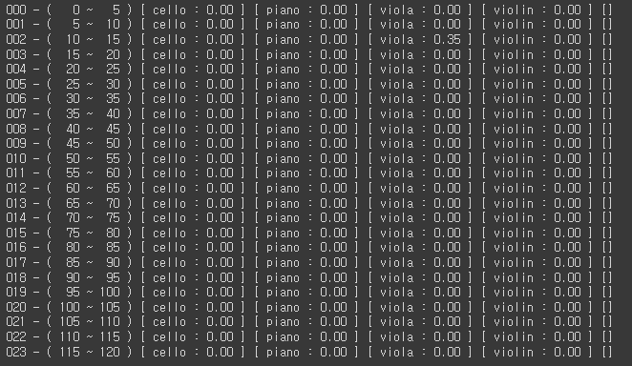
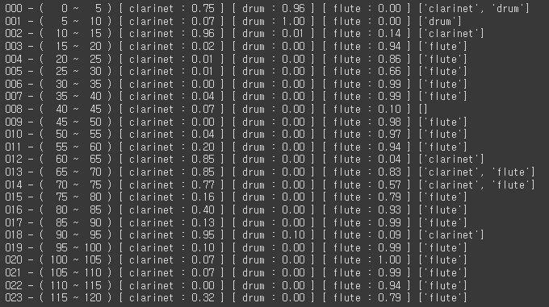
https://youtu.be/XkcsODRDlz4 | flute

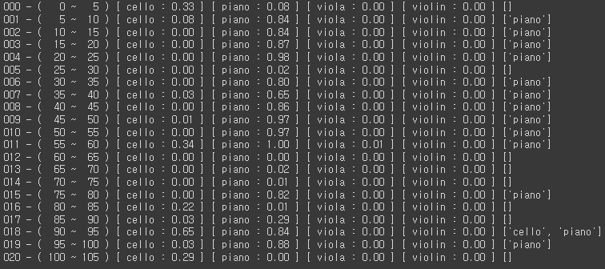
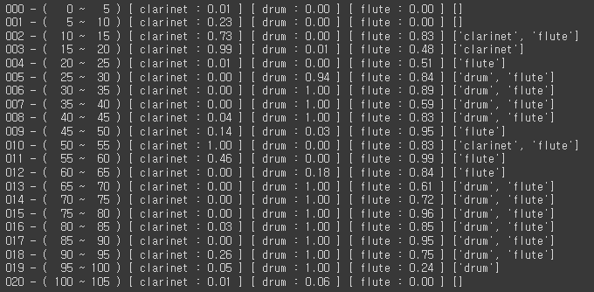
https://youtu.be/is68rlOzEio | drum flute piano

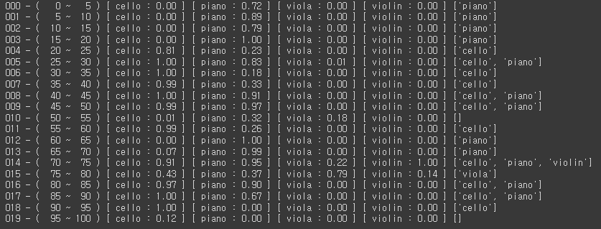
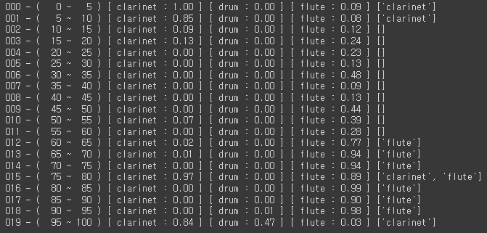
https://youtu.be/sZchdMdTDkQ | cello clarinet piano

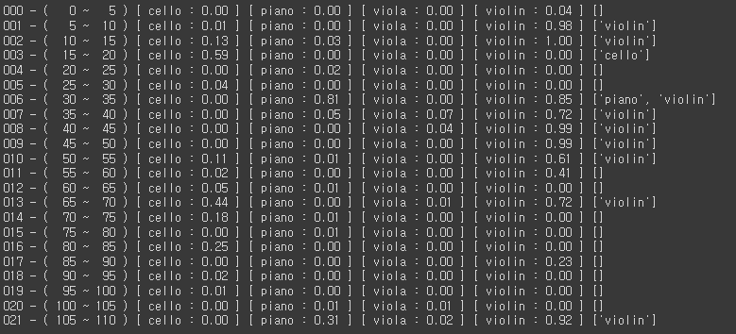
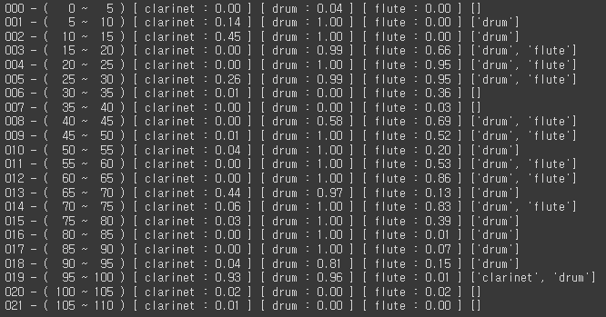
https://youtu.be/z9K-ao4_q5E | drum flute violin

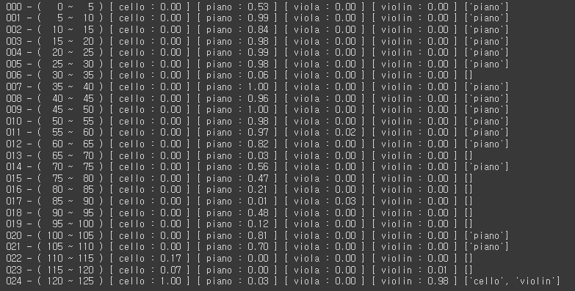
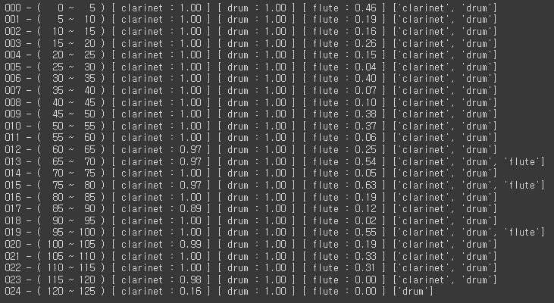
https://youtu.be/-0XGL0ceszg | clarinet drum piano

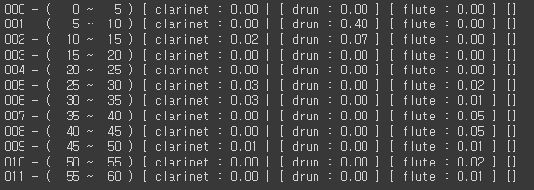
https://youtu.be/ONCLuyBhVHU | violin

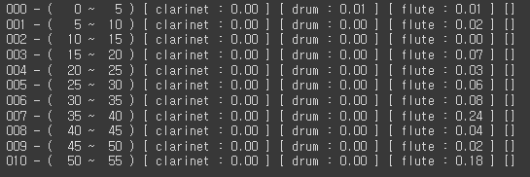
...
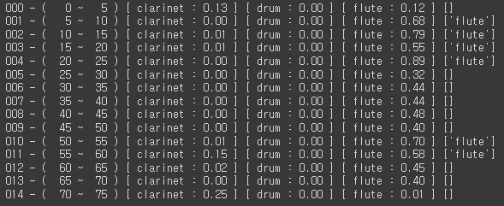
...
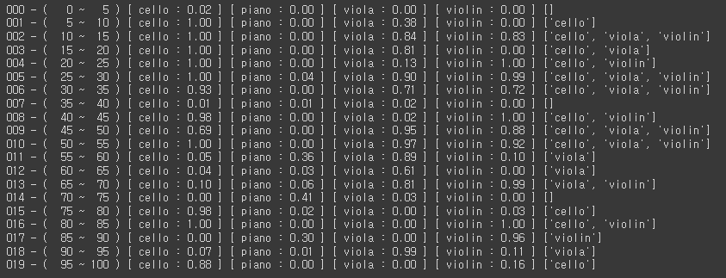
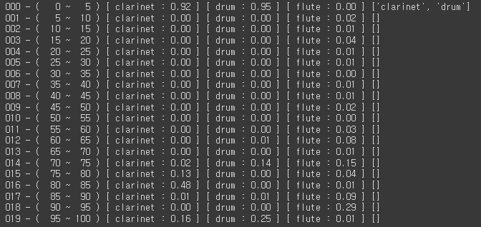
https://youtu.be/gNm3q0gNBP4 | cello viola violin

