Sheet1
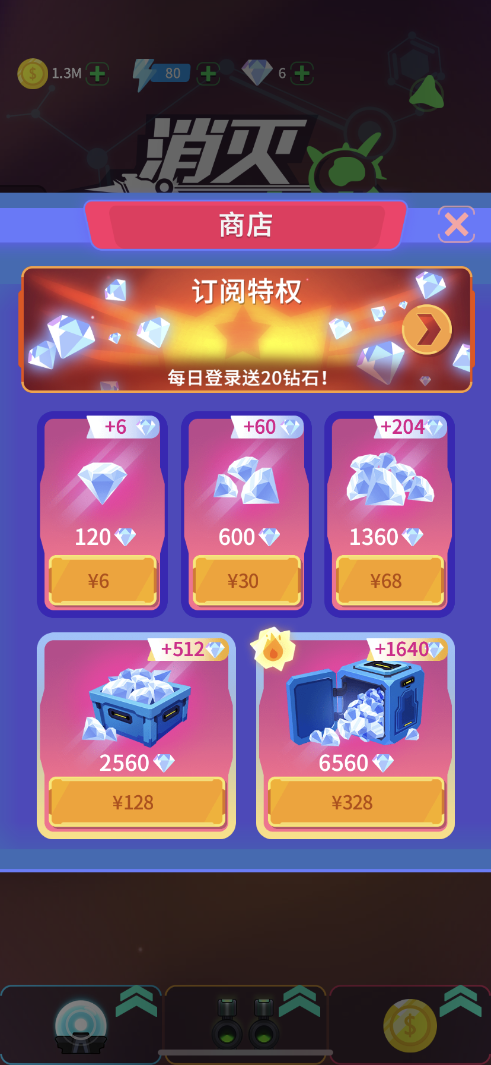
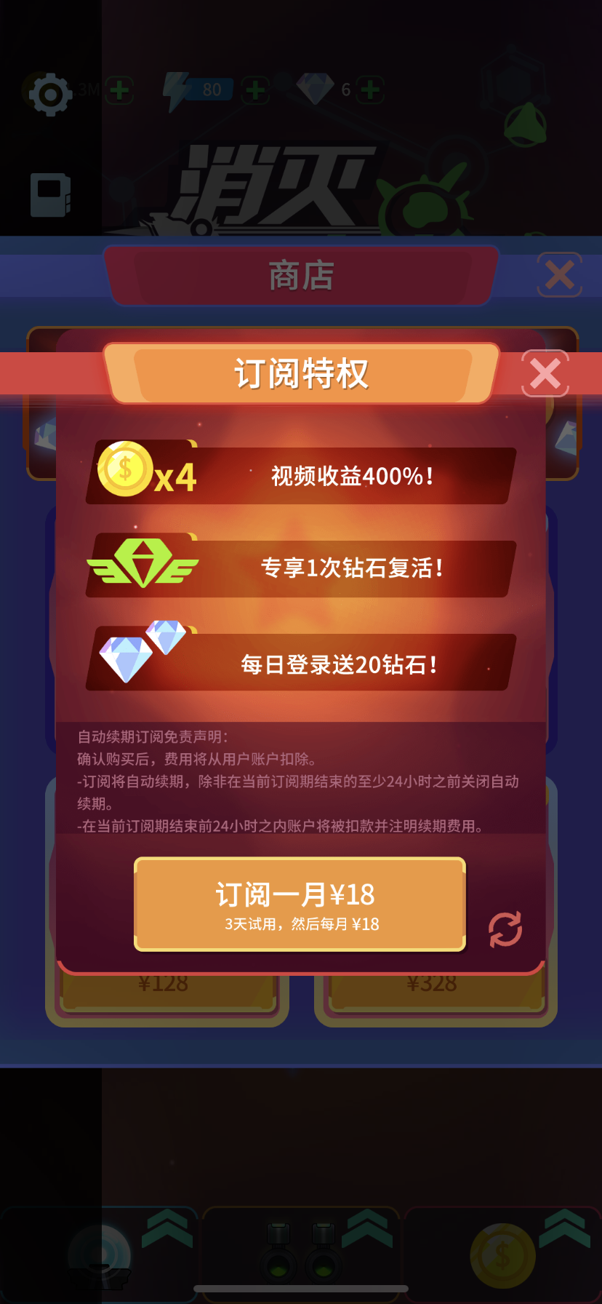
标题： | Store

Banner | VIP | Daily reward Diamond +5

钻石充值

$0.99 | 60 | +3
$4.99 | 300 | +30
$9.99 | 600 | +100
$19.99 | 1200 | +256
$39.99 | 2400 | +880

VIP

+300% coin

Daily reward Diamond +5

Remove end game ads

Game difficulty +

Revival by dimond

Auto renewal subscription Disclaimer: After confirming the purchase, the fee will be deducted from the user account. -Subscriptions are automatically renewed unless they are turned off at least 24 hours before the end of the current subscription period. -Within 24 hours before the end of the current subscription period, the account will be deducted and the renewal fee will be noted.

VIP $1.99

