expert_theme_definition_count
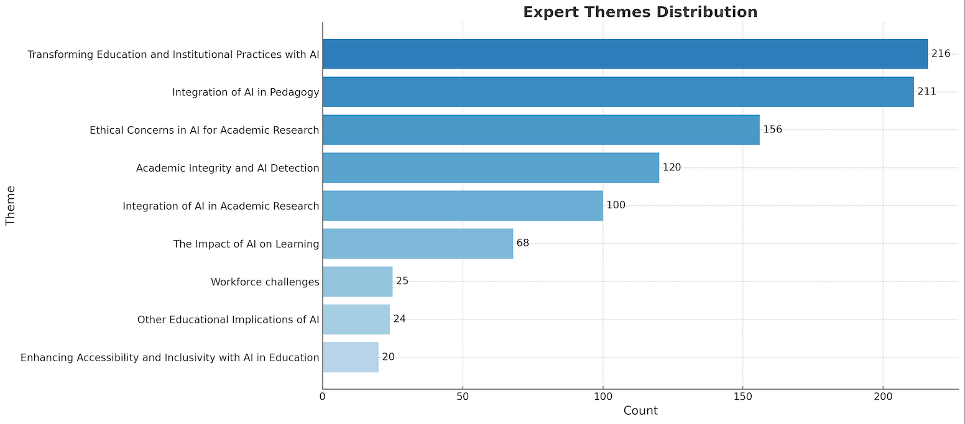
Theme | Definition | Count
Transforming Education and Institutional Practices with AI | Looks at how AI is fundamentally changing educational institutions and practices, including curriculum development, assessment methods, and institutional policies. | 216
Integration of AI in Pedagogy | Explores how AI is being integrated into teaching methodologies, lesson planning, and classroom activities to improve educational outcomes. | 211
Ethical Concerns in AI for Academic Research | Addresses ethical issues related to the use of AI in academic research, including data privacy, intellectual property, and the impact of AI on research quality and integrity. | 156
Academic Integrity and AI Detection | Examines issues related to the use of AI in maintaining academic honesty, detecting AI-generated content, and ensuring the authenticity of student work. | 120
Integration of AI in Academic Research | Focuses on how AI is being incorporated into academic research practices to enhance efficiency, data analysis, and research capabilities. | 100
The Impact of AI on Learning | Studies how AI technologies affect student learning processes, engagement, and outcomes. | 68
Workforce Challenges | Discusses the challenges and changes in workforce requirements and preparation due to advancements in AI. | 25
Other Educational Implications of AI | Investigates broader implications of AI technologies in education that do not fit into the more specific themes listed. | 24
Enhancing Accessibility and Inclusivity with AI in Education | Discusses how AI can be used to make education more accessible and inclusive, particularly for non-native English speakers and individuals with disabilities. | 20

