public_theme_definition_count
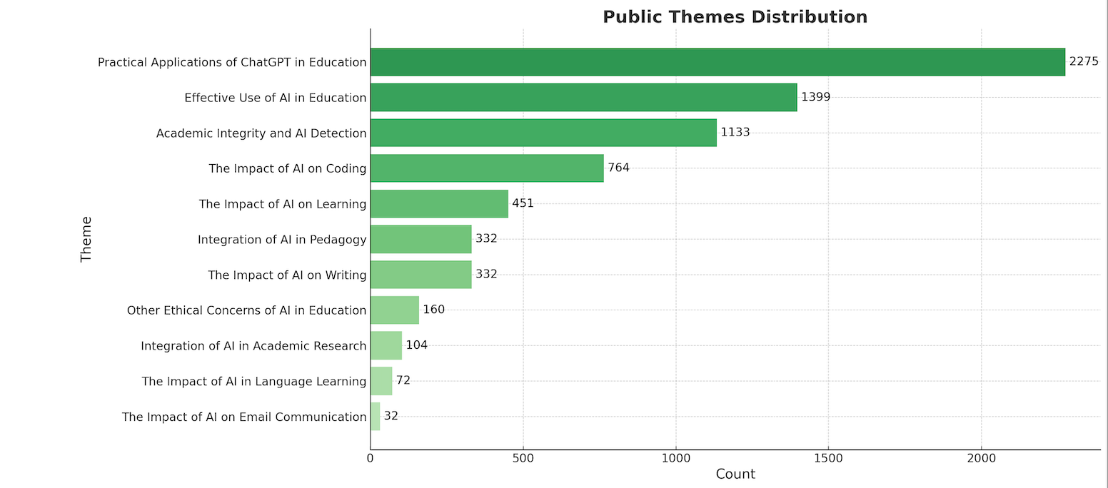
Theme | Definition | Count
Practical Applications of ChatGPT in Education | Discusses various practical and creative ways ChatGPT is used in education, including coding assistance, creative writing, and speculative experiments. | 2275
Effective Use of AI in Education | Reviews the effectiveness of different AI tools used to improve project workflows, reliability, and task execution in educational contexts. | 1399
Academic Integrity and AI Detection | Examines the ethical and practical concerns related to AI use in education, including AI detection reliability, academic honesty, and integrity in feedback and grading. | 1133
The Impact of AI on Coding | Explores the transformative impact of AI, particularly GPT, on coding and creativity, including learning enhancements and speculative applications. | 764
The Impact of AI on Learning | Addresses the challenges and engagement issues in AI-aided education, reflecting on student engagement, reliance on AI tools, and traditional educational skills. | 451
Integration of AI in Pedagogy | Explores the role of teachers and AI in modern education, including personalized learning, tutoring, and the need for effective implementation and teacher upskilling. | 332
The Impact of AI on Writing | Discusses the integration of AI tools in writing, including strategies for using AI to enhance writing quality, manage citations, and maintain academic integrity. | 332
Other Ethical Concerns of AI in Education | Discusses broader ethical issues related to AI development and its implications, including human oversight and the limitations of current AI technology. | 160
Integration of AI in Academic Research | Explores the use of AI tools in academic research, including their role in finding sources, proposal assignments, and the ethical challenges of AI-generated content. | 104
The Impact of AI in Language Learning | Discusses the potential and limitations of AI in language learning and translation, including the role of AI tools in practice and cultural context understanding. | 72
The Impact of AI on Email Communication | Examines how AI tools influence communication skills, particularly in email communication, writing styles, and professional and ethical evaluations. | 32

