FANTASY FOOTBALL TOOLS
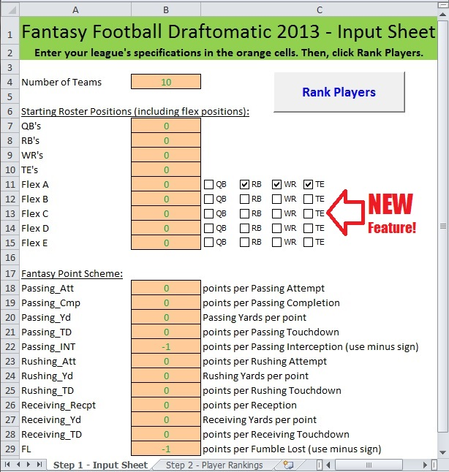
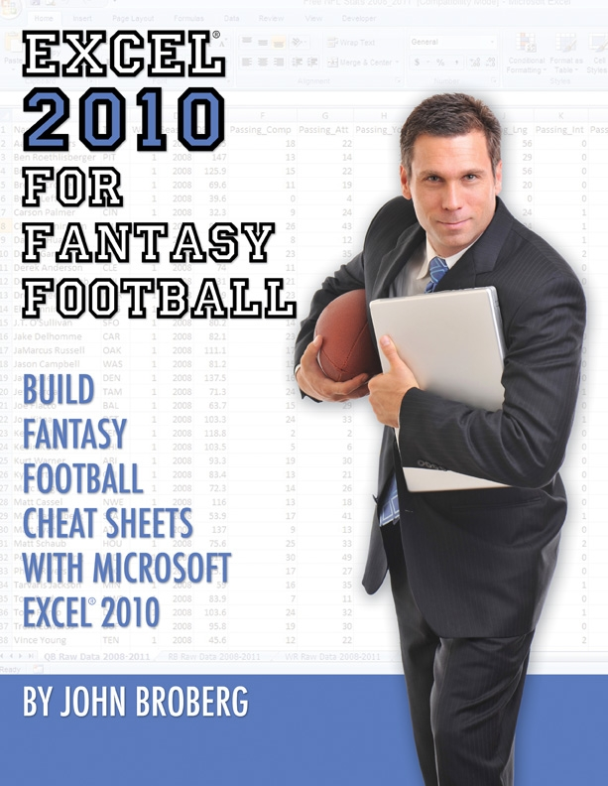

Fantasy Football Draftomatic 2013
Get the edge over your opponents, who merely use canned cheat sheets available to anybody!
Quickly customize your fantasy football cheat sheets with this easy-to-use spreadsheet. It's fully automated. Simply, enter your league's parameters and click Rank Players. And, pow! Instant cheat sheet with player rankings, using the powerful Value Based Drafting technique. Have fun drafting your team of power players!
Click here to download, before the draft. You'll be glad you did!
Excel for Fantasy Football Book
Power up your draft strategy, with this instructive step-by-step guide. Customize your cheat sheet to your league's point scheme. Effectively rank players with proven, but simple, methods. Make ingenious rapid decisions at the draft.
Imagine. Turn your play time into learning time, and gain valuable job skills: - PivotTable - VLOOKUP functions - Blended RANK'ings. Click here, before the draft. This might be the best investment you'll ever make.

