Sheet1
Worker ID | Display State | Action | Next Display State | Rationalization | Secrete Key
A3BTT8UPLZUGVK | 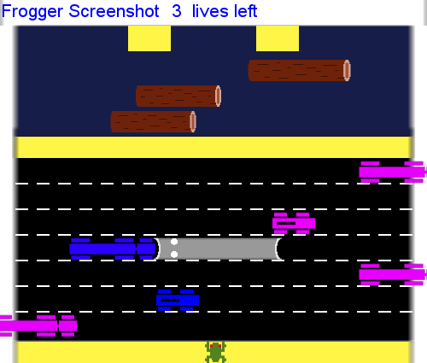 | Up |  | 'speed' | 87661dfa-ce5c-40d2-bd27-f2a9a1b9cd1f
A3BTT8UPLZUGVK | 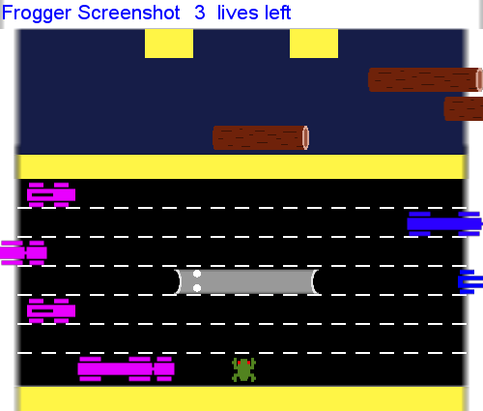 | Wait |  | 'speed clearly' | 87661dfa-ce5c-40d2-bd27-f2a9a1b9cd1f
A3BTT8UPLZUGVK | 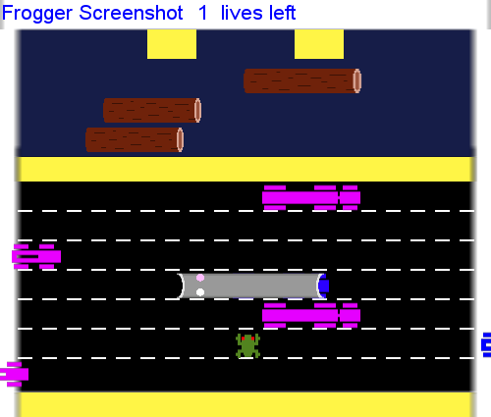 | Up |  | 'speed' | 87661dfa-ce5c-40d2-bd27-f2a9a1b9cd1f
A3BTT8UPLZUGVK | 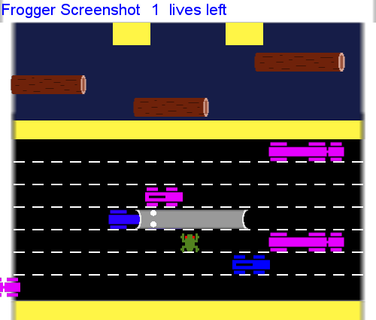 | Wait |  | 'speed' | 87661dfa-ce5c-40d2-bd27-f2a9a1b9cd1f
A3BTT8UPLZUGVK | 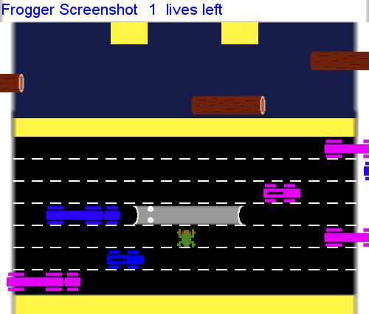 | Left |  | 'speed' | 87661dfa-ce5c-40d2-bd27-f2a9a1b9cd1f
A3BTT8UPLZUGVK | 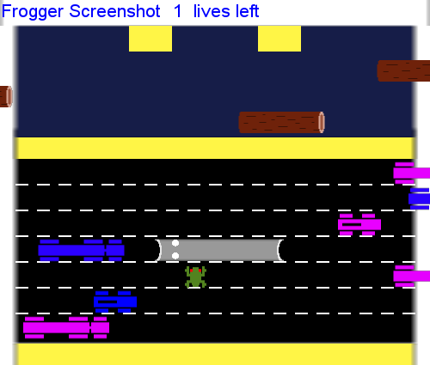 | Left |  | 'speed' | 87661dfa-ce5c-40d2-bd27-f2a9a1b9cd1f
A3BTT8UPLZUGVK | 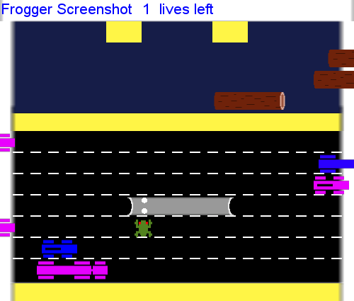 | Left |  | 'speed' | 87661dfa-ce5c-40d2-bd27-f2a9a1b9cd1f
A3BTT8UPLZUGVK | 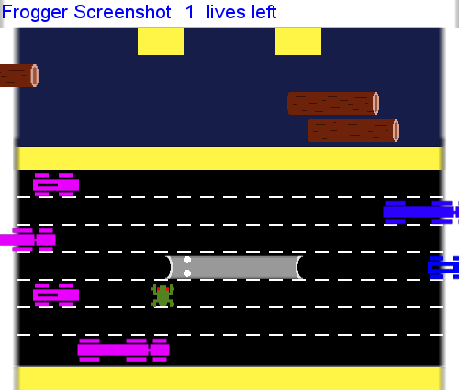 | Left |  | 'speed' | 87661dfa-ce5c-40d2-bd27-f2a9a1b9cd1f
A3BTT8UPLZUGVK | 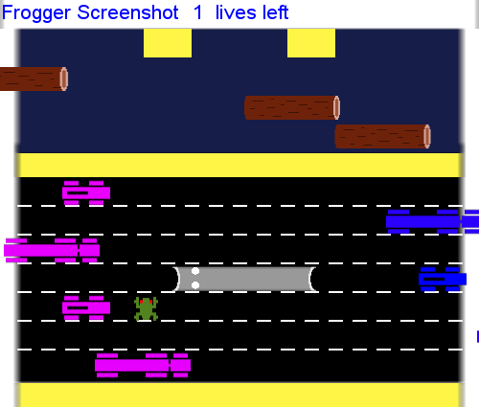 | Up |  | 'speed' | 87661dfa-ce5c-40d2-bd27-f2a9a1b9cd1f
A3BTT8UPLZUGVK | 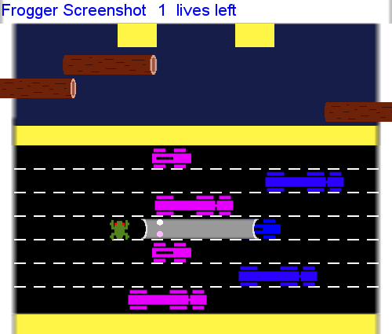 | Up |  | 'speed' | 87661dfa-ce5c-40d2-bd27-f2a9a1b9cd1f
A3BTT8UPLZUGVK | 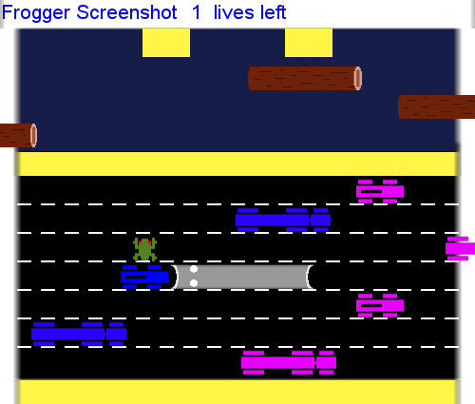 | Wait |  | 'speed' | 87661dfa-ce5c-40d2-bd27-f2a9a1b9cd1f
A3BTT8UPLZUGVK | 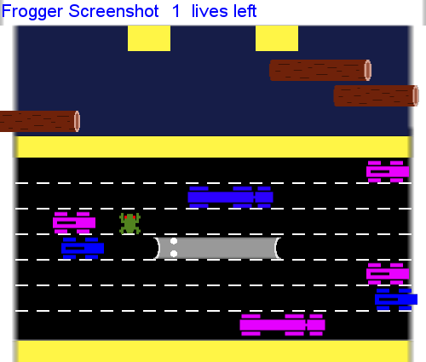 | Up |  | 'speed' | 87661dfa-ce5c-40d2-bd27-f2a9a1b9cd1f
A3BTT8UPLZUGVK | 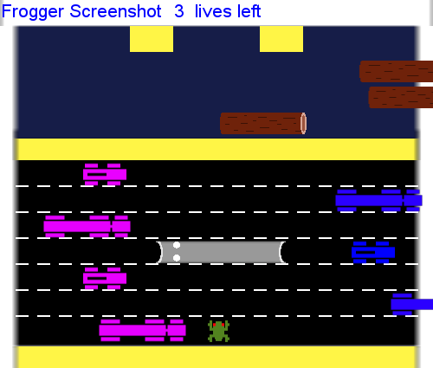 | Up |  | 'speed' | 87661dfa-ce5c-40d2-bd27-f2a9a1b9cd1f
A3BTT8UPLZUGVK | 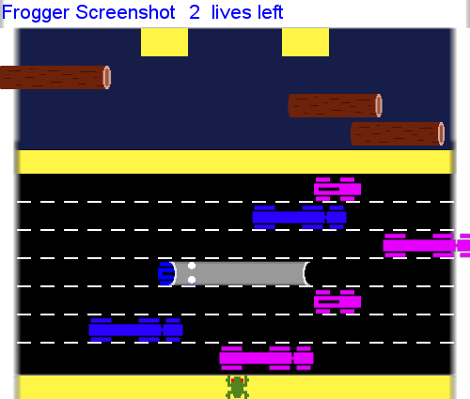 | Wait |  | 'speed' | 87661dfa-ce5c-40d2-bd27-f2a9a1b9cd1f
A3BTT8UPLZUGVK | 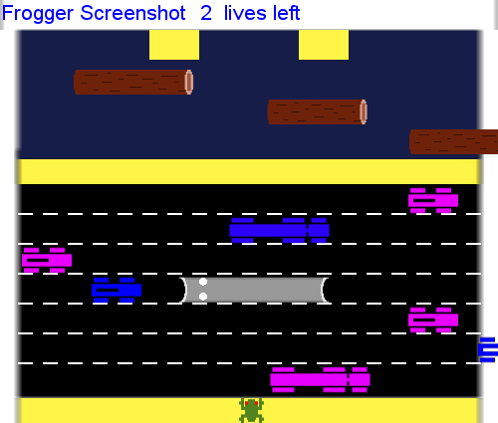 | Up |  | 'speed' | 87661dfa-ce5c-40d2-bd27-f2a9a1b9cd1f
A3BTT8UPLZUGVK | 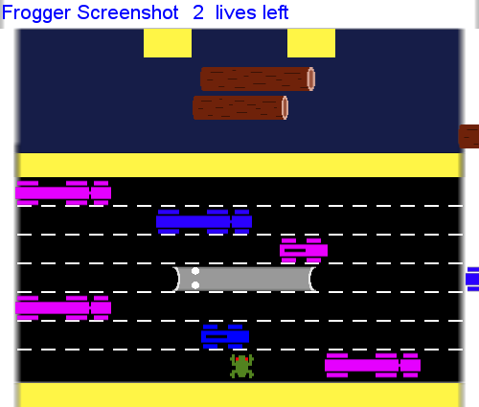 | Up |  | 'speed' | 87661dfa-ce5c-40d2-bd27-f2a9a1b9cd1f
A3BTT8UPLZUGVK | 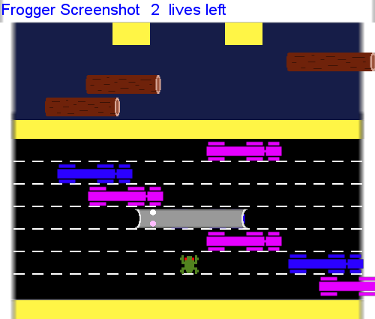 | Up |  | 'speed' | 87661dfa-ce5c-40d2-bd27-f2a9a1b9cd1f
A3BTT8UPLZUGVK | 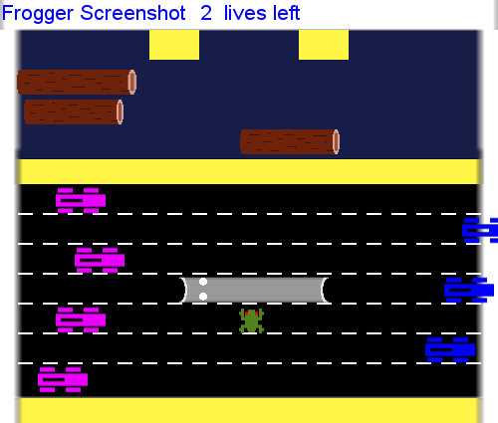 | Wait |  | 'speed' | 87661dfa-ce5c-40d2-bd27-f2a9a1b9cd1f
A3BTT8UPLZUGVK | 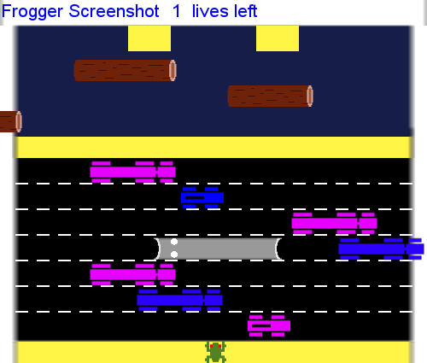 | Up |  | 'speed' | 87661dfa-ce5c-40d2-bd27-f2a9a1b9cd1f
A3BTT8UPLZUGVK | 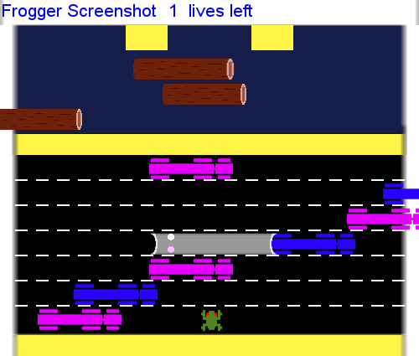 | Up |  | 'speed' | 87661dfa-ce5c-40d2-bd27-f2a9a1b9cd1f
A2RIOB3PTFCQAO | 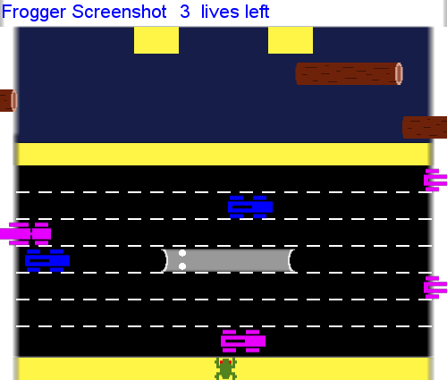 | Left |  | 'Moved left\n\n\n\n\n\n' | 4488f517-d4cd-4a71-a437-e25229f7d412
A2RIOB3PTFCQAO | 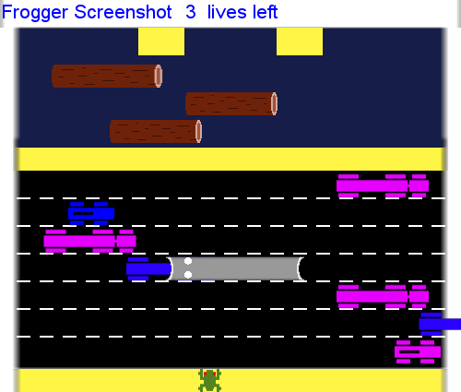 | Wait |  | 'Waited' | 4488f517-d4cd-4a71-a437-e25229f7d412
A2RIOB3PTFCQAO | 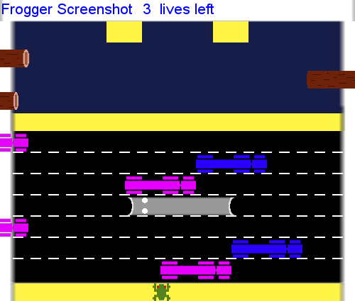 | Up |  | 'Moved Up' | 4488f517-d4cd-4a71-a437-e25229f7d412
A2RIOB3PTFCQAO | 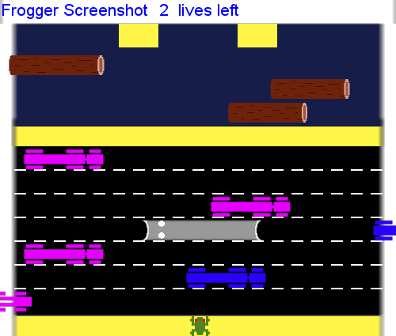 | Wait |  | 'Moved Up' | 4488f517-d4cd-4a71-a437-e25229f7d412
A2RIOB3PTFCQAO | 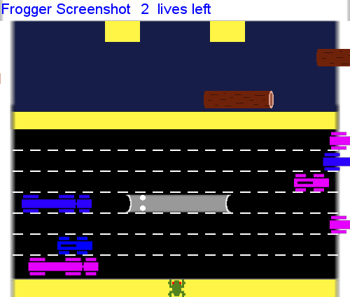 | Up |  | 'Moved Up' | 4488f517-d4cd-4a71-a437-e25229f7d412
A2RIOB3PTFCQAO | 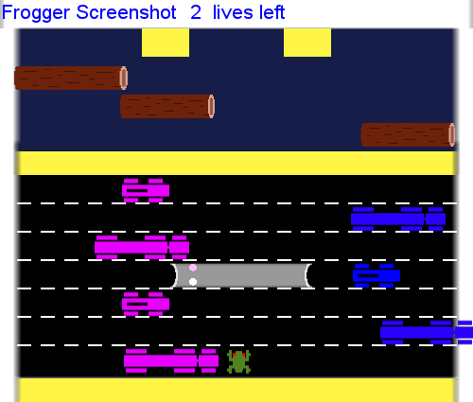 | Wait |  | 'Moved Up' | 4488f517-d4cd-4a71-a437-e25229f7d412
A2RIOB3PTFCQAO | 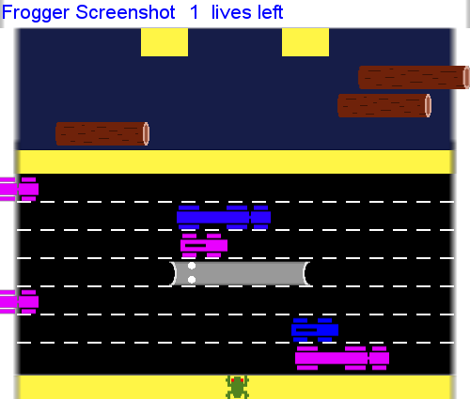 | Left |  | 'moved up' | 4488f517-d4cd-4a71-a437-e25229f7d412
A2RIOB3PTFCQAO | 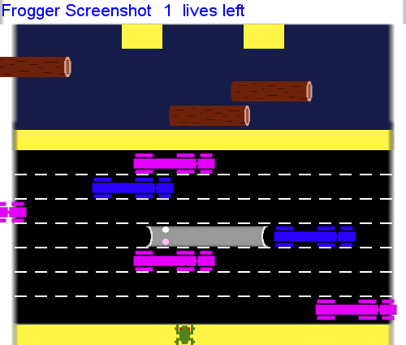 | Up |  | 'moved up' | 4488f517-d4cd-4a71-a437-e25229f7d412
A2RIOB3PTFCQAO | 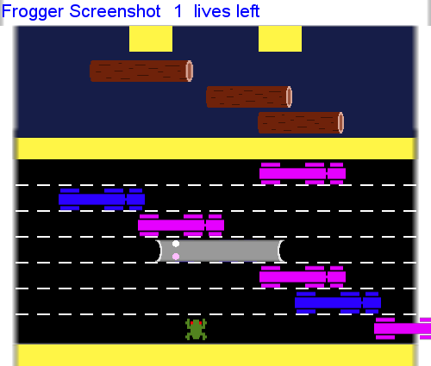 | Up |  | 'moved up' | 4488f517-d4cd-4a71-a437-e25229f7d412
A283BCKHLF447S | 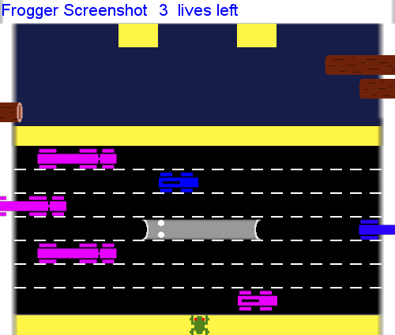 | Up |  | "move to the road it's a forward move" | 40965185-ac29-475c-93c9-f6e4847ca164
A283BCKHLF447S | 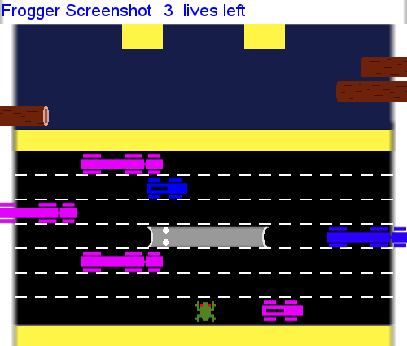 | Up |  | "move to the road it's a forward move" | 40965185-ac29-475c-93c9-f6e4847ca164
A283BCKHLF447S | 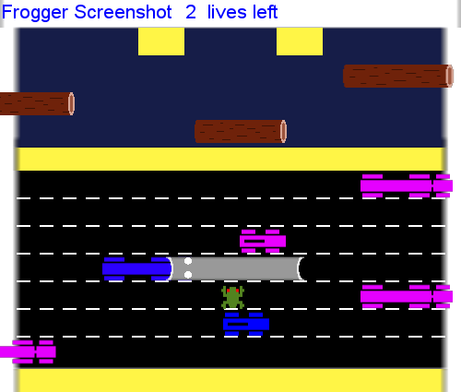 | Right |  | 'try to cross the line' | 40965185-ac29-475c-93c9-f6e4847ca164
A283BCKHLF447S | 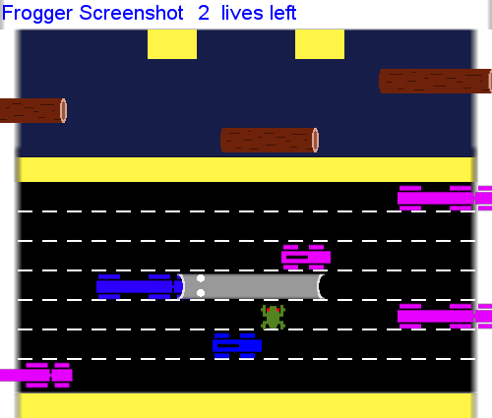 | Right |  | 'try to cross the line' | 40965185-ac29-475c-93c9-f6e4847ca164
A283BCKHLF447S | 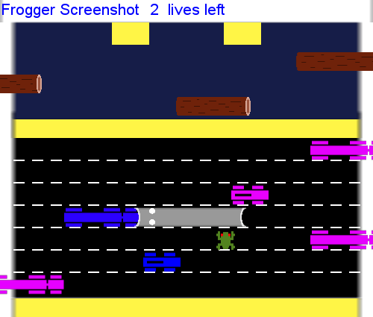 | Right |  | 'try to cross the line' | 40965185-ac29-475c-93c9-f6e4847ca164
A283BCKHLF447S | 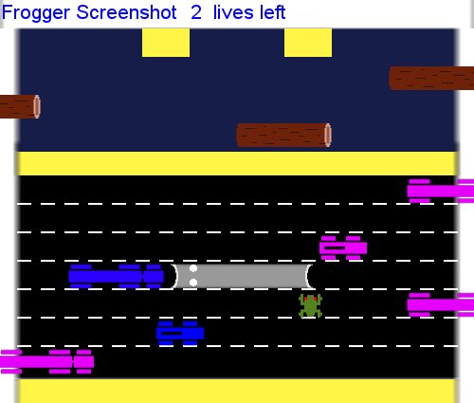 | Right |  | 'try to cross the line' | 40965185-ac29-475c-93c9-f6e4847ca164
A283BCKHLF447S | 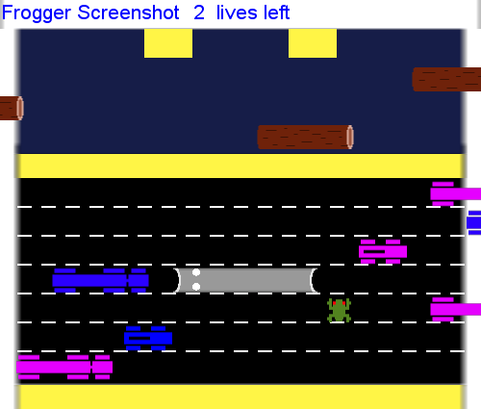 | Up |  | 'i move forward and safe in one place' | 40965185-ac29-475c-93c9-f6e4847ca164
A283BCKHLF447S | 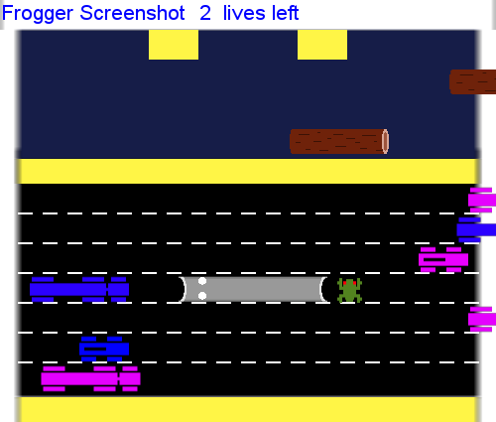 | Up |  | 'I reach complete near' | 40965185-ac29-475c-93c9-f6e4847ca164
A283BCKHLF447S | 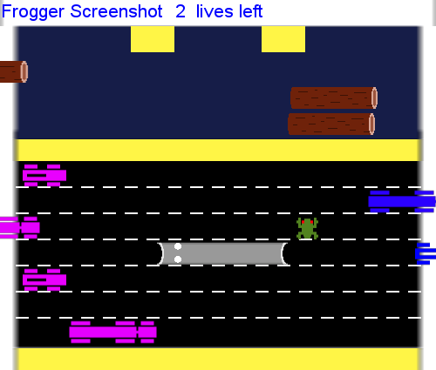 | Left |  | 'I move slight right' | 40965185-ac29-475c-93c9-f6e4847ca164
A283BCKHLF447S | 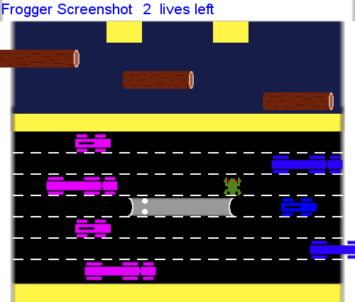 | Right |  | 'I move on left' | 40965185-ac29-475c-93c9-f6e4847ca164
A283BCKHLF447S |  | Right |  | 'I move on left' | 40965185-ac29-475c-93c9-f6e4847ca164
A283BCKHLF447S | 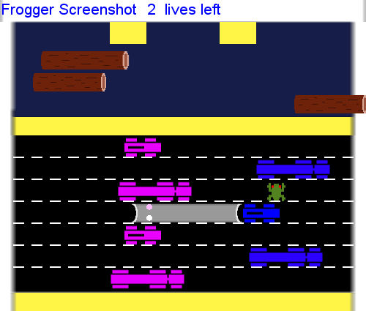 | Up |  | 'going forward' | 40965185-ac29-475c-93c9-f6e4847ca164
A283BCKHLF447S | 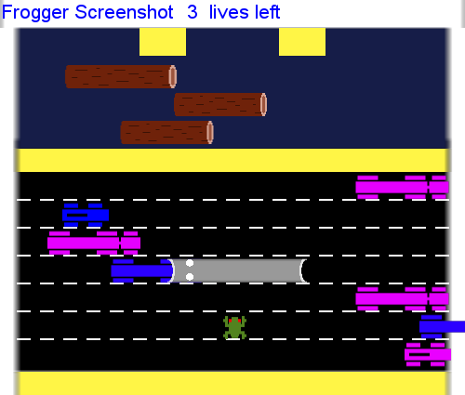 | Up |  | "move to the road it's a forward move" | 40965185-ac29-475c-93c9-f6e4847ca164
A283BCKHLF447S | 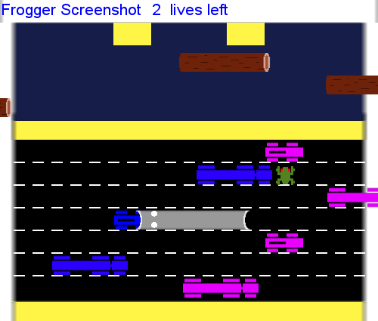 | Wait |  | 'I try to move forward' | 40965185-ac29-475c-93c9-f6e4847ca164
A283BCKHLF447S | 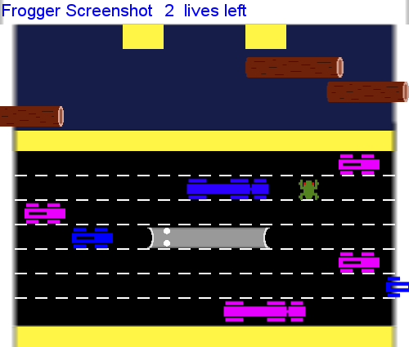 | Up |  | 'I am on final lane' | 40965185-ac29-475c-93c9-f6e4847ca164
A283BCKHLF447S | 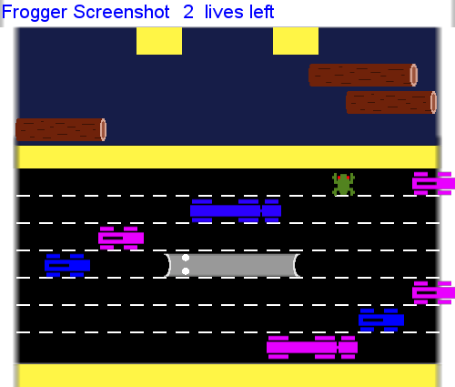 | Up |  | 'I complete one stage' | 40965185-ac29-475c-93c9-f6e4847ca164
A283BCKHLF447S | 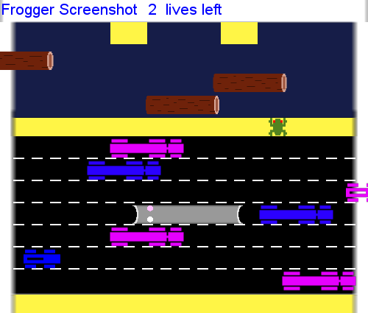 | Wait |  | 'I try to jump on moving tree' | 40965185-ac29-475c-93c9-f6e4847ca164
A283BCKHLF447S | 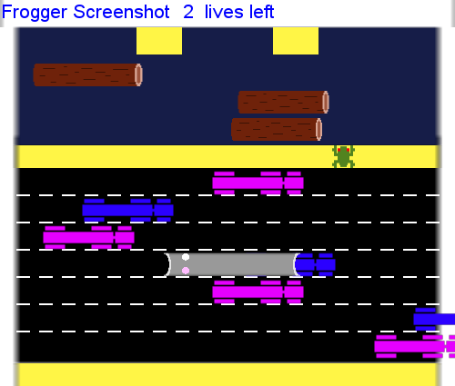 | Up |  | 'I wrongly move forward' | 40965185-ac29-475c-93c9-f6e4847ca164
A283BCKHLF447S | 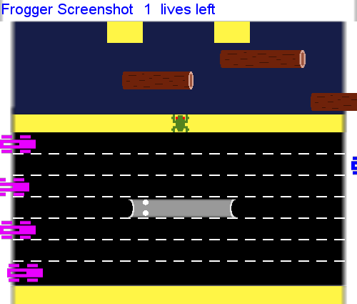 | Wait |  | 'I am waiting for the right time' | 40965185-ac29-475c-93c9-f6e4847ca164
A283BCKHLF447S | 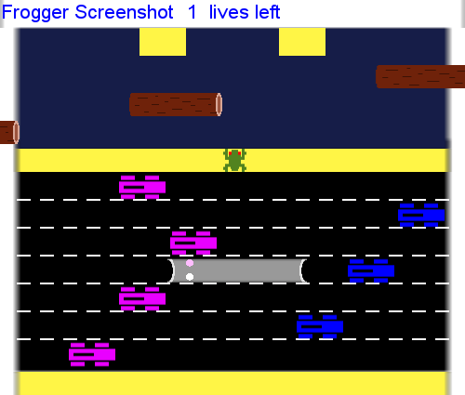 | Up |  | 'I moved up' | 40965185-ac29-475c-93c9-f6e4847ca164
A283BCKHLF447S | 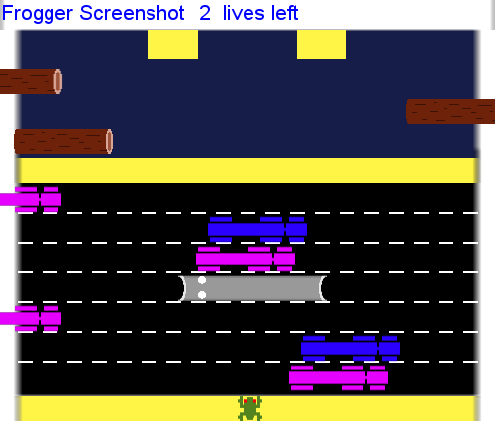 | Wait |  | 'I try to move forward' | 40965185-ac29-475c-93c9-f6e4847ca164
A283BCKHLF447S | 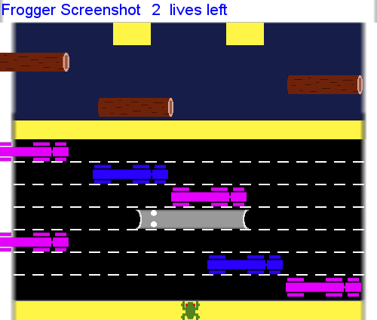 | Up |  | 'I am on the road' | 40965185-ac29-475c-93c9-f6e4847ca164
A283BCKHLF447S |  | Up |  | 'I am on the road' | 40965185-ac29-475c-93c9-f6e4847ca164
A283BCKHLF447S |  | Right |  | 'I move upward right' | 40965185-ac29-475c-93c9-f6e4847ca164
A283BCKHLF447S |  | Left |  | 'I move slite left' | 40965185-ac29-475c-93c9-f6e4847ca164
A283BCKHLF447S |  | Up |  | 'I move forward' | 40965185-ac29-475c-93c9-f6e4847ca164
A283BCKHLF447S |  | Wait |  | 'rest in one place' | 40965185-ac29-475c-93c9-f6e4847ca164
 |  | Left |  | 'I moved to the left because I want to get further to the left to avoid having to move left when I hit the tunnel | 31eb0d9f-d98b-4fed-9a95-39ee9304576c
 |  | Wait |  | "I waited because I couldn't decide what I wanted to do fast enough" | 31eb0d9f-d98b-4fed-9a95-39ee9304576c
 |  | Up |  | 'I moved forward because I need to get across faster this time and because there was a lot of open space in front of me' | 31eb0d9f-d98b-4fed-9a95-39ee9304576c
 |  | Up |  | 'I move forward because there was a lot of open space in front of me' | 31eb0d9f-d98b-4fed-9a95-39ee9304576c
 |  | Up |  | 'I moved forward because there were still a lot of open space in that lane and I think I can move left quickly and get across the road in time' | 31eb0d9f-d98b-4fed-9a95-39ee9304576c
 |  | Left |  | "I move left in the hopes that I can get around the tunnel there's a blue car coming from the right" | 31eb0d9f-d98b-4fed-9a95-39ee9304576c
 |  | Left |  | 'I moved to last because I want to quickly get around the tunnel before the red car coming from the left in the current Lane hits me' | 31eb0d9f-d98b-4fed-9a95-39ee9304576c
 |  | Left |  | "I moved to left because I still need to get around the tunnel and that's the fastest way to go" | 31eb0d9f-d98b-4fed-9a95-39ee9304576c
 |  | Left |  | "I move left because I wasn't sure if I could move forward because of the way the tunnel is and I need to get around the tunnel so I can move forward" | 31eb0d9f-d98b-4fed-9a95-39ee9304576c
 |  | Up |  | 'I moved forward because I need to quickly get out of the way of the red car that was about to hit me' | 31eb0d9f-d98b-4fed-9a95-39ee9304576c
 |  | Left |  | 'I moved left because there was a red car in front of me and it was going right so if I move left I can get around it quicker and move ahead' | 31eb0d9f-d98b-4fed-9a95-39ee9304576c
 |  | Up |  | 'I moved forward because there was room to go forward and there were no cars coming from the left or right' | 31eb0d9f-d98b-4fed-9a95-39ee9304576c
 |  | Left |  | 'I moved to the left so I could get away from the tunnel before I actually get in front of the car' | 31eb0d9f-d98b-4fed-9a95-39ee9304576c
 |  | Up |  | 'I moved forward because the lane was open in the blue car coming from the right is still far away' | 31eb0d9f-d98b-4fed-9a95-39ee9304576c
 |  | Up |  | 'I move forward because the red car that was in the next plane was already passed into that lane is open for me to move ahead' | 31eb0d9f-d98b-4fed-9a95-39ee9304576c
 |  | Up |  | ' I went ahead and moved ahead because the next spot was open and I need to go ahead so I can get on to the log' | 31eb0d9f-d98b-4fed-9a95-39ee9304576c
 |  | Wait |  | "I waited because there was no log coming I'm waiting for a log to come from the left" | 31eb0d9f-d98b-4fed-9a95-39ee9304576c
 |  | Up |  | "I moved ahead because there was a log coming and I need to ride the log from the left to hit another log that's coming from the right in the next Lane" | 31eb0d9f-d98b-4fed-9a95-39ee9304576c
 |  | Up |  | "I moved ahead because I can ride that log further to the left and then catch the rock log that's heading to the right and the next Lane and easily jump" | 31eb0d9f-d98b-4fed-9a95-39ee9304576c
 |  | Up |  | 'I jumped onto that log because I can easily jump from it until yellow platform and when the game' | 31eb0d9f-d98b-4fed-9a95-39ee9304576c
 |  | Up |  | "I'm jumped from that log onto the yellow platform because it was the best opportunity to do so" | 31eb0d9f-d98b-4fed-9a95-39ee9304576c
 |  | Wait |  | 'I waited because the cars were coming too fast and I needed to wait for an opening or for them to slow down' | 31eb0d9f-d98b-4fed-9a95-39ee9304576c
 |  | Up |  | 'I went ahead and moved forward because it looks like there was an open space that I would be able to get to the tunnel and maybe past the tunnel in time' | 31eb0d9f-d98b-4fed-9a95-39ee9304576c
 |  | Up |  | 'I went ahead and moved forward because it looks like there was an open space that I would be able to get to the tunnel and maybe past the tunnel in time' | 31eb0d9f-d98b-4fed-9a95-39ee9304576c
 |  | Left |  | 'I moved to the left so I could work wickley get around the red car that was in front of me and then head straight forward' | 31eb0d9f-d98b-4fed-9a95-39ee9304576c
 |  | Left |  | 'I move to the left so I could get to an open space where I could quickly move forward past the tunnel' | 31eb0d9f-d98b-4fed-9a95-39ee9304576c
 |  | Up |  | 'I moved forward because there was an open space and I need to get as far as I can before any more cars come' | 31eb0d9f-d98b-4fed-9a95-39ee9304576c
 |  | Up |  | "I moved forward because I didn't see the blue car coming out of the tunnel" | 31eb0d9f-d98b-4fed-9a95-39ee9304576c
A3ER6R66WYYS9R |  | Up |  | 'go straight' | a4bd6bb6-9b41-427d-97bd-1f8cee7cc451
A3ER6R66WYYS9R |  | Up |  | 'go straight' | a4bd6bb6-9b41-427d-97bd-1f8cee7cc451
A3ER6R66WYYS9R |  | Up |  | 'go straight' | a4bd6bb6-9b41-427d-97bd-1f8cee7cc451
A3ER6R66WYYS9R |  | Wait |  | 'go straight' | a4bd6bb6-9b41-427d-97bd-1f8cee7cc451
A3ER6R66WYYS9R |  | Up |  | 'go straight' | a4bd6bb6-9b41-427d-97bd-1f8cee7cc451
A3ER6R66WYYS9R |  | Up |  | 'go yellow bar' | a4bd6bb6-9b41-427d-97bd-1f8cee7cc451
A3ER6R66WYYS9R |  | Up |  | 'go straight' | a4bd6bb6-9b41-427d-97bd-1f8cee7cc451
A3ER6R66WYYS9R |  | Wait |  | 'go straight' | a4bd6bb6-9b41-427d-97bd-1f8cee7cc451
A3ER6R66WYYS9R |  | Up |  | 'hold on wood' | a4bd6bb6-9b41-427d-97bd-1f8cee7cc451
A3ER6R66WYYS9R |  | Left |  | 'go left' | a4bd6bb6-9b41-427d-97bd-1f8cee7cc451
A3ER6R66WYYS9R |  | Left |  | 'no left' | a4bd6bb6-9b41-427d-97bd-1f8cee7cc451
A3ER6R66WYYS9R |  | Up |  | 'go straight' | a4bd6bb6-9b41-427d-97bd-1f8cee7cc451
A3ER6R66WYYS9R |  | Up |  | 'go straight' | a4bd6bb6-9b41-427d-97bd-1f8cee7cc451
A3ER6R66WYYS9R |  | Left |  | 'go left' | a4bd6bb6-9b41-427d-97bd-1f8cee7cc451
A3ER6R66WYYS9R |  | Up |  | 'go straight' | a4bd6bb6-9b41-427d-97bd-1f8cee7cc451
A3ER6R66WYYS9R |  | Up |  | 'go straight' | a4bd6bb6-9b41-427d-97bd-1f8cee7cc451
A3ER6R66WYYS9R |  | Up |  | 'go straight' | a4bd6bb6-9b41-427d-97bd-1f8cee7cc451
A3ER6R66WYYS9R |  | Up |  | 'girls trip' | a4bd6bb6-9b41-427d-97bd-1f8cee7cc451
A3ER6R66WYYS9R |  | Right |  | 'go left' | a4bd6bb6-9b41-427d-97bd-1f8cee7cc451
A3ER6R66WYYS9R |  | Right |  | 'go right' | a4bd6bb6-9b41-427d-97bd-1f8cee7cc451
A3ER6R66WYYS9R |  | Right |  | 'go right' | a4bd6bb6-9b41-427d-97bd-1f8cee7cc451
A3ER6R66WYYS9R |  | Right |  | 'go right' | a4bd6bb6-9b41-427d-97bd-1f8cee7cc451
A3ER6R66WYYS9R |  | Up |  | 'go straight' | a4bd6bb6-9b41-427d-97bd-1f8cee7cc451
A3ER6R66WYYS9R |  | Up |  | 'go straight' | a4bd6bb6-9b41-427d-97bd-1f8cee7cc451
A3ER6R66WYYS9R |  | Wait |  | 'go right' | a4bd6bb6-9b41-427d-97bd-1f8cee7cc451
A1KZ34O5Z2GBAH |  | Left |  | 'SAVE' | c819ff3a-e6d3-40f7-9eb8-5359fbdffd4f
A1KZ34O5Z2GBAH |  | Wait |  | 'MOVED LEFT' | c819ff3a-e6d3-40f7-9eb8-5359fbdffd4f
A1KZ34O5Z2GBAH |  | Up |  | '2' | c819ff3a-e6d3-40f7-9eb8-5359fbdffd4f
A1KZ34O5Z2GBAH |  | Up |  | 'F' | c819ff3a-e6d3-40f7-9eb8-5359fbdffd4f
A1KZ34O5Z2GBAH |  | Up |  | 'G' | c819ff3a-e6d3-40f7-9eb8-5359fbdffd4f
A1KZ34O5Z2GBAH |  | Up |  | 'J' | c819ff3a-e6d3-40f7-9eb8-5359fbdffd4f
A1KZ34O5Z2GBAH |  | Up |  | 'S' | c819ff3a-e6d3-40f7-9eb8-5359fbdffd4f
A1KZ34O5Z2GBAH |  | Up |  | 'A' | c819ff3a-e6d3-40f7-9eb8-5359fbdffd4f
A1KZ34O5Z2GBAH |  | Wait |  | 'M' | c819ff3a-e6d3-40f7-9eb8-5359fbdffd4f
A1KZ34O5Z2GBAH |  | Up |  | 'G' | c819ff3a-e6d3-40f7-9eb8-5359fbdffd4f
A1KZ34O5Z2GBAH |  | Up |  | 'D' | c819ff3a-e6d3-40f7-9eb8-5359fbdffd4f
A1KZ34O5Z2GBAH |  | Up |  | 'F' | c819ff3a-e6d3-40f7-9eb8-5359fbdffd4f
A1KZ34O5Z2GBAH |  | Wait |  | 'J' | c819ff3a-e6d3-40f7-9eb8-5359fbdffd4f
A3BTT8UPLZUGVK |  | Right |  | 'fast driveing' | 3da8e6d4-1705-4848-8da3-562acc9a2859
A3BTT8UPLZUGVK |  | Up |  | 'fast driveing' | 3da8e6d4-1705-4848-8da3-562acc9a2859
A3BTT8UPLZUGVK |  | Wait |  | 'fast and smooth clearly drive' | 3da8e6d4-1705-4848-8da3-562acc9a2859
A3EQR9C0L23O6E |  | Left |  | 'ccc' | 26db2026-a838-45d8-a0d3-27426809bca1
A230GPTWWF3SE7 |  | Up |  | 'The car just passed | 1f8254cc-9f7b-467a-8f55-11133b5c1706
A230GPTWWF3SE7 |  | Up |  | 'The car just passed | 1f8254cc-9f7b-467a-8f55-11133b5c1706
A230GPTWWF3SE7 |  | Right |  | 'Hurrying over to the right before I get hit by the incoming red car on the left.c' | 1f8254cc-9f7b-467a-8f55-11133b5c1706
A230GPTWWF3SE7 |  | Up |  | "Car quickly just passed so I'm hurrying forward.c" | 1f8254cc-9f7b-467a-8f55-11133b5c1706
A230GPTWWF3SE7 |  | Up |  | "Car quickly just passed so I'm hurrying forward.c" | 1f8254cc-9f7b-467a-8f55-11133b5c1706
A230GPTWWF3SE7 |  | Up |  | "Don't have to worry about incoming cars | 1f8254cc-9f7b-467a-8f55-11133b5c1706
A230GPTWWF3SE7 |  | Up |  | 'I want to hurry up and get on this log so I can get to the next one.' | 1f8254cc-9f7b-467a-8f55-11133b5c1706
A230GPTWWF3SE7 |  | Up |  | 'Taking my chances by getting onto this log and hopfully another one comes along before this passes into oblivion and I die.' | 1f8254cc-9f7b-467a-8f55-11133b5c1706
A230GPTWWF3SE7 |  | Left |  | 'Preparing and giving myself just a little leeway to get on sooner and have a little better chance of getting onto the platforms ahead.' | 1f8254cc-9f7b-467a-8f55-11133b5c1706
A230GPTWWF3SE7 |  | Up |  | 'Want to get on the next log as soon as possible before it goes away.' | 1f8254cc-9f7b-467a-8f55-11133b5c1706
A230GPTWWF3SE7 |  | Up |  | 'Getting on the platform.' | 1f8254cc-9f7b-467a-8f55-11133b5c1706
A230GPTWWF3SE7 |  | Up |  | 'All clear | 1f8254cc-9f7b-467a-8f55-11133b5c1706
A230GPTWWF3SE7 |  | Right |  | "Trying to get around the bus | 1f8254cc-9f7b-467a-8f55-11133b5c1706
A230GPTWWF3SE7 |  | Right |  | "Trying to get around the bus | 1f8254cc-9f7b-467a-8f55-11133b5c1706
A230GPTWWF3SE7 |  | Right |  | "Trying to get around the bus | 1f8254cc-9f7b-467a-8f55-11133b5c1706
A230GPTWWF3SE7 |  | Right |  | "Trying to get around the bus | 1f8254cc-9f7b-467a-8f55-11133b5c1706
A230GPTWWF3SE7 |  | Up |  | "Impulsive | 1f8254cc-9f7b-467a-8f55-11133b5c1706
A230GPTWWF3SE7 |  | Up |  | "Impulsive | 1f8254cc-9f7b-467a-8f55-11133b5c1706

