Sheet1
mole_id | canonical_SMILES | structure | logc | IE_exp
1 | OCC1N=NN(C=1)CC1C=CC=CC=1 | 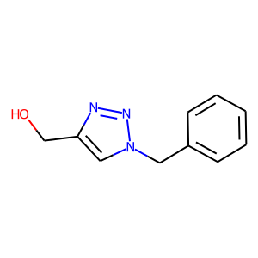 | -3 | 89.3
2 | OCC1N=NN(C=1)CC1C=CN=CC=1 | 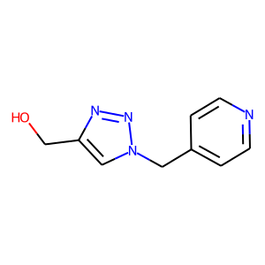 | -3 | 90.2
3 | CCCCCCCCCC[N+](C1=CC=C(C=C1)C=NC(=S)N=CC1=CC=C(C=C1)[N+](CCCCCCCCCC)(C)C)(C)C.[Br-].[Br-] | 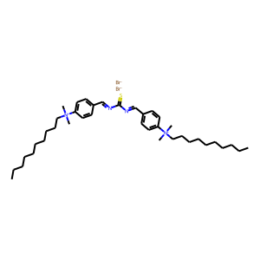 | -3 | 93.46
4 | CCCCCCCCCCCC[N+](C1=CC=C(C=C1)C=NC(=S)N=CC1C=CC(=CC=1)[N+](CCCCCCCCCCCC)(C)C)(C)C.[Br-].[Br-] | 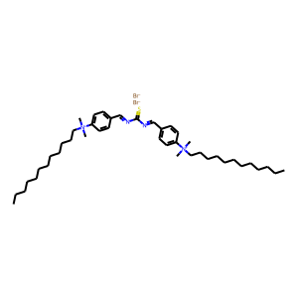 | -3 | 94.18
5 | CCCCCCCCCCCCCCCC[N+](C1C=CC(=CC=1)C=NC(=S)N=CC1=CC=C(C=C1)[N+](CCCCCCCCCCCCCCCC)(C)C)(C)C.[Br-].[Br-] | 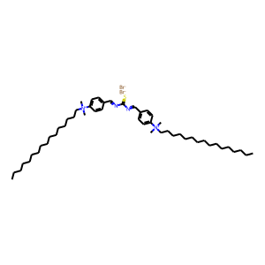 | -3 | 95.04
6 | NC(=O)C1=CC=C(C=C1)/N=C/C1=CC=CS1 | 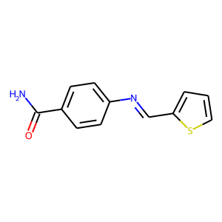 | -3 | 88
7 | OP(=O)(CN(CP(=O)(O)O)CCCCCCN(CP(=O)(O)O)CP(=O)(O)O)O | 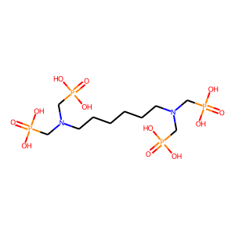 | -3 | 73.27
8 | C1SC=C(C=1)/C=N/C1C=CC(=CC=1)CC1C=CC(=CC=1)/N=C/C1=CSC=C1 | 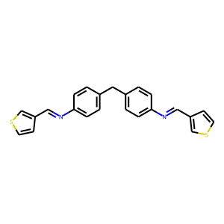 | -3 | 76.1
9 | COC1C=CC(=C(C=1)[N+](=O)[O-])N | 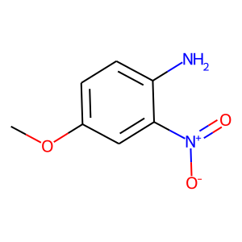 | -3 | 86.1
10 | CNC1=CC=C(C=C1)OC | 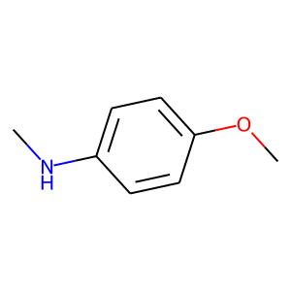 | -3 | 82.7
11 | O=CC1C=CC(=C(C=1)Br)OC | 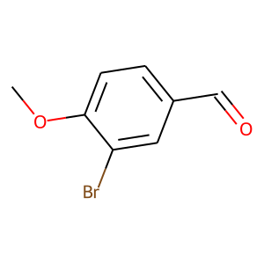 | -3 | 81.9
12 | CC1=CC(O)=C(C(=O)O1)/C(=N/C1=CC=CC=C1)/C | 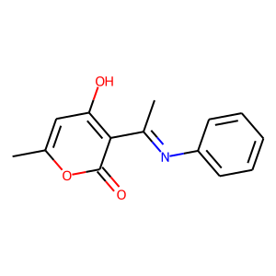 | -3 | 86.5
13 | CC1=CC(O)=C(C(=O)O1)/C(=N/C1C=CC=CC=1Cl)/C | 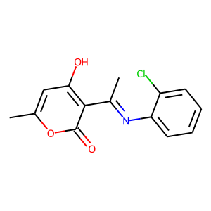 | -3 | 81.4
14 | CCOC(=O)C1=C(C2C=CC=CC=2)C(=C(OC1C)N)C#N | 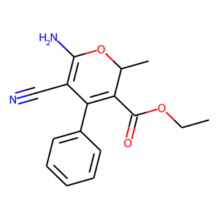 | -3 | 68
15 | CC1=CC(O)=C(C(=O)O1)C(=O)C | 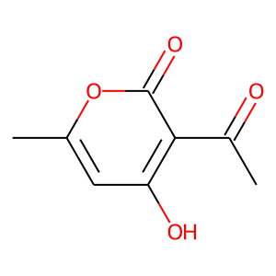 | -3 | 80.6
16 | NCC1C=CC(=C2C=1C=CC=N2)O | 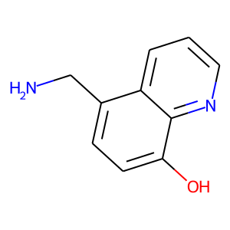 | -3 | 87.1
17 | CC(=O)NCC1C=CC(=C2C=1C=CC=N2)O | 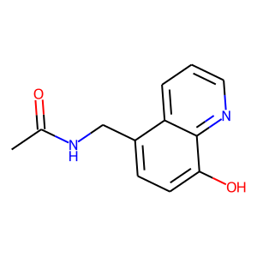 | -3 | 91.9
18 | CN(CC1C=CC(=C2C=1C=CC=N2)O)C | 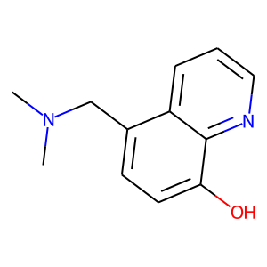 | -3 | 92.8
19 | O=S(=O)(C1=CC=C(C=C1)OCC1OC1)C1=CC=C(C=C1)OCC1OC1 | 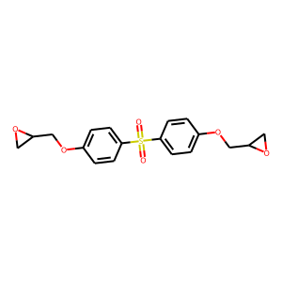 | -3 | 97.6
20 | C1C=CC(=C(C=1)C1C=CC=CC=1OCC1CO1)OCC1CO1 | 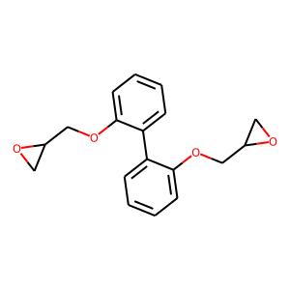 | -3 | 95.8
21 | CN1C(=O)NC(C1=O)(C1=CC=CC=C1)C1=CC=CC=C1 | 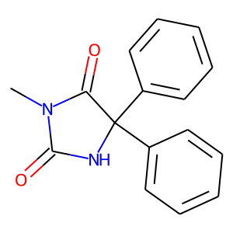 | -3 | 89.1
22 | OC1C=CC(=C2C=1N=CC=C2)COCC1C=CC=CC=1 | 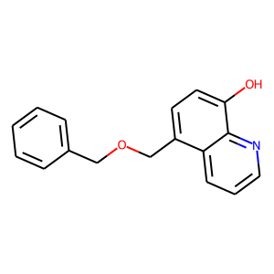 | -3 | 94.2
23 | CCN(CCOCC1C=CC(=C2C=1C=CC=N2)O)CC | 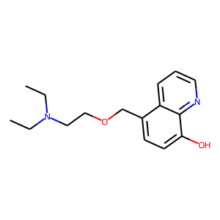 | -3 | 93.7
24 | OC1C=CC=CC=1/C=N/C1C=CC=CC=1O | 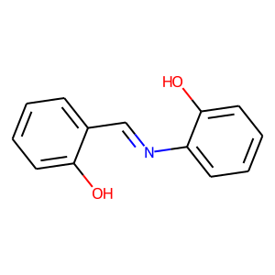 | -3 | 80
25 | CC1C=CC(=C(C=1)/C=N/C1C=CC=CC=1O)O | 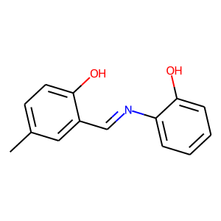 | -3 | 85
26 | COC1C=CC(=C(C=1)/C=N/C1C=CC=CC=1O)O | 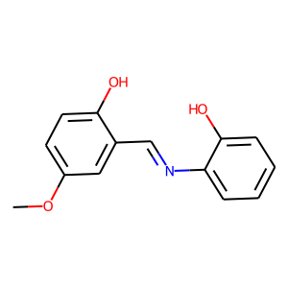 | -3 | 91
27 | C=CCSC1=NC2=C(N1)C=CC=C2 | 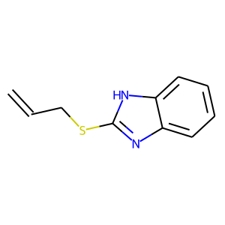 | -3 | 93.7
28 | C(SC1=NC2=C(N1)C=CC=C2)SC1=NC2=C(N1)C=CC=C2 | 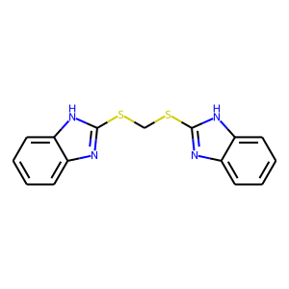 | -3 | 97.1
29 | CCCCCCN1C=C[N+](=C1)C.[I-] | 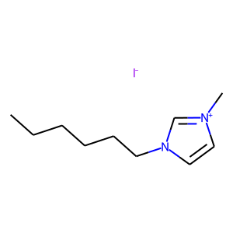 | -3 | 92.4
30 | CCCCN1C=C[N+](=C1)C.[I-] | 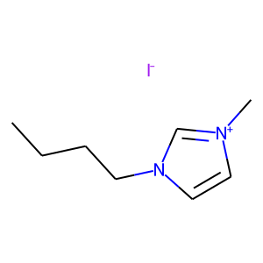 | -3 | 82.4
31 | CCCN1C=C[N+](=C1)C.[I-] | 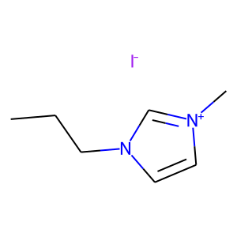 | -3 | 77.4
32 | CCOC(=O)C1N(N=NC1C(=O)OCC)CC1(CC)COC(=N1)C1=CC=CC=C1 | 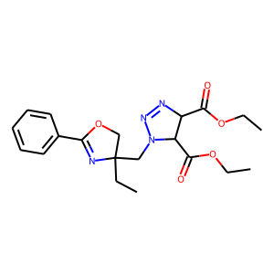 | -3 | 92.5
33 | CCCCCCCC[N+](CCOCCO)(C)C.[Br-] | 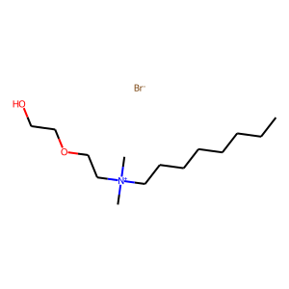 | -3 | 91.9
34 | CCCCCCCC[N+](C1=CC=C(C=C1)/C=N/C1=CN(N(C1=O)C1C=CC=CC=1)C)(C)C.[Br-] | 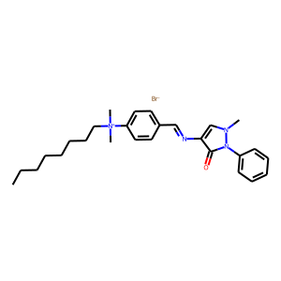 | -3 | 85.03
35 | CCCCCCCCCCCC[N+](C1C=CC(=CC=1)/C=N/C1=CN(N(C1=O)C1C=CC=CC=1)C)(C)C.[Br-] | 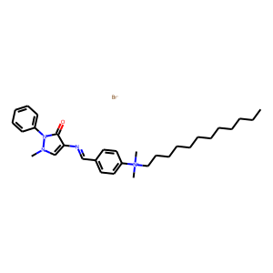 | -3 | 91.27
36 | CCCCCCCCCCCCCCCC[N+](C1C=CC(=CC=1)/C=N/C1=CN(N(C1=O)C1=CC=CC=C1)C)(C)C.[Br-] | 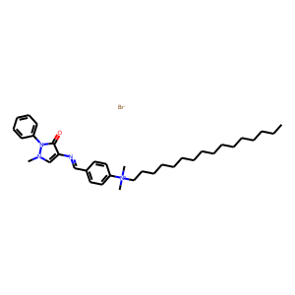 | -3 | 94.01
37 | ClC1C=CC(=CC=1)C(=O)C[N+]1C=CC=CN=1.[Br-] | 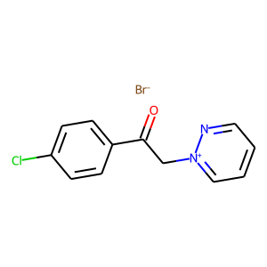 | -3 | 91
38 | NC1C=CC2=C(C=1)C1C=C(N)C=CC=1S2 | 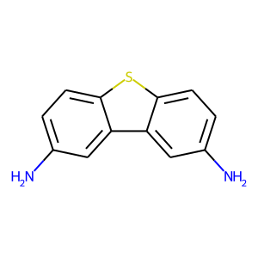 | -3 | 89.5
39 | C1=CSC(=C1)/C=N/C1C=CC2=C(C=1)C1C=C(/N=C/C3=CC=CS3)C=CC=1S2 | 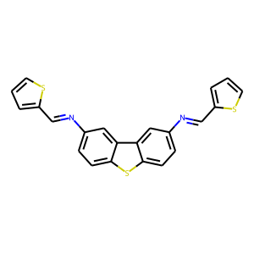 | -3 | 86.4
40 | OC1C=CC=CC=1C=NC1C=CC=CC=1O |  | -3 | 88
41 | CC1C=CC=CC=1N=CC1C=CC=CC=1O | 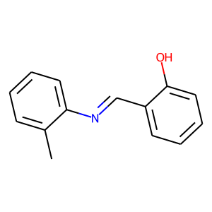 | -3 | 93
42 | COC1C=CC=CC=1N=CC1C=CC=CC=1O | 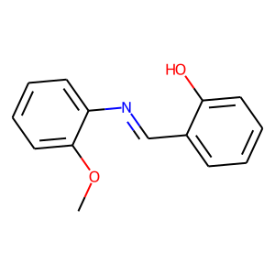 | -3 | 85
43 | OC1C=CC(=C2C=1N=CC=C2)CN1C(=O)N(C2=C1C=CC=C2)CC1C=CC(=C2C=1C=CC=N2)O | 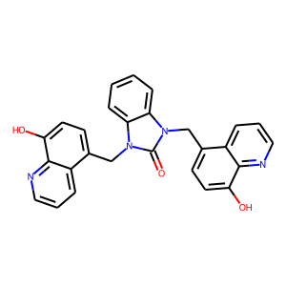 | -3 | 94.5
44 | OC1C=CC(=C2C=1N=CC=C2)CN1C2C=CC=CC=2N(C1=O)C(=C)C | 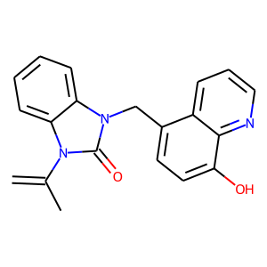 | -3 | 93.6
45 | O1CC1CN(C1C=CC=CC=1)CC1OC1 | 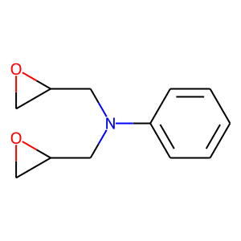 | -3 | 96.3
46 | ClC1=NC=CN1 | 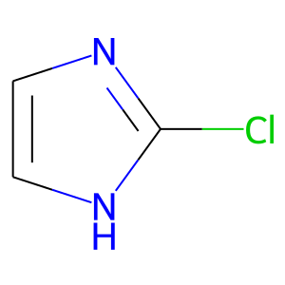 | -3 | 47.7
47 | CC(=O)C1=CC=C(C=C1)N1C=NC=C1 | 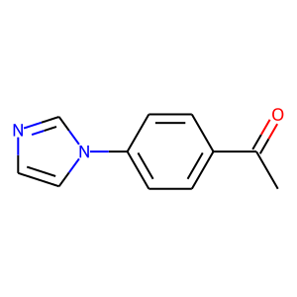 | -3 | 70.5
48 | NC1=CC=C(C=C1)N1C=NC=C1 | 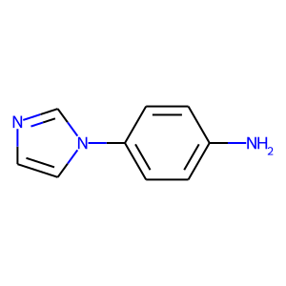 | -3 | 66.2
49 | O=CC1C=CC(=CC=1)N1C=NC=C1 | 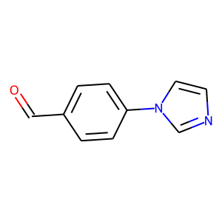 | -3 | 72.2
50 | BrC1C=CC(=CC=1)N1C=NC=C1 | 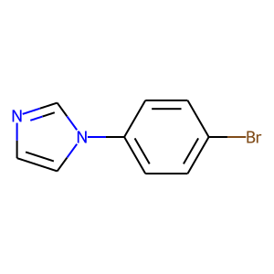 | -3 | 56.4
51 | ClC1=CC=C(C=C1)N1C=NC=C1 | 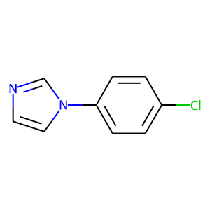 | -3 | 51.3
52 | OC1=CC=C(C=C1)N1C=NC=C1 |  | -3 | 78.4
53 | ClC1C=CC=C(C=1)N1C=NC=C1 |  | -3 | 57.2
54 | ClC1C=CC=CC=1N1C=NC=C1 |  | -3 | 51.9
55 | ClCC1=NC2=C(N1)C=CC=C2 |  | -3 | 81
56 | BrC1C=CC2=C(C=1)NC=N2 |  | -3 | 60.7
57 | NC1C=CC2=C(C=1)NC=N2 |  | -3 | 62.6
58 | C1C=CC(=CC=1)OCCC[N+]1C=CC=CN=1.[Br-] |  | -3 | 91.03
59 | C1C=CC(=NC=1)/C=N/C1C=CC(=CC=1)OC1C=CC(=CC=1)/N=C/C1C=CC=CN=1 |  | -3 | 81.14
60 | C1C=CC(=NC=1)/C=N/C1=CC=C(C=C1)OC1=CC=C(C=C1)OC1=CC=C(C=C1)/N=C/C1C=CC=CN=1 |  | -3 | 87.83
61 | [O-][N+](=O)C1C=CC(=CC=1)C1=NC2=C(N1)C=CC=C2 |  | -3 | 95.9
62 | NC1=CC=C(C=C1)C1=NC2=C(N1)C=CC=C2 |  | -3 | 93.9
63 | [O-][N+](=O)C1C=CC=CC=1C1=NC2=C(N1)C=CC=C2 |  | -3 | 90.9
64 | NC1C=CC=CC=1C1=NC2=C(N1)C=CC=C2 |  | -3 | 89.3
65 | C1=CC=C(C=C1)C1=NC2=C(N1)C=CC=C2 |  | -3 | 87.9
66 | OC1C=CC=CC=1C1=NC(=C(N1C1=CC=CC=C1)C1=CC=CC=C1)C1C=CC=CC=1 |  | -3 | 94
67 | COC1C=C(O)C=CC=1C1=NC(=C(N1C1=CC=CC=C1)C1=CC=CC=C1)C1=CC=CC=C1 |  | -3 | 95.4
68 | CC[N+]1=CC=C(C=C1)C(=O)N/N=C/C1C=CC(=CC=1)F.[I-] |  | -3 | 88.8
69 | CCCC[N+]1=CC=C(C=C1)C(=O)N/N=C/C1C=CC(=CC=1)F.[I-] |  | -3 | 92.3
70 | C[N+](=C1C=CC(=C(C2=CC=C(C=C2)N(C)C)C2C=CC(=CC=2)N(C)C)C=C1)C.[Cl-] |  | -3 | 75
71 | O=C(CC1=CC=CC=C1)N[C@@H]1C(=O)N2[C@@H]1SC(C2C(=O)O)(C)C |  | -3 | 86.8
72 | NC(C1=CC=CC=C1)C(=O)N[C@@H]1C(=O)N2[C@@H]1SC(C2C(=O)O)(C)C |  | -3 | 82.4
73 | O=C(C(C1C=CC(=CC=1)O)N)N[C@@H]1C(=O)N2[C@@H]1SC(C2C(=O)O)(C)C |  | -3 | 66.6
74 | COC1C=CC(=C(C=1)/C=N/N1C(NC2=C(C1=O)C=CC=C2)C1C=C(OC)C=CC=1O)O |  | -3 | 93
75 | OC1C=CC(=CC=1/C=N/N1C(NC2=C(C1=O)C=CC=C2)C1C=C(C=CC=1O)[N+](=O)[O-])[N+](=O)[O-] |  | -3 | 90.2
76 | CC(C1C=CC(=CC=1)/C=N/NC1C=CC(=CC=1[N+](=O)[O-])[N+](=O)[O-])C |  | -3 | 93.46
77 | CCCCCCCCCCCC[N+](CCOCCO)(C)C.[Br-] |  | -3 | 93.4
78 | CCCCCCCCCCCCCCCC[N+](CCCNC(=O)CCCCCCCCCCCCCCC)(C)C.[Br-] |  | -3 | 98.5
79 | C1C=CC(=CC=1)CC1C=CC2=C(C=1)C=CC=N2 |  | -3 | 96.54
80 | OS(=O)(=O)C1C(CC2C=CC3=C(C=2)C=CC=N3)=C(C(=C(C=1S(=O)(=O)O)S(=O)(=O)O)S(=O)(=O)O)S(=O)(=O)O |  | -3 | 98.03
81 | COC(=O)[C@@]1(O)C[C@]2(CC)CCCN3[C@@H]2C2N1C1C=CC=CC=1C=2CC3 |  | -3 | 79.4
82 | S=C(OC1C=CC(=CC=1)C(C1C=CC(=CC=1)C(=S)SCC1CO1)(C)C)SCC1CO1 |  | -3 | 96
83 | CC1=CC=C(C=C1)C1=NC2C=CC=CC=2C(=O)N1C |  | -3 | 92.27
84 | O=C1N(C)C(=NC2=C1C=CC=C2)C1=CC=CC=C1 |  | -3 | 89.93
85 | [O-][N+](=O)C1C=CC(=CC=1)C1=NC2C=CC=CC=2C(=O)N1C |  | -3 | 90.72
86 | OC1=CC=C(C=C1)C1=NC2C=CC=CC=2C(=O)N1C |  | -3 | 91.94
87 | N[C@H](C(=O)O)CS |  | -3 | 45
88 | CN1CCN(CC1)C(=S)NCC1C=CC(=C2C=1C=CC=N2)O |  | -3 | 95.1
89 | S=C(N1CCN(CC1)C1C=CC=CC=1)NCC1C=CC(=C2C=1C=CC=N2)O |  | -3 | 93.5
90 | CCCCCCC[N+]1C=CC=CN=1.[I-] |  | -3 | 91.4
91 | CCCCCCCCC[N+]1C=CC=CN=1.[I-] |  | -3 | 87.7
92 | CCCCCCCC[N+]1C=CC=CN=1.[I-] |  | -3 | 89.2
93 | CCOC1C=CC(=CC=1)/C=N/NC(=S)N |  | -3 | 81
94 | NC(=S)N/N=C/C1=CC=C(C=C1)O |  | -3 | 89
95 | COC1C=C(/C=N/NC(=S)N)C=CC=1O |  | -3 | 88
96 | NC(=S)N/N=C/C1C=CC=CN=1 |  | -3 | 78
97 | NC(=O)N/N=C/C1=CC2=C(N1)C=CC=C2 |  | -3 | 63
98 | CNC(=O)N/N=C/C1C=CC=CN=1 |  | -3 | 52
99 | CCCCCCCCCCCCCSC1=NC2=C(N1)C=CC=C2 |  | -3 | 95.7
100 | SC1C=CC=CC=1/N=C/C1C=CC(=CC=1)N(C)C |  | -3 | 77
101 | O=C1NC2C=CC=CC=2SC1C1C=CC(=CC=1)Cl |  | -3 | 94
102 | O=C1SC2C=CC=CC=2NC1C1=CC=C(C=C1)C |  | -3 | 92
103 | OC[C@@H]1O[C@@H](O)C([C@@H]([C@H]1O)O)N1C(=C(C#N)C(C2=C1NC(=O)NC2=O)C1=CC=C(C=C1)[N+](=O)[O-])N |  | -3 | 87.79
104 | CCCCCCSC1=NC=NN1 |  | -3 | 91
105 | CCCCC1=NC(=C(N1CC1=CC=C(C=C1)C1C=CC=CC=1C1=NN=NN1[K])CO)Cl |  | -3 | 83
106 | C1SC=C(N=1)C1=NC2=C(N1)C=CC=C2 |  | -3 | 86.1
107 | O1CC1CN(C1=CC=C(C=C1)OC1C=CC(=CC=1)N(CC1OC1)CC1OC1)CC1OC1 |  | -3 | 91.3
108 | CCN(C1C=CC(=CC=1)C=NC1=NN=C(S1)S)CC |  | -3 | 96.9
109 | O=C(OC(C)(C)C)NCC1C=CC(=C2C=1C=CC=N2)O |  | -3 | 94.9
110 | CCOC(=O)CC(=O)NCC1C=CC(=C2C=1C=CC=N2)O |  | -3 | 83.1
111 | FS(=O)(=O)[N-]S(=O)(=O)F.OCCN1CC=[N+](C1)C |  | -3 | 13.7
112 | FC(S(=O)(=O)[N-]S(=O)(=O)C(F)(F)F)(F)F.OCCN1CC=[N+](C1)C |  | -3 | 26.4
113 | [O-][N+](=O)C1C=CC2=C(C=1)C(=O)C1=C(N2)C=CC=C1 |  | -3 | 83.8
114 | F[P-](F)(F)(F)(F)F.OCC[N+]1C=CN(C=1)C |  | -3 | 43.77
115 | CCCCCCOC1C2OC(O[C@H]2O[C@@]21CO2)(C)C |  | -3 | 94.3
116 | CCCCCCCCCCCCOC1C2OC(O[C@H]2O[C@@]21CO2)(C)C |  | -3 | 94.4
117 | CCCCCCCC[N+](C1C=CC(=CC=1)/C=N/C1C=CC(=CC=1OC)C1C=CC(=C(C=1)OC)/N=C/C1=CC=C(C=C1)[N+](CCCCCCC)(C)C)(C)C.[Br-].[Br-] |  | -3 | 97.27
118 | CCCCCCCCCC[N+](C1C=CC(=CC=1)/C=N/C1C=CC(=CC=1OC)C1C=CC(=C(C=1)OC)/N=C/C1=CC=C(C=C1)[N+](CCCCCCCCC)(C)C)(C)C.[Br-].[Br-] |  | -3 | 97.76
119 | CCCCCCCCCCCC[N+](C1C=CC(=CC=1)/C=N/C1C=CC(=CC=1OC)C1C=CC(=C(C=1)OC)/N=C/C1C=CC(=CC=1)[N+](CCCCCCCCCCC)(C)C)(C)C.[Br-].[Br-] |  | -3 | 97.11
120 | O=C(CN1N=C(C=C1C)C)N/N=C/C1C=CC=CC=1 |  | -3 | 75.7
121 | O=C(CN1N=C(C=C1C)C)N/N=C/C1C=CC(=CC=1)Cl |  | -3 | 93
122 | NCC1=NC2=C(N1)C=CC=C2 |  | -3 | 63.4
123 | N(CC1=NC2=C(N1)C=CC=C2)CC1=NC2=C(N1)C=CC=C2 |  | -3 | 88.6
124 | C1C=CC2=C(C=1)NC(=N2)CN(CC1=NC2=C(N1)C=CC=C2)CC1=NC2=C(N1)C=CC=C2 |  | -3 | 92
125 | O(CC1OC1)CCOC1N=C(OCCOCC2OC2)N=C(N=1)OCCOCC1OC1 |  | -3 | 84
126 | OC1C=CC(=C2C=1N=CC=C2)CC1=NCCN1 |  | -3 | 96.19
127 | OC1C=CC(=C2C=1N=CC=C2)CC1=NCCO1 |  | -3 | 91.65
128 | C1SC=C(C=1)/C=N/C1C=CC(=CC=1)OC1=CC=C(C=C1)/N=C/C1=CSC=C1 |  | -3 | 82
129 | C1SC=C(C=1)/C=N/C1=CC=C(C=C1)CCC1C=CC(=CC=1)/N=C/C1=CSC=C1 |  | -3 | 81.1
130 | COOCC1=C(N)N=NN1CC1C=CC(=C2C=1C=CC=N2)O |  | -3 | 87
131 | CC1=CC(O)=C(C(=O)O1)C(=O)/C=C/C1C=CC=C2C=1N=CC=C2 |  | -3 | 85.2
132 | CC1=CC(O)=C(C(=O)O1)C(=O)/C=C/C1C=CC(=CC=1)N(C)C |  | -3 | 89.8
133 | N1C=CC(=CC=1)C1=NC2=C(N1)C=CC=C2 |  | -3 | 80.5
134 | NOCC1C=CC(=C2C=1C=CC=N2)O |  | -3 | 96.9
135 | NNCC1C=CC(=C2C=1C=CC=N2)O |  | -3 | 97
136 | CCC[N+]1C=CC(=CC=1)C(=O)N/N=C/C1=CC=C(C=C1)F.[I-] |  | -3 | 88.6
137 | CCCCC[N+]1C=CC(=CC=1)C(=O)N/N=C/C1=CC=C(C=C1)F.[I-] |  | -3 | 87.8
138 | NCCNCC1C=CC(=C2C=1C=CC=N2)O |  | -3 | 96.9
139 | NCCOCC1C=CC(=C2C=1C=CC=N2)O |  | -3 | 98.9
140 | CC1C=CC(=CC=1)NC(=O)CN1C(=NC2=C1C=CC=C2)C1=CC=C(C=C1)Cl |  | -3 | 94.6
141 | O=C(CN1C(=NC2=C1C=CC=C2)C1C=CC(=CC=1)Cl)NC1=CC(C)=CC(=C1)C |  | -3 | 95
142 | O=C(CN1C(=NC2=C1C=CC=C2)C1C=CC(=CC=1)Cl)NC1=CC=CC=C1 |  | -3 | 92.6
143 | BrC1=CC=C(C=C1)C1=NC2C(N1CC1C=CC(=C3C=1C=CC=N3)O)=CC(=C(C=2)C)C |  | -3 | 97
144 | BrC1=CC=C(C=C1)C1=NC2=C(N1CC1C=CC(=C3C=1C=CC=N3)O)C=CC=C2 |  | -3 | 92.1
145 | NC1=NC(N)=NC(=N1)N |  | -3 | 63.87
146 | CCCCCCCCNC1N=C(NCCCN(C)C)N=C(N=1)NCCCN(C)C |  | -3 | 96.53
147 | CCCCCCCCNC1N=C(NCCCN(C)C)N=C(N=1)SC1=NN=C(S1)C |  | -3 | 96.72
148 | CCOP(=O)(C(C1C=CC=CC=1OC)NC)O |  | -3 | 94.06
149 | CCOP(=O)(C(C1C=CC=C(C=1)OC)NC)O |  | -3 | 86.64
150 | CC1SC=C(N=1)C1C=CC=CC=1 |  | -3 | 90.3
151 | CN=C(S/C=C(/C1C=CC(=CC=1)O)\C)C |  | -3 | 91.6
152 | OC1=CC=C(C=C1)C1N=C(SC=1SC1SC(=NC=1C1=CC=C(C=C1)O)N)N |  | -3 | 85.1
153 | SC1=NC2=C(N1)C=CC=C2 |  | -3 | 87
154 | C1C=CC2=C(C=1)NC(=N2)SSC1=NC2=C(N1)C=CC=C2 |  | -3 | 92
155 | ClC1C=CC(=CC=1)C(=O)OCC1C=CC(=C2C=1C=CC=N2)O |  | -3 | 93.1
156 | O=C(C1C=CC(=CC=1)[N+](=O)[O-])OCC1C=CC(=C2C=1C=CC=N2)O |  | -3 | 90.1
157 | NC1NC(=O)C2=C(N=1)NC=N2 |  | -3 | 67.8
158 | NC1N=CN=C2C=1N=CN2 |  | -3 | 69.9
159 | NC1N=C(N)C2=C(N=1)NC=N2 |  | -3 | 70.9
160 | NC1N=C(S)C2=C(N=1)NC=N2 |  | -3 | 78.4
161 | SC1N=C(S)C2=C(N=1)NC=N2 |  | -3 | 85.4
162 | NN1C(S)=NN=C1CN1C=NC=N1 |  | -3 | 71.6
163 | SC1=NN=C(N1N=CC1C=CC=CC=1[N+](=O)[O-])CN1N=CN=C1 |  | -3 | 89.1
164 | SC1=NN=C(N1N=CC1C=CC=CC=1F)CN1N=CN=C1 |  | -3 | 89.2
165 | COC1C=CC=CC=1C=NN1C(S)=NN=C1CN1N=CN=C1 |  | -3 | 92.4
166 | CN(C1=CC=C(C=C1)C=NN1C(S)=NN=C1CN1N=CN=C1)C |  | -3 | 93.4
167 | ClC1=CC=C(C=C1)C=NN1C(S)=NN=C1CN1N=CN=C1 |  | -3 | 96.9
168 | O=C(CN1C=NC=N1)NNC(=S)NC(C1=CC=CC=C1)O |  | -3 | 97.8
169 | O=C(CN1C=NC=N1)NNC(=S)NC(C1C=C(C)C=C(C=1)C)O |  | -3 | 94.8
170 | CC(=NOCN1C=NN=C1)C1C=CC(=CC=1)Cl |  | -3 | 96.8
171 | COC1C=CC(=CC=1)C(=NOCN1C=NN=C1)C |  | -3 | 93.8
172 | CC(=NOCN1C=NN=C1)C1=CC=C(C=C1)F |  | -3 | 93.5
173 | CC(=NOCN1C=NN=C1)C1C=CC(=C(C=1)Cl)Cl |  | -3 | 98.7
174 | ClC1C=CC(=C(C=1)C(=NOCN1C=NN=C1)C)Cl |  | -3 | 98
175 | O=C(N1CCC(=N1)C1C=CC=CC=1)CN1C=NC=N1 |  | -3 | 98
176 | FC1=CC=C(C=C1)C1=NN(CC1)C(=O)CN1C=NC=N1 |  | -3 | 97
177 | ClC1C=CC(=C(C=1)Cl)C1=NN(CC1)C(=O)CN1C=NC=N1 |  | -3 | 99
178 | O=C(C1C=CC=CC=1)CSC1=NN=C(O1)CN1C=NC=N1 |  | -3 | 98.4
179 | CC(C1C=CC(=CC=1)CSC1=NN=C(O1)CN1N=CN=C1)(C)C |  | -3 | 98.6
180 | CC(=O)N1N=C(OC1C1=CC=C(C=C1)[N+](=O)[O-])CN1N=CN=C1 |  | -3 | 98.8
181 | COC1C=CC(=CC=1)C(=O)CSC1=NN=C(N1)CN1N=CN=C1 |  | -3 | 98.7
182 | O=C(C1=CC=C(C=C1)OCN1N=CN=C1)C=CC1=CC=C(C=C1)F |  | -3 | 98.3
183 | NC1C=CC=CC=1Cl |  | -3 | 63.62
184 | NC1C=CC=CC=1F |  | -3 | 57.38
185 | COC1C=CC=CC=1N |  | -3 | 56.79
186 | CCOC1C=CC=CC=1N |  | -3 | 55.26
187 | CCC1C=CC=CC=1N |  | -3 | 49.88
188 | CC1C=CC=CC=1N |  | -3 | 43.13
189 | [O-][N+](=O)C1C=CC2=C(C=1)C=NN2 |  | -3 | 75.9
190 | COC1C2OC(O[C@H]2C[C@@H]1C1OC1)(C)C |  | -3 | 92.9
191 | CCCCCCOC1C2OC(O[C@H]2C[C@@H]1C1CO1)(C)C |  | -3 | 94.6
192 | ClCC1C=CC(=C2C=1C=CC=[NH+]2)O.[Cl-] |  | -3 | 91
193 | CN(CC1C=CC2=C(C=1O)N=CC=C2)C |  | -3 | 94
194 | CCCN(CC1C=CC2=C(C=1O)N=CC=C2)CCC |  | -3 | 89.1
195 | C#CCN1C(=O)C2=C(S1(=O)=O)C=CC=C2 |  | -3 | 92.47
196 | C1C=CC2=C(C=1)N=CC=C2 |  | -3 | 82.96
197 | C1=CC=C(C=C1)CC1C=CC=C2C=1C=CC=N2 |  | -3 | 94.74
198 | OC1C=CC(=C2C=1N=CC=C2)CC1C=CC=CC=1 |  | -3 | 98.06
199 | C1NN=C(N=1)N=CC1C=CC(=CC=1)C=NC1=NNC=N1 |  | -3 | 91.2
200 | OC1=NC=CC=N1 |  | -3 | 54.6
201 | SC1N=CC=CN=1 |  | -3 | 59.5
202 | F[P-](F)(F)(F)(F)F.CCN1C=C[N+](=C1)C |  | -3 | 62.05
203 | F[P-](F)(F)(F)(F)F.CCCCCCCCN1C=C[N+](=C1)C |  | -3 | 82.98
204 | ClC1=CC=C(C=C1)/C=C/C1=NC2C=CC=CC=2NC1=O |  | -3 | 92.8
205 | CN(C1=CC=C(C=C1)/C=C/C1=NC2C=CC=CC=2NC1=O)C |  | -3 | 96.4
206 | COC1C=CC2=C(C=1)C=CC(=C2)C(C(=O)N/N=C(/C1C=CC=CC=1)\C)C |  | -3 | 87
207 | COC1C=CC2=C(C=1)C=CC(=C2)C(C(=O)N/N=C(/C1=CC=C(C=C1)Br)\C)C |  | -3 | 91
208 | CCN(CCN1C2C=CC(=CC=2C(=O)C1=O)Br)CC |  | -3 | 93.5
209 | CCN(CCN1C2C=CC=CC=2C(=O)C1=O)CC |  | -3 | 88.8
210 | CCN(CCN1C2C=CC(=CC=2C(=O)C1=O)F)CC |  | -3 | 90.6
211 | [O-]C(=O)C/N=C/C=C/C1C=CC=CC=1.[K+] |  | -3 | 97.3
212 | [O-]C(=O)C(CC1=CNC=N1)/N=C/C=C/C1C=CC=CC=1.[K+] |  | -3 | 97.7
213 | [O-]C(=O)C(CC1=CNC2=C1C=CC=C2)/N=C/C=C/C1=CC=CC=C1.[K+] |  | -3 | 98
214 | C1=CC(=NC(=C1)C1=NC2=C(N1)C=CC=C2)C1=NC2=C(N1)C=CC=C2 |  | -3 | 97
215 | S(CC1=NC2=C(N1)C=CC=C2)CC1=NC2=C(N1)C=CC=C2 |  | -3 | 96
216 | O(CC1=NC2=C(N1)C=CC=C2)CC1=NC2=C(N1)C=CC=C2 |  | -3 | 95
217 | C1C=CC2=C(C=1)NC(=N2)CCC1=NC2=C(N1)C=CC=C2 |  | -3 | 94
218 | COC1C=CC(=CC=1/C=C/C(=O)C1=CC=C(C=C1)OCC(=O)O)OC |  | -3 | 95.96
219 | COC1C=CC(=CC=1)/C=C/C(=O)C1=CC=C(C=C1)OCC(=O)O |  | -3 | 92.29
220 | CC(=O)COC1=CC=C(C=C1)C(=O)/C=C/C1C=CC(=CC=1)C |  | -3 | 85.37
221 | C1C=C(N=C(C=1)C1=NC2=C(S1)C=CC=C2)C1=NC2=C(S1)C=CC=C2 |  | -3 | 96
222 | S(CC1=NC2=C(S1)C=CC=C2)CC1=NC2=C(S1)C=CC=C2 |  | -3 | 93
223 | C1C=CC2=C(C=1)SC(=N2)CCC1=NC2=C(S1)C=CC=C2 |  | -3 | 91
224 | O=CC1=CC2=CC(Cl)=CC(=C2C=C1Cl)[N+](=C)[O-] |  | -3 | 95
225 | O=CC1C=C2C=C(C=CC2=CC=1Cl)[N+](=O)[O-] |  | -3 | 85
226 | O=CC1C=C2C=C(Cl)C=CC2=CC=1Cl |  | -3 | 83
227 | COC1C=CC(=CC=1O)/C=N/C1C=CC=C(C=1)C(=O)O |  | -3 | 87.53
228 | OC1=CC=C2C(=C1/C=N/C1=CC=CC(=C1)C(=O)O)C=CC=C2 |  | -3 | 89.13
229 | COC1=CC=C(C=C1)/C=C/C=N/C(=C/C(=C)C(=O)O)/C |  | -3 | 97.07
230 | COC1C=CC(=CC=1)/C=C/C=N/C1=C(C)N(N(C1=O)C1=CC=CC=C1)C |  | -3 | 98.14
231 | NC(=S)N/N=C/C1=CC=NC=C1 |  | -3 | 84.5
232 | ClC1C=CC(=CC=1)C1=NC2=C(N1CCCCN1C(=NC3=C1C=CC=C3)C1C=CC(=CC=1)Cl)C=CC=C2 |  | -3 | 89
233 | C1=CC=C(C=C1)C1=NC2=C(N1CCCCN1C(=NC3=C1C=CC=C3)C1C=CC=CC=1)C=CC=C2 |  | -3 | 81
234 | CCCCCCCCCCCC[N+](CCOC(=O)C[N+](CC/N=C/C1=CC=CO1)(C)C)(C)C.[Cl-].[Br-] |  | -3 | 94.65
235 | CCCCCCCCCCCC[N+](CCOC(=O)C[N+](CC/N=C/C=C/C1=CC=CC=C1)(C)C)(C)C.[Cl-].[Br-] |  | -3 | 94.99
236 | CCCCCCCCCCCC[N+](CCOC(=O)C[N+](CC/N=C/C1=CC=C(C=C1)OC)(C)C)(C)C.[Cl-].[Br-] |  | -3 | 95.44
237 | CSC1SC=C([N+]=1C1C=CC=CC=1)C.[I-] |  | -3 | 93.86
238 | O=C1C(=O)C2=C(N1CCCCCC[N+](C)(C)C)C=CC=C2 |  | -3 | 92.07
239 | C1=CC=C(C=C1)C1=NC2=C(N1)C1C=CC=NC=1C1=C2C=CC=N1 |  | -3 | 89.2
240 | C1C=NC2C(C=1)=C1N=C(NC1=C1C=2N=CC=C1)C1C=CC(=CC=1)C1=NC2=C(N1)C1C=CC=NC=1C1=C2C=CC=N1 |  | -3 | 90.3
241 | O=C1NC2=C(/C/1=N/C1=CC=CC=C1)C=CC=C2 |  | -3 | 74.8
242 | OC1C=CC(=CC=1)/N=C/1\C(=O)NC2=C1C=CC=C2 |  | -3 | 91.2
243 | ClC1=CC=C(C=C1)/N=C/1\C(=O)NC2=C1C=CC=C2 |  | -3 | 85.3
244 | N[C@H](C(=O)O)CC1=CC=CC=C1 |  | -3 | 86.8
245 | OC1C=CC(=C(C=1)O)/C=N/NC1C=CC(=CC=1[N+](=O)[O-])[N+](=O)[O-] |  | -3 | 93.89
246 | CC1C=CC(=CC=1)/C=N/NC1C=CC(=CC=1[N+](=O)[O-])[N+](=O)[O-] |  | -3 | 87.77
247 | ClC1=CC=C(C=C1)/C=N/NC1C=CC(=CC=1[N+](=O)[O-])[N+](=O)[O-] |  | -3 | 84.3
248 | C1CCC2(CC1)NC1C=CC=CC=1N=C1C2CCCC1 |  | -3 | 89.7
249 | CC1(NC2C=CC=CC=2N=C2C1CCCC2)C1C=CC=CC=1 |  | -3 | 93.3
250 | ClC1C=CC(=CC=1)C1SC2=NC(/N=C/C3C=CC=CC=3)=CC(=O)N2C(=O)C=1O |  | -3 | 91.8
251 | O/N=C\C(=O)NC1C=CC=CC=1 |  | -3 | 59.5
252 | O/N=C\C(=O)NC1C=CC=CC=1OC |  | -3 | 72.8
253 | O/N=C\C(=O)NC1C=CC=CC=1Br |  | -3 | 75.1
254 | CCCCCCCCOP(=O)(OC1C=CC(=CC=1OC)/C=N/CC[N+](CCCCCCCC)(C)C)[O-].[Na+].[Br-] |  | -3 | 90.09
255 | CCCCCCCCCCCCOP(=O)(OC1C=CC(=CC=1OC)/C=N/CC[N+](CCCCCCCCCCCC)(C)C)[O-].[Na+].[Br-] |  | -3 | 90.85
256 | CCCCCCCCCCCCCCCCOP(=O)(OC1C=CC(=CC=1OC)/C=N/CC[N+](CCCCCCCCCCCCCCCC)(C)C)[O-].[Na+].[Br-] |  | -3 | 92.27
257 | N#CC1=C(N)OC2=C(C1C1C=CC=CC=1Cl)C(=O)OC1=C2C=CC=C1 |  | -3 | 91.6
258 | N#CC1=C(N)OC2=C(C1C1=CC=C(C=C1)Cl)C(=O)OC1=C2C=CC=C1 |  | -3 | 86.8
259 | SC1NN=C(N=1)/N=C/C1=CC=CO1 |  | -3 | 85
260 | SC1NN=C(N=1)/N=C/C1=CC=CS1 |  | -3 | 87
261 | N/N=C(/C(=N/C1C=CC=CC=1O)/C1=CC=CC=C1)\C1=CC=CC=C1 |  | -3 | 88.62
262 | BrCCOC1C=CC=C2C=1N=CC=C2 |  | -3 | 95.2
263 | BrCCCOC1C=CC=C2C=1N=CC=C2 |  | -3 | 95.7
264 | BrCCCCOC1C=CC=C2C=1N=CC=C2 |  | -3 | 97.5
265 | OC1=CC=C(C=C1)/C=N/NC(=O)C1C=CC=NC=1 |  | -3 | 82.3
266 | CC1C=CC(=CC=1)/C=N/NC(=O)C1C=CC=NC=1 |  | -3 | 81.5
267 | NC1C=CC(=CC=1)OC1C=C(C=C(C=1)OC1=CC=C(C=C1)N)OC1C=CC(=CC=1)N |  | -3 | 97.4
268 | C/C(=C/C(=O)C1C=CC=CN=1)/O |  | -3 | 89.2
269 | O/C(=C\C(=O)C1C=C(N(N=1)C)C)/C1C=CC=CN=1 |  | -3 | 91.3
270 | O=C(C1C=CC=NC=1)N/N=C/C1C=CC(=CC=1)N(C)C |  | -3 | 85
271 | Cc1csc(N)n1 |  | -3 | 55.3
272 | Nc1nc(=S)[nH][nH]1 |  | -3 | 67.6
273 | c1ccc2n[nH]nc2c1 |  | -3 | 69.9
274 | On1nnc2cccnc21 |  | -3 | 74.8
275 | Cc1ccc(/C=C/C=O)cc1 |  | -3 | 73
276 | COc1ccc(/C=C/C=O)cc1 |  | -3 | 86
277 | C/C(=N\c1ccccn1)c1ccc(O)cc1O |  | -3 | 90
278 | C/C(=N\c1cccc(O)c1)c1ccc(O)cc1O |  | -3 | 89.7
279 | CCOC(=O)Cn1c(=O)c(C)nc2ccccc21 |  | -3 | 86.7
280 | [N-]=[N+]=NCC(CCl)OCc1ccc(O)c2ncccc12 |  | -3 | 93.8
281 | N#CC1=C(c2ccccc2)c2ccc3cccnc3c2OC1N |  | -3 | 91.1
282 | COc1ccccc1C1=NOC(C)([C@@H]2CC=C(C)C(=O)C2)C1 |  | -3 | 93.28
283 | N#CC1=C(N)Oc2c(c(=O)oc3ccccc23)C1c1ccccc1 |  | -3 | 89
284 | Oc1c(CN2CCN(Cc3ccccc3)CC2)ccc2cccnc12 |  | -3 | 93.6
285 | C1OC1CSc1nc(N(CC2CO2)CC2CO2)nn1CC1CO1 |  | -3 | 90.8
286 | COC(=O)C1=C(N)Oc2c(ccc3cccnc23)C1c1ccc(OC)cc1 |  | -3 | 93.8
287 | COC(=O)C1=C(N)Oc2c(ccc3cccnc23)C1c1ccc(Cl)cc1 |  | -3 | 89.5
288 | c1ccc(CNCCCN(CCN2CCCCC2)Cc2ccccn2)nc1 |  | -3 | 86
289 | Oc1c(CN2CCN(Cc3ccc4c(c3)OCO4)CC2)ccc2cccnc12 |  | -3 | 96.8
290 | OCC/N=C/c1ccccc1N1CCN(c2ccccc2/C=N/CCO)CC1 |  | -3 | 81
291 | CCCCCCNc1nc(NCCCN(C)C)nc(NCCCN(C)C)n1 |  | -3 | 93.45
292 | CCCCCCCCNc1nc(NCCCN(C)C)nc(NCCCN(C)C)n1 |  | -3 | 94.41
293 | Cc1ccc(/N=C/c2c(O)ccc3ccccc23)cc1/N=C/c1c(O)ccc2ccccc12 |  | -3 | 92.46
294 | CCCCCCCCCCCCNc1nc(NCCCN(C)C)nc(NCCCN(C)C)n1 |  | -3 | 96.66
295 | C(=N/c1ccc(Cc2ccc(/N=C/c3ccc4ccccc4n3)cc2)cc1)\c1ccc2ccccc2n1 |  | -3 | 81.11
296 | C(=N/c1ccc(Oc2ccc(/N=C/c3ccc4ccccc4n3)cc2)cc1)\c1ccc2ccccc2n1 |  | -3 | 82.8
297 | C(=N/c1ccc(CCc2ccc(/N=C/c3ccc4ccccc4n3)cc2)cc1)\c1ccc2ccccc2n1 |  | -3 | 85.3
298 | CCOC(=O)CN1N=C(C)C(=CC1=S)CC1C=CC=CC=1Cl |  | -3 | 97
299 | CCOC(=O)CN1N=C(C)C(=CC1=O)CC1C=CC=CC=1Cl |  | -3 | 91
300 | OCCN1N=C(C)C(=CC1=O)CC1C=CC=CC=1Cl |  | -3 | 87
301 | OCCN1N=C(C)C(=CC1=S)CC1C=CC=CC=1Cl |  | -3 | 93
302 | N#CC(C1=CC=CC=C1)C1C=CC(=NN=1)Cl |  | -3 | 95.84
303 | ClC1C=CC(=NN=1)C1=CNC2=C1C=CC=C2 |  | -3 | 95.67
304 | ClC1C=CC(=NN=1)C1=CC=C(C=C1)C(=O)O |  | -3 | 72.64
305 | ClC1C=CC(=NN=1)C1=CC=CC(=C1)C(=O)O |  | -3 | 85.2
306 | ClC1C=CC(=NN=1)N1C=CC=C1 |  | -3 | 69.05
307 | OC1CCN(CC1)C1C=CC(=NN=1)Cl |  | -3 | 82.42
308 | CC1=CCC(=NN1C1C=CC(=NN=1)Cl)C |  | -3 | 83.04
309 | CC1=CC=C(C=C1)C1=NNC(=O)C2C1=CC=CC=2 |  | -3 | 77.17
310 | ClC1=CC=C(C=C1)C1=NNC(=O)C2C1=CC=CC=2 |  | -3 | 76.98
311 | COC1C=CC(=CC=1)C1=NNC(=O)C2C1=CC=CC=2 |  | -3 | 79.86
312 | O=C1NN=C(C2C1=CC=CC=2)C1=CC=CC=C1 |  | -3 | 70.71
313 | CC1=NNC(=S)C=C1CC1=CC=CC=C1 |  | -3 | 90
314 | CC1=NNC(=O)C=C1CC1C=CC=CC=1 |  | -3 | 65
315 | O=C1C(=O)C2=C(N1CC1=CC(=NN=C1C1C=CC=CN=1)C1C=CC=CN=1)C=CC=C2 |  | -3 | 90
316 | O1CCN(CC1)CC1=CC(=NN=C1C1C=CC=CN=1)C1C=CC=CN=1 |  | -3 | 84
317 | CC1C=CC(=CC=1)C1=CC(=NN=C1C1C=CC=CN=1)C1C=CC=CN=1 |  | -3 | 73

