Instructions
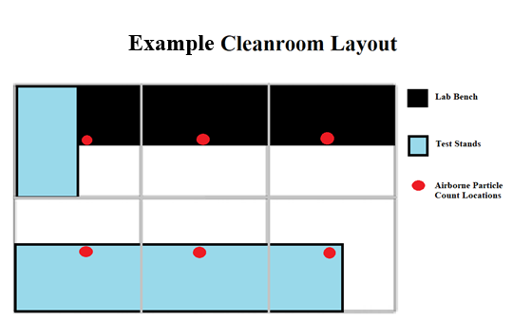
Purpose:

 | • The purpose of this workbook is to ensure the airborne particle contamination level of the cleanroom conforms to
 | the ISO xxxxxx Standard. Verification checks should be performed at least once a year, or per company
 | standards.

Instructions:

*NOTE* All data is to be entered in Yellow Highlighted Boxes

1) | In the CleanroomData tab, select the ISO Class and enter the cleanroom's length and width (m)
 |  | • Given the sampling number NL , divide the cleanroom into NL sections of equal area
 |  | • Select within each section a sampling location considered to be representative of the characteristics of the section
 |  | • If particle counter measures at a rate other than 2.83 L/min, modify the value in cell B10

2) | In the AirborneCounts tab, enter the ISO Class to calculate the minimum required Sampling Volume Vs
 |  | • If only testing a specific class range, your min Vs would change to the next highest Vs
 |  |  | -(ex. ISO Class 6, sizes 0.1µm-1µm: Vs would be 2.4 L) | IMPORTANT:
 |  | • Press the "Re-Populate Sample Entries NL" button to add or take away sample entries |  | •Sample Volume for each location MUST BE AT LEAST 2L, for AT LEAST 1min (see A.4.4)
 |  |  |  | • Though this workbook can be used for every ISO Class, it is recommended to perform a Sequential Sampling Procedure (Annex D) for ISO Classes 1-4 due to limitations from their largest particle sizes
3) | At each location, position the particle counter probe in the plane of the work activity or another specified point |  |  | • If testing to a different Vs or any special criteria, record changes in the 'Additional Testing Notes' section in the AirborneCounts tab

4) | Begin particle counting in the designated testing locations

5) | Record data in the "Recorded Airborne Particle Counts" table in the AirborneCounts tab while testing

CleanroomData
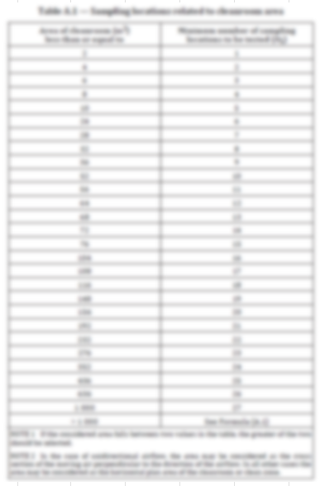
Classification of Air Cleanliness by Particle Concentration
Reference
ISO Class | ISO Class 7
Location | xxxxx Cleanroom
Standard | ISO 14644-1:2015
ISO Class Specification | 0.5µm, 1µm, 5µm | Password for Sheets:

Test Equipment
Occupancy state | "As Operational" | Clean23.
Tool used | xxxxx particle counter
Gauge ID | Gage ID:
Flow Rate | 2.83 L/min

Cleanroom Dimensions
Length (m) | 3.65
Width (m) | 3.65
Area (m2) | 13

Minimum Number of Sampling Locations for Testing NL | 6

AirborneCounts
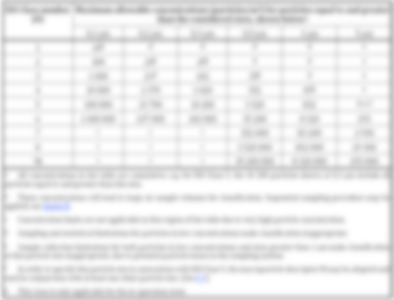
6
 | ISO Class 7

 | 0.1µm (Counts per m³) | 0.2µm (Counts per m³) | 0.3µm (Counts per m³) | 0.5µm (Counts per m³) | 1µm (Counts per m³) | 5µm(Counts per m³)
ISO Class 7 | 0 | 0 | 0 | 352000 | 83200 | 2930
VS (minimum) | #DIV/0! | #DIV/0! | #DIV/0! | 0.06 L | 0.24 L | 6.83 L
 |  |  |  |  |  |  |  |  |  |  |  |  | Additional Testing Notes
Sampling volume | 10 L
Sampling Time | 4 min

Recorded Airborne Particle Counts

Sampling location | Number of particles (0.1µm) | Number of particles (0.2µm) | Number of particles (0.3µm) | Number of particles (0.5µm) | Number of particles (1µm) | Number of particles (5µm)
1
2
3
4
5
6

 |  |  |  |  |  |  | Validation of Results Validation of Results Validation of Results Validation of Results Validation of Results Validation of Results

 |  |  |  |  |  |  | Sampling Location | Location Sample Average > 0.1µm (counts per 10 L) | Location Concentration Average (counts per m3) | ISO Class 7 Limit (0.1 µm) | Pass/fail | Sampling Location | Location Sample Average > 0.2µm (counts per 10 L) | Location Concentration Average (counts per m3) | ISO Class 7 Limit (0.2 µm) | Pass/fail | Sampling Location | Location Sample Average > 0.3µm (counts per 10 L) | Location Concentration Average (counts per m3) | ISO Class 7 Limit (0.3 µm) | Pass/fail | Sampling Location | Location Sample Average > 0.5µm (counts per 10 L) | Location Concentration Average (counts per m3) | ISO Class 7 Limit (0.5 µm) | Pass/fail | Sampling Location | Location Sample Average > 1µm (counts per 10 L) | Location Concentration Average (counts per m3) | ISO Class 7 Limit (1 µm) | Pass/fail | Sampling Location | Location Sample Average > 5µm (counts per 10 L) | Location Concentration Average (counts per m3) | ISO Class 7 Limit (5 µm) | Pass/fail
 |  |  |  |  |  |  | 1 | 0 | 0 | 0 | N/A | 1 | 0 | 0 | 0 | N/A | 1 | 0 | 0 | 0 | N/A | 1 | 0 | 0 | 352000 | PASS | 1 | 0 | 0 | 83200 | PASS | 1 | 0 | 0 | 2930 | PASS
 |  |  |  |  |  |  | 2 | 0 | 0 | 0 | N/A | 2 | 0 | 0 | 0 | N/A | 2 | 0 | 0 | 0 | N/A | 2 | 0 | 0 | 352000 | PASS | 2 | 0 | 0 | 83200 | PASS | 2 | 0 | 0 | 2930 | PASS
 |  |  |  |  |  |  | 3 | 0 | 0 | 0 | N/A | 3 | 0 | 0 | 0 | N/A | 3 | 0 | 0 | 0 | N/A | 3 | 0 | 0 | 352000 | PASS | 3 | 0 | 0 | 83200 | PASS | 3 | 0 | 0 | 2930 | PASS
 |  |  |  |  |  |  | 4 | 0 | 0 | 0 | N/A | 4 | 0 | 0 | 0 | N/A | 4 | 0 | 0 | 0 | N/A | 4 | 0 | 0 | 352000 | PASS | 4 | 0 | 0 | 83200 | PASS | 4 | 0 | 0 | 2930 | PASS
 |  |  |  |  |  |  | 5 | 0 | 0 | 0 | N/A | 5 | 0 | 0 | 0 | N/A | 5 | 0 | 0 | 0 | N/A | 5 | 0 | 0 | 352000 | PASS | 5 | 0 | 0 | 83200 | PASS | 5 | 0 | 0 | 2930 | PASS
 |  |  |  |  |  |  | 6 | 0 | 0 | 0 | N/A | 6 | 0 | 0 | 0 | N/A | 6 | 0 | 0 | 0 | N/A | 6 | 0 | 0 | 352000 | PASS | 6 | 0 | 0 | 83200 | PASS | 6 | 0 | 0 | 2930 | PASS

