Arty S7 Pinout
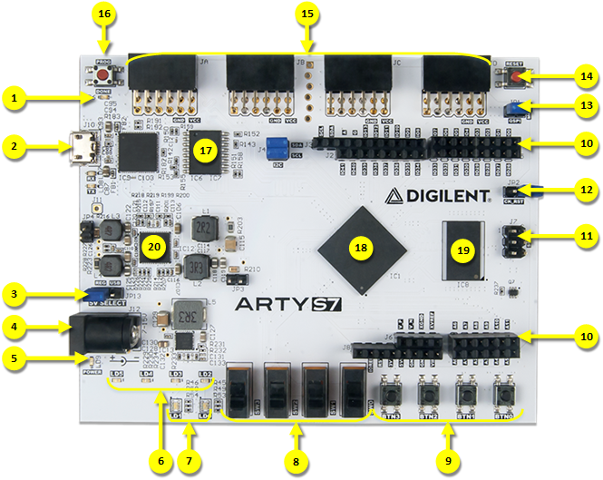
Callout | Description
1 | FPGA programming DONE LED
2 | Shared USB JTAG / UART port
3 | Power select jumper (Ext. supply / USB)
4 | Power jack (for optional ext. supply)
5 | Power good LED
6 | User LEDs
7 | User Tri color LEDs
8 | User slide switches
9 | User push buttons
10 | Arduino/ChipKIT shield connectors
11 | SPI header (Arduino/ChipKIT compatible)
12 | Arduino IDE reset jumper
13 | FPGA programming mode (JTAG/ Flash)
14 | Processor reset
15 | Pmod headers
16 | FPGA programming reset button
17 | SPI Flash
18 | Spartan-7 FPGA
19 | DDR3L memory
20 | Analog devices ADP 5052 power supply

