Sheet1
课题组 | 学校/研究所 | leader | 课题组主页 | 老师Email | 官网投递链接 | Deadline | 相关研究方向 | 论文 | 其他
MoatLab: SysLab on Memory, OS, Arch, and sTorage | Virginia Tech | Huaicheng Li | https://huaicheng.github.io/ https://github.com/moatlab | huaicheng@cs.vt.edu | https://www.vt.edu/ | https://cs.vt.edu/Graduate/ApplicationDeadlines.html | Operating Systems, Storage Systems, Memory Systems, and Systems Architecture. | Pond，SupMario | 3 封推荐信 https://huaicheng.github.io/ads/opening-ugrad-ms.html
CamelLab | KAIST，Computer Architecture and Memory Systems Laboratory | Myoungsoo Jung | http://camelab.org/ | mj@camelab.org | mj@camelab.org |  | Getting emerging NVM memory technologies closer to computational resources such as multi-core and many-core units New operating systems (OS) by taking into account large, persistent and durable memory Developing software-defined solid state disks for massive in-storage processing Designing passive persistent NVM modules and next-generation solid-state disks Large-scale resistive/memristor random access memory for whole-persistent HPC/Data-center systems Architecting efficient computing systems with better memory-level parallelism NVM-aware new design for open-licensed processor platform (e.g., RISC-V) | DirectCXL CXL-SSD CXL-GPU and so on. | 1. National Scholarship & KAIST Scholarship 2. resume, research plan, and publications.
Hasso Plattner Institute(HPI) 哈索普拉特纳研究所 | Potsdam, Germany | Prof. Dr. Tilmann Rabl | https://hpi.de/rabl/home.html | tilmann.rabl@hpi.de |  |  | 1. Data stream processing 2. In-memory systems, PMEM-DRAM kv store 3. Data management in ML and distributed systems | 1. What We Can Learn from Persistent Memory for CXL 2. A Three-Tier Buffer Manager Integrating CXL Device Memokry for Database Systems | https://daphne-eu.github.io/ stream processing, big data management, end-to-end machine learning pipelines, and benchmarking data processing systems.
 | Institute for Computing Systems Architecture University of Edinburgh | Vijay Nagarajan | https://www.inf.ed.ac.uk/people/staff/Vijay_Nagarajan.html | Vijay.Nagarajan@ed.ac.uk |  |  | Software/hardware collaborative techniques for enhancing performance, programmability, reliability and security of parallel architectures. Current research topics: Memory consistency, cache coherence and synchronization for scalable parallel architectures. | Apta: Fault-tolerant object-granular CXL disaggregated memory for accelerating FaaS
 | University of Edinburgh | Nicolai Oswald | https://nicolai-oswald.de/ | nicolai.oswald@ed.ac.uk |  |  | Design automation algorithms that automatically generate highly-concurrent and formally correct cache coherence protocols from a given atomic coherence protocol specification. | Apta: Fault-tolerant object-granular CXL disaggregated memory for accelerating FaaS
 | University of Edinburgh | Adarsh Patil | https://www.research.ed.ac.uk/en/persons/adarsh-patil | adarsh.patil@ed.ac.uk |  |  | cache coherence protocols | Apta: Fault-tolerant object-granular CXL disaggregated memory for accelerating FaaS
 | Syracuse University | Bryan S. Kim(AP) | https://ecs.syracuse.edu/faculty-staff/bryan-s-kim | bkim01@syr.edu |  |  | File and storage systems Computer architecture Operating systems System qualities that I care about are performance (how to store and retrieve data fast as hardware scaling stops), reliability (how to ensure the correctness as hardware becomes more error-prone), and scalability (how to scale a system as heterogeneity increases). | Overcoming the Memory Wall with CXL-Enabled SSDs | Korea
 | DGIST DataLab Data-Intensive Computing Systems Laboratory 大邱庆北科学技术院 QS307 | Sungjin Lee(AP) | https://datalab.dgist.ac.kr/ https://www.dgist.ac.kr/en_eecs/ | sungjin.lee@dgist.ac.kr |  |  | system software for high-performance storage systems, in particular, for non-volatile memory systems system software, storage systems, operating systems, and embedded software. | Overcoming the Memory Wall with CXL-Enabled SSDs | Shaopeng Yang https://spypaul.github.io/ CXL Type3 devices and fabric manager CXL-SSD simulator
DATOS | Soongsil University | Eunji Lee(AP) | http://intelligent.ssu.ac.kr/member https://sites.google.com/view/datoslab | khlee.cs@ssu.ac.kr |  |  | Cyber-Physical System | Overcoming the Memory Wall with CXL-Enabled SSDs
Advanced Computing Systems Research | Oak Ridge National Laboratory (ORNL) | Jeffrey S Vetter | https://www.ornl.gov/staff-profile/jeffrey-s-vetter | vetter@ornl.gov |  |  | NVIDIA CUDA leader | Design and Analysis of CXL Performance Models for Tightly-Coupled Heterogeneous Computing | https://www.ornl.gov/staff-profile/anthony-m-cabrera https://www.ornl.gov/staff-profile/aaron-r-young
 | Rochester Institute of Technology | M. Mustafa Rafique(AP) | https://www.rit.edu/directory/mmrvcs-m-mustafa-rafique | mmrvcs@rit.edu |  |  | experimental computer systems, encompassing distributed platforms for cloud and high-performance computing, Internet of Things (IoT), and emerging data analytics frameworks for machine learning, smarter cities, and cognitive systems. | Exploiting CXL-based Memory for Distributed Deep Learning
ScaLab Scalable Computing Research Group | KTH Royal Institute of Technology | Ivy B. Peng(AP) | https://kth-scalab.github.io/ | bopeng@kth.se |  |  | designing and optimizing algorithms, software, and computer architecture to improve the scalability of future computing systems and accelerate scientific discovery. heterogeneous computing, memory-centric computing, and disaggregated computing, with a particular focus on converged HPC and cloud. system-level optimization through workload and architecture awareness, performance modeling and analysis, memory subsystem optimization, runtimes, and libraries to improve the scalability and efficiency of computer systems with specialized accelerators, e.g., GPU and DPU, hybrid memories, e.g., persistent memory and HBM, and disaggregated resources. | Evaluating Emerging CXL-enabled Memory Pooling for HPC Systems | Our group has year-round openings for highly motivated Ph.D. students who are interested in the following topics. If you are interested, please apply through this link. https://kth.varbi.com/en/what:job/jobID:681848/type:job/where:4/apply:1 | 
CASC | Lawrence Livermore National Laboratory 劳伦斯利弗莫尔国家实验室 | Maya Gokhale | https://people.llnl.gov/gokhale2 | gokhale2@llnl.gov |  |  | Data-centric computing architectures High performance embeddable architectures Reconfigurable computing Systems software Parallel Languages Parallel computing systems | Evaluating Emerging CXL-enabled Memory Pooling for HPC Systems
The Grainger College of Engineering Electrical & Computer Engineering | University of Illinois Urbana-Champaign | Nam Sung Kim | https://ece.illinois.edu/about/directory/faculty/nskim | nskim@illinois.edu |  |  | High-performance, energy-efficent processor, memory, storage, network and system architectures Energy-efficient computing techniques for mobile/wearable devices and data centers | Demystifying CXL Memory with Genuine CXL-Ready Systems and Devices
 | Georgia Tech | Alexandros Daglis(AP) | https://faculty.cc.gatech.edu/~adaglis3/ | alexandros.daglis@cc.gatech.edu |  |  | rack-scale computing and network-compute integration, targeting the most challenging communication-intensive services with tight latency targets in datacenter environments. Blurring the boundaries between network and compute, and pushing functionality with richer semantics to the network endpoints paves the way for high-performance, efficient and scalable microsecond-scale services. I am also broadly interested in the ongoing transition from CPU-centric to network- and memory-centric computing and the impact of this paradigm shift in the evolution of system architectures, algorithms, and software. | CoaXiaL: A CXL-Centric Memory System for Scalable Servers | 注意投递事项 | 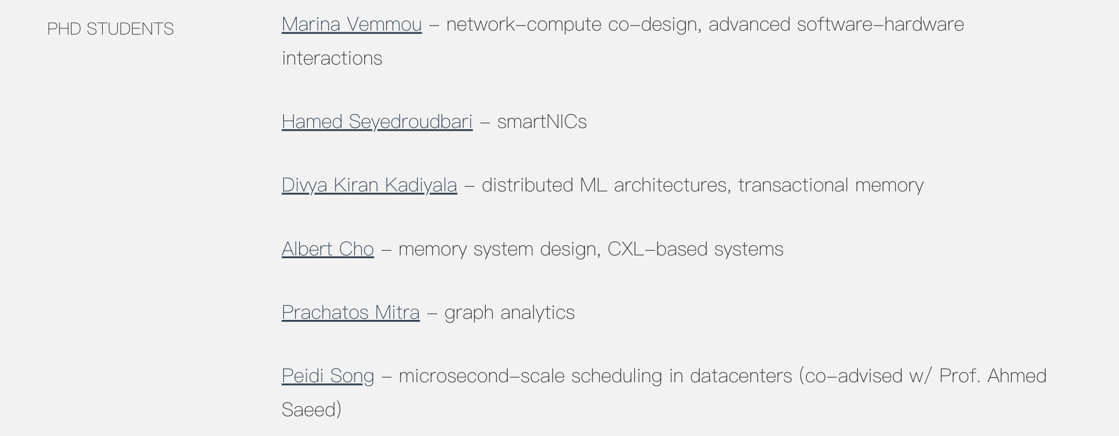
FAST Lab | School of Computer Science at Georgia Tech | Moinuddin K. Qureshi | https://fast.cc.gatech.edu/ | moin@gatech.edu |  |  | Computer Architecture, Memory Systems, Hardware Security, and Quantum Computing | CoaXiaL: A CXL-Centric Memory System for Scalable Servers | Our research is funded by the generous support from Intel, Facebook and SRC.
Systems Group, Department of Computer Science | ETH Zurich, Switzerland | Gustavo Alonso | https://people.inf.ethz.ch/alonso/ | alonso@ (add ".ethz.ch") |  |  | distributed systems, databases, cloud computing, and hardware acceleration of data science. | CXL and the Return of Scale-Up Database Engines
Computer Science Department Electrical and Computer Engineering | University of Toronto | Gennady Pekhimenko | https://www.cs.toronto.edu/~pekhimenko/ | pekhimenko@cs.toronto.edu |  |  | computer architecture, systems, and applied machine learning. My major research focus is on efficient memory systems, systems for machine learning, stream processing, machine learning for systems, compilers, and hardware acceleration | Lightweight Frequency-Based Tiering for CXL Memory Systems | working with Professor Todd Mowry and Professor Onur Mutlu. My work was funded by NVIDIA Graduate, Microsoft Research, Qualcomm Innovation, and NSERC CGS-D Fellowships.
Computer Science Department | CMU | Todd C. Mowry | https://www.toddcmowry.org/ | tcm@cs.cmu.edu |  |  | computer architecture, compiler optimization, operating systems, parallel processing, and database performance.
Non-Volatile Systems Lab | UCSD | Steven Swanson | https://swanson.ucsd.edu/ | swanson@cs.ucsd.edu |  |  | Building Software for Persistent Memory We have been building software to support persistent memories for over a decade — long before Intel released the first commercial persistent main memory. We began by describing and addressing the essential challenges that persistent memory software would face. We built NOVA, the world’s fastest persistent memory file system, Orion, the most capable distributed file system for persistent memory, and Onyx, the world’s first phase change memory SSD. Most recently, we described easy techniques to adapting existing programs to use PMEM, provided the first independent characterization of Optane persistent memory performance, and crafted simple rules for how programmers can maximize performance. |  | https://www.nvsl.io/prospective-student-interest/
 | Duke University | Yiran Chen | https://ece.duke.edu/people/yiran-chen/ | yiran.chen@duke.edu |  |  | nano-electronic devices, emerging and bio-inspired computing architecture, storage system and sensing technology, display technology and human-machine interaction, security theory of nano-devices, embedded and mobile systems, and large-scale neural network acceleration.

