Sheet1
cache-misses [Hardware event]
cache-references [Hardware event]
cpu-cycles OR cycles [Hardware event]
instructions [Hardware event]
ref-cycles [Hardware event]
page-faults OR faults [Software event]
CPU:
 | LLC-loads OR cpu/LLC-loads/
 | LLC-load-misses OR cpu/LLC-load-misses/
 | LLC-stores OR cpu/LLC-stores/
 | LLC-store-misses OR cpu/LLC-store-misses/
 | dTLB-loads OR cpu/dTLB-loads/
 | dTLB-load-misses OR cpu/dTLB-load-misses/
 | dTLB-stores OR cpu/dTLB-stores/
 | dTLB-store-misses OR cpu/dTLB-store-misses/
 | iTLB-load-misses OR cpu/iTLB-load-misses/
 | cache-misses OR cpu/cache-misses/ [Kernel PMU event]
 | cache-references OR cpu/cache-references/ [Kernel PMU event]
 | mem-loads OR cpu/mem-loads/ [Kernel PMU event]
 | mem-loads-aux OR cpu/mem-loads-aux/ [Kernel PMU event]
 | mem-stores OR cpu/mem-stores/ [Kernel PMU event]
 | topdown-mem-bound OR cpu/topdown-mem-bound/ [Kernel PMU event]
 | power/energy-pkg/ [Kernel PMU event]
 | power/energy-psys/ [Kernel PMU event]
 | power/energy-ram/ [Kernel PMU event]
cache：
 | longest_lat_cache.miss
 | [Core-originated cacheable requests that missed L3 (Except hardware
 | prefetches to the L3)]
 | longest_lat_cache.reference
 | [Core-originated cacheable requests that refer to L3 (Except hardware
 | prefetches to the L3)]
 | mem_inst_retired.all_loads
 | [Retired load instructions Supports address when precise (Precise
 | event)]
 | mem_inst_retired.all_stores
 | [Retired store instructions Supports address when precise (Precise
 | event)]
 | mem_inst_retired.any
 | [All retired memory instructions Supports address when precise (Precise
 | event)]
 | mem_inst_retired.lock_loads
 | [Retired load instructions with locked access Supports address when
 | precise (Precise event)]
 | mem_inst_retired.split_loads | 跨缓存行边界分割的加载指令的数量
 | [Retired load instructions that split across a cacheline boundary
 | Supports address when precise (Precise event)]
 | mem_inst_retired.split_stores
 | [Retired store instructions that split across a cacheline boundary
 | Supports address when precise (Precise event)]
 | mem_inst_retired.stlb_miss_loads
 | [Retired load instructions that miss the STLB Supports address when
 | precise (Precise event)]
 | mem_inst_retired.stlb_miss_stores
 | [Retired store instructions that miss the STLB Supports address when
 | precise (Precise event)]
 | mem_load_completed.l1_miss_any
 | [Completed demand load uops that miss the L1 d-cache]
 | mem_load_l3_hit_retired.xsnp_fwd
 | [Retired load instructions whose data sources were HitM responses from
 | shared L3 Supports address when precise (Precise event)]
 | mem_load_l3_hit_retired.xsnp_miss |  | L3缓存命中，但在跨核心（cross-core）数据同步中，未在同一处理器芯片内的核心缓存（on-pkg core cache）中找到数据。在处理器架构中，当一个核心请求数据时，如果数据位于L3缓存中，但在跨核心数据同步中，未在同一处理器芯片内的核心缓存中找到数据，则会产生xsnp_miss。
 | [Retired load instructions whose data sources were L3 hit and
 | cross-core snoop missed in on-pkg core cache Supports address when
 | precise (Precise event)]
 | mem_load_l3_hit_retired.xsnp_no_fwd
 | [Retired load instructions whose data sources were L3 and cross-core
 | snoop hits in on-pkg core cache Supports address when precise (Precise
 | event)]
 | mem_load_l3_hit_retired.xsnp_none
 | [Retired load instructions whose data sources were hits in L3 without
 | snoops required Supports address when precise (Precise event)]
 | mem_load_l3_miss_retired.local_dram
 | [Retired load instructions which data sources missed L3 but serviced
 | from local dram Supports address when precise (Precise event)]
 | mem_load_l3_miss_retired.remote_dram
 | [MEM_LOAD_L3_MISS_RETIRED.REMOTE_DRAM Supports address when precise
 | (Precise event)]
 | mem_load_l3_miss_retired.remote_fwd |  | 在处理器架构中，当一个核心请求数据时，如果数据不在本地L3缓存中，而是从远程缓存中转发而来，则会产生remote_fwd事件。这通常发生在多处理器系统中，其中数据需要从一个处理器的缓存中转发到另一个处理器
 | [Retired load instructions whose data sources was forwarded from a
 | remote cache Supports address when precise (Precise event)]
 | mem_load_l3_miss_retired.remote_hitm
 | [MEM_LOAD_L3_MISS_RETIRED.REMOTE_HITM Supports address when precise
 | (Precise event)]
 | mem_load_l3_miss_retired.remote_pmm
 | [Retired load instructions with remote Intel(R) Optane(TM) DC
 | persistent memory as the data source where the data request missed all
 | caches]
 | mem_load_misc_retired.uc
 | [Retired instructions with at least 1 uncacheable load or lock Supports
 | address when precise (Precise event)]
 | mem_load_retired.fb_hit
 | [Number of completed demand load requests that missed the L1, but hit
 | the FB(fill buffer), because a preceding miss to the same cacheline
 | initiated the line to be brought into L1, but data is not yet ready in
 | L1 Supports address when precise (Precise event)]
 | mem_load_retired.l1_hit
 | [Retired load instructions with L1 cache hits as data sources Supports
 | address when precise (Precise event)]
 | mem_load_retired.l1_miss
 | [Retired load instructions missed L1 cache as data sources Supports
 | address when precise (Precise event)]
 | mem_load_retired.l2_hit
 | [Retired load instructions with L2 cache hits as data sources Supports
 | address when precise (Precise event)]
 | mem_load_retired.l2_miss
 | [Retired load instructions missed L2 cache as data sources Supports
 | address when precise (Precise event)]
 | mem_load_retired.l3_hit
 | [Retired load instructions with L3 cache hits as data sources Supports
 | address when precise (Precise event)]
 | mem_load_retired.l3_miss
 | [Retired load instructions missed L3 cache as data sources Supports
 | address when precise (Precise event)]
 | mem_load_retired.local_pmm
 | [Retired load instructions with local Intel(R) Optane(TM) DC persistent
 | memory as the data source where the data request missed all caches
 | Supports address when precise (Precise event)]
 | mem_store_retired.l2_hit
 | [MEM_STORE_RETIRED.L2_HIT]
 | ocr.demand_code_rd.l3_hit
 | [Counts demand instruction fetches and L1 instruction cache prefetches
 | that hit in the L3 or were snooped from another core's caches on the
 | same socket]
 | ocr.demand_code_rd.l3_hit.snoop_hitm
 | [Counts demand instruction fetches and L1 instruction cache prefetches
 | that resulted in a snoop hit a modified line in another core's caches
 | which forwarded the data]
 | ocr.demand_code_rd.snc_cache.hit_with_fwd
 | [Counts demand instruction fetches and L1 instruction cache prefetches
 | that either hit a non-modified line in a distant L3 Cache or were
 | snooped from a distant core's L1/L2 caches on this socket when the
 | system is in SNC (sub-NUMA cluster) mode]
 | ocr.demand_code_rd.snc_cache.hitm
 | [Counts demand instruction fetches and L1 instruction cache prefetches
 | that hit a modified line in a distant L3 Cache or were snooped from a
 | distant core's L1/L2 caches on this socket when the system is in SNC
 | (sub-NUMA cluster) mode]
 | ocr.demand_data_rd.l3_hit
 | [Counts demand data reads that hit in the L3 or were snooped from
 | another core's caches on the same socket]
 | ocr.demand_data_rd.l3_hit.snoop_hit_no_fwd
 | [Counts demand data reads that resulted in a snoop that hit in another
 | core, which did not forward the data]
 | ocr.demand_data_rd.l3_hit.snoop_hit_with_fwd
 | [Counts demand data reads that resulted in a snoop hit in another
 | core's caches which forwarded the unmodified data to the requesting
 | core]
 | ocr.demand_data_rd.l3_hit.snoop_hitm
 | [Counts demand data reads that resulted in a snoop hit a modified line
 | in another core's caches which forwarded the data]
 | ocr.demand_data_rd.remote_cache.snoop_hit_with_fwd
 | [Counts demand data reads that were supplied by a cache on a remote
 | socket where a snoop hit in another core's caches which forwarded the
 | unmodified data to the requesting core]
 | ocr.demand_data_rd.remote_cache.snoop_hitm
 | [Counts demand data reads that were supplied by a cache on a remote
 | socket where a snoop hit a modified line in another core's caches
 | which forwarded the data]
 | ocr.demand_data_rd.snc_cache.hit_with_fwd
 | [Counts demand data reads that either hit a non-modified line in a
 | distant L3 Cache or were snooped from a distant core's L1/L2 caches on
 | this socket when the system is in SNC (sub-NUMA cluster) mode]
 | ocr.demand_data_rd.snc_cache.hitm
 | [Counts demand data reads that hit a modified line in a distant L3
 | Cache or were snooped from a distant core's L1/L2 caches on this
 | socket when the system is in SNC (sub-NUMA cluster) mode]
 | ocr.demand_rfo.l3_hit
 | [Counts demand reads for ownership (RFO) requests and software
 | prefetches for exclusive ownership (PREFETCHW) that hit in the L3 or
 | were snooped from another core's caches on the same socket]
 | ocr.demand_rfo.l3_hit.snoop_hitm
 | [Counts demand reads for ownership (RFO) requests and software
 | prefetches for exclusive ownership (PREFETCHW) that resulted in a
 | snoop hit a modified line in another core's caches which forwarded the
 | data]
 | ocr.demand_rfo.snc_cache.hit_with_fwd
 | [Counts demand reads for ownership (RFO) requests and software
 | prefetches for exclusive ownership (PREFETCHW) that either hit a
 | non-modified line in a distant L3 Cache or were snooped from a distant
 | core's L1/L2 caches on this socket when the system is in SNC (sub-NUMA
 | cluster) mode]
 | ocr.demand_rfo.snc_cache.hitm
 | [Counts demand reads for ownership (RFO) requests and software
 | prefetches for exclusive ownership (PREFETCHW) that hit a modified
 | line in a distant L3 Cache or were snooped from a distant core's L1/L2
 | caches on this socket when the system is in SNC (sub-NUMA cluster)
 | mode]
 | ocr.hwpf_l3.l3_hit
 | [Counts hardware prefetches to the L3 only that hit in the L3 or were
 | snooped from another core's caches on the same socket]
 | ocr.reads_to_core.l3_hit
 | [Counts all (cacheable) data read, code read and RFO requests including
 | demands and prefetches to the core caches (L1 or L2) that hit in the
 | L3 or were snooped from another core's caches on the same socket]
 | ocr.reads_to_core.l3_hit.snoop_hit_no_fwd
 | [Counts all (cacheable) data read, code read and RFO requests including
 | demands and prefetches to the core caches (L1 or L2) that resulted in
 | a snoop that hit in another core, which did not forward the data]
 | ocr.reads_to_core.l3_hit.snoop_hit_with_fwd
 | [Counts all (cacheable) data read, code read and RFO requests including
 | demands and prefetches to the core caches (L1 or L2) that resulted in
 | a snoop hit in another core's caches which forwarded the unmodified
 | data to the requesting core]
 | ocr.reads_to_core.l3_hit.snoop_hitm
 | [Counts all (cacheable) data read, code read and RFO requests including
 | demands and prefetches to the core caches (L1 or L2) that resulted in
 | a snoop hit a modified line in another core's caches which forwarded
 | the data]
 | ocr.reads_to_core.remote_cache.snoop_fwd
 | [Counts all (cacheable) data read, code read and RFO requests including
 | demands and prefetches to the core caches (L1 or L2) that were
 | supplied by a cache on a remote socket where a snoop was sent and data
 | was returned (Modified or Not Modified)]
 | ocr.reads_to_core.remote_cache.snoop_hit_with_fwd
 | [Counts all (cacheable) data read, code read and RFO requests including
 | demands and prefetches to the core caches (L1 or L2) that were
 | supplied by a cache on a remote socket where a snoop hit in another
 | core's caches which forwarded the unmodified data to the requesting
 | core]
 | ocr.reads_to_core.remote_cache.snoop_hitm
 | [Counts all (cacheable) data read, code read and RFO requests including
 | demands and prefetches to the core caches (L1 or L2) that were
 | supplied by a cache on a remote socket where a snoop hit a modified
 | line in another core's caches which forwarded the data]
 | ocr.reads_to_core.snc_cache.hit_with_fwd
 | [Counts all (cacheable) data read, code read and RFO requests including
 | demands and prefetches to the core caches (L1 or L2) that either hit a
 | non-modified line in a distant L3 Cache or were snooped from a distant
 | core's L1/L2 caches on this socket when the system is in SNC (sub-NUMA
 | cluster) mode]
 | ocr.reads_to_core.snc_cache.hitm
 | [Counts all (cacheable) data read, code read and RFO requests including
 | demands and prefetches to the core caches (L1 or L2) that hit a
 | modified line in a distant L3 Cache or were snooped from a distant
 | core's L1/L2 caches on this socket when the system is in SNC (sub-NUMA
 | cluster) mode]
 | ocr.rfo_to_core.l3_hit_m
 | [Counts demand reads for ownership (RFO), hardware prefetch RFOs (which
 | bring data to L2), and software prefetches for exclusive ownership
 | (PREFETCHW) that hit to a (M)odified cacheline in the L3 or snoop
 | filter]
 | ocr.streaming_wr.l3_hit
 | [Counts streaming stores that hit in the L3 or were snooped from
 | another core's caches on the same socket]
 | offcore_requests.all_requests
 | [OFFCORE_REQUESTS.ALL_REQUESTS]
 | offcore_requests.data_rd
 | [Demand and prefetch data reads]
 | offcore_requests.demand_data_rd
 | [Demand Data Read requests sent to uncore]
 | offcore_requests_outstanding.cycles_with_data_rd
 | [OFFCORE_REQUESTS_OUTSTANDING.CYCLES_WITH_DATA_RD]
 | offcore_requests_outstanding.cycles_with_demand_data_rd
 | [Cycles where at least 1 outstanding demand data read request is
 | pending]
 | offcore_requests_outstanding.cycles_with_demand_rfo
 | [OFFCORE_REQUESTS_OUTSTANDING.CYCLES_WITH_DEMAND_RFO]
 | offcore_requests_outstanding.data_rd
 | [OFFCORE_REQUESTS_OUTSTANDING.DATA_RD]
 | offcore_requests_outstanding.demand_data_rd
 | [For every cycle, increments by the number of outstanding demand data
 | read requests pending]
 | sq_misc.bus_lock
 | [Counts bus locks, accounts for cache line split locks and UC locks]
 | sw_prefetch_access.nta
 | [Number of PREFETCHNTA instructions executed]
 | sw_prefetch_access.prefetchw
 | [Number of PREFETCHW instructions executed]
 | sw_prefetch_access.t0
 | [Number of PREFETCHT0 instructions executed]
 | sw_prefetch_access.t1_t2
 | [Number of PREFETCHT1 or PREFETCHT2 instructions executed]
memory
 | cycle_activity.stalls_l3_miss
 | [Execution stalls while L3 cache miss demand load is outstanding]
 | machine_clears.memory_ordering
 | [Number of machine clears due to memory ordering conflicts]
 | mem_trans_retired.load_latency_gt_128
 | [Counts randomly selected loads when the latency from first dispatch to
 | completion is greater than 128 cycles Supports address when precise
 | (Must be precise)]
 | mem_trans_retired.load_latency_gt_16
 | [Counts randomly selected loads when the latency from first dispatch to
 | completion is greater than 16 cycles Supports address when precise
 | (Must be precise)]
 | mem_trans_retired.load_latency_gt_256
 | [Counts randomly selected loads when the latency from first dispatch to
 | completion is greater than 256 cycles Supports address when precise
 | (Must be precise)]
 | mem_trans_retired.load_latency_gt_32
 | [Counts randomly selected loads when the latency from first dispatch to
 | completion is greater than 32 cycles Supports address when precise
 | (Must be precise)]
 | mem_trans_retired.load_latency_gt_4
 | [Counts randomly selected loads when the latency from first dispatch to
 | completion is greater than 4 cycles Supports address when precise
 | (Must be precise)]
 | mem_trans_retired.load_latency_gt_512
 | [Counts randomly selected loads when the latency from first dispatch to
 | completion is greater than 512 cycles Supports address when precise
 | (Must be precise)]
 | mem_trans_retired.load_latency_gt_64
 | [Counts randomly selected loads when the latency from first dispatch to
 | completion is greater than 64 cycles Supports address when precise
 | (Must be precise)]
 | mem_trans_retired.load_latency_gt_8
 | [Counts randomly selected loads when the latency from first dispatch to
 | completion is greater than 8 cycles Supports address when precise
 | (Must be precise)]
 | mem_trans_retired.store_sample
 | [Retired memory store access operations. A PDist event for PEBS Store
 | Latency Facility Supports address when precise (Must be precise)]
 | memory_activity.cycles_l1d_miss
 | [Cycles while L1 cache miss demand load is outstanding]
 | memory_activity.stalls_l1d_miss
 | [Execution stalls while L1 cache miss demand load is outstanding]
 | memory_activity.stalls_l2_miss
 | [Execution stalls while L2 cache miss demand cacheable load request is
 | outstanding]
 | memory_activity.stalls_l3_miss
 | [Execution stalls while L3 cache miss demand cacheable load request is
 | outstanding]
 | ocr.demand_code_rd.l3_miss
 | [Counts demand instruction fetches and L1 instruction cache prefetches
 | that were not supplied by the local socket's L1, L2, or L3 caches]
 | ocr.demand_data_rd.l3_miss
 | [Counts demand data reads that were not supplied by the local socket's
 | L1, L2, or L3 caches]
 | ocr.demand_rfo.l3_miss
 | [Counts demand reads for ownership (RFO) requests and software
 | prefetches for exclusive ownership (PREFETCHW) that were not supplied
 | by the local socket's L1, L2, or L3 caches]
 | ocr.hwpf_l3.l3_miss
 | [Counts hardware prefetches to the L3 only that missed the local
 | socket's L1, L2, and L3 caches]
 | ocr.hwpf_l3.l3_miss_local
 | [Counts hardware prefetches to the L3 only that were not supplied by
 | the local socket's L1, L2, or L3 caches and the cacheline is homed
 | locally]
 | ocr.reads_to_core.l3_miss
 | [Counts all (cacheable) data read, code read and RFO requests including
 | demands and prefetches to the core caches (L1 or L2) that were not
 | supplied by the local socket's L1, L2, or L3 caches]
 | ocr.reads_to_core.l3_miss_local
 | [Counts all (cacheable) data read, code read and RFO requests including
 | demands and prefetches to the core caches (L1 or L2) that were not
 | supplied by the local socket's L1, L2, or L3 caches and the cacheline
 | is homed locally]
 | ocr.reads_to_core.l3_miss_local_socket
 | [Counts all (cacheable) data read, code read and RFO requests including
 | demands and prefetches to the core caches (L1 or L2) that missed the
 | L3 Cache and were supplied by the local socket (DRAM or PMM), whether
 | or not in Sub NUMA Cluster(SNC) Mode. In SNC Mode counts PMM or DRAM
 | accesses that are controlled by the close or distant SNC Cluster. It
 | does not count misses to the L3 which go to Local CXL Type 2 Memory or
...
Memory_Lat: [Grouping from Top-down Microarchitecture Analysis Metrics spreadsheet]
[Average Latency for L3 cache miss demand Loads]

MicroSeq: [Grouping from Top-down Microarchitecture Analysis Metrics spreadsheet]
tma_microcode_sequencer
[This metric represents fraction of slots the CPU was retiring uops
fetched by the Microcode Sequencer (MS) unit]
tma_ms_switches
[This metric estimates the fraction of cycles when the CPU was stalled
due to switches of uop delivery to the Microcode Sequencer (MS)]

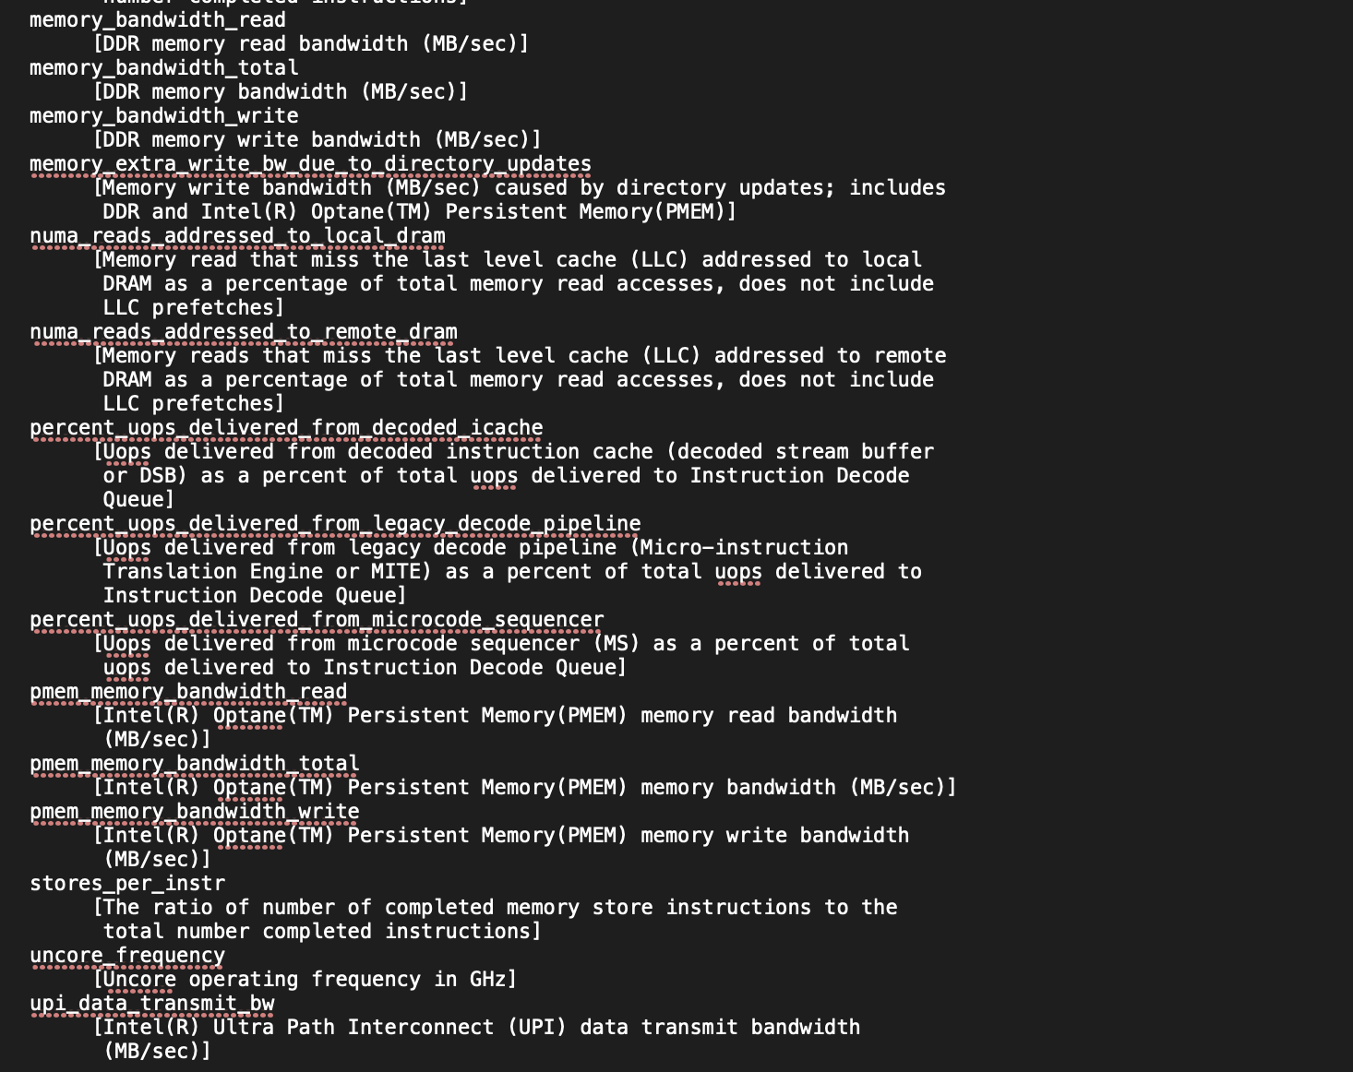
No Group中的内容

