Filters
Price Ranges | Display somewhat like this for the present packages
350 to 475 per person
475 to 675 per person
675+ per person

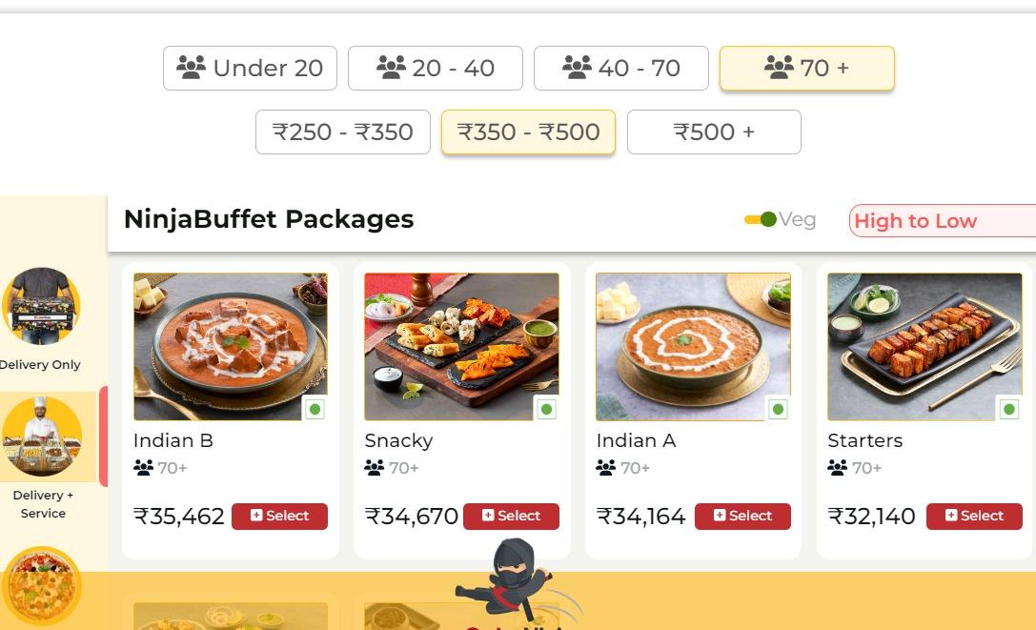
Range of people
10 to 20
20 to 30
30 +

Package Categories
Oreintal Delights
Cocktail Classics
Desi Dhamaka

