Sheet2
Student Name | Puja Kawale |  | Assignment 10 | TF-IDF
Student ID | 12506156
Date | 2018-10-29

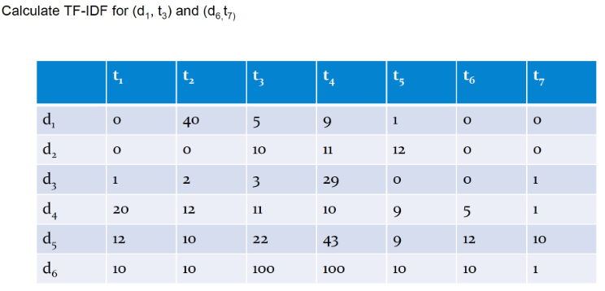
 |  | Formula :
 |  |  |  |  | TF-IDF: d1,t3
 |  |  |  |  | term frequency: | TF(d1, t3) | 1.2301857114
 |  |  |  |  | Inverse Document frequency | IDF(t3) | 0.066946789631
 |  |  |  |  |  | TF-IDF (d1, t3) | 0.082356984026

 |  |  |  |  | TF-IDF: d6,t7
 |  |  |  |  | Calculate term frequency: | TF(d6, t7) | 1
 |  |  |  |  | Inverse Document frequency | IDF(t7) | 0.24303804869
 |  |  |  |  |  | TF-IDF (d6, t7) | 0.24303804869

