Dashboard states
TOP 500 CITIES FROM CENSUS 2011

MALE VS FEMALE GRADUATES
 | Male graduates | Female Graduates
ANDHRA PRADESH | 1668337 | 1083014
GUJARAT | 1130740 | 863607
KARNATAKA | 1441274 | 1054546
MADHYA PRADESH | 915594 | 677239
MAHARASHTRA | 2908234 | 2357917
NCT OF DELHI | 1344320 | 1099960
RAJASTHAN | 863826 | 583993
TAMIL NADU | 1182839 | 962131
UTTAR PRADESH | 2090734 | 1601432
WEST BENGAL | 1561629 | 1107147

Most preferred state for graduation
 | Total
RAJASTHAN | 1447819
MADHYA PRADESH | 1592833
GUJARAT | 1994347
TAMIL NADU | 2144970
NCT OF DELHI | 2444280
KARNATAKA | 2495820
WEST BENGAL | 2668776
ANDHRA PRADESH | 2751351
UTTAR PRADESH | 3692166
MAHARASHTRA | 5266151

States with most cities in Top 500
 | Total
UTTAR PRADESH | 63
WEST BENGAL | 61
MAHARASHTRA | 43
ANDHRA PRADESH | 42
TAMIL NADU | 32
MADHYA PRADESH | 32
GUJARAT | 29
RAJASTHAN | 29
BIHAR | 26
KARNATAKA | 26
UNDEVELOPED STATES
 | Total
ANDAMAN & NICOBAR ISLANDS | 12420
NAGALAND | 12902
MEGHALAYA | 25113
MIZORAM | 26832
HIMACHAL PRADESH | 43353
TRIPURA | 52711
MANIPUR | 63915
PUDUCHERRY | 88512
CHANDIGARH | 189312
ASSAM | 242490

Male vs Female Population
 | Male Population | Female Population
ANDHRA PRADESH | 9192368 | 8979247
GUJARAT | 9541688 | 8293361
KARNATAKA | 8112840 | 7687056
MADHYA PRADESH | 5761143 | 5261948
MAHARASHTRA | 19961736 | 17760400
NCT OF DELHI | 7201322 | 6280675
RAJASTHAN | 5484470 | 4958546
TAMIL NADU | 6957261 | 6922134
UTTAR PRADESH | 13433369 | 11869556
WEST BENGAL | 9357777 | 8705732

ashboard city name
TOP 500 CITIES FROM CENSUS 2011

Most populated Cities and No. of graduates in them
 | Population | Graduates
Greater Mumbai | 12478447 | 1802371
Delhi | 11007835 | 2221137
Bengaluru | 8425970 | 1591163
Greater Hyderabad | 6809970 | 1164149
Ahmadabad | 5570585 | 769858
Chennai | 4681087 | 879695
Kolkata | 4486679 | 818476
Surat | 4462002 | 278795
Pune | 3115431 | 656508
Jaipur | 3073350 | 533148

Top 10 Cities with best Child Sex Ratio
 | Total
Aurangabad | 1752
Bally | 1185
Nagaon | 1043
Tambaram | 1019
Robertson Pet | 1013
Guwahati | 1009
Eluru | 1003
Puducherry | 993
Aizawl | 989
Kumbakonam | 985
Kolar | 985

Cities preferred most by Female Students
 | Total
Delhi | 1011097
Greater Mumbai | 837407
Bengaluru | 682800
Greater Hyderabad | 478747
Chennai | 392267
Kolkata | 356861
Ahmadabad | 334591
Pune | 307486
Lucknow | 270559
Jaipur | 214041

Sex Ratio
 | Total
Alappuzha | 1076
Aurangabad | 1823
Imphal | 1055
Kakinada | 1046
Kollam | 1077
Kozhikode | 1093
Palakkad | 1053
Puducherry | 1045
Thiruvananthapuram | 1064
Thrissur | 1076

Children Literacy Rate
 | Total
North Barrackpur | 94.78
Alandur | 95.15
Nagercoil | 95.35
Khardaha | 95.5
Alappuzha | 96.56
Kozhikode | 96.8
Thrissur | 97.24
Kochi | 97.49
Aizawl | 98.8
Aurangabad | 176.02

CityFemGrad
Which top 10 cities are most preferred by female students for graduation?
 |  | 1

Cities preferred most by Female Students for graduation
Cities | Female Graduates
Delhi | 1011097
Greater Mumbai | 837407
Bengaluru | 682800
Greater Hyderabad | 478747
Chennai | 392267
Kolkata | 356861
Ahmadabad | 334591
Pune | 307486
Lucknow | 270559
Jaipur | 214041
Grand Total | 4885856

Conclusion:
Delhi is the most preferred city for women education as it has the highest no. of females graduating from its colleges, that is 1011097 females.
Cities other than Delhi preferred for female education are Mumbai, Bengaluru, Hyderabad, Chennai, Kolkata, Ahmedabad, Lucknow, and Jaipur

Literacy Rate
Which city emphasizes most on the education of children?
 |  | 2

Children Literacy Rate
Row Labels | effective literacy rate total
North Barrackpur | 94.78
Alandur | 95.15
Nagercoil | 95.35
Khardaha | 95.5
Alappuzha | 96.56
Kozhikode | 96.8
Thrissur | 97.24
Kochi | 97.49
Aizawl | 98.8
Aurangabad | 176.02

Conclusion:
Aurangabad in Maharashtra emphasize most on education of children with highest effective literacy rate.
Other cities followed by Aurangabad are Aizawl, Kochi, Thrissur, Kozhikode, Alappauzha, Kharadha, Nagercoil, Alandur, and North Barrackpore.

MostPopu
How many graduates are there in the top 10 most populous cities?
 |  |  | 3

Most populated Cities and No. of graduates in them
Cities | Population | Graduates
Greater Mumbai | 12478447 | 1802371
Delhi | 11007835 | 2221137
Bengaluru | 8425970 | 1591163
Greater Hyderabad | 6809970 | 1164149
Ahmadabad | 5570585 | 769858
Chennai | 4681087 | 879695
Kolkata | 4486679 | 818476
Surat | 4462002 | 278795
Pune | 3115431 | 656508
Jaipur | 3073350 | 533148

Conclusion:
Greater Mumbai is the most populated city but still Delhi has more graduates than Mumbai. This shows that educational institutional in Delhi are better than Mumbai.
Surat also being in ‘Top 10 most populous city’ still has less no of graduates compared to other populous cities.

Male-Female
Comparison of Male and Female population across different states.
Male vs Female Population
 |  |  | 4
State | Male Population | Female Population
ANDHRA PRADESH | 9192368 | 8979247
GUJARAT | 9541688 | 8293361
KARNATAKA | 8112840 | 7687056
MADHYA PRADESH | 5761143 | 5261948
MAHARASHTRA | 19961736 | 17760400
NCT OF DELHI | 7201322 | 6280675
RAJASTHAN | 5484470 | 4958546
TAMIL NADU | 6957261 | 6922134
UTTAR PRADESH | 13433369 | 11869556
WEST BENGAL | 9357777 | 8705732
Grand Total | 95003974 | 86718655

Conclusion:
Tamil Nadu has almost similar ratio of male and female population that is 6957.3K and 6922.1K respectively.
Maharashtra has a uneven no. of male and female population with a difference of 22,01,336‬ people.

ChildSxRa
Which are the top 10 Indian cities with the best child sex ratio ?
 |  | 5

Cities | Child Sex Ratio
Aurangabad | 1752
Bally | 1185
Top 10 Cities with best Child Sex Ratio
Nagaon | 1043
Tambaram | 1019
Robertson Pet | 1013
Guwahati | 1009
Eluru | 1003
Puducherry | 993
Aizawl | 989
Kumbakonam | 985
Kolar | 985

Concluison:
Aurangabad in Maharashtra has the best child sex ratio that is 1752 followed by Bally, Nagaon, Tambram, Robertson Pet, Guwahati, Eluru, Puducherry and Kolar.
Most of the city with best child sex ratio are from South India.

Male vs Female grad
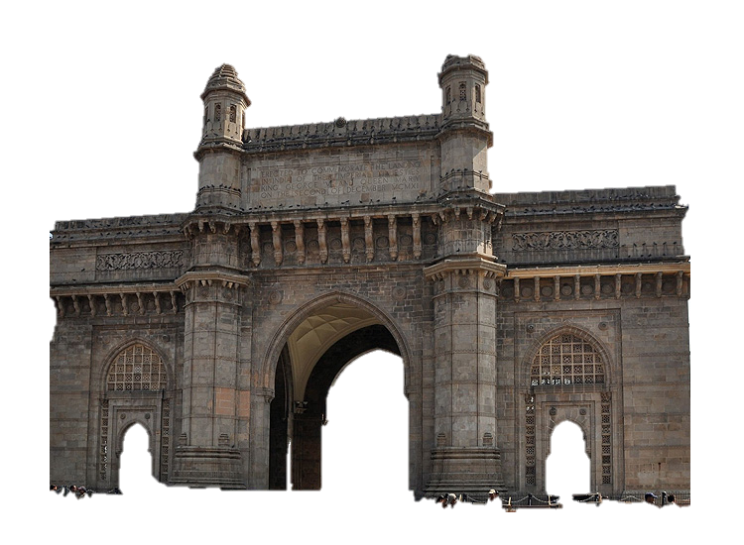
Comparison of male vs female graduates in state.
 |  |  | 6
State Name | Male graduates | Female Graduates
ANDHRA PRADESH | 1668337 | 1083014
MALE VS FEMALE GRADUATES
GUJARAT | 1130740 | 863607
KARNATAKA | 1441274 | 1054546
MADHYA PRADESH | 915594 | 677239
MAHARASHTRA | 2908234 | 2357917
NCT OF DELHI | 1344320 | 1099960
RAJASTHAN | 863826 | 583993
TAMIL NADU | 1182839 | 962131
UTTAR PRADESH | 2090734 | 1601432
WEST BENGAL | 1561629 | 1107147
Grand Total | 15107527 | 11390986

Conclusion:
In Kerala there are more no. of female graduates than male graduates that is 244967 and 215434 respectively.
In most of the states there are more male graduates than female graduates.

Most Graduates
Which state is most preferred for graduation?

No. of Graduates in states
State Name | Total Graduates
RAJASTHAN | 1447819
MADHYA PRADESH | 1592833
GUJARAT | 1994347
TAMIL NADU | 2144970
NCT OF DELHI | 2444280
KARNATAKA | 2495820
WEST BENGAL | 2668776
ANDHRA PRADESH | 2751351
UTTAR PRADESH | 3692166
MAHARASHTRA | 5266151
Grand Total | 26498513

 |  | 7

Conclusion:
Maharashtra is the most preferred state for education as most of the graduates are from Maharashtra that is 5266151.
Other cities followed by Maharashtra are Uttar Pradesh, Andhra Pradesh, West Bengal, Karnataka, NCT of Delhi, Tamil Nadu, Gujarat, Madhya Pradesh, and Rajasthan.

mostcity
Which state is listed top by the number of cities in 500?

States with most cities in Top 500
State Name | Count of city | 8
UTTAR PRADESH | 63
WEST BENGAL | 61
MAHARASHTRA | 43
ANDHRA PRADESH | 42
TAMIL NADU | 32
MADHYA PRADESH | 32
GUJARAT | 29
RAJASTHAN | 29
BIHAR | 26
KARNATAKA | 26
Grand Total | 383

Conclusion:
Uttar Pradesh has most no. of cities in top 500 and the reason is obvious as it has most of it’s cities with more than 1 lakh population.
Other cities followed by Uttar Pradesh are West Bengal, Maharashtra, Andhra Pradesh, Tamil Nadu, Madhya Pradesh, Gujarat, Rajasthan, Bihar, Karnataka.

UNDEVELOPED
Which are the top 10 undeveloped states?

Undeveloped States
State names | Total Graduates
ANDAMAN & NICOBAR ISLANDS | 12420
NAGALAND | 12902
MEGHALAYA | 25113
MIZORAM | 26832
HIMACHAL PRADESH | 43353
TRIPURA | 52711
MANIPUR | 63915
PUDUCHERRY | 88512
CHANDIGARH | 189312
ASSAM | 242490
Grand Total | 757560

Conclusion:
Andaman and Nicobar has least no. of graduates that is 12420 and reason for it is that the terrain and weather at this place is difficult.
Other states followed by Andaman and Nicobar are Nagaland, Meghalaya, Mizoram, Himachal Pradesh, Tripura, Manipur, Puducherry, Chandigarh, and Assam.

Sex Ratio
Which Indian cities have the best sex ratio in the top 500 Indian cities?

Sex Ratio
Cities | Female per 1000 male
Alappuzha | 1076
Aurangabad | 1823
Imphal | 1055
Kakinada | 1046
Kollam | 1077
Kozhikode | 1093
Palakkad | 1053
Puducherry | 1045
Thiruvananthapuram | 1064
Thrissur | 1076

Conclusion:
Aurangabad in Maharashtra has the best sex ratio that is 1823, it is followed by Kozhikode, Kollam, Thrissur, Alappuzha, Thiruvananthapuram, Imphal, Palakkad, Kakinada, Puducherry.
All the cities in top 10 are from South India.

