Logan's Math
1
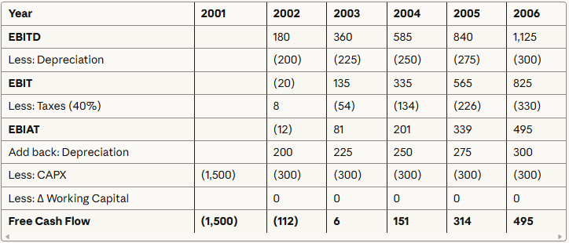

FCF 2007 | 519.75

2
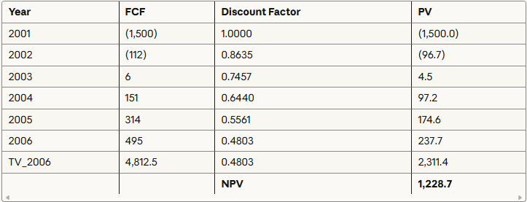

Project Value | 1228.7 | 1.23 Million

3
Annual Interest Payment | 51 | $51,000.00
Annual Tax Shield | 20.4 | $20,400.00
Project Value (Tax Shield) | 300 | $300,000.00

APV | 1528.7 | $1,530,000.00

4
Annual Principal PMT | 150

Debt Repayment Schedule:

Annual Tax Shields

Discount Tax Shields CoD (6.8%)

APV | 1281.3

5
B_U | 1.5
B_D | 0.25
D | 0.25
E | 0.75
D/E | 0.33333333333
T_c | 0.40
B_L | 1.75

r_E | 0.176

WACC | 0.1422

FCF | 519.75
TV 2006 | 5637.2017354

WACC Discounted Cash Flows
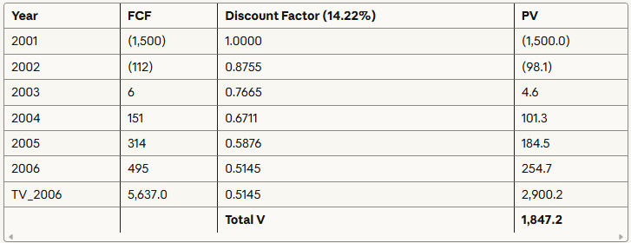

Total Project Value | 1,847.20
Debt Value | 461.8 | $461,800.00
Equity Value | 1385.4 | $1,385,400.00

6

Discount Tax Shields CoD (6.8%)

PV of Tax Shields | 62.1 |  | Discount | 0.71968713028
TV of Tax Shields | 18.795

TV_TS | 1044.1666667
PV of Terminal Tax Shields | 751.47331187 | $751,500.00

APV | 2042.2733119 | $2,042,400.00
Initial Debt: | 510.56832797 | $510,600.00

