Summary
Category | Count
Passed | 11
Failed | 0
Skipped | 0
Total | 23
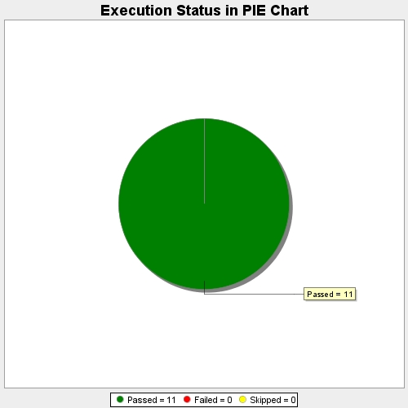
Start Time | 2019-10-04T07:40:03Z
End Time | 2019-10-04T07:41:01Z
Duration | 57675 ms

