Summary
Category | Count
Passed | 8
Failed | 1
Skipped | 0
Total | 17
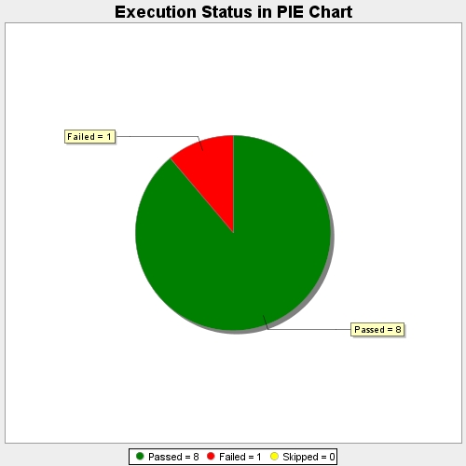
Start Time | 2019-09-27T11:32:27Z
End Time | 2019-09-27T11:33:14Z
Duration | 47099 ms

