Feasibility
Feasibility drivers (RUN B, n=50) — chi-square + Cramer's V

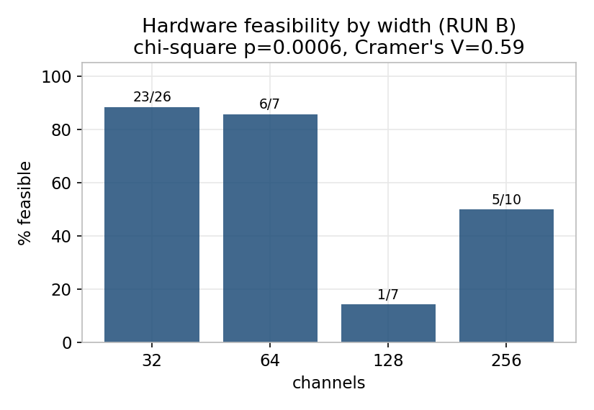
knob | chi-square | p | q (FDR) | Cramer's V | feasible / total by level
kernel_size | 3.123 | 0.20981403161 | 0.504 | 0.25 | 3.0:5/7 ; 5.0:18/22 ; 7.0:12/21
channels | 17.295 | 0.00061467386737 | 0.0043 | 0.588 | 32.0:23/26 ; 64.0:6/7 ; 128.0:1/7 ; 256.0:5/10
downsample_mode | 0.344 | 0.55765892874 | 0.7807 | 0.083 | pool:11/17 ; stride:24/33
resize_to | 0.066 | 0.79704580507 | 0.81 | 0.036 | 32:13/18 ; 64:22/32
depth | 2.143 | 0.54329124502 | 0.7807 | 0.207 | 2:14/20 ; 3:9/12 ; 4:8/10 ; 5:4/8
fc_layers | 0.964 | 0.81002995934 | 0.81 | 0.139 | 0:19/28 ; 1:11/14 ; 2:4/6 ; 3:1/2
T | 1.531 | 0.21602058096 | 0.504 | 0.175 | 8:8/14 ; 16:27/36

Live check — feasibility rate by channels (formulas over 'Trial data')
channels | feasible | total | rate
32 | 23 | 26 | 88%
64 | 6 | 7 | 86%
128 | 1 | 7 | 14%
256 | 5 | 10 | 50%

Accuracy effects
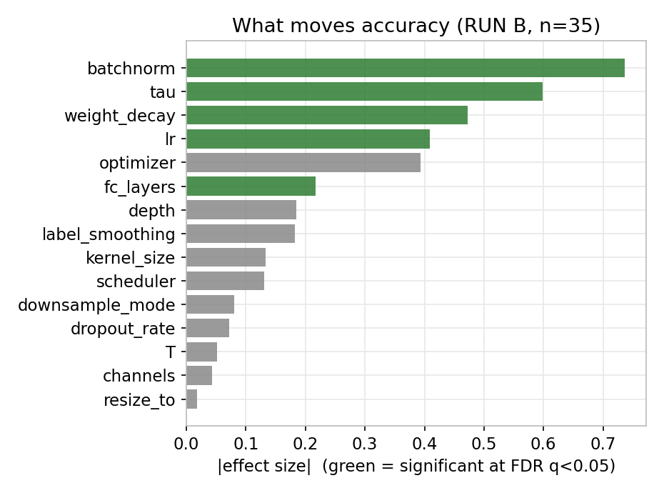
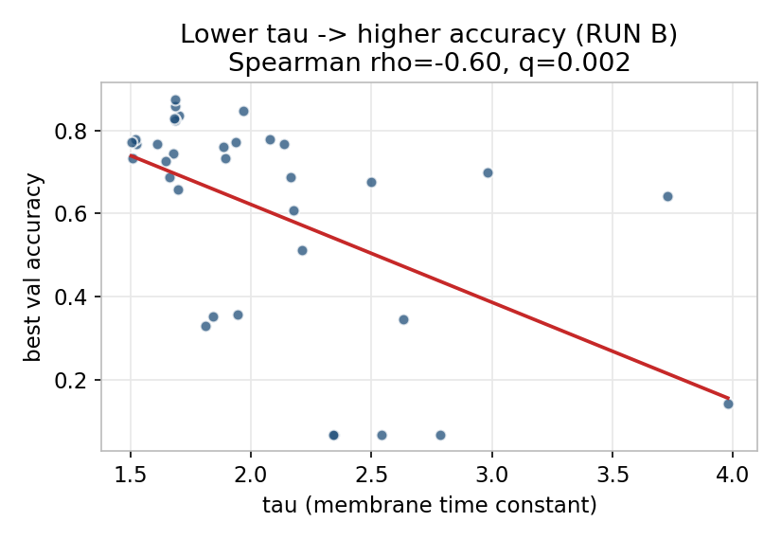
What moves accuracy (RUN B feasible, n=35) — nonparametric, FDR-corrected

knob | test | statistic | p | q (FDR) | effect size | significant | interpretation
batchnorm | Mann-Whitney | 28.5 | 0.0019 | 0.0142 | 0.736 | yes | BN on: median .76 vs .21. Decisive.
tau | Spearman | -0.599 | 0.00014528064124 | 0.0022 | -0.599 | yes | lower tau better (rho -0.60).
weight_decay | Spearman | -0.473 | 0.0040848054137 | 0.0204 | -0.473 | yes | lower wd better (rho -0.47).
lr | Spearman | 0.409 | 0.014577175355 | 0.0437 | 0.409 | yes | higher lr (to 5e-3) better.
optimizer | Mann-Whitney | 59.5 | 0.11663100977 | 0.1749 | 0.393 | no | adam~adamw (n.s.).
fc_layers | Kruskal-Wallis | 8.735 | 0.012680735633 | 0.0437 | 0.217 | yes | 0 hidden FC best.
depth | Kruskal-Wallis | 8.744 | 0.032894966019 | 0.0822 | 0.185 | no | shallow (2-3) better.
label_smoothing | Spearman | 0.182 | 0.29494082549 | 0.3687 | 0.182 | no | n.s.
kernel_size | Kruskal-Wallis | 6.253 | 0.043881565833 | 0.094 | 0.133 | no | k5-7 mild edge.
scheduler | Kruskal-Wallis | 7.071 | 0.069667948672 | 0.1306 | 0.131 | no | weak.
downsample_mode | Mann-Whitney | 142.5 | 0.72200287406 | 0.722 | 0.08 | no | n.s.
dropout_rate | Spearman | -0.072 | 0.68131021529 | 0.722 | -0.072 | no | n.s.
T | Kruskal-Wallis | 2.729 | 0.098534654992 | 0.1642 | 0.052 | no | T=16 favoured (n.s.).
channels | Kruskal-Wallis | 3.344 | 0.18782541502 | 0.2561 | 0.043 | no | n.s. for accuracy (matters for feasibility).
resize_to | Kruskal-Wallis | 0.4 | 0.52714042646 | 0.6082 | -0.018 | no | n.s.

Normalization
Headline result: normalization present vs absent (both runs pooled)

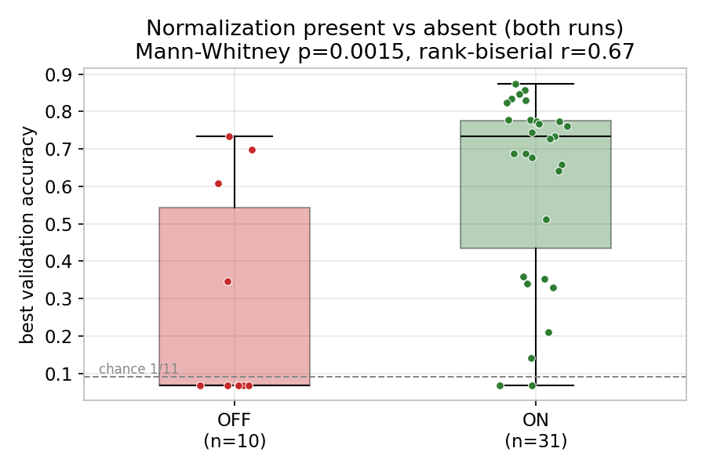
Group | n | median best_val | mean best_val
Normalization ON | 31 | 0.733 | 0.618
Normalization OFF | 10 | 0.068 | 0.28

Mann-Whitney U=259.5, p=0.001524, rank-biserial r=0.674 (large effect).

Learned (best_val > 1/11 chance) vs dead — 2x2 contingency:
 | dead | learned
norm OFF | 6 | 4
norm ON | 2 | 29

Fisher's exact p=0.001061, odds ratio=21.8. A network without normalization is ~22x more likely to be dead.

Top configs
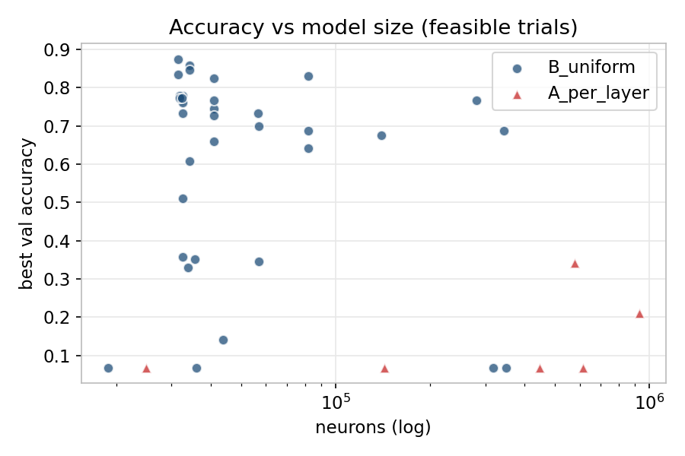
Top configurations (feasible, by best_val) + accuracy-vs-size

run | trial_id | best_val | neurons | params | depth | channels | kernel_size | T | fc_layers | norm_kind | tau | lr
B_uniform | 1a70b753 | 0.875 | 31531 | 104128 | 2 | 32 | 7 | 16 | 0 | bn | 1.6868133506 | 0.002918126525
B_uniform | 2449adcc | 0.858 | 34219 | 86816 | 2 | 32 | 5 | 16 | 0 | bn | 1.6876772148 | 0.0035223399705
B_uniform | 74c81148 | 0.847 | 34219 | 86816 | 2 | 32 | 5 | 16 | 0 | bn | 1.9687314829 | 0.0016311179262
B_uniform | a6bfc11a | 0.835 | 31531 | 104128 | 2 | 32 | 7 | 16 | 0 | bn | 1.70172634 | 0.002784201711
B_uniform | f4c87a09 | 0.830 | 81931 | 150912 | 2 | 64 | 5 | 16 | 0 | bn | 1.6837708466 | 0.0016061294785
B_uniform | f07246e7 | 0.824 | 40971 | 49856 | 2 | 32 | 5 | 16 | 0 | bn | 1.6854886998 | 0.0032475717387
B_uniform | f71edc30 | 0.778 | 32619 | 307008 | 4 | 32 | 7 | 16 | 1 | bn | 2.078295352 | 0.00078790478941
B_uniform | 3ebae440 | 0.778 | 31819 | 106848 | 3 | 32 | 7 | 16 | 0 | bn | 1.5216624373 | 0.0021338292854
B_uniform | 7d05d575 | 0.773 | 32331 | 256768 | 3 | 32 | 7 | 16 | 1 | bn | 1.9354047647 | 0.0024596336749
B_uniform | a3fbddc9 | 0.773 | 31819 | 106848 | 3 | 32 | 7 | 16 | 0 | bn | 1.5042648961 | 0.0022461979425

