Dashboard
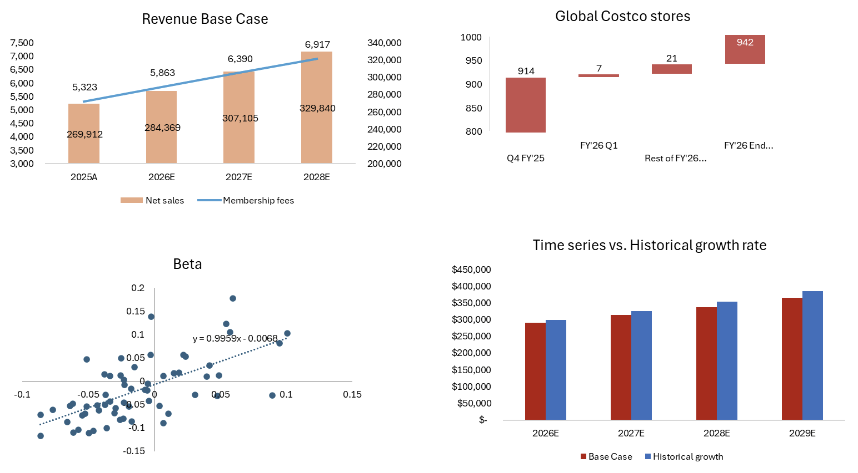
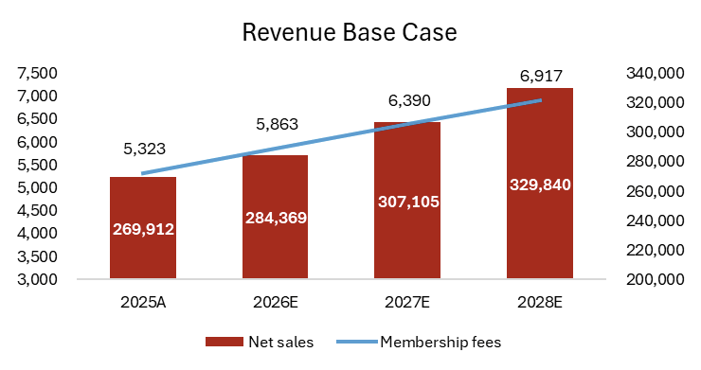

 | Q4 FY'25 | FY'26 Q1 | Rest of FY'26 (Estimated) | FY'26 End (Estimated)
United States of America | 629 | 4 | 16 | 649
Canada | 110 | 2 | 3 | 115
Other International | 175 | 1 | 2 | 178
Stores | 914 | 7 | 21 | 942

 | Terminal Growth rate
WACC | WACC/Terminal growth rate | 2.50% | 3.50% | 4.50% | 5.50% | 6.50%
 | 6.33% | 471 | 618 | 925 | 1973 | -9309
 | 7.33% | 375 | 458 | 601 | 900 | 1919
 | 8.33% | 312 | 365 | 447 | 586 | 876
 | 9.33% | 267 | 304 | 356 | 435 | 570
 | 10.33% | 234 | 261 | 297 | 347 | 424

Revenue Base case time series versus Historical Average
 | 2026E | 2027E | 2028E | 2029E
Base Case | $290,232 | $313,495 | $336,757 | $365,768
Historical growth | $299,318 | $325,508 | $353,990 | $384,965

Beta Calculation
Date | Costco | Re | S&P500 | Rm | Rf | Monthly Rf | Rm-Rf | Re-Rf | Costco Beta: | 0.9959
2026-01-30 | 940.25 | -4% | 6,939.03 | 0.0% | 4.21% | 0.35% | 0% | -4% | SUMMARY OUTPUT
2025-11-28 | 913.59 | 6% | 6,849.09 | 0% | 4.09% | 0.34% | 0% | 6% | Regression Statistics
2025-10-31 | 911.45 | 0% | 6,840.20 | 0% | 4.06% | 0.34% | 0% | -1% | Multiple R | 0.6539
2025-09-30 | 925.63 | 2% | 6,688.46 | -2% | 4.12% | 0.34% | -3% | 1% | R Square | 0.4276
2025-08-29 | 943.32 | 2% | 6,460.26 | -3% | 4.26% | 0.35% | -4% | 2% | Adjusted R Square | 0.4178
2025-07-31 | 939.64 | 0% | 6,339.39 | -2% | 4.39% | 0.37% | -2% | -1% | Standard Error | 0.0509
2025-06-30 | 989.94 | 5% | 6,204.95 | -2% | 4.38% | 0.37% | -2% | 5% | Observations | 60.0000
2025-04-30 | 994.50 | -4% | 5,569.06 | -6% | 4.28% | 0.36% | -6% | -5% | ANOVA
2025-03-31 | 945.78 | -5% | 5,611.85 | 1% | 4.28% | 0.36% | 0% | -5% |  | df | SS | MS | F | Significance F
2025-02-28 | 1,048.61 | 11% | 5,954.50 | 6% | 4.45% | 0.37% | 6% | 11% | Regression | 1.0000 | 0.1121 | 0.1121 | 43.3326 | 0.0000
2025-01-31 | 979.88 | -7% | 6,040.53 | 1% | 4.63% | 0.39% | 1% | -7% | Residual | 58.0000 | 0.1501 | 0.0026
2024-12-31 | 916.27 | -6% | 5,881.63 | -3% | 4.39% | 0.37% | -3% | -7% | Total | 59.0000 | 0.2622
2024-11-29 | 971.88 | 6% | 6,032.38 | 3% | 4.36% | 0.36% | 2% | 6%
2024-10-31 | 874.18 | -10% | 5,705.45 | -5% | 4.10% | 0.34% | -6% | -10% |  | Coefficients | Standard Error | t Stat | P-value | Lower 95% | Upper 95% | Lower 95.0% | Upper 95.0%
2024-09-30 | 886.52 | 1% | 5,762.48 | 1% | 3.72% | 0.31% | 1% | 1% | Intercept | -0.0068 | 0.0068 | -0.9955 | 0.3236 | -0.0204 | 0.0069 | -0.0204 | 0.0069
2024-08-30 | 892.38 | 1% | 5,648.40 | -2% | 3.87% | 0.32% | -2% | 0% | X Variable 1 | 0.9959 | 0.1513 | 6.5828 | 0.0000 | 0.6930 | 1.2987 | 0.6930 | 1.2987
2024-07-31 | 822.00 | -8% | 5,522.30 | -2% | 4.25% | 0.35% | -3% | -8%
2024-06-28 | 849.99 | 3% | 5,460.48 | -1% | 4.31% | 0.36% | -1% | 3% | Equation: | (Re-Rf) =-0.006 + 0.996*(Rm-Rf)
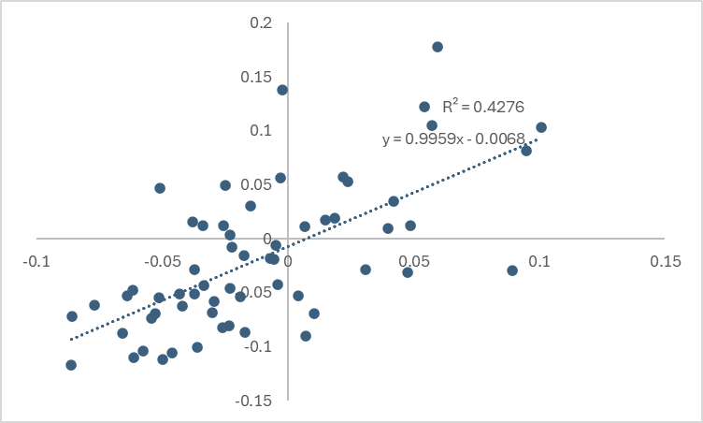
2024-05-31 | 809.89 | -5% | 5,277.51 | -3% | 4.48% | 0.37% | -4% | -5%
2024-04-30 | 722.90 | -11% | 5,035.69 | -5% | 4.54% | 0.38% | -5% | -11%
2024-03-28 | 732.63 | 1% | 5,254.35 | 4% | 4.21% | 0.35% | 4% | 1%
2024-02-29 | 743.89 | 2% | 5,096.27 | -3% | 4.21% | 0.35% | -3% | 1%
2024-01-31 | 694.88 | -7% | 4,845.65 | -5% | 4.06% | 0.34% | -5% | -7%
2023-12-29 | 660.08 | -5% | 4,769.83 | -2% | 4.02% | 0.33% | -2% | -5%
2023-11-30 | 592.74 | -10% | 4,567.80 | -4% | 4.50% | 0.38% | -5% | -11%
2023-10-31 | 552.44 | -7% | 4,193.80 | -8% | 4.80% | 0.40% | -9% | -7%
2023-09-29 | 564.96 | 2% | 4,288.05 | 2% | 4.38% | 0.37% | 2% | 2%
2023-08-31 | 549.28 | -3% | 4,507.66 | 5% | 4.17% | 0.35% | 5% | -3%
2023-07-31 | 560.67 | 2% | 4,588.96 | 2% | 3.90% | 0.33% | 1% | 2%
2023-06-30 | 538.38 | -4% | 4,450.38 | -3% | 3.75% | 0.31% | -3% | -4%
2023-05-31 | 511.56 | -5% | 4,179.83 | -6% | 3.57% | 0.30% | -6% | -5%
2023-04-28 | 503.22 | -2% | 4,169.48 | 0% | 3.46% | 0.29% | -1% | -2%
2023-03-31 | 496.87 | -1% | 4,109.31 | -1% | 3.66% | 0.31% | -2% | -2%
2023-02-28 | 484.18 | -3% | 3,970.15 | -3% | 3.75% | 0.31% | -4% | -3%
2023-01-31 | 511.14 | 6% | 4,076.60 | 3% | 3.53% | 0.29% | 2% | 5%
2022-12-30 | 456.50 | -11% | 3,839.50 | -6% | 3.62% | 0.30% | -6% | -11%
2022-11-30 | 539.25 | 18% | 4,080.11 | 6% | 3.89% | 0.32% | 6% | 18%
2022-10-31 | 501.50 | -7% | 3,871.98 | -5% | 3.98% | 0.33% | -5% | -7%
2022-09-30 | 472.27 | -6% | 3,585.62 | -7% | 3.52% | 0.29% | -8% | -6%
2022-08-31 | 522.10 | 11% | 3,955.00 | 10% | 2.90% | 0.24% | 10% | 10%
2022-07-29 | 541.30 | 4% | 4,130.29 | 4% | 2.90% | 0.24% | 4% | 3%
2022-06-30 | 479.28 | -11% | 3,785.38 | -8% | 3.14% | 0.26% | -9% | -12%
2022-05-31 | 466.22 | -3% | 4,132.15 | 9% | 2.90% | 0.24% | 9% | -3%
2022-04-29 | 531.72 | 14% | 4,131.93 | 0% | 2.75% | 0.23% | 0% | 14%
2022-03-31 | 575.85 | 8% | 4,530.41 | 10% | 2.13% | 0.18% | 9% | 8%
2022-02-28 | 519.25 | -10% | 4,373.94 | -3% | 1.93% | 0.16% | -4% | -10%
2022-01-31 | 505.13 | -3% | 4,515.55 | 3% | 1.76% | 0.15% | 3% | -3%
2021-12-31 | 567.70 | 12% | 4,766.18 | 6% | 1.47% | 0.12% | 5% | 12%
2021-11-30 | 539.38 | -5% | 4,567.00 | -4% | 1.56% | 0.13% | -4% | -5%
2021-10-29 | 491.54 | -9% | 4,605.38 | 1% | 1.58% | 0.13% | 1% | -9%
2021-09-30 | 449.35 | -9% | 4,307.54 | -6% | 1.37% | 0.11% | -7% | -9%
2021-08-31 | 455.49 | 1% | 4,522.68 | 5% | 1.28% | 0.11% | 5% | 1%
2021-07-30 | 429.72 | -6% | 4,395.26 | -3% | 1.32% | 0.11% | -3% | -6%
2021-06-30 | 395.67 | -8% | 4,297.50 | -2% | 1.52% | 0.13% | -2% | -8%
2021-05-28 | 378.27 | -4% | 4,204.11 | -2% | 1.62% | 0.14% | -2% | -5%
2021-04-30 | 372.09 | -2% | 4,181.17 | -1% | 1.64% | 0.14% | -1% | -2%
2021-03-31 | 352.48 | -5% | 3,972.89 | -5% | 1.61% | 0.13% | -5% | -5%
2021-02-26 | 331.00 | -6% | 3,811.15 | -4% | 1.26% | 0.11% | -4% | -6%

WCM
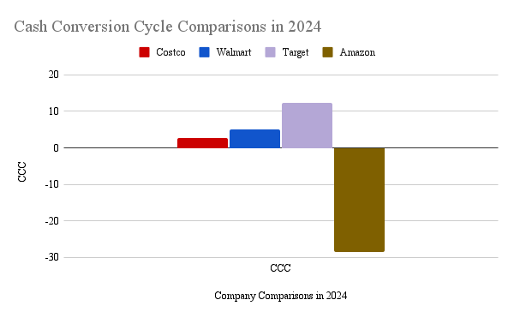
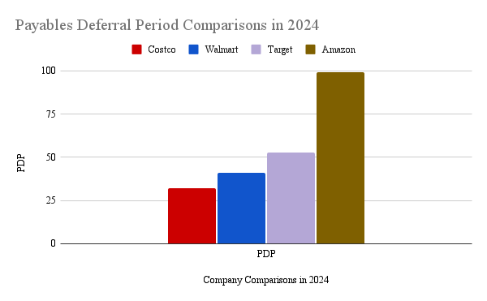
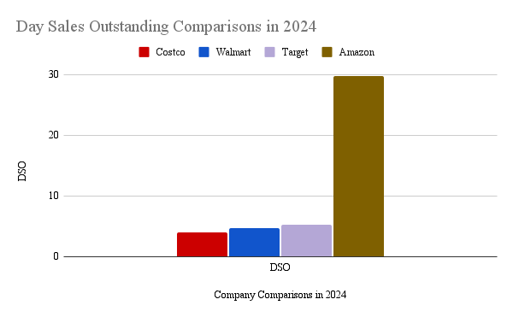
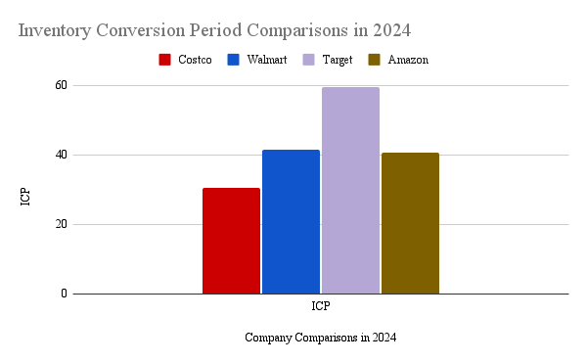
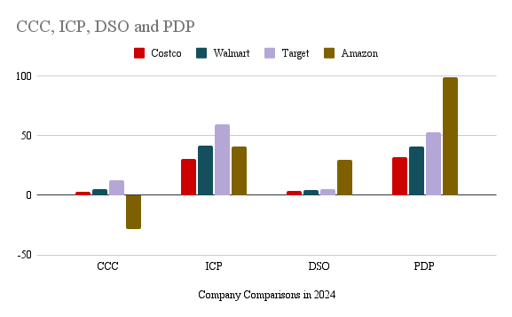
Selected Ratios for Costco | Formulas Used | 2025 | 2024 | 2023 | 2022 | 2021 | 5-Year Avg
Current Ratio | CA/CL | 1.03 | 0.97 | 1.07 | 1.02 | 1.00 | 1.02
Quick Ratio | (Cash+Marketable Securities +Receivables)/CL | 0.50 | 0.39 | 0.52 | 0.42 | 0.47 | 0.46
TL/Assets | Total Liabilities/Total Assets | 0.11 | 0.12 | 0.11 | 0.14 | 0.16 | 0.13
Inventory Turnover | COGS/Inventory | 13.05 | 12.60 | 12.30 | 12.41 | 12.90 | 12.65
Cash Turnover | Net Sales/Cash and cash equivalents | #NAME? | #NAME? | #NAME? | #NAME? | #NAME? | #NAME?
Fixed Asset Turnover | Net Sales/Avg Net FA | 8.86 | 8.96 | 9.26 | 9.25 | 16.35 | 10.54
Total Asset Turnover | Net Sales/Avg Total Assets | 3.67 | 3.60 | 3.57 | 3.61 | 3.35 | 3.56
Gross Profit Margin | (Net Sales - COGS)/Net Sales | 11.12% | 10.92% | 10.57% | 10.48% | 11.13% | 10.85%
Net Profit Margin | Net Income/Net Sales | 3.00% | 2.95% | 2.65% | 2.66% | 2.64% | 2.78%
Return on Equity | Net Income/Equity | 27.77% | 31.19% | 25.11% | 28.65% | 28.09% | 28.16%

 |  | 2025 | 2024 | 2023 | 2022 | 2021 | 5-Year Avg
Cash Conversion Cycle | ICP + DSO - PDP | 1.79 | 2.71 | 2.08 | 3.78 | -0.98 | 1.88
Inventory Conversion Period | Inventory/(COGS/365) | 27.56 | 30.61 | 28.59 | 32.78 | 30.40 | 29.99
Days Sales Outstanding (DSO) | AR/(Sales/365) | 4.33 | 3.98 | 3.51 | 3.67 | 3.43 | 3.78
Payables Deferral Period | AP/(COGS/365) | 30.10 | 31.88 | 30.02 | 32.67 | 34.81 | 31.90

Company Comparisons in 2024 | CCC | ICP | DSO | PDP
Costco | 2.71 | 30.61 | 3.98 | 31.88
Averages w/ Amazon | -2.148 | 43.077 | 10.945 | 56.170
Averages w/o Amazon | 6.67 | 43.90 | 4.66 | 41.89

Company Comparisons in 2024 | CCC | ICP | DSO | PDP
Costco | 2.71 | 30.61 | 3.98 | 31.88
Walmart | 5 | 41.5 | 4.7 | 41.2
Target | 12.3 | 59.6 | 5.3 | 52.6
Amazon | -28.6 | 40.6 | 29.8 | 99

