Research lines
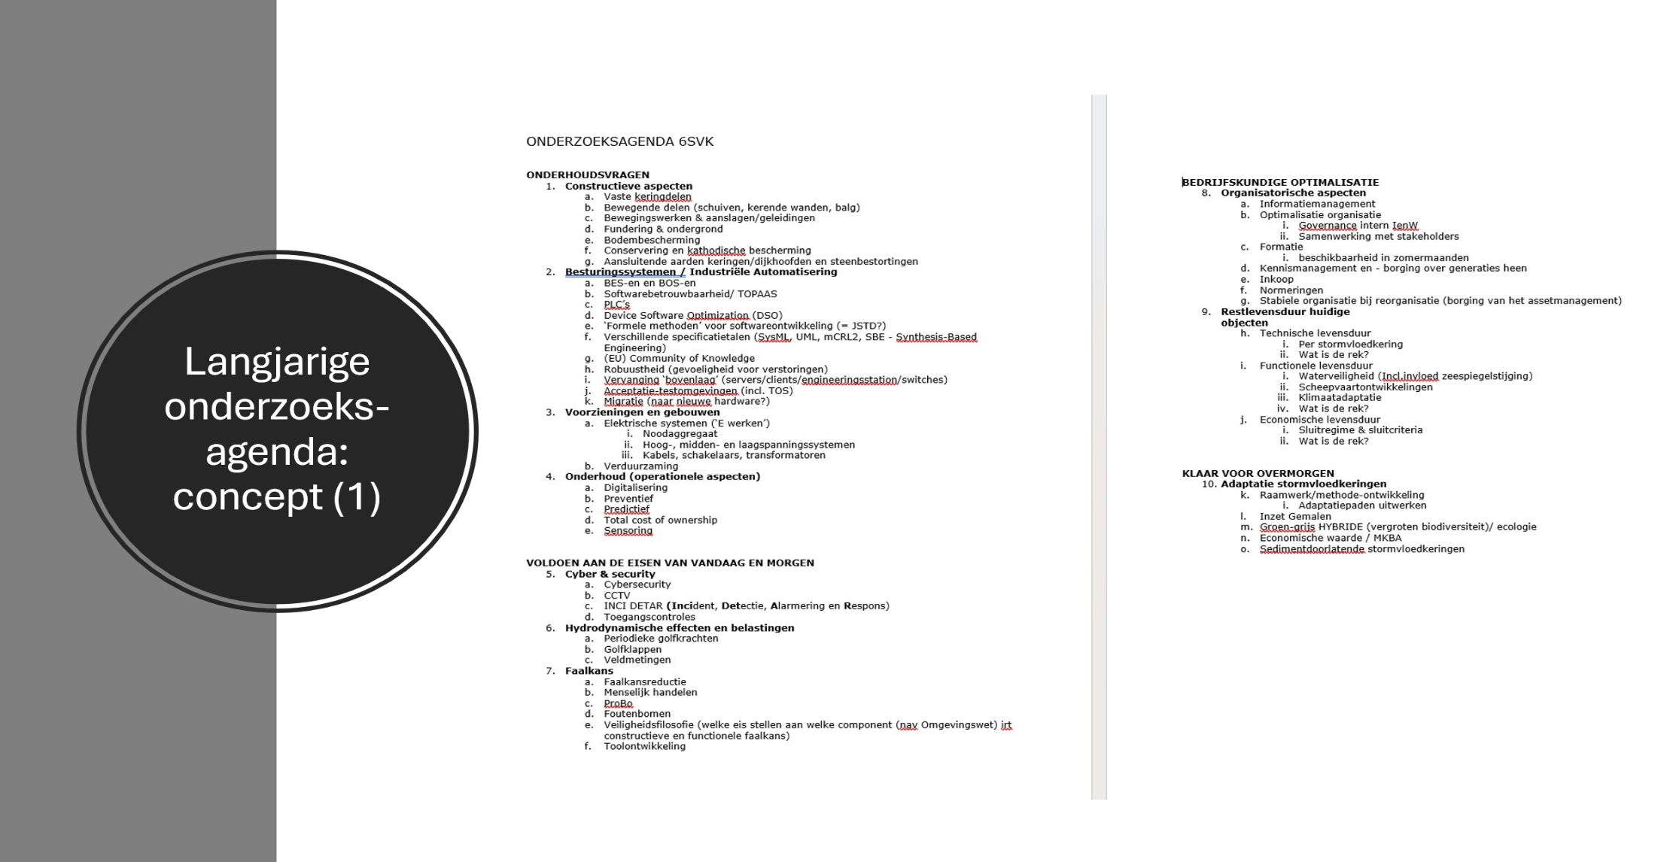
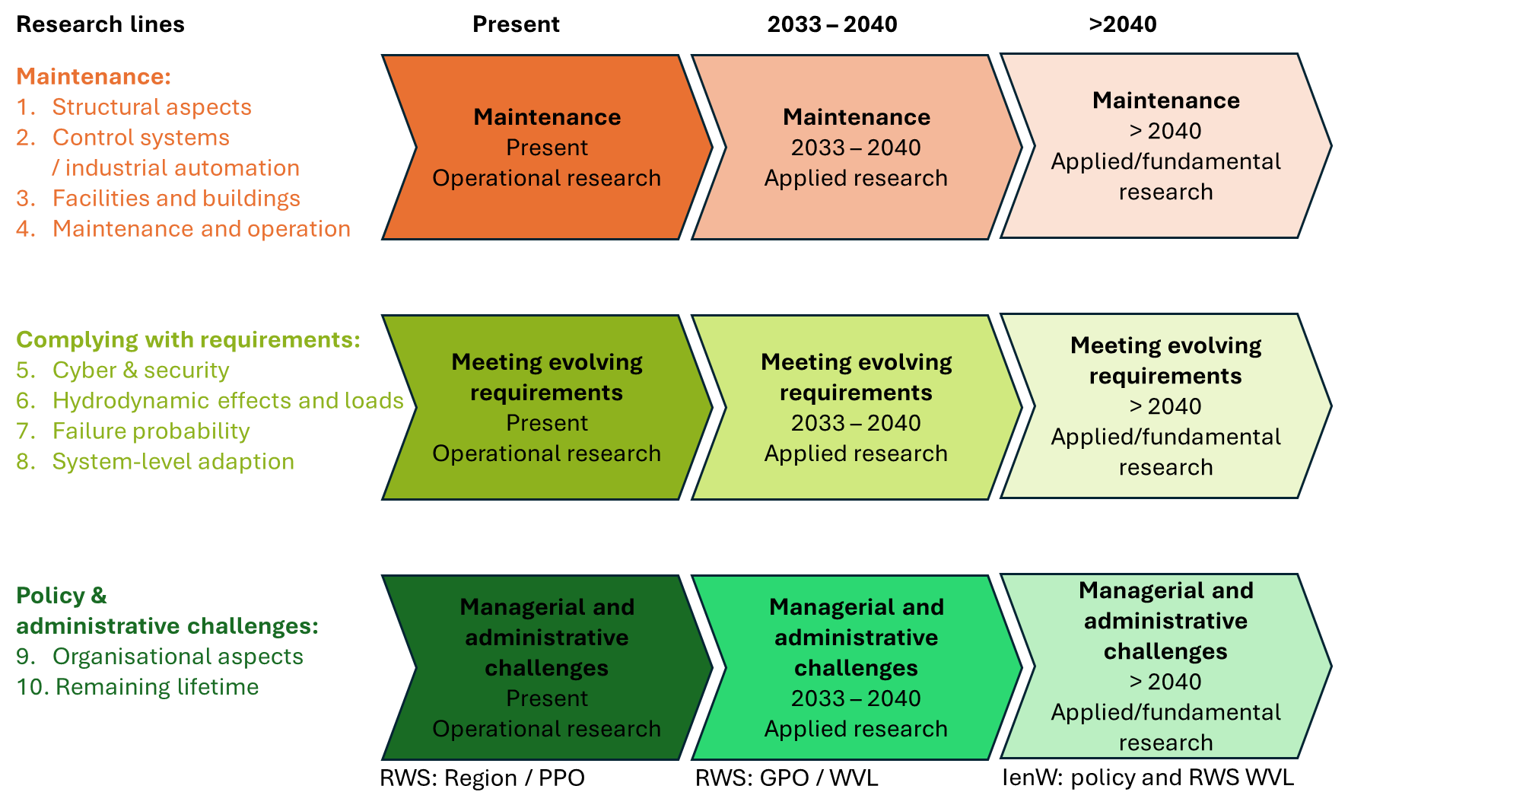
Number | Research line
1 | 1. Structural aspects
2 | 2. Control systems and industrial automation
3 | 3. Facilities and buildings
4 | 4. Maintenance and operation
5 | 5. Cyber and security
6 | 6. Hydrodynamic effects and loads
7 | 7. Failure probability
8 | 8. System-level adaptation
9 | 9. Organisational aspects
10 | 10. Remaining lifetime

