overview
 | count | mean | std | min | 25% | 50% | 75% | max | NUM_MISSING | %_MISSING | NUM_UNIQUE | %_UNIQUE | UNIVARIATE ANALYSIS COMMENTS | MULTIVARIATE ANALYSIS COMMENTS
architecture_type |  |  |  |  |  |  |  |  | 0 | 0 | 5 | 0
deployment_type |  |  |  |  |  |  |  |  | 0 | 0 | 3 | 0
communication_type |  |  |  |  |  |  |  |  | 0 | 0 | 3 | 0
num_services | 200000 | 26.14 | 18.48 | 1 | 8 | 25 | 42 | 59 | 0 | 0 | 59 | 0
num_databases | 200000 | 1.44 | 0.8 | 1 | 1 | 1 | 2 | 4 | 0 | 0 | 4 | 0
requests_per_second | 200000 | 189.33 | 150.02 | 6.62 | 92.3 | 148.31 | 238.09 | 3199.84 | 0 | 0 | 47997 | 0.24
avg_payload_kb | 200000 | 75.73 | 42.75 | 2 | 38.69 | 75.5 | 112.78 | 150 | 0 | 0 | 14801 | 0.07
read_write_ratio | 200000 | 0.68 | 0.16 | 0.4 | 0.54 | 0.68 | 0.81 | 0.95 | 0 | 0 | 56 | 0
peak_traffic_multiplier | 200000 | 2.5 | 0.87 | 1 | 1.75 | 2.49 | 3.24 | 4 | 0 | 0 | 301 | 0
cpu_utilization_percent | 200000 | 15.87 | 13.03 | 0 | 7.21 | 13.12 | 21.05 | 100 | 0 | 0 | 7419 | 0.04
memory_utilization_percent | 200000 | 60.47 | 32.41 | 0 | 32.29 | 62.96 | 93.95 | 100 | 0 | 0 | 10001 | 0.05
network_latency_ms | 200000 | 30.08 | 29.95 | 0 | 8.71 | 20.94 | 41.82 | 398.81 | 0 | 0 | 14327 | 0.07
packet_loss_percent | 200000 | 0.42 | 0.45 | 0 | 0 | 0.3 | 0.7 | 2.96 | 0 | 0 | 267 | 0
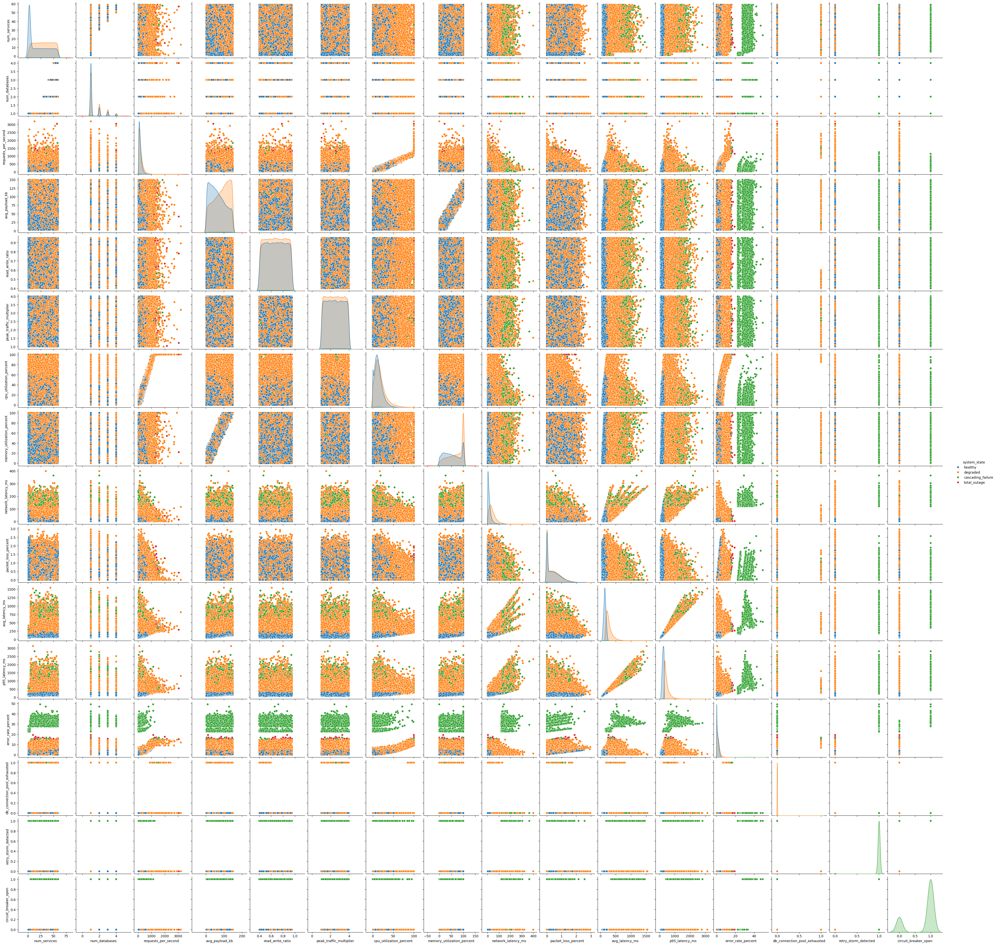
avg_latency_ms | 200000 | 216.18 | 115.91 | 40.35 | 141.84 | 187.5 | 255.79 | 1540.75 | 0 | 0 | 43400 | 0.22
p95_latency_ms | 200000 | 356.64 | 201.6 | 53.12 | 226.15 | 306.98 | 426.98 | 3120.98 | 0 | 0 | 62769 | 0.31
error_rate_percent | 200000 | 1.66 | 2.74 | 0 | 0.38 | 1.15 | 2.19 | 49.22 | 0 | 0 | 2064 | 0.01
db_connection_pool_exhausted | 200000 | 0 | 0.03 | 0 | 0 | 0 | 0 | 1 | 0 | 0 | 2 | 0
retry_storm_detected | 200000 | 0.01 | 0.08 | 0 | 0 | 0 | 0 | 1 | 0 | 0 | 2 | 0
circuit_breaker_open | 200000 | 0 | 0.07 | 0 | 0 | 0 | 0 | 1 | 0 | 0 | 2 | 0
system_state |  |  |  |  |  |  |  |  | 0 | 0 | 4 | 0
root_cause |  |  |  |  |  |  |  |  | 0 | 0 | 5 | 0

architecture_type
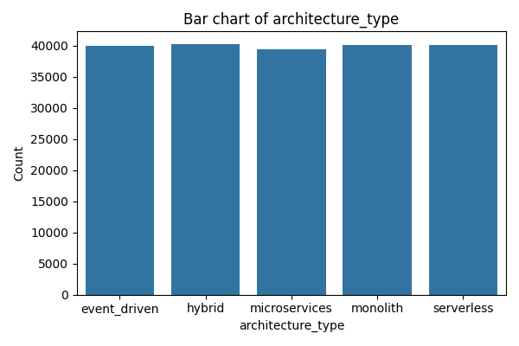
architecture_type | count
event_driven | 40005
hybrid | 40283
microservices | 39437
monolith | 40157
serverless | 40118

deployment_type
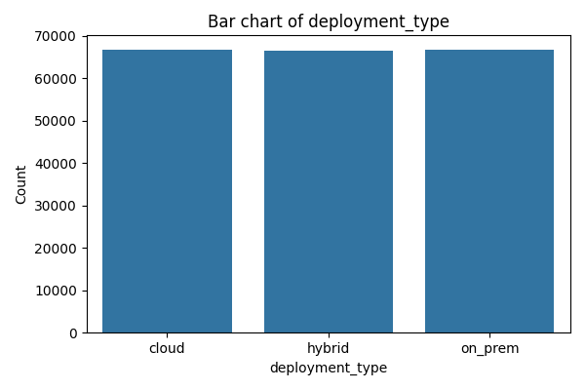
deployment_type | count
cloud | 66752
hybrid | 66438
on_prem | 66810

communication_type
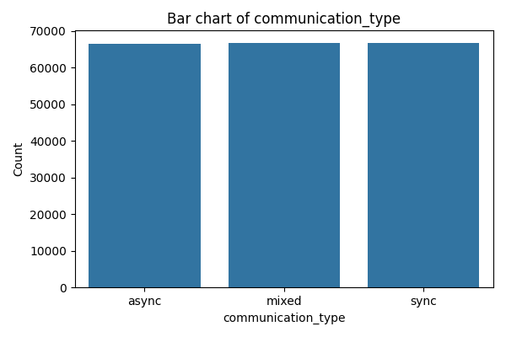
communication_type | count
async | 66580
mixed | 66773
sync | 66647

num_services
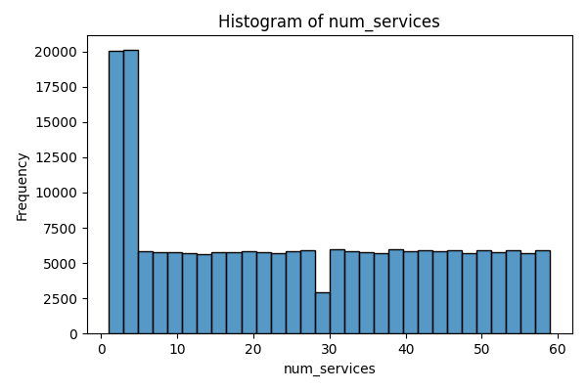
num_services | count
1 | 9983
2 | 10050
3 | 10141
4 | 9983
5 | 2927
6 | 2886
7 | 2853
8 | 2897
9 | 2892
10 | 2875
11 | 2826
12 | 2884
13 | 2839
14 | 2819
15 | 2931
16 | 2853
17 | 2938
18 | 2857
19 | 2974
20 | 2863
21 | 2928
22 | 2833
23 | 2929
24 | 2791
25 | 2874
26 | 2989
27 | 2923
28 | 2956
29 | 2908
30 | 3000
31 | 2976
32 | 2908
33 | 2911
34 | 2907
35 | 2894
36 | 2837
37 | 2856
38 | 3010
39 | 2947
40 | 2911
41 | 2947
42 | 2932
43 | 2942
44 | 2915
45 | 2905
46 | 2966
47 | 2914
48 | 2875
49 | 2815
50 | 2951
51 | 2971
52 | 2921
53 | 2856
54 | 2904
55 | 3009
56 | 2833
57 | 2875
58 | 3006
59 | 2904

num_databases
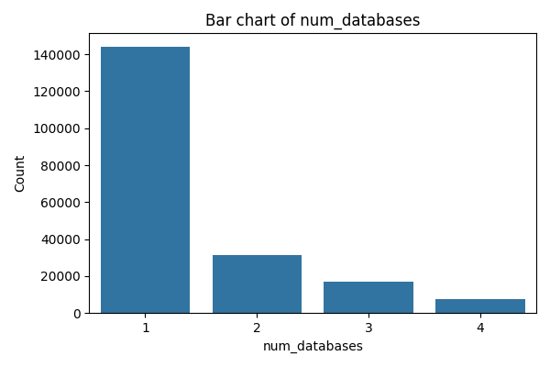
num_databases | count
1 | 144101
2 | 31496
3 | 17071
4 | 7332

requests_per_second
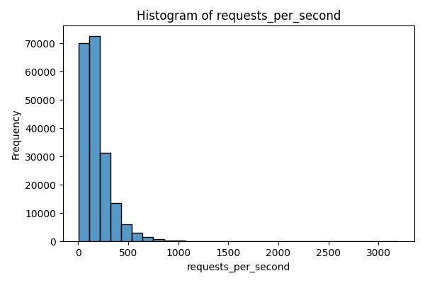
requests_per_second | count
6.62 | 1
6.75 | 1
7.02 | 1
7.37 | 1
8.33 | 1
9.15 | 1
9.25 | 1
9.27 | 1
9.56 | 1
10.11 | 1
10.13 | 1
10.18 | 1
10.29 | 1
10.37 | 1
10.5 | 1
10.55 | 1
10.58 | 1
10.89 | 1
10.9 | 1
11.12 | 1
11.22 | 1
11.31 | 1
11.33 | 1
11.35 | 1
11.73 | 1
11.75 | 1
11.77 | 1
12.19 | 1
12.26 | 1
12.27 | 1
12.32 | 1
12.33 | 1
12.48 | 1
12.5 | 1
12.56 | 1
12.64 | 1
12.65 | 1
12.71 | 1
12.81 | 1
12.87 | 1
12.94 | 1
12.95 | 1
12.99 | 1
13 | 1
13.04 | 1
13.06 | 1
13.1 | 1
13.19 | 1
13.21 | 1
13.22 | 1
13.24 | 1
13.26 | 1
13.28 | 1
13.29 | 1
13.34 | 1
13.41 | 1
13.42 | 1
13.48 | 1
13.59 | 2
13.6 | 1
13.65 | 1
13.69 | 1
13.72 | 1
13.75 | 1
13.77 | 1
13.85 | 1
13.91 | 1
13.93 | 1
13.96 | 1
14 | 1
14.03 | 1
14.04 | 1
14.11 | 1
14.12 | 1
14.14 | 1
14.18 | 1
14.19 | 1
14.21 | 1
14.22 | 1
14.35 | 1
14.39 | 1
14.4 | 1
14.45 | 1
14.46 | 1
14.51 | 1
14.55 | 2
14.62 | 1
14.65 | 1
14.71 | 1
14.72 | 1
14.93 | 2
15 | 1
15.04 | 2
15.06 | 1
15.1 | 2
15.12 | 1
15.13 | 1
15.19 | 1
15.26 | 2
15.27 | 1
15.36 | 2
15.39 | 2
15.47 | 1
15.48 | 1
15.52 | 2
15.56 | 2
15.57 | 2
15.69 | 1
15.8 | 1
15.83 | 1
15.84 | 2
15.87 | 2
15.9 | 2
15.91 | 1
15.92 | 1
15.94 | 1
16.01 | 1
16.04 | 1
16.08 | 1
16.09 | 1
16.1 | 1
16.13 | 1
16.18 | 1
16.19 | 1
16.21 | 1
16.23 | 1
16.25 | 2
16.26 | 2
16.28 | 1
16.34 | 1
16.35 | 1
16.36 | 1
16.37 | 1
16.39 | 2
16.41 | 2
16.47 | 1
16.49 | 1
16.53 | 1
16.56 | 1
16.58 | 1
16.59 | 1
16.65 | 1
16.68 | 1
16.7 | 1
16.71 | 1
16.75 | 1
16.76 | 1
16.77 | 2
16.79 | 1
16.81 | 3
16.83 | 2
16.85 | 1
16.86 | 1
16.87 | 2
16.9 | 1
16.95 | 1
16.97 | 1
17.05 | 4
17.07 | 1
17.09 | 1
17.11 | 1
17.14 | 1
17.15 | 1
17.2 | 1
17.21 | 1
17.22 | 1
17.28 | 2
17.29 | 2
17.32 | 1
17.33 | 1
17.34 | 1
17.37 | 1
17.4 | 1
17.41 | 1
17.42 | 1
17.43 | 1
17.47 | 2
17.48 | 1
17.51 | 1
17.53 | 2
17.58 | 1
17.6 | 1
17.62 | 2
17.65 | 1
17.68 | 1
17.7 | 1
17.71 | 1
17.72 | 3
17.74 | 1
17.76 | 2
17.78 | 1
17.79 | 1
17.81 | 1
17.82 | 1
17.85 | 2
17.87 | 1
17.9 | 1
17.95 | 1
17.96 | 1
17.97 | 1
17.99 | 1
18 | 1
18.03 | 1
18.08 | 1
18.09 | 1
18.13 | 1
18.14 | 1
18.15 | 2
18.17 | 1
18.19 | 1
18.23 | 2
18.24 | 1
18.29 | 1
18.3 | 1
18.31 | 1
18.32 | 1
18.35 | 1
18.38 | 2
18.39 | 2
18.4 | 1
18.42 | 1
18.44 | 4
18.45 | 2
18.46 | 1
18.47 | 1
18.49 | 1
18.51 | 1
18.53 | 1
18.55 | 1
18.56 | 1
18.57 | 2
18.59 | 1
18.61 | 1
18.63 | 2
18.66 | 1
18.72 | 1
18.73 | 1
18.75 | 2
18.76 | 1
18.77 | 4
18.78 | 2
18.79 | 1
18.84 | 1
18.85 | 1
18.87 | 1
18.89 | 1
18.9 | 2
18.92 | 1
18.93 | 1
18.96 | 1
18.97 | 1
18.98 | 2
19 | 2
19.03 | 1
19.04 | 3
19.05 | 3
19.07 | 1
19.08 | 1
19.09 | 1
19.1 | 1
19.16 | 2
19.17 | 2
19.18 | 1
19.21 | 1
19.25 | 1
19.26 | 1
19.27 | 2
19.29 | 1
19.3 | 2
19.31 | 1
19.32 | 2
19.33 | 2
19.35 | 1
19.38 | 1
19.4 | 3
19.42 | 1
19.43 | 1
19.44 | 1
19.46 | 1
19.47 | 1
19.48 | 1
19.51 | 2
19.52 | 2
19.55 | 3
19.56 | 1
19.57 | 2
19.58 | 1
19.59 | 1
19.61 | 2
19.62 | 2
19.63 | 3
19.65 | 2
19.66 | 2
19.67 | 1
19.69 | 3
19.7 | 1
19.72 | 4
19.74 | 2
19.77 | 1
19.8 | 1
19.82 | 1
19.83 | 2
19.84 | 1
19.86 | 2
19.88 | 1
19.92 | 2
19.96 | 2
19.97 | 1
19.99 | 1
20.01 | 1
20.03 | 2
20.05 | 2
20.06 | 1
20.07 | 1
20.08 | 1
20.11 | 1
20.12 | 1
20.13 | 3
20.14 | 1
20.17 | 2
20.18 | 2
20.23 | 1
20.25 | 2
20.27 | 1
20.28 | 1
20.3 | 1
20.32 | 1
20.33 | 2
20.35 | 1
20.36 | 1
20.37 | 2
20.38 | 2
20.39 | 1
20.4 | 1
20.41 | 1
20.42 | 1
20.43 | 1
20.44 | 2
20.45 | 1
20.46 | 1
20.48 | 1
20.51 | 1
20.52 | 1
20.54 | 1
20.55 | 4
20.57 | 1
20.59 | 1
20.62 | 1
20.63 | 1
20.68 | 2
20.69 | 1
20.7 | 2
20.71 | 2
20.72 | 1
20.73 | 2
20.74 | 1
20.76 | 1
20.77 | 1
20.78 | 1
20.8 | 2
20.81 | 2
20.82 | 1
20.83 | 1
20.84 | 1
20.85 | 5
20.87 | 3
20.88 | 4
20.89 | 2
20.9 | 1
20.91 | 1
20.92 | 2
20.93 | 1
20.95 | 3
20.96 | 1
20.97 | 1
20.98 | 2
20.99 | 1
21 | 2
21.01 | 2
21.02 | 1
21.04 | 2
21.05 | 1
21.06 | 2
21.07 | 2
21.08 | 1
21.1 | 2
21.11 | 2
21.13 | 1
21.15 | 1
21.17 | 1
21.18 | 1
21.19 | 3
21.2 | 2
21.23 | 1
21.24 | 1
21.25 | 1
21.26 | 1
21.27 | 1
21.28 | 1
21.29 | 1
21.3 | 2
21.31 | 2
21.32 | 1
21.34 | 4
21.36 | 1
21.38 | 2
21.4 | 3
21.41 | 1
21.42 | 3
21.44 | 2
21.45 | 1
21.47 | 1
21.48 | 2
21.49 | 1
21.5 | 5
21.51 | 1
21.53 | 1
21.54 | 1
21.57 | 1
21.58 | 2
21.59 | 2
21.62 | 1
21.63 | 2
21.64 | 4
21.66 | 2
21.68 | 1
21.7 | 2
21.71 | 3
21.74 | 2
21.75 | 1
21.76 | 2
21.77 | 2
21.78 | 1
21.79 | 2
21.81 | 1
21.83 | 1
21.84 | 1
21.86 | 1
21.87 | 1
21.88 | 4
21.89 | 2
21.91 | 2
21.92 | 2
21.94 | 2
21.95 | 1
21.96 | 2
21.97 | 1
21.98 | 3
21.99 | 1
22 | 1
22.01 | 1
22.02 | 2
22.03 | 1
22.04 | 2
22.05 | 2
22.06 | 1
22.07 | 1
22.08 | 3
22.1 | 3
22.11 | 3
22.12 | 2
22.14 | 2
22.16 | 3
22.19 | 3
22.2 | 3
22.21 | 1
22.23 | 1
22.24 | 1
22.25 | 1
22.26 | 1
22.27 | 2
22.29 | 2
22.3 | 2
22.31 | 2
22.33 | 1
22.34 | 3
22.35 | 4
22.36 | 5
22.37 | 1
22.38 | 2
22.4 | 3
22.41 | 2
22.42 | 1
22.43 | 1
22.46 | 4
22.47 | 2
22.48 | 1
22.49 | 1
22.5 | 2
22.51 | 1
22.52 | 1
22.53 | 1
22.54 | 3
22.56 | 1
22.57 | 2
22.59 | 1
22.6 | 1
22.61 | 1
22.62 | 1
22.67 | 2
22.68 | 1
22.69 | 1
22.7 | 1
22.71 | 1
22.72 | 3
22.75 | 1
22.76 | 1
22.77 | 3
22.78 | 3
22.81 | 1
22.82 | 1
22.83 | 1
22.85 | 1
22.86 | 2
22.87 | 2
22.88 | 6
22.89 | 2
22.9 | 2
22.91 | 3
22.92 | 2
22.95 | 2
22.96 | 4
22.97 | 1
22.98 | 3
23 | 1
23.01 | 2
23.02 | 1
23.03 | 1
23.04 | 1
23.05 | 3
23.06 | 1
23.07 | 2
23.08 | 5
23.1 | 1
23.11 | 2
23.16 | 2
23.17 | 1
23.18 | 2
23.2 | 2
23.21 | 1
23.22 | 1
23.23 | 1
23.24 | 2
23.28 | 2
23.29 | 2
23.3 | 1
23.31 | 1
23.34 | 1
23.35 | 1
23.36 | 2
23.39 | 1
23.41 | 1
23.42 | 1
23.43 | 1
23.45 | 3
23.47 | 2
23.48 | 1
23.49 | 5
23.5 | 2
23.51 | 2
23.52 | 3
23.53 | 1
23.55 | 1
23.56 | 3
23.57 | 2
23.58 | 1
23.59 | 2
23.6 | 2
23.61 | 2
23.62 | 1
23.63 | 4
23.64 | 2
23.66 | 3
23.67 | 1
23.69 | 2
23.7 | 3
23.71 | 3
23.72 | 1
23.74 | 2
23.75 | 1
23.76 | 2
23.77 | 1
23.78 | 3
23.79 | 1
23.81 | 1
23.82 | 1
23.83 | 2
23.85 | 2
23.86 | 4
23.87 | 1
23.88 | 5
23.89 | 1
23.9 | 3
23.91 | 5
23.93 | 1
23.94 | 4
23.95 | 1
23.96 | 1
23.97 | 3
23.98 | 3
23.99 | 2
24 | 1
24.01 | 1
24.02 | 1
24.04 | 1
24.05 | 7
24.06 | 1
24.08 | 1
24.1 | 2
24.11 | 2
24.13 | 2
24.14 | 2
24.16 | 3
24.17 | 1
24.18 | 2
24.19 | 3
24.2 | 2
24.21 | 1
24.22 | 1
24.23 | 1
24.27 | 3
24.28 | 3
24.29 | 2
24.3 | 2
24.32 | 2
24.33 | 1
24.34 | 2
24.35 | 2
24.36 | 6
24.37 | 2
24.39 | 1
24.41 | 2
24.42 | 1
24.43 | 1
24.47 | 1
24.48 | 2
24.49 | 1
24.5 | 2
24.52 | 3
24.53 | 1
24.54 | 3
24.55 | 2
24.57 | 3
24.58 | 2
24.6 | 3
24.61 | 1
24.63 | 1
24.64 | 2
24.65 | 4
24.66 | 2
24.67 | 3
24.68 | 2
24.69 | 3
24.7 | 3
24.71 | 2
24.72 | 5
24.73 | 5
24.74 | 1
24.75 | 3
24.76 | 3
24.77 | 1
24.79 | 2
24.8 | 4
24.81 | 1
24.85 | 2
24.86 | 2
24.87 | 2
24.88 | 1
24.89 | 1
24.9 | 2
24.91 | 3
24.92 | 4
24.93 | 1
24.94 | 2
24.95 | 2
24.96 | 1
24.97 | 2
24.98 | 1
24.99 | 1
25 | 2
25.01 | 3
25.02 | 4
25.03 | 2
25.04 | 1
25.05 | 2
25.06 | 1
25.08 | 1
25.09 | 3
25.1 | 3
25.11 | 1
25.12 | 7
25.13 | 1
25.14 | 2
25.15 | 1
25.16 | 1
25.18 | 1
25.19 | 3
25.2 | 1
25.21 | 3
25.22 | 3
25.24 | 4
25.25 | 2
25.26 | 6
25.27 | 2
25.28 | 3
25.29 | 1
25.3 | 1
25.31 | 2
25.34 | 1
25.35 | 1
25.36 | 1
25.37 | 1
25.38 | 2
25.39 | 3
25.4 | 1
25.41 | 2
25.43 | 2
25.44 | 2
25.45 | 1
25.46 | 2
25.47 | 2
25.49 | 3
25.5 | 1
25.51 | 1
25.52 | 3
25.53 | 1
25.54 | 2
25.56 | 4
25.57 | 1
25.59 | 2
25.6 | 1
25.61 | 2
25.62 | 1
25.63 | 3
25.66 | 2
25.67 | 3
25.7 | 3
25.71 | 2
25.72 | 2
25.74 | 3
25.75 | 3
25.76 | 2
25.77 | 2
25.79 | 4
25.81 | 1
25.82 | 2
25.84 | 5
25.85 | 1
25.86 | 2
25.87 | 3
25.88 | 3
25.89 | 1
25.9 | 1
25.91 | 3
25.92 | 2
25.93 | 3
25.94 | 1
25.95 | 1
25.96 | 3
25.97 | 3
25.98 | 3
25.99 | 1
26 | 2
26.01 | 2
26.02 | 2
26.03 | 1
26.04 | 1
26.06 | 2
26.07 | 2
26.1 | 1
26.11 | 3
26.14 | 3
26.15 | 1
26.16 | 3
26.17 | 2
26.18 | 2
26.19 | 3
26.2 | 2
26.23 | 2
26.25 | 3
26.27 | 2
26.28 | 2
26.29 | 4
26.3 | 1
26.32 | 4
26.33 | 2
26.34 | 3
26.35 | 3
26.36 | 1
26.37 | 1
26.38 | 4
26.39 | 3
26.4 | 2
26.41 | 2
26.42 | 2
26.43 | 1
26.44 | 1
26.45 | 2
26.47 | 2
26.48 | 1
26.49 | 1
26.51 | 2
26.53 | 1
26.54 | 5
26.55 | 1
26.56 | 3
26.58 | 1
26.59 | 3
26.6 | 2
26.61 | 3
26.62 | 3
26.63 | 1
26.65 | 4
26.66 | 1
26.67 | 1
26.68 | 1
26.69 | 1
26.7 | 6
26.71 | 3
26.72 | 4
26.73 | 4
26.76 | 1
26.77 | 3
26.78 | 1
26.79 | 3
26.8 | 5
26.81 | 3
26.82 | 1
26.83 | 2
26.84 | 3
26.86 | 6
26.87 | 1
26.88 | 2
26.89 | 3
26.9 | 3
26.91 | 2
26.92 | 3
26.94 | 4
26.95 | 1
26.96 | 1
26.98 | 3
26.99 | 3
27 | 1
27.01 | 3
27.04 | 1
27.05 | 1
27.08 | 1
27.09 | 1
27.1 | 1
27.12 | 3
27.13 | 2
27.15 | 5
27.16 | 3
27.17 | 2
27.18 | 3
27.2 | 1
27.21 | 3
27.22 | 6
27.23 | 1
27.24 | 5
27.25 | 3
27.27 | 2
27.28 | 6
27.29 | 1
27.3 | 2
27.31 | 1
27.32 | 2
27.33 | 3
27.34 | 3
27.35 | 3
27.36 | 1
27.37 | 5
27.38 | 3
27.39 | 2
27.4 | 8
27.41 | 2
27.42 | 3
27.43 | 2
27.44 | 2
27.45 | 1
27.46 | 1
27.47 | 2
27.48 | 1
27.49 | 3
27.5 | 4
27.51 | 2
27.52 | 2
27.53 | 2
27.54 | 2
27.55 | 3
27.56 | 4
27.57 | 2
27.58 | 5
27.59 | 2
27.6 | 2
27.61 | 3
27.62 | 2
27.63 | 1
27.64 | 4
27.65 | 6
27.66 | 2
27.67 | 1
27.68 | 4
27.69 | 1
27.71 | 2
27.72 | 3
27.73 | 3
27.74 | 1
27.75 | 2
27.77 | 1
27.78 | 2
27.79 | 4
27.8 | 2
27.81 | 4
27.82 | 3
27.83 | 2
27.84 | 1
27.85 | 4
27.87 | 2
27.88 | 2
27.89 | 2
27.9 | 2
27.91 | 3
27.92 | 1
27.93 | 1
27.94 | 6
27.95 | 3
27.96 | 2
27.97 | 3
27.98 | 2
27.99 | 5
28 | 2
28.01 | 2
28.02 | 3
28.03 | 2
28.04 | 3
28.05 | 5
28.06 | 4
28.07 | 2
28.08 | 1
28.1 | 4
28.11 | 2
28.12 | 2
28.13 | 5
28.14 | 3
28.16 | 4
28.17 | 4
28.18 | 3
28.19 | 2
28.2 | 2
28.21 | 2
28.22 | 9
28.23 | 1
28.24 | 5
28.25 | 3
28.26 | 2
28.27 | 3
28.28 | 2
28.29 | 2
28.3 | 3
28.31 | 3
28.32 | 5
28.33 | 4
28.34 | 1
28.35 | 4
28.36 | 1
28.37 | 6
28.39 | 1
28.4 | 3
28.41 | 2
28.42 | 2
28.43 | 1
28.44 | 1
28.45 | 5
28.46 | 4
28.47 | 7
28.48 | 2
28.49 | 2
28.5 | 2
28.51 | 3
28.52 | 1
28.54 | 2
28.55 | 4
28.56 | 3
28.58 | 2
28.59 | 1
28.6 | 5
28.61 | 2
28.62 | 1
28.63 | 3
28.64 | 2
28.65 | 3
28.66 | 1
28.67 | 2
28.69 | 1
28.72 | 3
28.73 | 6
28.74 | 4
28.75 | 2
28.76 | 8
28.77 | 3
28.78 | 1
28.79 | 4
28.8 | 1
28.81 | 2
28.82 | 2
28.83 | 2
28.84 | 3
28.85 | 2
28.86 | 2
28.87 | 5
28.88 | 1
28.89 | 4
28.9 | 1
28.91 | 5
28.92 | 5
28.93 | 3
28.94 | 5
28.95 | 1
28.96 | 3
28.97 | 2
28.98 | 2
28.99 | 5
29 | 4
29.01 | 1
29.02 | 3
29.03 | 2
29.04 | 4
29.05 | 2
29.07 | 1
29.08 | 2
29.09 | 1
29.1 | 3
29.11 | 2
29.12 | 3
29.13 | 3
29.14 | 3
29.15 | 4
29.16 | 1
29.17 | 5
29.18 | 1
29.19 | 1
29.2 | 3
29.21 | 6
29.23 | 2
29.24 | 3
29.25 | 3
29.27 | 1
29.28 | 1
29.29 | 2
29.3 | 2
29.31 | 2
29.32 | 2
29.33 | 5
29.34 | 3
29.35 | 4
29.37 | 2
29.38 | 5
29.39 | 1
29.4 | 3
29.41 | 2
29.42 | 3
29.43 | 4
29.44 | 3
29.45 | 3
29.46 | 1
29.47 | 4
29.48 | 3
29.49 | 2
29.5 | 4
29.51 | 1
29.52 | 2
29.53 | 3
29.54 | 4
29.55 | 2
29.56 | 2
29.57 | 3
29.58 | 2
29.59 | 2
29.61 | 4
29.62 | 5
29.63 | 2
29.65 | 2
29.66 | 5
29.67 | 1
29.68 | 2
29.69 | 2
29.7 | 2
29.71 | 2
29.72 | 4
29.73 | 2
29.74 | 2
29.75 | 2
29.76 | 3
29.77 | 2
29.78 | 3
29.79 | 2
29.8 | 4
29.81 | 3
29.82 | 2
29.83 | 6
29.84 | 2
29.86 | 5
29.87 | 2
29.88 | 2
29.89 | 2
29.9 | 2
29.91 | 2
29.92 | 1
29.93 | 3
29.94 | 1
29.95 | 1
29.96 | 7
29.97 | 2
29.98 | 3
29.99 | 3
30 | 3
30.01 | 1
30.02 | 2
30.03 | 3
30.04 | 1
30.05 | 2
30.06 | 2
30.07 | 2
30.08 | 2
30.09 | 3
30.1 | 3
30.11 | 1
30.12 | 1
30.13 | 5
30.14 | 2
30.15 | 3
30.16 | 4
30.17 | 2
30.18 | 3
30.19 | 4
30.2 | 3
30.21 | 4
30.22 | 2
30.23 | 3
30.24 | 1
30.25 | 3
30.26 | 4
30.27 | 1
30.28 | 3
30.29 | 3
30.31 | 5
30.32 | 2
30.33 | 4
30.34 | 1
30.35 | 5
30.36 | 6
30.37 | 2
30.38 | 5
30.39 | 4
30.4 | 4
30.41 | 4
30.42 | 3
30.43 | 1
30.44 | 1
30.45 | 1
30.46 | 1
30.47 | 2
30.49 | 3
30.5 | 1
30.51 | 4
30.52 | 2
30.53 | 1
30.54 | 1
30.55 | 1
30.56 | 1
30.57 | 2
30.58 | 4
30.59 | 4
30.6 | 2
30.61 | 2
30.62 | 1
30.64 | 3
30.65 | 3
30.66 | 3
30.67 | 2
30.68 | 3
30.69 | 1
30.7 | 3
30.71 | 1
30.72 | 4
30.73 | 3
30.74 | 2
30.75 | 3
30.76 | 5
30.77 | 2
30.78 | 2
30.79 | 1
30.8 | 2
30.81 | 1
30.82 | 3
30.83 | 3
30.84 | 8
30.85 | 2
30.86 | 5
30.87 | 2
30.88 | 2
30.89 | 2
30.9 | 2
30.91 | 2
30.92 | 4
30.93 | 2
30.94 | 4
30.95 | 2
30.96 | 4
30.98 | 3
30.99 | 2
31 | 4
31.01 | 6
31.02 | 2
31.03 | 4
31.04 | 6
31.05 | 6
31.06 | 1
31.07 | 6
31.08 | 5
31.09 | 5
31.1 | 3
31.11 | 3
31.12 | 2
31.13 | 2
31.14 | 2
31.15 | 4
31.16 | 5
31.17 | 6
31.18 | 3
31.19 | 5
31.2 | 1
31.21 | 2
31.22 | 3
31.23 | 2
31.24 | 2
31.25 | 6
31.26 | 3
31.27 | 8
31.28 | 1
31.29 | 5
31.3 | 2
31.31 | 1
31.32 | 2
31.33 | 4
31.34 | 5
31.35 | 2
31.36 | 7
31.37 | 2
31.38 | 1
31.4 | 2
31.42 | 4
31.43 | 2
31.44 | 4
31.45 | 5
31.46 | 1
31.47 | 4
31.48 | 4
31.49 | 4
31.5 | 5
31.51 | 5
31.52 | 3
31.53 | 3
31.55 | 3
31.56 | 2
31.57 | 2
31.58 | 5
31.59 | 3
31.6 | 2
31.61 | 4
31.62 | 3
31.63 | 5
31.64 | 3
31.65 | 4
31.66 | 4
31.67 | 1
31.68 | 1
31.69 | 4
31.7 | 4
31.71 | 4
31.72 | 1
31.73 | 3
31.74 | 3
31.75 | 3
31.76 | 4
31.77 | 2
31.78 | 3
31.79 | 6
31.8 | 3
31.81 | 2
31.82 | 6
31.83 | 3
31.84 | 1
31.85 | 4
31.86 | 3
31.87 | 4
31.88 | 3
31.89 | 5
31.9 | 5
31.91 | 2
31.92 | 3
31.93 | 1
31.94 | 5
31.95 | 1
31.96 | 3
31.97 | 3
31.98 | 5
31.99 | 1
32 | 5
32.01 | 3
32.02 | 3
32.03 | 4
32.04 | 5
32.05 | 5
32.06 | 2
32.07 | 4
32.08 | 3
32.09 | 3
32.12 | 5
32.13 | 4
32.14 | 3
32.15 | 4
32.16 | 2
32.17 | 2
32.18 | 2
32.19 | 4
32.2 | 5
32.21 | 3
32.22 | 5
32.23 | 2
32.24 | 3
32.25 | 8
32.26 | 3
32.28 | 3
32.29 | 6
32.3 | 3
32.31 | 4
32.32 | 2
32.33 | 3
32.34 | 1
32.35 | 3
32.36 | 5
32.37 | 5
32.38 | 3
32.39 | 1
32.4 | 3
32.41 | 2
32.42 | 2
32.43 | 5
32.44 | 2
32.45 | 4
32.46 | 5
32.47 | 6
32.48 | 5
32.49 | 3
32.5 | 2
32.51 | 3
32.52 | 4
32.53 | 9
32.54 | 4
32.55 | 5
32.56 | 4
32.57 | 2
32.58 | 1
32.59 | 3
32.6 | 3
32.61 | 3
32.62 | 4
32.63 | 3
32.64 | 4
32.65 | 2
32.66 | 4
32.67 | 3
32.68 | 3
32.69 | 3
32.7 | 1
32.71 | 3
32.72 | 1
32.73 | 3
32.74 | 2
32.75 | 3
32.76 | 6
32.77 | 1
32.78 | 7
32.79 | 3
32.8 | 2
32.81 | 4
32.82 | 3
32.83 | 4
32.84 | 3
32.85 | 5
32.86 | 3
32.87 | 1
32.88 | 1
32.89 | 6
32.9 | 4
32.91 | 4
32.92 | 1
32.93 | 1
32.94 | 5
32.95 | 3
32.96 | 7
32.97 | 1
32.98 | 2
32.99 | 7
33 | 5
33.01 | 4
33.02 | 4
33.03 | 4
33.04 | 4
33.05 | 2
33.06 | 4
33.07 | 4
33.08 | 3
33.09 | 5
33.1 | 1
33.11 | 4
33.12 | 4
33.13 | 1
33.14 | 1
33.15 | 4
33.16 | 3
33.18 | 3
33.19 | 4
33.2 | 6
33.21 | 5
33.22 | 5
33.23 | 6
33.24 | 7
33.26 | 4
33.27 | 2
33.28 | 5
33.29 | 4
33.3 | 5
33.31 | 6
33.32 | 3
33.33 | 6
33.34 | 6
33.35 | 3
33.36 | 5
33.37 | 2
33.38 | 2
33.39 | 4
33.4 | 4
33.41 | 3
33.42 | 3
33.43 | 3
33.44 | 1
33.45 | 2
33.46 | 6
33.47 | 3
33.48 | 3
33.49 | 3
33.5 | 1
33.51 | 8
33.52 | 3
33.53 | 1
33.54 | 1
33.55 | 2
33.56 | 5
33.57 | 6
33.58 | 5
33.59 | 3
33.6 | 8
33.61 | 2
33.62 | 3
33.63 | 3
33.64 | 4
33.65 | 3
33.66 | 5
33.67 | 1
33.68 | 4
33.69 | 7
33.7 | 5
33.71 | 2
33.72 | 3
33.73 | 3
33.74 | 5
33.75 | 2
33.76 | 2
33.77 | 1
33.78 | 3
33.79 | 5
33.8 | 3
33.81 | 6
33.82 | 7
33.83 | 5
33.84 | 5
33.85 | 3
33.86 | 1
33.87 | 5
33.88 | 2
33.89 | 5
33.9 | 3
33.91 | 8
33.92 | 3
33.93 | 2
33.94 | 3
33.95 | 5
33.96 | 5
33.97 | 3
33.98 | 5
33.99 | 5
34 | 5
34.01 | 4
34.02 | 2
34.03 | 2
34.04 | 4
34.05 | 7
34.06 | 1
34.07 | 1
34.08 | 7
34.09 | 1
34.1 | 5
34.11 | 4
34.12 | 6
34.13 | 2
34.14 | 2
34.15 | 5
34.16 | 5
34.17 | 3
34.18 | 2
34.19 | 2
34.2 | 5
34.21 | 4
34.22 | 3
34.23 | 2
34.24 | 6
34.25 | 5
34.26 | 2
34.27 | 7
34.28 | 1
34.29 | 3
34.3 | 3
34.31 | 4
34.32 | 4
34.33 | 2
34.34 | 3
34.35 | 5
34.36 | 6
34.37 | 3
34.38 | 2
34.39 | 1
34.4 | 3
34.41 | 5
34.42 | 7
34.43 | 4
34.44 | 5
34.45 | 3
34.46 | 7
34.47 | 7
34.48 | 3
34.49 | 4
34.5 | 5
34.51 | 3
34.52 | 2
34.53 | 4
34.54 | 4
34.55 | 1
34.56 | 7
34.57 | 3
34.58 | 1
34.59 | 5
34.6 | 5
34.61 | 2
34.62 | 4
34.63 | 5
34.64 | 7
34.65 | 7
34.66 | 6
34.67 | 3
34.68 | 6
34.69 | 4
34.7 | 4
34.71 | 4
34.72 | 2
34.73 | 2
34.74 | 5
34.75 | 7
34.76 | 9
34.77 | 4
34.78 | 6
34.79 | 5
34.8 | 4
34.81 | 5
34.82 | 5
34.83 | 7
34.84 | 5
34.85 | 4
34.86 | 4
34.87 | 2
34.88 | 5
34.89 | 2
34.9 | 3
34.91 | 6
34.92 | 2
34.93 | 5
34.94 | 9
34.95 | 3
34.96 | 6
34.97 | 5
34.98 | 5
34.99 | 1
35 | 3
35.01 | 3
35.02 | 9
35.03 | 7
35.04 | 6
35.05 | 5
35.06 | 4
35.07 | 3
35.08 | 2
35.09 | 2
35.1 | 6
35.11 | 5
35.12 | 6
35.13 | 6
35.14 | 2
35.15 | 2
35.16 | 4
35.17 | 3
35.18 | 3
35.19 | 2
35.2 | 1
35.21 | 9
35.22 | 3
35.23 | 3
35.24 | 7
35.25 | 4
35.26 | 2
35.27 | 9
35.28 | 5
35.29 | 6
35.3 | 3
35.32 | 5
35.33 | 6
35.34 | 8
35.35 | 1
35.36 | 3
35.38 | 3
35.39 | 2
35.4 | 8
35.41 | 3
35.42 | 3
35.43 | 7
35.44 | 2
35.45 | 4
35.46 | 3
35.47 | 4
35.48 | 2
35.49 | 5
35.5 | 8
35.51 | 8
35.52 | 9
35.53 | 2
35.54 | 3
35.55 | 4
35.56 | 4
35.57 | 9
35.58 | 4
35.59 | 5
35.6 | 4
35.61 | 4
35.62 | 4
35.63 | 5
35.64 | 6
35.65 | 4
35.66 | 6
35.67 | 3
35.68 | 6
35.69 | 3
35.7 | 3
35.71 | 6
35.72 | 6
35.73 | 9
35.74 | 2
35.75 | 5
35.76 | 7
35.78 | 6
35.79 | 3
35.8 | 3
35.81 | 3
35.82 | 6
35.83 | 6
35.84 | 2
35.85 | 9
35.86 | 4
35.87 | 7
35.88 | 2
35.89 | 2
35.9 | 3
35.91 | 3
35.92 | 3
35.93 | 6
35.94 | 3
35.95 | 6
35.96 | 4
35.97 | 4
35.98 | 6
35.99 | 7
36 | 3
36.01 | 6
36.02 | 9
36.03 | 5
36.04 | 8
36.05 | 4
36.06 | 9
36.07 | 3
36.08 | 3
36.09 | 2
36.1 | 4
36.11 | 4
36.12 | 3
36.13 | 5
36.14 | 6
36.15 | 6
36.16 | 3
36.17 | 1
36.18 | 3
36.19 | 7
36.2 | 5
36.21 | 4
36.22 | 4
36.23 | 6
36.24 | 9
36.25 | 3
36.26 | 7
36.27 | 8
36.28 | 3
36.29 | 6
36.3 | 3
36.31 | 6
36.32 | 6
36.33 | 4
36.34 | 7
36.35 | 1
36.36 | 7
36.37 | 3
36.38 | 3
36.39 | 2
36.4 | 3
36.41 | 6
36.42 | 2
36.43 | 4
36.44 | 4
36.45 | 2
36.46 | 2
36.47 | 4
36.48 | 3
36.49 | 2
36.5 | 5
36.51 | 1
36.52 | 3
36.53 | 5
36.54 | 5
36.55 | 5
36.56 | 5
36.57 | 5
36.58 | 6
36.59 | 4
36.6 | 4
36.61 | 5
36.62 | 7
36.63 | 3
36.64 | 3
36.65 | 3
36.66 | 3
36.67 | 5
36.68 | 1
36.69 | 2
36.7 | 4
36.71 | 6
36.72 | 6
36.73 | 5
36.74 | 8
36.75 | 9
36.76 | 5
36.77 | 2
36.78 | 4
36.79 | 3
36.8 | 7
36.81 | 4
36.82 | 4
36.83 | 7
36.84 | 5
36.85 | 2
36.86 | 3
36.87 | 4
36.88 | 2
36.89 | 6
36.9 | 2
36.91 | 7
36.92 | 4
36.93 | 2
36.94 | 3
36.95 | 4
36.96 | 3
36.97 | 4
36.98 | 4
36.99 | 3
37 | 6
37.01 | 4
37.02 | 3
37.03 | 4
37.04 | 6
37.05 | 3
37.06 | 4
37.07 | 4
37.08 | 9
37.09 | 4
37.1 | 4
37.11 | 11
37.12 | 4
37.13 | 3
37.14 | 5
37.16 | 6
37.17 | 2
37.18 | 3
37.19 | 5
37.2 | 6
37.21 | 2
37.22 | 3
37.23 | 3
37.24 | 4
37.25 | 5
37.26 | 4
37.27 | 6
37.28 | 4
37.29 | 3
37.3 | 5
37.31 | 5
37.32 | 4
37.33 | 4
37.34 | 1
37.35 | 8
37.36 | 4
37.37 | 4
37.38 | 3
37.39 | 1
37.4 | 6
37.41 | 6
37.42 | 6
37.43 | 5
37.44 | 3
37.45 | 7
37.46 | 2
37.47 | 7
37.48 | 6
37.49 | 2
37.5 | 3
37.51 | 2
37.52 | 6
37.53 | 3
37.54 | 3
37.55 | 5
37.56 | 1
37.57 | 6
37.58 | 7
37.6 | 3
37.61 | 5
37.62 | 2
37.63 | 3
37.64 | 5
37.65 | 6
37.66 | 4
37.67 | 5
37.68 | 4
37.69 | 2
37.7 | 4
37.71 | 2
37.72 | 2
37.73 | 12
37.74 | 7
37.75 | 11
37.76 | 4
37.77 | 4
37.78 | 4
37.79 | 3
37.8 | 7
37.81 | 7
37.82 | 6
37.83 | 2
37.84 | 4
37.85 | 3
37.86 | 2
37.87 | 4
37.88 | 5
37.89 | 3
37.9 | 2
37.91 | 10
37.92 | 1
37.93 | 5
37.94 | 3
37.95 | 8
37.96 | 7
37.97 | 5
37.98 | 3
37.99 | 7
38 | 7
38.01 | 3
38.02 | 6
38.03 | 5
38.04 | 3
38.05 | 3
38.06 | 1
38.07 | 7
38.08 | 5
38.09 | 6
38.1 | 2
38.11 | 3
38.12 | 6
38.13 | 6
38.14 | 2
38.15 | 2
38.16 | 7
38.17 | 10
38.18 | 3
38.19 | 3
38.2 | 3
38.21 | 8
38.22 | 7
38.23 | 6
38.24 | 1
38.25 | 4
38.26 | 5
38.27 | 4
38.28 | 6
38.29 | 7
38.3 | 6
38.31 | 2
38.32 | 4
38.33 | 7
38.34 | 11
38.35 | 5
38.36 | 4
38.37 | 8
38.38 | 3
38.39 | 8
38.4 | 5
38.41 | 5
38.42 | 6
38.43 | 3
38.44 | 6
38.45 | 4
38.46 | 6
38.47 | 7
38.48 | 4
38.49 | 3
38.5 | 4
38.51 | 6
38.52 | 4
38.53 | 5
38.54 | 3
38.55 | 2
38.56 | 6
38.57 | 6
38.58 | 9
38.59 | 4
38.6 | 2
38.61 | 5
38.62 | 4
38.63 | 4
38.64 | 2
38.65 | 3
38.66 | 5
38.67 | 5
38.68 | 2
38.69 | 5
38.7 | 7
38.71 | 5
38.72 | 3
38.73 | 2
38.74 | 3
38.75 | 5
38.76 | 6
38.77 | 4
38.78 | 6
38.79 | 2
38.8 | 8
38.81 | 8
38.82 | 7
38.83 | 4
38.84 | 8
38.85 | 4
38.86 | 4
38.87 | 6
38.88 | 4
38.89 | 10
38.9 | 1
38.91 | 7
38.92 | 6
38.93 | 5
38.94 | 6
38.95 | 6
38.96 | 7
38.97 | 7
38.98 | 2
38.99 | 5
39 | 5
39.01 | 5
39.02 | 4
39.04 | 3
39.05 | 5
39.06 | 4
39.07 | 4
39.08 | 6
39.09 | 5
39.1 | 4
39.11 | 5
39.12 | 3
39.13 | 6
39.14 | 5
39.15 | 9
39.16 | 5
39.17 | 5
39.18 | 6
39.19 | 4
39.2 | 4
39.21 | 4
39.22 | 6
39.23 | 5
39.24 | 2
39.25 | 5
39.26 | 4
39.27 | 6
39.28 | 7
39.29 | 5
39.3 | 7
39.31 | 5
39.32 | 3
39.33 | 6
39.34 | 8
39.35 | 4
39.36 | 7
39.37 | 6
39.38 | 6
39.39 | 7
39.4 | 6
39.41 | 4
39.42 | 7
39.43 | 3
39.44 | 2
39.45 | 5
39.46 | 6
39.47 | 4
39.48 | 3
39.49 | 4
39.5 | 2
39.51 | 5
39.52 | 6
39.53 | 2
39.54 | 5
39.55 | 4
39.56 | 5
39.57 | 5
39.58 | 2
39.59 | 3
39.6 | 2
39.61 | 5
39.62 | 2
39.63 | 7
39.64 | 3
39.65 | 3
39.66 | 4
39.67 | 4
39.68 | 4
39.69 | 6
39.7 | 4
39.71 | 6
39.72 | 7
39.73 | 3
39.74 | 4
39.75 | 5
39.76 | 4
39.77 | 3
39.78 | 6
39.79 | 7
39.8 | 8
39.81 | 8
39.82 | 8
39.83 | 6
39.84 | 6
39.85 | 4
39.86 | 6
39.87 | 5
39.88 | 3
39.89 | 4
39.9 | 3
39.91 | 4
39.92 | 6
39.93 | 4
39.94 | 12
39.95 | 3
39.96 | 8
39.97 | 5
39.98 | 7
39.99 | 7
40 | 7
40.01 | 3
40.02 | 2
40.03 | 4
40.04 | 4
40.05 | 5
40.06 | 4
40.07 | 5
40.08 | 3
40.09 | 6
40.1 | 2
40.11 | 3
40.12 | 4
40.13 | 5
40.14 | 7
40.15 | 4
40.16 | 7
40.17 | 8
40.18 | 5
40.19 | 8
40.2 | 8
40.21 | 3
40.22 | 6
40.23 | 5
40.24 | 3
40.25 | 2
40.26 | 6
40.27 | 6
40.28 | 3
40.29 | 6
40.3 | 5
40.31 | 2
40.32 | 5
40.33 | 6
40.34 | 3
40.35 | 1
40.36 | 7
40.37 | 4
40.38 | 8
40.39 | 4
40.4 | 4
40.41 | 7
40.42 | 4
40.43 | 4
40.44 | 4
40.45 | 5
40.46 | 4
40.47 | 3
40.48 | 9
40.49 | 2
40.5 | 7
40.51 | 4
40.52 | 1
40.53 | 6
40.54 | 5
40.55 | 8
40.56 | 14
40.57 | 5
40.58 | 4
40.59 | 8
40.6 | 3
40.61 | 3
40.62 | 6
40.63 | 9
40.64 | 7
40.65 | 5
40.66 | 3
40.67 | 6
40.68 | 7
40.7 | 4
40.71 | 5
40.72 | 2
40.73 | 9
40.74 | 5
40.75 | 10
40.76 | 9
40.77 | 7
40.78 | 10
40.79 | 4
40.8 | 6
40.81 | 3
40.82 | 4
40.83 | 3
40.84 | 1
40.85 | 4
40.86 | 3
40.87 | 5
40.88 | 5
40.89 | 4
40.9 | 5
40.91 | 15
40.92 | 5
40.93 | 10
40.94 | 1
40.95 | 4
40.96 | 1
40.97 | 4
40.98 | 9
40.99 | 8
41 | 3
41.01 | 12
41.02 | 7
41.03 | 10
41.04 | 5
41.05 | 4
41.06 | 5
41.07 | 3
41.08 | 10
41.09 | 7
41.1 | 4
41.11 | 10
41.12 | 6
41.13 | 2
41.14 | 3
41.15 | 6
41.16 | 10
41.17 | 7
41.18 | 1
41.19 | 9
41.2 | 8
41.21 | 3
41.22 | 4
41.23 | 2
41.24 | 6
41.25 | 3
41.26 | 4
41.27 | 7
41.28 | 6
41.29 | 4
41.3 | 6
41.31 | 8
41.32 | 5
41.33 | 3
41.34 | 7
41.35 | 4
41.36 | 7
41.37 | 11
41.38 | 2
41.39 | 3
41.4 | 5
41.41 | 3
41.42 | 4
41.43 | 10
41.44 | 6
41.45 | 2
41.46 | 9
41.47 | 7
41.48 | 2
41.49 | 5
41.5 | 4
41.51 | 6
41.52 | 5
41.53 | 4
41.54 | 3
41.55 | 2
41.56 | 2
41.57 | 4
41.58 | 5
41.59 | 8
41.6 | 7
41.61 | 1
41.62 | 7
41.63 | 7
41.64 | 5
41.65 | 8
41.66 | 5
41.67 | 8
41.68 | 8
41.69 | 4
41.7 | 6
41.71 | 4
41.72 | 5
41.73 | 9
41.74 | 4
41.75 | 6
41.76 | 7
41.77 | 2
41.78 | 2
41.79 | 3
41.8 | 7
41.81 | 6
41.82 | 4
41.83 | 5
41.85 | 7
41.86 | 3
41.87 | 8
41.88 | 6
41.89 | 8
41.9 | 6
41.91 | 3
41.92 | 4
41.93 | 4
41.94 | 7
41.95 | 8
41.96 | 7
41.97 | 5
41.98 | 2
41.99 | 3
42 | 2
42.01 | 9
42.02 | 3
42.03 | 8
42.04 | 7
42.05 | 7
42.06 | 9
42.07 | 4
42.08 | 4
42.09 | 8
42.1 | 5
42.11 | 8
42.12 | 7
42.13 | 10
42.14 | 3
42.15 | 4
42.16 | 4
42.17 | 6
42.18 | 6
42.19 | 3
42.2 | 9
42.21 | 5
42.22 | 5
42.23 | 7
42.24 | 4
42.25 | 4
42.26 | 9
42.27 | 3
42.28 | 6
42.29 | 9
42.3 | 3
42.31 | 4
42.32 | 8
42.33 | 8
42.34 | 4
42.35 | 7
42.36 | 9
42.37 | 7
42.38 | 5
42.39 | 4
42.4 | 8
42.41 | 5
42.42 | 1
42.43 | 3
42.44 | 5
42.45 | 5
42.46 | 6
42.47 | 7
42.48 | 5
42.49 | 4
42.5 | 4
42.51 | 4
42.52 | 4
42.53 | 4
42.54 | 5
42.55 | 2
42.56 | 4
42.57 | 12
42.58 | 7
42.59 | 1
42.6 | 4
42.61 | 6
42.62 | 7
42.63 | 7
42.64 | 8
42.65 | 3
42.66 | 9
42.67 | 5
42.68 | 6
42.69 | 9
42.7 | 4
42.71 | 2
42.72 | 4
42.73 | 7
42.74 | 3
42.75 | 11
42.76 | 4
42.77 | 6
42.78 | 3
42.79 | 5
42.8 | 3
42.81 | 2
42.82 | 5
42.83 | 7
42.84 | 7
42.85 | 6
42.86 | 9
42.87 | 5
42.88 | 5
42.89 | 3
42.9 | 5
42.91 | 7
42.92 | 5
42.93 | 5
42.94 | 5
42.95 | 9
42.96 | 6
42.97 | 8
42.98 | 5
42.99 | 4
43 | 7
43.01 | 5
43.02 | 4
43.03 | 5
43.04 | 9
43.05 | 7
43.06 | 9
43.07 | 9
43.08 | 8
43.09 | 5
43.1 | 4
43.11 | 4
43.12 | 7
43.13 | 8
43.14 | 11
43.15 | 10
43.16 | 4
43.17 | 4
43.18 | 5
43.19 | 4
43.2 | 6
43.21 | 6
43.22 | 4
43.23 | 4
43.24 | 7
43.25 | 6
43.26 | 7
43.27 | 4
43.28 | 7
43.29 | 4
43.3 | 4
43.31 | 2
43.32 | 7
43.33 | 5
43.34 | 6
43.35 | 3
43.36 | 5
43.37 | 6
43.38 | 7
43.39 | 7
43.4 | 2
43.41 | 7
43.42 | 7
43.43 | 3
43.44 | 6
43.45 | 4
43.46 | 8
43.47 | 5
43.48 | 9
43.49 | 6
43.51 | 3
43.52 | 3
43.53 | 6
43.54 | 4
43.55 | 7
43.56 | 3
43.57 | 9
43.58 | 7
43.59 | 7
43.6 | 5
43.61 | 6
43.62 | 2
43.63 | 4
43.64 | 1
43.65 | 8
43.66 | 3
43.67 | 7
43.68 | 7
43.69 | 8
43.7 | 7
43.71 | 8
43.73 | 2
43.74 | 4
43.75 | 4
43.76 | 3
43.77 | 9
43.78 | 6
43.79 | 4
43.8 | 3
43.81 | 7
43.82 | 4
43.83 | 7
43.84 | 3
43.85 | 8
43.86 | 5
43.87 | 5
43.88 | 13
43.89 | 5
43.9 | 6
43.91 | 10
43.92 | 2
43.93 | 6
43.94 | 7
43.95 | 4
43.96 | 7
43.97 | 7
43.98 | 8
43.99 | 3
44 | 5
44.01 | 5
44.02 | 6
44.03 | 5
44.04 | 11
44.05 | 5
44.06 | 2
44.07 | 6
44.08 | 8
44.09 | 8
44.1 | 5
44.11 | 5
44.12 | 8
44.13 | 8
44.14 | 3
44.15 | 5
44.16 | 8
44.17 | 7
44.18 | 6
44.19 | 4
44.2 | 8
44.21 | 5
44.22 | 9
44.23 | 4
44.24 | 8
44.25 | 4
44.26 | 4
44.27 | 2
44.28 | 3
44.29 | 5
44.3 | 7
44.31 | 5
44.32 | 8
44.33 | 2
44.34 | 6
44.35 | 4
44.36 | 4
44.37 | 5
44.38 | 7
44.39 | 4
44.4 | 6
44.41 | 6
44.42 | 8
44.43 | 6
44.44 | 8
44.45 | 9
44.46 | 1
44.47 | 5
44.48 | 5
44.49 | 3
44.5 | 9
44.51 | 5
44.52 | 8
44.53 | 5
44.54 | 6
44.55 | 8
44.56 | 11
44.57 | 8
44.58 | 9
44.59 | 5
44.6 | 7
44.61 | 7
44.62 | 5
44.63 | 4
44.64 | 5
44.65 | 3
44.66 | 3
44.67 | 9
44.68 | 3
44.69 | 9
44.7 | 5
44.71 | 2
44.72 | 7
44.73 | 3
44.74 | 6
44.75 | 3
...

avg_payload_kb
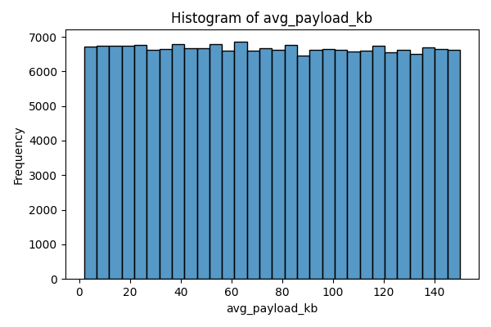
avg_payload_kb | count
2 | 4
2.01 | 11
2.02 | 23
2.03 | 10
2.04 | 13
2.05 | 5
2.06 | 18
2.07 | 14
2.08 | 13
2.09 | 16
2.1 | 17
2.11 | 12
2.12 | 13
2.13 | 10
2.14 | 16
2.15 | 13
2.16 | 9
2.17 | 9
2.18 | 12
2.19 | 7
2.2 | 23
2.21 | 18
2.22 | 18
2.23 | 10
2.24 | 12
2.25 | 15
2.26 | 8
2.27 | 12
2.28 | 8
2.29 | 12
2.3 | 22
2.31 | 17
2.32 | 12
2.33 | 8
2.34 | 11
2.35 | 20
2.36 | 17
2.37 | 13
2.38 | 9
2.39 | 15
2.4 | 14
2.41 | 18
2.42 | 5
2.43 | 12
2.44 | 13
2.45 | 18
2.46 | 15
2.47 | 15
2.48 | 14
2.49 | 7
2.5 | 12
2.51 | 13
2.52 | 16
2.53 | 13
2.54 | 9
2.55 | 20
2.56 | 11
2.57 | 15
2.58 | 11
2.59 | 16
2.6 | 18
2.61 | 16
2.62 | 14
2.63 | 12
2.64 | 9
2.65 | 13
2.66 | 13
2.67 | 13
2.68 | 14
2.69 | 18
2.7 | 9
2.71 | 14
2.72 | 18
2.73 | 8
2.74 | 16
2.75 | 8
2.76 | 17
2.77 | 10
2.78 | 20
2.79 | 17
2.8 | 19
2.81 | 16
2.82 | 16
2.83 | 13
2.84 | 6
2.85 | 15
2.86 | 14
2.87 | 9
2.88 | 9
2.89 | 14
2.9 | 11
2.91 | 17
2.92 | 8
2.93 | 15
2.94 | 13
2.95 | 13
2.96 | 15
2.97 | 15
2.98 | 14
2.99 | 13
3 | 9
3.01 | 6
3.02 | 16
3.03 | 13
3.04 | 19
3.05 | 16
3.06 | 14
3.07 | 16
3.08 | 20
3.09 | 11
3.1 | 9
3.11 | 13
3.12 | 11
3.13 | 12
3.14 | 14
3.15 | 10
3.16 | 8
3.17 | 9
3.18 | 9
3.19 | 14
3.2 | 13
3.21 | 12
3.22 | 10
3.23 | 12
3.24 | 14
3.25 | 15
3.26 | 13
3.27 | 15
3.28 | 12
3.29 | 14
3.3 | 9
3.31 | 14
3.32 | 16
3.33 | 18
3.34 | 16
3.35 | 14
3.36 | 21
3.37 | 10
3.38 | 17
3.39 | 11
3.4 | 8
3.41 | 16
3.42 | 14
3.43 | 15
3.44 | 12
3.45 | 13
3.46 | 8
3.47 | 12
3.48 | 15
3.49 | 24
3.5 | 12
3.51 | 15
3.52 | 12
3.53 | 12
3.54 | 11
3.55 | 9
3.56 | 22
3.57 | 17
3.58 | 21
3.59 | 17
3.6 | 13
3.61 | 11
3.62 | 14
3.63 | 17
3.64 | 14
3.65 | 11
3.66 | 13
3.67 | 14
3.68 | 14
3.69 | 9
3.7 | 14
3.71 | 5
3.72 | 12
3.73 | 14
3.74 | 16
3.75 | 17
3.76 | 17
3.77 | 11
3.78 | 16
3.79 | 19
3.8 | 17
3.81 | 14
3.82 | 18
3.83 | 15
3.84 | 19
3.85 | 14
3.86 | 8
3.87 | 17
3.88 | 20
3.89 | 16
3.9 | 15
3.91 | 25
3.92 | 9
3.93 | 15
3.94 | 23
3.95 | 18
3.96 | 16
3.97 | 11
3.98 | 14
3.99 | 9
4 | 18
4.01 | 19
4.02 | 15
4.03 | 10
4.04 | 6
4.05 | 10
4.06 | 11
4.07 | 13
4.08 | 10
4.09 | 13
4.1 | 16
4.11 | 16
4.12 | 11
4.13 | 6
4.14 | 18
4.15 | 13
4.16 | 19
4.17 | 8
4.18 | 15
4.19 | 13
4.2 | 15
4.21 | 17
4.22 | 15
4.23 | 11
4.24 | 11
4.25 | 11
4.26 | 17
4.27 | 15
4.28 | 8
4.29 | 16
4.3 | 7
4.31 | 10
4.32 | 12
4.33 | 14
4.34 | 13
4.35 | 10
4.36 | 13
4.37 | 16
4.38 | 23
4.39 | 19
4.4 | 16
4.41 | 16
4.42 | 16
4.43 | 10
4.44 | 15
4.45 | 17
4.46 | 7
4.47 | 11
4.48 | 17
4.49 | 16
4.5 | 13
4.51 | 20
4.52 | 10
4.53 | 12
4.54 | 12
4.55 | 10
4.56 | 14
4.57 | 13
4.58 | 14
4.59 | 18
4.6 | 11
4.61 | 9
4.62 | 15
4.63 | 19
4.64 | 13
4.65 | 13
4.66 | 11
4.67 | 17
4.68 | 11
4.69 | 14
4.7 | 10
4.71 | 16
4.72 | 9
4.73 | 13
4.74 | 16
4.75 | 18
4.76 | 20
4.77 | 15
4.78 | 15
4.79 | 9
4.8 | 12
4.81 | 19
4.82 | 17
4.83 | 15
4.84 | 12
4.85 | 17
4.86 | 16
4.87 | 20
4.88 | 15
4.89 | 17
4.9 | 9
4.91 | 16
4.92 | 13
4.93 | 10
4.94 | 14
4.95 | 14
4.96 | 9
4.97 | 16
4.98 | 13
4.99 | 13
5 | 12
5.01 | 14
5.02 | 10
5.03 | 14
5.04 | 21
5.05 | 16
5.06 | 17
5.07 | 7
5.08 | 15
5.09 | 13
5.1 | 9
5.11 | 14
5.12 | 11
5.13 | 10
5.14 | 11
5.15 | 16
5.16 | 15
5.17 | 13
5.18 | 13
5.19 | 12
5.2 | 13
5.21 | 16
5.22 | 13
5.23 | 13
5.24 | 12
5.25 | 10
5.26 | 9
5.27 | 14
5.28 | 15
5.29 | 12
5.3 | 21
5.31 | 10
5.32 | 15
5.33 | 14
5.34 | 17
5.35 | 14
5.36 | 12
5.37 | 18
5.38 | 9
5.39 | 10
5.4 | 18
5.41 | 15
5.42 | 11
5.43 | 12
5.44 | 15
5.45 | 12
5.46 | 13
5.47 | 16
5.48 | 10
5.49 | 13
5.5 | 17
5.51 | 21
5.52 | 13
5.53 | 16
5.54 | 8
5.55 | 7
5.56 | 9
5.57 | 17
5.58 | 16
5.59 | 16
5.6 | 11
5.61 | 13
5.62 | 11
5.63 | 13
5.64 | 7
5.65 | 8
5.66 | 14
5.67 | 6
5.68 | 12
5.69 | 13
5.7 | 16
5.71 | 19
5.72 | 14
5.73 | 11
5.74 | 22
5.75 | 12
5.76 | 9
5.77 | 24
5.78 | 16
5.79 | 10
5.8 | 10
5.81 | 14
5.82 | 11
5.83 | 13
5.84 | 15
5.85 | 7
5.86 | 15
5.87 | 7
5.88 | 13
5.89 | 18
5.9 | 13
5.91 | 10
5.92 | 16
5.93 | 18
5.94 | 9
5.95 | 12
5.96 | 12
5.97 | 17
5.98 | 15
5.99 | 21
6 | 9
6.01 | 18
6.02 | 8
6.03 | 6
6.04 | 16
6.05 | 19
6.06 | 12
6.07 | 12
6.08 | 10
6.09 | 16
6.1 | 16
6.11 | 15
6.12 | 7
6.13 | 11
6.14 | 11
6.15 | 17
6.16 | 13
6.17 | 20
6.18 | 12
6.19 | 16
6.2 | 15
6.21 | 13
6.22 | 16
6.23 | 16
6.24 | 14
6.25 | 9
6.26 | 11
6.27 | 14
6.28 | 12
6.29 | 11
6.3 | 19
6.31 | 14
6.32 | 21
6.33 | 12
6.34 | 20
6.35 | 12
6.36 | 12
6.37 | 11
6.38 | 17
6.39 | 11
6.4 | 12
6.41 | 12
6.42 | 12
6.43 | 9
6.44 | 12
6.45 | 9
6.46 | 7
6.47 | 12
6.48 | 12
6.49 | 12
6.5 | 12
6.51 | 14
6.52 | 14
6.53 | 15
6.54 | 15
6.55 | 20
6.56 | 10
6.57 | 14
6.58 | 17
6.59 | 11
6.6 | 9
6.61 | 10
6.62 | 10
6.63 | 11
6.64 | 21
6.65 | 13
6.66 | 11
6.67 | 13
6.68 | 11
6.69 | 19
6.7 | 14
6.71 | 19
6.72 | 12
6.73 | 11
6.74 | 17
6.75 | 18
6.76 | 14
6.77 | 20
6.78 | 12
6.79 | 19
6.8 | 9
6.81 | 15
6.82 | 11
6.83 | 10
6.84 | 14
6.85 | 26
6.86 | 12
6.87 | 13
6.88 | 14
6.89 | 18
6.9 | 17
6.91 | 18
6.92 | 13
6.93 | 18
6.94 | 20
6.95 | 14
6.96 | 15
6.97 | 28
6.98 | 9
6.99 | 10
7 | 8
7.01 | 16
7.02 | 18
7.03 | 14
7.04 | 15
7.05 | 12
7.06 | 12
7.07 | 11
7.08 | 16
7.09 | 16
7.1 | 11
7.11 | 10
7.12 | 10
7.13 | 17
7.14 | 13
7.15 | 13
7.16 | 15
7.17 | 23
7.18 | 13
7.19 | 16
7.2 | 18
7.21 | 14
7.22 | 15
7.23 | 16
7.24 | 23
7.25 | 12
7.26 | 13
7.27 | 17
7.28 | 14
7.29 | 19
7.3 | 17
7.31 | 14
7.32 | 11
7.33 | 13
7.34 | 13
7.35 | 11
7.36 | 11
7.37 | 16
7.38 | 19
7.39 | 11
7.4 | 14
7.41 | 14
7.42 | 14
7.43 | 14
7.44 | 9
7.45 | 17
7.46 | 14
7.47 | 15
7.48 | 16
7.49 | 9
7.5 | 12
7.51 | 11
7.52 | 15
7.53 | 15
7.54 | 13
7.55 | 6
7.56 | 14
7.57 | 11
7.58 | 14
7.59 | 17
7.6 | 13
7.61 | 12
7.62 | 13
7.63 | 14
7.64 | 17
7.65 | 5
7.66 | 8
7.67 | 14
7.68 | 10
7.69 | 6
7.7 | 17
7.71 | 13
7.72 | 15
7.73 | 19
7.74 | 12
7.75 | 12
7.76 | 13
7.77 | 16
7.78 | 8
7.79 | 17
7.8 | 17
7.81 | 10
7.82 | 11
7.83 | 18
7.84 | 13
7.85 | 14
7.86 | 17
7.87 | 17
7.88 | 12
7.89 | 17
7.9 | 15
7.91 | 10
7.92 | 7
7.93 | 13
7.94 | 11
7.95 | 14
7.96 | 14
7.97 | 10
7.98 | 15
7.99 | 18
8 | 16
8.01 | 11
8.02 | 18
8.03 | 11
8.04 | 11
8.05 | 19
8.06 | 23
8.07 | 11
8.08 | 16
8.09 | 19
8.1 | 10
8.11 | 15
8.12 | 13
8.13 | 15
8.14 | 14
8.15 | 12
8.16 | 14
8.17 | 19
8.18 | 21
8.19 | 11
8.2 | 7
8.21 | 25
8.22 | 15
8.23 | 18
8.24 | 13
8.25 | 7
8.26 | 12
8.27 | 15
8.28 | 13
8.29 | 10
8.3 | 14
8.31 | 12
8.32 | 14
8.33 | 15
8.34 | 10
8.35 | 16
8.36 | 17
8.37 | 7
8.38 | 15
8.39 | 13
8.4 | 16
8.41 | 11
8.42 | 17
8.43 | 9
8.44 | 16
8.45 | 21
8.46 | 11
8.47 | 14
8.48 | 14
8.49 | 13
8.5 | 17
8.51 | 8
8.52 | 15
8.53 | 16
8.54 | 10
8.55 | 16
8.56 | 14
8.57 | 10
8.58 | 21
8.59 | 18
8.6 | 8
8.61 | 14
8.62 | 21
8.63 | 13
8.64 | 15
8.65 | 16
8.66 | 14
8.67 | 9
8.68 | 12
8.69 | 14
8.7 | 10
8.71 | 7
8.72 | 10
8.73 | 6
8.74 | 15
8.75 | 7
8.76 | 13
8.77 | 14
8.78 | 7
8.79 | 12
8.8 | 19
8.81 | 19
8.82 | 15
8.83 | 16
8.84 | 9
8.85 | 14
8.86 | 17
8.87 | 11
8.88 | 17
8.89 | 17
8.9 | 10
8.91 | 16
8.92 | 13
8.93 | 13
8.94 | 14
8.95 | 16
8.96 | 17
8.97 | 14
8.98 | 11
8.99 | 11
9 | 10
9.01 | 15
9.02 | 17
9.03 | 13
9.04 | 10
9.05 | 17
9.06 | 14
9.07 | 18
9.08 | 15
9.09 | 9
9.1 | 15
9.11 | 16
9.12 | 19
9.13 | 16
9.14 | 10
9.15 | 7
9.16 | 16
9.17 | 13
9.18 | 19
9.19 | 13
9.2 | 11
9.21 | 15
9.22 | 18
9.23 | 15
9.24 | 6
9.25 | 20
9.26 | 15
9.27 | 7
9.28 | 14
9.29 | 12
9.3 | 18
9.31 | 16
9.32 | 13
9.33 | 12
9.34 | 16
9.35 | 15
9.36 | 14
9.37 | 14
9.38 | 19
9.39 | 18
9.4 | 20
9.41 | 13
9.42 | 18
9.43 | 10
9.44 | 8
9.45 | 10
9.46 | 11
9.47 | 11
9.48 | 13
9.49 | 15
9.5 | 15
9.51 | 17
9.52 | 10
9.53 | 12
9.54 | 16
9.55 | 11
9.56 | 17
9.57 | 18
9.58 | 12
9.59 | 9
9.6 | 11
9.61 | 14
9.62 | 13
9.63 | 12
9.64 | 9
9.65 | 15
9.66 | 10
9.67 | 14
9.68 | 16
9.69 | 9
9.7 | 16
9.71 | 17
9.72 | 9
9.73 | 9
9.74 | 11
9.75 | 17
9.76 | 15
9.77 | 14
9.78 | 14
9.79 | 20
9.8 | 12
9.81 | 10
9.82 | 17
9.83 | 12
9.84 | 15
9.85 | 12
9.86 | 14
9.87 | 14
9.88 | 17
9.89 | 13
9.9 | 13
9.91 | 11
9.92 | 14
9.93 | 14
9.94 | 19
9.95 | 11
9.96 | 8
9.97 | 15
9.98 | 16
9.99 | 10
10 | 18
10.01 | 10
10.02 | 8
10.03 | 10
10.04 | 11
10.05 | 12
10.06 | 17
10.07 | 13
10.08 | 25
10.09 | 14
10.1 | 9
10.11 | 19
10.12 | 15
10.13 | 13
10.14 | 18
10.15 | 13
10.16 | 18
10.17 | 10
10.18 | 14
10.19 | 15
10.2 | 15
10.21 | 15
10.22 | 16
10.23 | 14
10.24 | 17
10.25 | 11
10.26 | 15
10.27 | 18
10.28 | 12
10.29 | 11
10.3 | 9
10.31 | 11
10.32 | 14
10.33 | 13
10.34 | 17
10.35 | 13
10.36 | 14
10.37 | 7
10.38 | 13
10.39 | 11
10.4 | 16
10.41 | 7
10.42 | 10
10.43 | 11
10.44 | 4
10.45 | 18
10.46 | 14
10.47 | 16
10.48 | 14
10.49 | 17
10.5 | 14
10.51 | 20
10.52 | 15
10.53 | 13
10.54 | 7
10.55 | 18
10.56 | 15
10.57 | 12
10.58 | 18
10.59 | 16
10.6 | 15
10.61 | 12
10.62 | 10
10.63 | 17
10.64 | 16
10.65 | 11
10.66 | 15
10.67 | 10
10.68 | 6
10.69 | 14
10.7 | 20
10.71 | 9
10.72 | 15
10.73 | 25
10.74 | 13
10.75 | 15
10.76 | 14
10.77 | 10
10.78 | 12
10.79 | 11
10.8 | 18
10.81 | 16
10.82 | 17
10.83 | 9
10.84 | 10
10.85 | 22
10.86 | 13
10.87 | 15
10.88 | 11
10.89 | 19
10.9 | 14
10.91 | 14
10.92 | 10
10.93 | 14
10.94 | 11
10.95 | 8
10.96 | 26
10.97 | 15
10.98 | 9
10.99 | 12
11 | 20
11.01 | 8
11.02 | 17
11.03 | 16
11.04 | 17
11.05 | 21
11.06 | 13
11.07 | 12
11.08 | 13
11.09 | 16
11.1 | 10
11.11 | 9
11.12 | 12
11.13 | 12
11.14 | 12
11.15 | 11
11.16 | 12
11.17 | 13
11.18 | 11
11.19 | 13
11.2 | 12
11.21 | 11
11.22 | 16
11.23 | 14
11.24 | 17
11.25 | 11
11.26 | 7
11.27 | 15
11.28 | 14
11.29 | 13
11.3 | 11
11.31 | 17
11.32 | 14
11.33 | 21
11.34 | 12
11.35 | 11
11.36 | 12
11.37 | 14
11.38 | 13
11.39 | 15
11.4 | 16
11.41 | 12
11.42 | 12
11.43 | 11
11.44 | 12
11.45 | 5
11.46 | 12
11.47 | 15
11.48 | 21
11.49 | 15
11.5 | 15
11.51 | 5
11.52 | 8
11.53 | 11
11.54 | 13
11.55 | 14
11.56 | 10
11.57 | 15
11.58 | 12
11.59 | 12
11.6 | 15
11.61 | 18
11.62 | 14
11.63 | 16
11.64 | 8
11.65 | 13
11.66 | 9
11.67 | 9
11.68 | 15
11.69 | 12
11.7 | 11
11.71 | 19
11.72 | 11
11.73 | 19
11.74 | 13
11.75 | 14
11.76 | 12
11.77 | 10
11.78 | 14
11.79 | 17
11.8 | 12
11.81 | 9
11.82 | 15
11.83 | 16
11.84 | 13
11.85 | 14
11.86 | 13
11.87 | 15
11.88 | 8
11.89 | 16
11.9 | 9
11.91 | 13
11.92 | 16
11.93 | 12
11.94 | 12
11.95 | 18
11.96 | 13
11.97 | 12
11.98 | 17
11.99 | 15
12 | 6
12.01 | 12
12.02 | 12
12.03 | 12
12.04 | 22
12.05 | 14
12.06 | 17
12.07 | 11
12.08 | 23
12.09 | 7
12.1 | 19
12.11 | 15
12.12 | 13
12.13 | 16
12.14 | 15
12.15 | 16
12.16 | 13
12.17 | 12
12.18 | 10
12.19 | 13
12.2 | 17
12.21 | 11
12.22 | 15
12.23 | 11
12.24 | 11
12.25 | 12
12.26 | 20
12.27 | 15
12.28 | 11
12.29 | 13
12.3 | 8
12.31 | 16
12.32 | 14
12.33 | 10
12.34 | 14
12.35 | 14
12.36 | 9
12.37 | 16
12.38 | 20
12.39 | 11
12.4 | 16
12.41 | 19
12.42 | 15
12.43 | 13
12.44 | 16
12.45 | 11
12.46 | 11
12.47 | 13
12.48 | 11
12.49 | 15
12.5 | 17
12.51 | 15
12.52 | 16
12.53 | 16
12.54 | 18
12.55 | 12
12.56 | 18
12.57 | 11
12.58 | 14
12.59 | 8
12.6 | 18
12.61 | 14
12.62 | 9
12.63 | 18
12.64 | 17
12.65 | 14
12.66 | 9
12.67 | 18
12.68 | 18
12.69 | 13
12.7 | 9
12.71 | 17
12.72 | 17
12.73 | 12
12.74 | 14
12.75 | 19
12.76 | 16
12.77 | 14
12.78 | 18
12.79 | 15
12.8 | 15
12.81 | 6
12.82 | 12
12.83 | 15
12.84 | 16
12.85 | 14
12.86 | 20
12.87 | 20
12.88 | 9
12.89 | 10
12.9 | 11
12.91 | 14
12.92 | 15
12.93 | 12
12.94 | 17
12.95 | 13
12.96 | 8
12.97 | 18
12.98 | 15
12.99 | 20
13 | 11
13.01 | 13
13.02 | 14
13.03 | 15
13.04 | 11
13.05 | 13
13.06 | 8
13.07 | 13
13.08 | 13
13.09 | 13
13.1 | 13
13.11 | 11
13.12 | 13
13.13 | 8
13.14 | 10
13.15 | 12
13.16 | 11
13.17 | 16
13.18 | 14
13.19 | 13
13.2 | 16
13.21 | 11
13.22 | 16
13.23 | 17
13.24 | 10
13.25 | 13
13.26 | 12
13.27 | 13
13.28 | 16
13.29 | 21
13.3 | 18
13.31 | 13
13.32 | 12
13.33 | 12
13.34 | 21
13.35 | 10
13.36 | 15
13.37 | 7
13.38 | 14
13.39 | 18
13.4 | 13
13.41 | 11
13.42 | 12
13.43 | 19
13.44 | 15
13.45 | 12
13.46 | 13
13.47 | 17
13.48 | 13
13.49 | 12
13.5 | 13
13.51 | 9
13.52 | 12
13.53 | 12
13.54 | 16
13.55 | 7
13.56 | 12
13.57 | 13
13.58 | 11
13.59 | 13
13.6 | 12
13.61 | 15
13.62 | 20
13.63 | 13
13.64 | 9
13.65 | 17
13.66 | 16
13.67 | 14
13.68 | 20
13.69 | 16
13.7 | 12
13.71 | 20
13.72 | 9
13.73 | 15
13.74 | 14
13.75 | 14
13.76 | 18
13.77 | 10
13.78 | 16
13.79 | 17
13.8 | 17
13.81 | 16
13.82 | 14
13.83 | 15
13.84 | 11
13.85 | 20
13.86 | 17
13.87 | 11
13.88 | 19
13.89 | 7
13.9 | 14
13.91 | 16
13.92 | 7
13.93 | 15
13.94 | 7
13.95 | 19
13.96 | 14
13.97 | 12
13.98 | 16
13.99 | 16
14 | 9
14.01 | 12
14.02 | 9
14.03 | 8
14.04 | 13
14.05 | 11
14.06 | 14
14.07 | 20
14.08 | 17
14.09 | 20
14.1 | 20
14.11 | 16
14.12 | 9
14.13 | 21
14.14 | 14
14.15 | 11
14.16 | 11
14.17 | 17
14.18 | 11
14.19 | 14
14.2 | 17
14.21 | 15
14.22 | 17
14.23 | 19
14.24 | 8
14.25 | 11
14.26 | 13
14.27 | 10
14.28 | 13
14.29 | 16
14.3 | 13
14.31 | 9
14.32 | 17
14.33 | 13
14.34 | 16
14.35 | 19
14.36 | 14
14.37 | 13
14.38 | 15
14.39 | 10
14.4 | 15
14.41 | 17
14.42 | 16
14.43 | 15
14.44 | 12
14.45 | 13
14.46 | 11
14.47 | 14
14.48 | 8
14.49 | 18
14.5 | 12
14.51 | 17
14.52 | 10
14.53 | 14
14.54 | 9
14.55 | 15
14.56 | 15
14.57 | 9
14.58 | 9
14.59 | 14
14.6 | 17
14.61 | 14
14.62 | 16
14.63 | 5
14.64 | 12
14.65 | 19
14.66 | 15
14.67 | 15
14.68 | 11
14.69 | 10
14.7 | 12
14.71 | 8
14.72 | 17
14.73 | 9
14.74 | 12
14.75 | 16
14.76 | 7
14.77 | 14
14.78 | 11
14.79 | 14
14.8 | 13
14.81 | 12
14.82 | 8
14.83 | 18
14.84 | 9
14.85 | 9
14.86 | 19
14.87 | 15
14.88 | 14
14.89 | 10
14.9 | 12
14.91 | 14
14.92 | 13
14.93 | 16
14.94 | 12
14.95 | 14
14.96 | 10
14.97 | 14
14.98 | 14
14.99 | 15
15 | 9
15.01 | 14
15.02 | 14
15.03 | 20
15.04 | 13
15.05 | 19
15.06 | 11
15.07 | 13
15.08 | 13
15.09 | 19
15.1 | 14
15.11 | 11
15.12 | 11
15.13 | 11
15.14 | 14
15.15 | 17
15.16 | 13
15.17 | 8
15.18 | 10
15.19 | 13
15.2 | 14
15.21 | 15
15.22 | 23
15.23 | 14
15.24 | 13
15.25 | 13
15.26 | 13
15.27 | 15
15.28 | 17
15.29 | 10
15.3 | 16
15.31 | 14
15.32 | 13
15.33 | 16
15.34 | 13
15.35 | 19
15.36 | 15
15.37 | 7
15.38 | 13
15.39 | 13
15.4 | 17
15.41 | 12
15.42 | 15
15.43 | 12
15.44 | 13
15.45 | 10
15.46 | 19
15.47 | 6
15.48 | 14
15.49 | 12
15.5 | 9
15.51 | 12
15.52 | 18
15.53 | 11
15.54 | 19
15.55 | 11
15.56 | 9
15.57 | 19
15.58 | 12
15.59 | 15
15.6 | 14
15.61 | 12
15.62 | 12
15.63 | 9
15.64 | 15
15.65 | 20
15.66 | 8
15.67 | 13
15.68 | 16
15.69 | 14
15.7 | 15
15.71 | 7
15.72 | 19
15.73 | 14
15.74 | 13
15.75 | 20
15.76 | 18
15.77 | 10
15.78 | 17
15.79 | 20
15.8 | 17
15.81 | 5
15.82 | 10
15.83 | 16
15.84 | 11
15.85 | 10
15.86 | 10
15.87 | 14
15.88 | 15
15.89 | 20
15.9 | 11
15.91 | 17
15.92 | 14
15.93 | 18
15.94 | 10
15.95 | 14
15.96 | 14
15.97 | 12
15.98 | 13
15.99 | 19
16 | 12
16.01 | 18
16.02 | 14
16.03 | 15
16.04 | 15
16.05 | 15
16.06 | 16
16.07 | 15
16.08 | 16
16.09 | 11
16.1 | 10
16.11 | 9
16.12 | 16
16.13 | 12
16.14 | 18
16.15 | 10
16.16 | 8
16.17 | 16
16.18 | 16
16.19 | 12
16.2 | 9
16.21 | 13
16.22 | 9
16.23 | 12
16.24 | 19
16.25 | 8
16.26 | 14
16.27 | 18
16.28 | 12
16.29 | 22
16.3 | 18
16.31 | 9
16.32 | 11
16.33 | 13
16.34 | 9
16.35 | 9
16.36 | 15
16.37 | 20
16.38 | 11
16.39 | 17
16.4 | 10
16.41 | 9
16.42 | 16
16.43 | 15
16.44 | 10
16.45 | 15
16.46 | 13
16.47 | 11
16.48 | 15
16.49 | 13
16.5 | 12
16.51 | 12
16.52 | 13
16.53 | 18
16.54 | 12
16.55 | 22
16.56 | 18
16.57 | 9
16.58 | 11
16.59 | 9
16.6 | 13
16.61 | 12
16.62 | 11
16.63 | 17
16.64 | 11
16.65 | 16
16.66 | 13
16.67 | 16
16.68 | 11
16.69 | 7
16.7 | 10
16.71 | 13
16.72 | 13
16.73 | 17
16.74 | 9
16.75 | 14
16.76 | 15
16.77 | 18
16.78 | 12
16.79 | 20
16.8 | 12
16.81 | 17
16.82 | 16
16.83 | 14
16.84 | 12
16.85 | 9
16.86 | 19
16.87 | 18
16.88 | 15
16.89 | 11
16.9 | 25
16.91 | 9
16.92 | 17
16.93 | 7
16.94 | 9
16.95 | 17
16.96 | 12
16.97 | 12
16.98 | 15
16.99 | 19
17 | 14
17.01 | 14
17.02 | 22
17.03 | 16
17.04 | 14
17.05 | 10
17.06 | 15
17.07 | 13
17.08 | 18
17.09 | 18
17.1 | 12
17.11 | 8
17.12 | 9
17.13 | 15
17.14 | 9
17.15 | 8
17.16 | 8
17.17 | 14
17.18 | 17
17.19 | 16
17.2 | 17
17.21 | 19
17.22 | 15
17.23 | 10
17.24 | 17
17.25 | 14
17.26 | 11
17.27 | 15
17.28 | 13
17.29 | 10
17.3 | 15
17.31 | 16
17.32 | 12
17.33 | 16
17.34 | 11
17.35 | 17
17.36 | 10
17.37 | 7
17.38 | 17
17.39 | 13
17.4 | 21
17.41 | 16
17.42 | 14
17.43 | 18
17.44 | 13
17.45 | 8
17.46 | 12
17.47 | 14
17.48 | 14
17.49 | 12
17.5 | 10
17.51 | 10
17.52 | 9
17.53 | 12
17.54 | 7
17.55 | 12
17.56 | 11
17.57 | 10
17.58 | 10
17.59 | 12
17.6 | 12
17.61 | 11
17.62 | 10
17.63 | 13
17.64 | 12
17.65 | 8
17.66 | 12
17.67 | 19
17.68 | 14
17.69 | 18
17.7 | 12
17.71 | 12
17.72 | 21
17.73 | 9
17.74 | 14
17.75 | 21
17.76 | 22
17.77 | 12
17.78 | 17
17.79 | 10
17.8 | 20
17.81 | 16
17.82 | 18
17.83 | 19
17.84 | 15
17.85 | 13
17.86 | 24
17.87 | 14
17.88 | 18
17.89 | 19
17.9 | 13
17.91 | 8
17.92 | 8
17.93 | 26
17.94 | 13
17.95 | 15
17.96 | 17
17.97 | 13
17.98 | 12
17.99 | 12
18 | 15
18.01 | 16
18.02 | 18
18.03 | 14
18.04 | 13
18.05 | 16
18.06 | 19
18.07 | 14
18.08 | 15
18.09 | 11
18.1 | 7
18.11 | 15
18.12 | 13
18.13 | 13
18.14 | 18
18.15 | 16
18.16 | 11
18.17 | 18
18.18 | 11
18.19 | 13
18.2 | 14
18.21 | 19
18.22 | 11
18.23 | 12
18.24 | 10
18.25 | 15
18.26 | 19
18.27 | 13
18.28 | 15
18.29 | 13
18.3 | 16
18.31 | 9
18.32 | 11
18.33 | 13
18.34 | 12
18.35 | 11
18.36 | 17
18.37 | 16
18.38 | 10
18.39 | 15
18.4 | 14
18.41 | 6
18.42 | 10
18.43 | 10
18.44 | 15
18.45 | 18
18.46 | 14
18.47 | 16
18.48 | 15
18.49 | 20
18.5 | 18
18.51 | 14
18.52 | 15
18.53 | 20
18.54 | 8
18.55 | 17
18.56 | 13
18.57 | 13
18.58 | 11
18.59 | 10
18.6 | 8
18.61 | 10
18.62 | 19
18.63 | 15
18.64 | 10
18.65 | 15
18.66 | 11
18.67 | 11
18.68 | 10
18.69 | 12
18.7 | 14
18.71 | 15
18.72 | 9
18.73 | 11
18.74 | 5
18.75 | 15
18.76 | 9
18.77 | 13
18.78 | 6
18.79 | 12
18.8 | 11
18.81 | 13
18.82 | 15
18.83 | 19
18.84 | 23
18.85 | 15
18.86 | 14
18.87 | 12
18.88 | 12
18.89 | 15
18.9 | 18
18.91 | 22
18.92 | 13
18.93 | 15
18.94 | 7
18.95 | 19
18.96 | 11
18.97 | 20
18.98 | 16
18.99 | 13
19 | 15
19.01 | 21
19.02 | 12
19.03 | 12
19.04 | 20
19.05 | 14
19.06 | 17
19.07 | 17
19.08 | 12
19.09 | 6
19.1 | 19
19.11 | 6
19.12 | 17
19.13 | 8
19.14 | 15
19.15 | 15
19.16 | 13
19.17 | 14
19.18 | 17
19.19 | 8
19.2 | 15
19.21 | 10
19.22 | 17
19.23 | 12
19.24 | 7
19.25 | 11
19.26 | 15
19.27 | 14
19.28 | 11
19.29 | 18
19.3 | 15
19.31 | 12
19.32 | 19
19.33 | 15
19.34 | 11
19.35 | 19
19.36 | 17
19.37 | 15
19.38 | 18
19.39 | 11
19.4 | 20
19.41 | 17
19.42 | 10
19.43 | 7
19.44 | 7
19.45 | 11
19.46 | 12
19.47 | 15
19.48 | 10
19.49 | 13
19.5 | 20
19.51 | 11
19.52 | 15
19.53 | 16
19.54 | 14
19.55 | 11
19.56 | 9
19.57 | 10
19.58 | 14
19.59 | 10
19.6 | 15
19.61 | 12
19.62 | 16
19.63 | 16
19.64 | 13
19.65 | 10
19.66 | 7
19.67 | 11
19.68 | 16
19.69 | 18
19.7 | 10
19.71 | 12
19.72 | 10
19.73 | 13
19.74 | 18
19.75 | 13
19.76 | 9
19.77 | 11
19.78 | 22
19.79 | 12
19.8 | 13
19.81 | 11
19.82 | 12
19.83 | 10
19.84 | 17
19.85 | 14
19.86 | 26
19.87 | 15
19.88 | 15
19.89 | 15
19.9 | 16
19.91 | 13
19.92 | 7
19.93 | 18
19.94 | 10
19.95 | 12
19.96 | 10
19.97 | 11
19.98 | 12
19.99 | 15
20 | 14
20.01 | 13
20.02 | 12
20.03 | 19
20.04 | 10
20.05 | 10
20.06 | 23
20.07 | 13
20.08 | 18
20.09 | 11
20.1 | 20
20.11 | 17
20.12 | 10
20.13 | 12
20.14 | 16
20.15 | 11
20.16 | 13
20.17 | 12
20.18 | 10
20.19 | 19
20.2 | 17
20.21 | 12
20.22 | 15
20.23 | 10
20.24 | 19
20.25 | 11
20.26 | 13
20.27 | 23
20.28 | 11
20.29 | 14
20.3 | 12
20.31 | 16
20.32 | 12
20.33 | 7
20.34 | 11
20.35 | 16
20.36 | 13
20.37 | 10
20.38 | 13
20.39 | 8
20.4 | 14
20.41 | 16
20.42 | 11
20.43 | 9
20.44 | 24
20.45 | 9
20.46 | 13
20.47 | 18
20.48 | 12
20.49 | 11
20.5 | 13
20.51 | 15
20.52 | 15
20.53 | 11
20.54 | 15
20.55 | 17
20.56 | 12
20.57 | 13
20.58 | 13
20.59 | 13
20.6 | 16
20.61 | 13
20.62 | 13
20.63 | 13
20.64 | 17
20.65 | 11
20.66 | 12
20.67 | 11
20.68 | 14
20.69 | 13
20.7 | 13
20.71 | 14
20.72 | 18
20.73 | 11
20.74 | 13
20.75 | 17
20.76 | 12
20.77 | 20
20.78 | 13
20.79 | 16
20.8 | 8
20.81 | 15
20.82 | 14
20.83 | 14
20.84 | 10
20.85 | 14
20.86 | 13
20.87 | 18
20.88 | 10
20.89 | 6
20.9 | 18
20.91 | 16
20.92 | 19
20.93 | 15
20.94 | 8
20.95 | 13
20.96 | 16
20.97 | 13
20.98 | 25
20.99 | 21
21 | 11
21.01 | 9
21.02 | 16
21.03 | 18
21.04 | 19
21.05 | 17
21.06 | 14
21.07 | 7
21.08 | 18
21.09 | 11
21.1 | 11
21.11 | 16
21.12 | 16
21.13 | 9
21.14 | 7
21.15 | 15
21.16 | 15
21.17 | 9
21.18 | 15
21.19 | 15
21.2 | 11
21.21 | 25
21.22 | 19
21.23 | 24
21.24 | 11
21.25 | 14
21.26 | 12
21.27 | 19
21.28 | 13
21.29 | 10
21.3 | 12
21.31 | 12
21.32 | 11
21.33 | 15
21.34 | 15
21.35 | 17
21.36 | 7
21.37 | 13
21.38 | 14
21.39 | 13
21.4 | 10
21.41 | 14
21.42 | 13
21.43 | 16
21.44 | 11
21.45 | 11
21.46 | 12
21.47 | 19
21.48 | 17
21.49 | 15
21.5 | 9
21.51 | 13
21.52 | 11
21.53 | 17
21.54 | 13
21.55 | 16
21.56 | 14
21.57 | 13
21.58 | 18
21.59 | 7
21.6 | 7
21.61 | 14
21.62 | 13
21.63 | 11
21.64 | 9
21.65 | 6
21.66 | 12
21.67 | 21
21.68 | 9
21.69 | 18
21.7 | 6
21.71 | 10
21.72 | 11
21.73 | 9
21.74 | 10
21.75 | 14
21.76 | 10
21.77 | 8
21.78 | 18
21.79 | 10
21.8 | 18
21.81 | 27
21.82 | 10
21.83 | 6
21.84 | 21
21.85 | 18
21.86 | 18
21.87 | 15
21.88 | 10
21.89 | 14
21.9 | 18
21.91 | 10
21.92 | 15
21.93 | 14
21.94 | 13
21.95 | 14
21.96 | 15
21.97 | 22
21.98 | 12
21.99 | 8
22 | 10
22.01 | 15
22.02 | 14
22.03 | 12
22.04 | 6
22.05 | 16
22.06 | 13
22.07 | 8
22.08 | 13
22.09 | 8
22.1 | 9
22.11 | 11
22.12 | 20
22.13 | 16
22.14 | 16
22.15 | 14
22.16 | 20
22.17 | 10
22.18 | 14
22.19 | 15
22.2 | 17
22.21 | 10
22.22 | 10
22.23 | 12
22.24 | 16
22.25 | 13
22.26 | 12
22.27 | 14
22.28 | 9
22.29 | 14
22.3 | 15
22.31 | 18
22.32 | 16
22.33 | 14
22.34 | 20
22.35 | 14
22.36 | 16
22.37 | 13
22.38 | 13
22.39 | 10
22.4 | 14
22.41 | 16
22.42 | 17
22.43 | 13
22.44 | 8
22.45 | 16
22.46 | 12
22.47 | 5
22.48 | 14
22.49 | 12
22.5 | 11
22.51 | 13
22.52 | 12
22.53 | 18
22.54 | 16
22.55 | 15
22.56 | 17
22.57 | 14
22.58 | 15
22.59 | 10
22.6 | 20
22.61 | 13
22.62 | 16
22.63 | 14
22.64 | 16
22.65 | 11
22.66 | 18
22.67 | 15
22.68 | 10
22.69 | 19
22.7 | 14
22.71 | 10
22.72 | 8
22.73 | 15
22.74 | 11
22.75 | 11
22.76 | 14
22.77 | 11
22.78 | 18
22.79 | 12
22.8 | 6
22.81 | 17
22.82 | 20
22.83 | 17
22.84 | 23
22.85 | 8
22.86 | 15
22.87 | 13
22.88 | 21
22.89 | 18
22.9 | 18
22.91 | 12
22.92 | 18
22.93 | 14
22.94 | 15
22.95 | 17
22.96 | 15
22.97 | 18
22.98 | 9
22.99 | 20
23 | 12
23.01 | 14
23.02 | 17
23.03 | 18
23.04 | 14
23.05 | 15
23.06 | 20
23.07 | 15
23.08 | 12
23.09 | 13
23.1 | 7
23.11 | 8
23.12 | 19
23.13 | 11
23.14 | 17
23.15 | 15
23.16 | 18
23.17 | 14
23.18 | 12
23.19 | 20
23.2 | 18
23.21 | 10
23.22 | 13
23.23 | 15
23.24 | 17
23.25 | 10
23.26 | 15
23.27 | 11
23.28 | 14
23.29 | 16
23.3 | 12
23.31 | 20
23.32 | 22
23.33 | 21
23.34 | 6
23.35 | 12
23.36 | 12
23.37 | 12
23.38 | 13
23.39 | 16
23.4 | 15
23.41 | 20
23.42 | 17
23.43 | 13
23.44 | 9
23.45 | 9
23.46 | 10
23.47 | 11
23.48 | 9
23.49 | 12
23.5 | 14
23.51 | 14
23.52 | 14
23.53 | 11
23.54 | 10
23.55 | 10
23.56 | 10
23.57 | 14
23.58 | 12
23.59 | 16
23.6 | 14
23.61 | 15
23.62 | 20
23.63 | 19
23.64 | 17
23.65 | 9
23.66 | 12
23.67 | 10
23.68 | 12
23.69 | 9
23.7 | 7
23.71 | 12
23.72 | 19
23.73 | 9
23.74 | 13
23.75 | 15
23.76 | 16
23.77 | 12
23.78 | 10
23.79 | 10
23.8 | 15
23.81 | 14
23.82 | 8
23.83 | 22
23.84 | 3
23.85 | 9
23.86 | 19
23.87 | 16
23.88 | 8
23.89 | 14
23.9 | 12
23.91 | 22
23.92 | 13
23.93 | 24
23.94 | 19
23.95 | 10
23.96 | 10
23.97 | 13
23.98 | 16
23.99 | 16
24 | 15
24.01 | 13
24.02 | 13
24.03 | 11
24.04 | 11
24.05 | 16
24.06 | 12
24.07 | 11
24.08 | 10
24.09 | 15
24.1 | 15
24.11 | 20
24.12 | 10
24.13 | 15
24.14 | 14
24.15 | 8
24.16 | 15
24.17 | 12
24.18 | 12
24.19 | 15
24.2 | 20
24.21 | 12
24.22 | 12
24.23 | 11
24.24 | 9
24.25 | 10
24.26 | 13
24.27 | 14
24.28 | 5
24.29 | 10
24.3 | 14
24.31 | 11
24.32 | 12
24.33 | 12
24.34 | 13
24.35 | 10
24.36 | 14
24.37 | 8
24.38 | 10
24.39 | 13
24.4 | 16
24.41 | 21
24.42 | 13
24.43 | 19
24.44 | 13
24.45 | 14
24.46 | 12
24.47 | 14
24.48 | 11
24.49 | 16
24.5 | 15
24.51 | 11
24.52 | 18
24.53 | 14
24.54 | 18
24.55 | 13
24.56 | 10
24.57 | 17
24.58 | 15
24.59 | 8
24.6 | 11
24.61 | 10
24.62 | 11
24.63 | 20
24.64 | 10
24.65 | 11
24.66 | 12
24.67 | 13
24.68 | 14
24.69 | 16
24.7 | 8
24.71 | 7
24.72 | 10
24.73 | 15
24.74 | 9
24.75 | 12
24.76 | 15
24.77 | 13
24.78 | 11
24.79 | 22
24.8 | 22
24.81 | 14
24.82 | 11
24.83 | 15
24.84 | 13
24.85 | 16
24.86 | 16
24.87 | 11
24.88 | 14
24.89 | 13
24.9 | 12
24.91 | 20
24.92 | 18
24.93 | 15
24.94 | 18
24.95 | 10
24.96 | 16
24.97 | 19
24.98 | 10
24.99 | 14
25 | 16
25.01 | 11
25.02 | 12
25.03 | 15
25.04 | 11
25.05 | 13
25.06 | 11
25.07 | 13
25.08 | 15
25.09 | 14
25.1 | 12
25.11 | 16
25.12 | 15
25.13 | 13
25.14 | 10
25.15 | 17
25.16 | 17
25.17 | 15
25.18 | 13
25.19 | 17
25.2 | 16
25.21 | 13
25.22 | 12
25.23 | 8
25.24 | 13
25.25 | 16
25.26 | 12
25.27 | 14
25.28 | 12
25.29 | 19
25.3 | 16
25.31 | 11
25.32 | 26
25.33 | 18
25.34 | 13
25.35 | 10
25.36 | 18
25.37 | 15
25.38 | 15
25.39 | 17
25.4 | 19
25.41 | 21
25.42 | 16
25.43 | 22
25.44 | 20
25.45 | 11
25.46 | 11
25.47 | 12
25.48 | 17
25.49 | 21
25.5 | 23
25.51 | 13
25.52 | 10
25.53 | 8
25.54 | 17
25.55 | 17
25.56 | 11
25.57 | 8
25.58 | 7
25.59 | 12
25.6 | 11
25.61 | 13
25.62 | 13
25.63 | 12
25.64 | 9
25.65 | 17
25.66 | 11
25.67 | 14
25.68 | 17
25.69 | 16
25.7 | 14
25.71 | 12
25.72 | 15
25.73 | 11
25.74 | 21
25.75 | 13
25.76 | 21
25.77 | 15
...

read_write_ratio
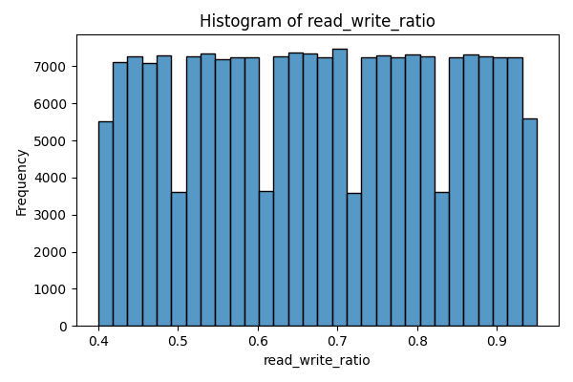
read_write_ratio | count
0.4 | 1865
0.41 | 3656
0.42 | 3528
0.43 | 3591
0.44 | 3644
0.45 | 3622
0.46 | 3424
0.47 | 3675
0.48 | 3637
0.49 | 3656
0.5 | 3609
0.51 | 3647
0.52 | 3627
0.53 | 3684
0.54 | 3659
0.55 | 3692
0.56 | 3511
0.57 | 3607
0.58 | 3625
0.59 | 3718
0.6 | 3518
0.61 | 3637
0.62 | 3624
0.63 | 3642
0.64 | 3641
0.65 | 3723
0.66 | 3682
0.67 | 3670
0.68 | 3664
0.69 | 3588
...

peak_traffic_multiplier
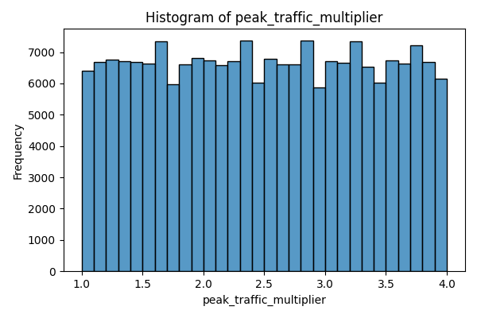
peak_traffic_multiplier | count
1 | 371
1.01 | 639
1.02 | 654
1.03 | 676
1.04 | 673
1.05 | 652
1.06 | 694
1.07 | 676
1.08 | 672
1.09 | 692
1.1 | 634
1.11 | 702
1.12 | 671
1.13 | 691
1.14 | 611
1.15 | 676
1.16 | 663
1.17 | 690
1.18 | 644
1.19 | 706
1.2 | 689
1.21 | 663
1.22 | 678
1.23 | 668
1.24 | 691
1.25 | 657
1.26 | 705
1.27 | 680
1.28 | 646
1.29 | 693
...

cpu_utilization_percent
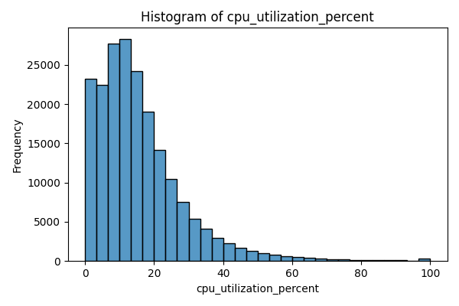
cpu_utilization_percent | count
0 | 9213
0.01 | 35
0.02 | 22
0.03 | 31
0.04 | 29
0.05 | 28
0.06 | 36
0.07 | 38
0.08 | 28
0.09 | 31
0.1 | 26
0.11 | 24
0.12 | 31
0.13 | 28
0.14 | 33
0.15 | 31
0.16 | 29
0.17 | 30
0.18 | 38
0.19 | 29
0.2 | 33
0.21 | 31
0.22 | 28
0.23 | 38
0.24 | 35
0.25 | 19
0.26 | 39
0.27 | 32
0.28 | 33
0.29 | 32
...

memory_utilization_percent
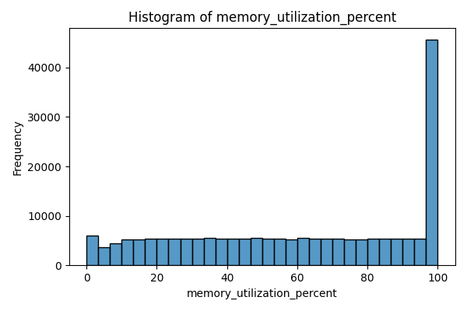
memory_utilization_percent | count
0 | 3375
0.01 | 10
0.02 | 7
0.03 | 5
0.04 | 6
0.05 | 7
0.06 | 2
0.07 | 4
0.08 | 9
0.09 | 11
0.1 | 3
0.11 | 3
0.12 | 5
0.13 | 6
0.14 | 6
0.15 | 11
0.16 | 3
0.17 | 6
0.18 | 3
0.19 | 7
0.2 | 3
0.21 | 9
0.22 | 5
0.23 | 9
0.24 | 3
0.25 | 16
0.26 | 10
0.27 | 9
0.28 | 10
0.29 | 6
...

network_latency_ms
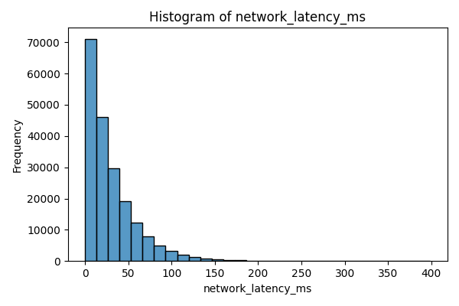
network_latency_ms | count
0 | 36
0.01 | 53
0.02 | 75
0.03 | 67
0.04 | 60
0.05 | 76
0.06 | 59
0.07 | 78
0.08 | 63
0.09 | 58
0.1 | 61
0.11 | 59
0.12 | 74
0.13 | 65
0.14 | 64
0.15 | 67
0.16 | 65
0.17 | 84
0.18 | 60
0.19 | 70
0.2 | 60
0.21 | 55
0.22 | 69
0.23 | 62
0.24 | 62
0.25 | 82
0.26 | 66
0.27 | 57
0.28 | 59
0.29 | 73
...

packet_loss_percent
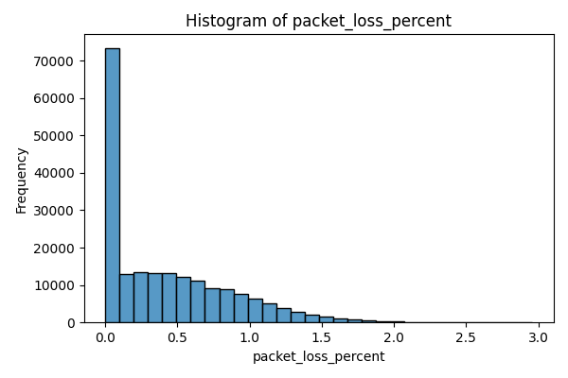
packet_loss_percent | count
0 | 62405
0.01 | 1196
0.02 | 1200
0.03 | 1208
0.04 | 1170
0.05 | 1206
0.06 | 1266
0.07 | 1235
0.08 | 1231
0.09 | 1233
0.1 | 1248
0.11 | 1233
0.12 | 1269
0.13 | 1332
0.14 | 1209
0.15 | 1362
0.16 | 1286
0.17 | 1362
0.18 | 1285
0.19 | 1274
0.2 | 1310
0.21 | 1266
0.22 | 1361
0.23 | 1308
0.24 | 1389
0.25 | 1363
0.26 | 1236
0.27 | 1346
0.28 | 1357
0.29 | 1392
...

avg_latency_ms
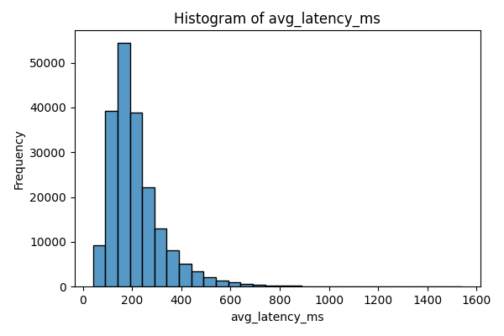
avg_latency_ms | count
40.35 | 1
41.35 | 1
42.04 | 1
42.23 | 1
42.49 | 1
42.57 | 1
42.76 | 1
42.8 | 1
42.94 | 1
43.04 | 1
43.37 | 1
43.57 | 1
43.63 | 1
43.64 | 1
43.88 | 1
43.9 | 1
43.95 | 1
44.21 | 1
44.36 | 1
44.37 | 1
44.49 | 1
44.62 | 1
44.65 | 1
44.7 | 1
44.81 | 1
44.84 | 1
44.95 | 1
45.13 | 1
45.16 | 1
45.18 | 1
...

p95_latency_ms
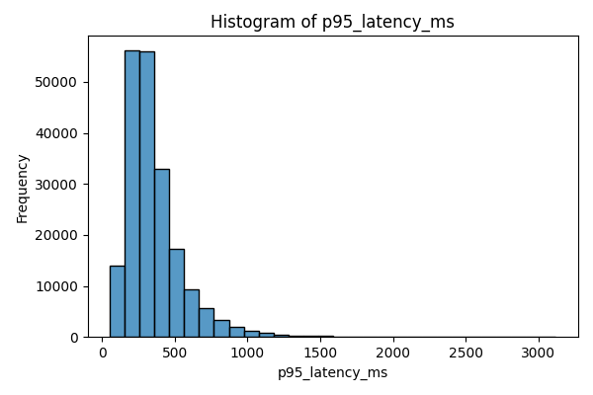
p95_latency_ms | count
53.12 | 1
53.44 | 1
53.53 | 1
53.88 | 1
53.9 | 1
55.95 | 1
57.58 | 1
57.82 | 1
58.08 | 1
58.36 | 1
58.58 | 1
58.89 | 1
59.65 | 1
60.09 | 1
60.38 | 1
61.01 | 1
61.06 | 1
61.12 | 1
61.36 | 1
61.44 | 2
61.56 | 1
61.91 | 1
62.82 | 1
62.96 | 1
63.12 | 1
63.31 | 1
63.34 | 1
63.45 | 1
63.61 | 1
63.63 | 1
...

error_rate_percent
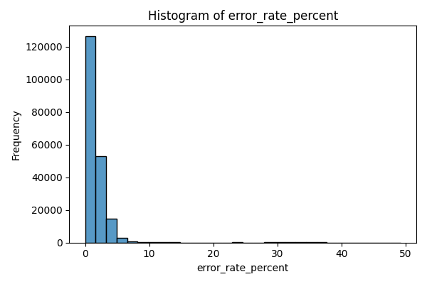
error_rate_percent | count
0 | 5192
0.01 | 2496
0.02 | 2061
0.03 | 1890
0.04 | 1722
0.05 | 1664
0.06 | 1636
0.07 | 1495
0.08 | 1429
0.09 | 1444
0.1 | 1354
0.11 | 1324
0.12 | 1348
0.13 | 1276
0.14 | 1258
0.15 | 1199
0.16 | 1181
0.17 | 1112
0.18 | 1104
0.19 | 1175
0.2 | 1044
0.21 | 1061
0.22 | 1044
0.23 | 1065
0.24 | 946
0.25 | 991
0.26 | 976
0.27 | 938
0.28 | 906
0.29 | 906
...

db_connection_pool_exhausted
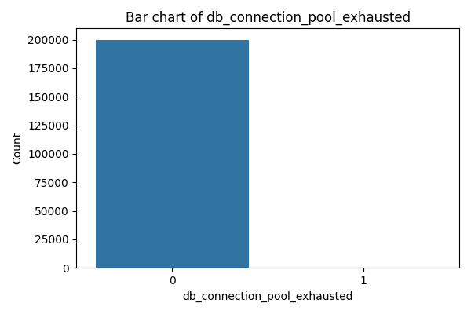
...

retry_storm_detected
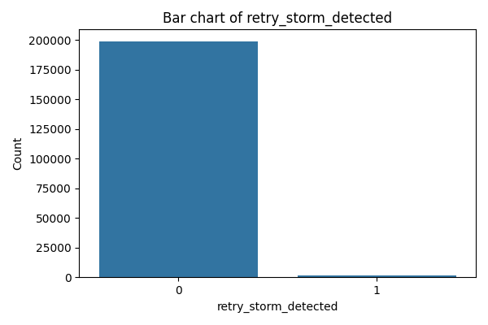
...

circuit_breaker_open
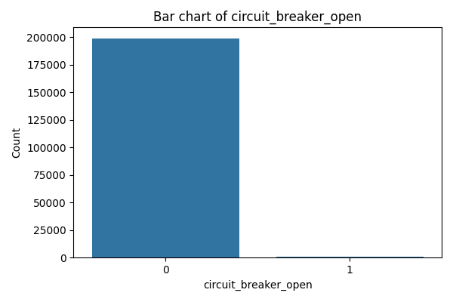
...

system_state
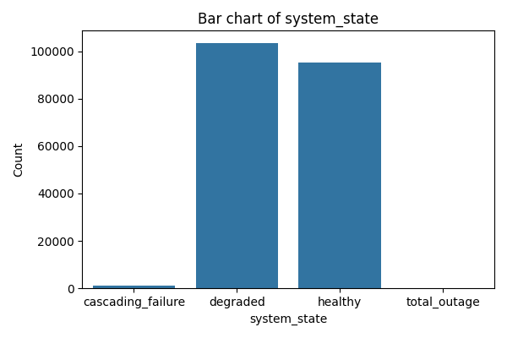
...

root_cause



