overview
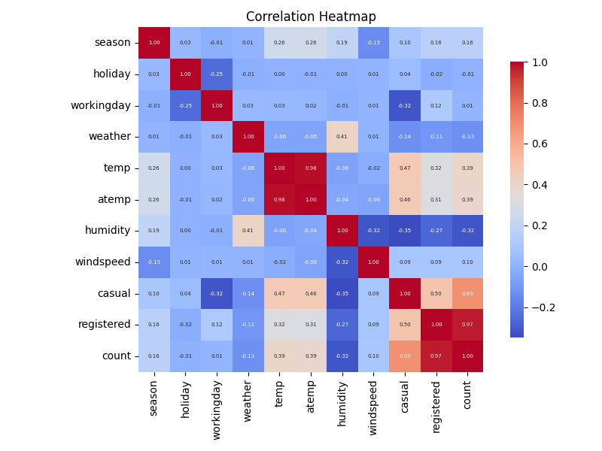
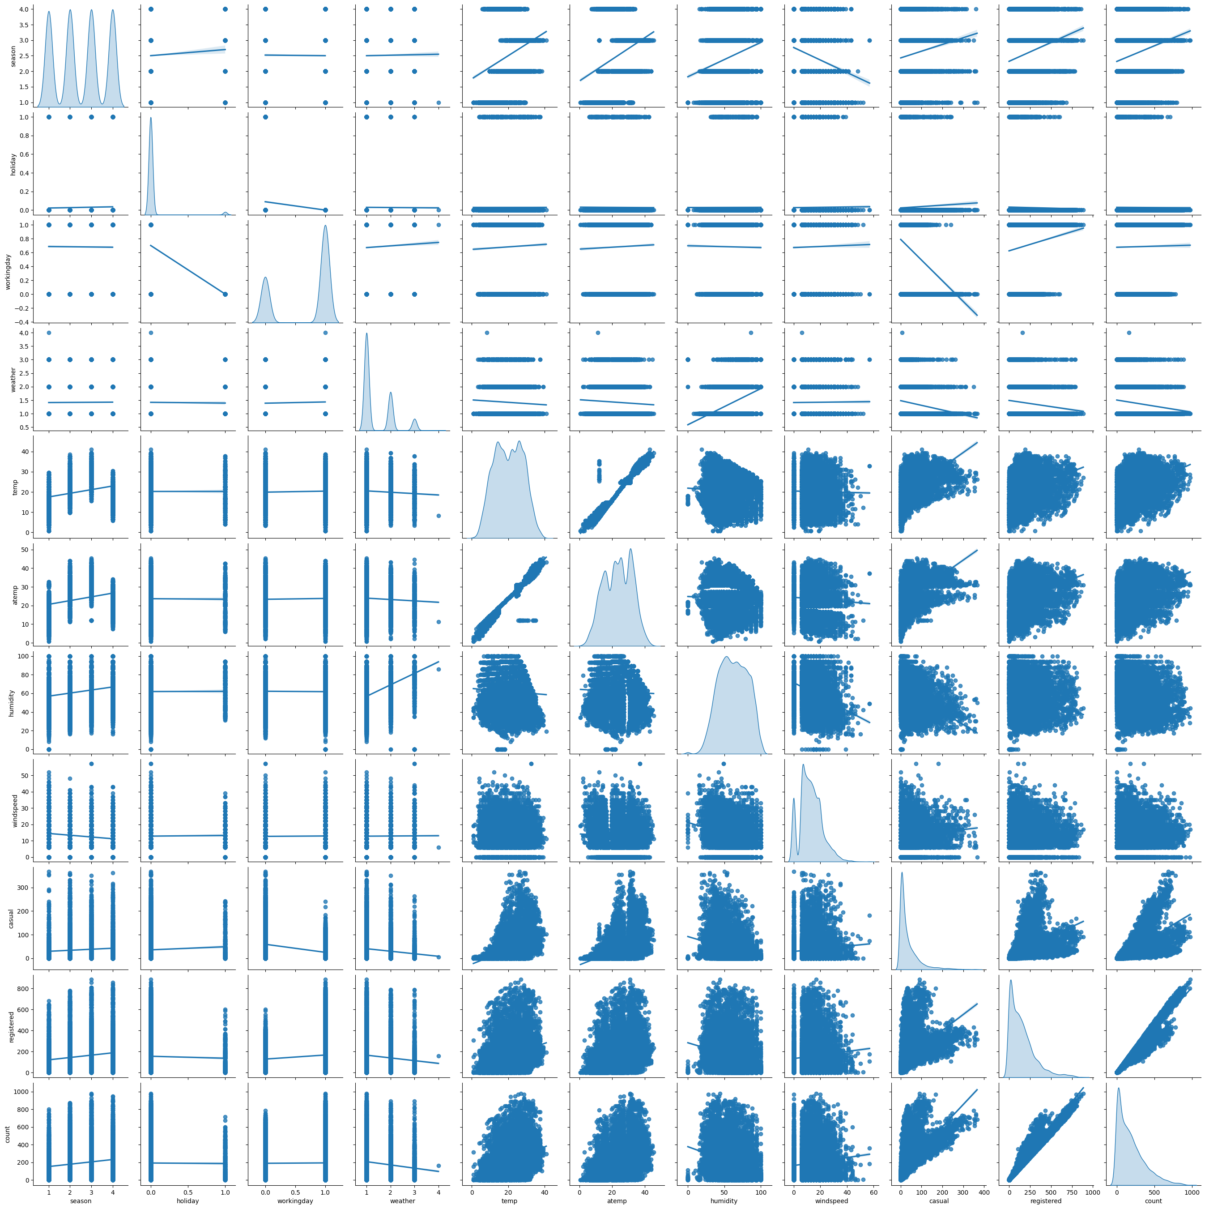
 | count | mean | std | min | 25% | 50% | 75% | max | NUM_MISSING | %_MISSING | NUM_UNIQUE | %_UNIQUE | UNIVARIATE ANALYSIS COMMENTS | MULTIVARIATE ANALYSIS COMMENTS
datetime |  |  |  |  |  |  |  |  | 0 | 0 | 10886 | 1
season | 10886 | 2.51 | 1.12 | 1 | 2 | 3 | 4 | 4 | 0 | 0 | 4 | 0
holiday | 10886 | 0.03 | 0.17 | 0 | 0 | 0 | 0 | 1 | 0 | 0 | 2 | 0
workingday | 10886 | 0.68 | 0.47 | 0 | 0 | 1 | 1 | 1 | 0 | 0 | 2 | 0
weather | 10886 | 1.42 | 0.63 | 1 | 1 | 1 | 2 | 4 | 0 | 0 | 4 | 0
temp | 10886 | 20.23 | 7.79 | 0.82 | 13.94 | 20.5 | 26.24 | 41 | 0 | 0 | 49 | 0
atemp | 10886 | 23.66 | 8.47 | 0.76 | 16.66 | 24.24 | 31.06 | 45.46 | 0 | 0 | 60 | 0.01
humidity | 10886 | 61.89 | 19.25 | 0 | 47 | 62 | 77 | 100 | 0 | 0 | 89 | 0.01
windspeed | 10886 | 12.8 | 8.16 | 0 | 7 | 13 | 17 | 57 | 0 | 0 | 28 | 0
casual | 10886 | 36.02 | 49.96 | 0 | 4 | 17 | 49 | 367 | 0 | 0 | 309 | 0.03
registered | 10886 | 155.55 | 151.04 | 0 | 36 | 118 | 222 | 886 | 0 | 0 | 731 | 0.07
count | 10886 | 191.57 | 181.14 | 1 | 42 | 145 | 284 | 977 | 0 | 0 | 822 | 0.08

datetime
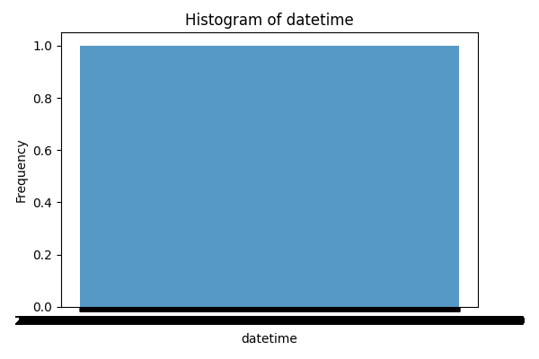
datetime | count
2011-01-01 00:00:00 | 1
2011-01-01 01:00:00 | 1
2011-01-01 02:00:00 | 1
2011-01-01 03:00:00 | 1
2011-01-01 04:00:00 | 1
2011-01-01 05:00:00 | 1
2011-01-01 06:00:00 | 1
2011-01-01 07:00:00 | 1
2011-01-01 08:00:00 | 1
2011-01-01 09:00:00 | 1
2011-01-01 10:00:00 | 1
2011-01-01 11:00:00 | 1
2011-01-01 12:00:00 | 1
2011-01-01 13:00:00 | 1
2011-01-01 14:00:00 | 1
2011-01-01 15:00:00 | 1
2011-01-01 16:00:00 | 1
2011-01-01 17:00:00 | 1
2011-01-01 18:00:00 | 1
2011-01-01 19:00:00 | 1
2011-01-01 20:00:00 | 1
2011-01-01 21:00:00 | 1
2011-01-01 22:00:00 | 1
2011-01-01 23:00:00 | 1
2011-01-02 00:00:00 | 1
2011-01-02 01:00:00 | 1
2011-01-02 02:00:00 | 1
2011-01-02 03:00:00 | 1
2011-01-02 04:00:00 | 1
2011-01-02 06:00:00 | 1
2011-01-02 07:00:00 | 1
2011-01-02 08:00:00 | 1
2011-01-02 09:00:00 | 1
2011-01-02 10:00:00 | 1
2011-01-02 11:00:00 | 1
2011-01-02 12:00:00 | 1
2011-01-02 13:00:00 | 1
2011-01-02 14:00:00 | 1
2011-01-02 15:00:00 | 1
2011-01-02 16:00:00 | 1
2011-01-02 17:00:00 | 1
2011-01-02 18:00:00 | 1
2011-01-02 19:00:00 | 1
2011-01-02 20:00:00 | 1
2011-01-02 21:00:00 | 1
2011-01-02 22:00:00 | 1
2011-01-02 23:00:00 | 1
2011-01-03 00:00:00 | 1
2011-01-03 01:00:00 | 1
2011-01-03 04:00:00 | 1
2011-01-03 05:00:00 | 1
2011-01-03 06:00:00 | 1
2011-01-03 07:00:00 | 1
2011-01-03 08:00:00 | 1
2011-01-03 09:00:00 | 1
2011-01-03 10:00:00 | 1
2011-01-03 11:00:00 | 1
2011-01-03 12:00:00 | 1
2011-01-03 13:00:00 | 1
2011-01-03 14:00:00 | 1
2011-01-03 15:00:00 | 1
2011-01-03 16:00:00 | 1
2011-01-03 17:00:00 | 1
2011-01-03 18:00:00 | 1
2011-01-03 19:00:00 | 1
2011-01-03 20:00:00 | 1
2011-01-03 21:00:00 | 1
2011-01-03 22:00:00 | 1
2011-01-03 23:00:00 | 1
2011-01-04 00:00:00 | 1
2011-01-04 01:00:00 | 1
2011-01-04 02:00:00 | 1
2011-01-04 04:00:00 | 1
2011-01-04 05:00:00 | 1
2011-01-04 06:00:00 | 1
2011-01-04 07:00:00 | 1
2011-01-04 08:00:00 | 1
2011-01-04 09:00:00 | 1
2011-01-04 10:00:00 | 1
2011-01-04 11:00:00 | 1
2011-01-04 12:00:00 | 1
2011-01-04 13:00:00 | 1
2011-01-04 14:00:00 | 1
2011-01-04 15:00:00 | 1
2011-01-04 16:00:00 | 1
2011-01-04 17:00:00 | 1
2011-01-04 18:00:00 | 1
2011-01-04 19:00:00 | 1
2011-01-04 20:00:00 | 1
2011-01-04 21:00:00 | 1
2011-01-04 22:00:00 | 1
2011-01-04 23:00:00 | 1
2011-01-05 00:00:00 | 1
2011-01-05 01:00:00 | 1
2011-01-05 02:00:00 | 1
2011-01-05 04:00:00 | 1
2011-01-05 05:00:00 | 1
2011-01-05 06:00:00 | 1
2011-01-05 07:00:00 | 1
2011-01-05 08:00:00 | 1
2011-01-05 09:00:00 | 1
2011-01-05 10:00:00 | 1
2011-01-05 11:00:00 | 1
2011-01-05 12:00:00 | 1
2011-01-05 13:00:00 | 1
2011-01-05 14:00:00 | 1
2011-01-05 15:00:00 | 1
2011-01-05 16:00:00 | 1
2011-01-05 17:00:00 | 1
2011-01-05 18:00:00 | 1
2011-01-05 19:00:00 | 1
2011-01-05 20:00:00 | 1
2011-01-05 21:00:00 | 1
2011-01-05 22:00:00 | 1
2011-01-05 23:00:00 | 1
2011-01-06 00:00:00 | 1
2011-01-06 01:00:00 | 1
2011-01-06 02:00:00 | 1
2011-01-06 04:00:00 | 1
2011-01-06 05:00:00 | 1
2011-01-06 06:00:00 | 1
2011-01-06 07:00:00 | 1
2011-01-06 08:00:00 | 1
2011-01-06 09:00:00 | 1
2011-01-06 10:00:00 | 1
2011-01-06 11:00:00 | 1
2011-01-06 12:00:00 | 1
2011-01-06 13:00:00 | 1
2011-01-06 14:00:00 | 1
2011-01-06 15:00:00 | 1
2011-01-06 16:00:00 | 1
2011-01-06 17:00:00 | 1
2011-01-06 18:00:00 | 1
2011-01-06 19:00:00 | 1
2011-01-06 20:00:00 | 1
2011-01-06 21:00:00 | 1
2011-01-06 22:00:00 | 1
2011-01-06 23:00:00 | 1
2011-01-07 00:00:00 | 1
2011-01-07 01:00:00 | 1
2011-01-07 02:00:00 | 1
2011-01-07 04:00:00 | 1
2011-01-07 05:00:00 | 1
2011-01-07 06:00:00 | 1
2011-01-07 07:00:00 | 1
2011-01-07 08:00:00 | 1
2011-01-07 09:00:00 | 1
2011-01-07 10:00:00 | 1
2011-01-07 11:00:00 | 1
2011-01-07 12:00:00 | 1
2011-01-07 13:00:00 | 1
2011-01-07 14:00:00 | 1
2011-01-07 15:00:00 | 1
2011-01-07 16:00:00 | 1
2011-01-07 17:00:00 | 1
2011-01-07 18:00:00 | 1
2011-01-07 19:00:00 | 1
2011-01-07 20:00:00 | 1
2011-01-07 21:00:00 | 1
2011-01-07 22:00:00 | 1
2011-01-07 23:00:00 | 1
2011-01-08 00:00:00 | 1
2011-01-08 01:00:00 | 1
2011-01-08 02:00:00 | 1
2011-01-08 03:00:00 | 1
2011-01-08 04:00:00 | 1
2011-01-08 05:00:00 | 1
2011-01-08 06:00:00 | 1
2011-01-08 07:00:00 | 1
2011-01-08 08:00:00 | 1
2011-01-08 09:00:00 | 1
2011-01-08 10:00:00 | 1
2011-01-08 11:00:00 | 1
2011-01-08 12:00:00 | 1
2011-01-08 13:00:00 | 1
2011-01-08 14:00:00 | 1
2011-01-08 15:00:00 | 1
2011-01-08 16:00:00 | 1
2011-01-08 17:00:00 | 1
2011-01-08 18:00:00 | 1
2011-01-08 19:00:00 | 1
2011-01-08 20:00:00 | 1
2011-01-08 21:00:00 | 1
2011-01-08 22:00:00 | 1
2011-01-08 23:00:00 | 1
2011-01-09 00:00:00 | 1
2011-01-09 01:00:00 | 1
2011-01-09 02:00:00 | 1
2011-01-09 03:00:00 | 1
2011-01-09 04:00:00 | 1
2011-01-09 05:00:00 | 1
2011-01-09 06:00:00 | 1
2011-01-09 07:00:00 | 1
2011-01-09 08:00:00 | 1
2011-01-09 09:00:00 | 1
2011-01-09 10:00:00 | 1
2011-01-09 11:00:00 | 1
2011-01-09 12:00:00 | 1
2011-01-09 13:00:00 | 1
2011-01-09 14:00:00 | 1
2011-01-09 15:00:00 | 1
2011-01-09 16:00:00 | 1
2011-01-09 17:00:00 | 1
2011-01-09 18:00:00 | 1
2011-01-09 19:00:00 | 1
2011-01-09 20:00:00 | 1
2011-01-09 21:00:00 | 1
2011-01-09 22:00:00 | 1
2011-01-09 23:00:00 | 1
2011-01-10 00:00:00 | 1
2011-01-10 01:00:00 | 1
2011-01-10 02:00:00 | 1
2011-01-10 03:00:00 | 1
2011-01-10 04:00:00 | 1
2011-01-10 05:00:00 | 1
2011-01-10 06:00:00 | 1
2011-01-10 07:00:00 | 1
2011-01-10 08:00:00 | 1
2011-01-10 09:00:00 | 1
2011-01-10 10:00:00 | 1
2011-01-10 11:00:00 | 1
2011-01-10 12:00:00 | 1
2011-01-10 13:00:00 | 1
2011-01-10 14:00:00 | 1
2011-01-10 15:00:00 | 1
2011-01-10 16:00:00 | 1
2011-01-10 17:00:00 | 1
2011-01-10 18:00:00 | 1
2011-01-10 19:00:00 | 1
2011-01-10 20:00:00 | 1
2011-01-10 21:00:00 | 1
2011-01-10 22:00:00 | 1
2011-01-10 23:00:00 | 1
2011-01-11 00:00:00 | 1
2011-01-11 01:00:00 | 1
2011-01-11 02:00:00 | 1
2011-01-11 05:00:00 | 1
2011-01-11 06:00:00 | 1
2011-01-11 07:00:00 | 1
2011-01-11 08:00:00 | 1
2011-01-11 09:00:00 | 1
2011-01-11 10:00:00 | 1
2011-01-11 11:00:00 | 1
2011-01-11 12:00:00 | 1
2011-01-11 13:00:00 | 1
2011-01-11 14:00:00 | 1
2011-01-11 15:00:00 | 1
2011-01-11 16:00:00 | 1
2011-01-11 17:00:00 | 1
2011-01-11 18:00:00 | 1
2011-01-11 19:00:00 | 1
2011-01-11 20:00:00 | 1
2011-01-11 21:00:00 | 1
2011-01-11 22:00:00 | 1
2011-01-11 23:00:00 | 1
2011-01-12 00:00:00 | 1
2011-01-12 01:00:00 | 1
2011-01-12 02:00:00 | 1
2011-01-12 05:00:00 | 1
2011-01-12 06:00:00 | 1
2011-01-12 07:00:00 | 1
2011-01-12 08:00:00 | 1
2011-01-12 09:00:00 | 1
2011-01-12 10:00:00 | 1
2011-01-12 11:00:00 | 1
2011-01-12 12:00:00 | 1
2011-01-12 13:00:00 | 1
2011-01-12 14:00:00 | 1
2011-01-12 15:00:00 | 1
2011-01-12 16:00:00 | 1
2011-01-12 17:00:00 | 1
2011-01-12 18:00:00 | 1
2011-01-12 19:00:00 | 1
2011-01-12 20:00:00 | 1
2011-01-12 21:00:00 | 1
2011-01-12 22:00:00 | 1
2011-01-12 23:00:00 | 1
2011-01-13 00:00:00 | 1
2011-01-13 01:00:00 | 1
2011-01-13 02:00:00 | 1
2011-01-13 03:00:00 | 1
2011-01-13 04:00:00 | 1
2011-01-13 05:00:00 | 1
2011-01-13 06:00:00 | 1
2011-01-13 07:00:00 | 1
2011-01-13 08:00:00 | 1
2011-01-13 09:00:00 | 1
2011-01-13 10:00:00 | 1
2011-01-13 11:00:00 | 1
2011-01-13 12:00:00 | 1
2011-01-13 13:00:00 | 1
2011-01-13 14:00:00 | 1
2011-01-13 15:00:00 | 1
2011-01-13 16:00:00 | 1
2011-01-13 17:00:00 | 1
2011-01-13 18:00:00 | 1
2011-01-13 19:00:00 | 1
2011-01-13 20:00:00 | 1
2011-01-13 21:00:00 | 1
2011-01-13 22:00:00 | 1
2011-01-13 23:00:00 | 1
2011-01-14 00:00:00 | 1
2011-01-14 01:00:00 | 1
2011-01-14 02:00:00 | 1
2011-01-14 03:00:00 | 1
2011-01-14 05:00:00 | 1
2011-01-14 06:00:00 | 1
2011-01-14 07:00:00 | 1
2011-01-14 08:00:00 | 1
2011-01-14 09:00:00 | 1
2011-01-14 10:00:00 | 1
2011-01-14 11:00:00 | 1
2011-01-14 12:00:00 | 1
2011-01-14 13:00:00 | 1
2011-01-14 14:00:00 | 1
2011-01-14 15:00:00 | 1
2011-01-14 16:00:00 | 1
2011-01-14 17:00:00 | 1
2011-01-14 18:00:00 | 1
2011-01-14 19:00:00 | 1
2011-01-14 20:00:00 | 1
2011-01-14 21:00:00 | 1
2011-01-14 22:00:00 | 1
2011-01-14 23:00:00 | 1
2011-01-15 00:00:00 | 1
2011-01-15 01:00:00 | 1
2011-01-15 02:00:00 | 1
2011-01-15 03:00:00 | 1
2011-01-15 04:00:00 | 1
2011-01-15 05:00:00 | 1
2011-01-15 06:00:00 | 1
2011-01-15 07:00:00 | 1
2011-01-15 08:00:00 | 1
2011-01-15 09:00:00 | 1
2011-01-15 10:00:00 | 1
2011-01-15 11:00:00 | 1
2011-01-15 12:00:00 | 1
2011-01-15 13:00:00 | 1
2011-01-15 14:00:00 | 1
2011-01-15 15:00:00 | 1
2011-01-15 16:00:00 | 1
2011-01-15 17:00:00 | 1
2011-01-15 18:00:00 | 1
2011-01-15 19:00:00 | 1
2011-01-15 20:00:00 | 1
2011-01-15 21:00:00 | 1
2011-01-15 22:00:00 | 1
2011-01-15 23:00:00 | 1
2011-01-16 00:00:00 | 1
2011-01-16 01:00:00 | 1
2011-01-16 02:00:00 | 1
2011-01-16 03:00:00 | 1
2011-01-16 04:00:00 | 1
2011-01-16 05:00:00 | 1
2011-01-16 06:00:00 | 1
2011-01-16 07:00:00 | 1
2011-01-16 08:00:00 | 1
2011-01-16 09:00:00 | 1
2011-01-16 10:00:00 | 1
2011-01-16 11:00:00 | 1
2011-01-16 12:00:00 | 1
2011-01-16 13:00:00 | 1
2011-01-16 14:00:00 | 1
2011-01-16 15:00:00 | 1
2011-01-16 16:00:00 | 1
2011-01-16 17:00:00 | 1
2011-01-16 18:00:00 | 1
2011-01-16 19:00:00 | 1
2011-01-16 20:00:00 | 1
2011-01-16 21:00:00 | 1
2011-01-16 22:00:00 | 1
2011-01-16 23:00:00 | 1
2011-01-17 00:00:00 | 1
2011-01-17 01:00:00 | 1
2011-01-17 02:00:00 | 1
2011-01-17 03:00:00 | 1
2011-01-17 04:00:00 | 1
2011-01-17 05:00:00 | 1
2011-01-17 06:00:00 | 1
2011-01-17 07:00:00 | 1
2011-01-17 08:00:00 | 1
2011-01-17 09:00:00 | 1
2011-01-17 10:00:00 | 1
2011-01-17 11:00:00 | 1
2011-01-17 12:00:00 | 1
2011-01-17 13:00:00 | 1
2011-01-17 14:00:00 | 1
2011-01-17 15:00:00 | 1
2011-01-17 16:00:00 | 1
2011-01-17 17:00:00 | 1
2011-01-17 18:00:00 | 1
2011-01-17 19:00:00 | 1
2011-01-17 20:00:00 | 1
2011-01-17 21:00:00 | 1
2011-01-17 22:00:00 | 1
2011-01-17 23:00:00 | 1
2011-01-18 12:00:00 | 1
2011-01-18 13:00:00 | 1
2011-01-18 14:00:00 | 1
2011-01-18 15:00:00 | 1
2011-01-18 16:00:00 | 1
2011-01-18 17:00:00 | 1
2011-01-18 18:00:00 | 1
2011-01-18 19:00:00 | 1
2011-01-18 20:00:00 | 1
2011-01-18 21:00:00 | 1
2011-01-18 22:00:00 | 1
2011-01-18 23:00:00 | 1
2011-01-19 00:00:00 | 1
2011-01-19 01:00:00 | 1
2011-01-19 02:00:00 | 1
2011-01-19 04:00:00 | 1
2011-01-19 05:00:00 | 1
2011-01-19 06:00:00 | 1
2011-01-19 07:00:00 | 1
2011-01-19 08:00:00 | 1
2011-01-19 09:00:00 | 1
2011-01-19 10:00:00 | 1
2011-01-19 11:00:00 | 1
2011-01-19 12:00:00 | 1
2011-01-19 13:00:00 | 1
2011-01-19 14:00:00 | 1
2011-01-19 15:00:00 | 1
2011-01-19 16:00:00 | 1
2011-01-19 17:00:00 | 1
2011-01-19 18:00:00 | 1
2011-01-19 19:00:00 | 1
2011-01-19 20:00:00 | 1
2011-01-19 21:00:00 | 1
2011-01-19 22:00:00 | 1
2011-01-19 23:00:00 | 1
2011-02-01 00:00:00 | 1
2011-02-01 01:00:00 | 1
2011-02-01 02:00:00 | 1
2011-02-01 03:00:00 | 1
2011-02-01 05:00:00 | 1
2011-02-01 06:00:00 | 1
2011-02-01 07:00:00 | 1
2011-02-01 08:00:00 | 1
2011-02-01 09:00:00 | 1
2011-02-01 10:00:00 | 1
2011-02-01 11:00:00 | 1
2011-02-01 12:00:00 | 1
2011-02-01 13:00:00 | 1
2011-02-01 14:00:00 | 1
2011-02-01 15:00:00 | 1
2011-02-01 16:00:00 | 1
2011-02-01 17:00:00 | 1
2011-02-01 18:00:00 | 1
2011-02-01 19:00:00 | 1
2011-02-01 20:00:00 | 1
2011-02-01 21:00:00 | 1
2011-02-01 22:00:00 | 1
2011-02-01 23:00:00 | 1
2011-02-02 00:00:00 | 1
2011-02-02 01:00:00 | 1
2011-02-02 02:00:00 | 1
2011-02-02 03:00:00 | 1
2011-02-02 04:00:00 | 1
2011-02-02 05:00:00 | 1
2011-02-02 06:00:00 | 1
2011-02-02 07:00:00 | 1
2011-02-02 08:00:00 | 1
2011-02-02 09:00:00 | 1
2011-02-02 10:00:00 | 1
2011-02-02 11:00:00 | 1
2011-02-02 12:00:00 | 1
2011-02-02 13:00:00 | 1
2011-02-02 14:00:00 | 1
2011-02-02 15:00:00 | 1
2011-02-02 16:00:00 | 1
2011-02-02 17:00:00 | 1
2011-02-02 18:00:00 | 1
2011-02-02 19:00:00 | 1
2011-02-02 20:00:00 | 1
2011-02-02 21:00:00 | 1
2011-02-02 22:00:00 | 1
2011-02-02 23:00:00 | 1
2011-02-03 00:00:00 | 1
2011-02-03 01:00:00 | 1
2011-02-03 02:00:00 | 1
2011-02-03 03:00:00 | 1
2011-02-03 05:00:00 | 1
2011-02-03 06:00:00 | 1
2011-02-03 07:00:00 | 1
2011-02-03 08:00:00 | 1
2011-02-03 09:00:00 | 1
2011-02-03 10:00:00 | 1
2011-02-03 11:00:00 | 1
2011-02-03 12:00:00 | 1
2011-02-03 13:00:00 | 1
2011-02-03 14:00:00 | 1
2011-02-03 15:00:00 | 1
2011-02-03 16:00:00 | 1
2011-02-03 17:00:00 | 1
2011-02-03 18:00:00 | 1
2011-02-03 19:00:00 | 1
2011-02-03 20:00:00 | 1
2011-02-03 21:00:00 | 1
2011-02-03 22:00:00 | 1
2011-02-03 23:00:00 | 1
2011-02-04 00:00:00 | 1
2011-02-04 01:00:00 | 1
2011-02-04 02:00:00 | 1
2011-02-04 03:00:00 | 1
2011-02-04 05:00:00 | 1
2011-02-04 06:00:00 | 1
2011-02-04 07:00:00 | 1
2011-02-04 08:00:00 | 1
2011-02-04 09:00:00 | 1
2011-02-04 10:00:00 | 1
2011-02-04 11:00:00 | 1
2011-02-04 12:00:00 | 1
2011-02-04 13:00:00 | 1
2011-02-04 14:00:00 | 1
2011-02-04 15:00:00 | 1
2011-02-04 16:00:00 | 1
2011-02-04 17:00:00 | 1
2011-02-04 18:00:00 | 1
2011-02-04 19:00:00 | 1
2011-02-04 20:00:00 | 1
2011-02-04 21:00:00 | 1
2011-02-04 22:00:00 | 1
2011-02-04 23:00:00 | 1
2011-02-05 00:00:00 | 1
2011-02-05 01:00:00 | 1
2011-02-05 02:00:00 | 1
2011-02-05 03:00:00 | 1
2011-02-05 04:00:00 | 1
2011-02-05 05:00:00 | 1
2011-02-05 06:00:00 | 1
2011-02-05 07:00:00 | 1
2011-02-05 08:00:00 | 1
2011-02-05 09:00:00 | 1
2011-02-05 10:00:00 | 1
2011-02-05 11:00:00 | 1
2011-02-05 12:00:00 | 1
2011-02-05 13:00:00 | 1
2011-02-05 14:00:00 | 1
2011-02-05 15:00:00 | 1
2011-02-05 16:00:00 | 1
2011-02-05 17:00:00 | 1
2011-02-05 18:00:00 | 1
2011-02-05 19:00:00 | 1
2011-02-05 20:00:00 | 1
2011-02-05 21:00:00 | 1
2011-02-05 22:00:00 | 1
2011-02-05 23:00:00 | 1
2011-02-06 00:00:00 | 1
2011-02-06 01:00:00 | 1
2011-02-06 02:00:00 | 1
2011-02-06 03:00:00 | 1
2011-02-06 04:00:00 | 1
2011-02-06 05:00:00 | 1
2011-02-06 06:00:00 | 1
2011-02-06 07:00:00 | 1
2011-02-06 08:00:00 | 1
2011-02-06 09:00:00 | 1
2011-02-06 10:00:00 | 1
2011-02-06 11:00:00 | 1
2011-02-06 12:00:00 | 1
2011-02-06 13:00:00 | 1
2011-02-06 14:00:00 | 1
2011-02-06 15:00:00 | 1
2011-02-06 16:00:00 | 1
2011-02-06 17:00:00 | 1
2011-02-06 18:00:00 | 1
2011-02-06 19:00:00 | 1
2011-02-06 20:00:00 | 1
2011-02-06 21:00:00 | 1
2011-02-06 22:00:00 | 1
2011-02-06 23:00:00 | 1
2011-02-07 00:00:00 | 1
2011-02-07 01:00:00 | 1
2011-02-07 02:00:00 | 1
2011-02-07 03:00:00 | 1
2011-02-07 04:00:00 | 1
2011-02-07 05:00:00 | 1
2011-02-07 06:00:00 | 1
2011-02-07 07:00:00 | 1
2011-02-07 08:00:00 | 1
2011-02-07 09:00:00 | 1
2011-02-07 10:00:00 | 1
2011-02-07 11:00:00 | 1
2011-02-07 12:00:00 | 1
2011-02-07 13:00:00 | 1
2011-02-07 14:00:00 | 1
2011-02-07 15:00:00 | 1
2011-02-07 16:00:00 | 1
2011-02-07 17:00:00 | 1
2011-02-07 18:00:00 | 1
2011-02-07 19:00:00 | 1
2011-02-07 20:00:00 | 1
2011-02-07 21:00:00 | 1
2011-02-07 22:00:00 | 1
2011-02-07 23:00:00 | 1
2011-02-08 00:00:00 | 1
2011-02-08 01:00:00 | 1
2011-02-08 02:00:00 | 1
2011-02-08 03:00:00 | 1
2011-02-08 04:00:00 | 1
2011-02-08 05:00:00 | 1
2011-02-08 06:00:00 | 1
2011-02-08 07:00:00 | 1
2011-02-08 08:00:00 | 1
2011-02-08 09:00:00 | 1
2011-02-08 10:00:00 | 1
2011-02-08 11:00:00 | 1
2011-02-08 12:00:00 | 1
2011-02-08 13:00:00 | 1
2011-02-08 14:00:00 | 1
2011-02-08 15:00:00 | 1
2011-02-08 16:00:00 | 1
2011-02-08 17:00:00 | 1
2011-02-08 18:00:00 | 1
2011-02-08 19:00:00 | 1
2011-02-08 20:00:00 | 1
2011-02-08 21:00:00 | 1
2011-02-08 22:00:00 | 1
2011-02-08 23:00:00 | 1
2011-02-09 00:00:00 | 1
2011-02-09 01:00:00 | 1
2011-02-09 02:00:00 | 1
2011-02-09 03:00:00 | 1
2011-02-09 05:00:00 | 1
2011-02-09 06:00:00 | 1
2011-02-09 07:00:00 | 1
2011-02-09 08:00:00 | 1
2011-02-09 09:00:00 | 1
2011-02-09 10:00:00 | 1
2011-02-09 11:00:00 | 1
2011-02-09 12:00:00 | 1
2011-02-09 13:00:00 | 1
2011-02-09 14:00:00 | 1
2011-02-09 15:00:00 | 1
2011-02-09 16:00:00 | 1
2011-02-09 17:00:00 | 1
2011-02-09 18:00:00 | 1
2011-02-09 19:00:00 | 1
2011-02-09 20:00:00 | 1
2011-02-09 21:00:00 | 1
2011-02-09 22:00:00 | 1
2011-02-09 23:00:00 | 1
2011-02-10 00:00:00 | 1
2011-02-10 01:00:00 | 1
2011-02-10 02:00:00 | 1
2011-02-10 04:00:00 | 1
2011-02-10 05:00:00 | 1
2011-02-10 06:00:00 | 1
2011-02-10 07:00:00 | 1
2011-02-10 08:00:00 | 1
2011-02-10 09:00:00 | 1
2011-02-10 10:00:00 | 1
2011-02-10 11:00:00 | 1
2011-02-10 12:00:00 | 1
2011-02-10 13:00:00 | 1
2011-02-10 14:00:00 | 1
2011-02-10 15:00:00 | 1
2011-02-10 16:00:00 | 1
2011-02-10 17:00:00 | 1
2011-02-10 18:00:00 | 1
2011-02-10 19:00:00 | 1
2011-02-10 20:00:00 | 1
2011-02-10 21:00:00 | 1
2011-02-10 22:00:00 | 1
2011-02-10 23:00:00 | 1
2011-02-11 00:00:00 | 1
2011-02-11 01:00:00 | 1
2011-02-11 02:00:00 | 1
2011-02-11 05:00:00 | 1
2011-02-11 06:00:00 | 1
2011-02-11 07:00:00 | 1
2011-02-11 08:00:00 | 1
2011-02-11 09:00:00 | 1
2011-02-11 10:00:00 | 1
2011-02-11 11:00:00 | 1
2011-02-11 12:00:00 | 1
2011-02-11 13:00:00 | 1
2011-02-11 14:00:00 | 1
2011-02-11 15:00:00 | 1
2011-02-11 16:00:00 | 1
2011-02-11 17:00:00 | 1
2011-02-11 18:00:00 | 1
2011-02-11 19:00:00 | 1
2011-02-11 20:00:00 | 1
2011-02-11 21:00:00 | 1
2011-02-11 22:00:00 | 1
2011-02-11 23:00:00 | 1
2011-02-12 00:00:00 | 1
2011-02-12 01:00:00 | 1
2011-02-12 02:00:00 | 1
2011-02-12 03:00:00 | 1
2011-02-12 04:00:00 | 1
2011-02-12 05:00:00 | 1
2011-02-12 06:00:00 | 1
2011-02-12 07:00:00 | 1
2011-02-12 08:00:00 | 1
2011-02-12 09:00:00 | 1
2011-02-12 10:00:00 | 1
2011-02-12 11:00:00 | 1
2011-02-12 12:00:00 | 1
2011-02-12 13:00:00 | 1
2011-02-12 14:00:00 | 1
2011-02-12 15:00:00 | 1
2011-02-12 16:00:00 | 1
2011-02-12 17:00:00 | 1
2011-02-12 18:00:00 | 1
2011-02-12 19:00:00 | 1
2011-02-12 20:00:00 | 1
2011-02-12 21:00:00 | 1
2011-02-12 22:00:00 | 1
2011-02-12 23:00:00 | 1
2011-02-13 00:00:00 | 1
2011-02-13 01:00:00 | 1
2011-02-13 02:00:00 | 1
2011-02-13 03:00:00 | 1
2011-02-13 04:00:00 | 1
2011-02-13 06:00:00 | 1
2011-02-13 07:00:00 | 1
2011-02-13 08:00:00 | 1
2011-02-13 09:00:00 | 1
2011-02-13 10:00:00 | 1
2011-02-13 11:00:00 | 1
2011-02-13 12:00:00 | 1
2011-02-13 13:00:00 | 1
2011-02-13 14:00:00 | 1
2011-02-13 15:00:00 | 1
2011-02-13 16:00:00 | 1
2011-02-13 17:00:00 | 1
2011-02-13 18:00:00 | 1
2011-02-13 19:00:00 | 1
2011-02-13 20:00:00 | 1
2011-02-13 21:00:00 | 1
2011-02-13 22:00:00 | 1
2011-02-13 23:00:00 | 1
2011-02-14 00:00:00 | 1
2011-02-14 01:00:00 | 1
2011-02-14 02:00:00 | 1
2011-02-14 03:00:00 | 1
2011-02-14 04:00:00 | 1
2011-02-14 05:00:00 | 1
2011-02-14 06:00:00 | 1
2011-02-14 07:00:00 | 1
2011-02-14 08:00:00 | 1
2011-02-14 09:00:00 | 1
2011-02-14 10:00:00 | 1
2011-02-14 11:00:00 | 1
2011-02-14 12:00:00 | 1
2011-02-14 13:00:00 | 1
2011-02-14 14:00:00 | 1
2011-02-14 15:00:00 | 1
2011-02-14 16:00:00 | 1
2011-02-14 17:00:00 | 1
2011-02-14 18:00:00 | 1
2011-02-14 19:00:00 | 1
2011-02-14 20:00:00 | 1
2011-02-14 21:00:00 | 1
2011-02-14 22:00:00 | 1
2011-02-14 23:00:00 | 1
2011-02-15 00:00:00 | 1
2011-02-15 01:00:00 | 1
2011-02-15 02:00:00 | 1
2011-02-15 04:00:00 | 1
2011-02-15 05:00:00 | 1
2011-02-15 06:00:00 | 1
2011-02-15 07:00:00 | 1
2011-02-15 08:00:00 | 1
2011-02-15 09:00:00 | 1
2011-02-15 10:00:00 | 1
2011-02-15 11:00:00 | 1
2011-02-15 12:00:00 | 1
2011-02-15 13:00:00 | 1
2011-02-15 14:00:00 | 1
2011-02-15 15:00:00 | 1
2011-02-15 16:00:00 | 1
2011-02-15 17:00:00 | 1
2011-02-15 18:00:00 | 1
2011-02-15 19:00:00 | 1
2011-02-15 20:00:00 | 1
2011-02-15 21:00:00 | 1
2011-02-15 22:00:00 | 1
2011-02-15 23:00:00 | 1
2011-02-16 00:00:00 | 1
2011-02-16 01:00:00 | 1
2011-02-16 03:00:00 | 1
2011-02-16 04:00:00 | 1
2011-02-16 05:00:00 | 1
2011-02-16 06:00:00 | 1
2011-02-16 07:00:00 | 1
2011-02-16 08:00:00 | 1
2011-02-16 09:00:00 | 1
2011-02-16 10:00:00 | 1
2011-02-16 11:00:00 | 1
2011-02-16 12:00:00 | 1
2011-02-16 13:00:00 | 1
2011-02-16 14:00:00 | 1
2011-02-16 15:00:00 | 1
2011-02-16 16:00:00 | 1
2011-02-16 17:00:00 | 1
2011-02-16 18:00:00 | 1
2011-02-16 19:00:00 | 1
2011-02-16 20:00:00 | 1
2011-02-16 21:00:00 | 1
2011-02-16 22:00:00 | 1
2011-02-16 23:00:00 | 1
2011-02-17 00:00:00 | 1
2011-02-17 01:00:00 | 1
2011-02-17 02:00:00 | 1
2011-02-17 03:00:00 | 1
2011-02-17 04:00:00 | 1
2011-02-17 05:00:00 | 1
2011-02-17 06:00:00 | 1
2011-02-17 07:00:00 | 1
2011-02-17 08:00:00 | 1
2011-02-17 09:00:00 | 1
2011-02-17 10:00:00 | 1
2011-02-17 11:00:00 | 1
2011-02-17 12:00:00 | 1
2011-02-17 13:00:00 | 1
2011-02-17 14:00:00 | 1
2011-02-17 15:00:00 | 1
2011-02-17 16:00:00 | 1
2011-02-17 17:00:00 | 1
2011-02-17 18:00:00 | 1
2011-02-17 19:00:00 | 1
2011-02-17 20:00:00 | 1
2011-02-17 21:00:00 | 1
2011-02-17 22:00:00 | 1
2011-02-17 23:00:00 | 1
2011-02-18 00:00:00 | 1
2011-02-18 01:00:00 | 1
2011-02-18 02:00:00 | 1
2011-02-18 03:00:00 | 1
2011-02-18 04:00:00 | 1
2011-02-18 05:00:00 | 1
2011-02-18 06:00:00 | 1
2011-02-18 07:00:00 | 1
2011-02-18 08:00:00 | 1
2011-02-18 09:00:00 | 1
2011-02-18 10:00:00 | 1
2011-02-18 11:00:00 | 1
2011-02-18 12:00:00 | 1
2011-02-18 13:00:00 | 1
2011-02-18 14:00:00 | 1
2011-02-18 15:00:00 | 1
2011-02-18 16:00:00 | 1
2011-02-18 17:00:00 | 1
2011-02-18 18:00:00 | 1
2011-02-18 19:00:00 | 1
2011-02-18 20:00:00 | 1
2011-02-18 21:00:00 | 1
2011-02-18 22:00:00 | 1
2011-02-18 23:00:00 | 1
2011-02-19 00:00:00 | 1
2011-02-19 01:00:00 | 1
2011-02-19 02:00:00 | 1
2011-02-19 03:00:00 | 1
2011-02-19 04:00:00 | 1
2011-02-19 05:00:00 | 1
2011-02-19 06:00:00 | 1
2011-02-19 07:00:00 | 1
2011-02-19 08:00:00 | 1
2011-02-19 09:00:00 | 1
2011-02-19 10:00:00 | 1
2011-02-19 11:00:00 | 1
2011-02-19 12:00:00 | 1
2011-02-19 13:00:00 | 1
2011-02-19 14:00:00 | 1
2011-02-19 15:00:00 | 1
2011-02-19 16:00:00 | 1
2011-02-19 17:00:00 | 1
2011-02-19 18:00:00 | 1
2011-02-19 19:00:00 | 1
2011-02-19 20:00:00 | 1
2011-02-19 21:00:00 | 1
2011-02-19 22:00:00 | 1
2011-02-19 23:00:00 | 1
2011-03-01 00:00:00 | 1
2011-03-01 01:00:00 | 1
2011-03-01 02:00:00 | 1
2011-03-01 03:00:00 | 1
2011-03-01 04:00:00 | 1
2011-03-01 05:00:00 | 1
2011-03-01 06:00:00 | 1
2011-03-01 07:00:00 | 1
2011-03-01 08:00:00 | 1
2011-03-01 09:00:00 | 1
2011-03-01 10:00:00 | 1
2011-03-01 11:00:00 | 1
2011-03-01 12:00:00 | 1
2011-03-01 13:00:00 | 1
2011-03-01 14:00:00 | 1
2011-03-01 15:00:00 | 1
2011-03-01 16:00:00 | 1
2011-03-01 17:00:00 | 1
2011-03-01 18:00:00 | 1
2011-03-01 19:00:00 | 1
2011-03-01 20:00:00 | 1
2011-03-01 21:00:00 | 1
2011-03-01 22:00:00 | 1
2011-03-01 23:00:00 | 1
2011-03-02 00:00:00 | 1
2011-03-02 01:00:00 | 1
2011-03-02 02:00:00 | 1
2011-03-02 03:00:00 | 1
2011-03-02 04:00:00 | 1
2011-03-02 05:00:00 | 1
2011-03-02 06:00:00 | 1
2011-03-02 07:00:00 | 1
2011-03-02 08:00:00 | 1
2011-03-02 09:00:00 | 1
2011-03-02 10:00:00 | 1
2011-03-02 11:00:00 | 1
2011-03-02 12:00:00 | 1
2011-03-02 13:00:00 | 1
2011-03-02 14:00:00 | 1
2011-03-02 15:00:00 | 1
2011-03-02 16:00:00 | 1
2011-03-02 17:00:00 | 1
2011-03-02 18:00:00 | 1
2011-03-02 19:00:00 | 1
2011-03-02 20:00:00 | 1
2011-03-02 21:00:00 | 1
2011-03-02 22:00:00 | 1
2011-03-02 23:00:00 | 1
2011-03-03 00:00:00 | 1
2011-03-03 01:00:00 | 1
2011-03-03 02:00:00 | 1
2011-03-03 03:00:00 | 1
2011-03-03 04:00:00 | 1
2011-03-03 05:00:00 | 1
2011-03-03 06:00:00 | 1
2011-03-03 07:00:00 | 1
2011-03-03 08:00:00 | 1
2011-03-03 09:00:00 | 1
2011-03-03 10:00:00 | 1
2011-03-03 11:00:00 | 1
2011-03-03 12:00:00 | 1
2011-03-03 13:00:00 | 1
2011-03-03 14:00:00 | 1
2011-03-03 15:00:00 | 1
2011-03-03 16:00:00 | 1
2011-03-03 17:00:00 | 1
2011-03-03 18:00:00 | 1
2011-03-03 19:00:00 | 1
2011-03-03 20:00:00 | 1
2011-03-03 21:00:00 | 1
2011-03-03 22:00:00 | 1
2011-03-03 23:00:00 | 1
2011-03-04 00:00:00 | 1
2011-03-04 01:00:00 | 1
2011-03-04 02:00:00 | 1
2011-03-04 03:00:00 | 1
2011-03-04 04:00:00 | 1
2011-03-04 05:00:00 | 1
2011-03-04 06:00:00 | 1
2011-03-04 07:00:00 | 1
2011-03-04 08:00:00 | 1
2011-03-04 09:00:00 | 1
2011-03-04 10:00:00 | 1
2011-03-04 11:00:00 | 1
2011-03-04 12:00:00 | 1
2011-03-04 13:00:00 | 1
2011-03-04 14:00:00 | 1
2011-03-04 15:00:00 | 1
2011-03-04 16:00:00 | 1
2011-03-04 17:00:00 | 1
2011-03-04 18:00:00 | 1
2011-03-04 19:00:00 | 1
2011-03-04 20:00:00 | 1
2011-03-04 21:00:00 | 1
2011-03-04 22:00:00 | 1
2011-03-04 23:00:00 | 1
2011-03-05 00:00:00 | 1
2011-03-05 01:00:00 | 1
2011-03-05 02:00:00 | 1
2011-03-05 03:00:00 | 1
2011-03-05 04:00:00 | 1
2011-03-05 05:00:00 | 1
2011-03-05 06:00:00 | 1
2011-03-05 07:00:00 | 1
2011-03-05 08:00:00 | 1
2011-03-05 09:00:00 | 1
2011-03-05 10:00:00 | 1
2011-03-05 11:00:00 | 1
2011-03-05 12:00:00 | 1
2011-03-05 13:00:00 | 1
2011-03-05 14:00:00 | 1
2011-03-05 15:00:00 | 1
2011-03-05 16:00:00 | 1
2011-03-05 17:00:00 | 1
2011-03-05 18:00:00 | 1
2011-03-05 19:00:00 | 1
2011-03-05 20:00:00 | 1
2011-03-05 21:00:00 | 1
2011-03-05 22:00:00 | 1
2011-03-05 23:00:00 | 1
2011-03-06 00:00:00 | 1
2011-03-06 01:00:00 | 1
2011-03-06 02:00:00 | 1
2011-03-06 03:00:00 | 1
2011-03-06 04:00:00 | 1
2011-03-06 06:00:00 | 1
2011-03-06 07:00:00 | 1
2011-03-06 08:00:00 | 1
2011-03-06 09:00:00 | 1
2011-03-06 10:00:00 | 1
2011-03-06 11:00:00 | 1
2011-03-06 12:00:00 | 1
2011-03-06 13:00:00 | 1
2011-03-06 14:00:00 | 1
2011-03-06 15:00:00 | 1
2011-03-06 16:00:00 | 1
2011-03-06 17:00:00 | 1
2011-03-06 18:00:00 | 1
2011-03-06 19:00:00 | 1
2011-03-06 20:00:00 | 1
2011-03-06 21:00:00 | 1
2011-03-06 22:00:00 | 1
2011-03-06 23:00:00 | 1
2011-03-07 00:00:00 | 1
2011-03-07 01:00:00 | 1
2011-03-07 03:00:00 | 1
2011-03-07 04:00:00 | 1
2011-03-07 05:00:00 | 1
2011-03-07 06:00:00 | 1
2011-03-07 07:00:00 | 1
2011-03-07 08:00:00 | 1
2011-03-07 09:00:00 | 1
2011-03-07 10:00:00 | 1
2011-03-07 11:00:00 | 1
2011-03-07 12:00:00 | 1
2011-03-07 13:00:00 | 1
2011-03-07 14:00:00 | 1
2011-03-07 15:00:00 | 1
2011-03-07 16:00:00 | 1
2011-03-07 17:00:00 | 1
2011-03-07 18:00:00 | 1
2011-03-07 19:00:00 | 1
2011-03-07 20:00:00 | 1
2011-03-07 21:00:00 | 1
2011-03-07 22:00:00 | 1
2011-03-07 23:00:00 | 1
2011-03-08 00:00:00 | 1
2011-03-08 01:00:00 | 1
2011-03-08 02:00:00 | 1
2011-03-08 03:00:00 | 1
2011-03-08 04:00:00 | 1
2011-03-08 05:00:00 | 1
2011-03-08 06:00:00 | 1
2011-03-08 07:00:00 | 1
2011-03-08 08:00:00 | 1
2011-03-08 09:00:00 | 1
2011-03-08 10:00:00 | 1
2011-03-08 11:00:00 | 1
2011-03-08 12:00:00 | 1
2011-03-08 13:00:00 | 1
2011-03-08 14:00:00 | 1
2011-03-08 15:00:00 | 1
2011-03-08 16:00:00 | 1
2011-03-08 17:00:00 | 1
2011-03-08 18:00:00 | 1
2011-03-08 19:00:00 | 1
2011-03-08 20:00:00 | 1
2011-03-08 21:00:00 | 1
2011-03-08 22:00:00 | 1
2011-03-08 23:00:00 | 1
2011-03-09 00:00:00 | 1
2011-03-09 01:00:00 | 1
2011-03-09 02:00:00 | 1
2011-03-09 03:00:00 | 1
2011-03-09 04:00:00 | 1
2011-03-09 05:00:00 | 1
2011-03-09 06:00:00 | 1
2011-03-09 07:00:00 | 1
2011-03-09 08:00:00 | 1
2011-03-09 09:00:00 | 1
2011-03-09 10:00:00 | 1
2011-03-09 11:00:00 | 1
2011-03-09 12:00:00 | 1
2011-03-09 13:00:00 | 1
2011-03-09 14:00:00 | 1
2011-03-09 15:00:00 | 1
2011-03-09 16:00:00 | 1
2011-03-09 17:00:00 | 1
2011-03-09 18:00:00 | 1
2011-03-09 19:00:00 | 1
2011-03-09 20:00:00 | 1
2011-03-09 21:00:00 | 1
2011-03-09 22:00:00 | 1
2011-03-09 23:00:00 | 1
2011-03-10 00:00:00 | 1
2011-03-10 01:00:00 | 1
2011-03-10 02:00:00 | 1
2011-03-10 05:00:00 | 1
2011-03-10 06:00:00 | 1
2011-03-10 07:00:00 | 1
2011-03-10 08:00:00 | 1
2011-03-10 09:00:00 | 1
2011-03-10 10:00:00 | 1
2011-03-10 11:00:00 | 1
2011-03-10 12:00:00 | 1
2011-03-10 13:00:00 | 1
2011-03-10 14:00:00 | 1
2011-03-10 15:00:00 | 1
2011-03-10 16:00:00 | 1
2011-03-10 17:00:00 | 1
2011-03-10 18:00:00 | 1
2011-03-10 19:00:00 | 1
2011-03-10 20:00:00 | 1
2011-03-10 21:00:00 | 1
2011-03-10 22:00:00 | 1
2011-03-10 23:00:00 | 1
2011-03-11 00:00:00 | 1
2011-03-11 01:00:00 | 1
2011-03-11 02:00:00 | 1
2011-03-11 03:00:00 | 1
2011-03-11 05:00:00 | 1
2011-03-11 06:00:00 | 1
2011-03-11 07:00:00 | 1
2011-03-11 08:00:00 | 1
2011-03-11 09:00:00 | 1
2011-03-11 10:00:00 | 1
2011-03-11 11:00:00 | 1
2011-03-11 12:00:00 | 1
2011-03-11 13:00:00 | 1
2011-03-11 14:00:00 | 1
2011-03-11 15:00:00 | 1
2011-03-11 16:00:00 | 1
2011-03-11 17:00:00 | 1
2011-03-11 18:00:00 | 1
2011-03-11 19:00:00 | 1
2011-03-11 20:00:00 | 1
2011-03-11 21:00:00 | 1
2011-03-11 22:00:00 | 1
2011-03-11 23:00:00 | 1
2011-03-12 00:00:00 | 1
2011-03-12 01:00:00 | 1
2011-03-12 02:00:00 | 1
2011-03-12 03:00:00 | 1
2011-03-12 04:00:00 | 1
2011-03-12 05:00:00 | 1
2011-03-12 06:00:00 | 1
2011-03-12 07:00:00 | 1
2011-03-12 08:00:00 | 1
2011-03-12 09:00:00 | 1
2011-03-12 10:00:00 | 1
2011-03-12 11:00:00 | 1
2011-03-12 12:00:00 | 1
2011-03-12 13:00:00 | 1
2011-03-12 14:00:00 | 1
2011-03-12 15:00:00 | 1
2011-03-12 16:00:00 | 1
2011-03-12 17:00:00 | 1
2011-03-12 18:00:00 | 1
2011-03-12 19:00:00 | 1
2011-03-12 20:00:00 | 1
2011-03-12 21:00:00 | 1
2011-03-12 22:00:00 | 1
2011-03-12 23:00:00 | 1
2011-03-13 00:00:00 | 1
2011-03-13 01:00:00 | 1
2011-03-13 03:00:00 | 1
2011-03-13 04:00:00 | 1
2011-03-13 05:00:00 | 1
2011-03-13 06:00:00 | 1
2011-03-13 07:00:00 | 1
2011-03-13 08:00:00 | 1
2011-03-13 09:00:00 | 1
2011-03-13 10:00:00 | 1
2011-03-13 11:00:00 | 1
2011-03-13 12:00:00 | 1
2011-03-13 13:00:00 | 1
2011-03-13 14:00:00 | 1
2011-03-13 15:00:00 | 1
2011-03-13 16:00:00 | 1
2011-03-13 17:00:00 | 1
2011-03-13 18:00:00 | 1
2011-03-13 19:00:00 | 1
2011-03-13 20:00:00 | 1
2011-03-13 21:00:00 | 1
2011-03-13 22:00:00 | 1
2011-03-13 23:00:00 | 1
2011-03-14 00:00:00 | 1
2011-03-14 01:00:00 | 1
2011-03-14 02:00:00 | 1
2011-03-14 03:00:00 | 1
2011-03-14 05:00:00 | 1
2011-03-14 06:00:00 | 1
2011-03-14 07:00:00 | 1
2011-03-14 08:00:00 | 1
2011-03-14 09:00:00 | 1
2011-03-14 10:00:00 | 1
2011-03-14 11:00:00 | 1
2011-03-14 12:00:00 | 1
2011-03-14 13:00:00 | 1
2011-03-14 14:00:00 | 1
2011-03-14 15:00:00 | 1
2011-03-14 16:00:00 | 1
2011-03-14 17:00:00 | 1
2011-03-14 18:00:00 | 1
2011-03-14 19:00:00 | 1
2011-03-14 20:00:00 | 1
2011-03-14 21:00:00 | 1
2011-03-14 22:00:00 | 1
2011-03-14 23:00:00 | 1
2011-03-15 00:00:00 | 1
2011-03-15 01:00:00 | 1
2011-03-15 02:00:00 | 1
2011-03-15 04:00:00 | 1
2011-03-15 05:00:00 | 1
2011-03-15 06:00:00 | 1
2011-03-15 07:00:00 | 1
2011-03-15 08:00:00 | 1
2011-03-15 09:00:00 | 1
2011-03-15 10:00:00 | 1
2011-03-15 11:00:00 | 1
2011-03-15 12:00:00 | 1
2011-03-15 13:00:00 | 1
2011-03-15 14:00:00 | 1
2011-03-15 15:00:00 | 1
2011-03-15 16:00:00 | 1
2011-03-15 17:00:00 | 1
2011-03-15 18:00:00 | 1
2011-03-15 19:00:00 | 1
2011-03-15 20:00:00 | 1
2011-03-15 21:00:00 | 1
2011-03-15 22:00:00 | 1
2011-03-15 23:00:00 | 1
2011-03-16 00:00:00 | 1
2011-03-16 01:00:00 | 1
2011-03-16 03:00:00 | 1
2011-03-16 04:00:00 | 1
2011-03-16 05:00:00 | 1
2011-03-16 06:00:00 | 1
2011-03-16 07:00:00 | 1
2011-03-16 08:00:00 | 1
2011-03-16 09:00:00 | 1
2011-03-16 10:00:00 | 1
2011-03-16 11:00:00 | 1
2011-03-16 12:00:00 | 1
2011-03-16 13:00:00 | 1
2011-03-16 14:00:00 | 1
2011-03-16 15:00:00 | 1
2011-03-16 16:00:00 | 1
2011-03-16 17:00:00 | 1
2011-03-16 18:00:00 | 1
2011-03-16 19:00:00 | 1
2011-03-16 20:00:00 | 1
2011-03-16 21:00:00 | 1
2011-03-16 22:00:00 | 1
2011-03-16 23:00:00 | 1
2011-03-17 00:00:00 | 1
2011-03-17 01:00:00 | 1
2011-03-17 02:00:00 | 1
2011-03-17 03:00:00 | 1
2011-03-17 04:00:00 | 1
2011-03-17 05:00:00 | 1
2011-03-17 06:00:00 | 1
2011-03-17 07:00:00 | 1
2011-03-17 08:00:00 | 1
2011-03-17 09:00:00 | 1
2011-03-17 10:00:00 | 1
2011-03-17 11:00:00 | 1
2011-03-17 12:00:00 | 1
2011-03-17 13:00:00 | 1
2011-03-17 14:00:00 | 1
2011-03-17 15:00:00 | 1
2011-03-17 16:00:00 | 1
2011-03-17 17:00:00 | 1
2011-03-17 18:00:00 | 1
2011-03-17 19:00:00 | 1
2011-03-17 20:00:00 | 1
2011-03-17 21:00:00 | 1
2011-03-17 22:00:00 | 1
2011-03-17 23:00:00 | 1
2011-03-18 00:00:00 | 1
2011-03-18 01:00:00 | 1
2011-03-18 02:00:00 | 1
2011-03-18 03:00:00 | 1
2011-03-18 05:00:00 | 1
2011-03-18 06:00:00 | 1
2011-03-18 07:00:00 | 1
2011-03-18 08:00:00 | 1
2011-03-18 09:00:00 | 1
2011-03-18 10:00:00 | 1
2011-03-18 11:00:00 | 1
2011-03-18 12:00:00 | 1
2011-03-18 13:00:00 | 1
2011-03-18 14:00:00 | 1
2011-03-18 15:00:00 | 1
2011-03-18 16:00:00 | 1
2011-03-18 17:00:00 | 1
2011-03-18 18:00:00 | 1
2011-03-18 19:00:00 | 1
2011-03-18 20:00:00 | 1
2011-03-18 21:00:00 | 1
2011-03-18 22:00:00 | 1
2011-03-18 23:00:00 | 1
2011-03-19 00:00:00 | 1
2011-03-19 01:00:00 | 1
2011-03-19 02:00:00 | 1
2011-03-19 03:00:00 | 1
2011-03-19 04:00:00 | 1
2011-03-19 05:00:00 | 1
2011-03-19 06:00:00 | 1
2011-03-19 07:00:00 | 1
2011-03-19 08:00:00 | 1
2011-03-19 09:00:00 | 1
2011-03-19 10:00:00 | 1
2011-03-19 11:00:00 | 1
2011-03-19 12:00:00 | 1
2011-03-19 13:00:00 | 1
2011-03-19 14:00:00 | 1
2011-03-19 15:00:00 | 1
2011-03-19 16:00:00 | 1
2011-03-19 17:00:00 | 1
2011-03-19 18:00:00 | 1
2011-03-19 19:00:00 | 1
2011-03-19 20:00:00 | 1
2011-03-19 21:00:00 | 1
2011-03-19 22:00:00 | 1
2011-03-19 23:00:00 | 1
2011-04-01 00:00:00 | 1
2011-04-01 01:00:00 | 1
2011-04-01 02:00:00 | 1
2011-04-01 03:00:00 | 1
2011-04-01 04:00:00 | 1
2011-04-01 05:00:00 | 1
2011-04-01 06:00:00 | 1
2011-04-01 07:00:00 | 1
2011-04-01 08:00:00 | 1
2011-04-01 09:00:00 | 1
2011-04-01 10:00:00 | 1
2011-04-01 11:00:00 | 1
2011-04-01 12:00:00 | 1
2011-04-01 13:00:00 | 1
2011-04-01 14:00:00 | 1
2011-04-01 15:00:00 | 1
2011-04-01 16:00:00 | 1
2011-04-01 17:00:00 | 1
2011-04-01 18:00:00 | 1
2011-04-01 19:00:00 | 1
2011-04-01 20:00:00 | 1
2011-04-01 21:00:00 | 1
2011-04-01 22:00:00 | 1
2011-04-01 23:00:00 | 1
2011-04-02 00:00:00 | 1
2011-04-02 01:00:00 | 1
2011-04-02 02:00:00 | 1
2011-04-02 03:00:00 | 1
2011-04-02 04:00:00 | 1
2011-04-02 05:00:00 | 1
2011-04-02 06:00:00 | 1
2011-04-02 07:00:00 | 1
2011-04-02 08:00:00 | 1
2011-04-02 09:00:00 | 1
2011-04-02 10:00:00 | 1
2011-04-02 11:00:00 | 1
2011-04-02 12:00:00 | 1
2011-04-02 13:00:00 | 1
2011-04-02 14:00:00 | 1
2011-04-02 15:00:00 | 1
2011-04-02 16:00:00 | 1
2011-04-02 17:00:00 | 1
2011-04-02 18:00:00 | 1
2011-04-02 19:00:00 | 1
2011-04-02 20:00:00 | 1
2011-04-02 21:00:00 | 1
2011-04-02 22:00:00 | 1
2011-04-02 23:00:00 | 1
2011-04-03 00:00:00 | 1
2011-04-03 01:00:00 | 1
2011-04-03 02:00:00 | 1
2011-04-03 03:00:00 | 1
2011-04-03 04:00:00 | 1
2011-04-03 05:00:00 | 1
2011-04-03 06:00:00 | 1
2011-04-03 07:00:00 | 1
2011-04-03 08:00:00 | 1
2011-04-03 09:00:00 | 1
2011-04-03 10:00:00 | 1
2011-04-03 11:00:00 | 1
2011-04-03 12:00:00 | 1
2011-04-03 13:00:00 | 1
2011-04-03 14:00:00 | 1
2011-04-03 15:00:00 | 1
2011-04-03 16:00:00 | 1
2011-04-03 17:00:00 | 1
2011-04-03 18:00:00 | 1
2011-04-03 19:00:00 | 1
2011-04-03 20:00:00 | 1
2011-04-03 21:00:00 | 1
2011-04-03 22:00:00 | 1
2011-04-03 23:00:00 | 1
2011-04-04 00:00:00 | 1
2011-04-04 01:00:00 | 1
2011-04-04 02:00:00 | 1
2011-04-04 03:00:00 | 1
2011-04-04 04:00:00 | 1
2011-04-04 05:00:00 | 1
2011-04-04 06:00:00 | 1
2011-04-04 07:00:00 | 1
2011-04-04 08:00:00 | 1
2011-04-04 09:00:00 | 1
2011-04-04 10:00:00 | 1
2011-04-04 11:00:00 | 1
2011-04-04 12:00:00 | 1
2011-04-04 13:00:00 | 1
2011-04-04 14:00:00 | 1
2011-04-04 15:00:00 | 1
2011-04-04 16:00:00 | 1
2011-04-04 17:00:00 | 1
2011-04-04 18:00:00 | 1
2011-04-04 19:00:00 | 1
2011-04-04 20:00:00 | 1
2011-04-04 21:00:00 | 1
2011-04-04 22:00:00 | 1
2011-04-04 23:00:00 | 1
2011-04-05 00:00:00 | 1
2011-04-05 01:00:00 | 1
2011-04-05 02:00:00 | 1
2011-04-05 03:00:00 | 1
2011-04-05 04:00:00 | 1
2011-04-05 05:00:00 | 1
2011-04-05 06:00:00 | 1
2011-04-05 07:00:00 | 1
2011-04-05 08:00:00 | 1
2011-04-05 09:00:00 | 1
2011-04-05 10:00:00 | 1
2011-04-05 11:00:00 | 1
2011-04-05 12:00:00 | 1
2011-04-05 13:00:00 | 1
2011-04-05 14:00:00 | 1
2011-04-05 15:00:00 | 1
2011-04-05 16:00:00 | 1
2011-04-05 17:00:00 | 1
2011-04-05 18:00:00 | 1
2011-04-05 19:00:00 | 1
2011-04-05 20:00:00 | 1
2011-04-05 21:00:00 | 1
2011-04-05 22:00:00 | 1
2011-04-05 23:00:00 | 1
2011-04-06 00:00:00 | 1
2011-04-06 01:00:00 | 1
2011-04-06 02:00:00 | 1
2011-04-06 03:00:00 | 1
2011-04-06 04:00:00 | 1
2011-04-06 05:00:00 | 1
2011-04-06 06:00:00 | 1
2011-04-06 07:00:00 | 1
2011-04-06 08:00:00 | 1
2011-04-06 09:00:00 | 1
2011-04-06 10:00:00 | 1
2011-04-06 11:00:00 | 1
2011-04-06 12:00:00 | 1
2011-04-06 13:00:00 | 1
2011-04-06 14:00:00 | 1
2011-04-06 15:00:00 | 1
2011-04-06 16:00:00 | 1
2011-04-06 17:00:00 | 1
2011-04-06 18:00:00 | 1
2011-04-06 19:00:00 | 1
2011-04-06 20:00:00 | 1
2011-04-06 21:00:00 | 1
2011-04-06 22:00:00 | 1
2011-04-06 23:00:00 | 1
2011-04-07 00:00:00 | 1
2011-04-07 01:00:00 | 1
2011-04-07 02:00:00 | 1
2011-04-07 03:00:00 | 1
2011-04-07 04:00:00 | 1
2011-04-07 05:00:00 | 1
2011-04-07 06:00:00 | 1
2011-04-07 07:00:00 | 1
2011-04-07 08:00:00 | 1
2011-04-07 09:00:00 | 1
2011-04-07 10:00:00 | 1
2011-04-07 11:00:00 | 1
2011-04-07 12:00:00 | 1
2011-04-07 13:00:00 | 1
2011-04-07 14:00:00 | 1
2011-04-07 15:00:00 | 1
2011-04-07 16:00:00 | 1
2011-04-07 17:00:00 | 1
2011-04-07 18:00:00 | 1
2011-04-07 19:00:00 | 1
2011-04-07 20:00:00 | 1
2011-04-07 21:00:00 | 1
2011-04-07 22:00:00 | 1
2011-04-07 23:00:00 | 1
2011-04-08 00:00:00 | 1
2011-04-08 01:00:00 | 1
2011-04-08 02:00:00 | 1
2011-04-08 03:00:00 | 1
2011-04-08 04:00:00 | 1
2011-04-08 05:00:00 | 1
2011-04-08 06:00:00 | 1
2011-04-08 07:00:00 | 1
2011-04-08 08:00:00 | 1
2011-04-08 09:00:00 | 1
2011-04-08 10:00:00 | 1
2011-04-08 11:00:00 | 1
2011-04-08 12:00:00 | 1
2011-04-08 13:00:00 | 1
2011-04-08 14:00:00 | 1
2011-04-08 15:00:00 | 1
2011-04-08 16:00:00 | 1
2011-04-08 17:00:00 | 1
2011-04-08 18:00:00 | 1
2011-04-08 19:00:00 | 1
2011-04-08 20:00:00 | 1
2011-04-08 21:00:00 | 1
2011-04-08 22:00:00 | 1
2011-04-08 23:00:00 | 1
2011-04-09 00:00:00 | 1
2011-04-09 01:00:00 | 1
2011-04-09 02:00:00 | 1
2011-04-09 03:00:00 | 1
2011-04-09 04:00:00 | 1
2011-04-09 05:00:00 | 1
2011-04-09 06:00:00 | 1
2011-04-09 07:00:00 | 1
2011-04-09 08:00:00 | 1
2011-04-09 09:00:00 | 1
2011-04-09 10:00:00 | 1
2011-04-09 11:00:00 | 1
2011-04-09 12:00:00 | 1
2011-04-09 13:00:00 | 1
2011-04-09 14:00:00 | 1
2011-04-09 15:00:00 | 1
2011-04-09 16:00:00 | 1
2011-04-09 17:00:00 | 1
2011-04-09 18:00:00 | 1
2011-04-09 19:00:00 | 1
2011-04-09 20:00:00 | 1
2011-04-09 21:00:00 | 1
2011-04-09 22:00:00 | 1
2011-04-09 23:00:00 | 1
2011-04-10 00:00:00 | 1
2011-04-10 01:00:00 | 1
2011-04-10 02:00:00 | 1
2011-04-10 03:00:00 | 1
2011-04-10 04:00:00 | 1
2011-04-10 05:00:00 | 1
2011-04-10 06:00:00 | 1
2011-04-10 07:00:00 | 1
2011-04-10 08:00:00 | 1
2011-04-10 09:00:00 | 1
2011-04-10 10:00:00 | 1
2011-04-10 11:00:00 | 1
2011-04-10 12:00:00 | 1
2011-04-10 13:00:00 | 1
2011-04-10 14:00:00 | 1
2011-04-10 15:00:00 | 1
2011-04-10 16:00:00 | 1
2011-04-10 17:00:00 | 1
2011-04-10 18:00:00 | 1
2011-04-10 19:00:00 | 1
2011-04-10 20:00:00 | 1
2011-04-10 21:00:00 | 1
2011-04-10 22:00:00 | 1
2011-04-10 23:00:00 | 1
2011-04-11 00:00:00 | 1
2011-04-11 01:00:00 | 1
2011-04-11 02:00:00 | 1
2011-04-11 04:00:00 | 1
2011-04-11 05:00:00 | 1
2011-04-11 06:00:00 | 1
2011-04-11 07:00:00 | 1
2011-04-11 08:00:00 | 1
2011-04-11 09:00:00 | 1
2011-04-11 10:00:00 | 1
2011-04-11 11:00:00 | 1
2011-04-11 12:00:00 | 1
2011-04-11 13:00:00 | 1
2011-04-11 14:00:00 | 1
2011-04-11 15:00:00 | 1
2011-04-11 16:00:00 | 1
2011-04-11 17:00:00 | 1
2011-04-11 18:00:00 | 1
2011-04-11 19:00:00 | 1
2011-04-11 20:00:00 | 1
2011-04-11 21:00:00 | 1
2011-04-11 22:00:00 | 1
2011-04-11 23:00:00 | 1
2011-04-12 00:00:00 | 1
2011-04-12 01:00:00 | 1
2011-04-12 02:00:00 | 1
2011-04-12 03:00:00 | 1
2011-04-12 04:00:00 | 1
2011-04-12 05:00:00 | 1
2011-04-12 06:00:00 | 1
2011-04-12 07:00:00 | 1
2011-04-12 08:00:00 | 1
2011-04-12 09:00:00 | 1
2011-04-12 10:00:00 | 1
2011-04-12 11:00:00 | 1
2011-04-12 12:00:00 | 1
2011-04-12 13:00:00 | 1
2011-04-12 14:00:00 | 1
2011-04-12 15:00:00 | 1
2011-04-12 16:00:00 | 1
2011-04-12 17:00:00 | 1
2011-04-12 18:00:00 | 1
2011-04-12 19:00:00 | 1
2011-04-12 20:00:00 | 1
2011-04-12 21:00:00 | 1
2011-04-12 22:00:00 | 1
2011-04-12 23:00:00 | 1
2011-04-13 00:00:00 | 1
2011-04-13 01:00:00 | 1
2011-04-13 02:00:00 | 1
2011-04-13 03:00:00 | 1
2011-04-13 04:00:00 | 1
2011-04-13 05:00:00 | 1
2011-04-13 06:00:00 | 1
2011-04-13 07:00:00 | 1
2011-04-13 08:00:00 | 1
2011-04-13 09:00:00 | 1
2011-04-13 10:00:00 | 1
2011-04-13 11:00:00 | 1
2011-04-13 12:00:00 | 1
2011-04-13 13:00:00 | 1
2011-04-13 14:00:00 | 1
2011-04-13 15:00:00 | 1
2011-04-13 16:00:00 | 1
2011-04-13 17:00:00 | 1
2011-04-13 18:00:00 | 1
2011-04-13 19:00:00 | 1
2011-04-13 20:00:00 | 1
2011-04-13 21:00:00 | 1
2011-04-13 22:00:00 | 1
2011-04-13 23:00:00 | 1
2011-04-14 00:00:00 | 1
2011-04-14 01:00:00 | 1
2011-04-14 02:00:00 | 1
2011-04-14 03:00:00 | 1
2011-04-14 04:00:00 | 1
2011-04-14 05:00:00 | 1
2011-04-14 06:00:00 | 1
2011-04-14 07:00:00 | 1
2011-04-14 08:00:00 | 1
2011-04-14 09:00:00 | 1
2011-04-14 10:00:00 | 1
2011-04-14 11:00:00 | 1
2011-04-14 12:00:00 | 1
2011-04-14 13:00:00 | 1
2011-04-14 14:00:00 | 1
2011-04-14 15:00:00 | 1
2011-04-14 16:00:00 | 1
2011-04-14 17:00:00 | 1
2011-04-14 18:00:00 | 1
2011-04-14 19:00:00 | 1
2011-04-14 20:00:00 | 1
2011-04-14 21:00:00 | 1
2011-04-14 22:00:00 | 1
2011-04-14 23:00:00 | 1
2011-04-15 00:00:00 | 1
2011-04-15 01:00:00 | 1
2011-04-15 02:00:00 | 1
2011-04-15 03:00:00 | 1
2011-04-15 04:00:00 | 1
2011-04-15 05:00:00 | 1
2011-04-15 06:00:00 | 1
2011-04-15 07:00:00 | 1
2011-04-15 08:00:00 | 1
2011-04-15 09:00:00 | 1
2011-04-15 10:00:00 | 1
2011-04-15 11:00:00 | 1
2011-04-15 12:00:00 | 1
2011-04-15 13:00:00 | 1
2011-04-15 14:00:00 | 1
2011-04-15 15:00:00 | 1
2011-04-15 16:00:00 | 1
2011-04-15 17:00:00 | 1
2011-04-15 18:00:00 | 1
2011-04-15 19:00:00 | 1
2011-04-15 20:00:00 | 1
2011-04-15 21:00:00 | 1
2011-04-15 22:00:00 | 1
2011-04-15 23:00:00 | 1
2011-04-16 00:00:00 | 1
2011-04-16 01:00:00 | 1
2011-04-16 02:00:00 | 1
2011-04-16 03:00:00 | 1
2011-04-16 04:00:00 | 1
2011-04-16 05:00:00 | 1
2011-04-16 06:00:00 | 1
2011-04-16 07:00:00 | 1
2011-04-16 08:00:00 | 1
2011-04-16 09:00:00 | 1
2011-04-16 10:00:00 | 1
2011-04-16 11:00:00 | 1
2011-04-16 12:00:00 | 1
2011-04-16 13:00:00 | 1
2011-04-16 14:00:00 | 1
2011-04-16 15:00:00 | 1
2011-04-16 16:00:00 | 1
2011-04-16 17:00:00 | 1
2011-04-16 18:00:00 | 1
2011-04-16 19:00:00 | 1
2011-04-16 20:00:00 | 1
2011-04-16 21:00:00 | 1
2011-04-16 22:00:00 | 1
2011-04-16 23:00:00 | 1
2011-04-17 00:00:00 | 1
2011-04-17 01:00:00 | 1
2011-04-17 02:00:00 | 1
2011-04-17 03:00:00 | 1
2011-04-17 04:00:00 | 1
2011-04-17 05:00:00 | 1
2011-04-17 06:00:00 | 1
2011-04-17 07:00:00 | 1
2011-04-17 08:00:00 | 1
2011-04-17 09:00:00 | 1
2011-04-17 10:00:00 | 1
2011-04-17 11:00:00 | 1
2011-04-17 12:00:00 | 1
2011-04-17 13:00:00 | 1
2011-04-17 14:00:00 | 1
2011-04-17 15:00:00 | 1
2011-04-17 16:00:00 | 1
2011-04-17 17:00:00 | 1
2011-04-17 18:00:00 | 1
2011-04-17 19:00:00 | 1
2011-04-17 20:00:00 | 1
2011-04-17 21:00:00 | 1
2011-04-17 22:00:00 | 1
2011-04-17 23:00:00 | 1
2011-04-18 00:00:00 | 1
2011-04-18 01:00:00 | 1
2011-04-18 02:00:00 | 1
2011-04-18 03:00:00 | 1
2011-04-18 04:00:00 | 1
2011-04-18 05:00:00 | 1
2011-04-18 06:00:00 | 1
2011-04-18 07:00:00 | 1
2011-04-18 08:00:00 | 1
2011-04-18 09:00:00 | 1
2011-04-18 10:00:00 | 1
2011-04-18 11:00:00 | 1
2011-04-18 12:00:00 | 1
2011-04-18 13:00:00 | 1
2011-04-18 14:00:00 | 1
2011-04-18 15:00:00 | 1
2011-04-18 16:00:00 | 1
2011-04-18 17:00:00 | 1
2011-04-18 18:00:00 | 1
2011-04-18 19:00:00 | 1
2011-04-18 20:00:00 | 1
2011-04-18 21:00:00 | 1
2011-04-18 22:00:00 | 1
2011-04-18 23:00:00 | 1
2011-04-19 00:00:00 | 1
2011-04-19 01:00:00 | 1
2011-04-19 02:00:00 | 1
2011-04-19 03:00:00 | 1
2011-04-19 04:00:00 | 1
2011-04-19 05:00:00 | 1
2011-04-19 06:00:00 | 1
2011-04-19 07:00:00 | 1
2011-04-19 08:00:00 | 1
2011-04-19 09:00:00 | 1
2011-04-19 10:00:00 | 1
2011-04-19 11:00:00 | 1
2011-04-19 12:00:00 | 1
2011-04-19 13:00:00 | 1
2011-04-19 14:00:00 | 1
2011-04-19 15:00:00 | 1
2011-04-19 16:00:00 | 1
2011-04-19 17:00:00 | 1
2011-04-19 18:00:00 | 1
2011-04-19 19:00:00 | 1
2011-04-19 20:00:00 | 1
2011-04-19 21:00:00 | 1
2011-04-19 22:00:00 | 1
2011-04-19 23:00:00 | 1
2011-05-01 00:00:00 | 1
2011-05-01 01:00:00 | 1
2011-05-01 02:00:00 | 1
2011-05-01 03:00:00 | 1
2011-05-01 04:00:00 | 1
2011-05-01 05:00:00 | 1
2011-05-01 06:00:00 | 1
2011-05-01 07:00:00 | 1
2011-05-01 08:00:00 | 1
2011-05-01 09:00:00 | 1
2011-05-01 10:00:00 | 1
2011-05-01 11:00:00 | 1
2011-05-01 12:00:00 | 1
2011-05-01 13:00:00 | 1
2011-05-01 14:00:00 | 1
2011-05-01 15:00:00 | 1
2011-05-01 16:00:00 | 1
2011-05-01 17:00:00 | 1
2011-05-01 18:00:00 | 1
2011-05-01 19:00:00 | 1
2011-05-01 20:00:00 | 1
2011-05-01 21:00:00 | 1
2011-05-01 22:00:00 | 1
2011-05-01 23:00:00 | 1
2011-05-02 00:00:00 | 1
2011-05-02 01:00:00 | 1
2011-05-02 02:00:00 | 1
2011-05-02 03:00:00 | 1
2011-05-02 04:00:00 | 1
2011-05-02 05:00:00 | 1
2011-05-02 06:00:00 | 1
2011-05-02 07:00:00 | 1
2011-05-02 08:00:00 | 1
2011-05-02 09:00:00 | 1
2011-05-02 10:00:00 | 1
2011-05-02 11:00:00 | 1
2011-05-02 12:00:00 | 1
2011-05-02 13:00:00 | 1
2011-05-02 14:00:00 | 1
2011-05-02 15:00:00 | 1
2011-05-02 16:00:00 | 1
2011-05-02 17:00:00 | 1
2011-05-02 18:00:00 | 1
2011-05-02 19:00:00 | 1
2011-05-02 20:00:00 | 1
2011-05-02 21:00:00 | 1
2011-05-02 22:00:00 | 1
2011-05-02 23:00:00 | 1
2011-05-03 00:00:00 | 1
2011-05-03 01:00:00 | 1
2011-05-03 02:00:00 | 1
2011-05-03 03:00:00 | 1
2011-05-03 04:00:00 | 1
2011-05-03 05:00:00 | 1
2011-05-03 06:00:00 | 1
2011-05-03 07:00:00 | 1
2011-05-03 08:00:00 | 1
2011-05-03 09:00:00 | 1
2011-05-03 10:00:00 | 1
2011-05-03 11:00:00 | 1
2011-05-03 12:00:00 | 1
2011-05-03 13:00:00 | 1
2011-05-03 14:00:00 | 1
2011-05-03 15:00:00 | 1
2011-05-03 16:00:00 | 1
2011-05-03 17:00:00 | 1
2011-05-03 18:00:00 | 1
2011-05-03 19:00:00 | 1
2011-05-03 20:00:00 | 1
2011-05-03 21:00:00 | 1
2011-05-03 22:00:00 | 1
2011-05-03 23:00:00 | 1
2011-05-04 00:00:00 | 1
2011-05-04 01:00:00 | 1
2011-05-04 02:00:00 | 1
2011-05-04 03:00:00 | 1
2011-05-04 04:00:00 | 1
2011-05-04 05:00:00 | 1
2011-05-04 06:00:00 | 1
2011-05-04 07:00:00 | 1
2011-05-04 08:00:00 | 1
2011-05-04 09:00:00 | 1
2011-05-04 10:00:00 | 1
2011-05-04 11:00:00 | 1
2011-05-04 12:00:00 | 1
2011-05-04 13:00:00 | 1
2011-05-04 14:00:00 | 1
2011-05-04 15:00:00 | 1
2011-05-04 16:00:00 | 1
2011-05-04 17:00:00 | 1
2011-05-04 18:00:00 | 1
2011-05-04 19:00:00 | 1
2011-05-04 20:00:00 | 1
2011-05-04 21:00:00 | 1
2011-05-04 22:00:00 | 1
2011-05-04 23:00:00 | 1
2011-05-05 00:00:00 | 1
2011-05-05 01:00:00 | 1
2011-05-05 02:00:00 | 1
2011-05-05 03:00:00 | 1
2011-05-05 04:00:00 | 1
2011-05-05 05:00:00 | 1
2011-05-05 06:00:00 | 1
2011-05-05 07:00:00 | 1
2011-05-05 08:00:00 | 1
2011-05-05 09:00:00 | 1
2011-05-05 10:00:00 | 1
2011-05-05 11:00:00 | 1
2011-05-05 12:00:00 | 1
2011-05-05 13:00:00 | 1
2011-05-05 14:00:00 | 1
2011-05-05 15:00:00 | 1
2011-05-05 16:00:00 | 1
2011-05-05 17:00:00 | 1
2011-05-05 18:00:00 | 1
2011-05-05 19:00:00 | 1
2011-05-05 20:00:00 | 1
2011-05-05 21:00:00 | 1
2011-05-05 22:00:00 | 1
2011-05-05 23:00:00 | 1
2011-05-06 00:00:00 | 1
2011-05-06 01:00:00 | 1
2011-05-06 02:00:00 | 1
2011-05-06 03:00:00 | 1
2011-05-06 04:00:00 | 1
2011-05-06 05:00:00 | 1
2011-05-06 06:00:00 | 1
2011-05-06 07:00:00 | 1
2011-05-06 08:00:00 | 1
2011-05-06 09:00:00 | 1
2011-05-06 10:00:00 | 1
2011-05-06 11:00:00 | 1
2011-05-06 12:00:00 | 1
2011-05-06 13:00:00 | 1
2011-05-06 14:00:00 | 1
2011-05-06 15:00:00 | 1
2011-05-06 16:00:00 | 1
2011-05-06 17:00:00 | 1
2011-05-06 18:00:00 | 1
2011-05-06 19:00:00 | 1
2011-05-06 20:00:00 | 1
2011-05-06 21:00:00 | 1
2011-05-06 22:00:00 | 1
2011-05-06 23:00:00 | 1
2011-05-07 00:00:00 | 1
2011-05-07 01:00:00 | 1
2011-05-07 02:00:00 | 1
2011-05-07 03:00:00 | 1
2011-05-07 04:00:00 | 1
2011-05-07 05:00:00 | 1
2011-05-07 06:00:00 | 1
2011-05-07 07:00:00 | 1
2011-05-07 08:00:00 | 1
2011-05-07 09:00:00 | 1
2011-05-07 10:00:00 | 1
2011-05-07 11:00:00 | 1
2011-05-07 12:00:00 | 1
2011-05-07 13:00:00 | 1
2011-05-07 14:00:00 | 1
2011-05-07 15:00:00 | 1
2011-05-07 16:00:00 | 1
2011-05-07 17:00:00 | 1
2011-05-07 18:00:00 | 1
2011-05-07 19:00:00 | 1
2011-05-07 20:00:00 | 1
2011-05-07 21:00:00 | 1
2011-05-07 22:00:00 | 1
2011-05-07 23:00:00 | 1
2011-05-08 00:00:00 | 1
2011-05-08 01:00:00 | 1
2011-05-08 02:00:00 | 1
2011-05-08 03:00:00 | 1
2011-05-08 04:00:00 | 1
2011-05-08 05:00:00 | 1
2011-05-08 06:00:00 | 1
2011-05-08 07:00:00 | 1
2011-05-08 08:00:00 | 1
2011-05-08 09:00:00 | 1
2011-05-08 10:00:00 | 1
2011-05-08 11:00:00 | 1
2011-05-08 12:00:00 | 1
2011-05-08 13:00:00 | 1
2011-05-08 14:00:00 | 1
2011-05-08 15:00:00 | 1
2011-05-08 16:00:00 | 1
2011-05-08 17:00:00 | 1
2011-05-08 18:00:00 | 1
2011-05-08 19:00:00 | 1
2011-05-08 20:00:00 | 1
2011-05-08 21:00:00 | 1
2011-05-08 22:00:00 | 1
2011-05-08 23:00:00 | 1
2011-05-09 00:00:00 | 1
2011-05-09 01:00:00 | 1
2011-05-09 02:00:00 | 1
2011-05-09 03:00:00 | 1
2011-05-09 04:00:00 | 1
2011-05-09 05:00:00 | 1
2011-05-09 06:00:00 | 1
2011-05-09 07:00:00 | 1
2011-05-09 08:00:00 | 1
2011-05-09 09:00:00 | 1
2011-05-09 10:00:00 | 1
2011-05-09 11:00:00 | 1
2011-05-09 12:00:00 | 1
2011-05-09 13:00:00 | 1
2011-05-09 14:00:00 | 1
2011-05-09 15:00:00 | 1
2011-05-09 16:00:00 | 1
2011-05-09 17:00:00 | 1
2011-05-09 18:00:00 | 1
2011-05-09 19:00:00 | 1
2011-05-09 20:00:00 | 1
2011-05-09 21:00:00 | 1
2011-05-09 22:00:00 | 1
2011-05-09 23:00:00 | 1
2011-05-10 00:00:00 | 1
2011-05-10 01:00:00 | 1
2011-05-10 02:00:00 | 1
2011-05-10 03:00:00 | 1
2011-05-10 04:00:00 | 1
2011-05-10 05:00:00 | 1
2011-05-10 06:00:00 | 1
2011-05-10 07:00:00 | 1
2011-05-10 08:00:00 | 1
2011-05-10 09:00:00 | 1
2011-05-10 10:00:00 | 1
2011-05-10 11:00:00 | 1
2011-05-10 12:00:00 | 1
2011-05-10 13:00:00 | 1
2011-05-10 14:00:00 | 1
2011-05-10 15:00:00 | 1
2011-05-10 16:00:00 | 1
2011-05-10 17:00:00 | 1
2011-05-10 18:00:00 | 1
2011-05-10 19:00:00 | 1
2011-05-10 20:00:00 | 1
2011-05-10 21:00:00 | 1
2011-05-10 22:00:00 | 1
2011-05-10 23:00:00 | 1
2011-05-11 00:00:00 | 1
2011-05-11 01:00:00 | 1
2011-05-11 02:00:00 | 1
2011-05-11 03:00:00 | 1
2011-05-11 04:00:00 | 1
2011-05-11 05:00:00 | 1
2011-05-11 06:00:00 | 1
2011-05-11 07:00:00 | 1
2011-05-11 08:00:00 | 1
2011-05-11 09:00:00 | 1
2011-05-11 10:00:00 | 1
2011-05-11 11:00:00 | 1
2011-05-11 12:00:00 | 1
2011-05-11 13:00:00 | 1
2011-05-11 14:00:00 | 1
2011-05-11 15:00:00 | 1
2011-05-11 16:00:00 | 1
2011-05-11 17:00:00 | 1
2011-05-11 18:00:00 | 1
2011-05-11 19:00:00 | 1
2011-05-11 20:00:00 | 1
2011-05-11 21:00:00 | 1
2011-05-11 22:00:00 | 1
2011-05-11 23:00:00 | 1
2011-05-12 00:00:00 | 1
2011-05-12 01:00:00 | 1
2011-05-12 02:00:00 | 1
2011-05-12 03:00:00 | 1
2011-05-12 04:00:00 | 1
2011-05-12 05:00:00 | 1
2011-05-12 06:00:00 | 1
2011-05-12 07:00:00 | 1
2011-05-12 08:00:00 | 1
2011-05-12 09:00:00 | 1
2011-05-12 10:00:00 | 1
2011-05-12 11:00:00 | 1
2011-05-12 12:00:00 | 1
2011-05-12 13:00:00 | 1
2011-05-12 14:00:00 | 1
2011-05-12 15:00:00 | 1
2011-05-12 16:00:00 | 1
2011-05-12 17:00:00 | 1
2011-05-12 18:00:00 | 1
2011-05-12 19:00:00 | 1
2011-05-12 20:00:00 | 1
2011-05-12 21:00:00 | 1
2011-05-12 22:00:00 | 1
2011-05-12 23:00:00 | 1
2011-05-13 00:00:00 | 1
2011-05-13 01:00:00 | 1
2011-05-13 02:00:00 | 1
2011-05-13 03:00:00 | 1
2011-05-13 04:00:00 | 1
2011-05-13 05:00:00 | 1
2011-05-13 06:00:00 | 1
2011-05-13 07:00:00 | 1
2011-05-13 08:00:00 | 1
2011-05-13 09:00:00 | 1
2011-05-13 10:00:00 | 1
2011-05-13 11:00:00 | 1
2011-05-13 12:00:00 | 1
2011-05-13 13:00:00 | 1
2011-05-13 14:00:00 | 1
2011-05-13 15:00:00 | 1
2011-05-13 16:00:00 | 1
2011-05-13 17:00:00 | 1
2011-05-13 18:00:00 | 1
2011-05-13 19:00:00 | 1
2011-05-13 20:00:00 | 1
2011-05-13 21:00:00 | 1
2011-05-13 22:00:00 | 1
2011-05-13 23:00:00 | 1
2011-05-14 00:00:00 | 1
2011-05-14 01:00:00 | 1
2011-05-14 02:00:00 | 1
2011-05-14 03:00:00 | 1
2011-05-14 04:00:00 | 1
2011-05-14 05:00:00 | 1
2011-05-14 06:00:00 | 1
2011-05-14 07:00:00 | 1
2011-05-14 08:00:00 | 1
2011-05-14 09:00:00 | 1
2011-05-14 10:00:00 | 1
2011-05-14 11:00:00 | 1
2011-05-14 12:00:00 | 1
2011-05-14 13:00:00 | 1
2011-05-14 14:00:00 | 1
2011-05-14 15:00:00 | 1
2011-05-14 16:00:00 | 1
2011-05-14 17:00:00 | 1
2011-05-14 18:00:00 | 1
2011-05-14 19:00:00 | 1
2011-05-14 20:00:00 | 1
2011-05-14 21:00:00 | 1
2011-05-14 22:00:00 | 1
2011-05-14 23:00:00 | 1
2011-05-15 00:00:00 | 1
2011-05-15 01:00:00 | 1
2011-05-15 02:00:00 | 1
2011-05-15 03:00:00 | 1
2011-05-15 04:00:00 | 1
2011-05-15 05:00:00 | 1
2011-05-15 06:00:00 | 1
2011-05-15 07:00:00 | 1
2011-05-15 08:00:00 | 1
2011-05-15 09:00:00 | 1
2011-05-15 10:00:00 | 1
2011-05-15 11:00:00 | 1
2011-05-15 12:00:00 | 1
2011-05-15 13:00:00 | 1
2011-05-15 14:00:00 | 1
2011-05-15 15:00:00 | 1
2011-05-15 16:00:00 | 1
2011-05-15 17:00:00 | 1
2011-05-15 18:00:00 | 1
2011-05-15 19:00:00 | 1
2011-05-15 20:00:00 | 1
2011-05-15 21:00:00 | 1
2011-05-15 22:00:00 | 1
2011-05-15 23:00:00 | 1
2011-05-16 00:00:00 | 1
2011-05-16 01:00:00 | 1
2011-05-16 02:00:00 | 1
2011-05-16 03:00:00 | 1
2011-05-16 04:00:00 | 1
2011-05-16 05:00:00 | 1
2011-05-16 06:00:00 | 1
2011-05-16 07:00:00 | 1
2011-05-16 08:00:00 | 1
2011-05-16 09:00:00 | 1
2011-05-16 10:00:00 | 1
2011-05-16 11:00:00 | 1
2011-05-16 12:00:00 | 1
2011-05-16 13:00:00 | 1
2011-05-16 14:00:00 | 1
2011-05-16 15:00:00 | 1
2011-05-16 16:00:00 | 1
2011-05-16 17:00:00 | 1
2011-05-16 18:00:00 | 1
2011-05-16 19:00:00 | 1
2011-05-16 20:00:00 | 1
2011-05-16 21:00:00 | 1
2011-05-16 22:00:00 | 1
2011-05-16 23:00:00 | 1
2011-05-17 00:00:00 | 1
2011-05-17 01:00:00 | 1
2011-05-17 02:00:00 | 1
2011-05-17 03:00:00 | 1
2011-05-17 04:00:00 | 1
2011-05-17 05:00:00 | 1
2011-05-17 06:00:00 | 1
2011-05-17 07:00:00 | 1
2011-05-17 08:00:00 | 1
2011-05-17 09:00:00 | 1
2011-05-17 10:00:00 | 1
2011-05-17 11:00:00 | 1
2011-05-17 12:00:00 | 1
2011-05-17 13:00:00 | 1
2011-05-17 14:00:00 | 1
2011-05-17 15:00:00 | 1
2011-05-17 16:00:00 | 1
2011-05-17 17:00:00 | 1
2011-05-17 18:00:00 | 1
2011-05-17 19:00:00 | 1
2011-05-17 20:00:00 | 1
2011-05-17 21:00:00 | 1
2011-05-17 22:00:00 | 1
2011-05-17 23:00:00 | 1
2011-05-18 00:00:00 | 1
2011-05-18 01:00:00 | 1
2011-05-18 02:00:00 | 1
2011-05-18 03:00:00 | 1
2011-05-18 04:00:00 | 1
2011-05-18 05:00:00 | 1
2011-05-18 06:00:00 | 1
2011-05-18 07:00:00 | 1
2011-05-18 08:00:00 | 1
2011-05-18 09:00:00 | 1
2011-05-18 10:00:00 | 1
2011-05-18 11:00:00 | 1
2011-05-18 12:00:00 | 1
2011-05-18 13:00:00 | 1
2011-05-18 14:00:00 | 1
2011-05-18 15:00:00 | 1
2011-05-18 16:00:00 | 1
2011-05-18 17:00:00 | 1
2011-05-18 18:00:00 | 1
2011-05-18 19:00:00 | 1
2011-05-18 20:00:00 | 1
2011-05-18 21:00:00 | 1
2011-05-18 22:00:00 | 1
2011-05-18 23:00:00 | 1
2011-05-19 00:00:00 | 1
2011-05-19 01:00:00 | 1
2011-05-19 02:00:00 | 1
2011-05-19 03:00:00 | 1
2011-05-19 04:00:00 | 1
2011-05-19 05:00:00 | 1
2011-05-19 06:00:00 | 1
2011-05-19 07:00:00 | 1
2011-05-19 08:00:00 | 1
2011-05-19 09:00:00 | 1
2011-05-19 10:00:00 | 1
2011-05-19 11:00:00 | 1
2011-05-19 12:00:00 | 1
2011-05-19 13:00:00 | 1
2011-05-19 14:00:00 | 1
2011-05-19 15:00:00 | 1
2011-05-19 16:00:00 | 1
2011-05-19 17:00:00 | 1
2011-05-19 18:00:00 | 1
2011-05-19 19:00:00 | 1
2011-05-19 20:00:00 | 1
2011-05-19 21:00:00 | 1
2011-05-19 22:00:00 | 1
2011-05-19 23:00:00 | 1
2011-06-01 00:00:00 | 1
2011-06-01 01:00:00 | 1
2011-06-01 02:00:00 | 1
2011-06-01 03:00:00 | 1
2011-06-01 04:00:00 | 1
2011-06-01 05:00:00 | 1
2011-06-01 06:00:00 | 1
2011-06-01 07:00:00 | 1
2011-06-01 08:00:00 | 1
2011-06-01 09:00:00 | 1
2011-06-01 10:00:00 | 1
2011-06-01 11:00:00 | 1
2011-06-01 12:00:00 | 1
2011-06-01 13:00:00 | 1
2011-06-01 14:00:00 | 1
2011-06-01 15:00:00 | 1
2011-06-01 16:00:00 | 1
2011-06-01 17:00:00 | 1
2011-06-01 18:00:00 | 1
2011-06-01 19:00:00 | 1
2011-06-01 20:00:00 | 1
2011-06-01 21:00:00 | 1
2011-06-01 22:00:00 | 1
2011-06-01 23:00:00 | 1
2011-06-02 00:00:00 | 1
2011-06-02 01:00:00 | 1
2011-06-02 02:00:00 | 1
2011-06-02 03:00:00 | 1
2011-06-02 04:00:00 | 1
2011-06-02 05:00:00 | 1
2011-06-02 06:00:00 | 1
2011-06-02 07:00:00 | 1
2011-06-02 08:00:00 | 1
2011-06-02 09:00:00 | 1
2011-06-02 10:00:00 | 1
2011-06-02 11:00:00 | 1
2011-06-02 12:00:00 | 1
2011-06-02 13:00:00 | 1
2011-06-02 14:00:00 | 1
2011-06-02 15:00:00 | 1
2011-06-02 16:00:00 | 1
2011-06-02 17:00:00 | 1
2011-06-02 18:00:00 | 1
2011-06-02 19:00:00 | 1
2011-06-02 20:00:00 | 1
2011-06-02 21:00:00 | 1
2011-06-02 22:00:00 | 1
2011-06-02 23:00:00 | 1
2011-06-03 00:00:00 | 1
2011-06-03 01:00:00 | 1
2011-06-03 02:00:00 | 1
2011-06-03 03:00:00 | 1
2011-06-03 04:00:00 | 1
2011-06-03 05:00:00 | 1
2011-06-03 06:00:00 | 1
2011-06-03 07:00:00 | 1
2011-06-03 08:00:00 | 1
2011-06-03 09:00:00 | 1
2011-06-03 10:00:00 | 1
2011-06-03 11:00:00 | 1
2011-06-03 12:00:00 | 1
2011-06-03 13:00:00 | 1
2011-06-03 14:00:00 | 1
2011-06-03 15:00:00 | 1
2011-06-03 16:00:00 | 1
2011-06-03 17:00:00 | 1
2011-06-03 18:00:00 | 1
2011-06-03 19:00:00 | 1
2011-06-03 20:00:00 | 1
2011-06-03 21:00:00 | 1
2011-06-03 22:00:00 | 1
2011-06-03 23:00:00 | 1
2011-06-04 00:00:00 | 1
2011-06-04 01:00:00 | 1
2011-06-04 02:00:00 | 1
2011-06-04 03:00:00 | 1
2011-06-04 04:00:00 | 1
2011-06-04 05:00:00 | 1
2011-06-04 06:00:00 | 1
2011-06-04 07:00:00 | 1
2011-06-04 08:00:00 | 1
2011-06-04 09:00:00 | 1
2011-06-04 10:00:00 | 1
2011-06-04 11:00:00 | 1
2011-06-04 12:00:00 | 1
2011-06-04 13:00:00 | 1
2011-06-04 14:00:00 | 1
2011-06-04 15:00:00 | 1
2011-06-04 16:00:00 | 1
2011-06-04 17:00:00 | 1
2011-06-04 18:00:00 | 1
...

season
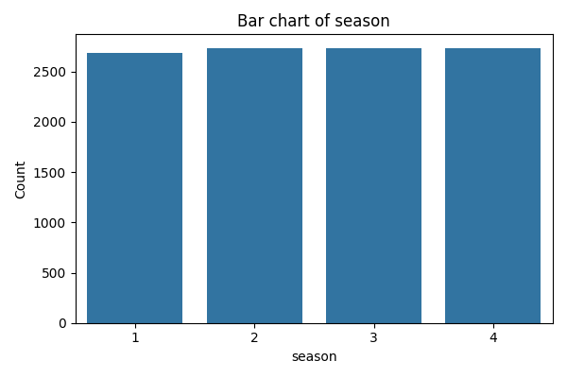
season | count
1 | 2686
2 | 2733
3 | 2733
4 | 2734

holiday
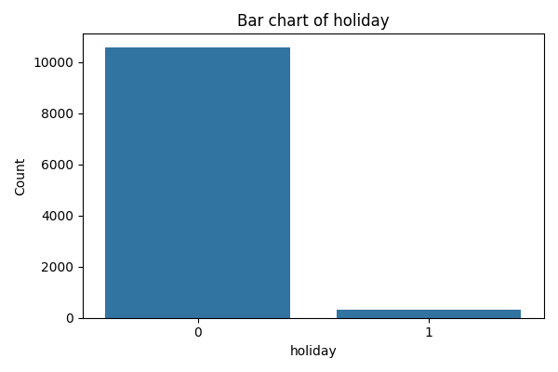
holiday | count
0 | 10575
1 | 311

workingday
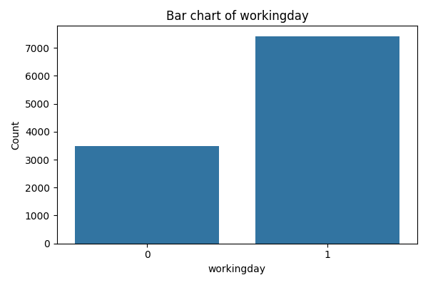
workingday | count
0 | 3474
1 | 7412

weather
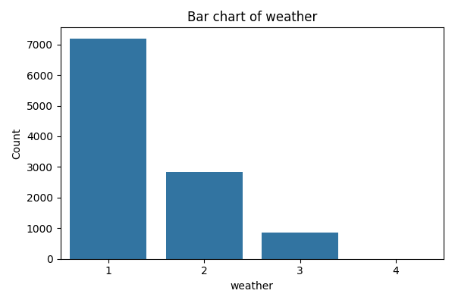
weather | count
1 | 7192
2 | 2834
3 | 859
4 | 1

temp
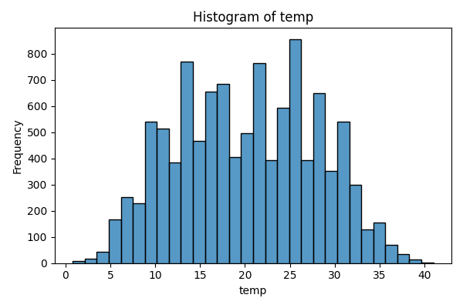
temp | count
0.82 | 7
1.64 | 2
2.46 | 5
3.28 | 11
4.1 | 44
4.92 | 60
5.74 | 107
6.56 | 146
7.38 | 106
8.2 | 229
9.02 | 248
9.84 | 294
10.66 | 332
11.48 | 181
12.3 | 385
13.12 | 356
13.94 | 413
14.76 | 467
15.58 | 255
16.4 | 400
17.22 | 356
18.04 | 328
18.86 | 406
19.68 | 170
20.5 | 327
21.32 | 362
22.14 | 403
22.96 | 395
23.78 | 203
24.6 | 390
...

atemp
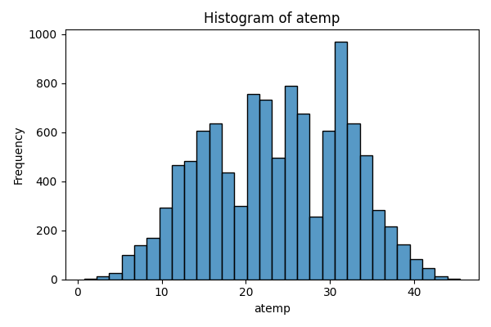
atemp | count
0.76 | 2
1.515 | 1
2.275 | 7
3.03 | 7
3.79 | 16
4.545 | 11
5.305 | 25
6.06 | 73
6.82 | 63
7.575 | 75
8.335 | 63
9.09 | 107
9.85 | 127
10.605 | 166
11.365 | 271
12.12 | 195
12.88 | 247
13.635 | 237
14.395 | 269
15.15 | 338
15.91 | 254
16.665 | 381
17.425 | 314
18.18 | 123
18.94 | 45
19.695 | 255
20.455 | 400
21.21 | 356
21.97 | 328
22.725 | 406
...

humidity
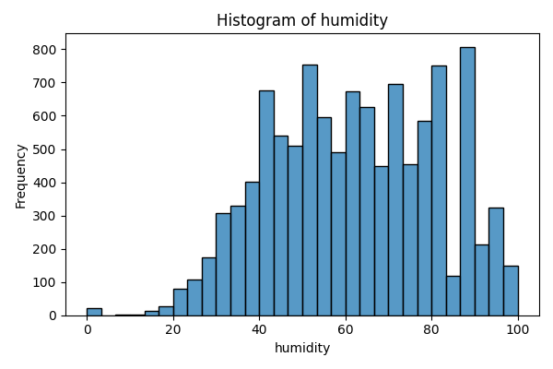
humidity | count
0 | 22
8 | 1
10 | 1
12 | 1
13 | 1
14 | 2
15 | 4
16 | 8
17 | 6
18 | 7
19 | 15
20 | 10
21 | 16
22 | 18
23 | 37
24 | 37
25 | 32
26 | 39
27 | 49
28 | 61
29 | 65
30 | 60
31 | 80
32 | 64
33 | 104
34 | 93
35 | 107
36 | 129
37 | 149
38 | 127
...

windspeed
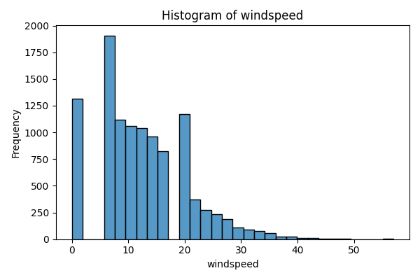
windspeed | count
0 | 1313
6.0032 | 872
7.0015 | 1034
8.9981 | 1120
11.0014 | 1057
12.998 | 1042
15.0013 | 961
16.9979 | 824
19.0012 | 676
19.9995 | 492
22.0028 | 372
23.9994 | 274
26.0027 | 235
27.9993 | 187
30.0026 | 111
31.0009 | 89
32.9975 | 80
35.0008 | 58
36.9974 | 22
39.0007 | 27
40.9973 | 11
43.0006 | 12
43.9989 | 8
46.0022 | 3
47.9988 | 2
50.0021 | 1
51.9987 | 1
56.9969 | 2

casual
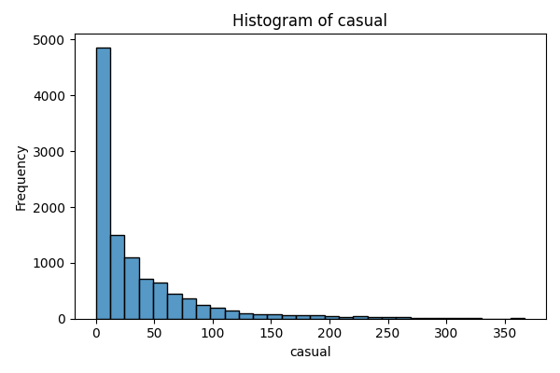
casual | count
0 | 986
1 | 667
2 | 487
3 | 438
4 | 354
5 | 332
6 | 269
7 | 250
8 | 250
9 | 230
10 | 213
11 | 193
12 | 190
13 | 146
14 | 137
15 | 146
16 | 141
17 | 134
18 | 128
19 | 141
20 | 120
21 | 116
22 | 104
23 | 87
24 | 95
25 | 103
26 | 91
27 | 124
28 | 105
29 | 99
...

registered
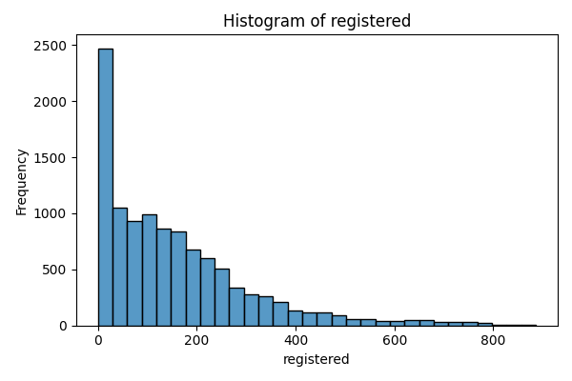
registered | count
0 | 15
1 | 135
2 | 150
3 | 195
4 | 190
5 | 177
6 | 155
7 | 126
8 | 114
9 | 114
10 | 72
11 | 87
12 | 57
13 | 52
14 | 67
15 | 54
16 | 56
17 | 46
18 | 51
19 | 66
20 | 53
21 | 52
22 | 59
23 | 61
24 | 51
25 | 40
26 | 47
27 | 43
28 | 46
29 | 39
...

count
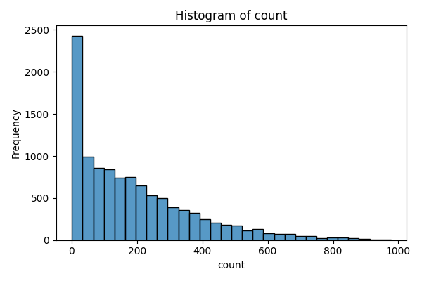
count | count
1 | 105
2 | 132
3 | 144
4 | 149
5 | 169
6 | 135
7 | 118
8 | 99
9 | 83
10 | 95
11 | 95
12 | 76
13 | 65
14 | 66
15 | 57
16 | 73
17 | 58
18 | 42
19 | 38
20 | 61
21 | 54
22 | 36
23 | 53
24 | 44
25 | 42
26 | 48
27 | 39
28 | 54
29 | 38
30 | 39
...

