overview
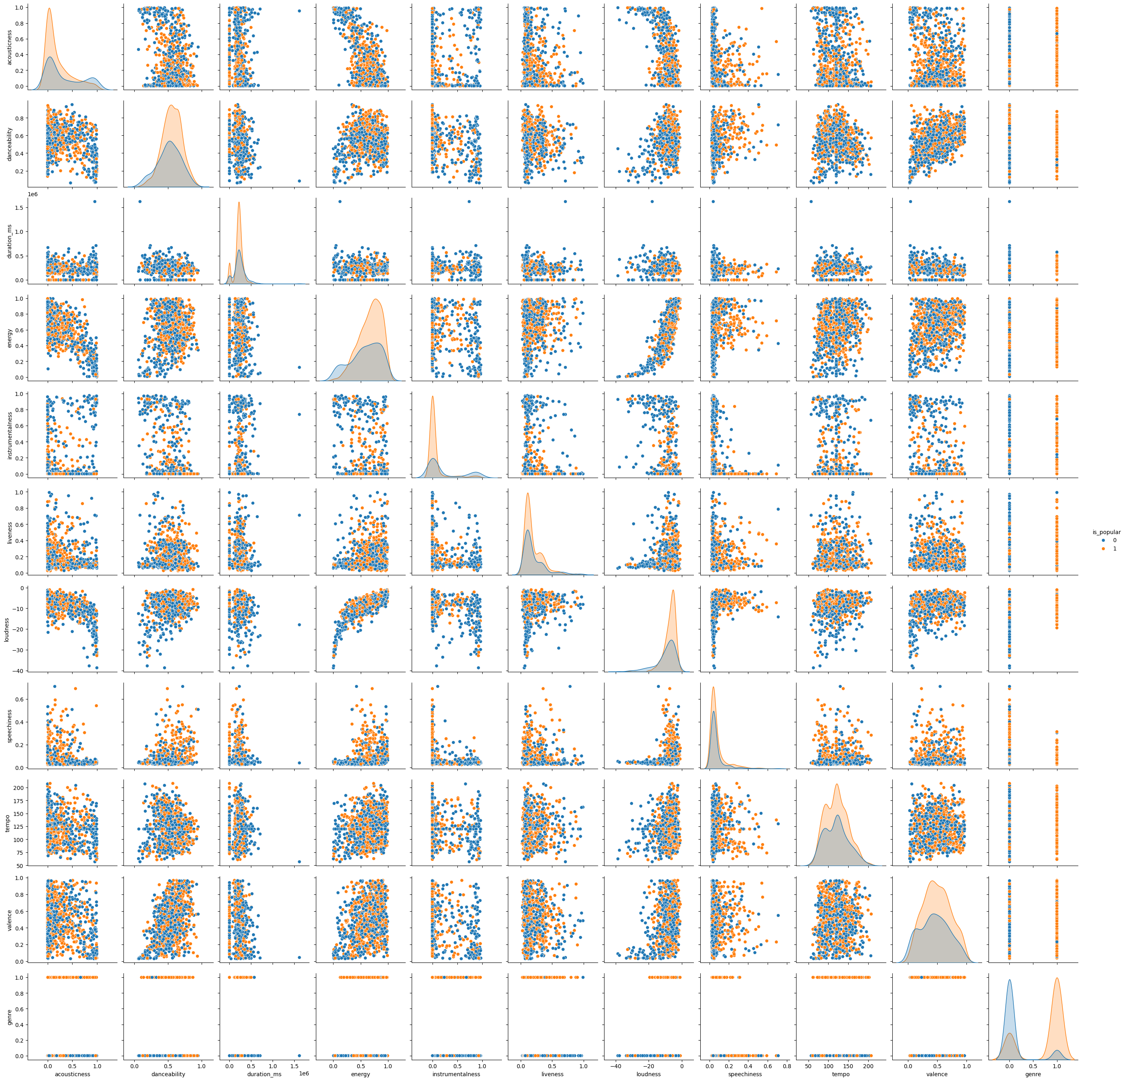
 | count | mean | std | min | 25% | 50% | 75% | max | NUM_MISSING | %_MISSING | NUM_UNIQUE | %_UNIQUE | UNIVARIATE ANALYSIS COMMENTS | MULTIVARIATE ANALYSIS COMMENTS
acousticness | 1000 | 0.26 | 0.31 | 0 | 0.01 | 0.12 | 0.43 | 1 | 0 | 0 | 817 | 0.82
danceability | 1000 | 0.54 | 0.16 | 0.06 | 0.44 | 0.55 | 0.66 | 0.95 | 0 | 0 | 500 | 0.5
duration_ms | 1000 | 217220.44 | 117558.16 | -1 | 180656.25 | 216300 | 260502.5 | 1617333 | 0 | 0 | 869 | 0.87
energy | 1000 | 0.64 | 0.24 | 0 | 0.49 | 0.68 | 0.82 | 1 | 0 | 0 | 571 | 0.57
instrumentalness | 1000 | 0.14 | 0.29 | 0 | 0 | 0 | 0.04 | 0.98 | 0 | 0 | 619 | 0.62
liveness | 1000 | 0.2 | 0.16 | 0.03 | 0.1 | 0.13 | 0.27 | 0.99 | 0 | 0 | 514 | 0.51
loudness | 1000 | -8.25 | 5.16 | -38.72 | -9.78 | -6.86 | -4.98 | -0.88 | 0 | 0 | 950 | 0.95
speechiness | 1000 | 0.08 | 0.09 | 0.02 | 0.03 | 0.04 | 0.07 | 0.71 | 0 | 0 | 518 | 0.52
tempo | 1000 | 120.37 | 28.94 | 56.86 | 95.91 | 119.95 | 140.03 | 207.85 | 0 | 0 | 905 | 0.9
valence | 1000 | 0.48 | 0.24 | 0.03 | 0.31 | 0.47 | 0.65 | 0.97 | 0 | 0 | 617 | 0.62
genre | 1000 | 0.5 | 0.5 | 0 | 0 | 0.5 | 1 | 1 | 0 | 0 | 2 | 0
is_popular | 1000 | 0.61 | 0.49 | 0 | 0 | 1 | 1 | 1 | 0 | 0 | 2 | 0

acousticness
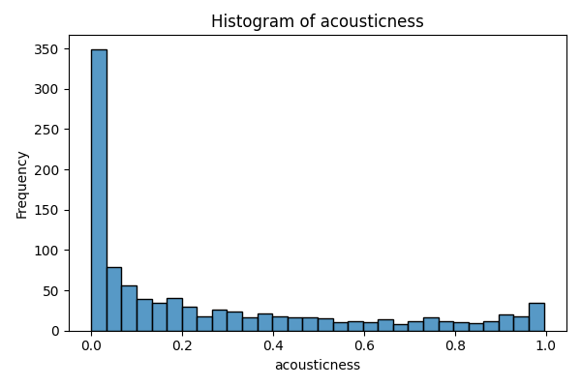
acousticness | count
0.00000323 | 1
0.00000482 | 1
0.00000529 | 1
0.00000591 | 1
0.00000753 | 1
0.0000104 | 1
0.0000114 | 1
0.0000137 | 1
0.0000146 | 1
0.000015 | 1
0.0000187 | 1
0.0000258 | 1
0.0000287 | 1
0.0000322 | 1
0.0000361 | 1
0.0000387 | 1
0.0000398 | 1
0.0000485 | 1
0.0000545 | 1
0.0000583 | 1
0.0000587 | 1
0.0000606 | 2
0.0000657 | 1
0.0000668 | 1
0.0000751 | 1
0.0000773 | 1
0.0000962 | 1
0.000107 | 1
0.000109 | 1
0.000126 | 1
0.000128 | 1
0.00013 | 1
0.000136 | 1
0.000138 | 1
0.000163 | 1
0.000173 | 1
0.000179 | 1
0.00018 | 2
0.000197 | 1
0.000198 | 1
0.000225 | 1
0.000242 | 2
0.000243 | 1
0.00025 | 1
0.000252 | 1
0.000254 | 1
0.000266 | 1
0.000273 | 1
0.000286 | 1
0.000289 | 1
0.000303 | 1
0.000314 | 1
0.000326 | 1
0.000332 | 1
0.000347 | 1
0.000349 | 1
0.000354 | 1
0.000377 | 1
0.000386 | 1
0.000393 | 1
0.000406 | 1
0.000416 | 1
0.000456 | 2
0.000467 | 1
0.000484 | 1
0.000488 | 1
0.000531 | 1
0.000534 | 1
0.000564 | 1
0.000571 | 1
0.00058 | 1
0.00059 | 1
0.000612 | 1
0.000614 | 1
0.000631 | 1
0.000636 | 1
0.000651 | 1
0.000672 | 1
0.000719 | 1
0.000744 | 1
0.00076 | 1
0.000761 | 1
0.000813 | 1
0.000821 | 2
0.000841 | 1
0.000848 | 1
0.000917 | 1
0.000918 | 1
0.000932 | 1
0.000957 | 1
0.000973 | 1
0.000983 | 1
0.000995 | 1
0.000999 | 1
0.00101 | 1
0.00102 | 1
0.00104 | 1
0.00106 | 1
0.00107 | 2
0.00108 | 1
0.0011 | 1
0.00111 | 1
0.00112 | 1
0.00126 | 1
0.00127 | 1
0.00134 | 1
0.0014 | 1
0.00144 | 1
0.00152 | 1
0.00153 | 1
0.00165 | 1
0.00166 | 1
0.00174 | 1
0.00177 | 1
0.00187 | 1
0.00191 | 1
0.00192 | 1
0.00197 | 1
0.00199 | 1
0.0021 | 1
0.00216 | 1
0.00219 | 2
0.00227 | 1
0.00228 | 1
0.00229 | 1
0.00235 | 1
0.00238 | 1
0.00241 | 1
0.00242 | 1
0.00254 | 1
0.00263 | 1
0.00265 | 1
0.00272 | 1
0.00273 | 1
0.00277 | 1
0.00286 | 1
0.00287 | 2
0.0029 | 1
0.00293 | 1
0.00297 | 1
0.0031 | 1
0.00318 | 1
0.00326 | 1
0.00328 | 1
0.00351 | 2
0.00358 | 1
0.00372 | 1
0.00382 | 1
0.00384 | 2
0.00388 | 1
0.00394 | 1
0.00398 | 1
0.00457 | 1
0.00463 | 1
0.00465 | 1
0.00468 | 1
0.00477 | 1
0.00483 | 1
0.00497 | 1
0.00531 | 1
0.00535 | 1
0.00537 | 1
0.0054 | 1
0.00555 | 1
0.0056 | 1
0.00568 | 1
0.00569 | 1
0.00579 | 1
0.00591 | 2
0.00599 | 1
0.006 | 1
0.00602 | 1
0.00613 | 1
0.00614 | 1
0.00633 | 1
0.00664 | 1
0.00666 | 1
0.00669 | 1
0.00695 | 1
0.00698 | 1
0.00701 | 1
0.00706 | 1
0.00721 | 1
0.0073 | 1
0.00735 | 1
0.00738 | 1
0.0074 | 1
0.00758 | 1
0.00764 | 1
0.00792 | 1
0.00798 | 2
0.00806 | 1
0.00824 | 1
0.00843 | 1
0.00851 | 2
0.00864 | 1
0.00873 | 1
0.00876 | 1
0.00879 | 1
0.00883 | 1
0.00888 | 1
0.00906 | 1
0.0091 | 1
0.00925 | 1
0.0093 | 1
0.00938 | 2
0.00941 | 1
0.00961 | 1
0.00963 | 1
0.00976 | 1
0.00987 | 1
0.0101 | 1
0.0102 | 1
0.0105 | 1
0.0106 | 2
0.0107 | 1
0.0108 | 1
0.011 | 1
0.0116 | 2
0.0117 | 2
0.0118 | 1
0.0121 | 2
0.0125 | 3
0.0126 | 1
0.0129 | 4
0.013 | 1
0.0132 | 1
0.0133 | 3
0.0134 | 1
0.0135 | 1
0.0138 | 1
0.0141 | 1
0.0144 | 1
0.0145 | 2
0.0149 | 1
0.015 | 1
0.0152 | 2
0.0153 | 1
0.0156 | 1
0.0157 | 1
0.0161 | 2
0.0162 | 2
0.0164 | 1
0.0166 | 1
0.0169 | 1
0.0173 | 1
0.0175 | 2
0.0178 | 1
0.018 | 1
0.0182 | 2
0.0183 | 1
0.0185 | 2
0.0189 | 1
0.019 | 1
0.0193 | 3
0.0196 | 1
0.0198 | 2
0.0207 | 1
0.0208 | 2
0.021 | 1
0.0213 | 1
0.0214 | 1
0.0217 | 2
0.0218 | 1
0.0219 | 2
0.0224 | 1
0.0226 | 1
0.0234 | 1
0.0236 | 2
0.0237 | 1
0.0238 | 2
0.0241 | 1
0.0242 | 1
0.0244 | 1
0.0246 | 1
0.0248 | 1
0.0249 | 2
0.0258 | 1
0.0263 | 2
0.0266 | 2
0.0267 | 1
0.0269 | 1
0.027 | 1
0.0271 | 1
0.0272 | 1
0.0276 | 1
0.0282 | 1
0.0285 | 1
0.0293 | 1
0.0295 | 2
0.0298 | 1
0.0299 | 1
0.0303 | 1
0.0304 | 1
0.0306 | 1
0.031 | 1
0.0311 | 1
0.0312 | 3
0.0314 | 2
0.0316 | 1
0.0328 | 1
0.0332 | 1
0.0335 | 1
0.034 | 1
0.0344 | 1
0.035 | 1
0.0354 | 2
0.0355 | 1
0.0357 | 1
0.0364 | 2
0.0368 | 1
0.0371 | 1
0.0378 | 1
0.038 | 1
0.0383 | 2
0.039 | 2
0.0399 | 1
0.0407 | 1
0.041 | 1
0.0412 | 1
0.0414 | 2
0.0416 | 1
0.0422 | 1
0.0424 | 2
0.0433 | 1
0.0434 | 1
0.0446 | 1
0.0448 | 1
0.045 | 1
0.0459 | 1
0.0462 | 1
0.0464 | 1
0.0468 | 1
0.0471 | 1
0.0483 | 1
0.0487 | 1
0.0489 | 1
0.049 | 1
0.0497 | 1
0.0498 | 1
0.05 | 1
0.0506 | 2
0.0507 | 1
0.051 | 1
0.0513 | 1
0.0517 | 1
0.0521 | 1
0.0523 | 1
0.0533 | 1
0.0534 | 1
0.0537 | 1
0.054 | 1
0.0541 | 1
0.0553 | 1
0.0557 | 1
0.0563 | 1
0.0571 | 2
0.0586 | 1
0.0588 | 1
0.0589 | 1
0.059 | 1
0.0593 | 1
0.0601 | 1
0.0605 | 1
0.0609 | 1
0.0614 | 1
0.0618 | 1
0.0626 | 1
0.0632 | 1
0.0658 | 1
0.0661 | 1
0.0662 | 1
0.0664 | 1
0.0674 | 1
0.0684 | 1
0.0688 | 1
0.069 | 1
0.0691 | 1
0.0698 | 1
0.0708 | 1
0.0711 | 1
0.0722 | 1
0.0725 | 1
0.0727 | 1
0.0731 | 1
0.0749 | 1
0.0751 | 1
0.0764 | 1
0.0766 | 1
0.0771 | 1
0.0774 | 1
0.0792 | 2
0.0808 | 1
0.0812 | 1
0.0819 | 1
0.082 | 2
0.0822 | 1
0.0823 | 1
0.0824 | 1
0.083 | 1
0.0832 | 1
0.0837 | 1
0.0841 | 1
0.0844 | 1
0.0847 | 1
0.085 | 1
0.0855 | 1
0.0873 | 2
0.0874 | 1
0.0879 | 2
0.0882 | 1
0.0887 | 2
0.0904 | 1
0.0911 | 1
0.0914 | 1
0.0915 | 1
0.0929 | 1
0.0934 | 1
0.0946 | 1
0.096 | 1
0.0974 | 1
0.0978 | 1
0.0984 | 1
0.0993 | 1
0.0999 | 1
0.101 | 1
0.102 | 2
0.103 | 2
0.104 | 1
0.105 | 1
0.106 | 1
0.108 | 1
0.109 | 1
0.11 | 2
0.111 | 1
0.112 | 1
0.114 | 1
0.118 | 1
0.12 | 1
0.121 | 3
0.122 | 3
0.123 | 2
0.125 | 1
0.126 | 2
0.127 | 1
0.128 | 1
0.129 | 3
0.13 | 2
0.131 | 2
0.132 | 1
0.133 | 1
0.135 | 1
0.137 | 3
0.138 | 1
0.139 | 1
0.141 | 2
0.142 | 1
0.144 | 2
0.146 | 2
0.147 | 1
0.148 | 1
0.149 | 1
0.15 | 1
0.151 | 1
0.152 | 3
0.153 | 1
0.154 | 1
0.155 | 1
0.156 | 1
0.158 | 2
0.159 | 1
0.16 | 1
0.161 | 2
0.163 | 1
0.164 | 1
0.165 | 1
0.167 | 1
0.168 | 2
0.169 | 1
0.17 | 2
0.171 | 3
0.173 | 3
0.174 | 3
0.175 | 3
0.176 | 4
0.177 | 1
0.178 | 2
0.181 | 1
0.182 | 1
0.183 | 1
0.184 | 1
0.188 | 2
0.19 | 1
0.192 | 1
0.193 | 2
0.194 | 1
0.195 | 2
0.198 | 2
0.2 | 1
0.201 | 1
0.203 | 1
0.204 | 1
0.205 | 2
0.206 | 1
0.209 | 1
0.21 | 1
0.211 | 1
0.212 | 1
0.213 | 1
0.214 | 2
0.218 | 2
0.219 | 1
0.22 | 1
0.221 | 1
0.222 | 2
0.223 | 1
0.224 | 1
0.227 | 1
0.228 | 1
0.229 | 2
0.23 | 1
0.232 | 2
0.238 | 1
0.239 | 2
0.242 | 1
0.244 | 1
0.245 | 2
0.25 | 1
0.252 | 1
0.253 | 1
0.257 | 1
0.258 | 1
0.259 | 1
0.261 | 1
0.263 | 4
0.266 | 2
0.267 | 2
0.269 | 2
0.27 | 2
0.271 | 2
0.272 | 1
0.273 | 1
0.274 | 1
0.278 | 1
0.279 | 2
0.281 | 1
0.287 | 1
0.289 | 2
0.292 | 1
0.293 | 1
0.296 | 1
0.298 | 3
0.299 | 2
0.301 | 1
0.303 | 1
0.308 | 1
0.309 | 1
0.31 | 1
0.311 | 1
0.312 | 1
0.313 | 1
0.314 | 1
0.316 | 2
0.318 | 2
0.32 | 1
0.321 | 1
0.323 | 1
0.324 | 2
0.326 | 2
0.328 | 1
0.331 | 1
0.333 | 1
0.334 | 3
0.335 | 1
0.337 | 1
0.338 | 1
0.34 | 1
0.342 | 1
0.344 | 1
0.347 | 2
0.349 | 1
0.35 | 2
0.351 | 1
0.354 | 1
0.366 | 1
0.371 | 1
0.373 | 2
0.374 | 1
0.375 | 1
0.377 | 3
0.378 | 1
0.379 | 1
0.381 | 2
0.386 | 3
0.387 | 1
0.392 | 2
0.395 | 1
0.396 | 1
0.402 | 1
0.404 | 2
0.405 | 1
0.407 | 1
0.408 | 1
0.409 | 1
0.411 | 1
0.412 | 1
0.42 | 1
0.422 | 1
0.423 | 1
0.424 | 1
0.425 | 2
0.426 | 1
0.428 | 1
0.431 | 1
0.437 | 1
0.441 | 1
0.444 | 1
0.445 | 2
0.448 | 1
0.449 | 1
0.45 | 2
0.453 | 2
0.454 | 1
0.458 | 1
0.459 | 1
0.461 | 1
0.462 | 1
0.464 | 1
0.465 | 1
0.472 | 1
0.474 | 1
0.475 | 1
0.479 | 1
0.48 | 2
0.481 | 1
0.488 | 1
0.491 | 2
0.492 | 1
0.495 | 1
0.497 | 1
0.498 | 2
0.503 | 1
0.504 | 1
0.505 | 1
0.506 | 2
0.507 | 1
0.514 | 1
0.515 | 1
0.516 | 1
0.517 | 3
0.52 | 1
0.522 | 1
0.527 | 1
0.536 | 1
0.538 | 1
0.54 | 1
0.547 | 1
0.551 | 1
0.553 | 1
0.554 | 1
0.555 | 1
0.557 | 1
0.56 | 1
0.564 | 1
0.566 | 2
0.569 | 1
0.57 | 1
0.573 | 1
0.578 | 1
0.58 | 1
0.582 | 2
0.595 | 2
0.597 | 1
0.6 | 1
0.602 | 1
0.605 | 1
0.608 | 1
0.61 | 1
0.614 | 2
0.615 | 2
0.621 | 1
0.623 | 1
0.633 | 1
0.634 | 1
0.637 | 1
0.64 | 1
0.644 | 2
0.648 | 1
0.651 | 1
0.654 | 1
0.655 | 1
0.656 | 1
0.663 | 1
0.664 | 2
0.665 | 1
0.666 | 2
0.668 | 1
0.669 | 1
0.678 | 1
0.694 | 2
0.698 | 1
0.702 | 2
0.703 | 1
0.704 | 1
0.71 | 2
0.714 | 1
0.719 | 1
0.723 | 1
0.726 | 1
0.727 | 1
0.732 | 2
0.733 | 1
0.735 | 1
0.739 | 2
0.74 | 1
0.742 | 1
0.744 | 2
0.745 | 1
0.746 | 1
0.747 | 1
0.748 | 1
0.758 | 1
0.761 | 1
0.763 | 1
0.765 | 1
0.77 | 1
0.775 | 1
0.783 | 1
0.784 | 1
0.786 | 1
0.787 | 1
0.788 | 1
0.79 | 1
0.794 | 1
0.795 | 1
0.796 | 1
0.803 | 1
0.806 | 2
0.81 | 1
0.812 | 1
0.819 | 1
0.823 | 1
0.826 | 1
0.829 | 1
0.83 | 1
0.832 | 1
0.833 | 1
0.836 | 1
0.838 | 1
0.84 | 1
0.842 | 1
0.847 | 1
0.858 | 1
0.859 | 1
0.864 | 1
0.865 | 1
0.866 | 1
0.868 | 1
0.872 | 1
0.875 | 1
0.88 | 1
0.885 | 1
0.888 | 1
0.89 | 2
0.896 | 1
0.9 | 1
0.901 | 1
0.903 | 3
0.904 | 2
0.909 | 1
0.91 | 1
0.911 | 1
0.913 | 1
0.914 | 1
0.915 | 1
0.916 | 1
0.917 | 1
0.92 | 1
0.924 | 1
0.928 | 1
0.929 | 2
0.931 | 1
0.933 | 2
0.934 | 1
0.935 | 2
0.936 | 1
0.937 | 2
0.945 | 1
0.951 | 1
0.954 | 1
0.955 | 1
0.956 | 1
0.959 | 2
0.962 | 2
0.963 | 1
0.966 | 1
0.968 | 1
0.97 | 1
0.972 | 2
0.973 | 3
0.975 | 1
0.978 | 2
0.979 | 1
0.981 | 2
0.982 | 1
0.985 | 2
0.986 | 1
0.987 | 2
0.988 | 2
0.989 | 1
0.99 | 2
0.991 | 1
0.992 | 1
0.993 | 1
0.994 | 1
0.995 | 3
0.996 | 1

danceability
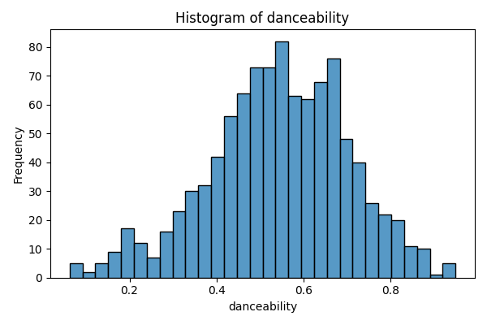
danceability | count
0.0624 | 1
0.0667 | 1
0.0712 | 1
0.0843 | 1
0.0874 | 1
0.107 | 1
0.121 | 1
0.124 | 1
0.127 | 1
0.129 | 1
0.138 | 1
0.142 | 1
0.153 | 1
0.154 | 1
0.155 | 1
0.158 | 1
0.16 | 1
0.162 | 1
0.163 | 1
0.167 | 1
0.178 | 1
0.183 | 1
0.184 | 1
0.185 | 1
0.187 | 1
0.189 | 2
0.192 | 1
0.193 | 2
0.195 | 1
0.196 | 1
0.198 | 1
0.2 | 2
0.204 | 1
0.206 | 1
0.209 | 1
0.216 | 1
0.218 | 1
0.22 | 1
0.221 | 1
0.222 | 1
0.228 | 1
0.229 | 1
0.23 | 1
0.231 | 1
0.235 | 1
0.236 | 1
0.239 | 1
0.246 | 1
0.248 | 2
0.254 | 1
0.257 | 1
0.264 | 1
0.265 | 1
0.272 | 2
0.275 | 1
0.276 | 1
0.279 | 1
0.281 | 1
0.285 | 1
0.291 | 3
0.292 | 1
0.294 | 2
0.296 | 1
0.298 | 1
0.299 | 1
0.3 | 1
0.301 | 1
0.304 | 1
0.305 | 1
0.306 | 3
0.307 | 1
0.309 | 1
0.312 | 1
0.314 | 2
0.316 | 1
0.321 | 1
0.324 | 1
0.325 | 1
0.326 | 2
0.327 | 3
0.328 | 2
0.329 | 1
0.33 | 1
0.332 | 3
0.334 | 2
0.336 | 1
0.338 | 1
0.339 | 1
0.341 | 1
0.343 | 2
0.345 | 2
0.346 | 2
0.348 | 3
0.35 | 2
0.352 | 3
0.356 | 2
0.358 | 3
0.359 | 1
0.36 | 3
0.364 | 3
0.365 | 1
0.366 | 1
0.368 | 3
0.37 | 1
0.371 | 1
0.373 | 1
0.374 | 1
0.375 | 1
0.376 | 1
0.377 | 2
0.378 | 2
0.379 | 1
0.381 | 1
0.382 | 2
0.384 | 1
0.385 | 1
0.386 | 1
0.387 | 3
0.389 | 2
0.39 | 3
0.391 | 1
0.392 | 1
0.393 | 2
0.394 | 1
0.395 | 2
0.396 | 2
0.397 | 2
0.399 | 2
0.4 | 1
0.401 | 2
0.403 | 2
0.404 | 2
0.405 | 2
0.406 | 1
0.407 | 3
0.408 | 1
0.409 | 2
0.41 | 1
0.411 | 2
0.412 | 2
0.413 | 2
0.416 | 1
0.418 | 1
0.419 | 2
0.42 | 5
0.421 | 3
0.422 | 2
0.423 | 1
0.424 | 1
0.425 | 1
0.426 | 2
0.427 | 1
0.428 | 1
0.43 | 1
0.431 | 1
0.432 | 1
0.433 | 4
0.434 | 2
0.435 | 1
0.436 | 1
0.437 | 2
0.438 | 1
0.439 | 3
0.44 | 2
0.441 | 2
0.442 | 3
0.443 | 4
0.444 | 4
0.445 | 3
0.446 | 1
0.448 | 4
0.449 | 4
0.45 | 3
0.451 | 2
0.454 | 2
0.455 | 2
0.456 | 1
0.457 | 1
0.458 | 3
0.459 | 1
0.46 | 1
0.461 | 1
0.462 | 1
0.463 | 1
0.464 | 1
0.465 | 5
0.467 | 6
0.469 | 2
0.47 | 5
0.471 | 3
0.472 | 1
0.473 | 3
0.474 | 4
0.475 | 3
0.476 | 4
0.477 | 3
0.478 | 1
0.479 | 2
0.48 | 3
0.481 | 1
0.482 | 3
0.483 | 1
0.485 | 1
0.486 | 4
0.487 | 2
0.488 | 2
0.489 | 2
0.49 | 3
0.491 | 5
0.492 | 3
0.494 | 4
0.495 | 2
0.496 | 2
0.497 | 2
0.498 | 7
0.499 | 3
0.5 | 2
0.501 | 1
0.502 | 4
0.503 | 3
0.504 | 2
0.505 | 3
0.506 | 2
0.507 | 4
0.508 | 4
0.509 | 1
0.511 | 3
0.512 | 3
0.513 | 3
0.514 | 2
0.515 | 2
0.516 | 2
0.517 | 2
0.518 | 3
0.519 | 7
0.52 | 2
0.521 | 3
0.522 | 3
0.523 | 2
0.525 | 3
0.526 | 2
0.527 | 1
0.528 | 3
0.529 | 4
0.53 | 2
0.531 | 3
0.532 | 1
0.533 | 1
0.534 | 4
0.535 | 3
0.539 | 2
0.54 | 3
0.541 | 4
0.542 | 5
0.543 | 1
0.544 | 4
0.545 | 3
0.546 | 6
0.547 | 5
0.548 | 1
0.549 | 2
0.55 | 2
0.551 | 3
0.552 | 3
0.553 | 2
0.554 | 1
0.555 | 1
0.556 | 2
0.557 | 2
0.558 | 3
0.559 | 4
0.56 | 6
0.561 | 4
0.562 | 6
0.563 | 2
0.564 | 2
0.565 | 3
0.566 | 1
0.567 | 2
0.568 | 6
0.569 | 2
0.57 | 4
0.571 | 2
0.572 | 2
0.573 | 4
0.574 | 3
0.575 | 4
0.576 | 2
0.577 | 3
0.578 | 2
0.579 | 2
0.58 | 1
0.581 | 3
0.582 | 2
0.583 | 1
0.584 | 2
0.585 | 1
0.587 | 1
0.588 | 2
0.589 | 4
0.592 | 1
0.593 | 3
0.594 | 3
0.595 | 2
0.596 | 1
0.597 | 2
0.599 | 3
0.6 | 4
0.601 | 1
0.602 | 2
0.603 | 1
0.605 | 2
0.606 | 7
0.608 | 3
0.609 | 3
0.61 | 2
0.611 | 2
0.612 | 4
0.613 | 2
0.614 | 1
0.615 | 4
0.616 | 4
0.617 | 3
0.62 | 1
0.622 | 2
0.623 | 3
0.624 | 3
0.625 | 2
0.626 | 6
0.627 | 2
0.628 | 3
0.629 | 2
0.63 | 2
0.631 | 1
0.632 | 1
0.633 | 1
0.634 | 1
0.635 | 5
0.636 | 1
0.637 | 2
0.638 | 3
0.639 | 1
0.64 | 3
0.641 | 1
0.642 | 1
0.643 | 4
0.644 | 3
0.645 | 1
0.647 | 3
0.648 | 4
0.649 | 2
0.65 | 4
0.651 | 3
0.652 | 1
0.653 | 2
0.654 | 3
0.655 | 4
0.656 | 3
0.657 | 4
0.658 | 1
0.66 | 3
0.661 | 4
0.662 | 1
0.663 | 3
0.664 | 1
0.665 | 6
0.666 | 2
0.667 | 3
0.668 | 4
0.669 | 8
0.672 | 3
0.673 | 4
0.674 | 4
0.675 | 1
0.676 | 4
0.677 | 2
0.678 | 3
0.68 | 4
0.681 | 2
0.682 | 1
0.683 | 1
0.684 | 3
0.686 | 3
0.687 | 2
0.688 | 1
0.69 | 3
0.691 | 5
0.693 | 1
0.694 | 3
0.695 | 1
0.696 | 2
0.697 | 1
0.698 | 2
0.699 | 3
0.7 | 1
0.701 | 2
0.702 | 1
0.703 | 1
0.704 | 2
0.705 | 4
0.707 | 1
0.708 | 2
0.71 | 1
0.711 | 2
0.712 | 1
0.714 | 2
0.715 | 4
0.716 | 1
0.717 | 3
0.718 | 1
0.72 | 1
0.723 | 1
0.724 | 1
0.725 | 1
0.726 | 5
0.727 | 1
0.729 | 1
0.73 | 3
0.731 | 1
0.733 | 1
0.734 | 1
0.736 | 2
0.738 | 2
0.739 | 2
0.74 | 3
0.741 | 3
0.743 | 1
0.744 | 2
0.749 | 3
0.752 | 3
0.753 | 1
0.754 | 1
0.756 | 2
0.757 | 2
0.758 | 1
0.759 | 1
0.761 | 1
0.764 | 1
0.765 | 1
0.766 | 2
0.768 | 1
0.769 | 1
0.77 | 1
0.771 | 1
0.773 | 1
0.776 | 3
0.779 | 2
0.78 | 1
0.782 | 2
0.784 | 1
0.786 | 1
0.787 | 1
0.791 | 2
0.792 | 1
0.793 | 2
0.794 | 1
0.797 | 1
0.798 | 1
0.799 | 1
0.8 | 1
0.803 | 1
0.808 | 1
0.809 | 3
0.81 | 2
0.811 | 1
0.813 | 3
0.815 | 1
0.816 | 1
0.82 | 1
0.823 | 1
0.824 | 2
0.826 | 1
0.829 | 1
0.83 | 1
0.835 | 1
0.836 | 1
0.837 | 1
0.839 | 1
0.841 | 1
0.843 | 1
0.846 | 1
0.847 | 1
0.848 | 1
0.854 | 1
0.858 | 1
0.862 | 2
0.866 | 1
0.872 | 1
0.873 | 1
0.876 | 1
0.878 | 1
0.884 | 1
0.886 | 1
0.888 | 1
0.892 | 1
0.921 | 1
0.926 | 1
0.927 | 1
0.939 | 1
0.95 | 1

duration_ms
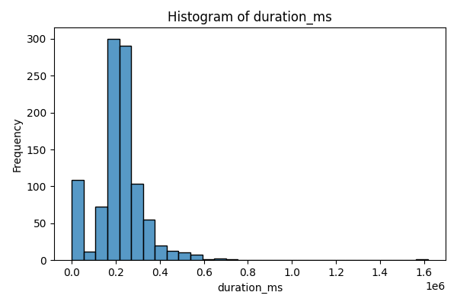
duration_ms | count
-1 | 108
37027 | 1
55101 | 1
60000 | 1
61867 | 1
67520 | 1
85707 | 1
85775 | 1
86944 | 1
89958 | 1
90667 | 1
92573 | 1
105820 | 1
106933 | 1
109107 | 1
113813 | 1
115827 | 1
116160 | 1
117013 | 1
123840 | 1
124400 | 1
125747 | 1
125827 | 1
127335 | 1
128000 | 1
128787 | 1
130293 | 1
130333 | 1
130342 | 1
130909 | 1
131024 | 1
131200 | 1
132733 | 1
133507 | 1
134200 | 1
134400 | 1
136493 | 1
137134 | 1
137350 | 1
139279 | 1
139400 | 1
141091 | 1
141133 | 1
141174 | 1
142573 | 1
142787 | 1
142933 | 1
143320 | 1
143581 | 1
144333 | 1
144453 | 1
144493 | 1
144600 | 1
145027 | 1
145120 | 1
145427 | 1
145640 | 1
145747 | 1
146240 | 1
146400 | 1
147107 | 1
148053 | 1
148067 | 1
148253 | 1
148267 | 1
148747 | 1
149013 | 1
149647 | 1
149987 | 1
151093 | 1
153093 | 1
153160 | 1
154373 | 1
154749 | 1
157307 | 1
157608 | 1
157893 | 1
158108 | 1
158800 | 1
159394 | 1
160080 | 1
160240 | 1
160440 | 1
160500 | 1
160886 | 1
161360 | 1
161544 | 1
162027 | 1
162293 | 1
163093 | 1
163453 | 1
163480 | 1
163600 | 1
163673 | 1
163933 | 1
164083 | 1
164666 | 1
165613 | 1
165733 | 1
166707 | 1
168027 | 1
168094 | 1
168613 | 1
168853 | 1
168920 | 1
169000 | 1
169613 | 1
170539 | 1
170658 | 1
170813 | 1
172520 | 1
172640 | 1
173000 | 1
173320 | 1
173400 | 1
173773 | 1
173933 | 1
174573 | 1
174627 | 1
175093 | 1
175547 | 1
175721 | 1
176147 | 1
177000 | 3
177048 | 1
177240 | 1
177427 | 1
177867 | 1
177960 | 1
178147 | 1
178555 | 1
179107 | 1
179453 | 1
180000 | 1
180056 | 1
180302 | 1
180320 | 1
180360 | 1
180400 | 1
180510 | 1
180600 | 1
180675 | 1
180720 | 1
180773 | 1
181333 | 1
181360 | 1
181533 | 1
181667 | 1
181827 | 1
181948 | 1
182027 | 1
182187 | 1
182267 | 1
182320 | 1
182493 | 1
182653 | 1
182773 | 1
182987 | 1
183147 | 1
183480 | 1
183573 | 1
183640 | 1
183787 | 1
184000 | 1
184169 | 1
184427 | 1
184490 | 1
184500 | 1
184615 | 1
184632 | 1
184773 | 1
184920 | 1
185030 | 1
185080 | 1
185387 | 1
185524 | 1
185907 | 1
185960 | 1
186627 | 1
186800 | 1
187040 | 1
187053 | 1
187134 | 1
187267 | 1
187653 | 1
187853 | 2
187896 | 1
187907 | 1
188184 | 1
188333 | 1
188600 | 1
188693 | 1
189187 | 1
189227 | 1
189387 | 1
189707 | 1
189787 | 1
190119 | 1
190240 | 1
190280 | 1
190400 | 1
190448 | 1
190707 | 1
190720 | 1
190760 | 1
190918 | 1
191126 | 1
191200 | 1
191252 | 1
191280 | 1
191360 | 1
192200 | 1
192333 | 1
192414 | 1
192444 | 1
192533 | 1
192905 | 1
192923 | 1
193000 | 1
193093 | 1
193213 | 1
193773 | 1
193787 | 1
194053 | 1
194107 | 1
194227 | 2
194400 | 1
194533 | 1
194581 | 1
194679 | 1
195053 | 2
195173 | 1
195200 | 2
195347 | 1
195360 | 1
195653 | 1
196227 | 1
196597 | 1
196907 | 1
196947 | 1
197013 | 1
197053 | 2
197160 | 1
197320 | 1
197480 | 1
197800 | 1
197933 | 1
198053 | 1
198107 | 1
198320 | 1
198400 | 1
198467 | 1
198763 | 1
198907 | 1
199036 | 1
199240 | 1
199490 | 1
199767 | 1
200147 | 1
200227 | 1
200360 | 1
200467 | 1
200707 | 1
200865 | 1
201076 | 1
201280 | 1
201347 | 2
201653 | 1
201920 | 1
202032 | 1
202053 | 1
202307 | 1
202467 | 1
202920 | 1
203120 | 1
203307 | 1
203327 | 1
204040 | 1
204333 | 1
204402 | 1
204467 | 1
204533 | 1
204933 | 1
205000 | 1
205040 | 1
205160 | 1
205320 | 1
205333 | 1
205347 | 1
205427 | 1
205440 | 1
205559 | 1
205587 | 1
205640 | 1
205933 | 1
206000 | 1
206067 | 1
206107 | 1
206173 | 1
206360 | 1
206520 | 1
206773 | 1
207040 | 1
207067 | 1
207173 | 1
207213 | 1
207573 | 1
207640 | 1
207724 | 1
207851 | 1
207967 | 1
208040 | 1
208067 | 1
208147 | 1
208253 | 1
208280 | 2
208320 | 1
208467 | 1
208493 | 1
208867 | 1
209160 | 1
209206 | 1
209480 | 1
209693 | 1
209877 | 1
210080 | 1
210520 | 1
210550 | 1
210653 | 1
210707 | 2
210747 | 1
211147 | 1
211212 | 1
211453 | 1
211487 | 1
211520 | 1
211573 | 1
211587 | 1
211809 | 1
211960 | 1
212160 | 1
212600 | 1
212613 | 1
212640 | 1
212689 | 1
212733 | 1
212760 | 1
212827 | 1
212907 | 1
213120 | 1
213173 | 1
213253 | 2
213267 | 2
213402 | 1
213528 | 1
213600 | 1
213653 | 1
213667 | 1
213853 | 1
213920 | 1
213958 | 1
214027 | 1
214093 | 1
214106 | 1
214213 | 1
214240 | 1
214547 | 1
214800 | 1
214880 | 1
214945 | 1
215067 | 1
215080 | 1
215120 | 1
215240 | 1
215307 | 1
215653 | 1
215813 | 1
215853 | 1
215880 | 1
215973 | 1
216067 | 1
216533 | 1
216693 | 1
217067 | 1
217156 | 1
217227 | 1
217387 | 1
217400 | 2
217419 | 1
217440 | 2
217493 | 1
217778 | 1
217824 | 1
217920 | 1
218000 | 1
218293 | 1
218400 | 1
218554 | 1
218624 | 1
218720 | 1
218853 | 1
218867 | 1
218973 | 1
219000 | 1
219173 | 1
219213 | 1
220187 | 1
220427 | 1
220462 | 1
220893 | 1
221000 | 1
221027 | 1
221093 | 1
221187 | 1
221459 | 1
221626 | 1
222000 | 1
222187 | 1
222227 | 1
222369 | 1
222573 | 1
223373 | 1
223400 | 1
223480 | 1
224027 | 1
224341 | 1
224382 | 1
224550 | 1
224587 | 1
224720 | 1
224947 | 1
224960 | 2
225000 | 1
225107 | 1
225533 | 1
225600 | 1
225800 | 1
225947 | 1
226027 | 1
226200 | 2
226560 | 1
226787 | 1
226827 | 1
227013 | 1
227027 | 1
227159 | 1
227187 | 1
227222 | 1
227296 | 1
227400 | 2
227440 | 1
228147 | 1
228520 | 1
228667 | 1
228747 | 1
228907 | 1
228920 | 1
228923 | 1
229027 | 1
229400 | 1
229520 | 1
229720 | 1
229928 | 1
230040 | 1
230600 | 1
230613 | 1
230800 | 1
231133 | 1
231173 | 1
231224 | 1
231368 | 1
231467 | 1
231640 | 1
231840 | 1
232400 | 1
232533 | 2
232880 | 1
233147 | 1
233160 | 1
233280 | 1
233467 | 1
233573 | 1
233587 | 1
233667 | 1
233853 | 1
233893 | 1
233901 | 1
233947 | 1
234013 | 1
234040 | 1
234080 | 1
234274 | 1
234427 | 1
234573 | 1
234973 | 1
235416 | 1
236533 | 1
236947 | 1
236973 | 1
237026 | 1
237027 | 1
237388 | 1
238054 | 2
238076 | 1
238200 | 1
238267 | 1
238339 | 1
238973 | 1
239333 | 1
239613 | 1
239640 | 1
239730 | 1
240733 | 1
240899 | 1
240933 | 1
241013 | 1
241120 | 1
241133 | 1
241360 | 1
241507 | 1
241547 | 1
241627 | 1
241680 | 1
241947 | 1
242035 | 1
242147 | 1
242200 | 1
242347 | 1
242667 | 1
242773 | 1
242995 | 1
243020 | 1
243333 | 1
243800 | 1
243933 | 1
244360 | 1
244760 | 1
245000 | 1
245040 | 2
245333 | 1
245640 | 1
245693 | 1
245947 | 1
245960 | 1
246173 | 1
246333 | 1
246493 | 1
246693 | 1
246827 | 1
246893 | 1
246938 | 1
247133 | 1
247160 | 1
247202 | 1
247373 | 1
247613 | 1
247829 | 1
248000 | 1
248173 | 1
248506 | 1
248640 | 1
248880 | 1
248960 | 1
249067 | 1
249147 | 1
249533 | 1
249600 | 2
249813 | 1
250107 | 1
250128 | 1
250627 | 1
250760 | 1
250907 | 1
250909 | 1
251173 | 1
251320 | 1
251333 | 1
251667 | 1
251773 | 1
252067 | 1
252280 | 1
252400 | 1
252493 | 1
252533 | 1
252653 | 1
252693 | 1
253227 | 1
253467 | 1
253947 | 1
254493 | 1
254510 | 1
254533 | 1
254867 | 1
255040 | 1
255120 | 1
255400 | 1
255600 | 1
256000 | 1
256440 | 1
256467 | 1
256560 | 2
256800 | 1
257080 | 1
257280 | 1
257346 | 1
257347 | 1
257520 | 1
257640 | 1
257960 | 1
258160 | 1
258373 | 1
258693 | 1
258920 | 1
259040 | 1
259231 | 1
259741 | 1
259773 | 1
260094 | 1
260160 | 1
260200 | 1
260467 | 1
260609 | 1
260840 | 1
260853 | 1
261176 | 1
261280 | 1
261560 | 1
262133 | 1
262253 | 1
262867 | 1
263240 | 1
263253 | 1
263533 | 1
264067 | 1
264600 | 1
264667 | 1
264840 | 1
265640 | 1
265933 | 1
266027 | 1
266040 | 1
266333 | 1
266493 | 1
266893 | 1
267067 | 1
267253 | 1
267400 | 1
267906 | 1
268093 | 1
268138 | 1
268467 | 1
268530 | 1
268760 | 1
269107 | 1
269323 | 1
269373 | 1
269613 | 1
270690 | 1
270800 | 1
271027 | 1
271533 | 1
271640 | 1
272074 | 1
272379 | 1
273693 | 1
273810 | 1
274253 | 1
274507 | 1
275200 | 1
275507 | 1
276132 | 1
277533 | 1
278067 | 1
278441 | 1
280347 | 1
281000 | 1
281080 | 1
281147 | 1
281640 | 1
282373 | 1
283133 | 1
284067 | 1
284093 | 2
284840 | 1
284867 | 1
285427 | 1
285467 | 1
285533 | 1
286067 | 1
286440 | 1
286707 | 1
286933 | 1
287033 | 1
287267 | 1
287365 | 1
287613 | 1
287733 | 1
287880 | 1
288053 | 1
288200 | 1
288733 | 1
289560 | 1
289800 | 1
290547 | 1
290827 | 1
291800 | 1
294000 | 1
294040 | 1
294933 | 1
295067 | 1
295467 | 1
295667 | 1
295867 | 1
295987 | 1
296427 | 1
297320 | 1
297991 | 1
298200 | 1
298253 | 1
298600 | 1
299053 | 1
299600 | 1
299640 | 1
299733 | 1
300427 | 1
301613 | 1
303307 | 1
303680 | 1
304693 | 1
304733 | 1
305219 | 1
305680 | 1
306333 | 1
307263 | 1
307640 | 1
308080 | 1
308373 | 1
309227 | 1
309573 | 1
309640 | 1
310707 | 1
310933 | 1
311200 | 1
312280 | 2
313400 | 1
313533 | 1
314080 | 1
314493 | 1
316004 | 1
316653 | 1
318000 | 1
318178 | 1
320010 | 1
320267 | 1
320520 | 1
322547 | 1
322613 | 1
323307 | 1
323600 | 1
323707 | 1
324100 | 1
325385 | 1
325733 | 1
327400 | 1
328293 | 1
329133 | 1
329187 | 1
329627 | 1
329733 | 1
330533 | 1
331173 | 1
331653 | 1
333867 | 1
334173 | 1
335893 | 1
336093 | 1
337017 | 1
338240 | 1
339493 | 1
341533 | 1
342493 | 1
343467 | 1
344160 | 1
345284 | 1
345373 | 1
346733 | 1
349187 | 1
349933 | 1
349980 | 1
350107 | 1
350467 | 1
351587 | 1
351678 | 1
352280 | 1
352907 | 1
354393 | 1
356947 | 1
358387 | 1
363114 | 1
363800 | 1
367160 | 1
368400 | 1
368533 | 1
369338 | 1
369947 | 1
370160 | 1
370453 | 1
372187 | 1
373377 | 1
373930 | 1
374093 | 1
375050 | 1
376500 | 1
382834 | 1
383973 | 1
384467 | 1
386533 | 1
389395 | 1
390328 | 1
391320 | 1
394147 | 1
395253 | 1
396333 | 1
397768 | 1
398333 | 1
400711 | 1
408920 | 1
410867 | 1
413880 | 1
415600 | 1
418027 | 1
419400 | 1
422133 | 1
431936 | 1
441013 | 1
445187 | 1
448480 | 1
450413 | 1
456320 | 1
460493 | 1
460613 | 1
462267 | 1
467760 | 1
472933 | 1
474360 | 1
478428 | 1
492267 | 1
496573 | 1
498147 | 1
498840 | 1
499960 | 1
505093 | 1
509107 | 1
512173 | 1
522075 | 1
524093 | 1
533684 | 1
541640 | 1
553500 | 1
554840 | 1
563893 | 1
574000 | 1
575933 | 1
588400 | 1
643545 | 1
664600 | 1
667973 | 1
708760 | 1
1617333 | 1

energy
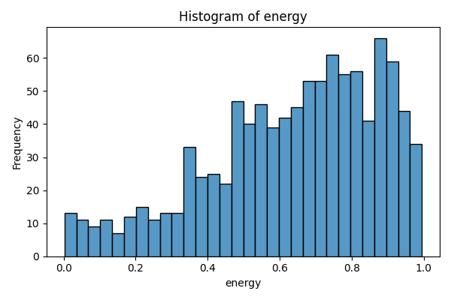
energy | count
0.00251 | 1
0.00681 | 1
0.00709 | 1
0.00914 | 1
0.0118 | 1
0.0119 | 1
0.0153 | 2
0.0169 | 2
0.0329 | 1
0.0338 | 1
0.0353 | 1
0.0382 | 1
0.039 | 1
0.0406 | 1
0.0408 | 1
0.0431 | 1
0.0514 | 1
0.0526 | 1
0.0538 | 1
0.0581 | 1
0.0612 | 1
0.0619 | 1
0.0744 | 1
0.0769 | 1
0.0805 | 1
0.0828 | 1
0.0867 | 1
0.0917 | 1
0.093 | 1
0.0941 | 1
0.0969 | 1
0.104 | 1
0.111 | 1
0.112 | 1
0.115 | 1
0.116 | 2
0.123 | 1
0.126 | 1
0.129 | 2
0.132 | 1
0.147 | 1
0.152 | 1
0.153 | 1
0.156 | 1
0.159 | 1
0.161 | 1
0.164 | 1
0.17 | 1
0.174 | 1
0.177 | 1
0.178 | 1
0.179 | 1
0.182 | 1
0.186 | 1
0.188 | 1
0.194 | 1
0.195 | 1
0.196 | 1
0.197 | 1
0.203 | 1
0.204 | 1
0.206 | 1
0.208 | 1
0.213 | 1
0.214 | 1
0.217 | 1
0.218 | 1
0.22 | 1
0.221 | 1
0.225 | 2
0.229 | 1
0.234 | 2
0.235 | 1
0.242 | 1
0.243 | 2
0.244 | 1
0.246 | 1
0.252 | 2
0.253 | 1
0.26 | 1
0.261 | 1
0.27 | 2
0.272 | 1
0.279 | 1
0.281 | 1
0.284 | 1
0.289 | 2
0.291 | 1
0.293 | 1
0.297 | 1
0.298 | 1
0.3 | 1
0.301 | 1
0.306 | 1
0.309 | 1
0.31 | 1
0.314 | 1
0.317 | 1
0.324 | 2
0.326 | 1
0.327 | 1
0.328 | 1
0.33 | 1
0.331 | 1
0.335 | 1
0.336 | 2
0.337 | 2
0.338 | 1
0.34 | 1
0.341 | 1
0.342 | 1
0.343 | 4
0.344 | 1
0.348 | 1
0.349 | 2
0.351 | 1
0.352 | 2
0.354 | 2
0.356 | 2
0.357 | 3
0.359 | 1
0.36 | 1
0.363 | 1
0.366 | 3
0.368 | 1
0.369 | 1
0.37 | 2
0.371 | 1
0.373 | 2
0.374 | 1
0.379 | 2
0.382 | 3
0.383 | 2
0.384 | 1
0.389 | 2
0.393 | 1
0.394 | 1
0.395 | 3
0.397 | 1
0.403 | 1
0.404 | 1
0.407 | 2
0.41 | 2
0.411 | 2
0.412 | 1
0.415 | 1
0.417 | 2
0.418 | 1
0.424 | 1
0.425 | 2
0.426 | 1
0.427 | 1
0.428 | 1
0.429 | 2
0.43 | 2
0.431 | 2
0.433 | 1
0.434 | 1
0.437 | 2
0.438 | 1
0.44 | 2
0.443 | 1
0.447 | 2
0.448 | 1
0.45 | 2
0.452 | 1
0.453 | 1
0.457 | 1
0.458 | 1
0.459 | 1
0.46 | 1
0.461 | 2
0.464 | 1
0.467 | 4
0.469 | 2
0.47 | 2
0.471 | 3
0.472 | 3
0.476 | 1
0.477 | 1
0.478 | 1
0.479 | 4
0.48 | 2
0.481 | 1
0.482 | 2
0.483 | 3
0.484 | 1
0.485 | 1
0.486 | 1
0.488 | 2
0.489 | 1
0.49 | 1
0.491 | 1
0.493 | 4
0.496 | 1
0.497 | 3
0.498 | 2
0.499 | 1
0.5 | 2
0.501 | 3
0.503 | 1
0.504 | 2
0.505 | 2
0.507 | 1
0.508 | 3
0.511 | 1
0.512 | 1
0.517 | 2
0.519 | 2
0.523 | 4
0.524 | 2
0.526 | 4
0.527 | 3
0.528 | 2
0.53 | 2
0.531 | 2
0.532 | 1
0.534 | 1
0.535 | 1
0.536 | 1
0.537 | 1
0.538 | 2
0.539 | 1
0.54 | 1
0.543 | 2
0.544 | 1
0.545 | 1
0.548 | 2
0.549 | 2
0.55 | 3
0.551 | 2
0.552 | 3
0.554 | 2
0.555 | 1
0.556 | 1
0.557 | 3
0.558 | 1
0.559 | 3
0.56 | 2
0.561 | 2
0.562 | 2
0.563 | 3
0.564 | 1
0.565 | 2
0.566 | 4
0.569 | 1
0.57 | 1
0.571 | 3
0.573 | 1
0.575 | 1
0.576 | 1
0.581 | 1
0.582 | 1
0.583 | 1
0.584 | 2
0.587 | 2
0.589 | 2
0.59 | 3
0.591 | 3
0.592 | 2
0.594 | 1
0.595 | 1
0.596 | 3
0.597 | 1
0.598 | 2
0.6 | 1
0.601 | 4
0.603 | 1
0.605 | 3
0.607 | 1
0.608 | 1
0.609 | 1
0.61 | 1
0.611 | 2
0.612 | 1
0.613 | 1
0.614 | 3
0.615 | 1
0.616 | 2
0.617 | 1
0.619 | 2
0.621 | 1
0.622 | 1
0.623 | 1
0.625 | 4
0.626 | 2
0.627 | 2
0.628 | 1
0.629 | 1
0.63 | 1
0.631 | 2
0.632 | 1
0.633 | 1
0.634 | 1
0.635 | 1
0.637 | 4
0.638 | 1
0.639 | 2
0.64 | 1
0.641 | 1
0.643 | 1
0.645 | 1
0.646 | 2
0.647 | 1
0.648 | 1
0.649 | 4
0.65 | 3
0.651 | 2
0.652 | 2
0.653 | 1
0.655 | 1
0.656 | 3
0.658 | 1
0.659 | 1
0.66 | 2
0.662 | 4
0.663 | 2
0.665 | 2
0.666 | 4
0.668 | 2
0.67 | 4
0.671 | 1
0.672 | 2
0.674 | 1
0.675 | 1
0.676 | 5
0.677 | 3
0.679 | 2
0.68 | 1
0.681 | 2
0.682 | 1
0.683 | 1
0.684 | 3
0.685 | 1
0.686 | 1
0.687 | 2
0.688 | 2
0.69 | 3
0.691 | 7
0.694 | 2
0.698 | 1
0.699 | 4
0.701 | 5
0.702 | 1
0.703 | 1
0.704 | 1
0.705 | 1
0.707 | 3
0.708 | 2
0.71 | 2
0.711 | 2
0.712 | 2
0.714 | 2
0.715 | 2
0.718 | 4
0.72 | 1
0.721 | 3
0.722 | 3
0.724 | 4
0.726 | 5
0.727 | 2
0.728 | 1
0.729 | 1
0.731 | 2
0.733 | 1
0.734 | 1
0.735 | 2
0.736 | 1
0.737 | 1
0.738 | 6
0.739 | 2
0.74 | 4
0.741 | 3
0.742 | 3
0.743 | 2
0.744 | 1
0.745 | 2
0.746 | 1
0.747 | 2
0.748 | 2
0.75 | 4
0.751 | 1
0.752 | 4
0.753 | 1
0.754 | 1
0.755 | 2
0.756 | 3
0.757 | 2
0.758 | 1
0.759 | 1
0.76 | 2
0.761 | 1
0.762 | 2
0.764 | 1
0.765 | 2
0.766 | 3
0.767 | 2
0.768 | 2
0.769 | 1
0.77 | 1
0.771 | 1
0.772 | 1
0.774 | 1
0.775 | 1
0.777 | 2
0.778 | 1
0.779 | 2
0.78 | 3
0.782 | 2
0.783 | 1
0.784 | 1
0.785 | 2
0.786 | 3
0.788 | 4
0.789 | 1
0.79 | 1
0.791 | 6
0.792 | 4
0.793 | 2
0.794 | 2
0.796 | 2
0.797 | 2
0.798 | 5
0.799 | 1
0.8 | 1
0.801 | 2
0.802 | 2
0.803 | 2
0.804 | 2
0.805 | 4
0.806 | 1
0.807 | 2
0.808 | 2
0.809 | 2
0.811 | 2
0.812 | 4
0.813 | 2
0.814 | 2
0.815 | 5
0.816 | 2
0.817 | 1
0.818 | 1
0.821 | 2
0.822 | 1
0.824 | 1
0.826 | 3
0.828 | 1
0.829 | 1
0.83 | 3
0.831 | 1
0.832 | 1
0.835 | 3
0.836 | 3
0.837 | 6
0.838 | 2
0.84 | 1
0.841 | 1
0.843 | 2
0.844 | 2
0.845 | 3
0.847 | 1
0.848 | 1
0.852 | 1
0.854 | 3
0.855 | 2
0.858 | 1
0.859 | 1
0.86 | 2
0.862 | 1
0.863 | 2
0.864 | 2
0.866 | 1
0.867 | 3
0.868 | 2
0.869 | 2
0.87 | 2
0.871 | 5
0.872 | 3
0.873 | 2
0.875 | 4
0.876 | 1
0.877 | 2
0.879 | 3
0.88 | 1
0.881 | 1
0.882 | 3
0.883 | 2
0.885 | 2
0.886 | 1
0.887 | 1
0.888 | 6
0.889 | 3
0.89 | 1
0.891 | 2
0.892 | 4
0.893 | 1
0.894 | 1
0.895 | 3
0.896 | 4
0.897 | 1
0.9 | 1
0.901 | 4
0.902 | 1
0.903 | 4
0.905 | 3
0.906 | 1
0.907 | 1
0.908 | 4
0.909 | 1
0.91 | 1
0.912 | 3
0.913 | 1
0.914 | 4
0.916 | 1
0.917 | 5
0.918 | 1
0.919 | 2
0.92 | 5
0.921 | 3
0.923 | 1
0.924 | 2
0.925 | 2
0.926 | 1
0.927 | 1
0.928 | 1
0.931 | 3
0.932 | 2
0.933 | 2
0.934 | 1
0.935 | 3
0.937 | 1
0.938 | 1
0.939 | 4
0.941 | 1
0.943 | 4
0.944 | 1
0.945 | 1
0.948 | 3
0.949 | 2
0.951 | 3
0.952 | 2
0.953 | 1
0.954 | 1
0.956 | 1
0.958 | 2
0.959 | 4
0.96 | 1
0.962 | 1
0.963 | 2
0.964 | 1
0.965 | 1
0.966 | 1
0.967 | 1
0.969 | 1
0.97 | 1
0.971 | 1
0.972 | 1
0.973 | 2
0.974 | 2
0.977 | 1
0.979 | 3
0.981 | 2
0.983 | 1
0.984 | 1
0.985 | 3
0.986 | 1
0.988 | 1
0.991 | 2
0.992 | 1
0.994 | 2
0.995 | 1

instrumentalness
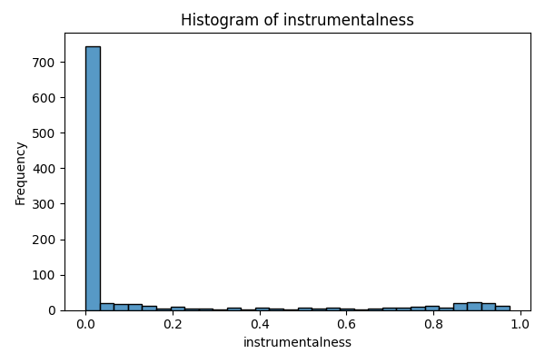
instrumentalness | count
0 | 310
0.00000103 | 1
0.00000104 | 1
0.00000107 | 1
0.00000112 | 1
0.00000117 | 1
0.00000119 | 1
0.00000122 | 1
0.00000123 | 1
0.00000128 | 1
0.00000132 | 1
0.00000134 | 3
0.00000137 | 1
0.00000138 | 1
0.0000014 | 1
0.00000143 | 1
0.00000154 | 1
0.00000155 | 1
0.00000161 | 1
0.00000176 | 1
0.00000193 | 2
0.00000195 | 1
0.00000196 | 1
0.00000197 | 1
0.00000199 | 1
0.00000201 | 1
0.00000204 | 2
0.00000206 | 1
0.0000021 | 1
0.00000212 | 1
0.00000214 | 1
0.00000218 | 1
0.00000219 | 1
0.00000223 | 1
0.0000023 | 1
0.00000232 | 1
0.00000233 | 1
0.00000243 | 1
0.00000246 | 1
0.00000247 | 1
0.00000248 | 1
0.00000265 | 1
0.00000277 | 1
0.00000278 | 1
0.00000282 | 1
0.00000292 | 1
0.00000293 | 1
0.00000299 | 1
0.00000302 | 1
0.00000311 | 1
0.00000317 | 1
0.00000328 | 1
0.00000329 | 1
0.00000357 | 1
0.00000369 | 1
0.0000037 | 1
0.00000374 | 1
0.00000377 | 1
0.00000379 | 1
0.00000385 | 1
0.00000389 | 1
0.00000415 | 1
0.00000417 | 1
0.00000419 | 1
0.00000422 | 1
0.00000432 | 1
0.00000436 | 1
0.0000044 | 1
0.00000441 | 1
0.00000444 | 1
0.00000472 | 2
0.00000474 | 1
0.00000483 | 1
0.00000514 | 1
0.00000529 | 1
0.00000547 | 1
0.00000548 | 1
0.00000569 | 1
0.00000574 | 1
0.00000611 | 1
0.00000645 | 1
0.00000659 | 1
0.00000674 | 1
0.00000675 | 1
0.00000696 | 1
0.00000707 | 1
0.00000712 | 1
0.00000722 | 1
0.00000749 | 1
0.00000755 | 1
0.00000757 | 1
0.00000763 | 1
0.00000771 | 1
0.00000784 | 1
0.00000821 | 1
0.00000871 | 1
0.00000872 | 1
0.0000088 | 1
0.00000881 | 1
0.00000904 | 1
0.00000917 | 1
0.00000933 | 1
0.00000961 | 1
0.00000984 | 1
0.0000103 | 1
0.0000107 | 1
0.0000109 | 1
0.0000111 | 1
0.0000114 | 1
0.0000115 | 1
0.0000124 | 2
0.0000128 | 1
0.0000133 | 1
0.0000141 | 1
0.0000145 | 1
0.0000149 | 1
0.0000153 | 1
0.0000157 | 1
0.0000163 | 1
0.0000171 | 1
0.0000179 | 1
0.0000184 | 1
0.0000197 | 2
0.0000198 | 1
0.0000199 | 1
0.0000203 | 1
0.0000204 | 1
0.0000207 | 1
0.0000214 | 2
0.000024 | 1
0.0000257 | 1
0.0000264 | 1
0.0000275 | 1
0.0000281 | 1
0.0000283 | 1
0.0000287 | 1
0.0000298 | 1
0.0000309 | 1
0.000031 | 1
0.0000312 | 1
0.000032 | 1
0.0000331 | 2
0.0000333 | 1
0.0000351 | 1
0.0000363 | 2
0.0000366 | 1
0.0000372 | 1
0.0000381 | 1
0.0000386 | 1
0.0000403 | 3
0.000043 | 1
0.0000435 | 1
0.0000444 | 1
0.0000461 | 1
0.0000486 | 1
0.0000492 | 1
0.0000506 | 1
0.0000534 | 1
0.0000597 | 3
0.0000609 | 1
0.0000611 | 1
0.0000615 | 1
0.0000635 | 1
0.0000636 | 1
0.0000642 | 1
0.0000652 | 1
0.0000666 | 1
0.0000684 | 1
0.0000706 | 1
0.0000714 | 1
0.0000745 | 1
0.0000793 | 1
0.0000804 | 1
0.0000867 | 1
0.0000868 | 1
0.0000879 | 1
0.0000892 | 1
0.0000894 | 1
0.0000907 | 1
0.000091 | 1
0.0000916 | 1
0.0000922 | 1
0.0000939 | 1
0.0000963 | 1
0.0000974 | 1
0.0000977 | 1
0.0000978 | 1
0.000107 | 1
0.000108 | 1
0.00011 | 1
0.000113 | 1
0.000117 | 1
0.000118 | 1
0.000119 | 1
0.000129 | 1
0.000133 | 1
0.000134 | 1
0.000137 | 1
0.000138 | 1
0.000139 | 1
0.000141 | 1
0.000144 | 1
0.000145 | 1
0.000146 | 1
0.000148 | 1
0.000151 | 1
0.000163 | 1
0.000169 | 1
0.00017 | 1
0.000174 | 1
0.000178 | 1
0.000189 | 1
0.00019 | 1
0.000214 | 1
0.00022 | 1
0.000221 | 1
0.000233 | 1
0.000238 | 1
0.00025 | 1
0.000266 | 1
0.000269 | 1
0.000274 | 1
0.000275 | 1
0.000284 | 1
0.000297 | 1
0.000298 | 1
0.000304 | 1
0.000305 | 2
0.000312 | 1
0.000315 | 1
0.00032 | 1
0.000346 | 1
0.000351 | 1
0.000354 | 1
0.00036 | 1
0.000376 | 1
0.000387 | 1
0.000391 | 1
0.0004 | 1
0.000406 | 1
0.00041 | 3
0.000423 | 1
0.000437 | 1
0.000446 | 1
0.000453 | 2
0.000494 | 1
0.000501 | 1
0.000511 | 1
0.000518 | 1
0.000525 | 1
0.000539 | 1
0.000543 | 1
0.000559 | 1
0.00058 | 1
0.000587 | 2
0.000614 | 1
0.000622 | 1
0.000633 | 1
0.000645 | 1
0.000659 | 1
0.000684 | 1
0.000692 | 1
0.000716 | 1
0.000742 | 1
0.000808 | 1
0.000816 | 1
0.00084 | 1
0.000842 | 1
0.000845 | 1
0.000868 | 1
0.000881 | 1
0.000883 | 1
0.000893 | 1
0.000907 | 1
0.000932 | 1
0.000946 | 1
0.000995 | 1
0.00104 | 2
0.00105 | 1
0.00106 | 1
0.00114 | 2
0.00115 | 1
0.00118 | 1
0.0012 | 1
0.00121 | 1
0.00123 | 1
0.00125 | 1
0.00126 | 1
0.00128 | 1
0.00131 | 1
0.00141 | 1
0.00144 | 2
0.00145 | 1
0.00148 | 1
0.00153 | 1
0.00159 | 1
0.00162 | 1
0.00165 | 1
0.00182 | 1
0.00185 | 1
0.00191 | 1
0.00199 | 1
0.00201 | 2
0.00202 | 1
0.0021 | 1
0.00213 | 1
0.00218 | 1
0.0022 | 1
0.00225 | 1
0.00227 | 1
0.00229 | 1
0.00236 | 1
0.00251 | 1
0.0026 | 1
0.00273 | 1
0.00295 | 1
0.003 | 1
0.00304 | 1
0.00305 | 2
0.00311 | 1
0.00338 | 1
0.00347 | 1
0.00348 | 1
0.00363 | 1
0.0037 | 1
0.00392 | 2
0.00396 | 1
0.00404 | 2
0.00413 | 1
0.00447 | 1
0.00469 | 1
0.00494 | 1
0.00511 | 1
0.00524 | 1
0.0054 | 1
0.00546 | 1
0.00599 | 1
0.00626 | 1
0.00657 | 1
0.00671 | 1
0.00676 | 1
0.00706 | 1
0.0072 | 1
0.00729 | 1
0.00746 | 1
0.00752 | 1
0.00787 | 1
0.00829 | 1
0.00859 | 1
0.0086 | 1
0.00879 | 1
0.00945 | 1
0.0096 | 1
0.00982 | 1
0.00984 | 1
0.00991 | 1
0.0105 | 1
0.011 | 1
0.0112 | 1
0.0113 | 1
0.0117 | 4
0.0118 | 1
0.0119 | 2
0.012 | 2
0.0124 | 1
0.0125 | 2
0.0127 | 1
0.0128 | 1
0.015 | 1
0.0157 | 1
0.017 | 1
0.0171 | 1
0.0172 | 1
0.0178 | 1
0.0184 | 1
0.0186 | 2
0.0195 | 1
0.0197 | 1
0.0198 | 1
0.02 | 1
0.0203 | 1
0.0205 | 1
0.0208 | 1
0.0214 | 1
0.0219 | 1
0.0223 | 1
0.0235 | 1
0.0248 | 1
0.0249 | 1
0.025 | 1
0.0257 | 1
0.0269 | 1
0.0273 | 1
0.0283 | 1
0.0286 | 1
0.0288 | 1
0.0296 | 1
0.0298 | 1
0.0299 | 1
0.03 | 1
0.0312 | 1
0.0314 | 1
0.0325 | 1
0.0328 | 1
0.0352 | 1
0.0357 | 1
0.0362 | 1
0.0415 | 1
0.0468 | 1
0.0476 | 1
0.0479 | 1
0.0484 | 1
0.0506 | 1
0.0571 | 1
0.0577 | 1
0.0594 | 1
0.0597 | 2
0.06 | 1
0.061 | 1
0.0617 | 1
0.0651 | 1
0.0701 | 1
0.0702 | 1
0.0706 | 2
0.0719 | 1
0.0725 | 1
0.0799 | 1
0.0802 | 1
0.0807 | 1
0.0823 | 1
0.0834 | 1
0.0844 | 1
0.0857 | 1
0.0968 | 1
0.0969 | 1
0.0977 | 1
0.0996 | 1
0.106 | 1
0.107 | 2
0.108 | 1
0.109 | 1
0.11 | 2
0.113 | 1
0.118 | 2
0.121 | 1
0.122 | 1
0.126 | 1
0.129 | 1
0.134 | 1
0.136 | 1
0.138 | 1
0.144 | 1
0.146 | 1
0.147 | 1
0.149 | 1
0.151 | 2
0.158 | 1
0.16 | 1
0.162 | 1
0.165 | 1
0.167 | 1
0.175 | 1
0.177 | 1
0.19 | 1
0.196 | 1
0.204 | 3
0.205 | 1
0.208 | 1
0.21 | 1
0.221 | 1
0.222 | 1
0.24 | 1
0.244 | 1
0.246 | 1
0.256 | 1
0.258 | 1
0.275 | 1
0.276 | 1
0.281 | 1
0.283 | 1
0.293 | 2
0.301 | 1
0.335 | 1
0.343 | 1
0.344 | 1
0.35 | 2
0.351 | 1
0.352 | 1
0.375 | 1
0.385 | 1
0.392 | 1
0.393 | 1
0.395 | 1
0.4 | 1
0.402 | 1
0.403 | 1
0.407 | 1
0.422 | 1
0.424 | 1
0.427 | 1
0.433 | 1
0.446 | 1
0.459 | 1
0.462 | 1
0.47 | 1
0.497 | 1
0.505 | 1
0.51 | 1
0.513 | 1
0.515 | 2
0.518 | 1
0.535 | 1
0.546 | 1
0.55 | 1
0.552 | 1
0.559 | 2
0.573 | 1
0.574 | 1
0.578 | 1
0.581 | 2
0.587 | 2
0.592 | 1
0.602 | 1
0.609 | 1
0.625 | 1
0.626 | 1
0.651 | 1
0.666 | 1
0.667 | 1
0.682 | 1
0.687 | 1
0.701 | 1
0.703 | 1
0.707 | 1
0.711 | 1
0.715 | 1
0.724 | 1
0.726 | 1
0.74 | 2
0.745 | 1
0.746 | 1
0.751 | 1
0.761 | 1
0.762 | 2
0.764 | 1
0.773 | 1
0.775 | 1
0.778 | 1
0.779 | 1
0.785 | 2
0.786 | 1
0.788 | 1
0.793 | 1
0.799 | 1
0.8 | 2
0.807 | 2
0.81 | 1
0.814 | 1
0.828 | 1
0.831 | 1
0.832 | 1
0.834 | 1
0.838 | 1
0.839 | 1
0.84 | 1
0.847 | 1
0.848 | 2
0.852 | 2
0.857 | 1
0.86 | 1
0.861 | 1
0.862 | 1
0.864 | 1
0.868 | 1
0.871 | 1
0.872 | 1
0.873 | 2
0.874 | 3
0.875 | 2
0.877 | 1
0.88 | 1
0.885 | 3
0.886 | 1
0.887 | 1
0.888 | 1
0.89 | 2
0.891 | 2
0.892 | 1
0.893 | 1
0.898 | 1
0.899 | 1
0.901 | 1
0.904 | 1
0.907 | 2
0.908 | 1
0.909 | 3
0.913 | 1
0.916 | 1
0.92 | 1
0.924 | 1
0.925 | 2
0.926 | 1
0.929 | 2
0.93 | 1
0.931 | 1
0.934 | 2
0.935 | 2
0.939 | 2
0.94 | 1
0.941 | 1
0.952 | 1
0.953 | 1
0.955 | 1
0.957 | 1
0.959 | 2
0.964 | 1
0.967 | 1
0.969 | 2
0.975 | 1

liveness
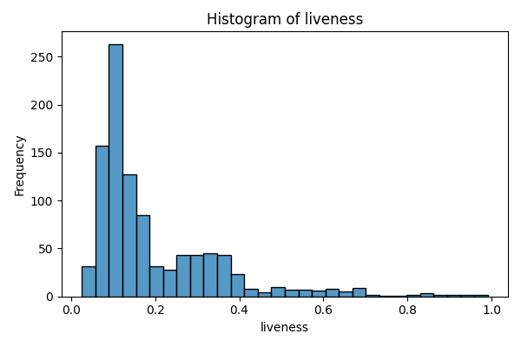
liveness | count
0.0254 | 1
0.0279 | 1
0.028 | 1
0.0308 | 1
0.0344 | 1
0.0363 | 1
0.0368 | 1
0.0381 | 1
0.0403 | 1
0.0405 | 1
0.0408 | 1
0.0424 | 1
0.0425 | 1
0.0429 | 1
0.0437 | 1
0.0453 | 1
0.0467 | 1
0.0469 | 1
0.0478 | 1
0.0483 | 1
0.0484 | 1
0.0491 | 1
0.0499 | 1
0.0527 | 1
0.0528 | 1
0.0532 | 1
0.0545 | 1
0.0553 | 1
0.0555 | 1
0.057 | 1
0.0571 | 1
0.0582 | 2
0.0584 | 1
0.0587 | 1
0.0594 | 1
0.0596 | 2
0.0598 | 1
0.0601 | 1
0.0602 | 2
0.0603 | 1
0.0608 | 1
0.0609 | 1
0.0611 | 1
0.0615 | 1
0.0618 | 1
0.0619 | 2
0.0624 | 1
0.0626 | 3
0.0627 | 1
0.063 | 1
0.0633 | 1
0.0634 | 1
0.0635 | 1
0.0636 | 1
0.0637 | 1
0.0642 | 1
0.0643 | 1
0.0648 | 1
0.0649 | 1
0.0651 | 3
0.0654 | 2
0.0662 | 1
0.067 | 1
0.0674 | 1
0.0681 | 1
0.0683 | 1
0.0684 | 1
0.0685 | 1
0.0686 | 1
0.0687 | 1
0.0698 | 1
0.07 | 2
0.0703 | 1
0.0707 | 2
0.0709 | 1
0.0711 | 1
0.0714 | 1
0.0716 | 3
0.0718 | 1
0.0722 | 1
0.0724 | 1
0.0727 | 1
0.0729 | 1
0.073 | 2
0.0731 | 1
0.0732 | 1
0.0738 | 2
0.0743 | 1
0.0744 | 1
0.0745 | 1
0.0746 | 2
0.0755 | 2
0.0757 | 1
0.076 | 2
0.0762 | 1
0.0764 | 1
0.0765 | 1
0.0767 | 1
0.0769 | 2
0.0776 | 1
0.0777 | 1
0.0778 | 1
0.0781 | 1
0.0784 | 1
0.0785 | 1
0.0786 | 1
0.0787 | 2
0.079 | 1
0.0793 | 1
0.0794 | 1
0.0796 | 2
0.0798 | 1
0.0799 | 1
0.08 | 2
0.0802 | 2
0.0803 | 1
0.0805 | 2
0.0812 | 1
0.0813 | 1
0.0816 | 1
0.0817 | 1
0.0819 | 1
0.082 | 1
0.0821 | 1
0.0822 | 2
0.0823 | 1
0.0824 | 1
0.0825 | 1
0.0832 | 1
0.0833 | 1
0.0841 | 2
0.0842 | 1
0.0843 | 1
0.0844 | 1
0.0852 | 1
0.0853 | 1
0.0854 | 2
0.0855 | 1
0.0856 | 1
0.0862 | 1
0.0865 | 2
0.0867 | 1
0.0873 | 1
0.0874 | 1
0.0876 | 1
0.0879 | 1
0.0882 | 1
0.0883 | 1
0.0884 | 1
0.0886 | 1
0.0888 | 1
0.0889 | 2
0.089 | 1
0.0892 | 2
0.0894 | 1
0.0895 | 2
0.0897 | 1
0.0899 | 1
0.09 | 1
0.0905 | 1
0.0907 | 1
0.091 | 2
0.0912 | 1
0.0916 | 1
0.0923 | 1
0.0925 | 1
0.0928 | 3
0.0931 | 1
0.0934 | 1
0.0935 | 1
0.094 | 1
0.0942 | 1
0.0943 | 1
0.0944 | 2
0.0946 | 1
0.0947 | 1
0.0948 | 1
0.0951 | 1
0.0952 | 1
0.0954 | 1
0.0956 | 2
0.0957 | 1
0.096 | 2
0.0961 | 1
0.0963 | 1
0.0966 | 1
0.0967 | 4
0.0968 | 2
0.0969 | 1
0.097 | 1
0.0972 | 2
0.0973 | 1
0.0975 | 1
0.0977 | 2
0.0978 | 2
0.0979 | 1
0.0981 | 3
0.0992 | 1
0.0993 | 2
0.0997 | 2
0.1 | 4
0.101 | 7
0.102 | 10
0.103 | 6
0.104 | 10
0.105 | 11
0.106 | 13
0.107 | 8
0.108 | 14
0.109 | 11
0.11 | 15
0.111 | 16
0.112 | 10
0.113 | 11
0.114 | 7
0.115 | 4
0.116 | 8
0.117 | 12
0.118 | 3
0.119 | 12
0.12 | 6
0.121 | 5
0.122 | 4
0.123 | 3
0.124 | 7
0.125 | 5
0.126 | 7
0.127 | 5
0.128 | 3
0.129 | 6
0.13 | 8
0.131 | 5
0.132 | 6
0.133 | 1
0.134 | 1
0.135 | 5
0.136 | 2
0.137 | 2
0.138 | 4
0.139 | 4
0.14 | 8
0.141 | 2
0.142 | 2
0.143 | 4
0.144 | 5
0.145 | 1
0.146 | 3
0.147 | 5
0.148 | 5
0.149 | 5
0.15 | 3
0.151 | 1
0.152 | 1
0.154 | 4
0.155 | 3
0.156 | 5
0.157 | 4
0.158 | 3
0.159 | 3
0.16 | 5
0.161 | 3
0.162 | 1
0.163 | 2
0.165 | 4
0.166 | 7
0.168 | 5
0.169 | 6
0.17 | 3
0.171 | 3
0.172 | 4
0.173 | 2
0.174 | 2
0.175 | 2
0.176 | 3
0.178 | 5
0.179 | 2
0.18 | 2
0.181 | 4
0.183 | 1
0.184 | 1
0.187 | 1
0.19 | 2
0.193 | 3
0.194 | 2
0.195 | 1
0.196 | 1
0.197 | 1
0.198 | 1
0.199 | 1
0.2 | 3
0.201 | 2
0.202 | 1
0.203 | 1
0.205 | 1
0.206 | 1
0.209 | 2
0.21 | 2
0.212 | 2
0.214 | 1
0.217 | 1
0.218 | 1
0.219 | 1
0.22 | 1
0.222 | 1
0.223 | 1
0.224 | 1
0.226 | 1
0.227 | 1
0.228 | 1
0.229 | 1
0.231 | 1
0.233 | 1
0.234 | 2
0.235 | 1
0.237 | 1
0.239 | 1
0.24 | 1
0.241 | 2
0.242 | 2
0.243 | 1
0.244 | 1
0.246 | 1
0.249 | 3
0.25 | 1
0.254 | 3
0.255 | 2
0.256 | 1
0.257 | 1
0.261 | 3
0.262 | 1
0.263 | 2
0.266 | 3
0.267 | 1
0.268 | 1
0.269 | 3
0.27 | 2
0.271 | 1
0.272 | 1
0.273 | 3
0.274 | 5
0.276 | 1
0.277 | 1
0.278 | 1
0.279 | 1
0.28 | 2
0.281 | 2
0.282 | 2
0.283 | 1
0.286 | 2
0.287 | 1
0.288 | 1
0.289 | 2
0.29 | 2
0.293 | 1
0.294 | 1
0.295 | 1
0.297 | 3
0.298 | 1
0.299 | 3
0.301 | 1
0.302 | 1
0.303 | 5
0.304 | 2
0.305 | 1
0.307 | 1
0.308 | 1
0.31 | 2
0.311 | 2
0.312 | 1
0.313 | 3
0.314 | 2
0.315 | 2
0.316 | 2
0.317 | 1
0.32 | 1
0.322 | 2
0.323 | 3
0.325 | 1
0.326 | 2
0.327 | 1
0.329 | 1
0.33 | 2
0.332 | 1
0.334 | 2
0.335 | 3
0.336 | 1
0.337 | 3
0.338 | 1
0.339 | 4
0.34 | 1
0.341 | 3
0.342 | 1
0.343 | 2
0.344 | 2
0.345 | 3
0.346 | 1
0.347 | 1
0.348 | 1
0.349 | 2
0.35 | 1
0.351 | 1
0.352 | 1
0.353 | 2
0.354 | 2
0.355 | 2
0.356 | 2
0.357 | 2
0.358 | 2
0.359 | 2
0.36 | 3
0.363 | 3
0.364 | 1
0.365 | 1
0.368 | 1
0.37 | 3
0.371 | 3
0.372 | 2
0.374 | 1
0.375 | 1
0.376 | 1
0.378 | 2
0.379 | 1
0.38 | 3
0.383 | 1
0.388 | 1
0.389 | 1
0.391 | 1
0.392 | 3
0.393 | 1
0.396 | 1
0.4 | 1
0.401 | 1
0.402 | 1
0.403 | 1
0.405 | 2
0.407 | 1
0.408 | 1
0.409 | 2
0.411 | 1
0.412 | 1
0.413 | 1
0.429 | 1
0.431 | 1
0.432 | 1
0.433 | 1
0.439 | 1
0.44 | 1
0.457 | 2
0.458 | 1
0.473 | 1
0.478 | 3
0.483 | 1
0.49 | 1
0.495 | 1
0.5 | 1
0.501 | 1
0.502 | 1
0.506 | 1
0.513 | 1
0.515 | 1
0.525 | 1
0.528 | 1
0.534 | 1
0.535 | 1
0.536 | 1
0.543 | 1
0.551 | 1
0.556 | 1
0.564 | 1
0.569 | 1
0.571 | 1
0.572 | 1
0.574 | 1
0.575 | 1
0.581 | 1
0.598 | 1
0.599 | 1
0.602 | 1
0.605 | 2
0.61 | 2
0.614 | 1
0.621 | 1
0.623 | 1
0.626 | 1
0.638 | 1
0.641 | 1
0.643 | 1
0.664 | 1
0.669 | 1
0.67 | 1
0.674 | 1
0.682 | 1
0.684 | 2
0.687 | 1
0.693 | 1
0.694 | 1
0.699 | 1
0.704 | 1
0.711 | 1
0.741 | 1
0.785 | 1
0.801 | 1
0.807 | 1
0.831 | 1
0.854 | 1
0.86 | 1
0.878 | 1
0.881 | 1
0.902 | 1
0.919 | 1
0.948 | 1
0.951 | 1
0.968 | 1
0.991 | 1

loudness
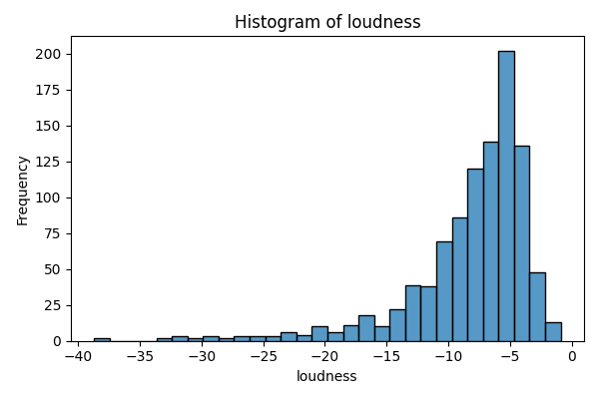
loudness | count
-38.718 | 1
-37.783 | 1
-33.602 | 1
-32.855 | 1
-32.245 | 1
-32.142 | 1
-31.231 | 1
-31.067 | 1
-30.433 | 1
-29.885 | 1
-29.801 | 1
-29.209 | 1
-28.228 | 1
-27.769 | 1
-26.569 | 1
-26.563 | 1
-26.549 | 1
-26.037 | 1
-25.708 | 1
-25.246 | 1
-24.839 | 1
-24.031 | 1
-23.741 | 1
-23.543 | 1
-23.347 | 1
-23.238 | 1
-23.135 | 1
-22.613 | 1
-22.592 | 1
-22.039 | 1
-21.946 | 1
-21.608 | 1
-21.199 | 1
-21.025 | 1
-20.82 | 1
-20.776 | 1
-20.634 | 1
-20.596 | 1
-20.494 | 1
-20.45 | 1
-20.142 | 1
-20.078 | 1
-19.846 | 1
-19.454 | 1
-19.42 | 1
-19.277 | 1
-19.116 | 1
-19.09 | 1
-18.944 | 1
-18.408 | 1
-18.39 | 1
-17.959 | 1
-17.919 | 1
-17.91 | 1
-17.899 | 1
-17.747 | 1
-17.719 | 1
-17.699 | 1
-17.519 | 1
-17.324 | 1
-17.153 | 1
-17.152 | 1
-17.109 | 1
-17.085 | 1
-17.077 | 1
-17.063 | 1
-16.982 | 1
-16.651 | 1
-16.647 | 1
-16.542 | 1
-16.482 | 1
-16.472 | 1
-16.42 | 1
-16.413 | 1
-16.192 | 1
-16.15 | 1
-16.029 | 1
-16.022 | 1
-15.882 | 1
-15.632 | 1
-15.395 | 1
-15.243 | 1
-14.979 | 1
-14.972 | 1
-14.884 | 1
-14.855 | 1
-14.824 | 1
-14.792 | 1
-14.545 | 1
-14.541 | 1
-14.429 | 1
-14.339 | 1
-14.274 | 1
-14.218 | 1
-14.192 | 1
-14.148 | 1
-14.069 | 1
-14.067 | 1
-14.024 | 1
-14.016 | 1
-13.953 | 1
-13.901 | 1
-13.887 | 1
-13.79 | 1
-13.757 | 1
-13.723 | 1
-13.692 | 1
-13.681 | 1
-13.66 | 1
-13.648 | 1
-13.477 | 1
-13.446 | 1
-13.443 | 1
-13.382 | 1
-13.336 | 1
-13.291 | 1
-13.276 | 1
-13.268 | 1
-13.261 | 1
-13.197 | 1
-13.083 | 1
-13.074 | 1
-13.072 | 2
-12.994 | 1
-12.972 | 1
-12.955 | 1
-12.949 | 1
-12.859 | 1
-12.848 | 1
-12.847 | 1
-12.825 | 1
-12.824 | 1
-12.694 | 1
-12.692 | 1
-12.617 | 1
-12.614 | 1
-12.56 | 1
-12.529 | 1
-12.484 | 2
-12.414 | 1
-12.4 | 1
-12.365 | 2
-12.33 | 1
-12.327 | 1
-12.27 | 1
-12.263 | 1
-12.107 | 1
-12.063 | 1
-12.062 | 1
-12.02 | 1
-12.017 | 1
-11.963 | 1
-11.899 | 1
-11.89 | 1
-11.866 | 1
-11.843 | 1
-11.766 | 1
-11.763 | 1
-11.733 | 1
-11.727 | 1
-11.717 | 1
-11.686 | 1
-11.674 | 1
-11.664 | 1
-11.636 | 1
-11.618 | 1
-11.567 | 1
-11.554 | 1
-11.547 | 1
-11.499 | 1
-11.478 | 1
-11.439 | 1
-11.342 | 1
-11.333 | 1
-11.332 | 1
-11.301 | 1
-11.282 | 1
-11.238 | 1
-11.204 | 1
-11.19 | 1
-11.147 | 1
-11.112 | 2
-11.003 | 1
-10.972 | 1
-10.96 | 1
-10.951 | 1
-10.889 | 1
-10.879 | 2
-10.862 | 1
-10.847 | 1
-10.843 | 1
-10.829 | 1
-10.793 | 1
-10.773 | 1
-10.759 | 1
-10.746 | 1
-10.742 | 1
-10.737 | 1
-10.732 | 1
-10.714 | 1
-10.709 | 1
-10.708 | 1
-10.696 | 1
-10.691 | 1
-10.686 | 1
-10.675 | 1
-10.665 | 1
-10.65 | 1
-10.583 | 1
-10.577 | 1
-10.575 | 1
-10.56 | 1
-10.544 | 1
-10.538 | 1
-10.51 | 1
-10.46 | 1
-10.453 | 1
-10.451 | 1
-10.446 | 1
-10.441 | 1
-10.421 | 1
-10.36 | 1
-10.354 | 1
-10.323 | 1
-10.3 | 2
-10.239 | 1
-10.212 | 1
-10.197 | 1
-10.181 | 1
-10.138 | 1
-10.118 | 1
-10.036 | 1
-10.026 | 1
-9.996 | 1
-9.99 | 1
-9.936 | 1
-9.93 | 1
-9.91 | 1
-9.899 | 1
-9.873 | 1
-9.836 | 1
-9.83 | 1
-9.828 | 1
-9.792 | 1
-9.77 | 1
-9.768 | 1
-9.736 | 1
-9.735 | 1
-9.725 | 1
-9.722 | 1
-9.69 | 1
-9.648 | 1
-9.605 | 1
-9.599 | 1
-9.597 | 1
-9.574 | 1
-9.536 | 1
-9.502 | 1
-9.501 | 1
-9.499 | 1
-9.486 | 1
-9.483 | 2
-9.457 | 1
-9.456 | 1
-9.448 | 1
-9.444 | 1
-9.443 | 1
-9.421 | 1
-9.418 | 1
-9.417 | 1
-9.377 | 1
-9.375 | 1
-9.371 | 1
-9.367 | 1
-9.361 | 1
-9.352 | 1
-9.349 | 1
-9.33 | 1
-9.309 | 1
-9.283 | 1
-9.272 | 1
-9.267 | 1
-9.241 | 1
-9.222 | 1
-9.216 | 1
-9.186 | 1
-9.172 | 1
-9.171 | 1
-9.163 | 1
-9.159 | 1
-9.14 | 1
-9.137 | 1
-9.129 | 1
-9.087 | 1
-9.072 | 2
-9.054 | 1
-8.993 | 1
-8.988 | 1
-8.987 | 1
-8.984 | 1
-8.961 | 1
-8.959 | 1
-8.939 | 1
-8.92 | 1
-8.919 | 1
-8.878 | 1
-8.841 | 1
-8.83 | 1
-8.821 | 1
-8.806 | 1
-8.792 | 1
-8.786 | 2
-8.718 | 1
-8.709 | 1
-8.7 | 1
-8.699 | 1
-8.684 | 1
-8.66 | 1
-8.657 | 1
-8.648 | 1
-8.639 | 1
-8.637 | 1
-8.624 | 1
-8.623 | 2
-8.582 | 1
-8.553 | 1
-8.547 | 1
-8.543 | 1
-8.515 | 1
-8.487 | 1
-8.465 | 1
-8.456 | 1
-8.443 | 1
-8.438 | 1
-8.435 | 1
-8.434 | 1
-8.418 | 1
-8.402 | 1
-8.396 | 1
-8.389 | 1
-8.38 | 1
-8.369 | 1
-8.365 | 1
-8.362 | 1
-8.353 | 1
-8.341 | 1
-8.323 | 1
-8.317 | 1
-8.298 | 2
-8.286 | 1
-8.28 | 1
-8.25 | 1
-8.249 | 1
-8.232 | 1
-8.217 | 1
-8.214 | 1
-8.182 | 1
-8.169 | 1
-8.161 | 1
-8.156 | 1
-8.153 | 1
-8.147 | 1
-8.142 | 1
-8.138 | 1
-8.136 | 1
-8.097 | 1
-8.086 | 1
-8.081 | 1
-8.074 | 1
-8.054 | 1
-8.03 | 1
-8.023 | 1
-8.012 | 1
-8.008 | 1
-7.984 | 2
-7.981 | 1
-7.976 | 1
-7.974 | 1
-7.973 | 1
-7.971 | 1
-7.963 | 1
-7.955 | 1
-7.951 | 1
-7.929 | 1
-7.928 | 1
-7.925 | 1
-7.914 | 1
-7.911 | 1
-7.895 | 2
-7.871 | 1
-7.816 | 1
-7.811 | 2
-7.798 | 1
-7.792 | 1
-7.787 | 1
-7.779 | 1
-7.772 | 1
-7.76 | 1
-7.758 | 1
-7.744 | 2
-7.722 | 1
-7.705 | 1
-7.695 | 1
-7.676 | 2
-7.652 | 1
-7.643 | 1
-7.641 | 1
-7.637 | 1
-7.633 | 1
-7.626 | 1
-7.615 | 1
-7.595 | 1
-7.585 | 1
-7.568 | 1
-7.539 | 1
-7.536 | 1
-7.531 | 1
-7.528 | 1
-7.516 | 1
-7.508 | 1
-7.503 | 1
-7.48 | 1
-7.479 | 1
-7.464 | 1
-7.429 | 1
-7.427 | 1
-7.426 | 1
-7.421 | 1
-7.412 | 1
-7.372 | 1
-7.358 | 1
-7.347 | 1
-7.326 | 1
-7.325 | 1
-7.313 | 1
-7.307 | 1
-7.278 | 1
-7.274 | 1
-7.273 | 1
-7.256 | 1
-7.243 | 1
-7.236 | 1
-7.224 | 1
-7.21 | 1
-7.196 | 1
-7.189 | 1
-7.185 | 1
-7.177 | 1
-7.164 | 1
-7.158 | 1
-7.155 | 2
-7.153 | 1
-7.145 | 1
-7.139 | 1
-7.136 | 1
-7.125 | 1
-7.111 | 1
-7.106 | 1
-7.073 | 1
-7.043 | 1
-7.041 | 1
-7.035 | 1
-7.032 | 1
-7.029 | 1
-7.019 | 1
-6.982 | 1
-6.981 | 1
-6.972 | 1
-6.962 | 1
-6.961 | 1
-6.958 | 1
-6.953 | 1
-6.939 | 1
-6.932 | 1
-6.919 | 1
-6.901 | 1
-6.898 | 1
-6.885 | 1
-6.882 | 1
-6.871 | 1
-6.87 | 1
-6.866 | 1
-6.856 | 1
-6.854 | 1
-6.85 | 1
-6.845 | 1
-6.837 | 1
-6.835 | 1
-6.833 | 1
-6.828 | 1
-6.797 | 1
-6.791 | 1
-6.79 | 2
-6.787 | 1
-6.784 | 1
-6.74 | 1
-6.73 | 1
-6.725 | 1
-6.724 | 1
-6.71 | 1
-6.702 | 1
-6.699 | 1
-6.696 | 1
-6.687 | 1
-6.686 | 1
-6.677 | 1
-6.672 | 1
-6.669 | 1
-6.667 | 1
-6.661 | 1
-6.658 | 1
-6.645 | 1
-6.644 | 1
-6.624 | 1
-6.619 | 1
-6.613 | 1
-6.601 | 1
-6.595 | 1
-6.588 | 1
-6.578 | 1
-6.564 | 1
-6.563 | 1
-6.553 | 2
-6.544 | 1
-6.514 | 1
-6.508 | 1
-6.464 | 1
-6.457 | 2
-6.453 | 1
-6.436 | 1
-6.423 | 1
-6.422 | 1
-6.416 | 1
-6.407 | 1
-6.398 | 1
-6.397 | 1
-6.372 | 1
-6.361 | 1
-6.346 | 1
-6.344 | 1
-6.335 | 1
-6.331 | 1
-6.321 | 1
-6.314 | 1
-6.313 | 1
-6.311 | 1
-6.31 | 1
-6.269 | 1
-6.266 | 1
-6.234 | 1
-6.228 | 1
-6.227 | 1
-6.225 | 1
-6.205 | 1
-6.202 | 1
-6.191 | 1
-6.165 | 1
-6.154 | 1
-6.152 | 1
-6.11 | 1
-6.103 | 1
-6.083 | 1
-6.078 | 1
-6.069 | 1
-6.063 | 1
-6.06 | 1
-6.041 | 1
-6.04 | 1
-6.039 | 1
-6.038 | 1
-6.007 | 1
-6.003 | 1
-5.996 | 1
-5.995 | 1
-5.992 | 1
-5.99 | 1
-5.981 | 1
-5.97 | 1
-5.964 | 1
-5.954 | 1
-5.935 | 1
-5.927 | 1
-5.922 | 1
-5.916 | 1
-5.912 | 1
-5.9 | 1
-5.884 | 1
-5.883 | 1
-5.873 | 1
-5.872 | 1
-5.866 | 1
-5.863 | 1
-5.861 | 1
-5.86 | 1
-5.857 | 1
-5.855 | 1
-5.847 | 1
-5.828 | 1
-5.82 | 1
-5.81 | 1
-5.792 | 1
-5.791 | 1
-5.78 | 1
-5.779 | 1
-5.777 | 1
-5.761 | 1
-5.76 | 1
-5.759 | 1
-5.757 | 2
-5.755 | 1
-5.731 | 1
-5.726 | 1
-5.722 | 1
-5.72 | 1
-5.696 | 1
-5.69 | 1
-5.675 | 2
-5.674 | 1
-5.672 | 1
-5.67 | 1
-5.662 | 1
-5.659 | 2
-5.657 | 1
-5.655 | 1
-5.644 | 1
-5.643 | 1
-5.625 | 1
-5.623 | 2
-5.617 | 1
-5.611 | 3
-5.608 | 1
-5.606 | 1
-5.592 | 1
-5.58 | 1
-5.565 | 1
-5.55 | 3
-5.549 | 1
-5.546 | 1
-5.518 | 1
-5.517 | 2
-5.513 | 1
-5.509 | 2
-5.503 | 1
-5.496 | 1
-5.491 | 1
-5.48 | 1
-5.474 | 1
-5.465 | 2
-5.46 | 1
-5.453 | 1
-5.45 | 1
-5.43 | 1
-5.426 | 1
-5.417 | 1
-5.411 | 1
-5.408 | 1
-5.406 | 1
-5.4 | 1
-5.399 | 1
-5.398 | 1
-5.381 | 1
-5.364 | 1
-5.358 | 1
-5.34 | 1
-5.338 | 1
-5.309 | 1
-5.285 | 1
-5.284 | 1
-5.274 | 1
-5.273 | 1
-5.271 | 1
-5.27 | 1
-5.268 | 1
-5.244 | 1
-5.238 | 1
-5.237 | 1
-5.235 | 1
-5.234 | 1
-5.206 | 1
-5.201 | 1
-5.184 | 1
-5.181 | 1
-5.179 | 1
-5.167 | 1
-5.159 | 1
-5.151 | 1
-5.146 | 1
-5.142 | 1
-5.137 | 1
-5.135 | 1
-5.131 | 1
-5.12 | 1
-5.1 | 1
-5.098 | 1
-5.096 | 1
-5.084 | 1
-5.065 | 1
-5.06 | 1
-5.058 | 2
-5.056 | 1
-5.042 | 1
-5.038 | 1
-5.037 | 1
-5.036 | 1
-5.035 | 1
-5.031 | 1
-5.03 | 1
-5.021 | 2
-5.014 | 1
-5.013 | 1
-5.005 | 1
-5.002 | 1
-4.991 | 1
-4.987 | 1
-4.983 | 1
-4.979 | 1
-4.978 | 1
-4.977 | 1
-4.974 | 1
-4.966 | 1
-4.964 | 1
-4.954 | 1
-4.952 | 1
-4.95 | 1
-4.947 | 1
-4.942 | 1
-4.939 | 1
-4.938 | 1
-4.919 | 2
-4.904 | 1
-4.894 | 1
-4.884 | 1
-4.881 | 1
-4.877 | 1
-4.874 | 2
-4.872 | 2
-4.87 | 1
-4.862 | 1
-4.86 | 1
-4.852 | 1
-4.844 | 1
-4.843 | 1
-4.837 | 1
-4.835 | 1
-4.834 | 1
-4.833 | 1
-4.816 | 1
-4.812 | 1
-4.807 | 1
-4.795 | 1
-4.791 | 1
-4.787 | 1
-4.771 | 1
-4.764 | 1
-4.763 | 1
-4.759 | 1
-4.745 | 1
-4.736 | 1
-4.727 | 1
-4.719 | 1
-4.692 | 1
-4.688 | 1
-4.685 | 1
-4.681 | 1
-4.674 | 1
-4.673 | 1
-4.671 | 1
-4.664 | 1
-4.66 | 1
-4.657 | 1
-4.644 | 1
-4.641 | 1
-4.624 | 1
-4.607 | 1
-4.59 | 1
-4.589 | 1
-4.565 | 1
-4.56 | 1
-4.558 | 2
-4.547 | 1
-4.542 | 1
-4.522 | 1
-4.517 | 1
-4.516 | 1
-4.514 | 1
-4.501 | 1
-4.485 | 2
-4.483 | 1
-4.481 | 2
-4.47 | 1
-4.466 | 1
-4.461 | 1
-4.45 | 1
-4.444 | 1
-4.437 | 1
-4.404 | 1
-4.397 | 1
-4.388 | 1
-4.387 | 1
-4.385 | 1
-4.363 | 1
-4.357 | 1
-4.355 | 2
-4.349 | 1
-4.339 | 1
-4.334 | 1
-4.329 | 1
-4.327 | 2
-4.308 | 1
-4.281 | 1
-4.271 | 1
-4.262 | 1
-4.253 | 1
-4.243 | 2
-4.238 | 1
-4.223 | 1
-4.21 | 1
-4.194 | 2
-4.181 | 1
-4.168 | 1
-4.166 | 2
-4.165 | 1
-4.156 | 1
-4.137 | 1
-4.118 | 1
-4.116 | 1
-4.115 | 1
-4.109 | 2
-4.091 | 1
-4.09 | 1
-4.08 | 1
-4.074 | 1
-4.06 | 1
-4.052 | 1
-4.046 | 1
-4.04 | 2
-4.039 | 1
-4.029 | 1
-4.027 | 1
-3.999 | 1
-3.988 | 1
-3.96 | 1
-3.938 | 1
-3.925 | 1
-3.913 | 1
-3.902 | 1
-3.888 | 1
-3.873 | 1
-3.857 | 1
-3.841 | 1
-3.839 | 1
-3.834 | 1
-3.821 | 1
-3.817 | 1
-3.807 | 1
-3.803 | 1
-3.798 | 1
-3.771 | 1
-3.756 | 1
-3.74 | 1
-3.724 | 1
-3.717 | 1
-3.697 | 1
-3.687 | 1
-3.68 | 1
-3.677 | 2
-3.662 | 1
-3.66 | 1
-3.658 | 1
-3.65 | 1
-3.634 | 1
-3.633 | 1
-3.63 | 1
-3.615 | 1
-3.611 | 1
-3.575 | 1
-3.548 | 1
-3.53 | 1
-3.529 | 2
-3.512 | 1
-3.51 | 1
-3.506 | 1
-3.492 | 1
-3.489 | 1
-3.454 | 1
-3.453 | 1
-3.451 | 1
-3.449 | 2
-3.446 | 1
-3.424 | 1
-3.401 | 1
-3.398 | 1
-3.395 | 1
-3.371 | 1
-3.347 | 1
-3.329 | 1
-3.275 | 1
-3.268 | 1
-3.258 | 1
-3.248 | 1
-3.244 | 1
-3.223 | 1
-3.205 | 1
-3.181 | 1
-3.146 | 1
-3.127 | 1
-3.098 | 1
-3.046 | 1
-3.04 | 1
-3.037 | 1
-2.975 | 1
-2.93 | 1
-2.925 | 1
-2.919 | 1
-2.849 | 1
-2.843 | 1
-2.842 | 1
-2.839 | 1
-2.814 | 1
-2.788 | 1
-2.734 | 1
-2.695 | 1
-2.681 | 1
-2.662 | 1
-2.654 | 1
-2.647 | 1
-2.539 | 1
-2.535 | 1
-2.428 | 1
-2.42 | 1
-2.366 | 1
-2.365 | 2
-2.313 | 1
-2.278 | 1
-2.261 | 1
-2.16 | 1
-2.15 | 1
-2.112 | 1
-1.971 | 1
-1.936 | 1
-1.893 | 1
-1.884 | 1
-1.768 | 1
-1.743 | 1
-1.616 | 1
-1.598 | 1
-1.352 | 1
-1.236 | 1
-1.038 | 1
-0.883 | 1

speechiness
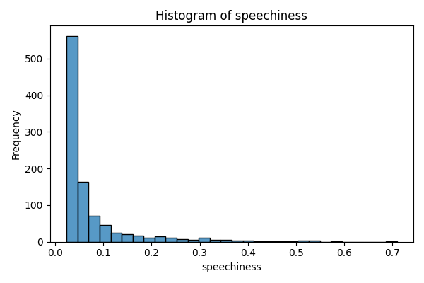
speechiness | count
0.0234 | 1
0.0235 | 1
0.0239 | 1
0.024 | 1
0.0244 | 1
0.0245 | 1
0.0248 | 2
0.0251 | 2
0.0252 | 1
0.0253 | 1
0.0254 | 1
0.0255 | 3
0.0258 | 3
0.0259 | 2
0.026 | 3
0.0261 | 1
0.0262 | 1
0.0263 | 2
0.0264 | 3
0.0265 | 3
0.0266 | 1
0.0267 | 3
0.0268 | 2
0.0269 | 2
0.027 | 3
0.0271 | 1
0.0272 | 3
0.0273 | 1
0.0274 | 3
0.0275 | 1
0.0277 | 6
0.0278 | 2
0.0279 | 2
0.028 | 4
0.0281 | 6
0.0282 | 2
0.0283 | 5
0.0284 | 5
0.0285 | 3
0.0286 | 2
0.0287 | 2
0.0288 | 3
0.0289 | 7
0.029 | 4
0.0291 | 6
0.0292 | 3
0.0293 | 5
0.0294 | 3
0.0295 | 3
0.0296 | 4
0.0297 | 6
0.0298 | 4
0.03 | 4
0.0301 | 3
0.0302 | 2
0.0303 | 2
0.0304 | 3
0.0305 | 5
0.0306 | 5
0.0307 | 4
0.0308 | 2
0.0309 | 2
0.031 | 5
...

tempo
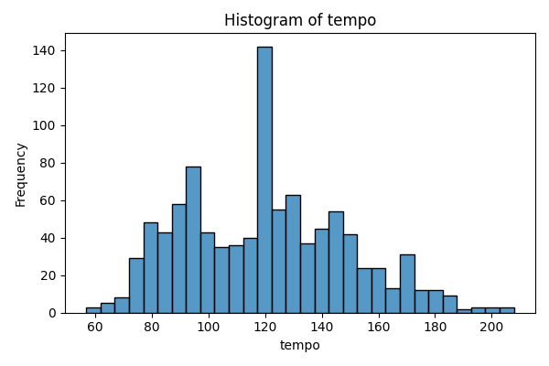
tempo | count
56.855 | 1
60.705 | 1
61.34 | 1
62.44 | 1
62.838 | 1
62.916 | 1
63.827 | 1
65.145 | 1
67.144 | 1
67.153 | 1
67.714 | 1
68.07 | 1
68.323 | 1
70.996 | 1
71.666 | 1
71.806 | 1
72.348 | 1
72.484 | 1
72.774 | 1
72.945 | 1
72.984 | 1
73.007 | 1
73.69 | 1
73.79 | 1
73.949 | 1
73.984 | 1
74.258 | 1
74.668 | 1
74.807 | 1
74.864 | 1
...

valence
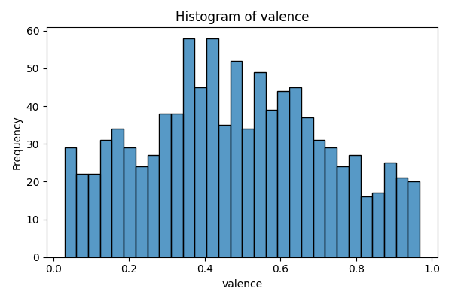
valence | count
0.0298 | 2
0.0311 | 1
0.0323 | 1
0.0331 | 1
0.035 | 1
0.0356 | 1
0.0364 | 1
0.0366 | 1
0.0367 | 1
0.037 | 1
0.0376 | 1
0.038 | 1
0.0383 | 2
0.0388 | 1
0.0389 | 1
0.0433 | 1
0.0446 | 1
0.05 | 1
0.0517 | 1
0.0524 | 1
0.0534 | 1
0.055 | 1
0.0556 | 1
0.0569 | 1
0.0574 | 1
0.06 | 1
0.0602 | 1
0.0653 | 1
0.067 | 1
0.0676 | 1
...

genre
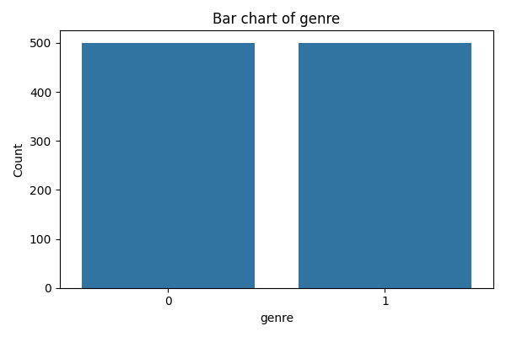
genre | count
0 | 500
1 | 500

is_popular
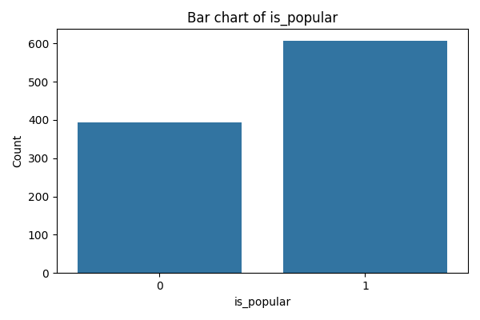
is_popular | count
0 | 393
1 | 607

