overview
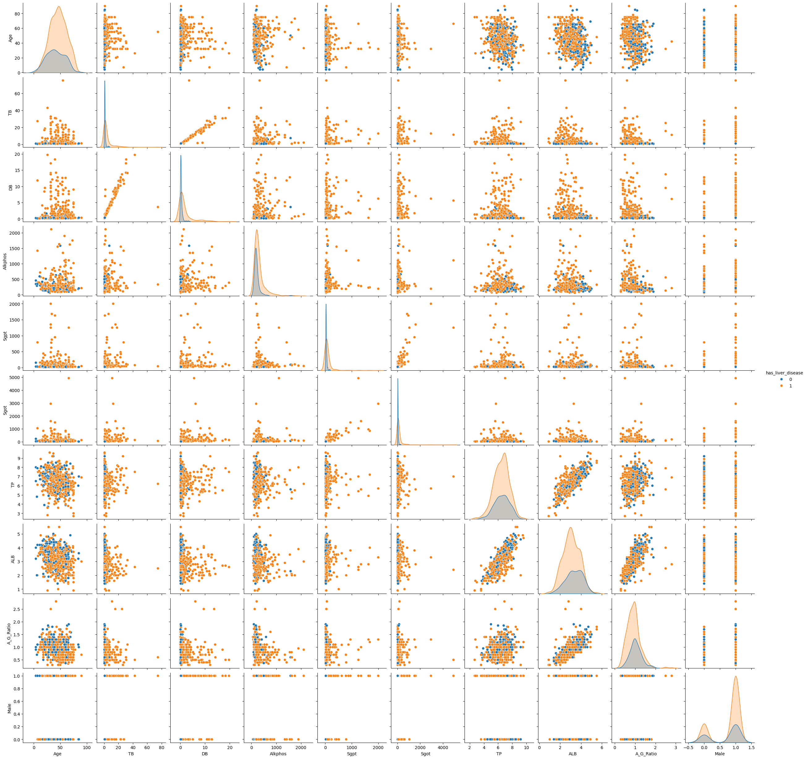
 | count | mean | std | min | 25% | 50% | 75% | max | NUM_MISSING | %_MISSING | NUM_UNIQUE | %_UNIQUE | UNIVARIATE ANALYSIS COMMENTS | MULTIVARIATE ANALYSIS COMMENTS
Age | 583 | 44.75 | 16.19 | 4 | 33 | 45 | 58 | 90 | 0 | 0 | 72 | 0.12
TB | 583 | 3.3 | 6.21 | 0.4 | 0.8 | 1 | 2.6 | 75 | 0 | 0 | 113 | 0.19
DB | 583 | 1.49 | 2.81 | 0.1 | 0.2 | 0.3 | 1.3 | 19.7 | 0 | 0 | 80 | 0.14
Alkphos | 583 | 290.58 | 242.94 | 63 | 175.5 | 208 | 298 | 2110 | 0 | 0 | 263 | 0.45
Sgpt | 583 | 80.71 | 182.62 | 10 | 23 | 35 | 60.5 | 2000 | 0 | 0 | 152 | 0.26
Sgot | 583 | 109.91 | 288.92 | 10 | 25 | 42 | 87 | 4929 | 0 | 0 | 177 | 0.3
TP | 583 | 6.48 | 1.09 | 2.7 | 5.8 | 6.6 | 7.2 | 9.6 | 0 | 0 | 58 | 0.1
ALB | 583 | 3.14 | 0.8 | 0.9 | 2.6 | 3.1 | 3.8 | 5.5 | 0 | 0 | 40 | 0.07
A_G_Ratio | 579 | 0.95 | 0.32 | 0.3 | 0.7 | 0.93 | 1.1 | 2.8 | 4 | 0.01 | 69 | 0.12
has_liver_disease | 583 | 0.71 | 0.45 | 0 | 0 | 1 | 1 | 1 | 0 | 0 | 2 | 0
Male | 583 | 0.76 | 0.43 | 0 | 1 | 1 | 1 | 1 | 0 | 0 | 2 | 0

Age
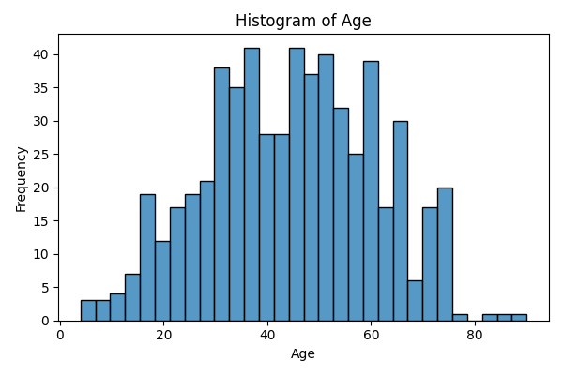
Age | count
4 | 2
6 | 1
7 | 2
8 | 1
10 | 1
11 | 1
12 | 2
13 | 4
14 | 2
15 | 1
16 | 3
17 | 5
18 | 11
19 | 2
20 | 3
21 | 7
22 | 9
23 | 3
24 | 5
25 | 5
26 | 14
27 | 6
28 | 8
29 | 7
30 | 10
31 | 8
32 | 20
33 | 15
34 | 8
35 | 12
36 | 11
37 | 9
38 | 21
39 | 6
40 | 17
41 | 5
42 | 21
43 | 4
44 | 3
45 | 25
46 | 16
47 | 6
48 | 20
49 | 11
50 | 23
51 | 10
52 | 7
53 | 6
54 | 8
55 | 18
56 | 4
57 | 7
58 | 14
60 | 34
61 | 5
62 | 9
63 | 2
64 | 6
65 | 17
66 | 12
67 | 1
68 | 4
69 | 2
70 | 9
72 | 8
73 | 2
74 | 4
75 | 14
78 | 1
84 | 1
85 | 1
90 | 1

TB
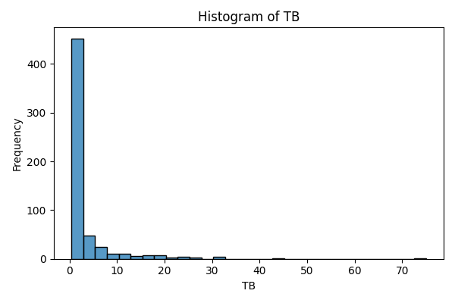
TB | count
0.4 | 1
0.5 | 5
0.6 | 46
0.7 | 77
0.8 | 91
0.9 | 57
1 | 28
1.1 | 19
1.2 | 8
1.3 | 12
1.4 | 13
1.5 | 5
1.6 | 8
1.7 | 11
1.8 | 14
1.9 | 8
2 | 8
2.1 | 4
2.2 | 8
2.3 | 4
2.4 | 5
2.5 | 2
2.6 | 5
2.7 | 9
2.8 | 4
2.9 | 6
3 | 2
3.1 | 2
3.2 | 3
3.3 | 3
3.4 | 1
3.5 | 3
3.6 | 2
3.7 | 3
3.8 | 1
3.9 | 4
4 | 3
4.1 | 2
4.2 | 2
4.4 | 1
4.5 | 2
4.7 | 1
4.9 | 1
5 | 2
5.2 | 1
5.3 | 2
5.5 | 1
5.7 | 1
5.8 | 5
5.9 | 1
6.2 | 1
6.3 | 1
6.6 | 1
6.7 | 2
6.8 | 4
7.1 | 2
7.3 | 3
7.4 | 1
7.5 | 1
7.7 | 1
7.9 | 1
8 | 1
8.2 | 1
8.6 | 1
8.7 | 1
8.9 | 3
9.4 | 1
10.2 | 1
10.6 | 1
10.9 | 2
11 | 1
11.1 | 1
11.3 | 1
11.5 | 1
12.1 | 1
12.7 | 2
14.1 | 1
14.2 | 1
14.5 | 1
14.8 | 1
15 | 1
15.2 | 1
15.6 | 1
15.8 | 1
15.9 | 1
16.4 | 1
16.6 | 1
16.7 | 1
17.3 | 1
17.7 | 1
18 | 1
18.4 | 2
18.5 | 1
19.6 | 1
19.8 | 1
20 | 1
20.2 | 1
22.5 | 1
22.6 | 1
22.7 | 1
22.8 | 1
23 | 1
23.2 | 1
23.3 | 1
25 | 1
26.3 | 1
27.2 | 1
27.7 | 1
30.5 | 2
30.8 | 1
32.6 | 1
42.8 | 1
75 | 1

DB
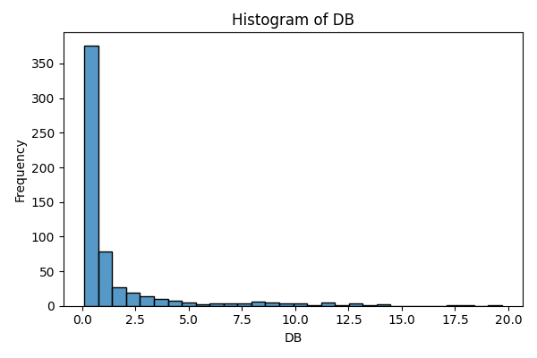
DB | count
0.1 | 63
0.2 | 194
0.3 | 51
0.4 | 21
0.5 | 20
0.6 | 16
0.7 | 11
0.8 | 22
0.9 | 7
1 | 13
1.1 | 7
1.2 | 10
1.3 | 12
1.4 | 7
1.5 | 6
1.6 | 11
1.7 | 2
1.8 | 3
1.9 | 2
2 | 3
2.1 | 4
2.2 | 2
2.3 | 5
2.4 | 1
2.5 | 3
2.6 | 1
2.7 | 3
2.8 | 1
2.9 | 1
3 | 5
3.2 | 6
3.3 | 1
3.6 | 4
3.7 | 2
3.9 | 1
4 | 3
4.1 | 2
4.2 | 1
4.3 | 2
4.5 | 2
4.6 | 1
4.9 | 1
5 | 2
5.1 | 1
5.2 | 1
5.5 | 1
5.6 | 1
6 | 1
6.1 | 1
6.2 | 1
6.4 | 1
7 | 2
7.2 | 1
7.6 | 2
7.7 | 1
7.8 | 1
8.2 | 2
8.4 | 2
8.5 | 2
8.8 | 2
8.9 | 1
9 | 2
9.5 | 3
10 | 1
10.2 | 1
10.4 | 1
10.8 | 1
11.3 | 1
11.4 | 1
11.7 | 1
11.8 | 2
12.1 | 1
12.6 | 2
12.8 | 1
13.7 | 1
14.1 | 1
14.2 | 1
17.1 | 1
18.3 | 1
19.7 | 1

Alkphos
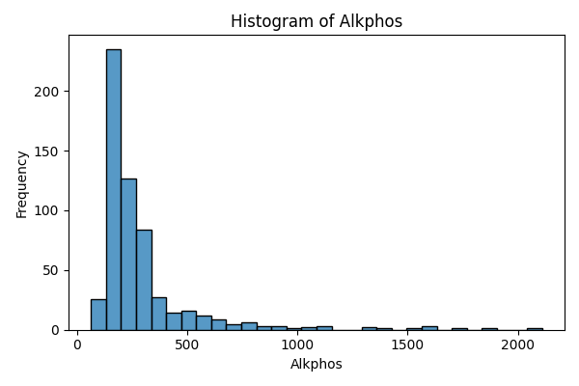
Alkphos | count
63 | 1
75 | 1
90 | 1
92 | 2
97 | 1
98 | 1
100 | 2
102 | 1
103 | 1
105 | 1
106 | 1
108 | 1
110 | 2
114 | 1
115 | 1
116 | 1
120 | 1
123 | 1
125 | 1
127 | 1
128 | 1
130 | 2
134 | 1
135 | 2
137 | 2
138 | 1
140 | 4
142 | 3
143 | 1
144 | 2
145 | 9
146 | 3
147 | 1
148 | 2
149 | 1
150 | 2
151 | 1
152 | 5
153 | 1
154 | 2
155 | 2
156 | 2
157 | 3
158 | 9
159 | 5
160 | 5
161 | 2
162 | 6
163 | 3
164 | 1
165 | 8
166 | 1
167 | 1
168 | 6
169 | 1
170 | 4
171 | 4
172 | 2
173 | 3
174 | 3
175 | 6
176 | 3
177 | 1
178 | 5
179 | 2
180 | 10
181 | 1
182 | 9
183 | 2
184 | 1
185 | 5
186 | 5
187 | 2
188 | 7
189 | 6
190 | 10
191 | 3
192 | 6
193 | 1
194 | 5
195 | 10
196 | 7
197 | 1
198 | 11
199 | 2
200 | 2
201 | 4
202 | 7
204 | 2
205 | 6
206 | 6
208 | 5
209 | 2
210 | 4
211 | 1
212 | 1
214 | 4
215 | 11
216 | 3
218 | 8
219 | 2
220 | 3
224 | 3
225 | 1
226 | 1
227 | 1
228 | 1
230 | 6
231 | 1
232 | 1
234 | 1
235 | 1
236 | 2
237 | 2
238 | 3
239 | 3
240 | 2
243 | 1
245 | 3
246 | 1
247 | 1
248 | 1
250 | 2
251 | 1
253 | 1
254 | 1
256 | 1
257 | 2
258 | 3
259 | 1
260 | 2
262 | 1
263 | 2
265 | 3
268 | 2
269 | 1
270 | 1
271 | 1
272 | 5
275 | 3
276 | 1
279 | 2
280 | 2
282 | 8
285 | 4
286 | 1
289 | 4
290 | 6
292 | 2
293 | 2
298 | 11
300 | 3
302 | 1
305 | 1
308 | 1
309 | 1
310 | 6
312 | 1
314 | 1
315 | 3
316 | 2
320 | 2
326 | 1
331 | 1
332 | 3
335 | 1
340 | 1
342 | 1
348 | 1
349 | 1
350 | 3
352 | 1
356 | 1
358 | 3
360 | 1
365 | 1
367 | 1
374 | 1
375 | 1
380 | 3
386 | 1
388 | 1
390 | 1
392 | 1
395 | 1
400 | 1
401 | 1
405 | 1
406 | 1
410 | 2
415 | 1
418 | 1
430 | 1
450 | 2
458 | 1
460 | 1
462 | 1
466 | 1
470 | 1
480 | 1
482 | 3
486 | 1
490 | 2
498 | 1
500 | 1
505 | 1
509 | 1
512 | 1
515 | 1
518 | 1
527 | 1
538 | 1
542 | 1
554 | 1
555 | 1
558 | 1
560 | 1
562 | 1
574 | 1
575 | 1
580 | 1
588 | 1
592 | 1
599 | 1
610 | 1
612 | 1
614 | 1
621 | 1
630 | 1
650 | 1
661 | 1
664 | 1
670 | 1
680 | 1
686 | 1
690 | 1
699 | 1
719 | 1
750 | 3
768 | 1
802 | 1
805 | 1
850 | 1
859 | 1
862 | 1
901 | 1
915 | 1
950 | 1
962 | 1
1020 | 1
1050 | 1
1100 | 1
1110 | 1
1124 | 1
1350 | 2
1420 | 1
1550 | 1
1580 | 1
1620 | 1
1630 | 1
1750 | 1
1896 | 1
2110 | 1

Sgpt
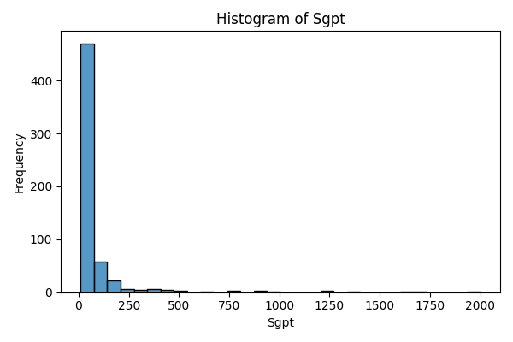
Sgpt | count
10 | 4
11 | 2
12 | 10
13 | 4
14 | 8
15 | 14
16 | 8
17 | 8
18 | 17
19 | 6
20 | 23
21 | 17
22 | 18
23 | 9
24 | 13
25 | 25
26 | 10
27 | 9
28 | 17
29 | 12
30 | 15
31 | 12
32 | 12
33 | 10
34 | 3
35 | 9
36 | 11
37 | 9
38 | 8
39 | 4
40 | 9
41 | 5
42 | 9
43 | 4
44 | 3
45 | 7
46 | 5
47 | 3
48 | 14
49 | 1
50 | 10
51 | 1
52 | 6
53 | 5
54 | 3
55 | 5
56 | 4
57 | 2
58 | 4
59 | 3
60 | 7
61 | 3
62 | 5
63 | 2
64 | 4
65 | 2
67 | 2
68 | 1
69 | 3
70 | 2
71 | 1
72 | 2
74 | 4
75 | 1
76 | 1
78 | 1
79 | 3
80 | 3
82 | 1
84 | 2
85 | 3
86 | 1
88 | 2
89 | 1
90 | 1
91 | 3
93 | 1
94 | 1
95 | 2
96 | 2
97 | 1
99 | 1
102 | 4
107 | 1
110 | 2
112 | 1
114 | 1
115 | 1
116 | 1
118 | 1
119 | 3
120 | 1
123 | 1
126 | 1
131 | 1
132 | 1
133 | 2
137 | 1
139 | 1
140 | 2
141 | 1
142 | 1
148 | 1
149 | 1
152 | 1
154 | 1
155 | 1
157 | 1
159 | 1
160 | 1
166 | 1
168 | 2
173 | 1
178 | 1
179 | 1
181 | 1
189 | 1
190 | 2
194 | 1
196 | 1
198 | 1
205 | 1
213 | 1
220 | 1
230 | 1
232 | 2
233 | 1
284 | 1
308 | 1
321 | 1
322 | 1
349 | 1
378 | 1
382 | 1
390 | 1
404 | 1
407 | 1
412 | 2
425 | 1
440 | 1
482 | 1
509 | 1
622 | 1
779 | 1
790 | 1
875 | 2
950 | 1
1250 | 2
1350 | 1
1630 | 1
1680 | 1
2000 | 1

Sgot
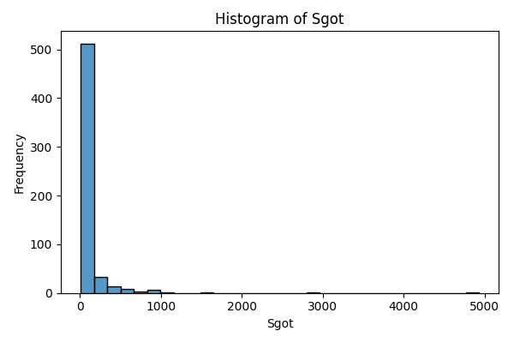
Sgot | count
10 | 1
11 | 2
12 | 5
13 | 3
14 | 8
15 | 11
16 | 9
17 | 8
18 | 9
19 | 11
20 | 14
21 | 14
22 | 13
23 | 16
24 | 12
25 | 13
26 | 9
27 | 8
28 | 13
29 | 11
30 | 14
31 | 8
32 | 12
33 | 7
34 | 12
35 | 8
36 | 5
37 | 4
38 | 5
39 | 7
40 | 11
41 | 7
42 | 9
43 | 7
44 | 6
45 | 4
46 | 4
47 | 5
48 | 5
49 | 1
50 | 4
51 | 4
52 | 2
53 | 5
54 | 7
55 | 2
56 | 5
57 | 6
58 | 9
59 | 4
60 | 1
61 | 2
62 | 3
63 | 2
64 | 1
65 | 3
66 | 6
67 | 2
68 | 5
70 | 3
71 | 2
72 | 1
73 | 3
74 | 2
75 | 2
76 | 1
77 | 1
78 | 1
79 | 3
80 | 3
81 | 1
82 | 2
83 | 2
84 | 1
85 | 1
86 | 2
87 | 4
88 | 4
89 | 1
90 | 4
91 | 1
92 | 5
95 | 2
97 | 1
98 | 1
99 | 1
100 | 1
101 | 1
102 | 1
103 | 2
104 | 2
105 | 2
108 | 3
110 | 1
111 | 2
113 | 3
114 | 1
116 | 1
125 | 2
126 | 1
127 | 2
130 | 1
134 | 1
135 | 1
138 | 3
139 | 2
140 | 4
141 | 2
142 | 1
143 | 2
145 | 2
148 | 1
149 | 1
150 | 1
152 | 2
155 | 1
156 | 1
161 | 1
168 | 1
176 | 1
178 | 2
180 | 2
181 | 1
185 | 1
186 | 2
187 | 1
188 | 1
190 | 2
200 | 1
202 | 1
220 | 1
221 | 1
230 | 1
231 | 2
232 | 1
233 | 1
235 | 1
236 | 1
245 | 2
247 | 1
248 | 1
250 | 1
275 | 1
285 | 1
298 | 1
330 | 1
348 | 1
350 | 2
367 | 1
368 | 1
384 | 1
397 | 1
400 | 1
401 | 1
405 | 1
406 | 1
441 | 1
497 | 1
500 | 1
511 | 1
540 | 1
562 | 1
576 | 1
602 | 1
623 | 1
630 | 2
731 | 2
794 | 1
844 | 1
850 | 4
950 | 1
960 | 1
1050 | 2
1500 | 1
1600 | 1
2946 | 1
4929 | 1

TP
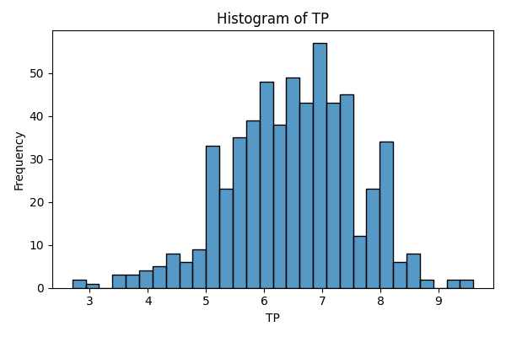
TP | count
2.7 | 1
2.8 | 1
3 | 1
3.6 | 3
3.7 | 1
3.8 | 2
3.9 | 2
4 | 2
4.1 | 2
4.3 | 3
4.4 | 4
4.5 | 4
4.6 | 4
4.7 | 2
4.8 | 3
4.9 | 6
5 | 11
5.1 | 10
5.2 | 12
5.3 | 10
5.4 | 13
5.5 | 17
5.6 | 18
5.7 | 11
5.8 | 14
5.9 | 14
6 | 30
6.1 | 18
6.2 | 24
6.3 | 14
6.4 | 18
6.5 | 15
6.6 | 16
6.7 | 15
6.8 | 28
6.9 | 25
7 | 32
7.1 | 22
7.2 | 21
7.3 | 18
7.4 | 12
7.5 | 15
7.6 | 9
7.7 | 3
7.8 | 9
7.9 | 14
8 | 20
8.1 | 6
8.2 | 8
8.3 | 3
8.4 | 3
8.5 | 5
8.6 | 3
8.7 | 1
8.9 | 1
9.2 | 2
9.5 | 1
9.6 | 1

ALB
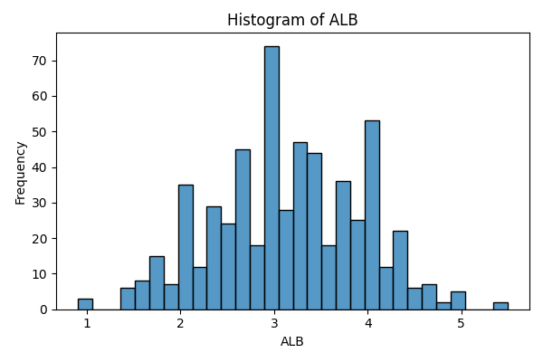
ALB | count
0.9 | 2
1 | 1
1.4 | 3
1.5 | 3
1.6 | 8
1.7 | 3
1.8 | 12
1.9 | 7
2 | 21
2.1 | 14
2.2 | 12
2.3 | 12
2.4 | 17
2.5 | 24
2.6 | 21
2.7 | 24
2.8 | 18
2.9 | 29
3 | 45
3.1 | 28
3.2 | 26
3.3 | 21
3.4 | 21
3.5 | 23
3.6 | 18
3.7 | 21
3.8 | 15
3.9 | 25
4 | 37
4.1 | 16
4.2 | 12
4.3 | 14
4.4 | 8
4.5 | 6
4.6 | 4
4.7 | 3
4.8 | 2
4.9 | 4
5 | 1
5.5 | 2

A_G_Ratio
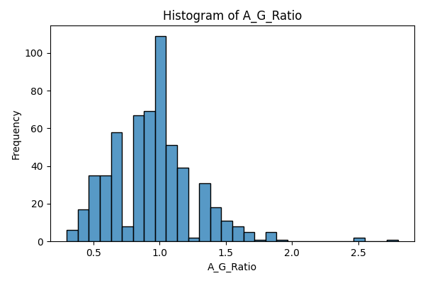
A_G_Ratio | count
0.3 | 4
0.35 | 1
0.37 | 1
0.39 | 1
0.4 | 14
0.45 | 1
0.46 | 1
0.47 | 2
0.48 | 1
0.5 | 29
0.52 | 2
0.53 | 1
0.55 | 1
0.58 | 1
0.6 | 31
0.61 | 1
0.62 | 1
0.64 | 1
0.67 | 1
0.68 | 1
0.69 | 1
0.7 | 53
0.71 | 1
0.74 | 1
0.75 | 4
0.76 | 2
0.78 | 1
0.8 | 65
0.87 | 1
0.88 | 1
0.89 | 1
0.9 | 59
0.92 | 2
0.93 | 2
0.95 | 2
0.96 | 3
0.97 | 1
1 | 106
1.02 | 1
1.03 | 1
1.06 | 2
1.09 | 1
1.1 | 46
1.11 | 1
1.12 | 1
1.16 | 2
1.18 | 2
1.2 | 35
1.25 | 1
1.27 | 1
1.3 | 25
1.34 | 2
1.36 | 1
1.38 | 3
1.39 | 1
1.4 | 17
1.5 | 10
1.51 | 1
1.55 | 1
1.58 | 2
1.6 | 5
1.66 | 1
1.7 | 4
1.72 | 1
1.8 | 3
1.85 | 2
1.9 | 1
2.5 | 2
2.8 | 1

has_liver_disease
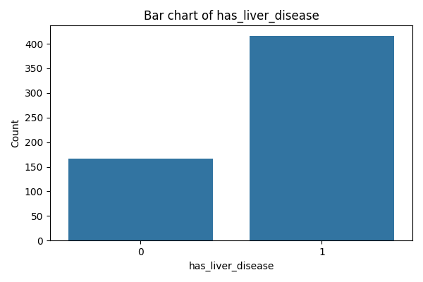
has_liver_disease | count
0 | 167
1 | 416

Male
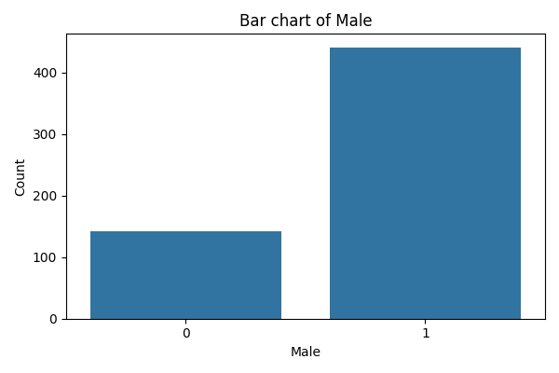
Male | count
0 | 142
1 | 441

