overview
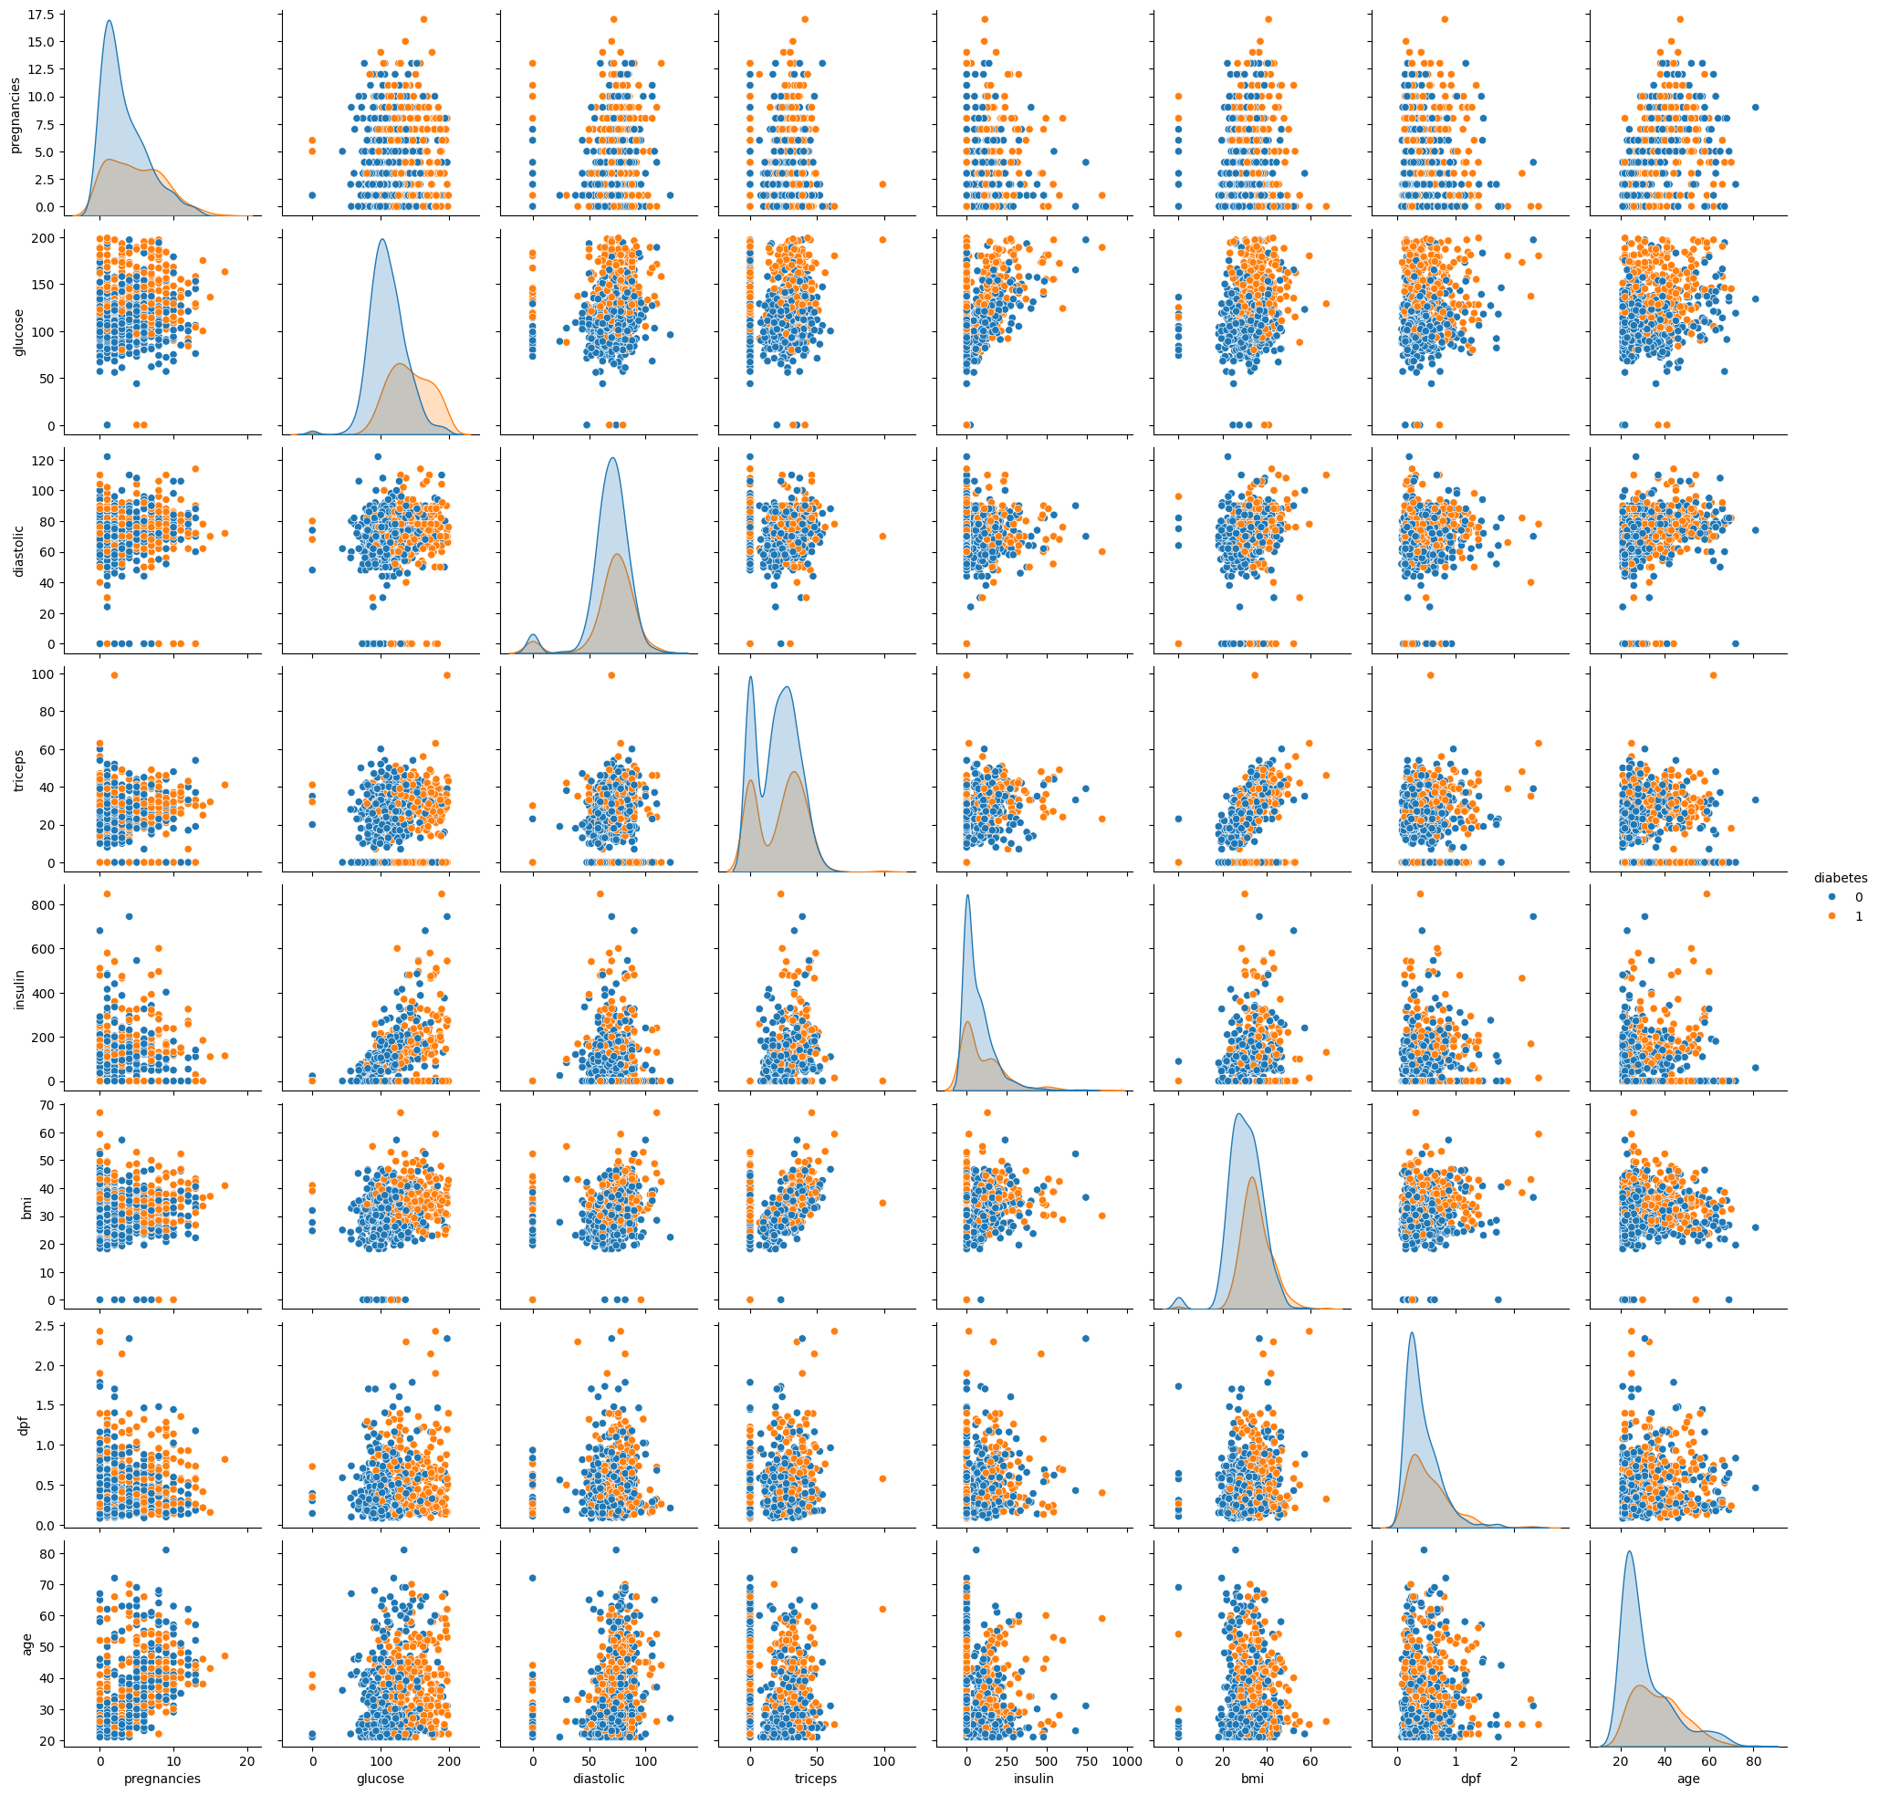
 | count | mean | std | min | 25% | 50% | 75% | max | NUM_MISSING | %_MISSING | NUM_UNIQUE | %_UNIQUE | UNIVARIATE ANALYSIS COMMENTS | MULTIVARIATE ANALYSIS COMMENTS
pregnancies | 768 | 3.85 | 3.37 | 0 | 1 | 3 | 6 | 17 | 0 | 0 | 17 | 0.02
glucose | 768 | 120.89 | 31.97 | 0 | 99 | 117 | 140.25 | 199 | 0 | 0 | 136 | 0.18
diastolic | 768 | 69.11 | 19.36 | 0 | 62 | 72 | 80 | 122 | 0 | 0 | 47 | 0.06
triceps | 768 | 20.54 | 15.95 | 0 | 0 | 23 | 32 | 99 | 0 | 0 | 51 | 0.07
insulin | 768 | 79.8 | 115.24 | 0 | 0 | 30.5 | 127.25 | 846 | 0 | 0 | 186 | 0.24
bmi | 768 | 31.99 | 7.88 | 0 | 27.3 | 32 | 36.6 | 67.1 | 0 | 0 | 248 | 0.32
dpf | 768 | 0.47 | 0.33 | 0.08 | 0.24 | 0.37 | 0.63 | 2.42 | 0 | 0 | 517 | 0.67
age | 768 | 33.24 | 11.76 | 21 | 24 | 29 | 41 | 81 | 0 | 0 | 52 | 0.07
diabetes | 768 | 0.35 | 0.48 | 0 | 0 | 0 | 1 | 1 | 0 | 0 | 2 | 0

pregnancies
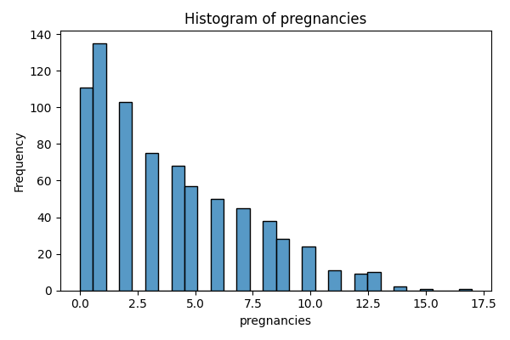
pregnancies | count
0 | 111
1 | 135
2 | 103
3 | 75
4 | 68
5 | 57
6 | 50
7 | 45
8 | 38
9 | 28
10 | 24
11 | 11
12 | 9
13 | 10
14 | 2
15 | 1
17 | 1

glucose
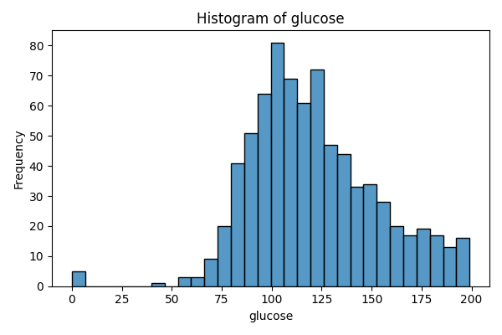
glucose | count
0 | 5
44 | 1
56 | 1
57 | 2
61 | 1
62 | 1
65 | 1
67 | 1
68 | 3
71 | 4
72 | 1
73 | 3
74 | 4
75 | 2
76 | 2
77 | 2
78 | 4
79 | 3
80 | 6
81 | 6
82 | 3
83 | 6
84 | 10
85 | 7
86 | 3
87 | 7
88 | 9
89 | 6
90 | 11
91 | 9
92 | 9
93 | 7
94 | 7
95 | 13
96 | 8
97 | 9
98 | 3
99 | 17
100 | 17
101 | 9
102 | 13
103 | 9
104 | 6
105 | 13
106 | 14
107 | 11
108 | 13
109 | 12
110 | 6
111 | 14
112 | 13
113 | 5
114 | 11
115 | 10
116 | 7
117 | 11
118 | 6
119 | 11
120 | 11
121 | 6
122 | 12
123 | 9
124 | 11
125 | 14
126 | 9
127 | 5
128 | 11
129 | 14
130 | 7
131 | 5
132 | 5
133 | 5
134 | 6
135 | 4
136 | 8
137 | 8
138 | 5
139 | 8
140 | 5
141 | 5
142 | 5
143 | 6
144 | 7
145 | 5
146 | 9
147 | 7
148 | 4
149 | 1
150 | 3
151 | 6
152 | 4
153 | 2
154 | 6
155 | 5
156 | 3
157 | 2
158 | 8
159 | 2
160 | 1
161 | 3
162 | 6
163 | 3
164 | 3
165 | 4
166 | 3
167 | 3
168 | 4
169 | 1
170 | 2
171 | 3
172 | 1
173 | 6
174 | 2
175 | 2
176 | 2
177 | 1
178 | 1
179 | 5
180 | 5
181 | 5
182 | 1
183 | 3
184 | 3
186 | 1
187 | 4
188 | 2
189 | 4
190 | 1
191 | 1
193 | 2
194 | 3
195 | 2
196 | 3
197 | 4
198 | 1
199 | 1

diastolic
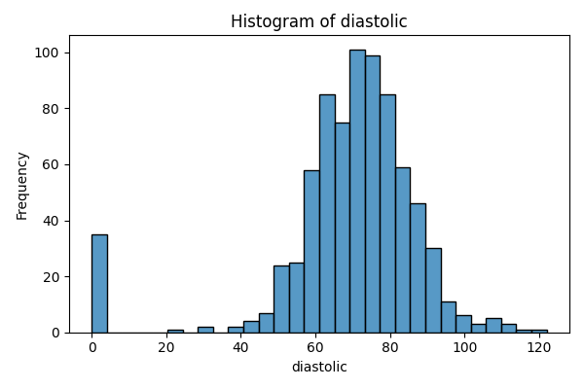
diastolic | count
0 | 35
24 | 1
30 | 2
38 | 1
40 | 1
44 | 4
46 | 2
48 | 5
50 | 13
52 | 11
54 | 11
55 | 2
56 | 12
58 | 21
60 | 37
61 | 1
62 | 34
64 | 43
65 | 7
66 | 30
68 | 45
70 | 57
72 | 44
74 | 52
75 | 8
76 | 39
78 | 45
80 | 40
82 | 30
84 | 23
85 | 6
86 | 21
88 | 25
90 | 22
92 | 8
94 | 6
95 | 1
96 | 4
98 | 3
100 | 3
102 | 1
104 | 2
106 | 3
108 | 2
110 | 3
114 | 1
122 | 1

triceps
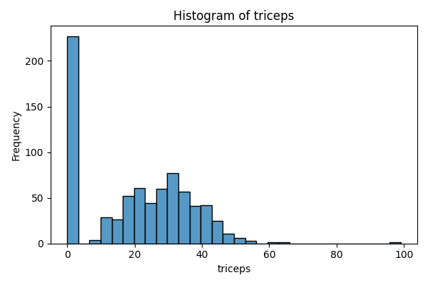
triceps | count
0 | 227
7 | 2
8 | 2
10 | 5
11 | 6
12 | 7
13 | 11
14 | 6
15 | 14
16 | 6
17 | 14
18 | 20
19 | 18
20 | 13
21 | 10
22 | 16
23 | 22
24 | 12
25 | 16
26 | 16
27 | 23
28 | 20
29 | 17
30 | 27
31 | 19
32 | 31
33 | 20
34 | 8
35 | 15
36 | 14
37 | 16
38 | 7
39 | 18
40 | 16
41 | 15
42 | 11
43 | 6
44 | 5
45 | 6
46 | 8
47 | 4
48 | 4
49 | 3
50 | 3
51 | 1
52 | 2
54 | 2
56 | 1
60 | 1
63 | 1
99 | 1

insulin
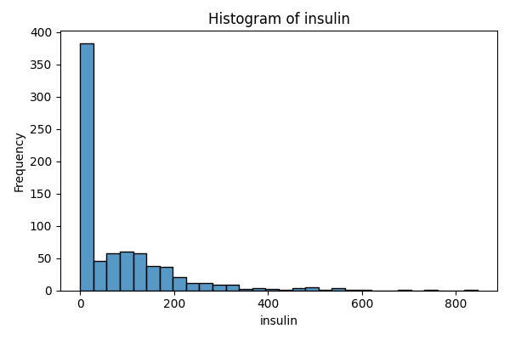
insulin | count
0 | 374
14 | 1
15 | 1
16 | 1
18 | 2
22 | 1
23 | 2
25 | 1
29 | 1
32 | 1
36 | 3
37 | 2
38 | 1
40 | 2
41 | 1
42 | 1
43 | 1
44 | 3
45 | 3
46 | 1
48 | 3
49 | 5
50 | 3
51 | 1
52 | 1
53 | 2
54 | 4
55 | 2
56 | 5
57 | 2
58 | 2
59 | 1
60 | 2
61 | 1
63 | 3
64 | 4
65 | 1
66 | 5
67 | 2
68 | 1
70 | 3
71 | 4
72 | 1
73 | 1
74 | 3
75 | 3
76 | 5
77 | 2
78 | 2
79 | 2
81 | 1
82 | 3
83 | 3
84 | 1
85 | 2
86 | 1
87 | 2
88 | 4
89 | 1
90 | 4
91 | 1
92 | 3
94 | 7
95 | 2
96 | 2
99 | 2
100 | 7
105 | 11
106 | 3
108 | 1
110 | 6
112 | 1
114 | 2
115 | 6
116 | 2
119 | 1
120 | 8
122 | 2
125 | 4
126 | 3
127 | 1
128 | 1
129 | 1
130 | 9
132 | 2
135 | 6
140 | 9
142 | 1
144 | 2
145 | 3
146 | 1
148 | 2
150 | 2
152 | 2
155 | 4
156 | 3
158 | 2
159 | 1
160 | 4
165 | 4
166 | 1
167 | 2
168 | 4
170 | 2
171 | 1
175 | 3
176 | 3
178 | 1
180 | 7
182 | 3
183 | 1
184 | 1
185 | 2
188 | 1
190 | 4
191 | 1
192 | 2
193 | 1
194 | 3
196 | 1
200 | 4
204 | 1
205 | 2
207 | 2
210 | 5
215 | 3
220 | 2
225 | 2
228 | 1
230 | 2
231 | 2
235 | 1
237 | 1
240 | 2
245 | 1
249 | 1
250 | 1
255 | 1
258 | 1
265 | 2
270 | 1
271 | 1
272 | 1
274 | 1
275 | 1
277 | 1
278 | 1
280 | 1
284 | 1
285 | 2
291 | 1
293 | 2
300 | 1
304 | 1
310 | 1
318 | 1
321 | 1
325 | 3
326 | 1
328 | 1
330 | 1
335 | 1
342 | 1
360 | 1
370 | 1
375 | 1
387 | 1
392 | 1
402 | 1
415 | 1
440 | 1
465 | 1
474 | 1
478 | 1
480 | 2
485 | 1
495 | 2
510 | 1
540 | 1
543 | 1
545 | 1
579 | 1
600 | 1
680 | 1
744 | 1
846 | 1

bmi
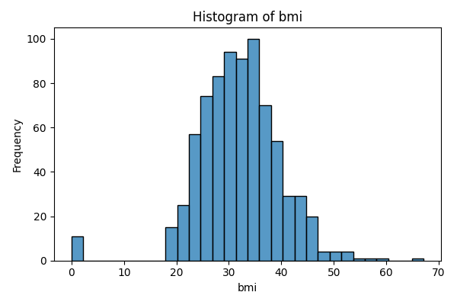
bmi | count
0 | 11
18.2 | 3
18.4 | 1
19.1 | 1
19.3 | 1
19.4 | 1
19.5 | 2
19.6 | 3
19.9 | 1
20 | 1
20.1 | 1
20.4 | 2
20.8 | 2
21 | 2
21.1 | 4
21.2 | 1
21.7 | 1
21.8 | 5
21.9 | 3
22.1 | 2
22.2 | 2
22.3 | 1
22.4 | 2
22.5 | 3
22.6 | 2
22.7 | 1
22.9 | 2
23 | 2
23.1 | 4
23.2 | 3
23.3 | 2
23.4 | 1
23.5 | 3
23.6 | 3
23.7 | 2
23.8 | 2
23.9 | 2
24 | 4
24.1 | 1
24.2 | 6
24.3 | 4
24.4 | 3
24.5 | 1
24.6 | 4
24.7 | 5
24.8 | 3
24.9 | 1
25 | 6
25.1 | 3
25.2 | 6
25.3 | 2
25.4 | 4
25.5 | 2
25.6 | 6
25.8 | 2
25.9 | 7
26 | 4
26.1 | 3
26.2 | 4
26.3 | 1
26.4 | 3
26.5 | 3
26.6 | 4
26.7 | 1
26.8 | 4
26.9 | 1
27 | 2
27.1 | 3
27.2 | 2
27.3 | 4
27.4 | 5
27.5 | 5
27.6 | 7
27.7 | 4
27.8 | 7
27.9 | 2
28 | 5
28.1 | 1
28.2 | 2
28.3 | 2
28.4 | 6
28.5 | 3
28.6 | 2
28.7 | 7
28.8 | 2
28.9 | 6
29 | 5
29.2 | 1
29.3 | 5
29.5 | 5
29.6 | 4
29.7 | 8
29.8 | 3
29.9 | 5
30 | 7
30.1 | 9
30.2 | 1
30.3 | 1
30.4 | 7
30.5 | 7
30.7 | 1
30.8 | 9
30.9 | 5
31 | 2
31.1 | 1
31.2 | 12
31.3 | 1
31.6 | 12
31.9 | 2
32 | 13
32.1 | 1
32.2 | 1
32.3 | 3
32.4 | 10
32.5 | 6
32.6 | 1
32.7 | 3
32.8 | 9
32.9 | 9
33.1 | 3
33.2 | 7
33.3 | 10
33.5 | 1
33.6 | 8
33.7 | 5
33.8 | 5
33.9 | 2
34 | 6
34.1 | 4
34.2 | 8
34.3 | 6
34.4 | 4
34.5 | 5
34.6 | 5
34.7 | 4
34.8 | 2
34.9 | 6
35 | 4
35.1 | 3
35.2 | 2
35.3 | 4
35.4 | 4
35.5 | 7
35.6 | 2
35.7 | 4
35.8 | 5
35.9 | 5
36 | 2
36.1 | 3
36.2 | 1
36.3 | 3
36.4 | 2
36.5 | 4
36.6 | 5
36.7 | 1
36.8 | 6
36.9 | 3
37 | 1
37.1 | 2
37.2 | 4
37.3 | 1
37.4 | 3
37.5 | 2
37.6 | 5
37.7 | 5
37.8 | 3
37.9 | 2
38 | 2
38.1 | 3
38.2 | 4
38.3 | 1
38.4 | 2
38.5 | 6
38.6 | 1
38.7 | 3
38.8 | 1
38.9 | 1
39 | 4
39.1 | 4
39.2 | 2
39.3 | 1
39.4 | 7
39.5 | 3
39.6 | 1
39.7 | 1
39.8 | 2
39.9 | 3
40 | 2
40.1 | 1
40.2 | 1
40.5 | 3
40.6 | 4
40.7 | 1
40.8 | 1
40.9 | 2
41 | 1
41.2 | 1
41.3 | 3
41.5 | 2
41.8 | 1
42 | 1
42.1 | 2
42.2 | 1
42.3 | 3
42.4 | 3
42.6 | 1
42.7 | 2
42.8 | 1
42.9 | 4
43.1 | 1
43.2 | 1
43.3 | 5
43.4 | 2
43.5 | 2
43.6 | 2
44 | 2
44.1 | 1
44.2 | 2
44.5 | 2
44.6 | 1
45 | 1
45.2 | 1
45.3 | 3
45.4 | 1
45.5 | 1
45.6 | 2
45.7 | 1
45.8 | 1
46.1 | 2
46.2 | 2
46.3 | 1
46.5 | 1
46.7 | 1
46.8 | 2
47.9 | 2
48.3 | 1
48.8 | 1
49.3 | 1
49.6 | 1
49.7 | 1
50 | 1
52.3 | 2
52.9 | 1
53.2 | 1
55 | 1
57.3 | 1
59.4 | 1
67.1 | 1

dpf
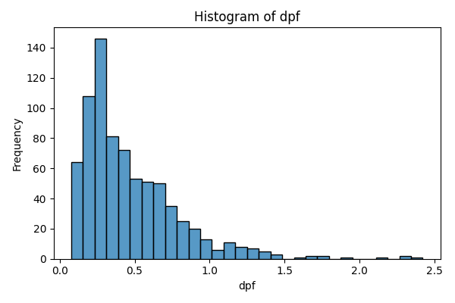
dpf | count
0.078 | 1
0.084 | 1
0.085 | 2
0.088 | 2
0.089 | 1
0.092 | 1
0.096 | 1
0.1 | 1
0.101 | 1
0.102 | 1
0.107 | 1
0.108 | 1
0.115 | 1
0.118 | 1
0.121 | 2
0.122 | 1
0.123 | 1
0.126 | 2
0.127 | 2
0.128 | 2
0.129 | 2
0.13 | 1
0.133 | 1
0.134 | 2
0.135 | 1
0.136 | 1
0.137 | 2
0.138 | 1
0.14 | 2
0.141 | 3
0.142 | 3
0.143 | 2
0.144 | 1
0.145 | 1
0.147 | 1
0.148 | 3
0.149 | 1
0.15 | 2
0.151 | 3
0.153 | 2
0.154 | 1
0.155 | 1
0.156 | 1
0.157 | 1
0.158 | 2
0.159 | 2
0.16 | 1
0.161 | 2
0.162 | 1
0.163 | 1
0.164 | 2
0.165 | 3
0.166 | 1
0.167 | 4
0.17 | 1
0.171 | 1
0.173 | 1
0.174 | 1
0.175 | 1
0.176 | 1
0.177 | 1
0.178 | 3
0.179 | 1
0.18 | 2
0.181 | 1
0.182 | 1
0.183 | 2
0.186 | 1
0.187 | 3
0.188 | 1
0.189 | 2
0.19 | 4
0.191 | 2
0.192 | 2
0.194 | 1
0.196 | 1
0.197 | 4
0.198 | 2
0.199 | 1
0.2 | 3
0.201 | 1
0.203 | 2
0.204 | 2
0.205 | 3
0.206 | 2
0.207 | 5
0.209 | 2
0.21 | 1
0.212 | 2
0.215 | 1
0.217 | 1
0.218 | 2
0.219 | 2
0.22 | 1
0.221 | 1
0.222 | 1
0.223 | 2
0.225 | 1
0.226 | 1
0.227 | 1
0.229 | 1
0.23 | 2
0.231 | 2
0.232 | 1
0.233 | 2
0.234 | 2
0.235 | 3
0.236 | 3
0.237 | 4
0.238 | 5
0.239 | 1
0.24 | 2
0.241 | 1
0.243 | 1
0.244 | 2
0.245 | 4
0.246 | 1
0.247 | 2
0.248 | 2
0.249 | 2
0.251 | 2
0.252 | 2
0.253 | 1
0.254 | 6
0.255 | 1
0.256 | 3
0.257 | 3
0.258 | 6
0.259 | 5
0.26 | 4
0.261 | 5
0.262 | 2
0.263 | 4
0.264 | 1
0.265 | 1
0.267 | 2
0.268 | 5
0.269 | 2
0.27 | 4
0.271 | 1
0.272 | 1
0.277 | 1
0.278 | 2
0.279 | 1
0.28 | 3
0.282 | 2
0.283 | 1
0.284 | 4
0.285 | 2
0.286 | 2
0.287 | 1
0.289 | 2
0.29 | 2
0.292 | 3
0.293 | 2
0.294 | 3
0.295 | 1
0.296 | 1
0.297 | 1
0.299 | 4
0.3 | 1
0.302 | 2
0.303 | 1
0.304 | 4
0.305 | 3
0.306 | 2
0.307 | 1
0.313 | 2
0.314 | 2
0.315 | 2
0.317 | 1
0.318 | 1
0.319 | 1
0.323 | 2
0.324 | 2
0.325 | 1
0.326 | 2
0.328 | 2
0.329 | 1
0.33 | 1
0.331 | 1
0.332 | 1
0.334 | 2
0.335 | 1
0.336 | 2
0.337 | 3
0.338 | 1
0.34 | 3
0.341 | 1
0.342 | 2
0.343 | 2
0.344 | 2
0.345 | 1
0.346 | 1
0.347 | 1
0.349 | 3
0.351 | 1
0.352 | 1
0.355 | 1
0.356 | 2
0.358 | 1
0.361 | 2
0.362 | 1
0.364 | 2
0.365 | 2
0.366 | 1
0.368 | 2
0.37 | 2
0.371 | 1
0.374 | 1
0.375 | 1
0.376 | 1
0.378 | 2
0.38 | 2
0.381 | 1
0.382 | 1
0.383 | 1
0.385 | 1
0.388 | 1
0.389 | 3
0.391 | 3
0.393 | 1
0.394 | 1
0.395 | 1
0.396 | 1
0.398 | 1
0.399 | 1
0.4 | 2
0.401 | 1
0.402 | 2
0.403 | 2
0.404 | 1
0.407 | 2
0.408 | 1
0.409 | 1
0.411 | 1
0.412 | 2
0.415 | 2
0.416 | 1
0.417 | 1
0.419 | 1
0.42 | 1
0.421 | 1
0.422 | 3
0.423 | 1
0.426 | 1
0.427 | 1
0.43 | 2
0.431 | 1
0.432 | 1
0.433 | 2
0.434 | 2
0.435 | 1
0.439 | 2
0.441 | 1
0.443 | 3
0.444 | 2
0.446 | 1
0.447 | 1
0.451 | 1
0.452 | 3
0.453 | 1
0.454 | 1
0.455 | 2
0.457 | 1
0.46 | 1
0.463 | 1
0.464 | 1
0.465 | 1
0.466 | 2
0.467 | 1
0.471 | 2
0.472 | 1
0.479 | 1
0.482 | 1
0.483 | 1
0.484 | 1
0.485 | 1
0.487 | 1
0.488 | 1
0.491 | 1
0.493 | 1
0.495 | 1
0.496 | 3
0.497 | 2
0.498 | 1
0.499 | 1
0.501 | 1
0.502 | 1
0.503 | 1
0.507 | 1
0.509 | 1
0.51 | 1
0.512 | 1
0.514 | 2
0.515 | 1
0.516 | 1
0.52 | 3
0.525 | 1
0.526 | 1
0.527 | 2
0.528 | 2
0.529 | 1
0.532 | 1
0.534 | 1
0.536 | 2
0.537 | 1
0.539 | 1
0.542 | 2
0.543 | 2
0.545 | 1
0.546 | 1
0.547 | 1
0.549 | 1
0.551 | 4
0.554 | 1
0.557 | 2
0.559 | 2
0.56 | 1
0.561 | 1
0.564 | 1
0.565 | 1
0.569 | 1
0.571 | 1
0.572 | 1
0.575 | 1
0.578 | 1
0.58 | 1
0.582 | 2
0.583 | 3
0.586 | 2
0.587 | 3
0.588 | 1
0.591 | 2
0.593 | 1
0.595 | 1
0.597 | 1
0.598 | 1
0.6 | 2
0.601 | 1
0.605 | 2
0.607 | 1
0.61 | 1
0.612 | 1
0.613 | 1
0.614 | 1
0.615 | 1
0.619 | 1
0.624 | 1
0.626 | 1
0.627 | 1
0.629 | 1
0.63 | 1
0.631 | 1
0.637 | 2
0.64 | 2
0.645 | 1
0.646 | 1
0.647 | 2
0.649 | 1
0.652 | 2
0.654 | 2
0.655 | 1
0.658 | 1
0.66 | 2
0.661 | 1
0.665 | 1
0.666 | 1
0.672 | 1
0.673 | 1
0.674 | 2
0.677 | 1
0.678 | 2
0.68 | 1
0.682 | 1
0.686 | 2
0.687 | 4
0.692 | 4
0.693 | 1
0.695 | 1
0.696 | 1
0.698 | 1
0.699 | 1
0.702 | 1
0.703 | 1
0.704 | 1
0.705 | 1
0.709 | 1
0.711 | 1
0.717 | 1
0.718 | 1
0.719 | 1
0.721 | 1
0.722 | 1
0.725 | 1
0.727 | 2
0.73 | 1
0.731 | 1
0.732 | 1
0.733 | 2
0.734 | 1
0.735 | 1
0.738 | 1
0.741 | 1
0.742 | 1
0.743 | 1
0.744 | 1
0.745 | 1
0.748 | 1
0.757 | 1
0.759 | 1
0.761 | 2
0.766 | 1
0.767 | 1
0.771 | 1
0.773 | 1
0.785 | 1
0.787 | 2
0.801 | 1
0.803 | 1
0.804 | 1
0.805 | 1
0.808 | 1
0.813 | 1
0.816 | 1
0.817 | 1
0.821 | 1
0.825 | 1
0.826 | 1
0.828 | 1
0.831 | 1
0.832 | 1
0.833 | 1
0.839 | 2
0.84 | 1
0.845 | 1
0.851 | 1
0.855 | 1
0.856 | 1
0.867 | 1
0.871 | 1
0.874 | 1
0.875 | 2
0.878 | 1
0.88 | 1
0.881 | 1
0.886 | 1
0.892 | 1
0.893 | 1
0.904 | 1
0.905 | 2
0.917 | 1
0.925 | 1
0.926 | 1
0.93 | 1
0.932 | 1
0.933 | 1
0.944 | 1
0.947 | 1
0.949 | 1
0.955 | 1
0.956 | 1
0.962 | 2
0.966 | 1
0.968 | 2
0.97 | 1
0.997 | 1
1.001 | 1
1.021 | 1
1.022 | 1
1.034 | 1
1.057 | 1
1.072 | 1
1.076 | 1
1.095 | 1
1.096 | 1
1.101 | 1
1.114 | 1
1.127 | 1
1.136 | 1
1.138 | 1
1.144 | 1
1.154 | 1
1.159 | 1
1.162 | 1
1.174 | 1
1.182 | 1
1.189 | 1
1.191 | 1
1.213 | 1
1.222 | 1
1.224 | 2
1.251 | 1
1.258 | 1
1.268 | 1
1.282 | 1
1.292 | 1
1.318 | 1
1.321 | 1
1.353 | 1
1.39 | 1
1.391 | 1
1.394 | 1
1.4 | 1
1.441 | 1
1.461 | 1
1.476 | 1
1.6 | 1
1.698 | 1
1.699 | 1
1.731 | 1
1.781 | 1
1.893 | 1
2.137 | 1
2.288 | 1
2.329 | 1
2.42 | 1

age
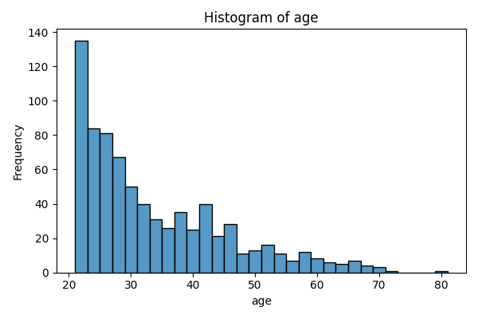
age | count
21 | 63
22 | 72
23 | 38
24 | 46
25 | 48
26 | 33
27 | 32
28 | 35
29 | 29
30 | 21
31 | 24
32 | 16
33 | 17
34 | 14
35 | 10
36 | 16
37 | 19
38 | 16
39 | 12
40 | 13
41 | 22
42 | 18
43 | 13
44 | 8
45 | 15
46 | 13
47 | 6
48 | 5
49 | 5
50 | 8
51 | 8
52 | 8
53 | 5
54 | 6
55 | 4
56 | 3
57 | 5
58 | 7
59 | 3
60 | 5
61 | 2
62 | 4
63 | 4
64 | 1
65 | 3
66 | 4
67 | 3
68 | 1
69 | 2
70 | 1
72 | 1
81 | 1

diabetes
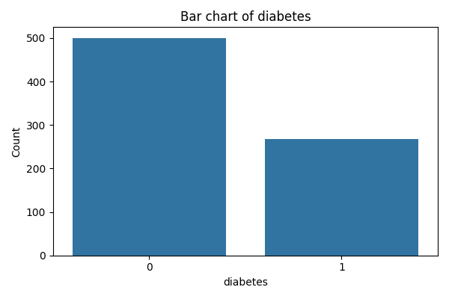
diabetes | count
0 | 500
1 | 268

