Sheet1
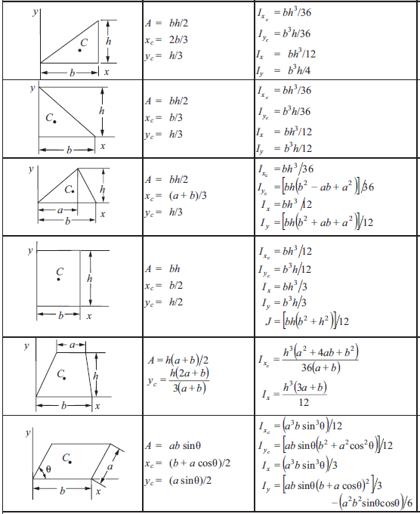

b | 0.35
h | 0.15

b | 0.70
h | 0.20

a | 1.50
b | 2.20
h | 1.50

b | 3.00
h | 5.00

a | 0.75
b | 2.25
h | 1.30

a | 1.50
b | 2.50
θ | 45°

Sheet2
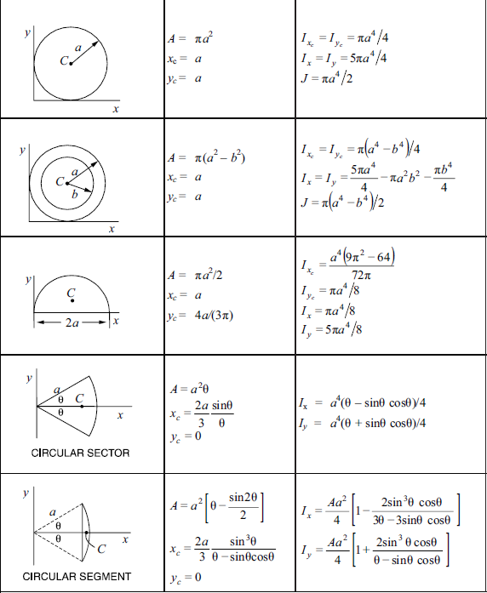

a | 1.20

a | 3.10
b | 3.00

a | 0.75

a | 0.60
θ | 30°

a | 0.45
θ | 17.5°

Sheet3
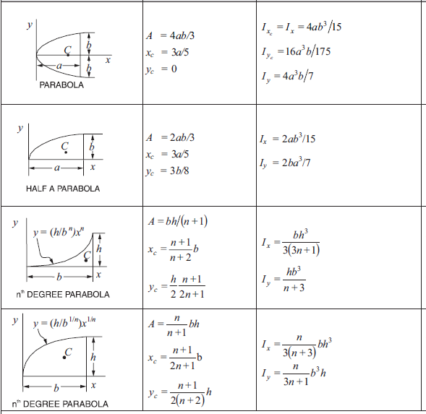
a | 1.40
b | 0.15

a | 2.75
b | 0.35

b | 2.50
h | 0.75
n | 2.00

b | 2.50
h | 1.50
n | 2.00

