Introductionand and copyright
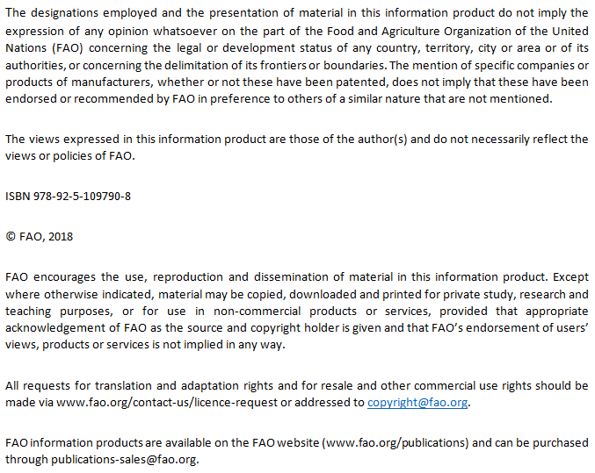
FAO/INFOODS/IZiNCG Global Food Composition Database for Phytate, version 1.0 (PhyFoodComp1.0)
FAO/IZiNCG © February 2018

Prepared by: Sergio Dahdouh, Fernanda Grande, Sarah Nájera Espinosa, Morgane Fialon, Anna Vincent, Rosalind Gibson, Janet King, Doris Rittenschober & U. Ruth Charrondiere

Cite as: FAO/IZiNCG, 2018. FAO/INFOODS/IZiNCG Global Food Composition Database for Phytate Version 1.0 - PhyFoodComp 1.0. Rome, Italy

The User Guide of PhyFoodComp 1.0 is available online at http://www.fao.org/infoods/infoods/tables-and-databases/faoinfoods-databases/en/

 | Structure of PhyFoodComp 1.0

 | Datasheet | Description
 | Introduction and copyright | Gives an introduction to the database, including information on copyright and disclaimer
 | Codes | Gives an overview of all the codes, acronyms and abreviations included in the PhyFoodComp datasheets (sheets 01 Cereals and their products - 19 Complex recipes) listing type, processing/influencing factors, other abreviations used and compilers
 | Components | Gives an overview of all the components covered by the PhyFoodComp datasheets (sheets 01-19), listing INFOODS tagnames, descriptions and the units used
 | Food groups | Presents the adapted 'Food groups for simple indicators' classification system developed by the FAO/WHO GIFT platform that is used in PhyFoodComp
 | 01 Cereals and their products | Presents compiled values for the components considered per 100 g EP for cereals and their products (raw and processed)
 | 02 Roots, tubers, plantains and their products | Presents compiled values for the components considered per 100 g EP for roots, tubers, plantains and their products (raw and processed)
 | 03 Legumes and their products | Presents compiled values for the components considered per 100 g EP for legumes and their products (raw and processed)
 | 04 Vegetables and their products | Presents compiled values for the components considered per 100 g EP for vegetables and their products (raw and processed)
 | 05 Fruits and their products | Presents compiled values for the components considered per 100 g EP for fruits and their products (raw and processed)
 | 06 Seeds, nuts and their products | Presents compiled values for the components considered per 100 g EP for seeds, nuts and their products (raw and processed)
 | 07 Meat | Presents compiled values for the components considered per 100 g EP for meat
 | 08 Insects and grubs | Presents compiled values for the components considered per 100 g EP for insects and grubs
 | 10 Fish and shellfish | Presents compiled values for the components considered per 100 g EP for fish and shellfish
 | 11 Milk and milk products | Presents compiled values for the components considered per 100 g EP for milk and milk products
 | 12 Fats and oils | Presents compiled values for the components considered per 100 g EP for fats and oils
 | 13 Beverages | Presents compiled values for the components considered per 100 g EP for beverages
 | 14 Sweets and sugars | Presents compiled values for the components considered per 100 g EP for sweets and sugars
 | 15 Spices, herbs and condiments | Presents compiled values for the components considered per 100 g EP for spices and condiments
 | 16 Foods for particular nutritional uses | Presents compiled values for the components considered per 100 g EP for foods for particular nutritional uses
 | 17 Food suplements and similar | Presents compiled values for the components considered per 100 g EP for food suplements and similar
 | 18 Food additives | Presents compiled values for the components considered per 100 g EP for food additives
 | 19 Complex recipes | Presents compiled values for the components considered per 100 g EP for complex recipes
 | Bibliography | Presents the entire reference list with the corresponding IDs

