Schedules
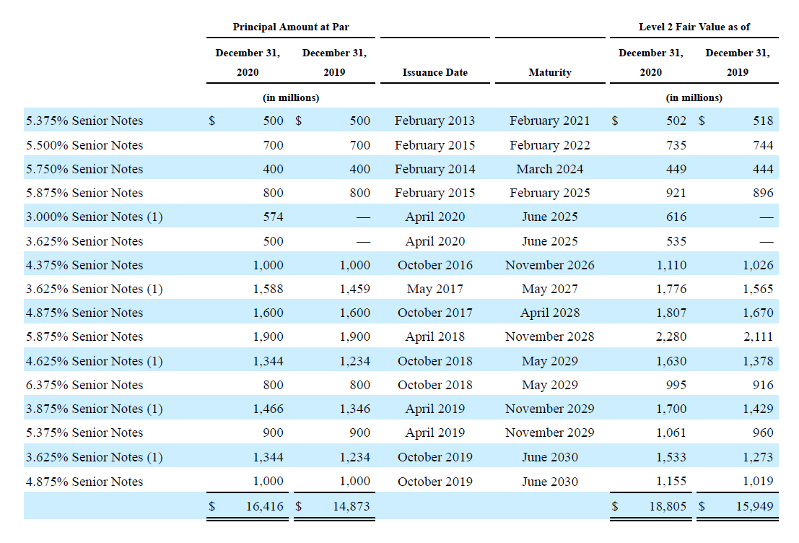
PP&E

(in thousands) | 2018 Act | 2019 Act | 2020 Act | 2021 Forcasted | 2022 Forcasted | 2023 Forcasted | 2024 Forcasted
Beginning Balance |  | 418,281.00 | 565,221.00 | 960,183.00 | 1,284,140.13 | 1,580,571.34 | 1,855,677.87
add: Capex |  | 250,519.00 | 510,672.00 | 510,672.00 | 510,672.00 | 510,672.00 | 510,672.00
less: Depreciation | 83,157.00 | 103,579.00 | 115,710.00 | 186,714.87 | 214,240.79 | 235,565.47 | 252,342.12
Closing Balance | 418,281.00 | 565,221.00 | 960,183.00 | 1,284,140.13 | 1,580,571.34 | 1,855,677.87 | 2,114,007.75

Useful life |  | 6.5 | 9.3 | 7.9 | 8.4 | 8.9 | 9.4

Content Assets
(in thousands) | 2018 Act | 2019 Act | 2020 Act | 2021 Forcasted | 2022 Forcasted | 2023 Forcasted | 2024 Forcasted
Beginning Balance |  | 14,951,141.00 | 24,504,567.00 | 25,383,950 | 26,490,395 | 27,281,060 | 27,846,069
add: Addition to Content Assets |  | 18,769,673.00 | 11,686,295.00 | 11,686,295 | 11,686,295 | 11,686,295 | 11,686,295
less: Amortisation of Content Assets |  | 9,216,247.00 | 10,806,912.00 | 10,579,850.31 | 10,895,629.70 | 11,121,285.62 | 11,282,539.34
Closing Balance | 14,951,141.00 | 24,504,567.00 | 25,383,950.00 | 26,490,394.69 | 27,281,060.00 | 27,846,069.37 | 28,249,825.03

Useful life |  | 3.7 | 3.3 | 3.5 | 3.5 | 3.5 | 3.5

Debt Schedule
Beginning Balance of Debt |  | 10,360,058.00 | 14,759,260.00 | 15,809,095.00 | 15,309,095.00 | 14,609,095.00 | 14,609,095.00
add/less: Debt Taken /(debt repaid) |  | 4,399,202.00 | 1,049,835.00 | (500,000.00) | (700,000.00) | - | (400,000.00)
Closing Balance | 10,360,058.00 | 14,759,260.00 | 15,809,095.00 | 15,309,095.00 | 14,609,095.00 | 14,609,095.00 | 14,209,095.00

Interest Expense | (420,493) | (626,023) | (767,499) | (688,909.28) | (657,409.28) | (657,409.28) | (639,409.28)
 | -4.1% | -4.2% | -4.9% | -4.50% | -4.50% | -4.50% | -4.50%

WACC
Column1 | Column2
WACC

Risk free Rate | 0.02
Market Risk Premium | 0.06
Beta | 1.06

(in thousands) | Amount

Cost of Equity | 7%
Cost Debt | 5%

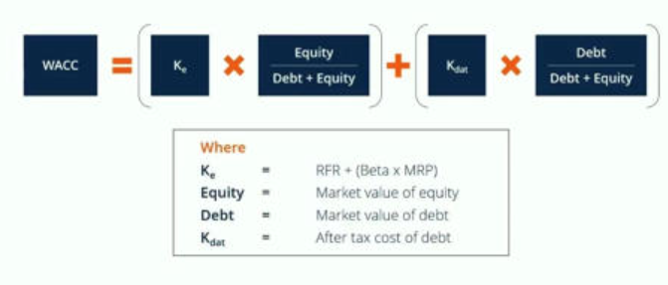
Equity | 26,100,503.54
Debt | 14,209,095.00

Equity/(Equity+Debt) | 64.75%
Debt/(Equity+Debt) | 35.25%

WACC | 6.42%

 |  | RiskfreeRate*beta + Market Risk Premium

DCF
DCF Analysis

(in thousands) | 2021 Forcast | 2022 Forcast | 2023 Forcast | 2024 Forcast
UFCF | 2,041,907.77 | 3,302,333.41 | 4,069,427.94 | 4,743,626.38
Discounting Factor | 0.94 | 0.88 | 0.83 | 0.78
No of Years | 1.00 | 2.00 | 3.00 | 4.00

PV of UFCF | 1,918,658.31 | 2,915,707.49 | 3,376,120.30 | 3,697,911.76

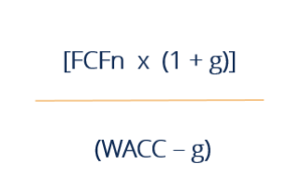
Sum of PV | 11,908,397.87

Terminal Value | 101,453,874.88
PV of Terminal value | 79,088,749.21

Enterprise Value | 90,997,147.08
Debt | 14,209,095.00
Cash | 18,481,523.41
Equity Value | 95,269,575.49

