Welcome
Welcome to the Diet Solutions Diet Optimization Program!
This program will help you find the lowest cost diet given 10 common food items to meet
your daily caloric and nutritional needs.
This program will walk you through several portals to help you find your optimal diet.
1. Click Start to Initialize the Program
2. You will find a list of pre-selected foods on Your Diet Portal. Click foods you would like to eat, then click Add to put them into your target diet list. Click OK to continue.
3. The program will now ask you to input minimum and maximum servings of your target diet food items you would like to eat.
4. You will now find yourself on the Optimization Portal where you have several options.
5. First, Click Run Optimization to find your optimal low cost diet with your target diet food servings.
6. Click Run Sensitivity analysis to see the effects of several annual inflation rates on your diet cost.
7. Click Store Diet to add your optimal diet to your personalized Diet History Log.
8. Click Change Diet to manually change your planned diet with food servings actually consumed. This will create a new entry in your Diet History Log with updated serving quanitities, cost and nutrient profile.
9. Click Cancel to exit to this screen at any time.
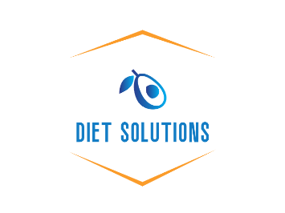

0 | 0 | 0 | 0 | 0 | 0 | 0 | 0 | 0 | 0
0 | 0 | 0 | 0 | 0 | 0 | 0 | 0 | 0 | 0
0 | 0 | 0 | 0 | 0 | 0 | 0 | 0 | 0 | 0

0

0 |  | 0
0 |  | 0
0 |  | 0
0 |  | 0
0 |  | 0
0 |  | 0
0 |  | 0
0 |  | 0

