Guidance
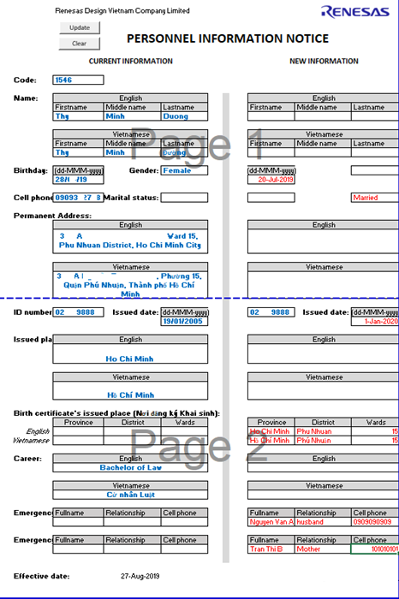
According to article 6.1 of internal labor rule: Employees must notify the Human Resource Department within seven days of any changes to the following:

(a) Address and phone numbers in case of emergency;

(b) Identification number;

(c) Certificate of education or qualification; and

(d) Marriage or divorce

Receiving changing information:
The employee fill in your "Personal Change" and send email to HR (rvc-er@lm.renesas.com) (ONLY SOFT COPY) and enclosed document if any as detail below in same day:
 | a. | a copy of ID (with notarized) if any
 | b. | a copy of family book (with notarized) if any
 | c. | a copy of certificate of education or qualification (with notarized) if any
 | d. | a copy of certificate of Marriage or divorce if any

How to fill in form
1. Download Personal_Change_Form
https://renesasgroup.sharepoint.com/sites/RVC/Shared%20Documents/Forms/AllItems.aspx?viewid=d04fa322%2Dd11a%2D4810%2Da56e%2Dff99ccf81c9a&id=%2Fsites%2FRVC%2FShared%20Documents%2F1%2E%20General%20Documents%2F020%5FHR%2F000%5FEmployee%20Relations%2FPersonal%20change

save in your desktop, open file and click "update"

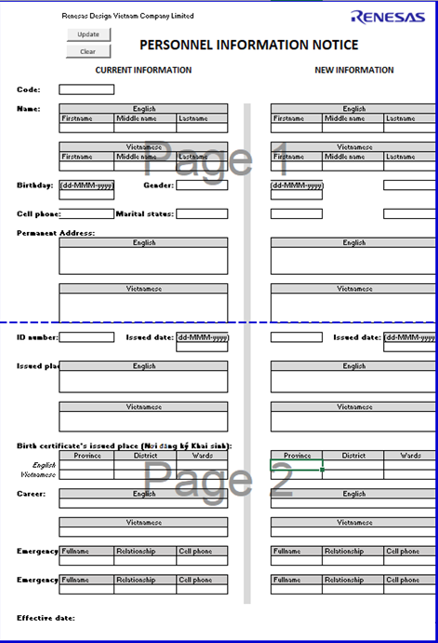

2. Check information

3. Update information
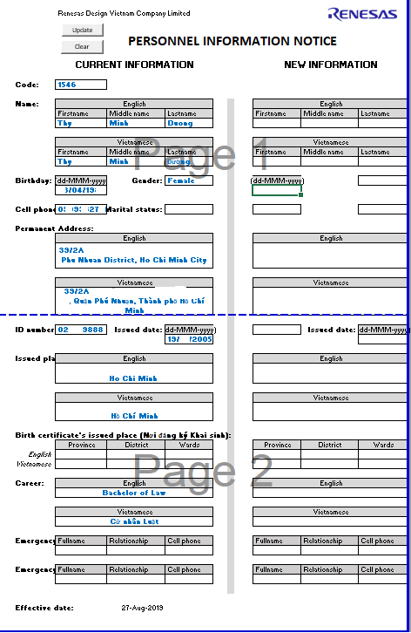

a. Only fill in the change information. If the information is not change, please not fill in any
b. There are some cells are empty, please fill in at "new information" part such as
Marital status, Birth certificate's issue place, emergency contact (must fill in 02 persons)

