BoxSetup
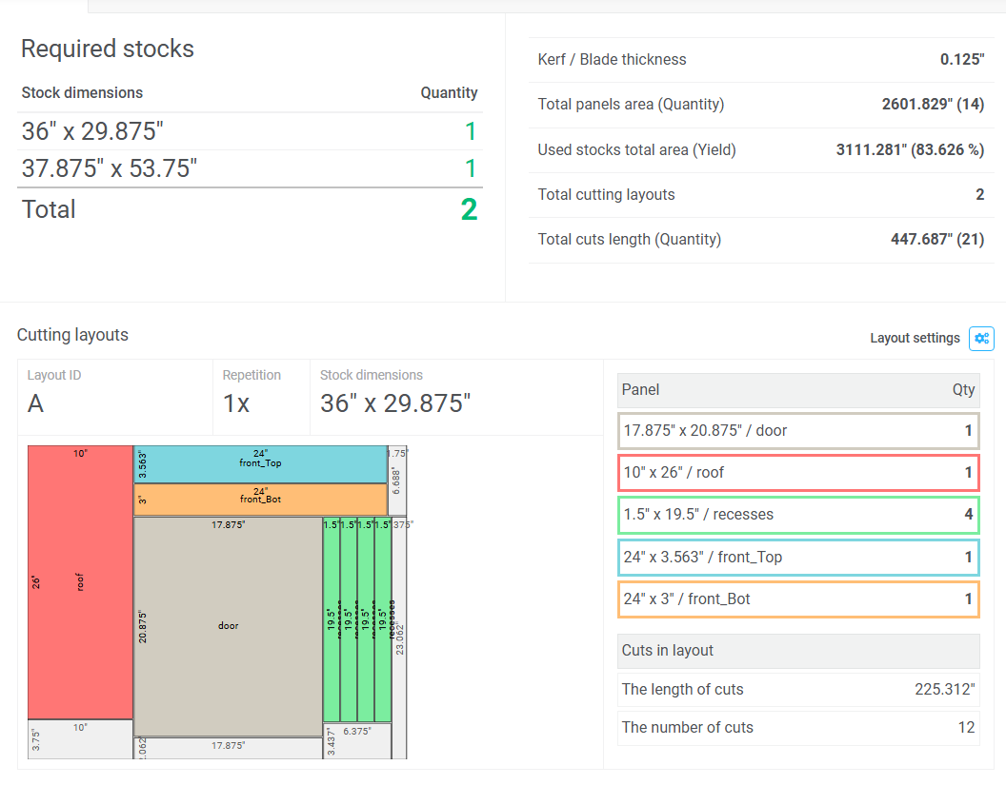
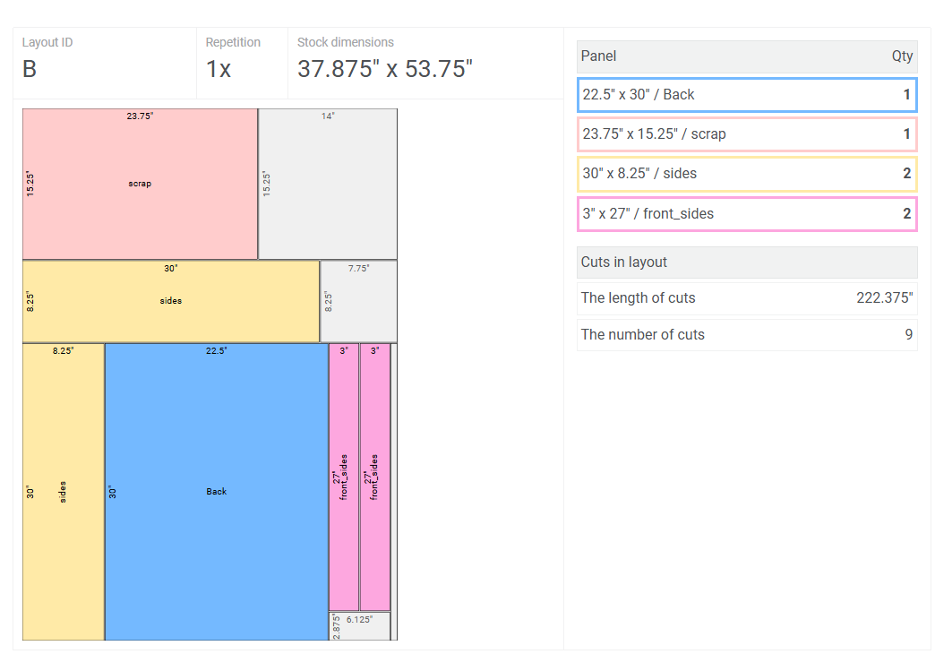
N | My First Linear Plan
M | 3/4" Plywood |  |  |  |  |  | Cutlist Optimizer - optiCutter
K | 0.125 |  |  |  |  |  | Kerf / Blade thickness | 0.125″
@ | Length | Width | Quantity | Grain Direction
S | 36 | 29.875 | 1 |  |  |  | Required stocks
S | 72 | 14 | 1 |  |  |  | Length | Width | Quantity
S | 37.875 | 53.75 | 1 |  |  |  | 36″ | 29.875″ | 1
@ | Length | Width | Quantity | Grain Direction | Label | Notes | 37.875″ | 53.75″ | 1
P | 30 | 22.5 | 1 |  | Back |  | Total |  | 2
P | 30 | 8.25 | 2 |  | sides | Cut at angle at 30"
P | 26 | 10 | 1 |  | roof
P | 19.5 | 1.5 | 4 |  | recesses |  | Cutting layouts
P | 24 | 3.5625 | 1 |  | front_Top
P | 24 | 3 | 1 |  | front_Bot |  | Layout ID | Repetition | Length | Width
P | 27 | 3 | 2 |  | front_sides |  | A | 1 | 36″ | 29.875″
P | 20.875 | 17.875 | 1 |  | door |  | Panel length | Panel width | X | Y | Label
P | 23.75 | 15.25 | 1 |  | scrap |  | 10″ | 26″ | 0″ | 0″ | roof
 |  |  |  |  |  |  | 24″ | 3.563″ | 10.125″ | 0″ | front_Top
 |  |  |  |  |  |  | 24″ | 3″ | 10.125″ | 3.688″ | front_Bot
 |  |  |  |  |  |  | 17.875″ | 20.875″ | 10.125″ | 6.813″ | door
 |  |  |  |  |  |  | 1.5″ | 19.5″ | 28.125″ | 6.813″ | recesses
 |  |  |  |  |  |  | 1.5″ | 19.5″ | 29.75″ | 6.813″ | recesses
 |  |  |  |  |  |  | 1.5″ | 19.5″ | 31.375″ | 6.813″ | recesses
 |  |  |  |  |  |  | 1.5″ | 19.5″ | 33″ | 6.813″ | recesses

 |  |  |  |  |  |  | Layout ID | Repetition | Length | Width
 |  |  |  |  |  |  | B | 1 | 37.875″ | 53.75″
 |  |  |  |  |  |  | Panel length | Panel width | X | Y | Label
 |  |  |  |  |  |  | 23.75″ | 15.25″ | 0″ | 0″ | scrap
 |  |  |  |  |  |  | 30″ | 8.25″ | 0″ | 15.375″ | sides
 |  |  |  |  |  |  | 8.25″ | 30″ | 0″ | 23.75″ | sides
 |  |  |  |  |  |  | 22.5″ | 30″ | 8.375″ | 23.75″ | Back
 |  |  |  |  |  |  | 3″ | 27″ | 31″ | 23.75″ | front_sides
 |  |  |  |  |  |  | 3″ | 27″ | 34.125″ | 23.75″ | front_sides

