AgentSaleReport1
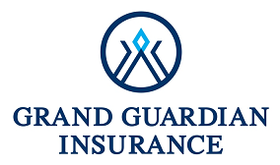 |  |  |  | 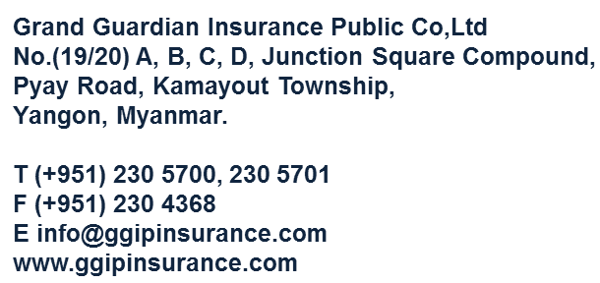
Grand Guardian Insurance Public Co.,Ltd

No | Agent Name | Agent No. | Group Life |  |  | Public Life |  |  | Snake Bite |  |  | Sport Man |  |  | Medical |  |  | Travel |  |  | Total
 |  |  | Policy Count | Total Premium | Total Commission | Policy Count | Total Premium | Total Commission | Policy Count | Total Premium | Total Commission | Policy Count | Total Premium | Total Commission | Policy Count | Total Premium | Total Commission | Policy Count | Total Premium | Total Commission | Policy Count | Total Premium | Total Commission

