HealthDailyReport
 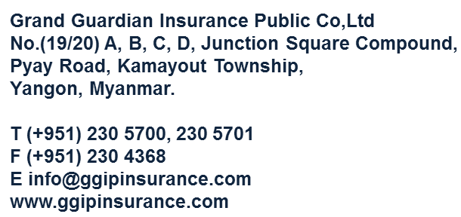 Grand Guardian Insurance Public Co., Ltd. Health Insurance (All)
No. | Date | Proposal No | Policy No | Insured Name | Beneficiary Name | Unit |  |  |  | Total Premium | Premium Mode | Start Date | End Date | Agent Name
 |  |  |  |  |  | Basic Units | Additional Units | Option (I) Units | Option (II) Units

