HealthPolicyReport
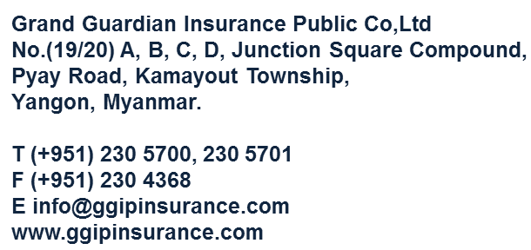  Grand Guardian Insurance Public Co., Ltd. Medical Policy Report ( All )
No. | Policy No | Proposal No | Receipt No | Commencement Date | Customer Name | Address | Phone No & Email Address | Basic Units | Additional Units | Option (I) Units | Option (II) Units | Premium | Premium Mode | Agent Name and Code No | Remarks

