HealthProposalReport
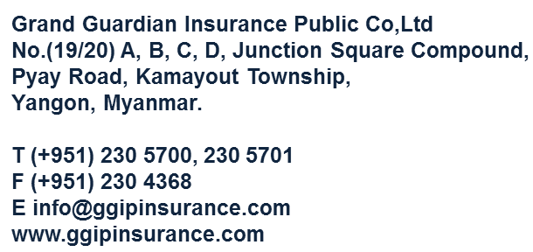 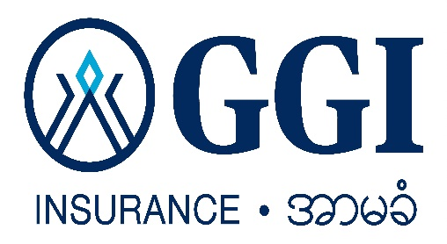 Grand Guardian Insurance Public Co., Ltd. Medical Proposal Report ( All )
No. | Proposal No | Date Of Proposed | Customer Name | NRC No | Father Name | Address and Phone No | Basic Units | Additional Units | Option (I) Units | Option (II) Units | Premium | Agent Name and Code No | Workflow Task | Responsible Person | Remarks(Policy,Endorse)

