Weibull MRR X onto Y
This data would represent VIN list containing all affected VINs and claim or failure VINs labeled as "FAILED" in "STATUS" column
VIN | MTF | STATUS | RANK | REVERSE RANK | ADJ RANK | MEDIAN RANK (F)
6 | 10 | SUSPENDED | 1 | 8 | 0 | 0
Weibull Forecasting Using Median Rank Regression X onto Y (Time/Miles to failure as Dependent Variable / Y axis)
1 | 30 | FAILED | 2 | 7 | 1.125 | 0.098214285714
7 | 45 | SUSPENDED | 3 | 6 | 0 | 0
Step 1) Sort data by what we're using as time to failure (MTF)
Step 2) Create rank column
Step 3) Create reverse rank column
Step 4) Create adjusted rank column where for suspensions it is equal to zero, but for failed units, use the formula for adjusted rank above
Step 5) Create median rank column where for suspensions it is equal to zero, but for failed units, use the formula for median rank above
Step 6) Filter data to just failed units
Step 7) Create new column that represents: ln(ln(1/(1-F))), where F is your median rank column
Step 8) Create new column than represents: ln(failure time)
Step 9) Create scatter chart where ln(time to failure) is on the Y axis and ln(ln(1/(1 - F))) is on the X axis
Step 10) Create or add linear trend line and show equation
The Weibull shape parameter is just 1 / slope and the scale parameter is just =exp(y-intercept) using Excel formula or e raised to the y-intercept
2 | 49 | FAILED | 4 | 5 | 2.4375 | 0.25446428571
3 | 82 | FAILED | 5 | 4 | 3.75 | 0.41071428571
4 | 90 | FAILED | 6 | 3 | 5.0625 | 0.56696428571
5 | 96 | FAILED | 7 | 2 | 6.375 | 0.72321428571
8 | 100 | SUSPENDED | 8 | 1 | 0 | 0

Filtered to just failed units only:
VIN | MTF | STATUS | RANK | REVERSE RANK | ADJ RANK | MEDIAN RANK (F) | ln(ln(1/(1-F))) | ln(MTF)
1 | 30 | FAILED | 2 | 7 | 1.125 | 0.098214285714 | -2.2693596768 | 3.4011973817
2 | 49 | FAILED | 4 | 5 | 2.4375 | 0.25446428571 | -1.2253590708 | 3.8918202981
3 | 82 | FAILED | 5 | 4 | 3.75 | 0.41071428571 | -0.63706154221 | 4.4067192473
4 | 90 | FAILED | 6 | 3 | 5.0625 | 0.56696428571 | -0.17800878217 | 4.4998096703
5 | 96 | FAILED | 7 | 2 | 6.375 | 0.72321428571 | 0.25037862029 | 4.5643481915

slope: | 0.49400803956 |  | Weibull shape: | 2.0242585544
y-intercept: | 4.5538552376 |  | Weibull scale: | 94.997942889

Weibull MRR Y onto X
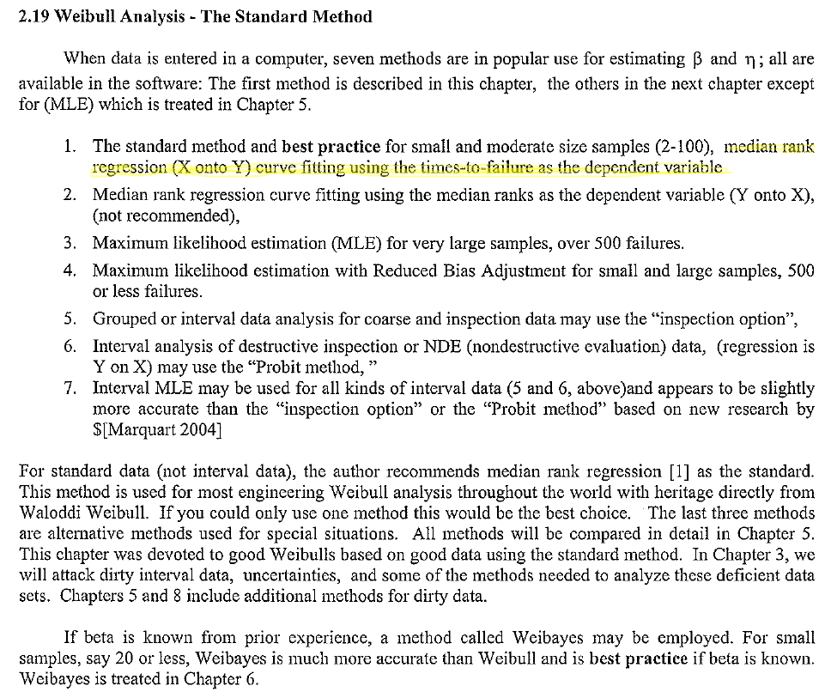
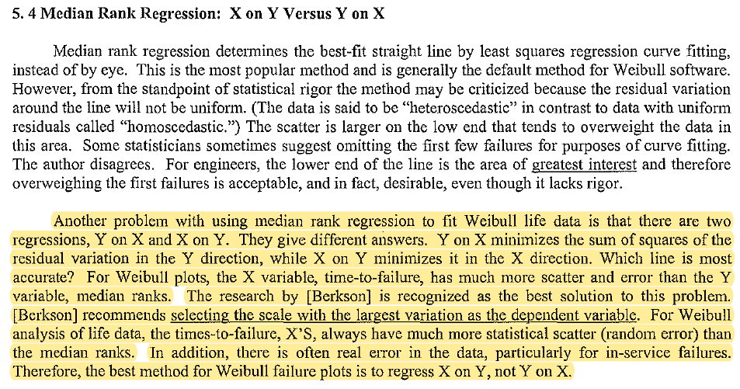
Weibull Forecasting Using Median Rank Regression Y onto X (Median Rank as Dependent Variable / Y axis)
This data would represent VIN list containing all affected VINs and claim or failure VINs labeled as "FAILED" in "STATUS" column
VIN | MTF | STATUS | RANK | REVERSE RANK | ADJ RANK | MEDIAN RANK (F)
6 | 10 | SUSPENDED | 1 | 8 | 0 | 0
1 | 30 | FAILED | 2 | 7 | 1.125 | 0.098214285714
7 | 45 | SUSPENDED | 3 | 6 | 0 | 0
2 | 49 | FAILED | 4 | 5 | 2.4375 | 0.25446428571
Step 1) Sort data by what we're using as time to failure (MTF)
Step 2) Create rank column
Step 3) Create reverse rank column
Step 4) Create adjusted rank column where for suspensions it is equal to zero, but for failed units, use the formula for adjusted rank above
Step 5) Create median rank column where for suspensions it is equal to zero, but for failed units, use the formula for median rank above
Step 6) Filter data to just failed units
Step 7) Create new column that represents: ln(ln(1/(1-F))), where F is your median rank column
Step 8) Create new column than represents: ln(failure time)
Step 9) Create line chart where ln(time to failure) is on the X axis and ln(ln(1/(1 - F))) is on the Y axis
Step 10) Create or add linear trend line and show equation
The Weibull shape parameter is equal to the slope and the scale parameter is just =exp(-(y-intercept/shape) using Excel formula or e raised to the negative y-intercept divided by shape parameter.
3 | 82 | FAILED | 5 | 4 | 3.75 | 0.41071428571
4 | 90 | FAILED | 6 | 3 | 5.0625 | 0.56696428571
5 | 96 | FAILED | 7 | 2 | 6.375 | 0.72321428571
8 | 100 | SUSPENDED | 8 | 1 | 0 | 0

Filtered to just failed units only:
VIN | MTF | STATUS | RANK | REVERSE RANK | ADJ RANK | MEDIAN RANK (F) | ln(MTF) | ln(ln(1/(1-F)))
1 | 30 | FAILED | 2 | 7 | 1.125 | 0.098214285714 | 3.4011973817 | -2.2693596768
2 | 49 | FAILED | 4 | 5 | 2.4375 | 0.25446428571 | 3.8918202981 | -1.2253590708
3 | 82 | FAILED | 5 | 4 | 3.75 | 0.41071428571 | 4.4067192473 | -0.63706154221
4 | 90 | FAILED | 6 | 3 | 5.0625 | 0.56696428571 | 4.4998096703 | -0.17800878217
5 | 96 | FAILED | 7 | 2 | 6.375 | 0.72321428571 | 4.5643481915 | 0.25037862029

slope: | 1.9294181619 |  | Weibull shape: | 1.9294181619
y-intercept: | -8.8243292339 |  | Weibull scale: | 96.8893988

Reliasoft
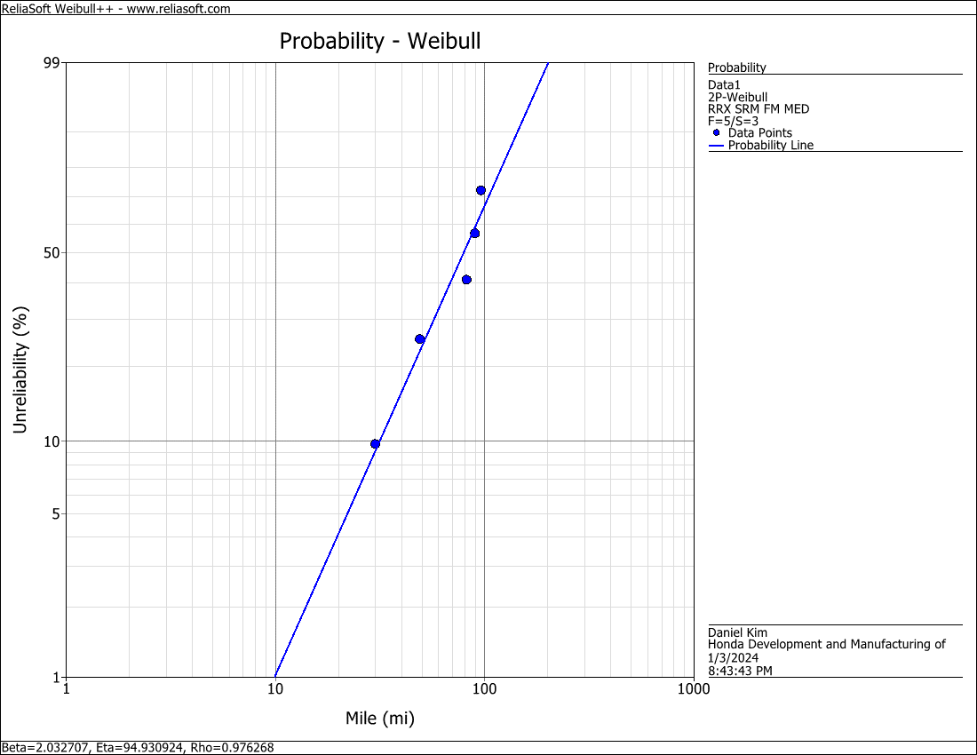
MTF | STATUS | shape: | 2.032707
10 | S | scale: | 94.930924
30 | F
45 | S
49 | F
82 | F
90 | F
96 | F
100 | S
Not sure why Reliasoft parameters are slightly off from Excel method.
UPDATE: It turns out Reliasoft doesn't use Bernard's approximation for median ranks, but a more accurate formula to calculate median ranks. But Bernard's median ranks are "close enough" and don't require complex numerical approximation methods.
Reliasoft reference link:
https://help.reliasoft.com/reference/life_data_analysis/lda/parameter_estimation.html#MedianRanks
ChatGPT link:
https://chat.openai.com/share/8c4349a0-a623-4e79-b1e4-d10cf39177ed

