15
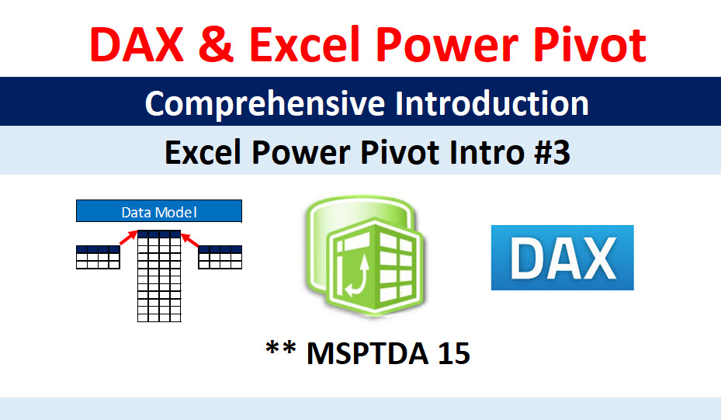

Cover
Highline College BI 348 |  | Goals of Video:
taught by Mike excelisfun Girvin (Excel MVP)
 |  | 1) Power Query to ETL: Extract, Tansform & Load Data: |  |  | 3) Build 4 Refreshable Dashboards in one Report:
MSPTDA 16: Microsoft Power Tools for Data Analysis
 |  | Text CSV data: | Excel Data:
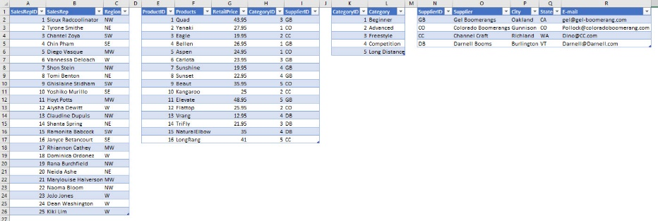
Power BI Desktop
Comprehensive Introduction
Power Query, DAX, Dashboards, Publishing

 |  | 2) Create Power Pivot Columnar Databse Data Model (Tables, Relationships & DAX): |  | 4) Publish to powerbi.com and consume on any device
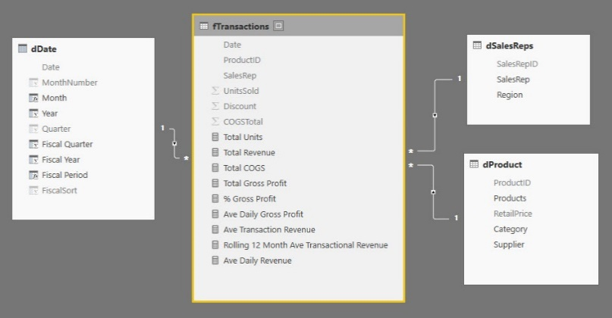
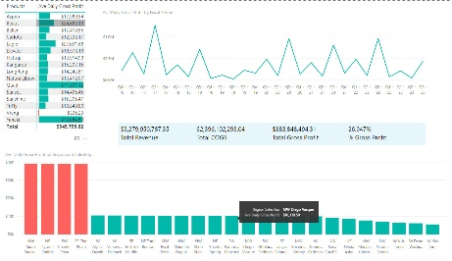
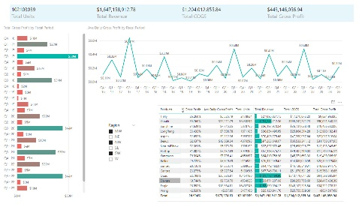
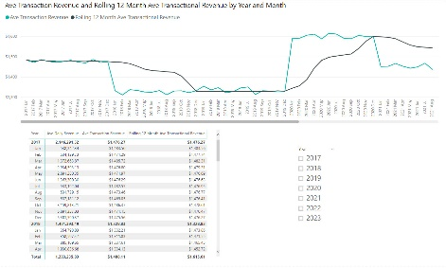
** MSPTDA 16
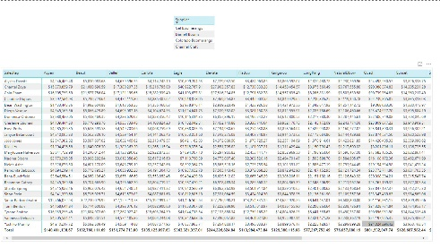

 | Power BI Desktop Comprehensive Introduction Power Query, DAX, Dashboards, Publishing

 |  |  | Data Model

