FOV_33 odors
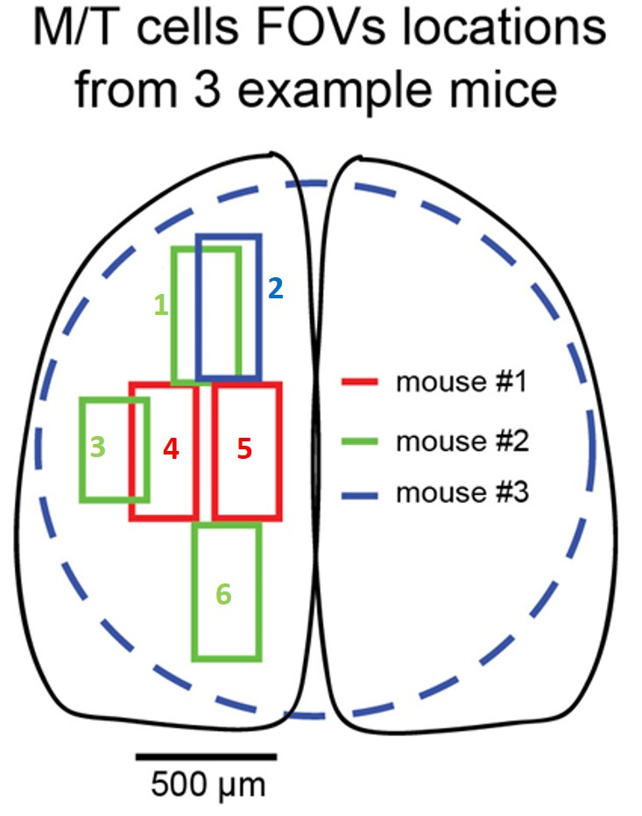
fov name | mouse | location
FOV1 | A1 | 4
FOV2 | A2 | 1
FOV3 | A1 | 5
FOV4 | A2 | 3
FOV5 | A2 | 6
FOV6 | A3 | 2

