Sheet1
 |  | "curtA","curtB","curtC","cv","sag12"

 |  | use this concatenated list as RGBs array:
 |  | 171,98,5,146,223,223,224,249,223,231,224,249,250,250,251,248,253,243,248,185,209,167,48,197,235,235,236,197,235,239,236,235,223,230,224,197,219,164,197,38,229,205,97,222,241,241,242,171,241,244,242,227,208,218,208,171,199,129,171,49
 |  |  |  |  |  | R, G, B
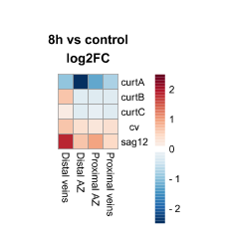
 | Area | Mean | X | Y | Slice |  |  | R | G | B
1 | 0 | 171 | 135.5 | 99.5 | 1 |  | "curtA" | 171 | 209 | 229 | 171,209,229
2 | 0 | 98 | 119.833 | 100.167 | 1 |  |  | 98 | 167 | 205 | 98,167,205
3 | 0 | 5 | 105.5 | 100.5 | 1 |  |  | 5 | 48 | 97 | 5,48,97
4 | 0 | 146 | 90.167 | 100.167 | 1 |  |  | 146 | 197 | 222 | 146,197,222
5 | 0 | 223 | 136.5 | 114.833 | 1 |  | "curtB" | 223 | 235 | 241 | 223,235,241
6 | 0 | 223 | 119.5 | 115.833 | 1 |  |  | 223 | 235 | 241 | 223,235,241
7 | 0 | 224 | 105.833 | 115.833 | 1 |  |  | 224 | 236 | 242 | 224,236,242
8 | 0 | 249 | 90.167 | 115.833 | 1 |  |  | 249 | 197 | 171 | 249,197,171
9 | 0 | 223 | 135.833 | 129.5 | 1 |  | "curtC" | 223 | 235 | 241 | 223,235,241
10 | 0 | 231 | 120.167 | 130.167 | 1 |  |  | 231 | 239 | 244 | 231,239,244
11 | 0 | 224 | 105.5 | 130.167 | 1 |  |  | 224 | 236 | 242 | 224,236,242
12 | 0 | 249 | 90.5 | 130.833 | 1 |  |  | 249 | 235 | 227 | 249,235,227
13 | 0 | 250 | 135.167 | 145.167 | 1 | zgornjo sliko v ImageJ | "cv" | 250 | 223 | 208 | 250,223,208
14 | 0 | 250 | 120.167 | 145.167 | 1 | Image - Type - RGB stack |  | 250 | 230 | 218 | 250,230,218
15 | 0 | 251 | 105.5 | 145.5 | 1 | Multipoint selection |  | 251 | 224 | 208 | 251,224,208
16 | 0 | 248 | 90.167 | 145.5 | 1 | poklikaš 20 točk od zgornjega desnega kota |  | 248 | 197 | 171 | 248,197,171
17 | 0 | 253 | 136.167 | 159.833 | 1 | Measure | "sag12" | 253 | 219 | 199 | 253,219,199
18 | 0 | 243 | 119.5 | 160.167 | 1 | RGB vrednosti so na 1, 21, 41 v Mean stolpcu |  | 243 | 164 | 129 | 243,164,129
19 | 0 | 248 | 104.5 | 160.167 | 1 |  |  | 248 | 197 | 171 | 248,197,171
20 | 0 | 185 | 89.5 | 160.5 | 1 |  |  | 185 | 38 | 49 | 185,38,49
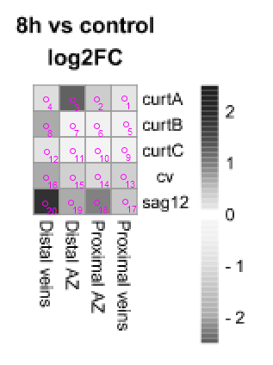
21 | 0 | 209 | 135.5 | 99.5 | 2
22 | 0 | 167 | 119.833 | 100.167 | 2
23 | 0 | 48 | 105.5 | 100.5 | 2
24 | 0 | 197 | 90.167 | 100.167 | 2
25 | 0 | 235 | 136.5 | 114.833 | 2
26 | 0 | 235 | 119.5 | 115.833 | 2
27 | 0 | 236 | 105.833 | 115.833 | 2
28 | 0 | 197 | 90.167 | 115.833 | 2
29 | 0 | 235 | 135.833 | 129.5 | 2
30 | 0 | 239 | 120.167 | 130.167 | 2
31 | 0 | 236 | 105.5 | 130.167 | 2
32 | 0 | 235 | 90.5 | 130.833 | 2
33 | 0 | 223 | 135.167 | 145.167 | 2
34 | 0 | 230 | 120.167 | 145.167 | 2
35 | 0 | 224 | 105.5 | 145.5 | 2
36 | 0 | 197 | 90.167 | 145.5 | 2
37 | 0 | 219 | 136.167 | 159.833 | 2
38 | 0 | 164 | 119.5 | 160.167 | 2
39 | 0 | 197 | 104.5 | 160.167 | 2
40 | 0 | 38 | 89.5 | 160.5 | 2
41 | 0 | 229 | 135.5 | 99.5 | 3
42 | 0 | 205 | 119.833 | 100.167 | 3
43 | 0 | 97 | 105.5 | 100.5 | 3
44 | 0 | 222 | 90.167 | 100.167 | 3
45 | 0 | 241 | 136.5 | 114.833 | 3
46 | 0 | 241 | 119.5 | 115.833 | 3
47 | 0 | 242 | 105.833 | 115.833 | 3
48 | 0 | 171 | 90.167 | 115.833 | 3
49 | 0 | 241 | 135.833 | 129.5 | 3
50 | 0 | 244 | 120.167 | 130.167 | 3
51 | 0 | 242 | 105.5 | 130.167 | 3
52 | 0 | 227 | 90.5 | 130.833 | 3
53 | 0 | 208 | 135.167 | 145.167 | 3
54 | 0 | 218 | 120.167 | 145.167 | 3
55 | 0 | 208 | 105.5 | 145.5 | 3
56 | 0 | 171 | 90.167 | 145.5 | 3
57 | 0 | 199 | 136.167 | 159.833 | 3
58 | 0 | 129 | 119.5 | 160.167 | 3
59 | 0 | 171 | 104.5 | 160.167 | 3
60 | 0 | 49 | 89.5 | 160.5 | 3

