Sheet1
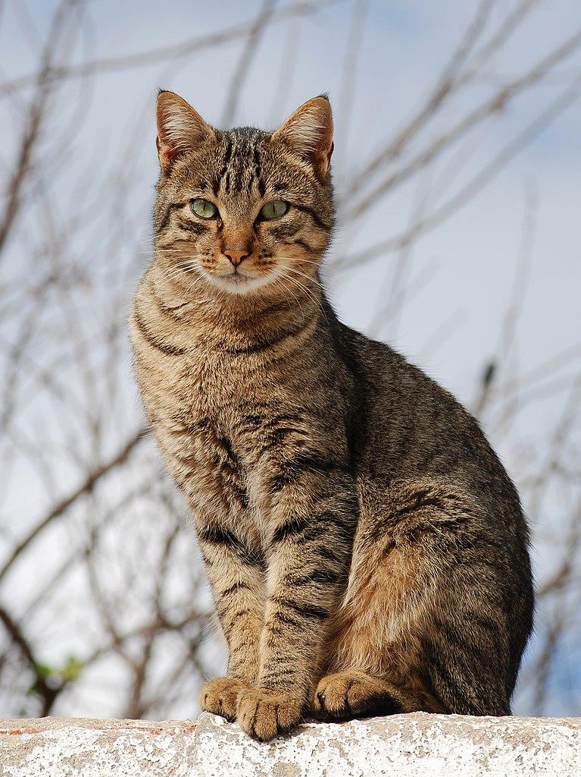
Photos | Name
 | Dog
 | Cat

