Sheet1
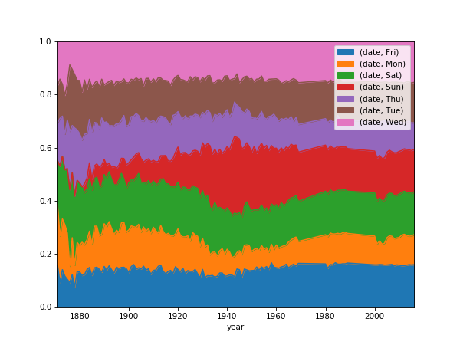
Baseball games data
url | https://query.data.world/s/bag2ljvnplwionvijpk2az6vimksbm
parse dates | date
infer date format | TRUE
DataFrame@0

Last n rows of data
date | number_of_game | day_of_week | v_name | v_league | v_game_number | h_name | h_league | h_game_number | v_score | h_score | length_outs | day_night | completion | forefeit | protest | park_id | attendance | length_minutes | v_line_score | h_line_score | v_at_bats | v_hits | v_doubles | v_triples | v_homeruns | v_rbi | v_sacrifice_hits | v_sacrifice_flies | v_hit_by_pitch | v_walks | v_intentional walks | v_strikeouts | v_stolen_bases | v_caught_stealing | v_grounded_into_double | v_first_catcher_interference | v_left_on_base | v_pitchers_used | v_individual_earned_runs | v_team_earned_runs | v_wild_pitches | v_balks | v_putouts | v_assists | v_errors | v_passed_balls | v_double_plays | v_triple_plays | h_at_bats | h_hits | h_doubles | h_triples | h_homeruns | h_rbi | h_sacrifice_hits | h_sacrifice_flies | h_hit_by_pitch | h_walks | h_intentional walks | h_strikeouts | h_stolen_bases | h_caught_stealing | h_grounded_into_double | h_first_catcher_interference | h_left_on_base | h_pitchers_used | h_individual_earned_runs | h_team_earned_runs | h_wild_pitches | h_balks | h_putouts | h_assists | h_errors | h_passed_balls | h_double_plays | h_triple_plays | hp_umpire_id | hp_umpire_name | 1b_umpire_id | 1b_umpire_name | 2b_umpire_id | 2b_umpire_name | 3b_umpire_id | 3b_umpire_name | lf_umpire_id | lf_umpire_name | rf_umpire_id | rf_umpire_name | v_manager_id | v_manager_name | h_manager_id | h_manager_name | winning_pitcher_id | winning_pitcher_name | losing_pitcher_id | losing_pitcher_name | saving_pitcher_id | saving_pitcher_name | winning_rbi_batter_id | winning_rbi_batter_id_name | v_starting_pitcher_id | v_starting_pitcher_name | h_starting_pitcher_id | h_starting_pitcher_name | v_player_1_id | v_player_1_name | v_player_1_def_pos | v_player_2_id | v_player_2_name | v_player_2_def_pos | v_player_3_id | v_player_3_name | v_player_3_def_pos | v_player_4_id | v_player_4_name | v_player_4_def_pos | v_player_5_id | v_player_5_name | v_player_5_def_pos | v_player_6_id | v_player_6_name | v_player_6_def_pos | v_player_7_id | v_player_7_name | v_player_7_def_pos | v_player_8_id | v_player_8_name | v_player_8_def_pos | v_player_9_id | v_player_9_name | v_player_9_def_pos | h_player_1_id | h_player_1_name | h_player_1_def_pos | h_player_2_id | h_player_2_name | h_player_2_def_pos | h_player_3_id | h_player_3_name | h_player_3_def_pos | h_player_4_id | h_player_4_name | h_player_4_def_pos | h_player_5_id | h_player_5_name | h_player_5_def_pos | h_player_6_id | h_player_6_name | h_player_6_def_pos | h_player_7_id | h_player_7_name | h_player_7_def_pos | h_player_8_id | h_player_8_name | h_player_8_def_pos | h_player_9_id | h_player_9_name | h_player_9_def_pos | additional_info | acquisition_info
2016-10-02 | 0 | Sun | MIL | NL | 162 | COL | NL | 162 | 6 | 4 | 60 | D | #N/A | #N/A | #N/A | DEN02 | 27762 | 203 | 0200000202 | 1100100010 | 39 | 10 | 4 | 1 | 2 | 6 | 0 | 0 | 1 | 4 | 0 | 12 | 2 | 1 | 0 | 0 | 8 | 7 | 4 | 4 | 1 | 0 | 30 | 12 | 1 | 0 | 0 | 0 | 41 | 13 | 4 | 0 | 1 | 4 | 1 | 0 | 1 | 3 | 0 | 11 | 0 | 1 | 0 | 0 | 12 | 5 | 6 | 6 | 0 | 0 | 30 | 13 | 0 | 0 | 0 | 0 | barrs901 | Scott Barry | woodt901 | Tom Woodring | randt901 | Tony Randazzo | ortir901 | Roberto Ortiz | #N/A | (none) | #N/A | (none) | counc001 | Craig Counsell | weisw001 | Walt Weiss | thort001 | Tyler Thornburg | rusic001 | Chris Rusin | knebc001 | Corey Knebel | susaa001 | Andrew Susac | cravt001 | Tyler Cravy | marqg001 | German Marquez | villj001 | Jonathan Villar | 5 | genns001 | Scooter Gennett | 4 | cartc002 | Chris Carter | 3 | santd002 | Domingo Santana | 9 | pereh001 | Hernan Perez | 8 | arcio002 | Orlando Arcia | 6 | susaa001 | Andrew Susac | 2 | elmoj001 | Jake Elmore | 7 | cravt001 | Tyler Cravy | 1 | blacc001 | Charlie Blackmon | 8 | dahld001 | David Dahl | 7 | arenn001 | Nolan Arenado | 5 | gonzc001 | Carlos Gonzalez | 9 | murpt002 | Tom Murphy | 2 | pattj005 | Jordan Patterson | 3 | valap001 | Pat Valaika | 4 | adamc001 | Cristhian Adames | 6 | marqg001 | German Marquez | 1 | #N/A | Y
2016-10-02 | 0 | Sun | NYN | NL | 162 | PHI | NL | 162 | 2 | 5 | 51 | D | #N/A | #N/A | #N/A | PHI13 | 36935 | 159 | 000001100 | 00100031x | 33 | 8 | 3 | 0 | 0 | 2 | 0 | 0 | 0 | 2 | 0 | 9 | 1 | 1 | 1 | 0 | 6 | 6 | 3 | 3 | 0 | 0 | 24 | 12 | 3 | 1 | 2 | 0 | 33 | 10 | 1 | 0 | 0 | 3 | 0 | 1 | 0 | 2 | 0 | 3 | 0 | 0 | 2 | 0 | 7 | 5 | 2 | 2 | 0 | 0 | 27 | 7 | 0 | 0 | 1 | 0 | barkl901 | Lance Barksdale | herna901 | Angel Hernandez | barrt901 | Ted Barrett | littw901 | Will Little | #N/A | (none) | #N/A | (none) | collt801 | Terry Collins | mackp101 | Pete Mackanin | murrc002 | Colton Murray | goede001 | Erik Goeddel | nerih001 | Hector Neris | hernc005 | Cesar Hernandez | ynoag001 | Gabriel Ynoa | eickj001 | Jerad Eickhoff | granc001 | Curtis Granderson | 8 | cabra002 | Asdrubal Cabrera | 6 | brucj001 | Jay Bruce | 9 | dudal001 | Lucas Duda | 3 | johnk003 | Kelly Johnson | 4 | confm001 | Michael Conforto | 7 | campe001 | Eric Campbell | 5 | plawk001 | Kevin Plawecki | 2 | ynoag001 | Gabriel Ynoa | 1 | hernc005 | Cesar Hernandez | 4 | parej002 | Jimmy Paredes | 7 | herro001 | Odubel Herrera | 8 | franm004 | Maikel Franco | 5 | howar001 | Ryan Howard | 3 | ruppc001 | Cameron Rupp | 2 | blana001 | Andres Blanco | 6 | altha001 | Aaron Altherr | 9 | eickj001 | Jerad Eickhoff | 1 | #N/A | Y
2016-10-02 | 0 | Sun | LAN | NL | 162 | SFN | NL | 162 | 1 | 7 | 51 | D | #N/A | #N/A | #N/A | SFO03 | 41445 | 184 | 000100000 | 23000002x | 30 | 4 | 0 | 0 | 0 | 1 | 0 | 0 | 0 | 2 | 0 | 7 | 0 | 0 | 1 | 0 | 4 | 7 | 7 | 7 | 0 | 0 | 24 | 5 | 1 | 0 | 0 | 0 | 39 | 16 | 3 | 1 | 0 | 7 | 0 | 0 | 0 | 4 | 1 | 11 | 2 | 1 | 0 | 0 | 12 | 2 | 1 | 1 | 0 | 0 | 27 | 7 | 0 | 0 | 1 | 0 | knigb901 | Brian Knight | westj901 | Joe West | fleta901 | Andy Fletcher | danlk901 | Kerwin Danley | #N/A | (none) | #N/A | (none) | robed001 | Dave Roberts | bochb002 | Bruce Bochy | moorm003 | Matt Moore | maedk001 | Kenta Maeda | #N/A | (none) | poseb001 | Buster Posey | maedk001 | Kenta Maeda | moorm003 | Matt Moore | kendh001 | Howie Kendrick | 7 | turnj001 | Justin Turner | 5 | seagc001 | Corey Seager | 6 | puigy001 | Yasiel Puig | 9 | gonza003 | Adrian Gonzalez | 3 | grany001 | Yasmani Grandal | 2 | pedej001 | Joc Pederson | 8 | utlec001 | Chase Utley | 4 | maedk001 | Kenta Maeda | 1 | spand001 | Denard Span | 8 | beltb001 | Brandon Belt | 3 | poseb001 | Buster Posey | 2 | pench001 | Hunter Pence | 9 | crawb001 | Brandon Crawford | 6 | pagaa001 | Angel Pagan | 7 | panij002 | Joe Panik | 4 | gillc001 | Conor Gillaspie | 5 | moorm003 | Matt Moore | 1 | #N/A | Y
2016-10-02 | 0 | Sun | PIT | NL | 162 | SLN | NL | 162 | 4 | 10 | 51 | D | #N/A | #N/A | #N/A | STL10 | 44615 | 192 | 000020200 | 00100360x | 35 | 9 | 0 | 0 | 1 | 4 | 0 | 0 | 0 | 4 | 0 | 11 | 0 | 1 | 0 | 0 | 8 | 6 | 8 | 8 | 0 | 0 | 24 | 2 | 2 | 0 | 0 | 0 | 36 | 12 | 2 | 0 | 1 | 10 | 0 | 2 | 0 | 4 | 0 | 5 | 0 | 0 | 0 | 0 | 8 | 3 | 4 | 4 | 0 | 0 | 27 | 7 | 0 | 0 | 1 | 0 | cuzzp901 | Phil Cuzzi | ticht901 | Todd Tichenor | vanol901 | Larry Vanover | marqa901 | Alfonso Marquez | #N/A | (none) | #N/A | (none) | hurdc001 | Clint Hurdle | mathm001 | Mike Matheny | broxj001 | Jonathan Broxton | nicaj001 | Juan Nicasio | #N/A | (none) | piscs001 | Stephen Piscotty | voger001 | Ryan Vogelsong | waina001 | Adam Wainwright | jasoj001 | John Jaso | 3 | polag001 | Gregory Polanco | 9 | mccua001 | Andrew McCutchen | 8 | kangj001 | Jung Ho Kang | 5 | joycm001 | Matt Joyce | 7 | hansa001 | Alen Hanson | 4 | fryee001 | Eric Fryer | 2 | florp001 | Pedro Florimon | 6 | voger001 | Ryan Vogelsong | 1 | carpm002 | Matt Carpenter | 3 | diaza003 | Aledmys Diaz | 6 | moliy001 | Yadier Molina | 2 | piscs001 | Stephen Piscotty | 9 | peraj001 | Jhonny Peralta | 5 | mossb001 | Brandon Moss | 7 | gyorj001 | Jedd Gyorko | 4 | gricr001 | Randal Grichuk | 8 | waina001 | Adam Wainwright | 1 | #N/A | Y
2016-10-02 | 0 | Sun | MIA | NL | 161 | WAS | NL | 162 | 7 | 10 | 51 | D | #N/A | #N/A | #N/A | WAS11 | 28730 | 216 | 000230020 | 03023002x | 38 | 14 | 1 | 1 | 2 | 7 | 1 | 0 | 0 | 3 | 2 | 10 | 1 | 1 | 1 | 0 | 8 | 7 | 10 | 10 | 1 | 0 | 24 | 11 | 0 | 0 | 1 | 0 | 30 | 10 | 2 | 0 | 1 | 10 | 1 | 1 | 1 | 8 | 0 | 3 | 2 | 0 | 1 | 0 | 7 | 6 | 7 | 7 | 1 | 0 | 27 | 11 | 0 | 0 | 1 | 0 | tumpj901 | John Tumpane | porta901 | Alan Porter | onorb901 | Brian O'Nora | kellj901 | Jeff Kellogg | #N/A | (none) | #N/A | (none) | mattd001 | Don Mattingly | baked002 | Dusty Baker | schem001 | Max Scherzer | brica001 | Austin Brice | melam001 | Mark Melancon | difow001 | Wilmer Difo | koeht001 | Tom Koehler | schem001 | Max Scherzer | gordd002 | Dee Gordon | 4 | telit001 | Tomas Telis | 2 | pradm001 | Martin Prado | 5 | yelic001 | Christian Yelich | 8 | bourj002 | Justin Bour | 3 | scrux001 | Xavier Scruggs | 7 | hoodd001 | Destin Hood | 9 | hecha001 | Adeiny Hechavarria | 6 | koeht001 | Tom Koehler | 1 | turnt001 | Trea Turner | 8 | reveb001 | Ben Revere | 7 | harpb003 | Bryce Harper | 9 | zimmr001 | Ryan Zimmerman | 3 | drews001 | Stephen Drew | 5 | difow001 | Wilmer Difo | 4 | espid001 | Danny Espinosa | 6 | lobaj001 | Jose Lobaton | 2 | schem001 | Max Scherzer | 1 | #N/A | Y

[Plotted 'v_score distribution'] |  |  |  | [Plotted 'length_minutes distribution']
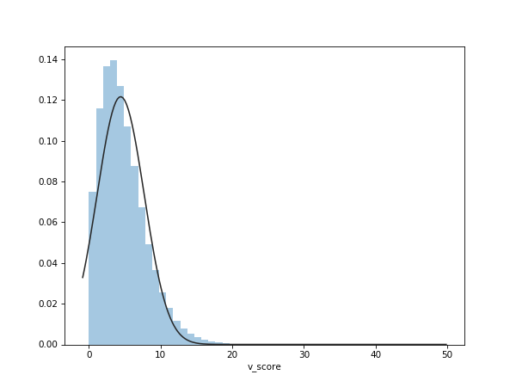
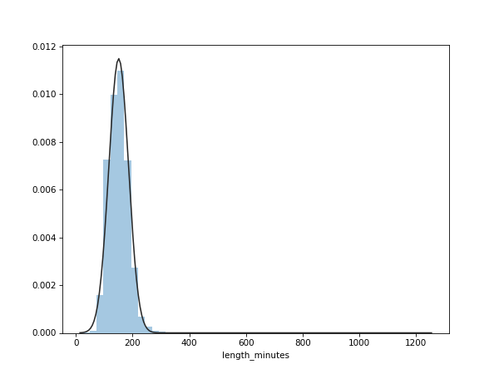

Evaluate expressions
h_win | h_score > v_score
v_win | v_score > h_score
year | date.dt.year
DataFrame@1

Pivot data and scale
Index | year
Columns | day_of_week
Values | date
Agg Func | count
DataFrame@2 | Pivoted data by year
DataFrame@3 | Divided by total

First n rows of data
 | date
year \ day_of_week | Fri | Mon | Sat | Sun | Thu | Tue | Wed
1871 | 0.15748031496 | 0.22834645669 | 0.16535433071 | #N/A | 0.14173228346 | 0.14173228346 | 0.16535433071
1872 | 0.092896174863 | 0.17486338798 | 0.26229508197 | #N/A | 0.18032786885 | 0.14754098361 | 0.14207650273
1873 | 0.14070351759 | 0.19095477387 | 0.23618090452 | #N/A | 0.15075376884 | 0.12060301508 | 0.1608040201
1874 | 0.11637931034 | 0.19396551724 | 0.20689655172 | #N/A | 0.13362068966 | 0.14655172414 | 0.2025862069
1875 | 0.10434782609 | 0.17391304348 | 0.23768115942 | 0.0057971014493 | 0.18260869565 | 0.13623188406 | 0.15942028986

Plot Name | Area Plot of NumGames vs DayOfWeek
ylim | 0 | 1
[Plotted 'Area Plot of NumGames vs DayOfWeek']

