Sheet1
DecisionTreeClassifier@0
train size | 0.95
max_depth | 5
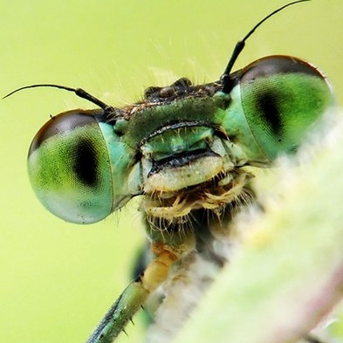
hair | 0
feathers | 0
eggs | 1
milk | 0
airbone | 0
aquatic | 1
predator | 0
toothed | 0
backbone | 0
breathes | 1
venomous | 0
fins | 0
legs | 4
tail | 0
domestic | 0
catsize | 0

prediction | insect

mammal | 0.00%
bird | 0.00%
reptile | 0.00%
fish | 0.00%
amphibian | 0.00%
insect | 100.00%
mollusc | 0.00%

