Sheet1
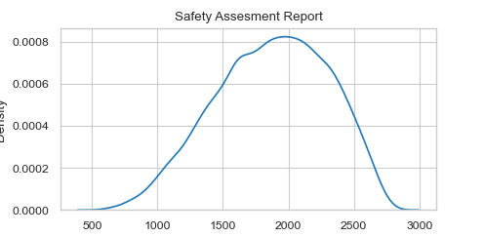
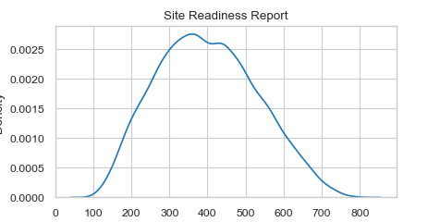
Monte Carlo Costs Estimate

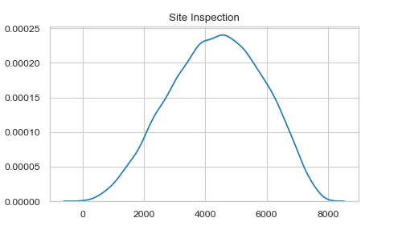
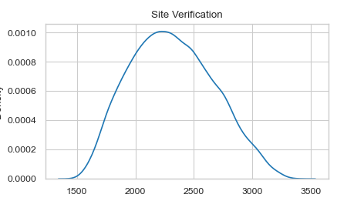
 | Estimate | Min Value | Most Likely Value | Max Value | Random Variable Objects
Site Inspection | $4,500 | $50 | $4,500 | $8,000 | PertRandomVariable@72 | [Site Inspection]
Site Verification | $2,250 | $1,500 | $2,250 | $3,400 | PertRandomVariable@67 | [Site Verification]
Access Permit | $3,000 | $1,000 | $3,000 | $3,500 | PertRandomVariable@71 | [Access Permit]
Logistics & Resources | $2,500 | $1,500 | $2,500 | $2,800 | PertRandomVariable@68 | [Logistics & Resources]
Safety Assesment Report | $2,000 | $500 | $2,000 | $2,800 | PertRandomVariable@69 | [Safety Assesment Report]
Site Readiness Report | $380 | $100 | $380 | $800 | PertRandomVariable@70 | [Site Readiness Report]

Sum | $14,630
Number of Samples | 10,000
Total Cost Simulation | Simulation@14
Results | list@6
Mean Total Cost | $14,040
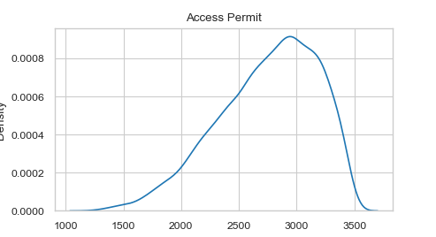
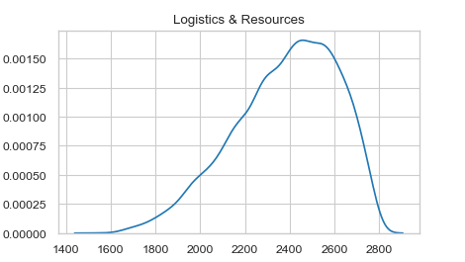
Standard Deviation | $1,679
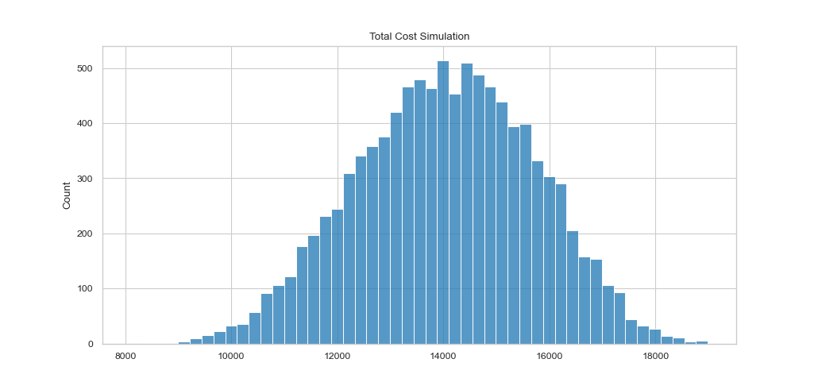
[Total Cost Simulation]

