Sheet1
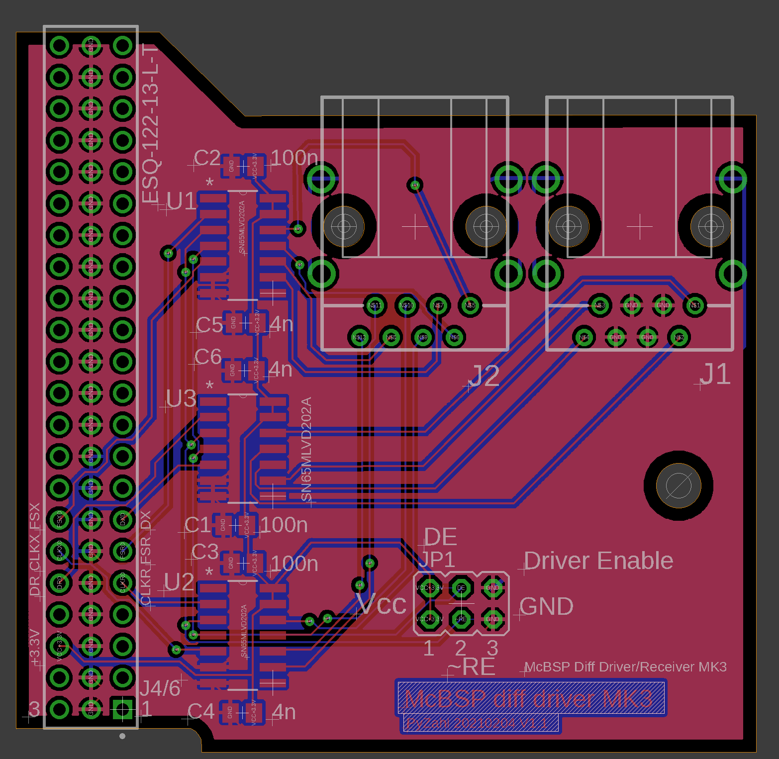
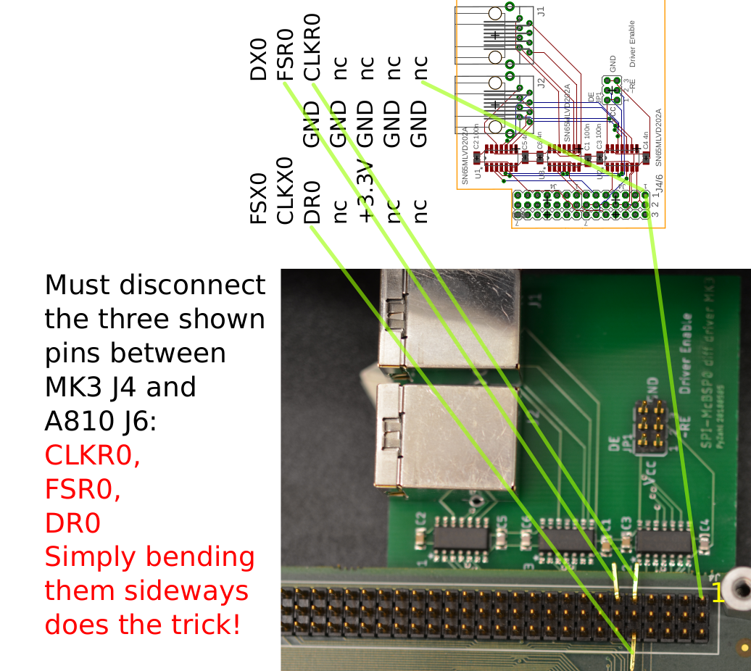
Percy Zahl, GXSM RP PACPLL Interface Project |  |  | MK3-SHIELD BOM (Bill of Materials) PCB: 60x52mm |  |  | Date: 20210205

Item # | *Designator | *Qty | Manufacturer | *Mfg Part # | Description / Value | *Package/Footprint | Type | Your Instructions / Notes
1 | U1, U2, U3 | 3 | Texas Instruments | SN65MLVD202ADR | SN65MLVD202A Full-duplex M-LVDS transceiver with improved ESD | SOIC127P600X175-14N | SMD
2 | C1, C2, C3 | 3 | Yageo | CC0805ZRY5V9BB104 | 0.1µF -20%, +80% 50V Ceramic Capacitor Y5V (F) 0805 (or any 100nF CER >35V) | C0805 | SMD
3 | C4, C5, C6 | 3 | Yageo | CC0805KRX7R9BB392 | 3900pF ±10% 50V Ceramic Capacitor X7R 0805 (or any 4nF CER >35V) | C0805 | SMD
4 | J1,J2 | 2 | Amphenol ICC (FCI) | 95672-001LF | Jack Modular Connector 8p8c (RJ45, Ethernet) 90° Angle (Right) Shielded Cat5 | RJ45 8p8c | Through Hole
5 | JP1 | 0 | - | - | 2x3 jumper | - | Through Hole | do not populate (development/testing only)
6 | JP4/6 | 2 | SamTec | ESQ-122-13-L-T | 3row 44pos in two 2x 3x22 ESQ-122-13-L-T stacking board inter connect |  | Through Hole | do not populate

 |  |  | MK3-SHIELD and RP connection accessories

 |  | 2 | HellermannTyton | PCRED5, PCFEL5 | CAT5 Ethernet CABLE MOD 8P8C Plug-Plug 5ft (Red, Yellow) – may use a shielded cable if longer or noisy/harsh environment. |  |  | suggested cable set and length for MK3 – RP link cable. Longer works, may limit serial speed, untested.
 |  | 2 | Adafruit industries sLLC | 909 [1528-1572-ND (DigiKey)] | Modular Cable Jack to Plug 8p8c (RJ45, Ethernet) 0.98' (300.0mm) |  |  | for MK3 internal wiring to rear panel

 | JP4/6 | 2 | SamTec | ESQ-122-13-L-T | 3row 44pos in two 2x 3x22 ESQ-122-13-L-T stacking board inter connect |  |  | cut pins CLKR0, DR0, FSR0 !!! Should NOT connect to A810.

